Oracle SQL Join Types
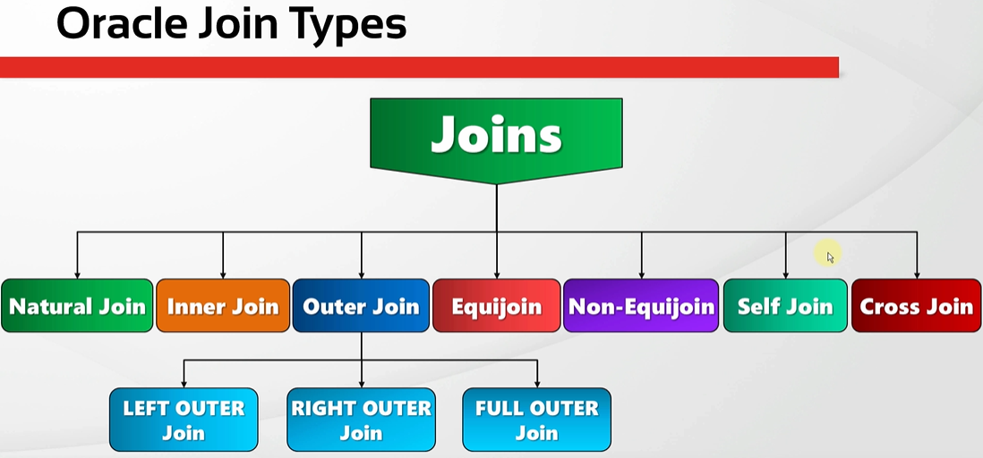
oracle
 | 1.Installing-VMware-and-VirtualBox-on-Windows
 | 2.Retrieving-Data
 | 3.RestrictingData
 | 4.SortingData
 | 5.UsingSubstitutionVariables
 | 6.Single-Row-Functions
 | 7.Conversion-Functions
 | 8.Conditional-Expressions
 | 9.Group-Functions
 | 10.Grouping-Data
 | 11.Joining-Multiple-Tables

Natural Join
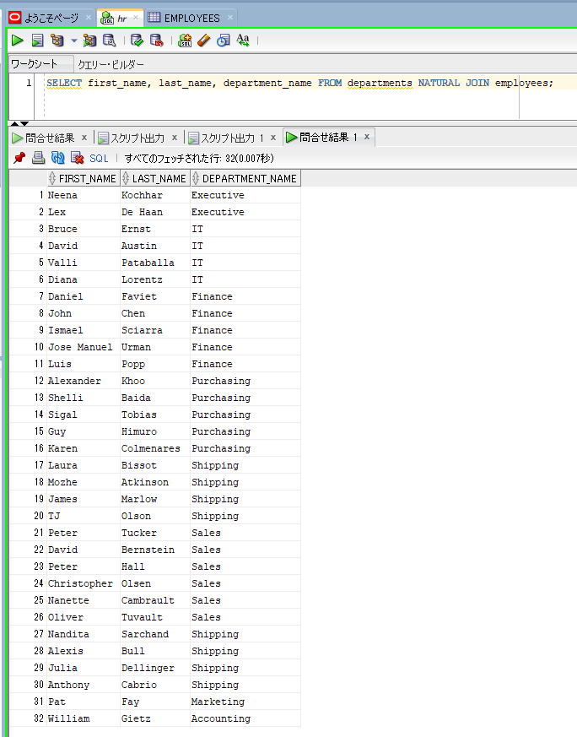
oracle
 | 1.Installing-VMware-and-VirtualBox-on-Windows
 | 2.Retrieving-Data
 | 3.RestrictingData
 | 4.SortingData
 | 5.UsingSubstitutionVariables
 | 6.Single-Row-Functions
 | 7.Conversion-Functions
 | 8.Conditional-Expressions
 | 9.Group-Functions
 | 10.Grouping-Data
 | 11.Joining-Multiple-Tables
 |  | 1.Natural+Join+(Code+Samples).sql

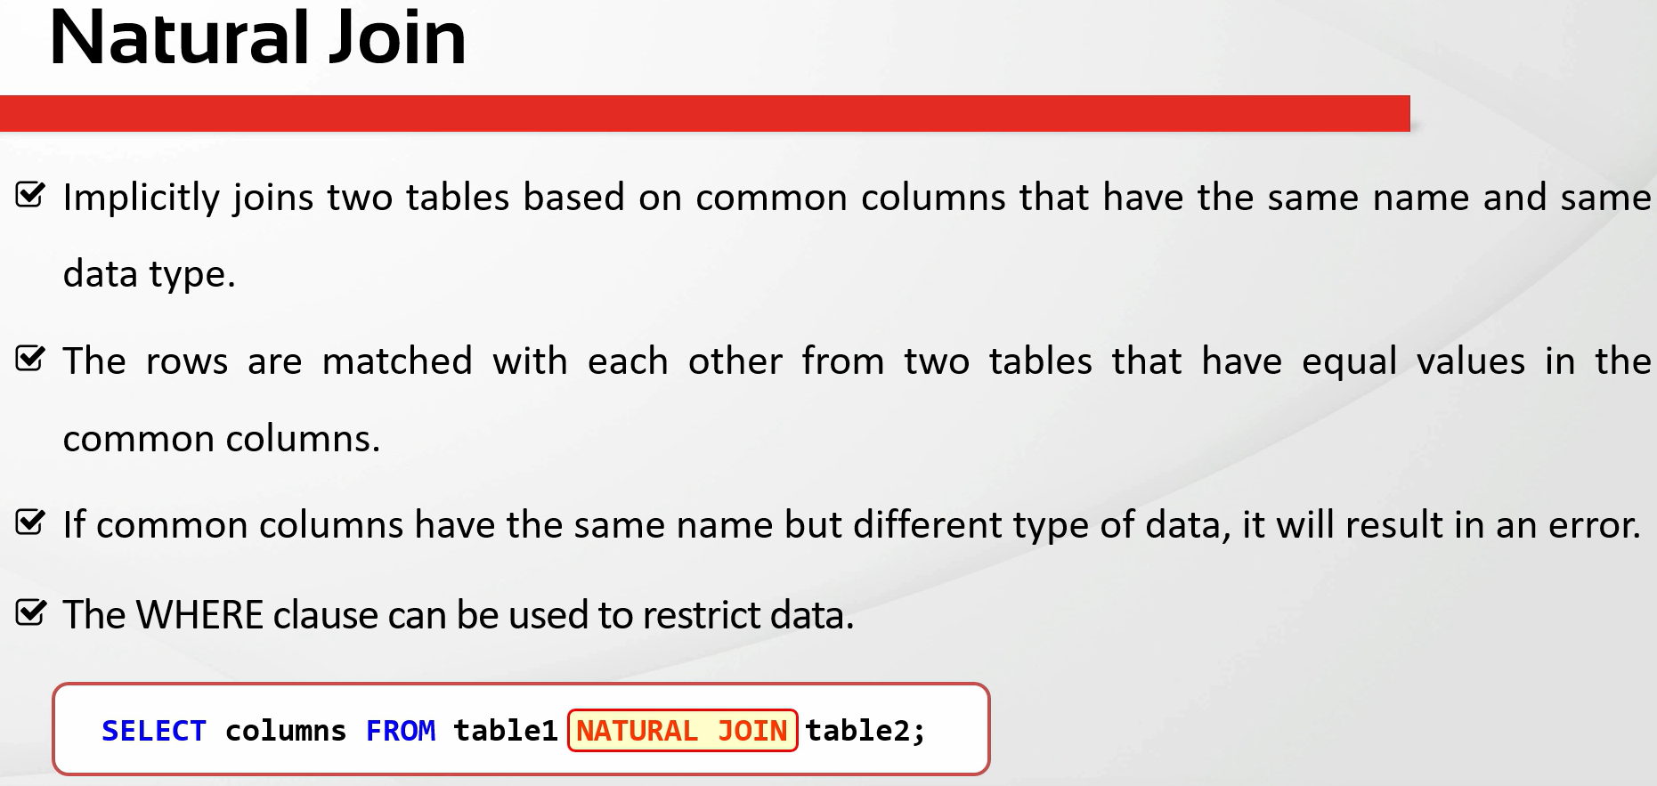

oracle\11.Joining-Multiple-Tables\1.Natural+Join+(Code+Samples).sql
/************* The Complete Oracle SQL Bootcamp *************
* Author : Oracle Master Training *
* Course : The Complete Oracle SQL Bootcamp *
* Lecture : Natural Join *
************************************************************/

DESC employees;
DESC departments;
SELECT * FROM employees;
SELECT * FROM departments;
SELECT * FROM employees NATURAL JOIN departments;
SELECT * FROM departments NATURAL JOIN employees;
SELECT first_name, last_name, department_name FROM departments NATURAL JOIN employees;

Natural join these 2 tables based on the common columns that have the same name(DEPARTMENT_ID, MANAGER_ID) |  |  |  | → | these columns have the same data type and column name
DESC employees;
DESC departments;
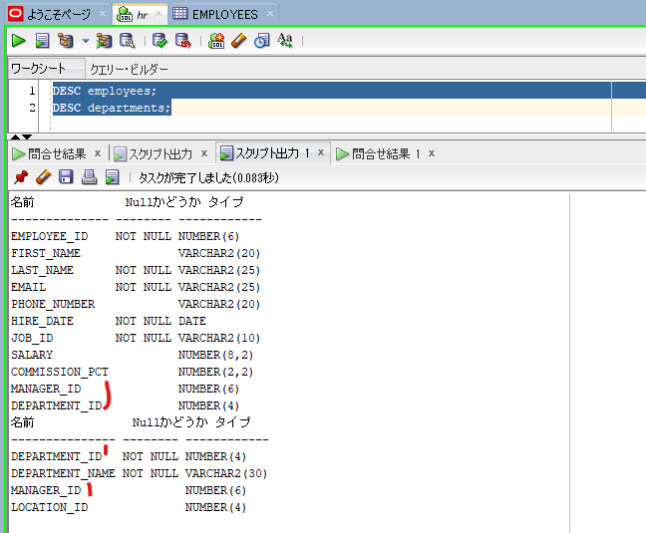

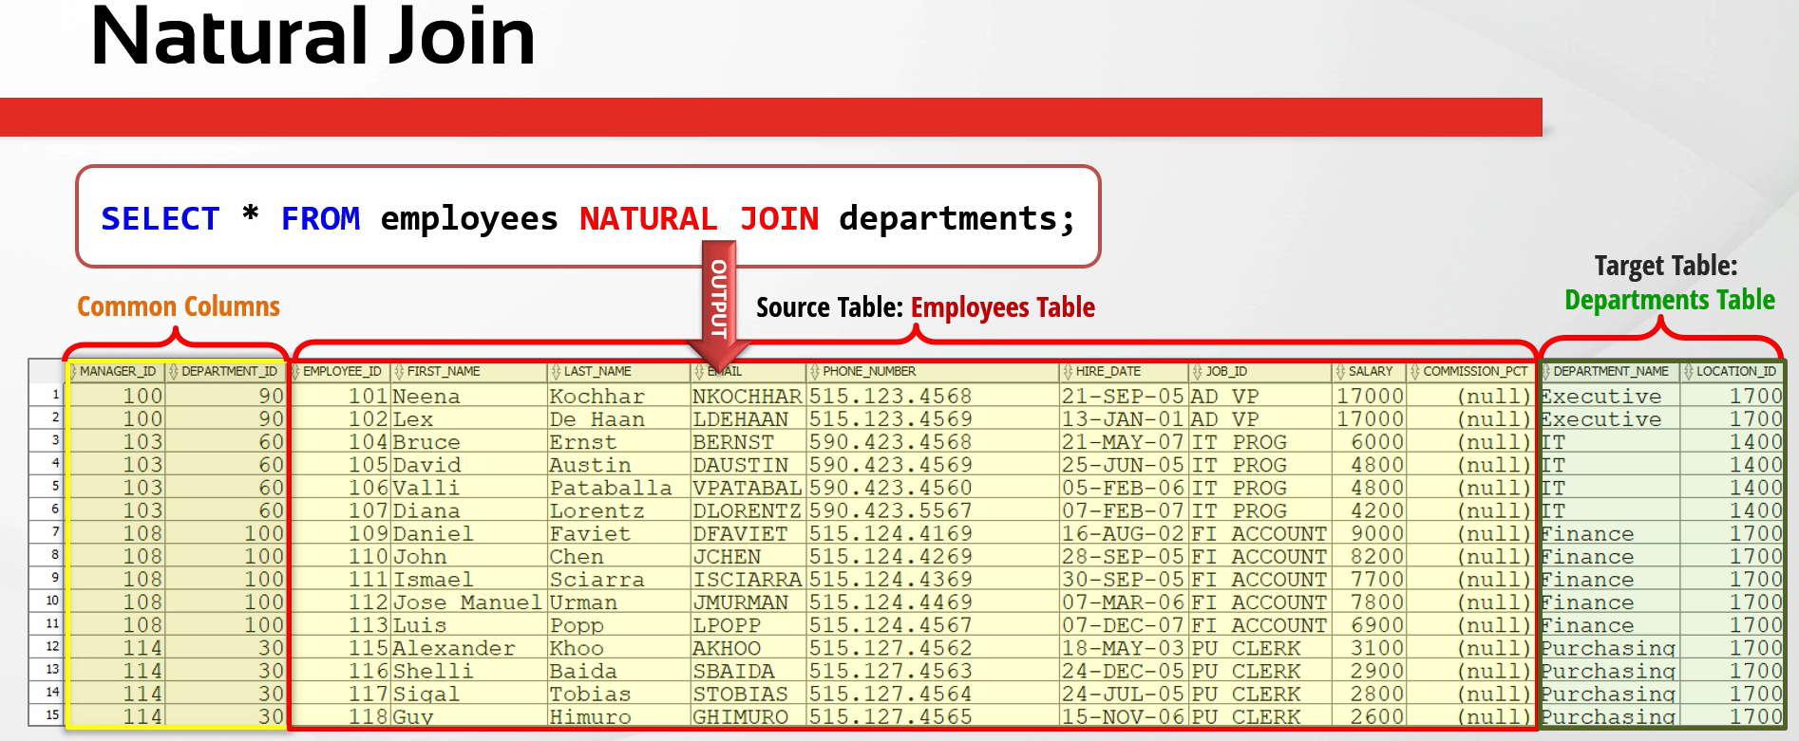

SELECT * FROM employees NATURAL JOIN departments;
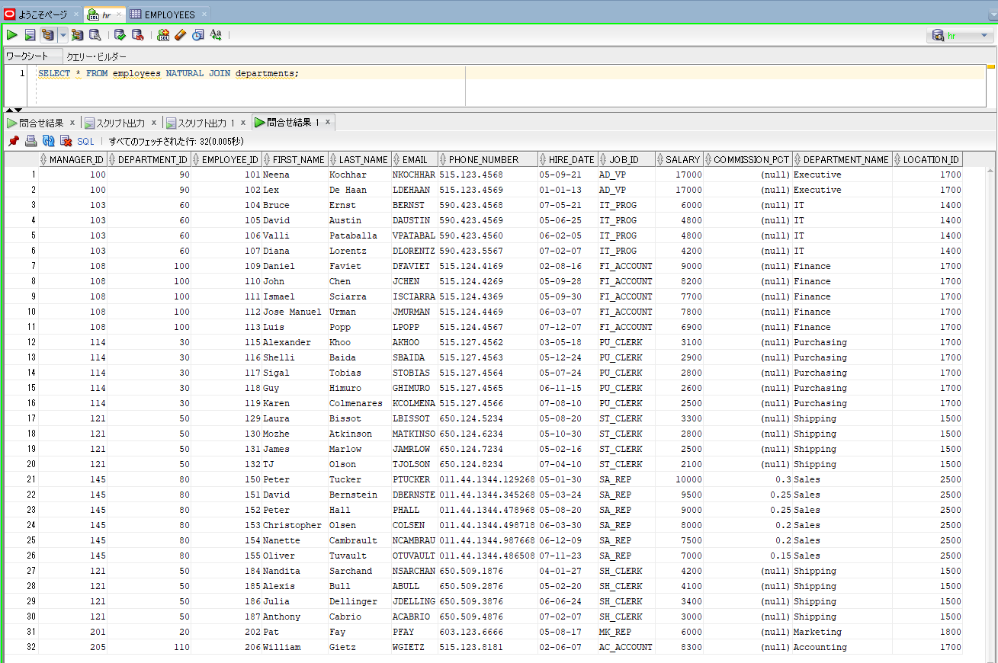

SELECT first_name, last_name, department_name FROM departments NATURAL JOIN employees; |  |  | → | We can also write some specific columns in the SELECT statement

Join with the USING Clause
oracle
 | 1.Installing-VMware-and-VirtualBox-on-Windows
 | 2.Retrieving-Data
 | 3.RestrictingData
 | 4.SortingData
 | 5.UsingSubstitutionVariables
 | 6.Single-Row-Functions
 | 7.Conversion-Functions
 | 8.Conditional-Expressions
 | 9.Group-Functions
 | 10.Grouping-Data
 | 11.Joining-Multiple-Tables
 |  | 1.Natural+Join+(Code+Samples).sql
 |  | 2.Join+with+the+USING+Clause+(Code+Samples).sql

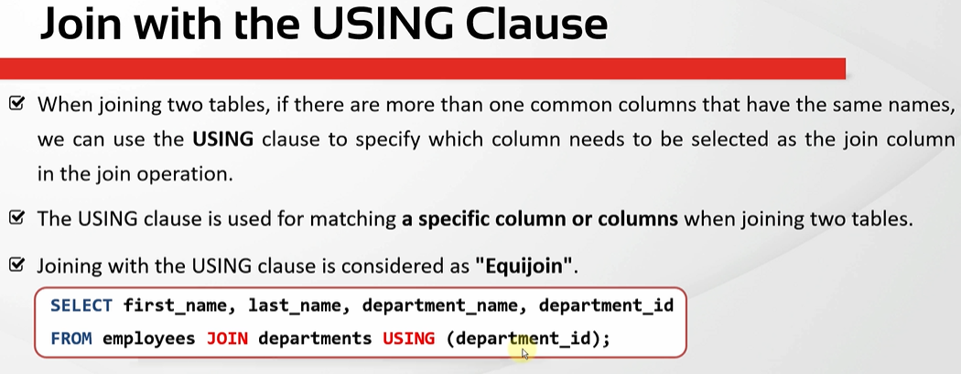

oracle\11.Joining-Multiple-Tables\2.Join+with+the+USING+Clause+(Code+Samples).sql
/************* The Complete Oracle SQL Bootcamp *************
* Author : Oracle Master Training *
* Course : The Complete Oracle SQL Bootcamp *
* Lecture : Join with the USING Clause *
************************************************************/

SELECT * FROM employees NATURAL JOIN departments;

SELECT * FROM employees JOIN departments
USING(department_id);

SELECT * FROM employees JOIN departments
USING(department_id, manager_id);

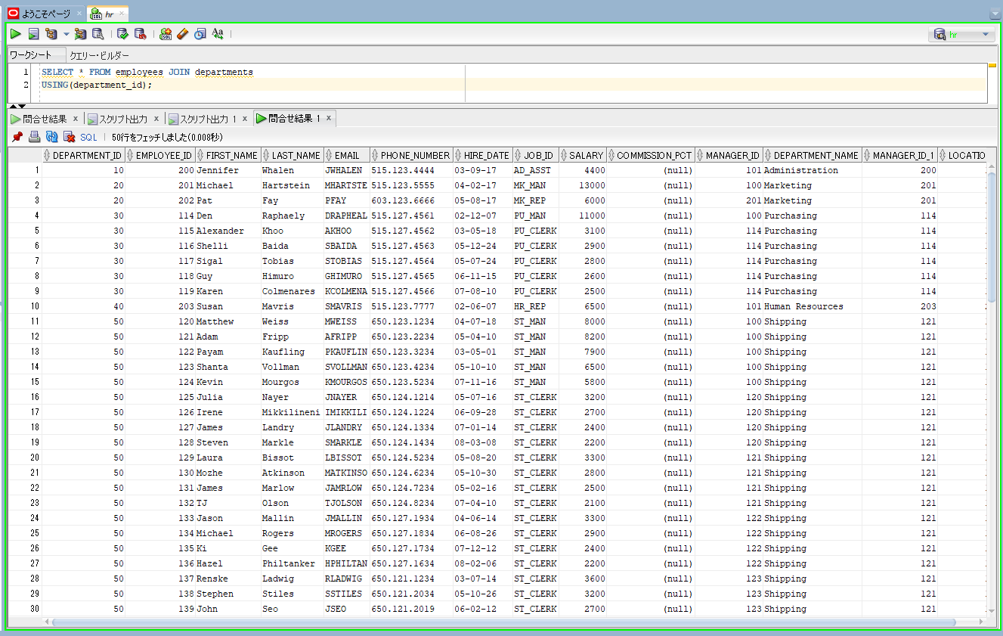
SELECT * FROM employees JOIN departments
USING(department_id); |  |  | → | instead of both Manager ID and Department ID we just using Department ID
 |  |  |  | to join. In this case we can use the join with the USING clause or we can also
 |  |  |  | call it natural join with the USING clause

 |  |  | → | Manager ID columns are shown 2 times MANAGER_ID and MANAGER_ID_1. The

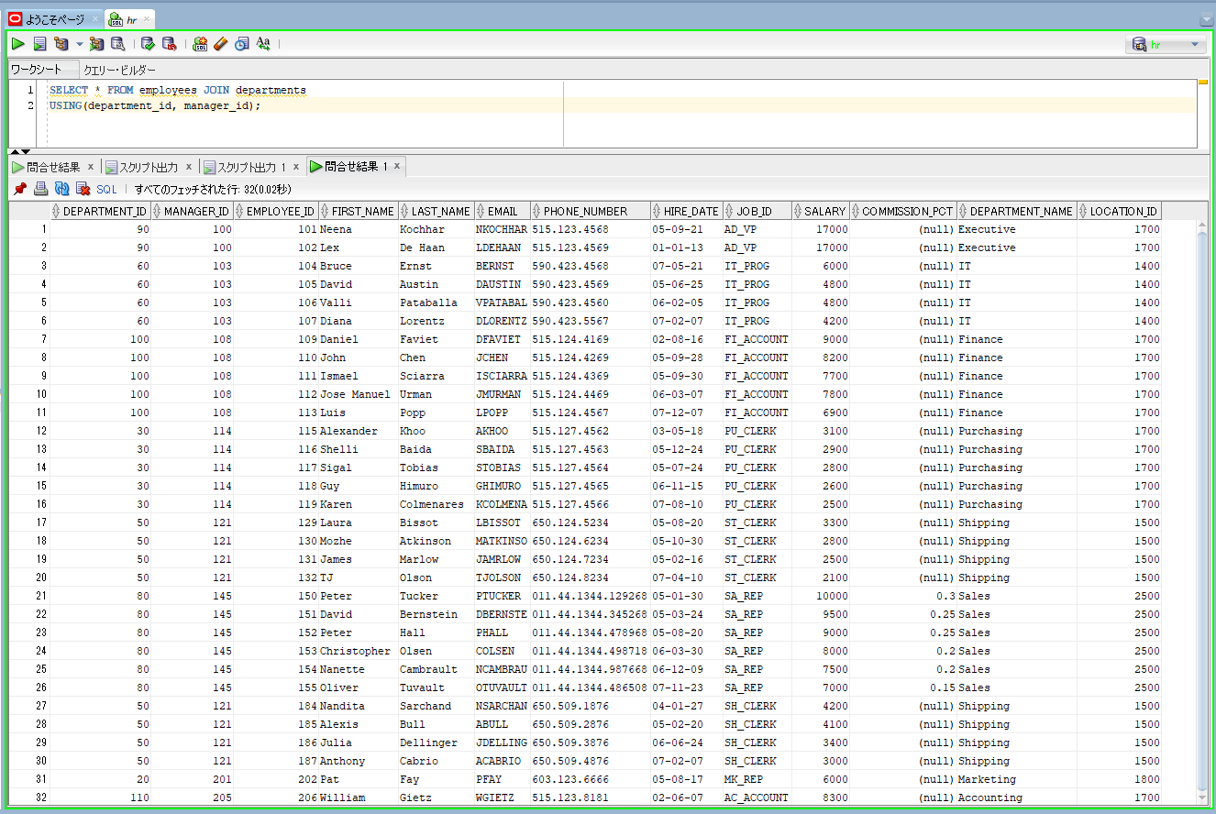
SELECT * FROM employees JOIN departments
USING(department_id, manager_id); |  |  | → | Result is same natural join because natural join also use these 2 common columns
 |  |  |  | when joining 2 tables

