Sheet1
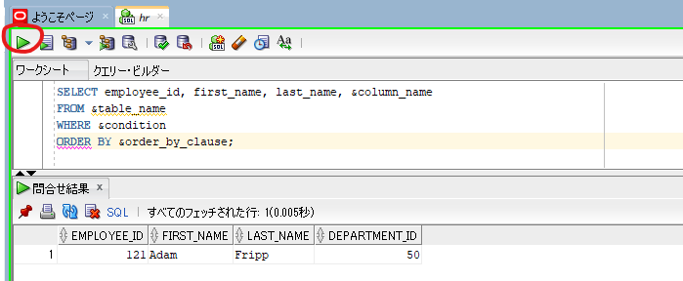
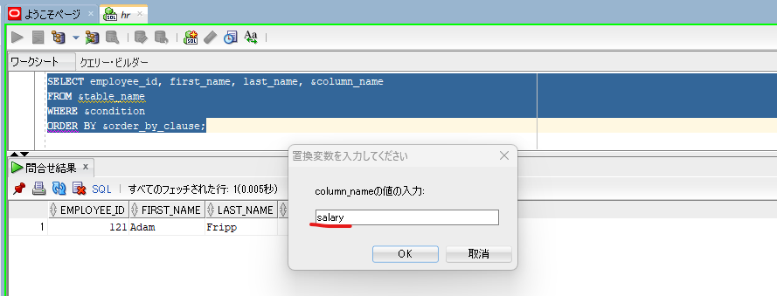
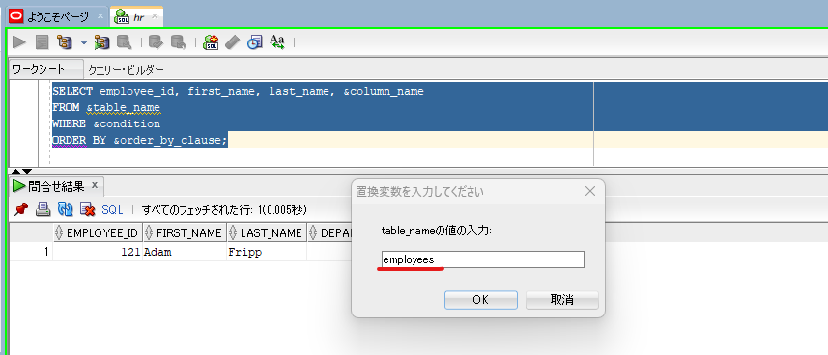
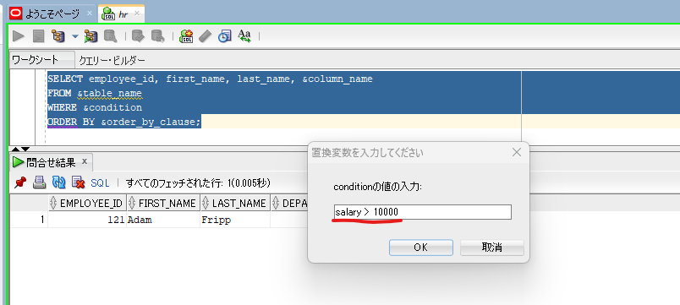
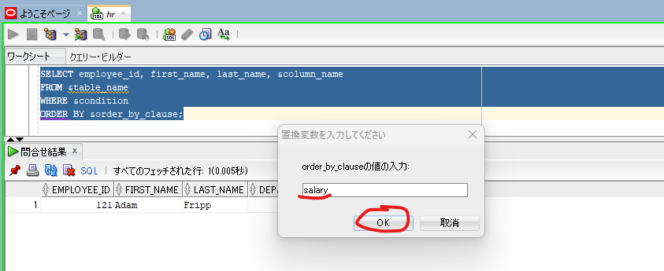
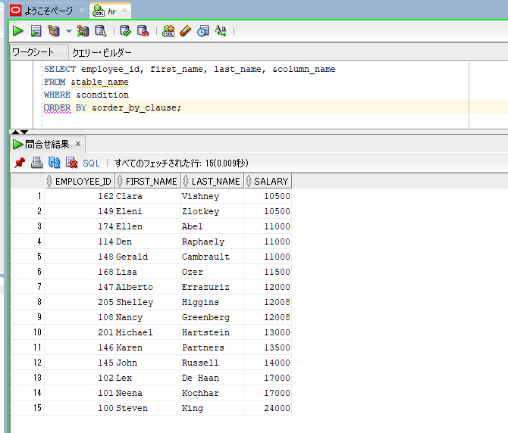
oracle
 | 1.Installing-VMware-and-VirtualBox-on-Windows
 | 2.Retrieving-Data
 | 3.RestrictingData
 | 4.SortingData
 |  | 1.ORDER+BY+Clause(Code+Samples).sql
 |  | 2.ASC+and+DESC+Operators(Code+Samples).sql
 |  | 3.NULLS+FIRST+and+NULLS+LAST+Operators(Code+Samples).sql
 |  | 4.ROWNUM+and+ROWID+in+SQL(Code+Samples).sql
 |  | 5.Oracle+FETCH+Clause(Code+Samples).sql
 |  |  | → | new

oracle\5.UsingSubstitutionVariables\1.What+is+a+Substitution+Variable(Code+Samples).sql
/************* The Complete Oracle SQL Bootcamp ****************
* Author : Oracle Master Training *
* Course : The Complete Oracle SQL Bootcamp *
* Lecture : What is a Substitution Variable *
***************************************************************/

SELECT employee_id, first_name, last_name, department_id
FROM employees WHERE department_id = 30;

SELECT employee_id, first_name, last_name, department_id
FROM employees WHERE department_id = &department_no;

SELECT employee_id, first_name, last_name, department_id
FROM employees WHERE first_name = '&name';

SELECT employee_id, first_name, last_name, department_id
FROM employees WHERE first_name = &name;

SELECT employee_id, first_name, last_name, &column_name
FROM &table_name
WHERE &condition
ORDER BY &order_by_clause;

SELECT employee_id, first_name, last_name, department_id
FROM employees WHERE department_id = &department_no;
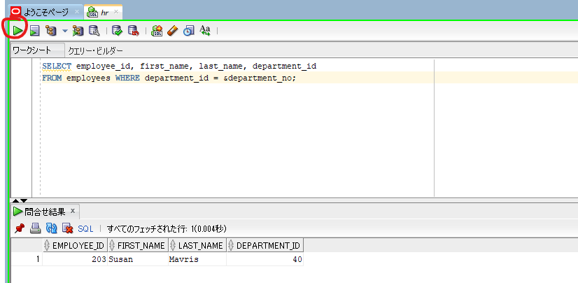

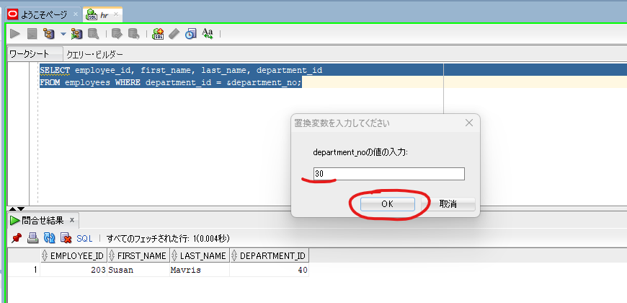

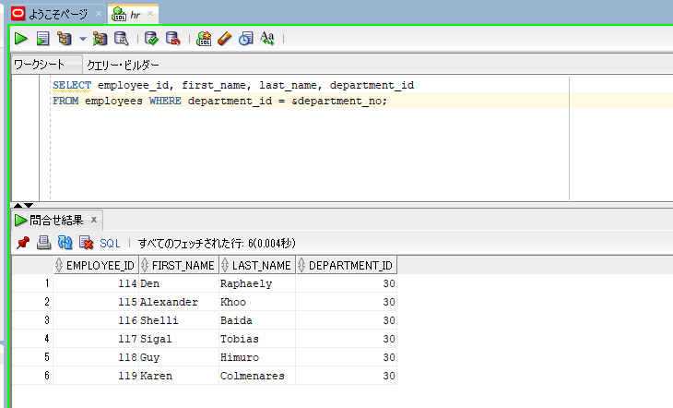

sqlplus hr/hr@orclpdb
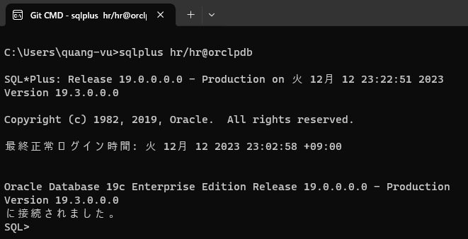

increase the line size in the SQL Plus to be able to see the output better.
set linesize 200

SELECT employee_id, first_name, last_name, department_id
FROM employees WHERE department_id = &department_no;

SELECT employee_id, first_name, last_name, department_id
FROM employees WHERE first_name = '&name';
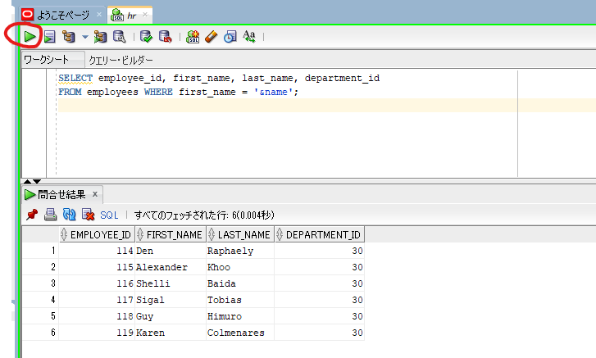

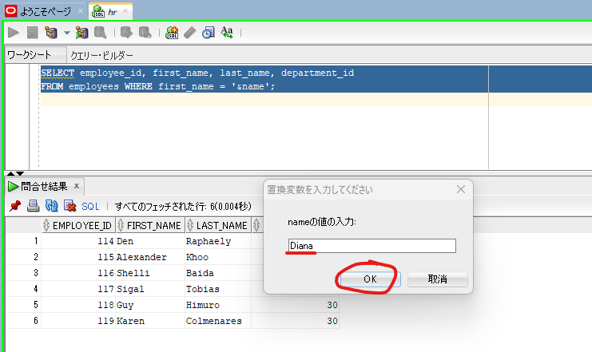

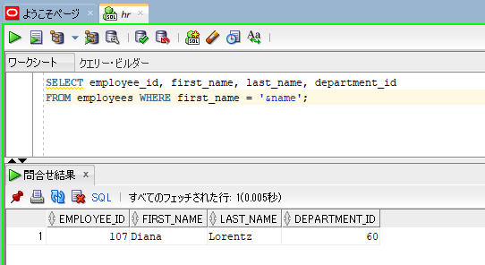

SELECT employee_id, first_name, last_name, department_id
FROM employees WHERE first_name = &name;
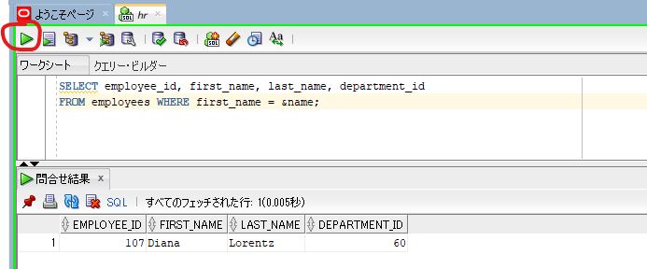

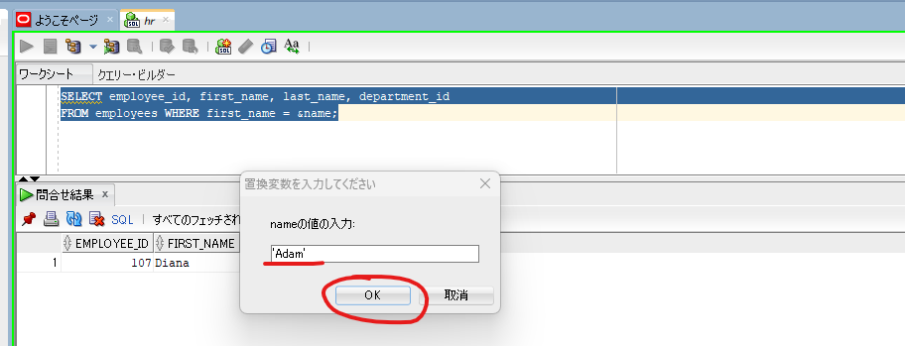

 |  |  |  |  | → | ’Adam'

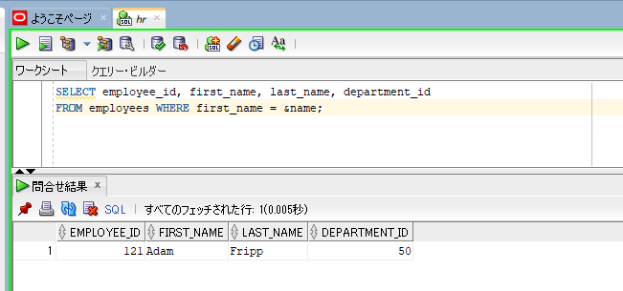

SELECT employee_id, first_name, last_name, &column_name
FROM &table_name
WHERE &condition
ORDER BY &order_by_clause;

