Using Column Aliases
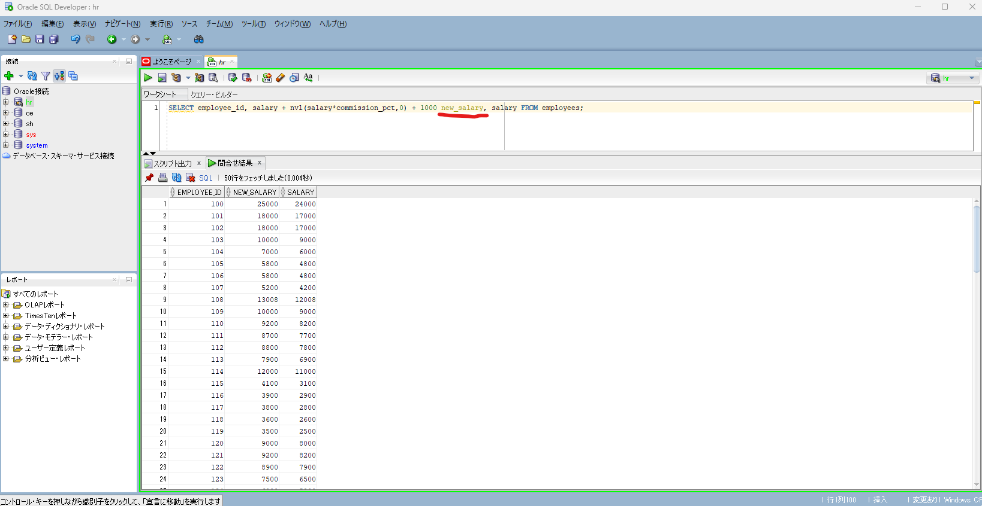
oracle
 | 1.Installing-VMware-and-VirtualBox-on-Windows
 | 2.Retrieving-Data
 |  | 1.Using+Column+Aliases(Code+Samples).sql

oracle\2.Retrieving-Data\1.Using+Column+Aliases(Code+Samples).sql
/************* The Complete Oracle SQL Bootcamp ****************
* Author : Oracle Master Training *
* Course : The Complete Oracle SQL Bootcamp *
* Lecture : Using Column Aliases *
***************************************************************/

SELECT first_name, last_name, email FROM employees;
SELECT first_name AS name, last_name as surname, email FROM employees;
SELECT first_name AS "My Name", email "E-mail" FROM employees;
SELECT first_name AS "My Name", email "E-mail" FROM employees;
SELECT employee_id, salary + nvl(salary*commission_pct,0) + 1000 new_salary, salary FROM employees;

SELECT first_name AS name, last_name as surname, email FROM employees;
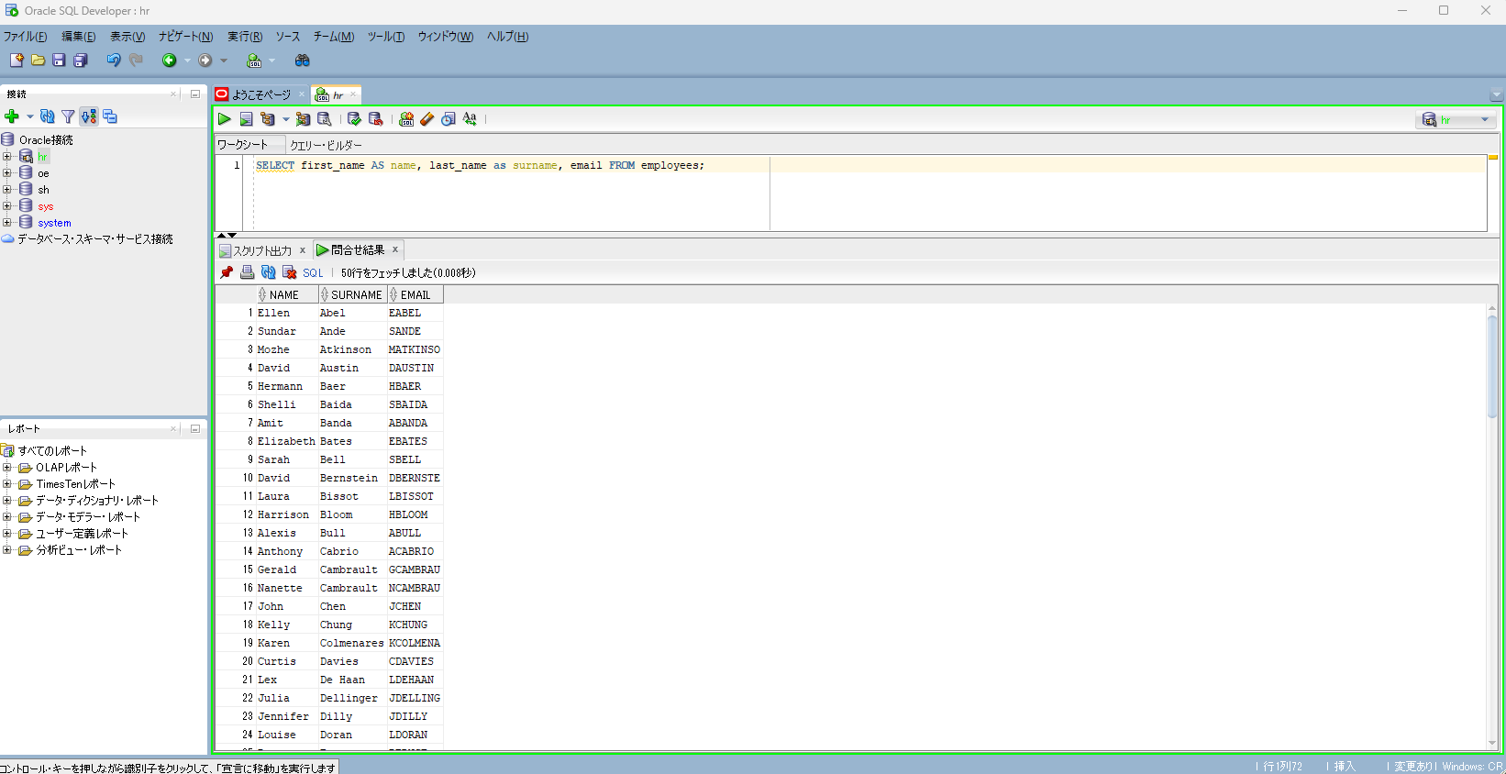

SELECT employee_id, salary + nvl(salary*commission_pct,0) + 1000 new_salary, salary FROM employees;

Quote (Q) Operator
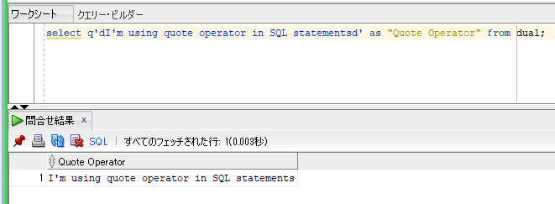
oracle
 | 1.Installing-VMware-and-VirtualBox-on-Windows
 | 2.Retrieving-Data
 |  | 1.Using+Column+Aliases(Code+Samples).sql
 |  | 2.Quote+(Q)+Operator(Code+Samples).sql | → | new

oracle\2.Retrieving-Data\2.Quote+(Q)+Operator(Code+Samples).sql
/************* The Complete Oracle SQL Bootcamp ****************
* Author : Oracle Master Training *
* Course : The Complete Oracle SQL Bootcamp *
* Lecture : Quote (Q) Operator *
***************************************************************/

select * from dual;
select 'My Name is Adam' as "Output" from dual;
select 'I''m using quote operator in SQL statements' as "Output" from dual;
select q'[I'm using quote operator in SQL statements]' as "Quote Operator" from dual;
select q'<I'm using quote operator in SQL statements>' as "Quote Operator" from dual;
select q'dI'm using quote operator in SQL statementsd' as "Quote Operator" from dual;

select * from dual;
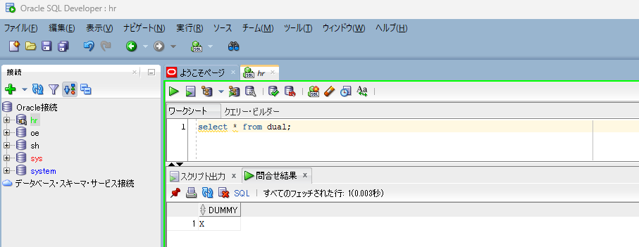

select 'My Name is Adam' as "Output" from dual;
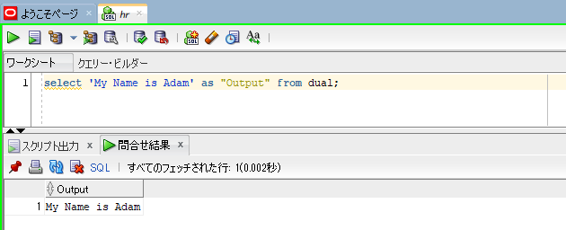

select 'I''m using quote operator in SQL statements' as "Output" from dual;
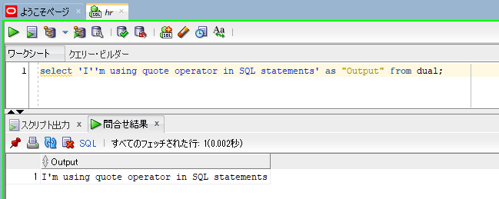

select q'[I'm using quote operator in SQL statements]' as "Quote Operator" from dual;
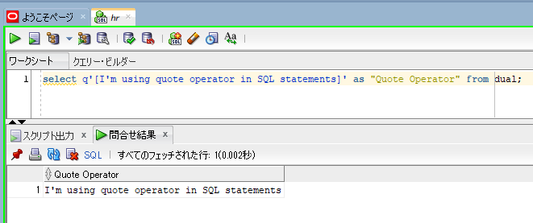

select q'<I'm using quote operator in SQL statements>' as "Quote Operator" from dual;
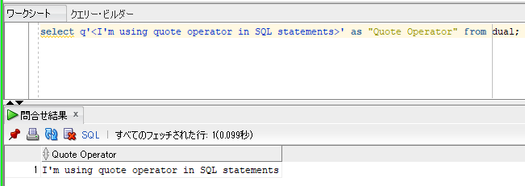

select q'dI'm using quote operator in SQL statementsd' as "Quote Operator" from dual;

DISTINCT and UNIQUE Operator
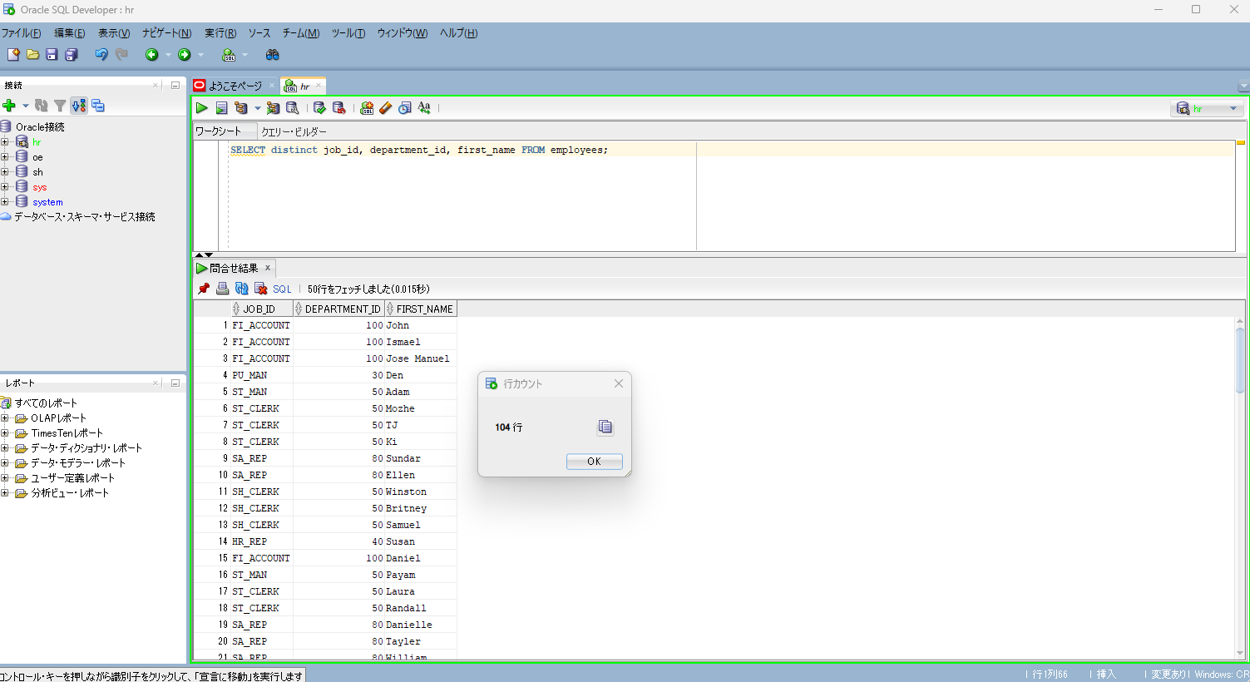
oracle
 | 1.Installing-VMware-and-VirtualBox-on-Windows
 | 2.Retrieving-Data
 |  | 1.Using+Column+Aliases(Code+Samples).sql
 |  | 2.Quote+(Q)+Operator(Code+Samples).sql
 |  | 3.DISTINCT+and+UNIQUE+Operators(Code+Samples).sql |  | → | new

2.Retrieving-Data\3.DISTINCT+and+UNIQUE+Operators(Code+Samples).sql
/************* The Complete Oracle SQL Bootcamp ****************
* Author : Oracle Master Training *
* Course : The Complete Oracle SQL Bootcamp *
* Lecture : DISTINCT and UNIQUE Operators *
***************************************************************/

SELECT first_name FROM employees;
SELECT distinct first_name FROM employees; |  |  | → | distinct keyword is after select keyword
SELECT unique first_name FROM employees;
SELECT distinct job_id, distinct department_id FROM employees; |  |  | →error | we should always use a single distinct keyword in one select statement
SELECT distinct job_id, department_id FROM employees; |  |  | → | If we write more than one column in the same select query, the distinct operator return all the unique combinations of these columns as one row
SELECT distinct job_id FROM employees;
SELECT distinct job_id, department_id, first_name FROM employees;
SELECT job_id, distinct department_id, first_name FROM employees; |  |  | →error | we should use distinct keyword right after the select keyword and just before the first column

SELECT distinct job_id, distinct department_id FROM employees;
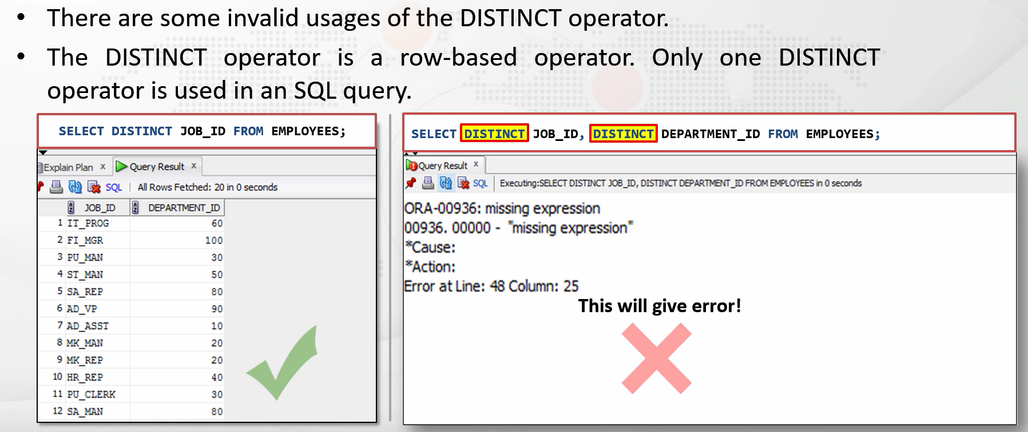

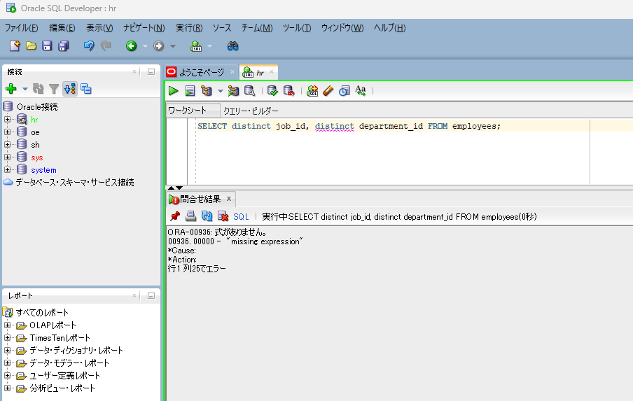

SELECT distinct job_id, department_id FROM employees;
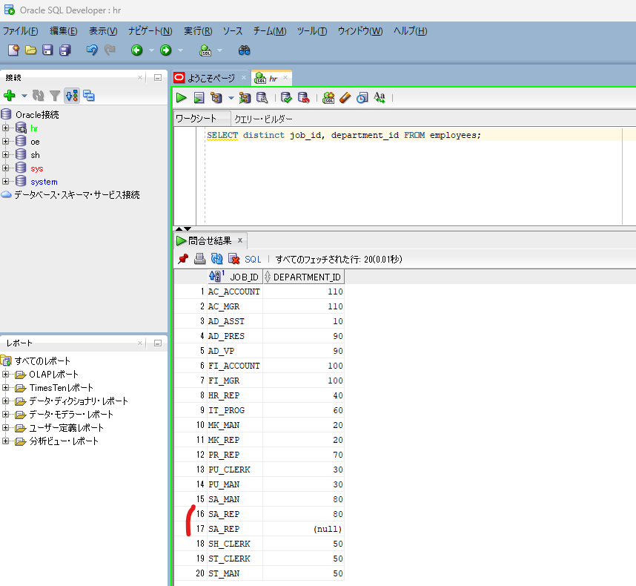

 |  |  |  |  |  | → | SA_REP is returned 2 times, but this row's department_id is null and 80. So the combinations of these columns are unique

SELECT distinct job_id, department_id, first_name FROM employees;

Concatenation Operators
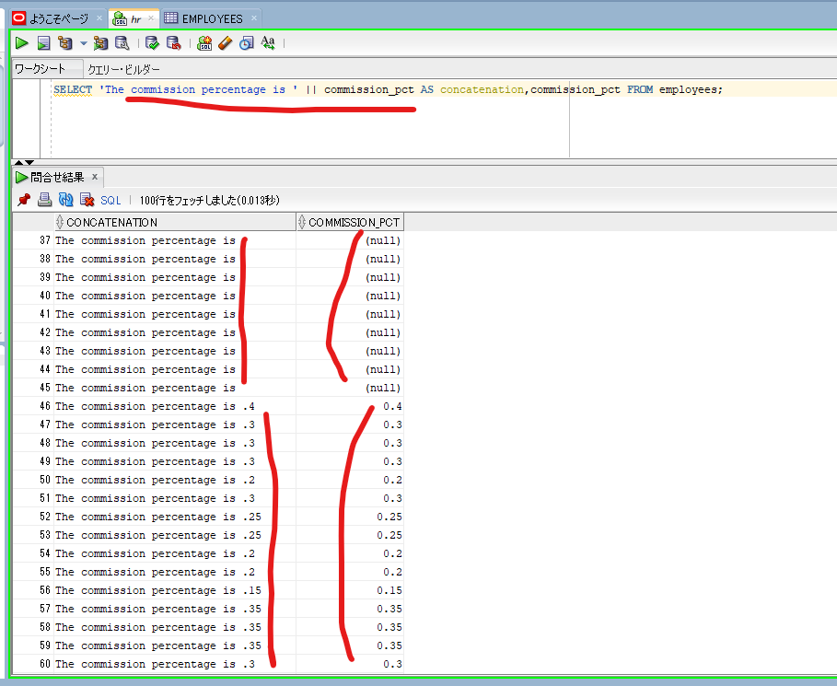
oracle
 | 1.Installing-VMware-and-VirtualBox-on-Windows
 | 2.Retrieving-Data
 |  | 1.Using+Column+Aliases(Code+Samples).sql
 |  | 2.Quote+(Q)+Operator(Code+Samples).sql
 |  | 3.DISTINCT+and+UNIQUE+Operators(Code+Samples).sql
 |  | 4.Concatenation+Operators(Code+Samples).sql | → | new

2.Retrieving-Data\4.Concatenation+Operators(Code+Samples).sql
/************* The Complete Oracle SQL Bootcamp ****************
* Author : Oracle Master Training *
* Course : The Complete Oracle SQL Bootcamp *
* Lecture : Concatenation Operators *
***************************************************************/

SELECT 'My Name is Alex' FROM employees;
SELECT 'My Name is ' || first_name FROM employees;
SELECT 'The commission percentage is ' || commission_pct AS concatenation,commission_pct FROM employees;
SELECT first_name || ' ' || last_name AS "full name" FROM employees;
SELECT * FROM employees;
SELECT * FROM locations;
SELECT street_address || ',' || city || ',' || postal_code || ',' || state_province || ',' || country_id AS "full address"
FROM locations;

SELECT 'My Name is Alex' FROM employees; |  |  |  |  | → | We have 107 rows in our employees table, imstead of printing the actual value of each row, this text is printed for all in the employees table
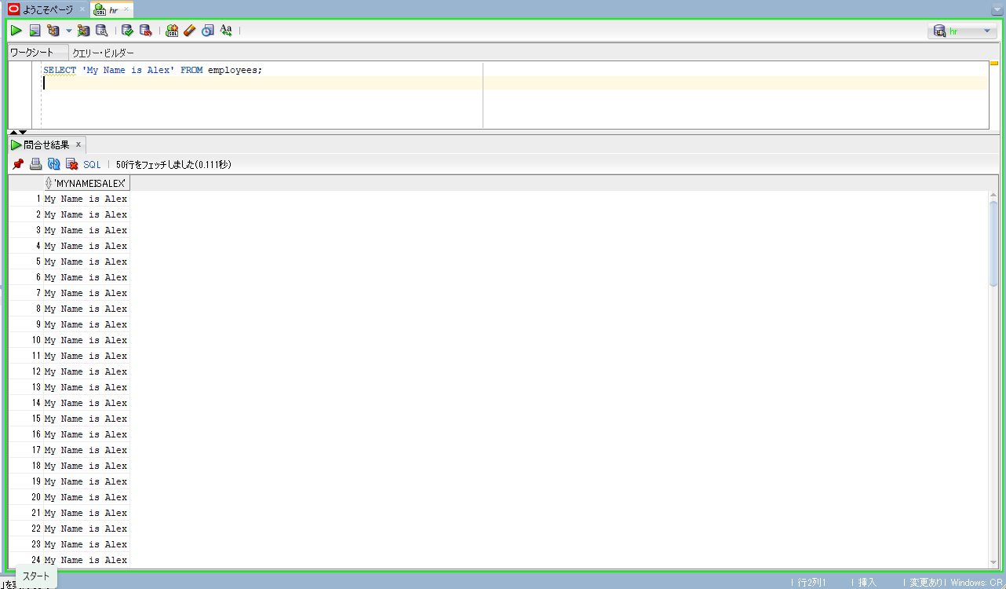

SELECT 'My Name is ' || first_name FROM employees; |  |  |  |  | → | concatenate string with column
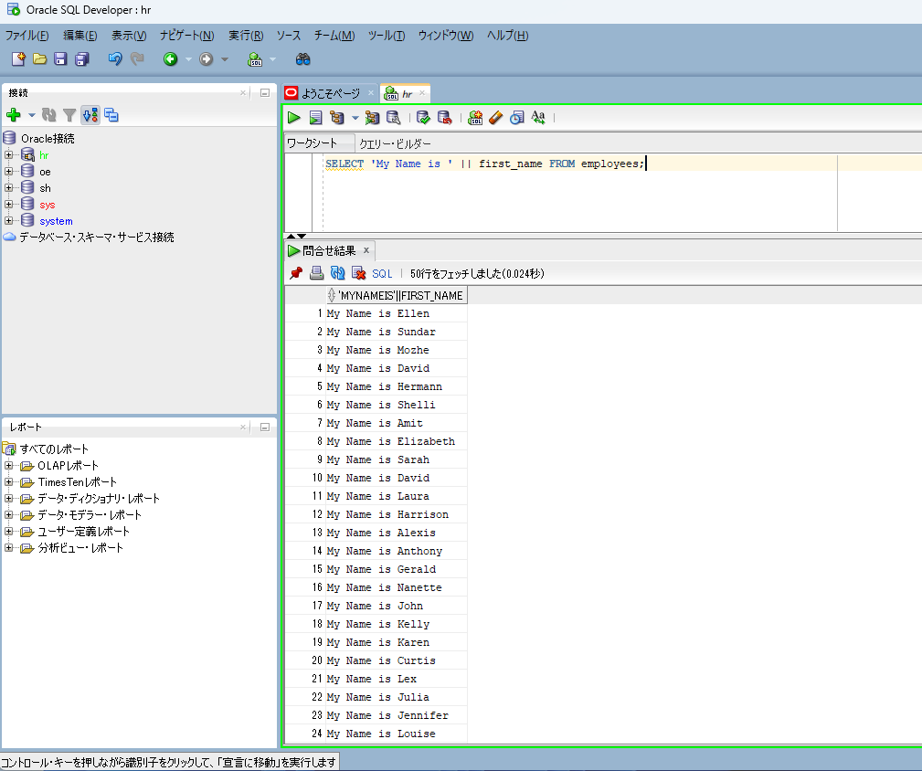

SELECT first_name || ' ' || last_name AS "full name" FROM employees; |  |  |  |  | → | concatenate column with column
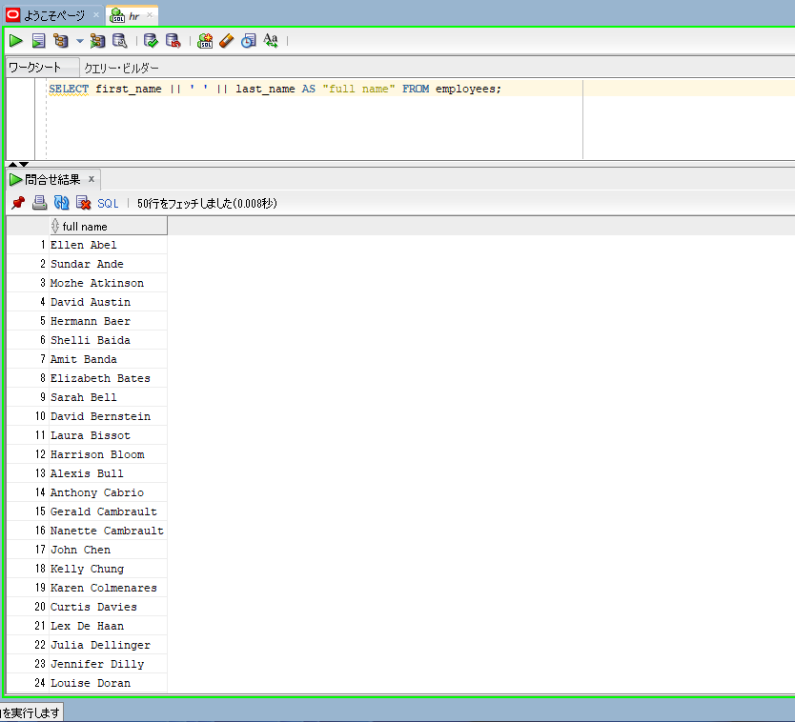

SELECT 'The commission percentage is ' || commission_pct AS concatenation,commission_pct FROM employees;

Arithmetic Expressions and NULL
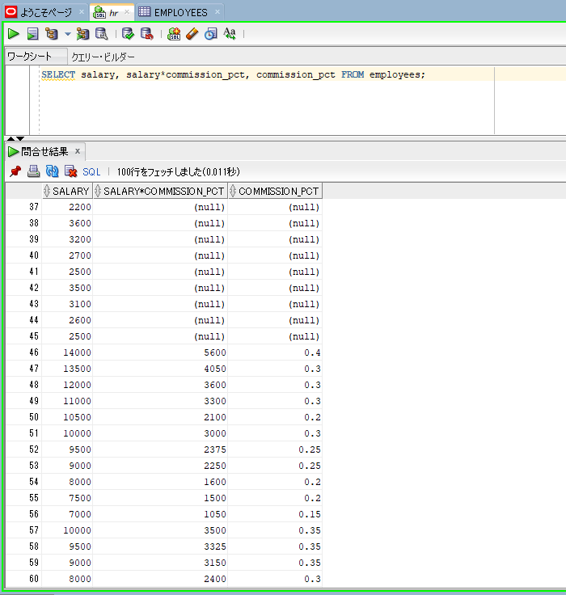
Arithmetic Expressions and NULL Values

oracle
 | 1.Installing-VMware-and-VirtualBox-on-Windows
 | 2.Retrieving-Data
 |  | 1.Using+Column+Aliases(Code+Samples).sql
 |  | 2.Quote+(Q)+Operator(Code+Samples).sql
 |  | 3.DISTINCT+and+UNIQUE+Operators(Code+Samples).sql
 |  | 4.Concatenation+Operators(Code+Samples).sql
 |  | 5.Arithmetic+Opertors+and+NULL+values(Code+Samples) | → | new

oracle\2.Retrieving-Data\5.Arithmetic+Opertors+and+NULL+values(Code+Samples).sql
/************* The Complete Oracle SQL Bootcamp ****************
* Author : Oracle Master Training *
* Course : The Complete Oracle SQL Bootcamp *
* Lecture : Arithmetic Operators and NULL Values *
***************************************************************/

SELECT * FROM employees;
SELECT employee_id, salary, salary*12 as annual_salary FROM employees;
SELECT employee_id, salary, salary+100*12 as annual_salary FROM employees;
SELECT employee_id, salary, (salary+100)*12 as annual_salary FROM employees;
SELECT sysdate FROM dual;
SELECT sysdate + 4 FROM dual;
SELECT employee_id, hire_date, hire_date+5 FROM employees;
SELECT salary, salary*commission_pct, commission_pct FROM employees;

arithmetic operations are not performed just with the numbers. It can performed with the date as well

SELECT sysdate + 4 FROM dual;
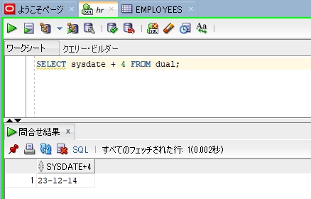

SELECT employee_id, hire_date, hire_date+5 FROM employees;
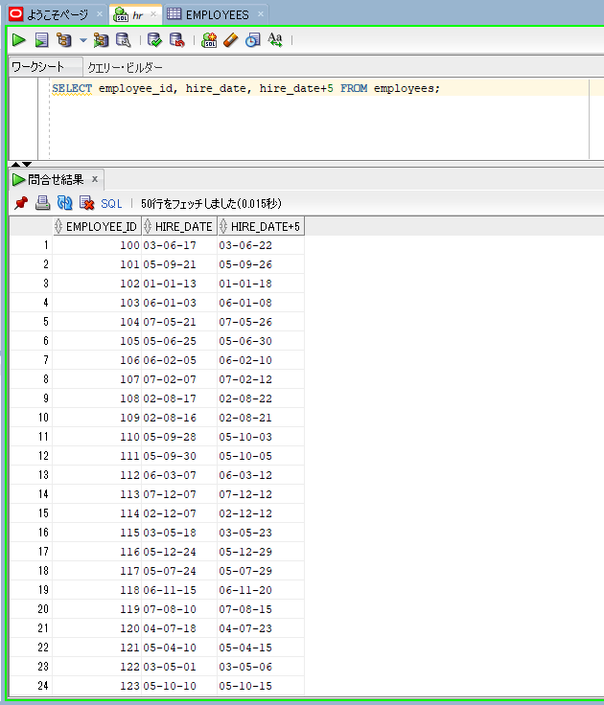

In almost all operations except for the concatenation performed by the null values will return null.
SELECT salary, salary*commission_pct, commission_pct FROM employees;

