LIKE Operator
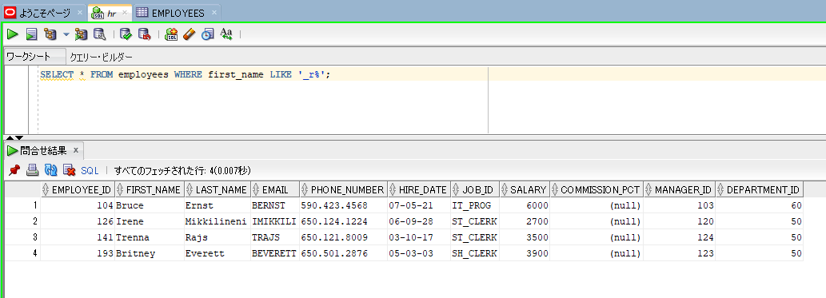
oracle
 | 1.Installing-VMware-and-VirtualBox-on-Windows
 | 2.Retrieving-Data
 | 3.RestrictingData
 |  | 1.LIKE+Operator(Code+Samples).sql | → | new

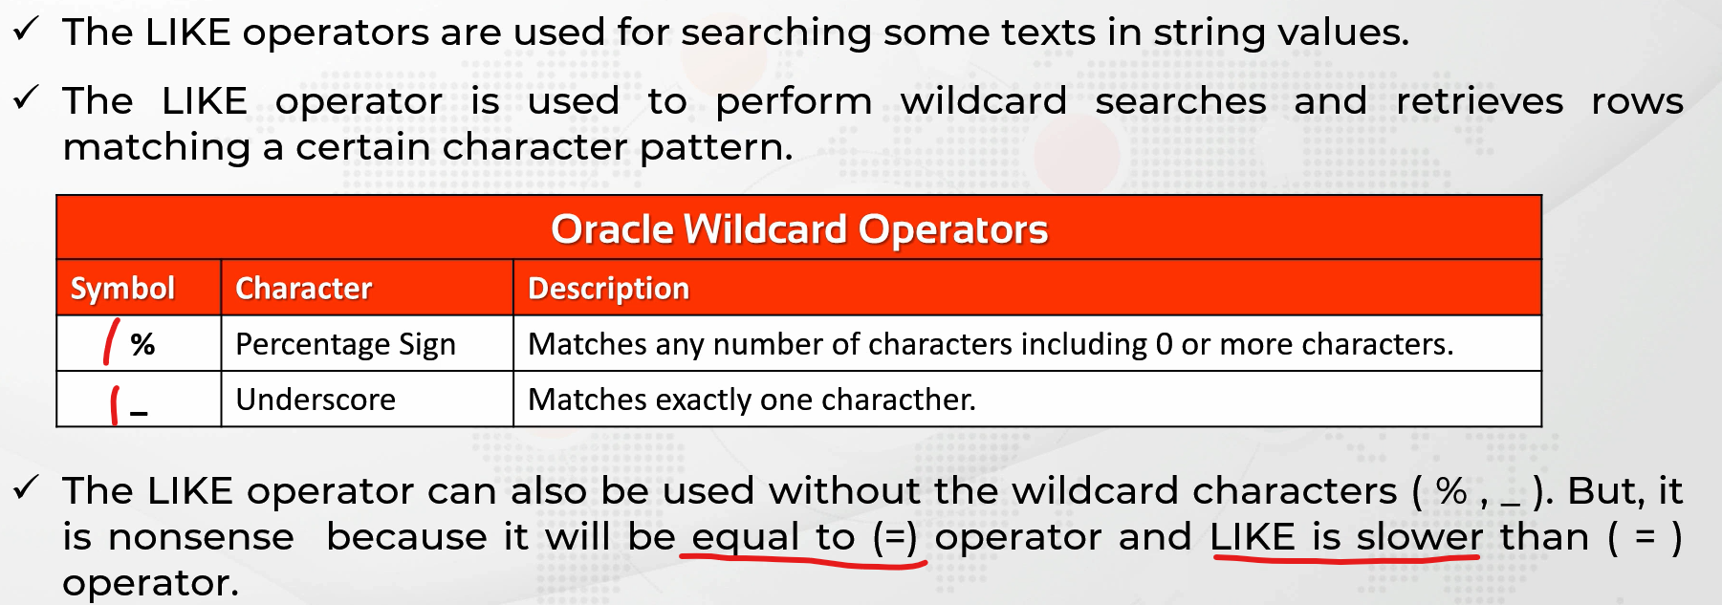

oracle\3.RestrictingData\1.LIKE+Operator(Code+Samples).sql
/************* The Complete Oracle SQL Bootcamp ****************
* Author : Oracle Master Training *
* Course : The Complete Oracle SQL Bootcamp *
* Lecture : LIKE Operator *
***************************************************************/

SELECT * FROM employees;
SELECT * FROM employees WHERE job_id = 'SA_REP';
SELECT * FROM employees WHERE job_id LIKE 'SA_REP';
SELECT * FROM employees WHERE job_id LIKE 'SA%';
SELECT * FROM employees WHERE first_name LIKE 'A%';
SELECT * FROM employees WHERE first_name LIKE '%A';
SELECT * FROM employees WHERE first_name LIKE '%a';
SELECT * FROM employees WHERE first_name LIKE '%a%';
SELECT * FROM employees WHERE first_name LIKE '_r%';

SELECT * FROM employees WHERE first_name LIKE '_r%'; |  |  |  |  | → | We don’t care the first character. It can be anything. There has to be one character but it can be anything, not important.

IS NULL Operator
oracle
 | 1.Installing-VMware-and-VirtualBox-on-Windows
 | 2.Retrieving-Data
 | 3.RestrictingData
 |  | 1.LIKE+Operator(Code+Samples).sql
 |  | 2.IS+NULL+Operator(Code+Samples).sql | → | new



oracle\3.RestrictingData\2.IS+NULL+Operator(Code+Samples).sql
/************* The Complete Oracle SQL Bootcamp ****************
* Author : Oracle Master Training *
* Course : The Complete Oracle SQL Bootcamp *
* Lecture : IS NULL Operator *
***************************************************************/

SELECT * FROM employees WHERE commission_pct = NULL;
SELECT * FROM employees WHERE commission_pct IS NULL;
SELECT * FROM employees WHERE commission_pct IS NOT NULL;

SELECT * FROM employees WHERE commission_pct = NULL; |  |  |  |  | → | We cannot perform a search by writing WHERE column_name = null.

