ORDER BY Clause
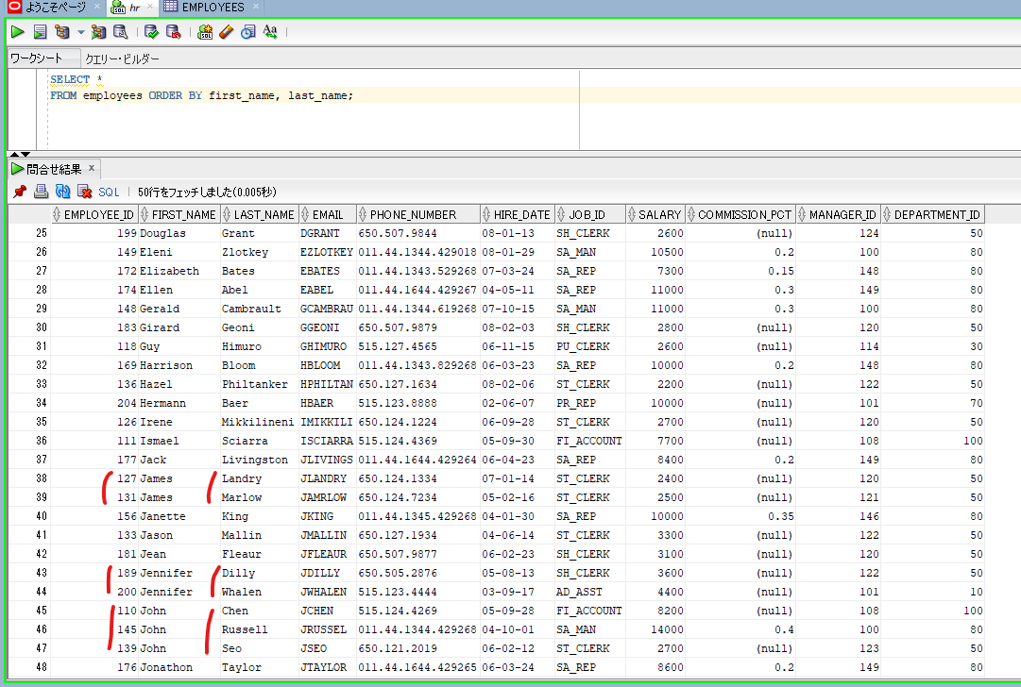
oracle
 | 1.Installing-VMware-and-VirtualBox-on-Windows
 | 2.Retrieving-Data
 | 3.RestrictingData
 | 4.SortingData
 |  | 1.ORDER+BY+Clause(Code+Samples).sql | → | new

oracle\4.SortingData\1.ORDER+BY+Clause(Code+Samples).sql
/************* The Complete Oracle SQL Bootcamp ****************
* Author : Oracle Master Training *
* Course : The Complete Oracle SQL Bootcamp *
* Lecture : ORDER BY Clause *
***************************************************************/

SELECT * FROM employees;
SELECT first_name, last_name, salary FROM employees ORDER BY first_name;
SELECT first_name, last_name, salary FROM employees ORDER BY last_name;
SELECT first_name, last_name, salary, (10*(salary/5) + 3000) - 100 NEW_SALARY
FROM employees ORDER BY NEW_SALARY;
SELECT first_name, last_name, salary, (10*(salary/5) + 3000) - 100 NEW_SALARY
FROM employees ORDER BY 1;
SELECT first_name, last_name, salary, (10*(salary/5) + 3000) - 100 NEW_SALARY
FROM employees ORDER BY 2;
SELECT *
FROM employees ORDER BY 2;
SELECT *
FROM employees ORDER BY 5;
SELECT *
FROM employees ORDER BY first_name, last_name;
SELECT *
FROM employees ORDER BY first_name, job_id, salary;

SELECT first_name, last_name, salary, (10*(salary/5) + 3000) - 100 NEW_SALARY
FROM employees ORDER BY NEW_SALARY;
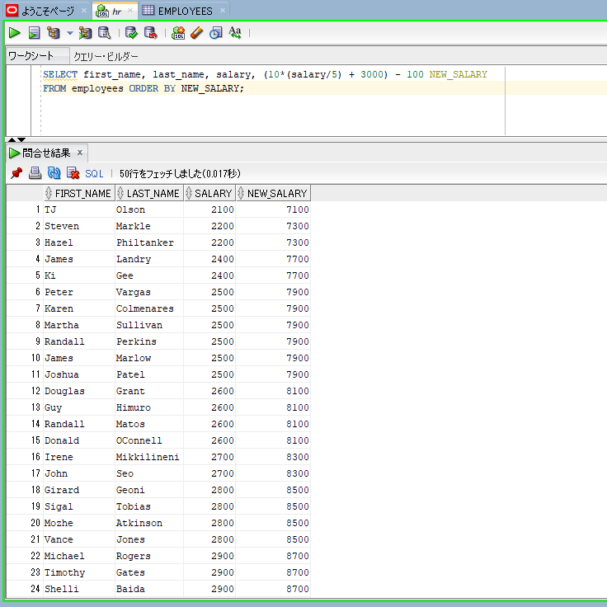

SELECT first_name, last_name, salary, (10*(salary/5) + 3000) - 100 NEW_SALARY
FROM employees ORDER BY 1;
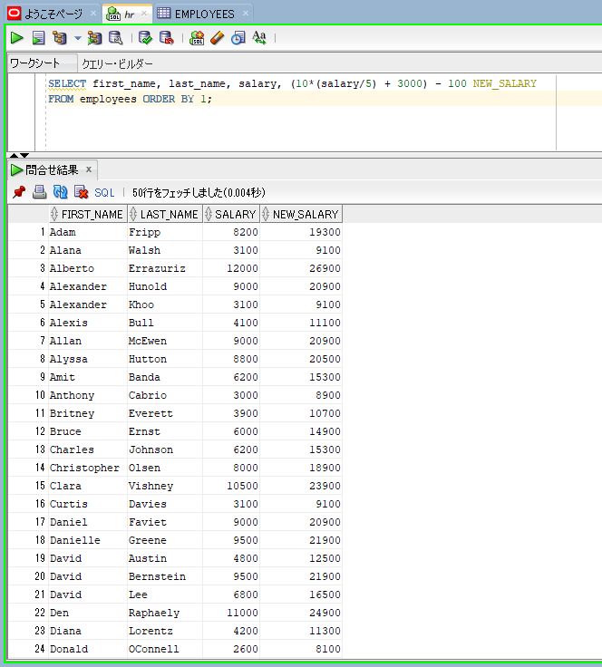

SELECT *
FROM employees ORDER BY 2;
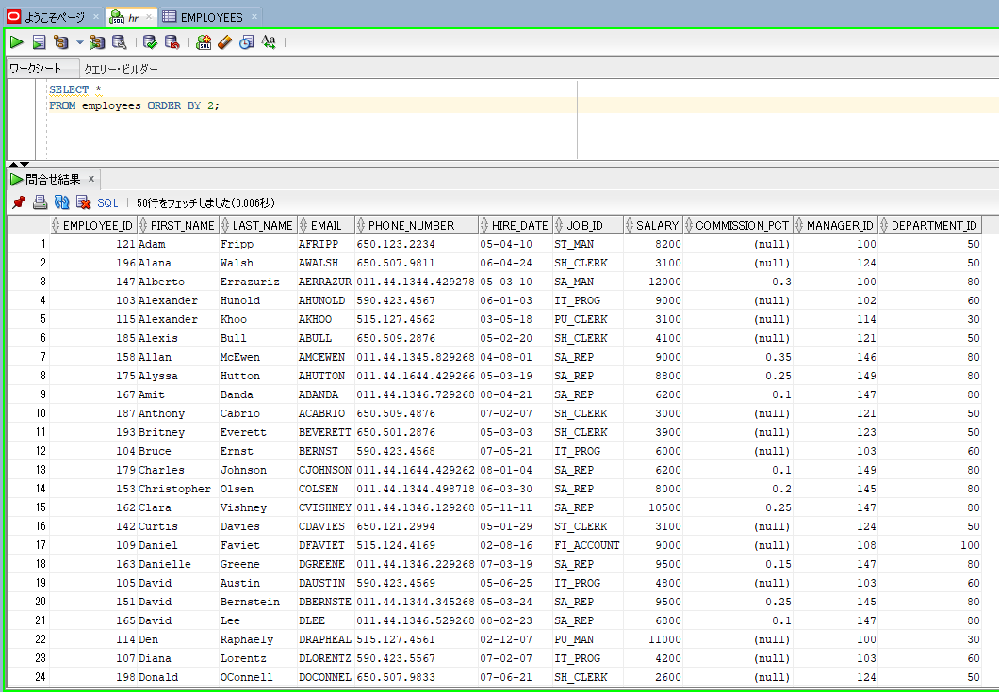

SELECT *
FROM employees ORDER BY first_name, last_name;

ASC and DESC Operators
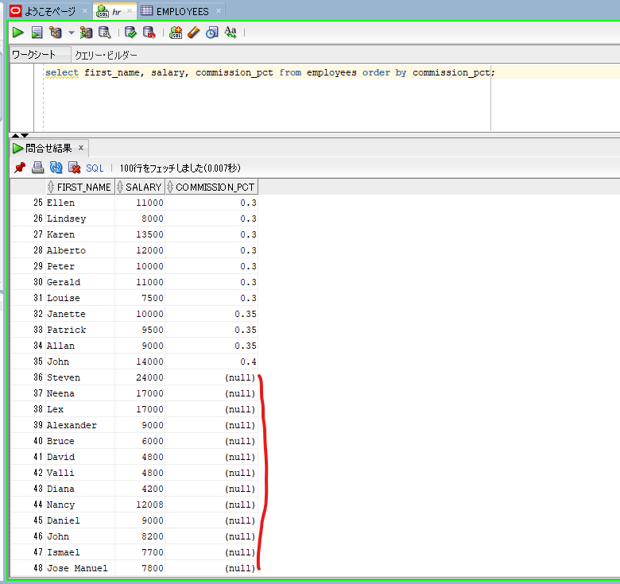
oracle
 | 1.Installing-VMware-and-VirtualBox-on-Windows
 | 2.Retrieving-Data
 | 3.RestrictingData
 | 4.SortingData
 |  | 1.ORDER+BY+Clause(Code+Samples).sql
 |  | 2.ASC+and+DESC+Operators(Code+Samples).sql | → | new

oracle\4.SortingData\2.ASC+and+DESC+Operators(Code+Samples).sql
/************* The Complete Oracle SQL Bootcamp ****************
* Author : Oracle Master Training *
* Course : The Complete Oracle SQL Bootcamp *
* Lecture : ASC and DESC Operators *
***************************************************************/

select employee_id, first_name, last_name, salary from employees order by first_name;
select employee_id, first_name, last_name, salary from employees order by first_name asc;
select employee_id, first_name, last_name, salary from employees order by first_name desc;
select employee_id, first_name, last_name, salary from employees order by first_name desc, last_name;
select employee_id, first_name, last_name, salary from employees order by first_name desc, last_name desc;
select employee_id, first_name, last_name, salary from employees order by first_name desc, salary desc;
select employee_id, first_name, last_name, salary s from employees order by first_name desc, s desc;
select employee_id, first_name, last_name, salary s from employees order by 2 desc, s desc;
select first_name, salary, commission_pct from employees order by commission_pct;

select first_name, salary, commission_pct from employees order by commission_pct;

NullsFirstAndNullsLASTOperators
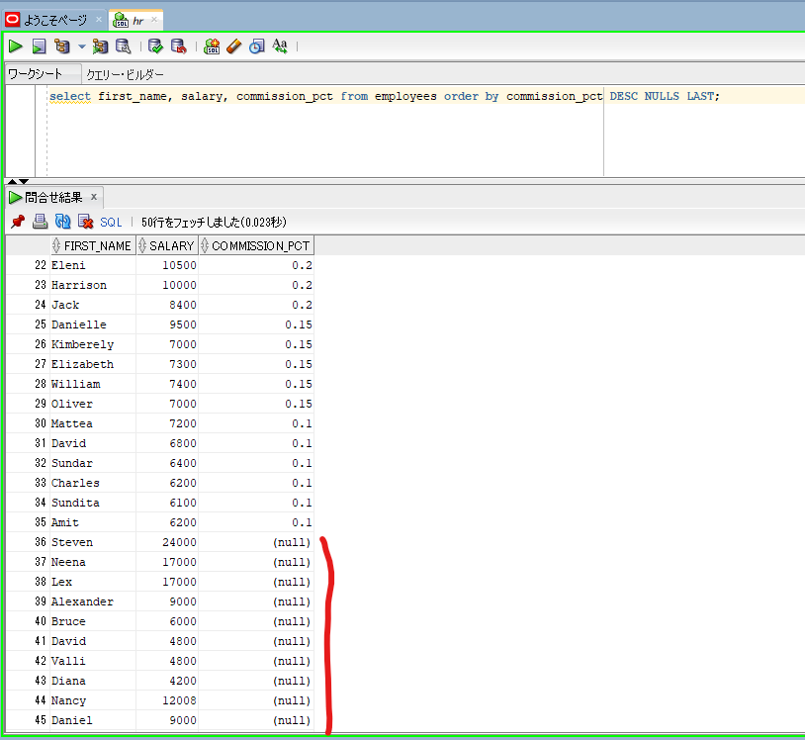
NULLS FIRST and NULLS LAST Operators

oracle
 | 1.Installing-VMware-and-VirtualBox-on-Windows
 | 2.Retrieving-Data
 | 3.RestrictingData
 | 4.SortingData
 |  | 1.ORDER+BY+Clause(Code+Samples).sql
 |  | 2.ASC+and+DESC+Operators(Code+Samples).sql
 |  | 3.NULLS+FIRST+and+NULLS+LAST+Operators(Code+Samples).sql | → | new

oracle\4.SortingData\3.NULLS+FIRST+and+NULLS+LAST+Operators(Code+Samples).sql
/************* The Complete Oracle SQL Bootcamp ****************
* Author : Oracle Master Training *
* Course : The Complete Oracle SQL Bootcamp *
* Lecture : NULLS FIRST and NULLS LAST Operators *
***************************************************************/

select first_name, salary, commission_pct from employees order by commission_pct;
select first_name, salary, commission_pct from employees order by commission_pct NULLS FIRST;
select first_name, salary, commission_pct from employees order by commission_pct ASC NULLS FIRST;
select first_name, salary, commission_pct from employees order by commission_pct DESC;
select first_name, salary, commission_pct from employees order by commission_pct DESC NULLS LAST;

select first_name, salary, commission_pct from employees order by commission_pct ASC NULLS FIRST; |  |  |  |  | → | NULLS FIRST with ASC
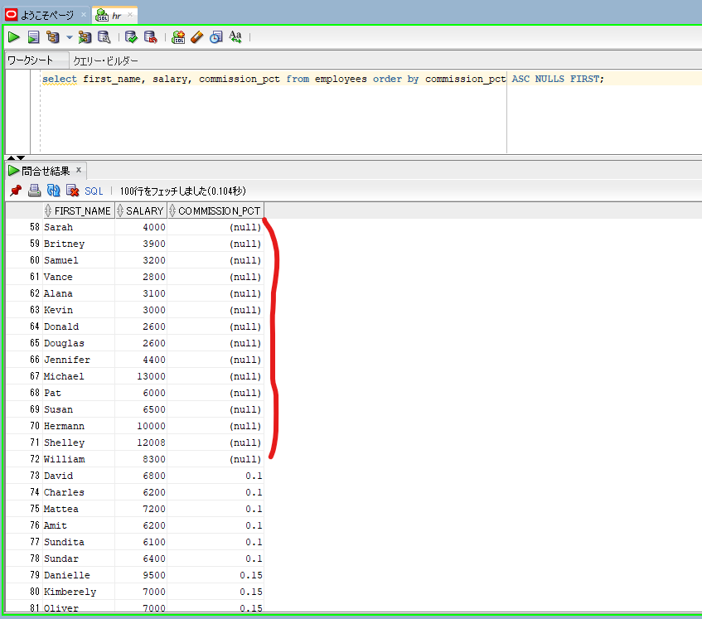

select first_name, salary, commission_pct from employees order by commission_pct DESC NULLS LAST; |  |  |  |  | → | NULLS LAST with DESC

