Oracle SQL Join Types
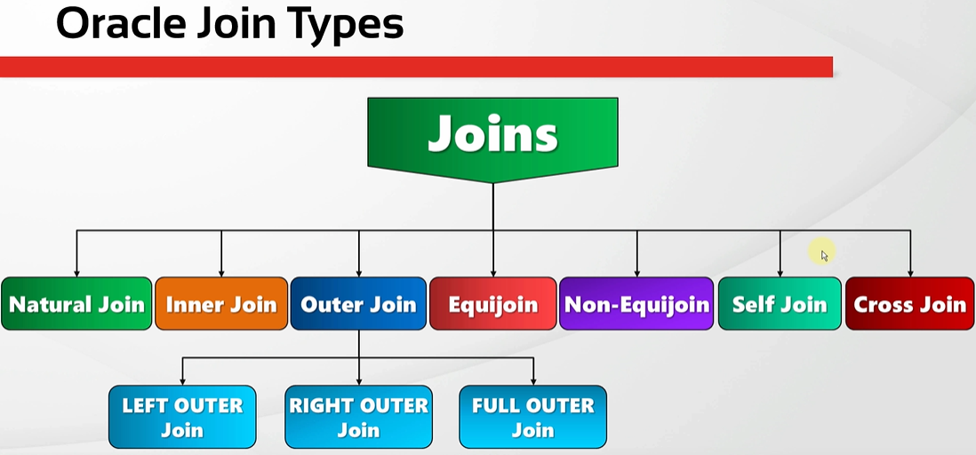
oracle
 | 1.Installing-VMware-and-VirtualBox-on-Windows
 | 2.Retrieving-Data
 | 3.RestrictingData
 | 4.SortingData
 | 5.UsingSubstitutionVariables
 | 6.Single-Row-Functions
 | 7.Conversion-Functions
 | 8.Conditional-Expressions
 | 9.Group-Functions
 | 10.Grouping-Data
 | 11.Joining-Multiple-Tables

Natural Join
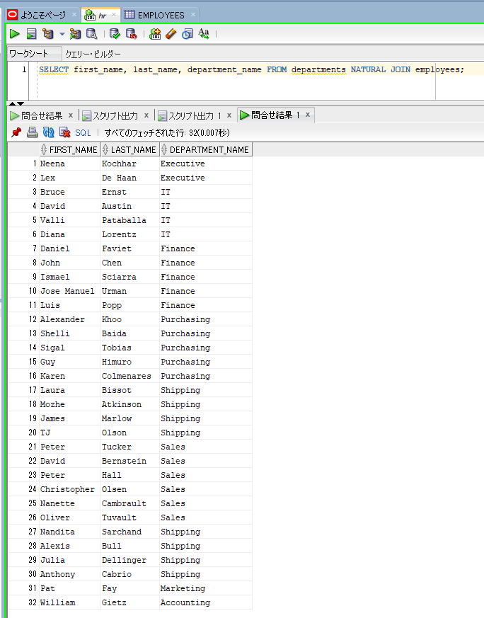
oracle
 | 1.Installing-VMware-and-VirtualBox-on-Windows
 | 2.Retrieving-Data
 | 3.RestrictingData
 | 4.SortingData
 | 5.UsingSubstitutionVariables
 | 6.Single-Row-Functions
 | 7.Conversion-Functions
 | 8.Conditional-Expressions
 | 9.Group-Functions
 | 10.Grouping-Data
 | 11.Joining-Multiple-Tables
 |  | 1.Natural+Join+(Code+Samples).sql

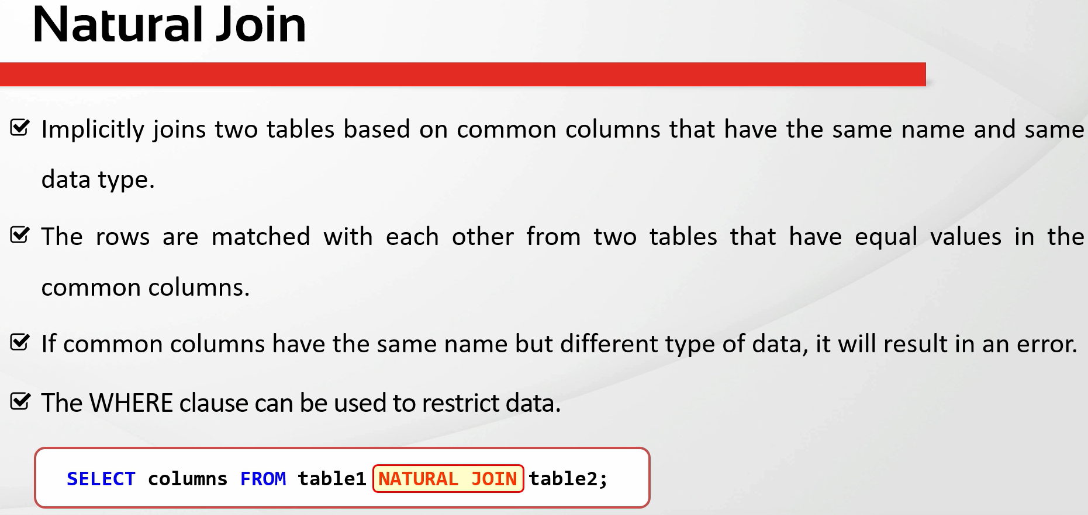

oracle\11.Joining-Multiple-Tables\1.Natural+Join+(Code+Samples).sql
/************* The Complete Oracle SQL Bootcamp *************
* Author : Oracle Master Training *
* Course : The Complete Oracle SQL Bootcamp *
* Lecture : Natural Join *
************************************************************/

DESC employees;
DESC departments;
SELECT * FROM employees;
SELECT * FROM departments;
SELECT * FROM employees NATURAL JOIN departments;
SELECT * FROM departments NATURAL JOIN employees;
SELECT first_name, last_name, department_name FROM departments NATURAL JOIN employees;

Natural join these 2 tables based on the common columns that have the same name(DEPARTMENT_ID, MANAGER_ID) |  |  |  | → | these columns have the same data type and column name
DESC employees;
DESC departments;
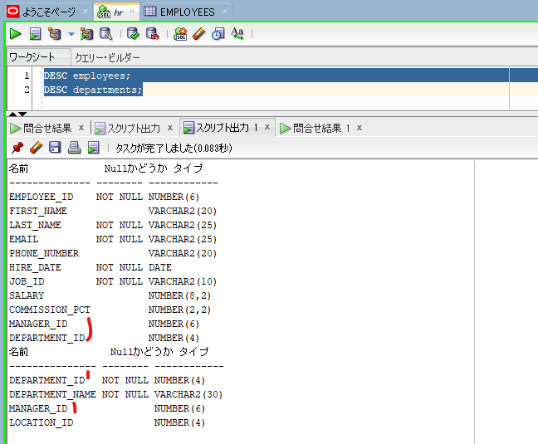

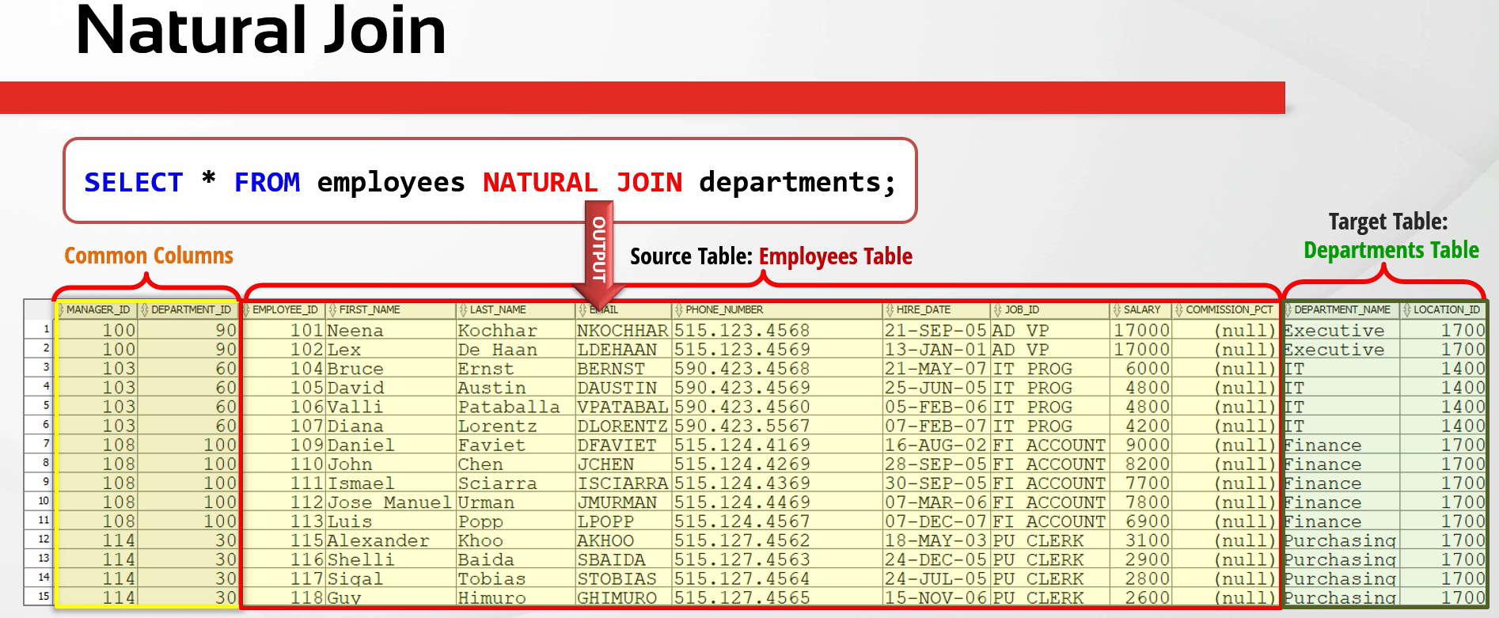

SELECT * FROM employees NATURAL JOIN departments;
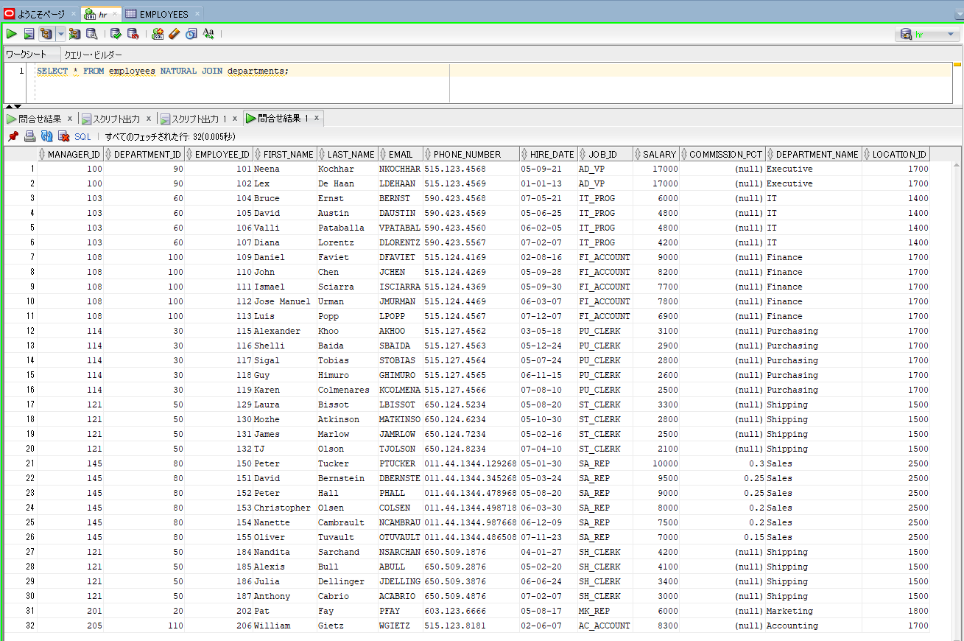

SELECT first_name, last_name, department_name FROM departments NATURAL JOIN employees; |  |  | → | We can also write some specific columns in the SELECT statement

Join with the USING Clause
oracle
 | 1.Installing-VMware-and-VirtualBox-on-Windows
 | 2.Retrieving-Data
 | 3.RestrictingData
 | 4.SortingData
 | 5.UsingSubstitutionVariables
 | 6.Single-Row-Functions
 | 7.Conversion-Functions
 | 8.Conditional-Expressions
 | 9.Group-Functions
 | 10.Grouping-Data
 | 11.Joining-Multiple-Tables
 |  | 1.Natural+Join+(Code+Samples).sql
 |  | 2.Join+with+the+USING+Clause+(Code+Samples).sql

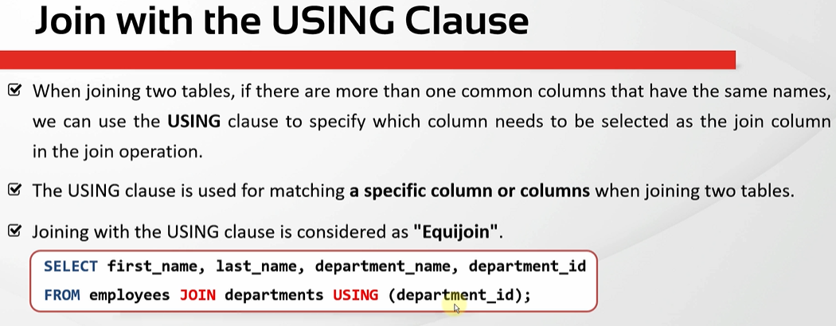

oracle\11.Joining-Multiple-Tables\2.Join+with+the+USING+Clause+(Code+Samples).sql
/************* The Complete Oracle SQL Bootcamp *************
* Author : Oracle Master Training *
* Course : The Complete Oracle SQL Bootcamp *
* Lecture : Join with the USING Clause *
************************************************************/

SELECT * FROM employees NATURAL JOIN departments;

SELECT * FROM employees JOIN departments
USING(department_id);

SELECT * FROM employees JOIN departments
USING(department_id, manager_id);

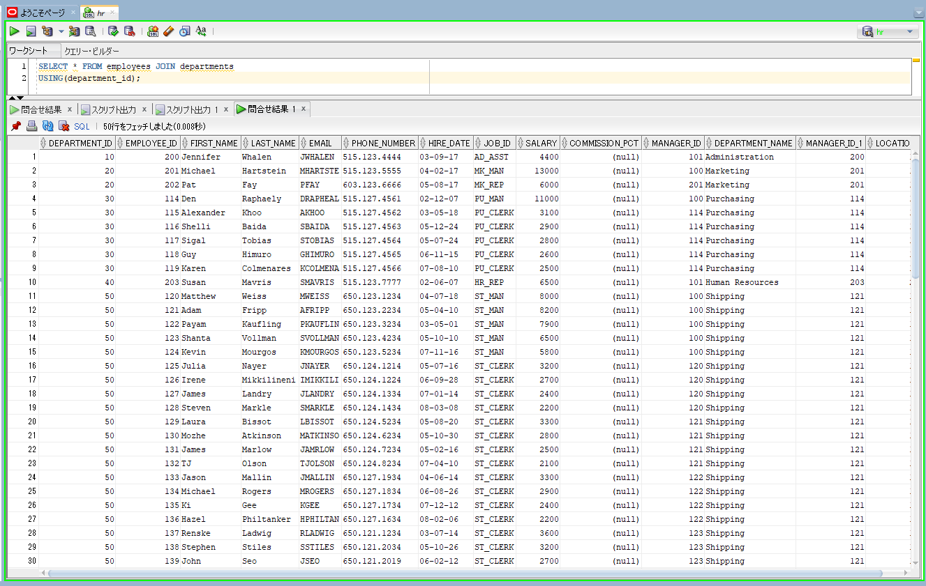
SELECT * FROM employees JOIN departments
USING(department_id); |  |  | → | instead of both Manager ID and Department ID we just using Department ID
 |  |  |  | to join. In this case we can use the join with the USING clause or we can also
 |  |  |  | call it natural join with the USING clause

 |  |  | → | Manager ID columns are shown 2 times MANAGER_ID and MANAGER_ID_1. The

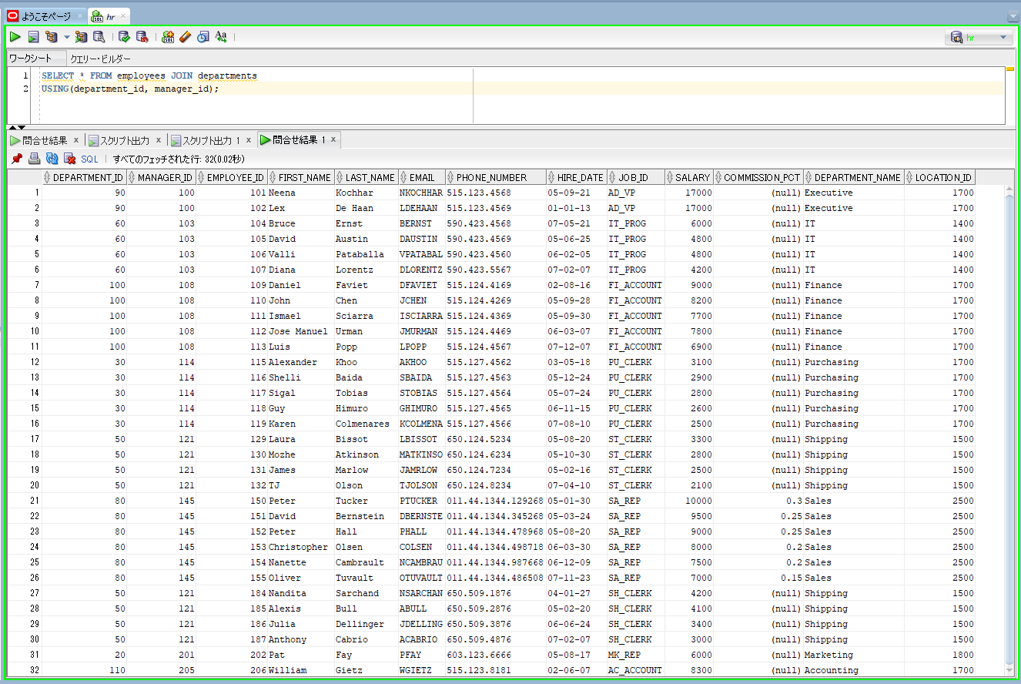
SELECT * FROM employees JOIN departments
USING(department_id, manager_id); |  |  | → | Result is same natural join because natural join also use these 2 common columns
 |  |  |  | when joining 2 tables

Handling Ambiguous Column Names
oracle
 | 1.Installing-VMware-and-VirtualBox-on-Windows
 | 2.Retrieving-Data
 | 3.RestrictingData
 | 4.SortingData
 | 5.UsingSubstitutionVariables
 | 6.Single-Row-Functions
 | 7.Conversion-Functions
 | 8.Conditional-Expressions
 | 9.Group-Functions
 | 10.Grouping-Data
 | 11.Joining-Multiple-Tables
 |  | 1.Natural+Join+(Code+Samples).sql
 |  | 2.Join+with+the+USING+Clause+(Code+Samples).sql
 |  | 3.Handling+Ambiguous+Column+Names+(Code+Samples).sql

using table aliases increases performance. If we do not specify table alias for columns the database has to find which column belongs to which table when joining
the tables but in case we have a lot of tables to be joined, this will take some extra time from the CPU. So if we write column aliases for all columns, this time the
database will know column belongs to which table in advance and this might have a slightly better performance
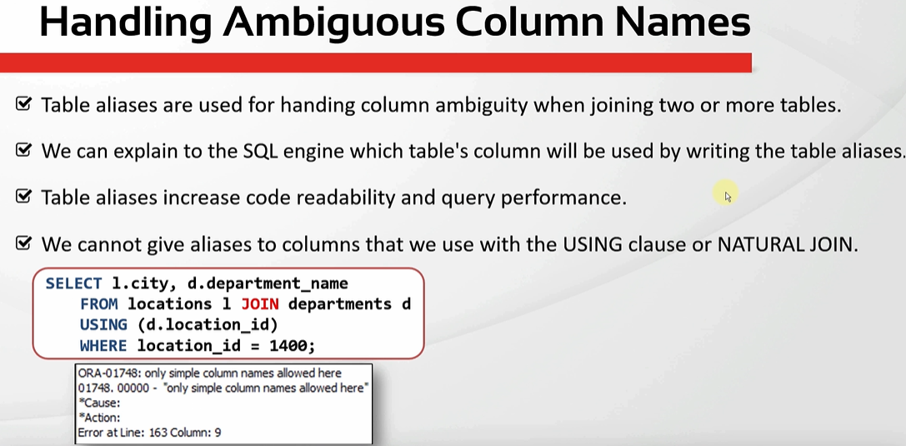

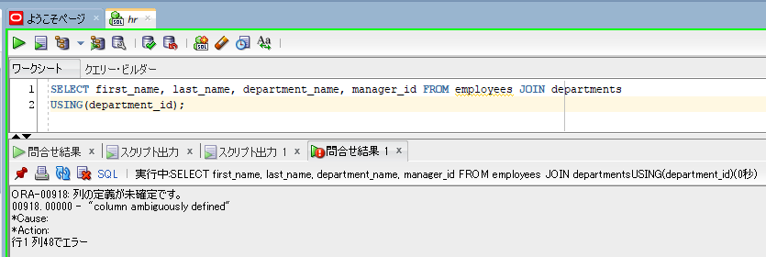
SELECT first_name, last_name, department_name, manager_id FROM employees JOIN departments |  |  |  | → | We will get the column ambiguously defined error because the manager ID column exists
USING(department_id); |  |  |  |  | in more than one table and the SQL engine doesn't know which one we want to display because
 |  |  |  |  | the data in these columns may be different than each other

SELECT first_name, last_name, department_name, e.manager_id FROM employees e JOIN departments d
USING(department_id);
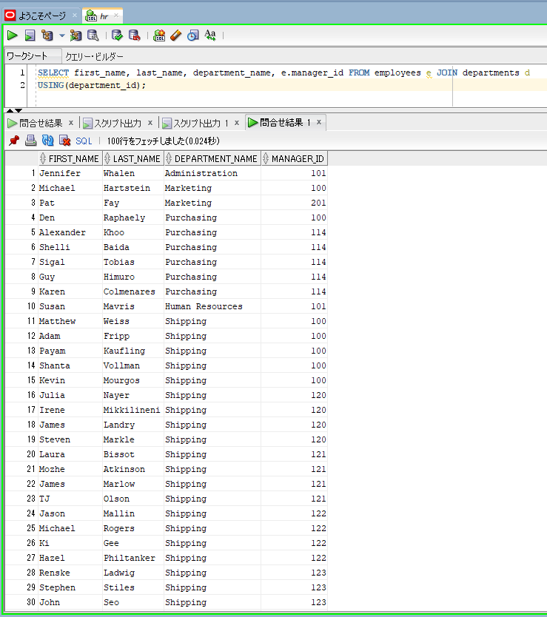

SELECT e.first_name, last_name, department_name, d.manager_id FROM employees e JOIN departments d |  |  | → | We have to write table alias for a column only if that column exists in more than one table. Otherwise
USING(department_id); |  |  |  | it is optional and that won't change the result
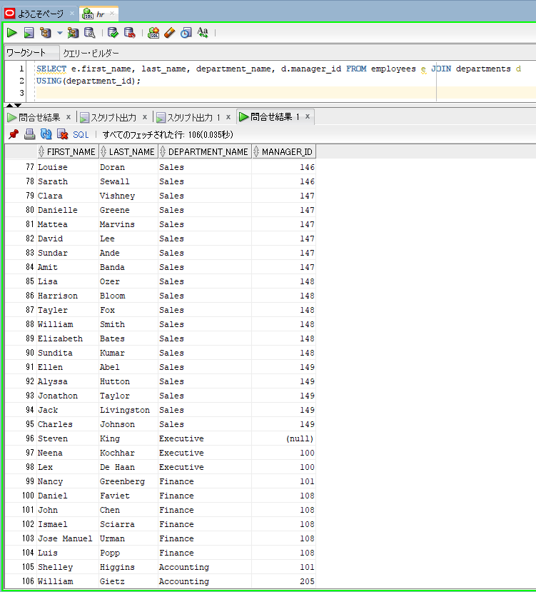

SELECT first_name, last_name, department_name, departments.manager_id FROM employees e JOIN departments d |  |  | → | If we assign an alias to a table, we can not use its name before the column name
USING(department_id);

SELECT first_name, last_name, department_name, departments.manager_id FROM employees e JOIN departments |  |  | → | We can not give aliases to columns that we used in the USING clause or NATURAL joins
USING(manager_id);

SELECT first_name, last_name, department_name, manager_id FROM employees e JOIN departments |  |  | → | we can not give aliases to columns that we used in the USING clause
USING(e.manager_id);

InnerJoin&JoinWithTheONClause
oracle
 | 1.Installing-VMware-and-VirtualBox-on-Windows
 | 2.Retrieving-Data
 | 3.RestrictingData
 | 4.SortingData
 | 5.UsingSubstitutionVariables
 | 6.Single-Row-Functions
 | 7.Conversion-Functions
 | 8.Conditional-Expressions
 | 9.Group-Functions
 | 10.Grouping-Data
 | 11.Joining-Multiple-Tables
 |  | 1.Natural+Join+(Code+Samples).sql
 |  | 2.Join+with+the+USING+Clause+(Code+Samples).sql
 |  | 3.Handling+Ambiguous+Column+Names+(Code+Samples).sql
 |  | 4.Inner+Join+&+Join+with+the+ON+Clause+(Code+Samples).sql

Basically a join that returns only the rows which satisfy the join condition is considered as an inner join. It can be created by USING clause, ON clause or NATURAL JOIN

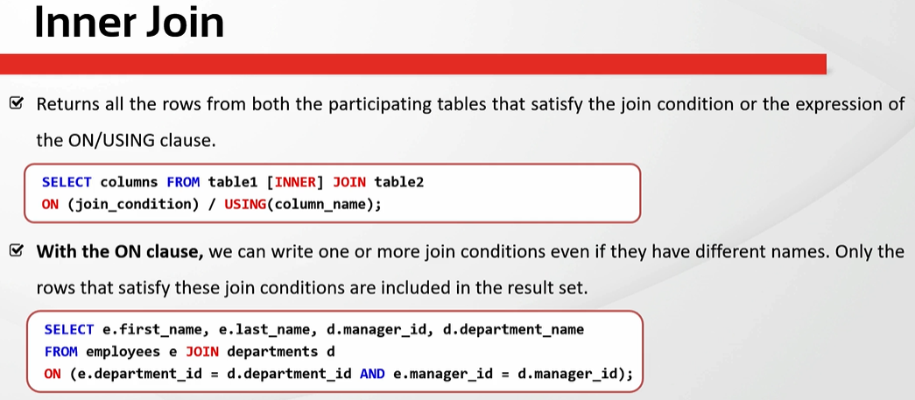

SELECT e.first_name, e.last_name, d.manager_id, d.department_name
FROM employees e JOIN departments d
ON(e.department_id = d.department_id AND e.manager_id = d.manager_id);
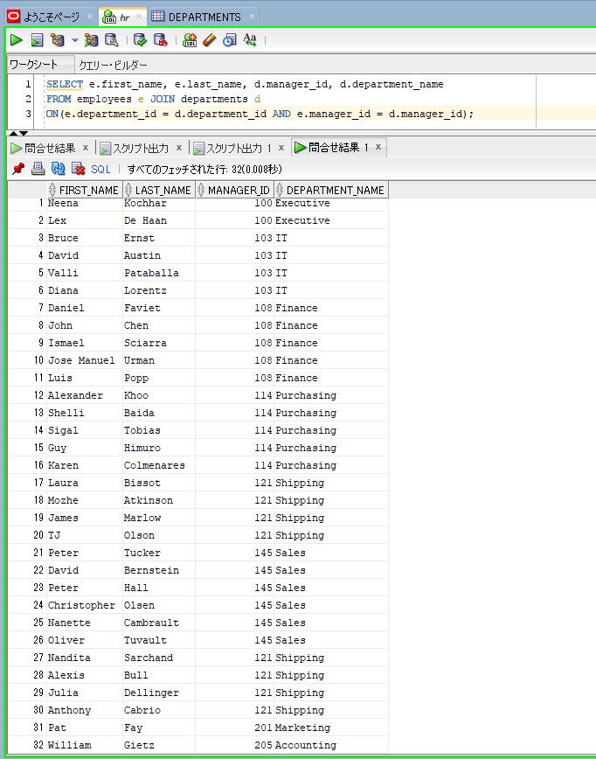

SELECT e.first_name, e.last_name, d.manager_id, d.department_name
FROM employees e INNER JOIN departments d
ON(e.department_id = d.department_id AND e.manager_id = d.manager_id);
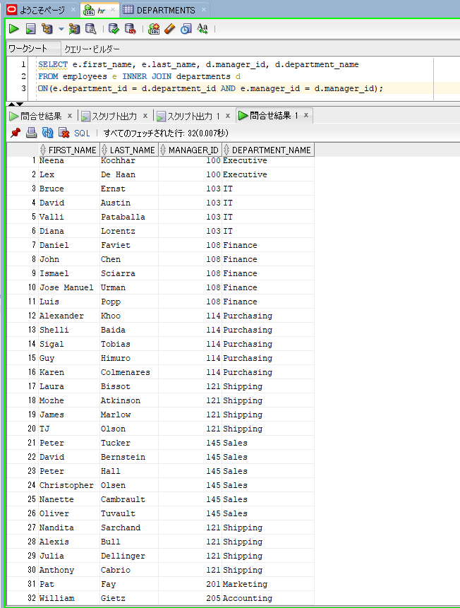

SELECT e.first_name, e.last_name, manager_id, d.department_name |  |  | → | we use columns with USING clause we can not give aliases to those columns
FROM employees e JOIN departments d
USING(department_id, manager_id);
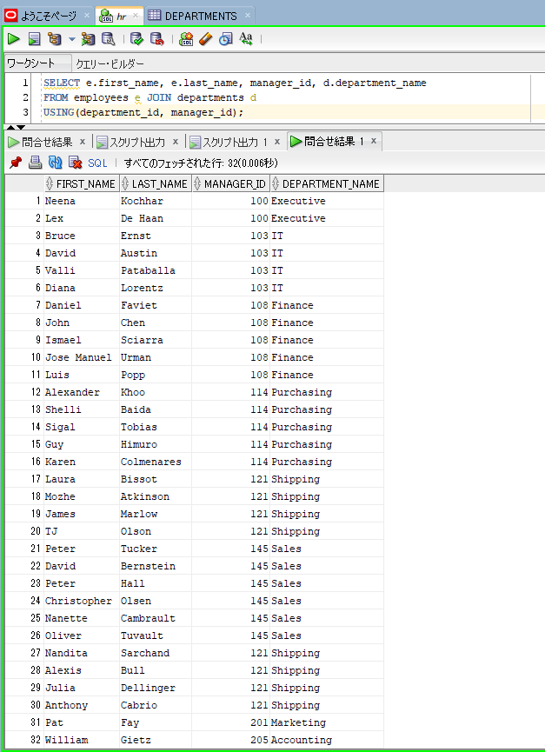

SELECT e.first_name, e.last_name, d.manager_id, d.department_name
FROM employees e JOIN departments d
ON(e.department_id = d.department_id AND e.employee_id = d.manager_id); |  |  | → | ON and USING both of them allow us to join unlimited tables. The differences is that the USING clause requires the
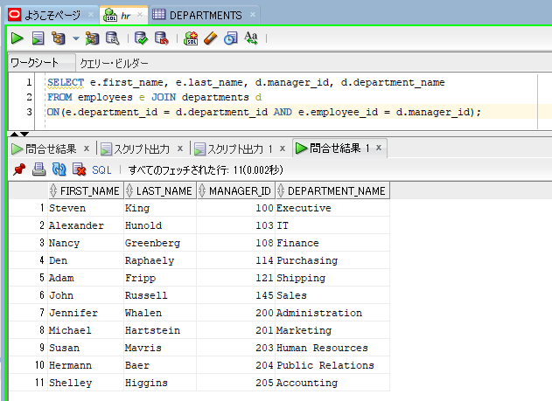
 |  |  |  | join columns to have exactly the same name. But the ON clause also works when the join columns have difference names

