GROUP BY Clause (Part 1)
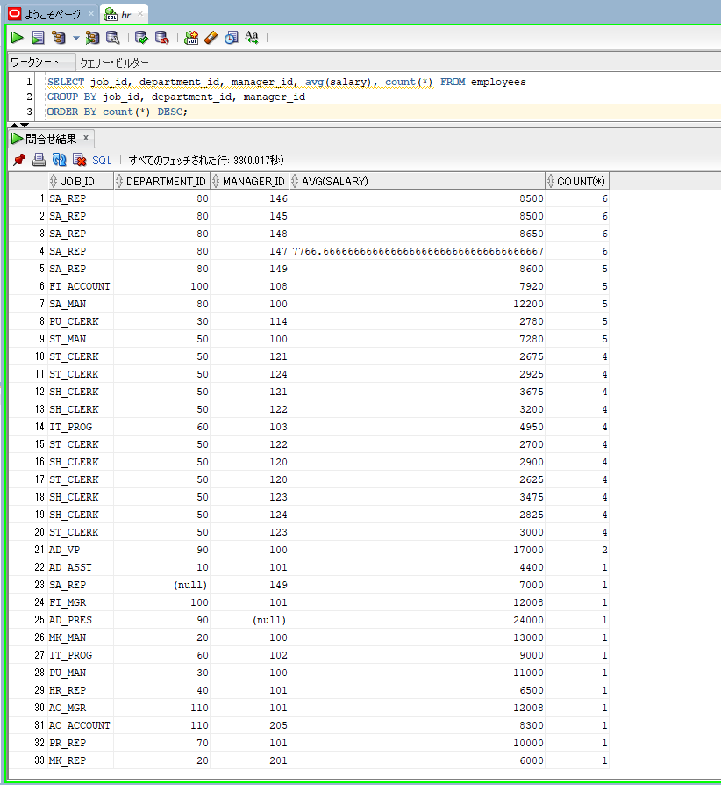
oracle
 | 1.Installing-VMware-and-VirtualBox-on-Windows
 | 2.Retrieving-Data
 | 3.RestrictingData
 | 4.SortingData
 | 5.UsingSubstitutionVariables
 | 6.Single-Row-Functions
 | 7.Conversion-Functions
 | 8.Conditional-Expressions
 | 9.Group-Functions
 | 10.Grouping-Data
 |  | 1.GROUP+BY+Clause+(Part+1)+(Code+Samples).sql

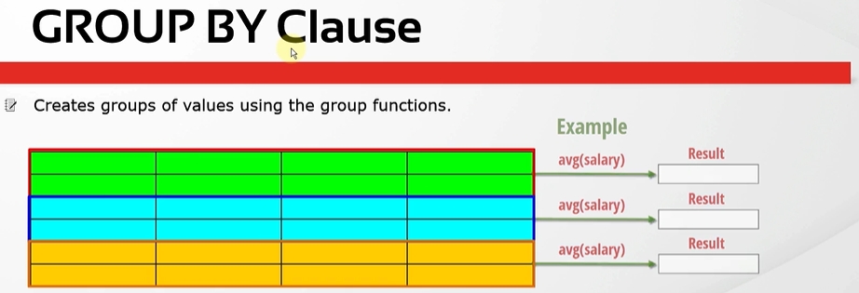

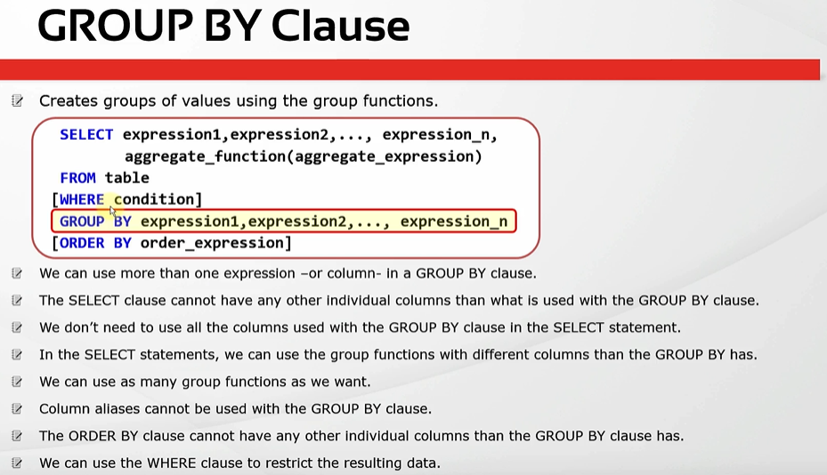

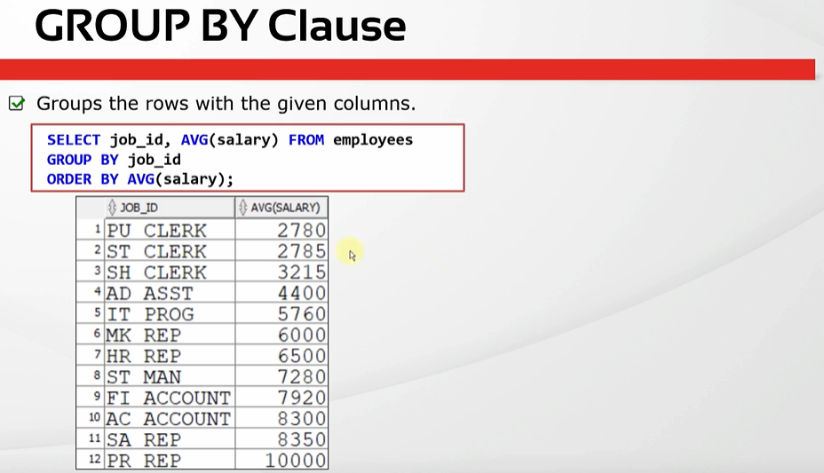

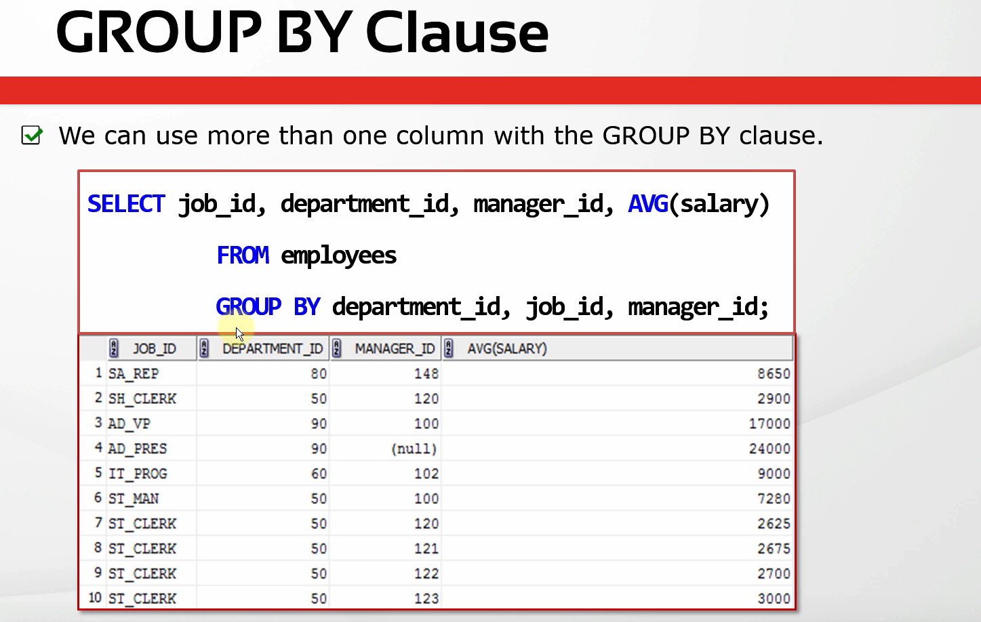

SELECT avg(salary) FROM employees; |  |  | → | This is the average salary of all the employees
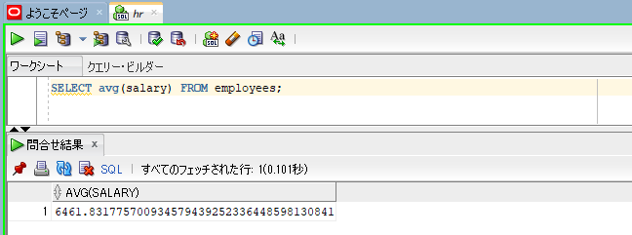

SELECT avg(salary) FROM employees WHERE job_id = 'IT_PROG'; |  |  | → | calculate the average salary of a specific job
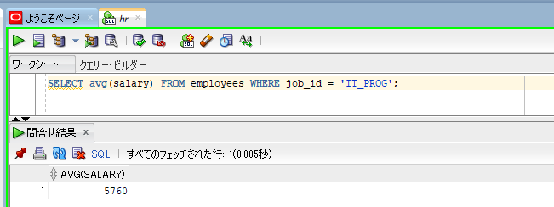

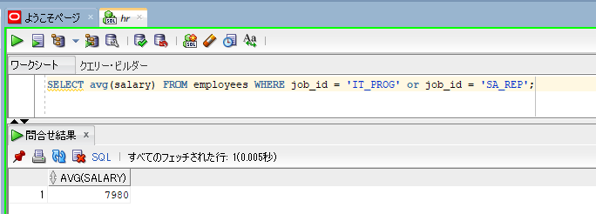
SELECT avg(salary) FROM employees WHERE job_id = 'IT_PROG' or job_id = 'SA_REP'; |  |  | → | calculate average salary of job_id = 'IT_PROG' or job_id = 'SA_REP'. This will be the average salary of all
 |  |  |  | the employees whose job ids are equal to IT_PROG or SA_REP.

SELECT job_id, avg(salary) FROM employees
GROUP BY job_id;
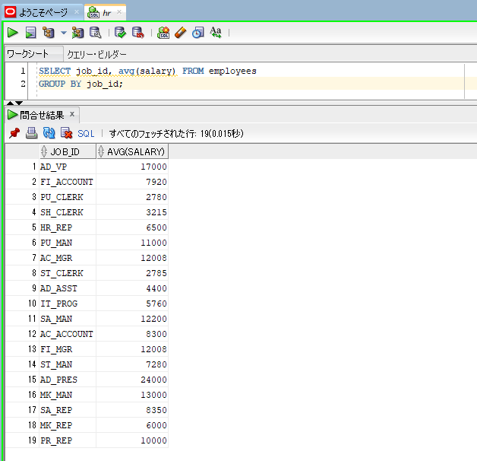

SELECT job_id, avg(salary) FROM employees
GROUP BY job_id
ORDER BY avg(salary);
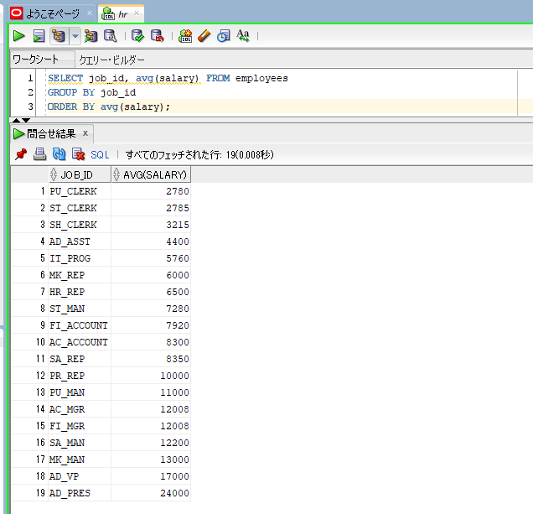

SELECT job_id, department_id, manager_id, avg(salary), count(*) FROM employees |  |  | → | we have grouped rows by three columns job_id, department_id, manager_id
GROUP BY job_id, department_id, manager_id
ORDER BY count(*) DESC;

GROUP BY Clause (Part 2)
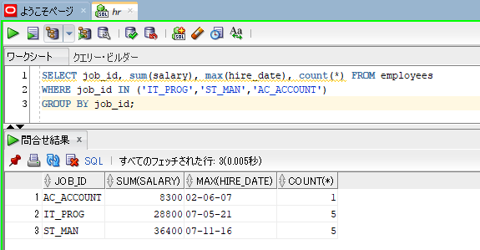
oracle
 | 1.Installing-VMware-and-VirtualBox-on-Windows
 | 2.Retrieving-Data
 | 3.RestrictingData
 | 4.SortingData
 | 5.UsingSubstitutionVariables
 | 6.Single-Row-Functions
 | 7.Conversion-Functions
 | 8.Conditional-Expressions
 | 9.Group-Functions
 | 10.Grouping-Data
 |  | 1.GROUP+BY+Clause+(Part+1)+(Code+Samples).sql
 |  | 2.GROUP+BY+Clause+(Part+2)+(Code+Samples).sql

oracle\10.Grouping-Data\2.GROUP+BY+Clause+(Part+2)+(Code+Samples).sql
/************* The Complete Oracle SQL Bootcamp *************
* Author : Oracle Master Training *
* Course : The Complete Oracle SQL Bootcamp *
* Lecture : GROUP BY Clause (Part 2) *
************************************************************/

SELECT job_id, department_id, avg(salary) FROM employees
GROUP BY job_id;

SELECT job_id, department_id, avg(salary) FROM employees
GROUP BY job_id, department_id;

SELECT job_id, avg(salary) FROM employees
GROUP BY job_id;

SELECT avg(salary) FROM employees
GROUP BY job_id;

SELECT job_id, avg(salary) FROM employees
GROUP BY job_id, department_id;

SELECT job_id, sum(salary), max(hire_date), count(*) FROM employees
GROUP BY job_id, department_id;

SELECT job_id, sum(salary), max(hire_date), count(*) FROM employees
GROUP BY job_id;

SELECT job_id, sum(salary), max(hire_date), count(*) FROM employees
WHERE job_id IN ('IT_PROG','ST_MAN','AC_ACCOUNT')
GROUP BY job_id;

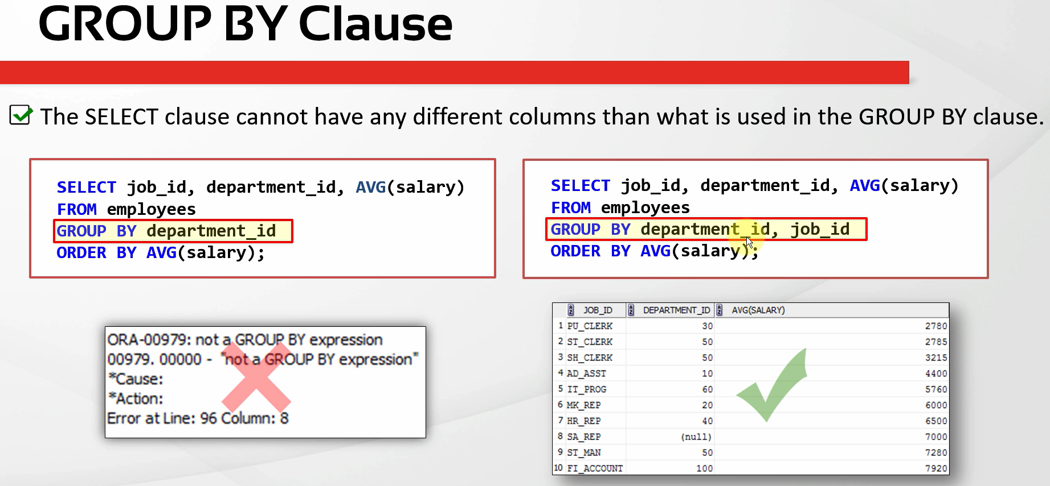

SELECT job_id, department_id, avg(salary) FROM employees
GROUP BY job_id;
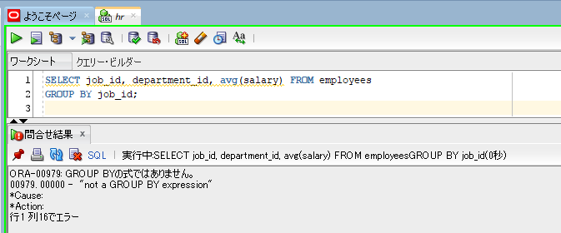

SELECT job_id, department_id, avg(salary) FROM employees
GROUP BY job_id, department_id;
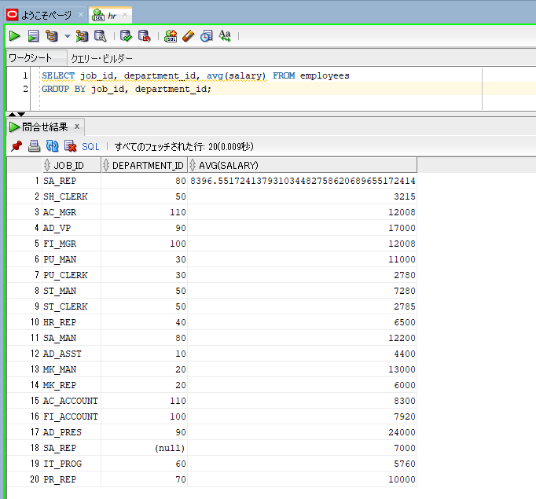

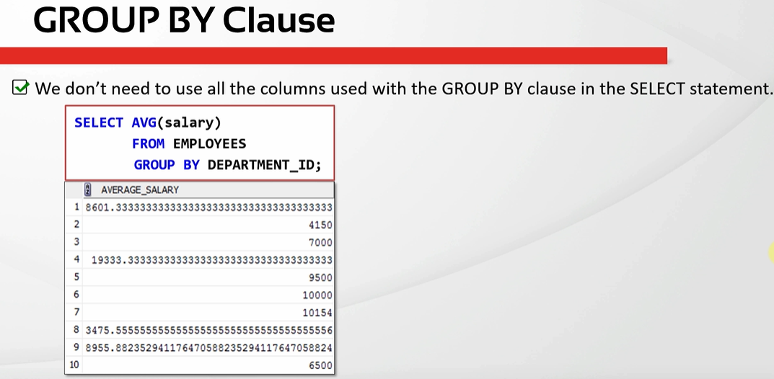

SELECT job_id, avg(salary) FROM employees
GROUP BY job_id, department_id;
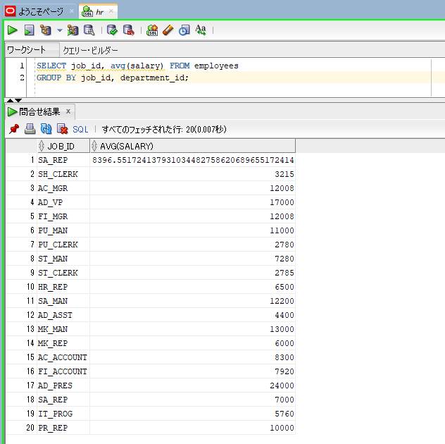

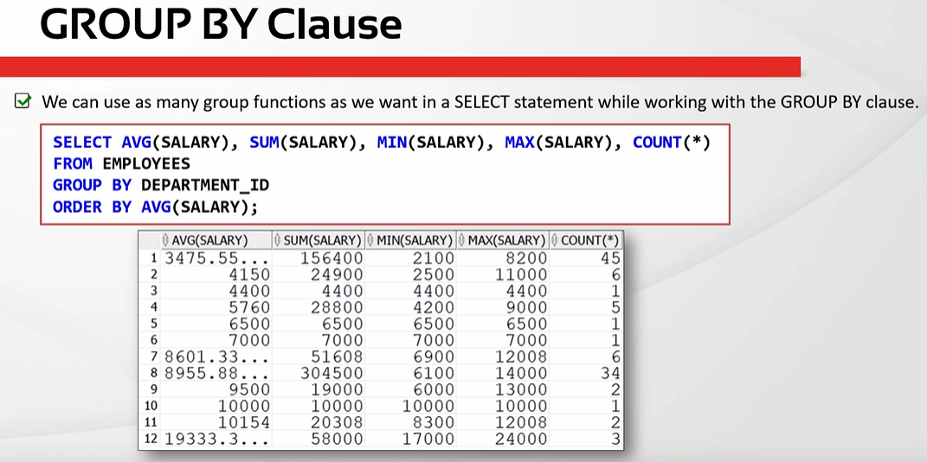

SELECT job_id, sum(salary), max(hire_date), count(*) FROM employees
GROUP BY job_id;
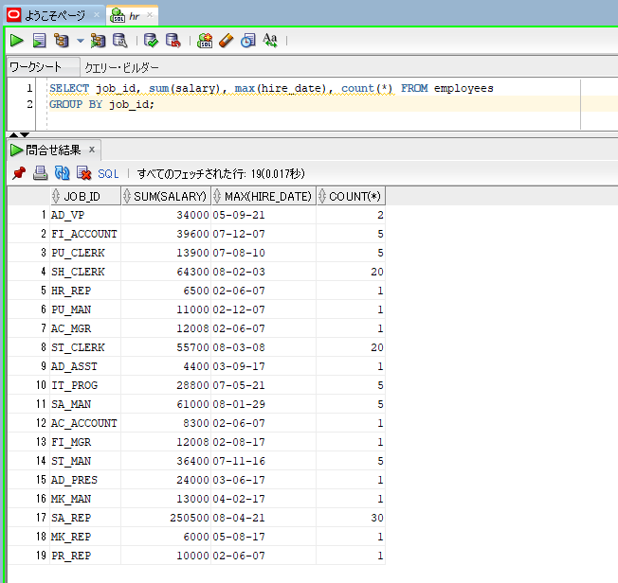

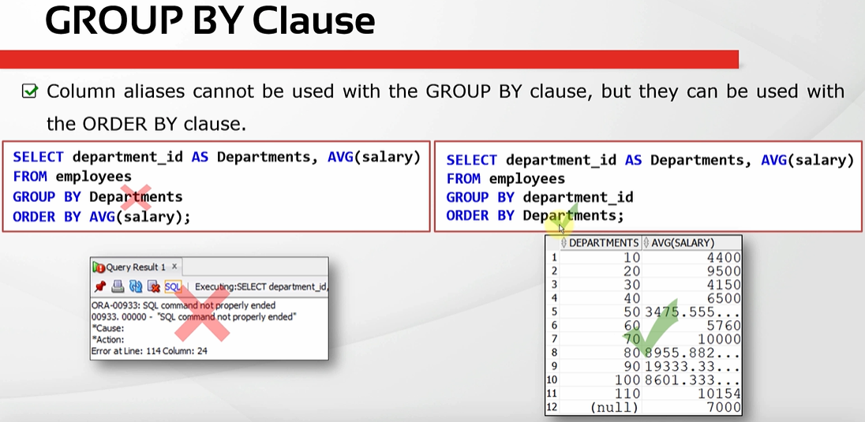

Because we have a rule a bout the order of execution of our SQL queries
We can see the column aliases are created in the SELECT statement so that is at the fifth rank but the GROUP BY clause is the third so the GROUP BY clause
is executed before the SELECT statement. That is the reason why we can not use the column aliases in the GROUP BY, because they have not been created
yet.
We can use aliases in the ORDER BY clause because the SELECT statement are executed before ORDER BY clause
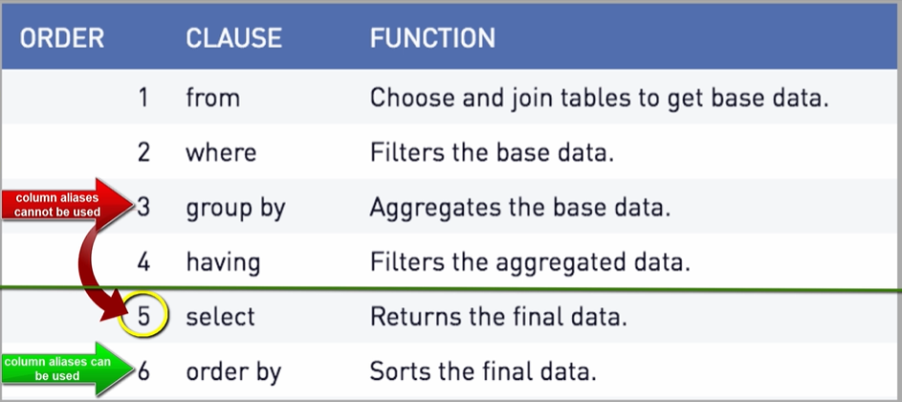

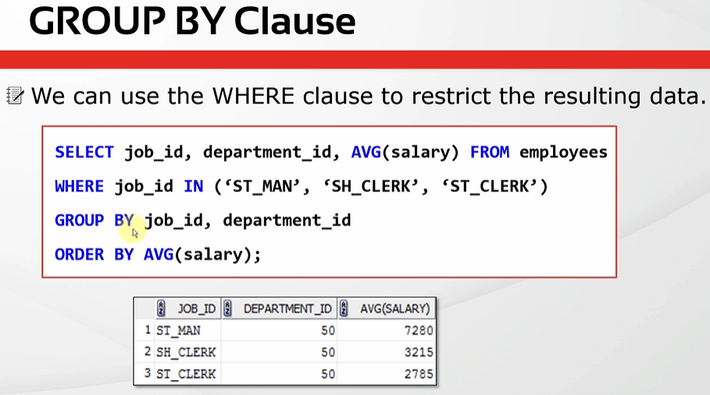

SELECT job_id, sum(salary), max(hire_date), count(*) FROM employees
WHERE job_id IN ('IT_PROG','ST_MAN','AC_ACCOUNT')
GROUP BY job_id;

