Group Functions
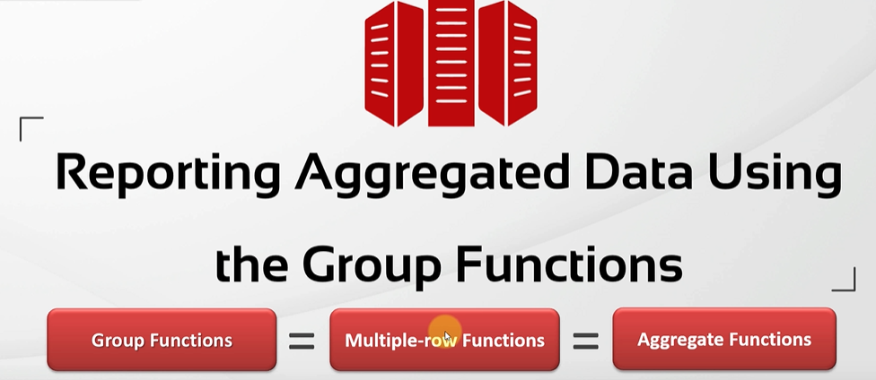
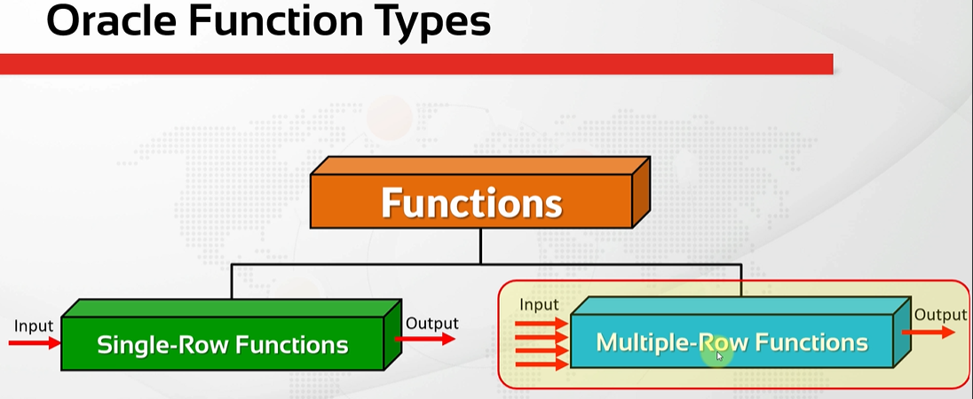
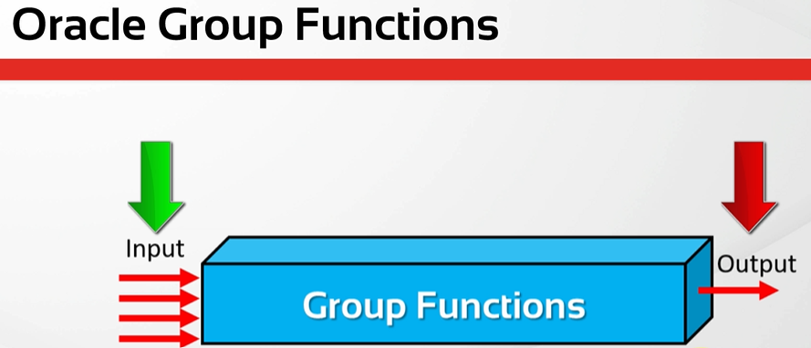
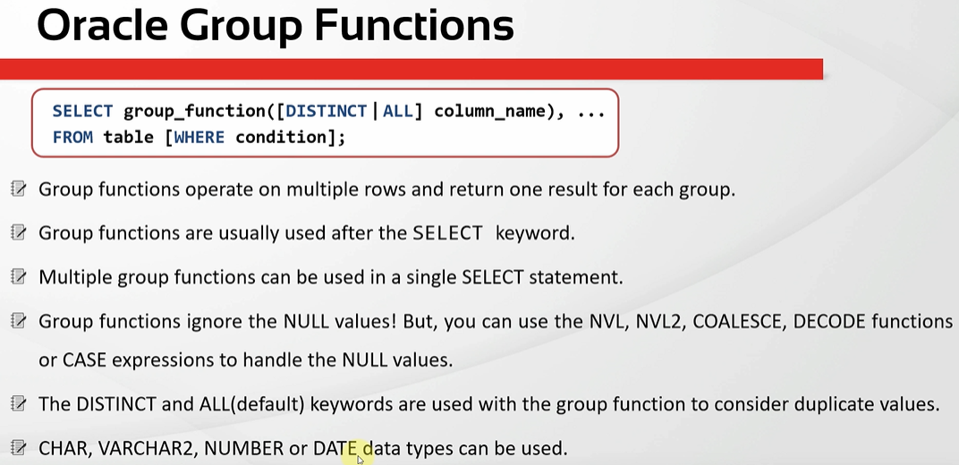
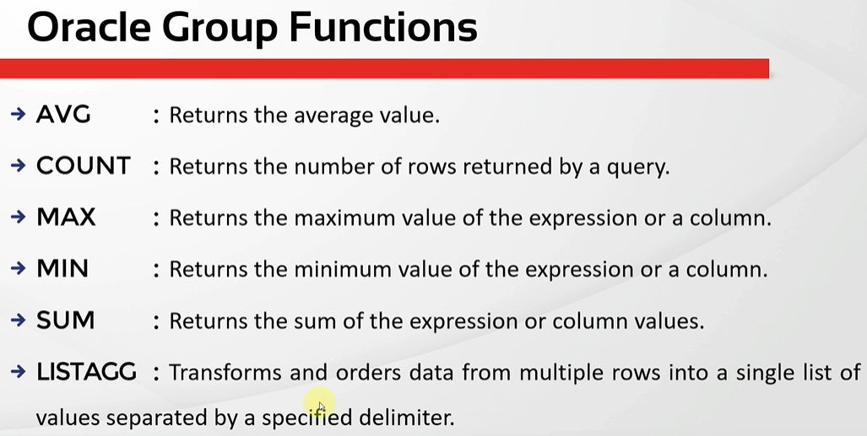
oracle
 | 1.Installing-VMware-and-VirtualBox-on-Windows
 | 2.Retrieving-Data
 | 3.RestrictingData
 | 4.SortingData
 | 5.UsingSubstitutionVariables
 | 6.Single-Row-Functions
 | 7.Conversion-Functions
 | 8.Conditional-Expressions

AVG Function
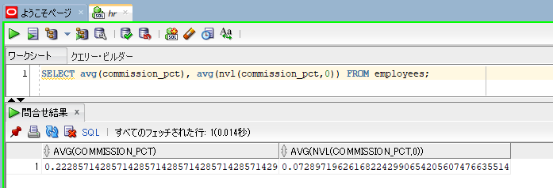
oracle
 | 1.Installing-VMware-and-VirtualBox-on-Windows
 | 2.Retrieving-Data
 | 3.RestrictingData
 | 4.SortingData
 | 5.UsingSubstitutionVariables
 | 6.Single-Row-Functions
 | 7.Conversion-Functions
 | 8.Conditional-Expressions
 | 9.Group-Functions
 |  | 1.AVG+Function+(Code+Samples).sql

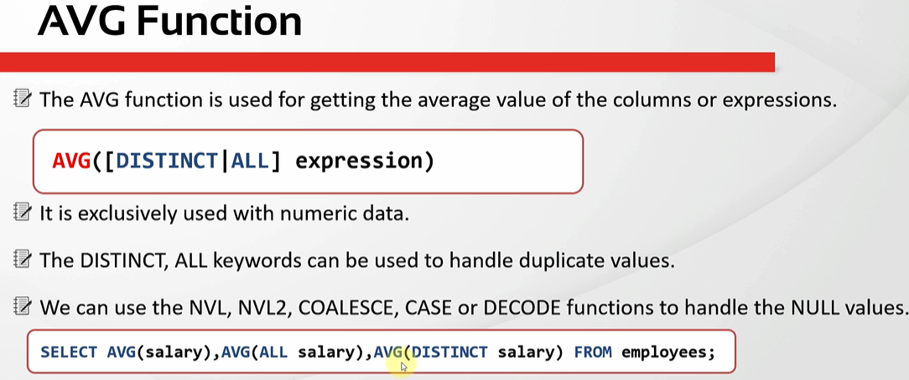

oracle\9.Group-Functions\1.AVG+Function+(Code+Samples).sql
/************* The Complete Oracle SQL Bootcamp *************
* Author : Oracle Master Training *
* Course : The Complete Oracle SQL Bootcamp *
* Lecture : AVG Function *
************************************************************/

SELECT avg(salary), avg(all salary), avg(distinct salary) FROM employees;

SELECT avg(salary), avg(all salary), avg(distinct salary)
FROM employees WHERE job_id = 'IT_PROG';

SELECT avg(salary), avg(all salary), avg(distinct salary), salary |  |  | → | We write a column name without writing AVG here, for example salary, we have proplem. We can not write any column
FROM employees WHERE job_id = 'IT_PROG'; |  |  |  | name without a group function here next to group functions.

SELECT avg(commission_pct) FROM employees;

SELECT avg(commission_pct), avg(nvl(commission_pct,0)) FROM employees;

SELECT avg(salary), avg(all salary), avg(distinct salary) FROM employees; |  |  |  |  |  |  | → | first two results are the same

SELECT avg(commission_pct) FROM employees; |  |  |  |  | → | commission_pct column has lots of null values and they all are ignored by the AVG function
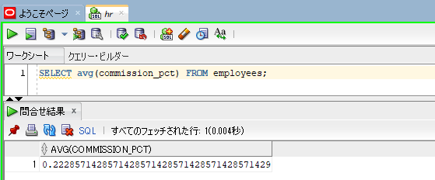

SELECT avg(commission_pct), avg(nvl(commission_pct,0)) FROM employees; |  |  |  |  | → | we can write one or more group functions in a single select statement

COUNT Function
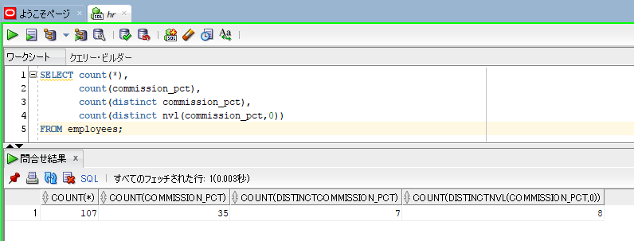
oracle
 | 1.Installing-VMware-and-VirtualBox-on-Windows
 | 2.Retrieving-Data
 | 3.RestrictingData
 | 4.SortingData
 | 5.UsingSubstitutionVariables
 | 6.Single-Row-Functions
 | 7.Conversion-Functions
 | 8.Conditional-Expressions
 | 9.Group-Functions
 |  | 1.AVG+Function+(Code+Samples).sql
 |  | 2.COUNT+Function+(Code+Samples).sql

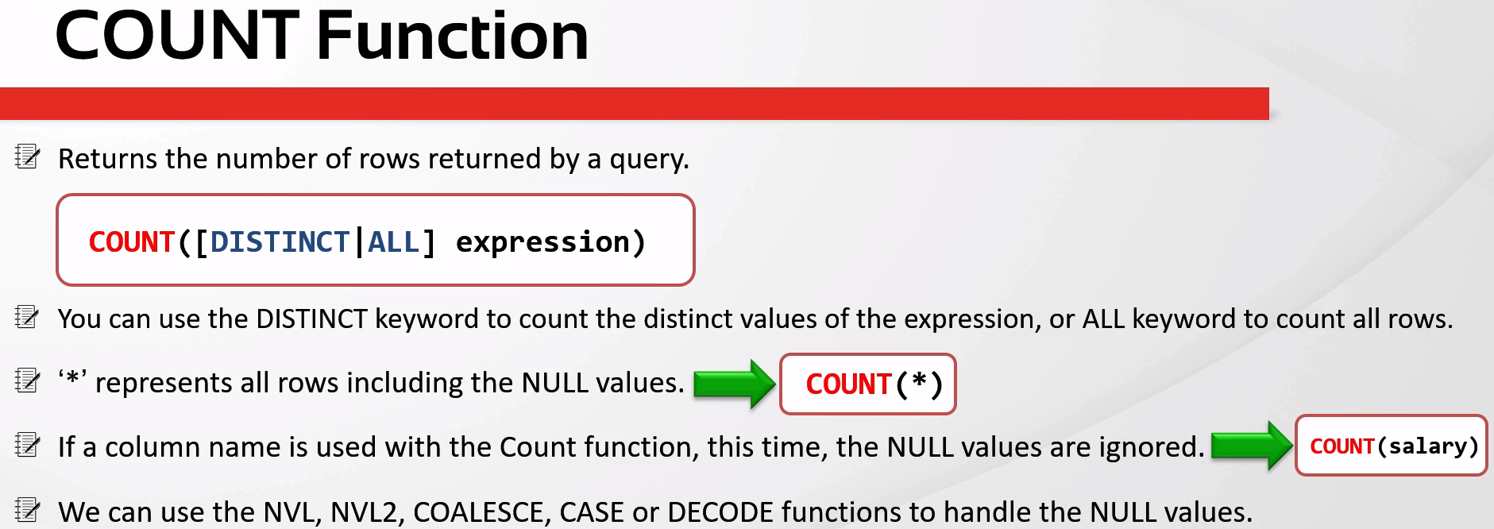

oracle\9.Group-Functions\2.COUNT+Function+(Code+Samples).sql
/************* The Complete Oracle SQL Bootcamp *************
* Author : Oracle Master Training *
* Course : The Complete Oracle SQL Bootcamp *
* Lecture : COUNT Function *
************************************************************/

SELECT count(*),
count(commission_pct), |  |  | → | return 107 rows
count(distinct commission_pct), |  |  | → | there are 35 not null commission percentage values
count(distinct nvl(commission_pct,0)) |  |  | → | when the commission percentage is null consider as zero instead of null using nvl function. So zero is a different value among the
FROM employees; |  |  |  | returning values but the null is not counted, zero is counted instead. Since there is no other commission percentage value which is
 |  |  |  | zero, it increased the value by one. If there were another zero as the commission percentage value, the result would be 7 again, not 8

MAX Function
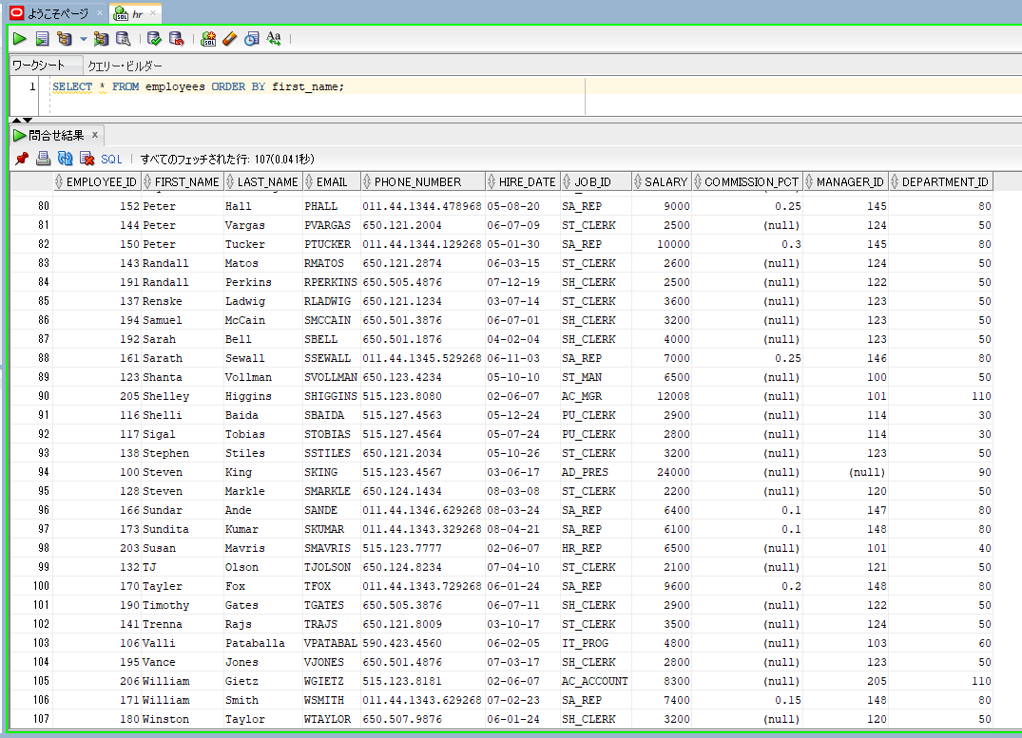
oracle
 | 1.Installing-VMware-and-VirtualBox-on-Windows
 | 2.Retrieving-Data
 | 3.RestrictingData
 | 4.SortingData
 | 5.UsingSubstitutionVariables
 | 6.Single-Row-Functions
 | 7.Conversion-Functions
 | 8.Conditional-Expressions
 | 9.Group-Functions
 |  | 1.AVG+Function+(Code+Samples).sql
 |  | 2.COUNT+Function+(Code+Samples).sql
 |  | 3.MAX+Function+(Code+Samples).sql

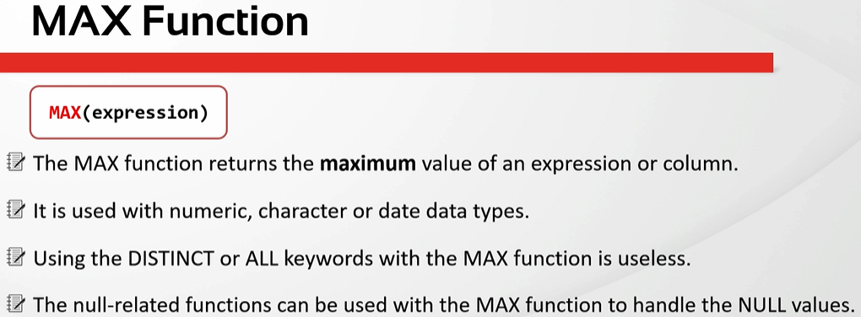

oracle\9.Group-Functions\3.MAX+Function+(Code+Samples).sql
/************* The Complete Oracle SQL Bootcamp *************
* Author : Oracle Master Training *
* Course : The Complete Oracle SQL Bootcamp *
* Lecture : MAX Function *
************************************************************/

SELECT max(salary), max(hire_date), max(first_name) FROM employees;

SELECT * FROM employees ORDER BY first_name;

SELECT max(salary), max(hire_date), max(first_name) FROM employees; |  |  | → | MAX on a varchar column finds the last value as if they were sorted alphabetically
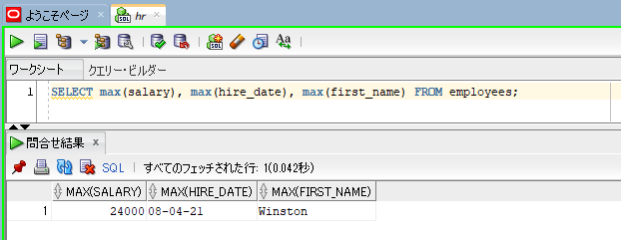

SELECT * FROM employees ORDER BY first_name; |  |  |  |  | → | We see that Winston is the last value in alphabetical order and this value is returned by the function as the result

MIN Function
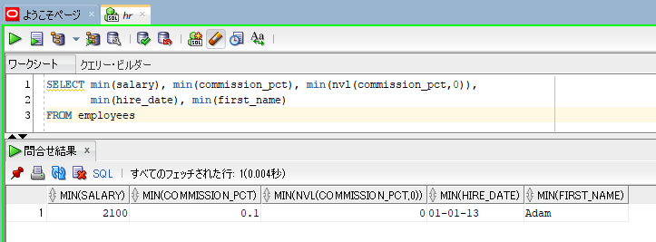
oracle
 | 1.Installing-VMware-and-VirtualBox-on-Windows
 | 2.Retrieving-Data
 | 3.RestrictingData
 | 4.SortingData
 | 5.UsingSubstitutionVariables
 | 6.Single-Row-Functions
 | 7.Conversion-Functions
 | 8.Conditional-Expressions
 | 9.Group-Functions
 |  | 1.AVG+Function+(Code+Samples).sql
 |  | 2.COUNT+Function+(Code+Samples).sql
 |  | 3.MAX+Function+(Code+Samples).sql
 |  | 4.MIN+Function+(Code+Samples).sql

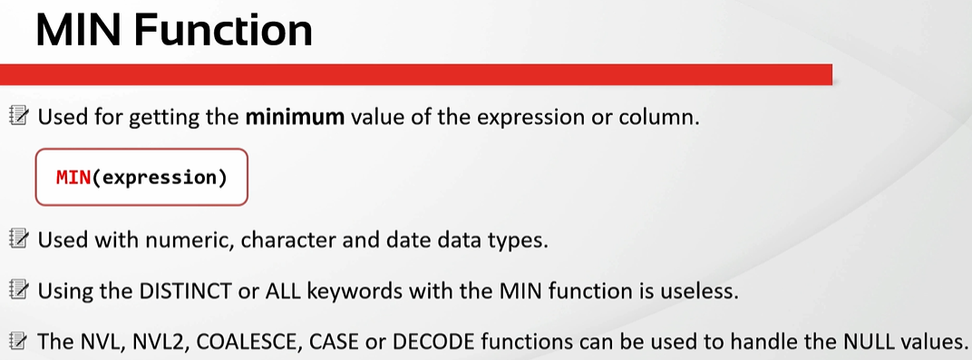

oracle\9.Group-Functions\4.MIN+Function+(Code+Samples).sql
/************* The Complete Oracle SQL Bootcamp *************
* Author : Oracle Master Training *
* Course : The Complete Oracle SQL Bootcamp *
* Lecture : MIN Function *
************************************************************/

SELECT * FROM employees;
SELECT min(salary), min(commission_pct), min(nvl(commission_pct,0)),
min(hire_date), min(first_name)
FROM employees

SELECT min(salary), min(commission_pct), min(nvl(commission_pct,0)),
min(hire_date), min(first_name)
FROM employees

SUM Function
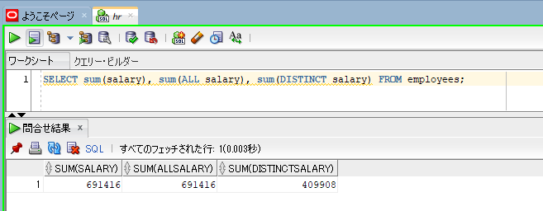
oracle
 | 1.Installing-VMware-and-VirtualBox-on-Windows
 | 2.Retrieving-Data
 | 3.RestrictingData
 | 4.SortingData
 | 5.UsingSubstitutionVariables
 | 6.Single-Row-Functions
 | 7.Conversion-Functions
 | 8.Conditional-Expressions
 | 9.Group-Functions
 |  | 1.AVG+Function+(Code+Samples).sql
 |  | 2.COUNT+Function+(Code+Samples).sql
 |  | 3.MAX+Function+(Code+Samples).sql
 |  | 4.MIN+Function+(Code+Samples).sql
 |  | 5.SUM+Function+(Code+Samples).sql

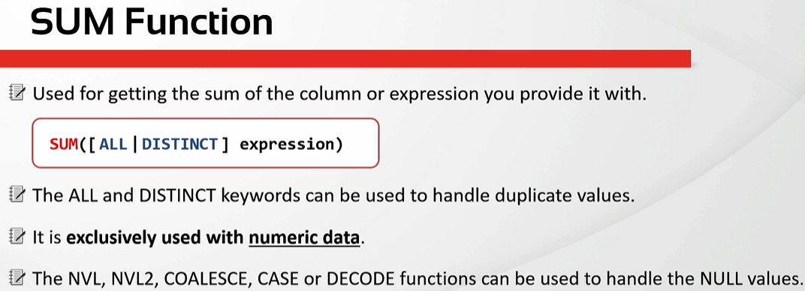

oracle\9.Group-Functions\5.SUM+Function+(Code+Samples).sql
/************* The Complete Oracle SQL Bootcamp *************
* Author : Oracle Master Training *
* Course : The Complete Oracle SQL Bootcamp *
* Lecture : SUM Function *
************************************************************/

SELECT sum(salary), sum(ALL salary), sum(DISTINCT salary), sum(hire_date) FROM employees; |  |  |  | → | can not execute with hire_date date type, it is not number type

SELECT sum(salary), sum(ALL salary), sum(DISTINCT salary) FROM employees;

SELECT sum(salary), sum(ALL salary), sum(DISTINCT salary) FROM employees; |  |  | → | the SUM function is used with only numberic values

LISTAGG Function
oracle
 | 1.Installing-VMware-and-VirtualBox-on-Windows
 | 2.Retrieving-Data
 | 3.RestrictingData
 | 4.SortingData
 | 5.UsingSubstitutionVariables
 | 6.Single-Row-Functions
 | 7.Conversion-Functions
 | 8.Conditional-Expressions
 | 9.Group-Functions
 |  | 1.AVG+Function+(Code+Samples).sql
 |  | 2.COUNT+Function+(Code+Samples).sql
 |  | 3.MAX+Function+(Code+Samples).sql
 |  | 4.MIN+Function+(Code+Samples).sql
 |  | 5.SUM+Function+(Code+Samples).sql
 |  | 6.LISTAGG+Function+(Code+Samples).sql

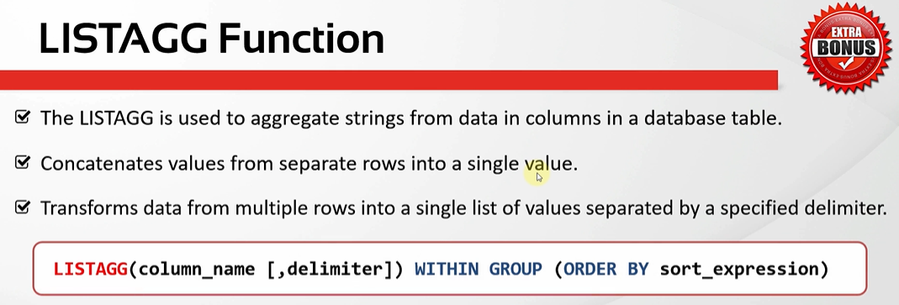

oracle\9.Group-Functions\6.LISTAGG+Function+(Code+Samples).sql
/************* The Complete Oracle SQL Bootcamp *************
* Author : Oracle Master Training *
* Course : The Complete Oracle SQL Bootcamp *
* Lecture : LISTAGG Function *
************************************************************/

SELECT first_name FROM employees
WHERE job_id = 'ST_CLERK';

SELECT listagg(first_name,',') WITHIN GROUP (ORDER BY first_name) "Employees" FROM employees
WHERE job_id = 'ST_CLERK';

SELECT listagg(first_name,',') WITHIN GROUP (ORDER BY first_name DESC) "Employees" FROM employees
WHERE job_id = 'ST_CLERK';

SELECT listagg(first_name,',') WITHIN GROUP (ORDER BY last_name, salary DESC) "Employees" FROM employees
WHERE job_id = 'ST_CLERK';

SELECT listagg(salary,',') WITHIN GROUP (ORDER BY salary DESC) "Employees" FROM employees
WHERE job_id = 'ST_CLERK';

SELECT listagg(distinct salary,',') WITHIN GROUP (ORDER BY salary DESC) "Employees" FROM employees
WHERE job_id = 'ST_CLERK';

SELECT listagg(distinct salary,' - ') WITHIN GROUP (ORDER BY salary DESC) "Employees" FROM employees
WHERE job_id = 'ST_CLERK';

SELECT * FROM locations;

SELECT listagg(city,',') WITHIN GROUP (ORDER BY city) AS CITIES FROM locations
WHERE country_id = 'US';

SELECT listagg(city,',') WITHIN GROUP (ORDER BY city) AS CITIES FROM locations
WHERE country_id = 'UK';

SELECT listagg(city,',') WITHIN GROUP AS CITIES FROM locations |  |  |  | → | We will get error because the WITHIN GROUP kewords need to be with ORDER BY clause
WHERE country_id = 'UK';

SELECT listagg(city,',') AS CITIES FROM locations
WHERE country_id = 'UK';

SELECT listagg(city) AS CITIES FROM locations
WHERE country_id = 'UK';

SELECT j.job_title,
LISTAGG (e.first_name,', ') WITHIN GROUP (ORDER BY e.first_name) AS employees_list
FROM employees e, jobs j
WHERE e.job_id = j.job_id
GROUP BY j.job_title;

SELECT first_name FROM employees |  |  | → | there are 20 rows
WHERE job_id = 'ST_CLERK';
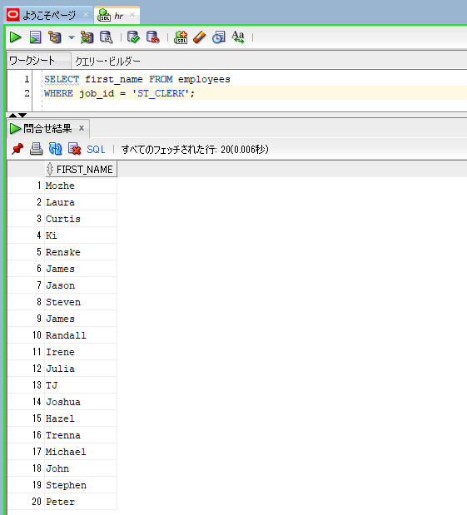

SELECT listagg(first_name,',') WITHIN GROUP (ORDER BY first_name) "Employees" FROM employees |  |  | → | These 20 first names are returned in a single line separated by comma signs. All these 20 first names
WHERE job_id = 'ST_CLERK'; |  |  |  | are sorted, then combined into 1 row by being concatenated with each other and commas

SELECT listagg(first_name,',') WITHIN GROUP (ORDER BY first_name DESC) "Employees" FROM employees
WHERE job_id = 'ST_CLERK';

SELECT listagg(first_name,',') WITHIN GROUP (ORDER BY last_name, salary DESC) "Employees" FROM employees |  |  |  | → | Can sort by multiple columns
WHERE job_id = 'ST_CLERK';

SELECT listagg(salary,',') WITHIN GROUP (ORDER BY salary DESC) "Employees" FROM employees
WHERE job_id = 'ST_CLERK';

 |  |  |  | → | We see that some salaries are the same

SELECT listagg(distinct salary,',') WITHIN GROUP (ORDER BY salary DESC) "Employees" FROM employees
WHERE job_id = 'ST_CLERK';

 |  |  |  | → | it eliminated the duplicate values

SELECT listagg(distinct salary,' - ') WITHIN GROUP (ORDER BY salary DESC) "Employees" FROM employees
WHERE job_id = 'ST_CLERK';

SELECT listagg(city,',') AS CITIES FROM locations |  |  |  | → | If we are not interested in ordering the results. We don't need to write WITHIN GROUP and ORDER BY clauses
WHERE country_id = 'UK';
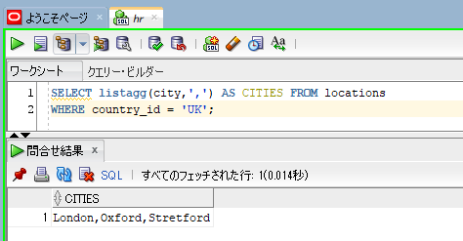

SELECT listagg(city) AS CITIES FROM locations |  |  |  | → | If we are not interested in the comma sign. We can omit that as well. In this case, it concatenated these
WHERE country_id = 'UK'; |  |  |  |  | values without any separator
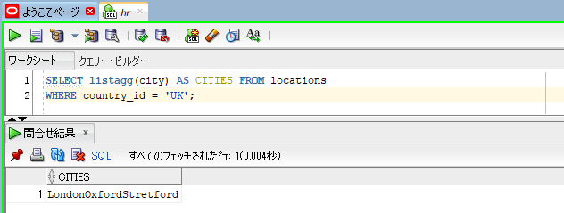

SELECT j.job_title,
LISTAGG (e.first_name,', ') WITHIN GROUP (ORDER BY e.first_name) AS employees_list
FROM employees e, jobs j
WHERE e.job_id = j.job_id
GROUP BY j.job_title;
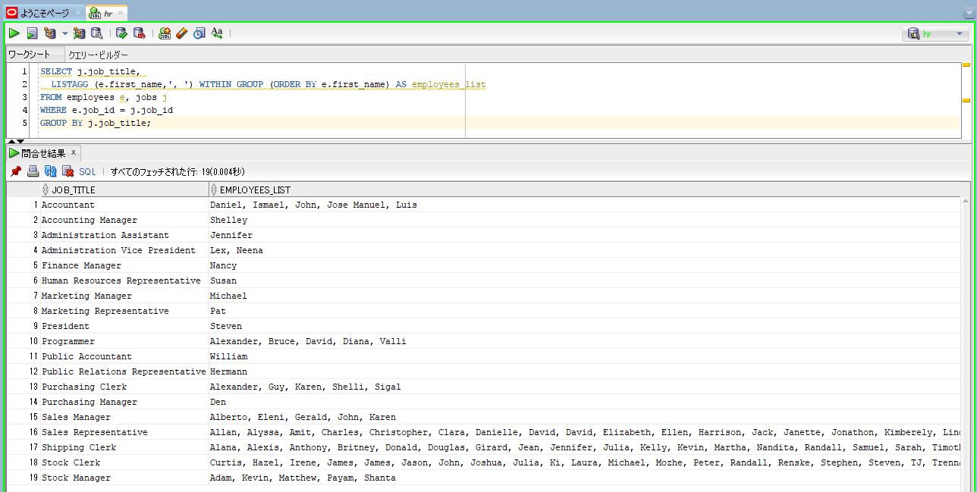

 |  |  |  |  |  | → | We get the job titles in one column, and the list of the emplyees having that job title are returned in the other column

Overview Of Group Functions
oracle
 | 1.Installing-VMware-and-VirtualBox-on-Windows
 | 2.Retrieving-Data
 | 3.RestrictingData
 | 4.SortingData
 | 5.UsingSubstitutionVariables
 | 6.Single-Row-Functions
 | 7.Conversion-Functions
 | 8.Conditional-Expressions
 | 9.Group-Functions
 |  | 1.AVG+Function+(Code+Samples).sql
 |  | 2.COUNT+Function+(Code+Samples).sql
 |  | 3.MAX+Function+(Code+Samples).sql
 |  | 4.MIN+Function+(Code+Samples).sql
 |  | 5.SUM+Function+(Code+Samples).sql
 |  | 6.LISTAGG+Function+(Code+Samples).sql
 |  | 7.Overview+of+Group+Functions+(Code+Samples).sql

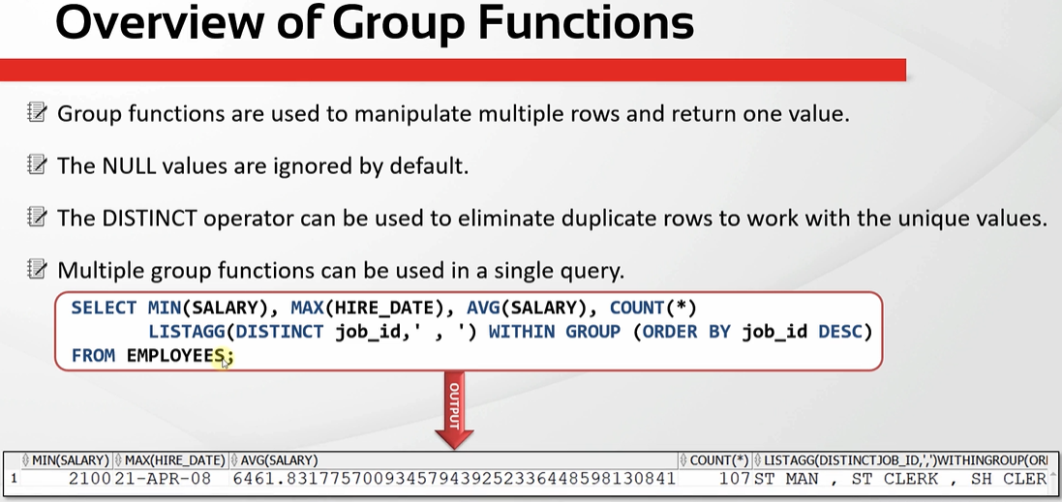

oracle\9.Group-Functions\7.Overview+of+Group+Functions+(Code+Samples).sql
/************* The Complete Oracle SQL Bootcamp *************
* Author : Oracle Master Training *
* Course : The Complete Oracle SQL Bootcamp *
* Lecture : Overview of Group Functions *
************************************************************/

SELECT SUM(salary), AVG(salary), MAX(hire_date), MIN(commission_pct),
COUNT(DISTINCT manager_id), LISTAGG(job_id,',')
FROM employees;

SELECT SUM(salary), AVG(salary), MAX(hire_date), MIN(commission_pct),
COUNT(DISTINCT manager_id), LISTAGG(job_id,','), hire_date |  |  | → | If we write a column name without a group function. For example hire_date we will get an error. So if we write a group function
FROM employees |  |  |  | in a query, all the columns must be within a group function. If not we get an error

SELECT SUM(salary), AVG(salary), MAX(hire_date), MIN(commission_pct),
COUNT(DISTINCT manager_id), LISTAGG(job_id,',')
FROM employees;

