ORDER BY Clause
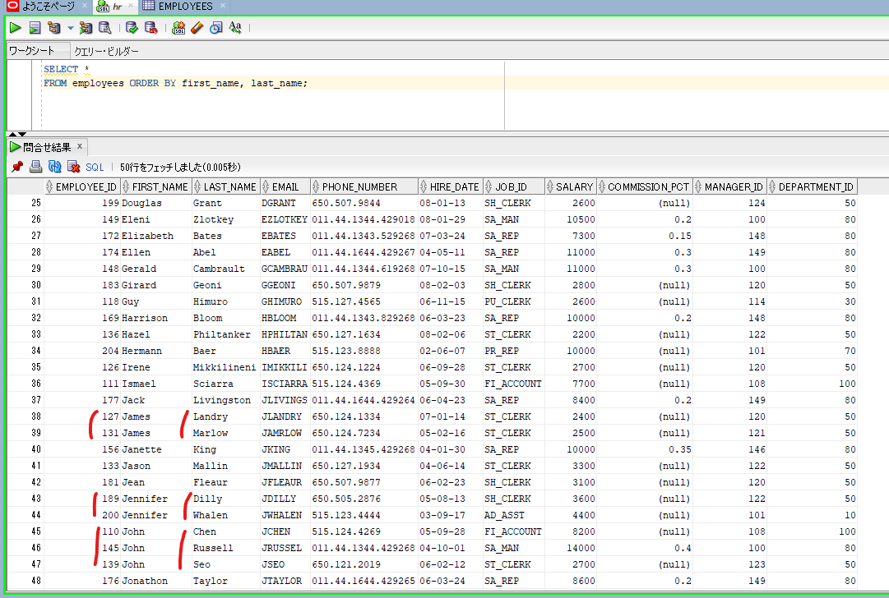
oracle
 | 1.Installing-VMware-and-VirtualBox-on-Windows
 | 2.Retrieving-Data
 | 3.RestrictingData
 | 4.SortingData
 |  | 1.ORDER+BY+Clause(Code+Samples).sql | → | new

oracle\4.SortingData\1.ORDER+BY+Clause(Code+Samples).sql
/************* The Complete Oracle SQL Bootcamp ****************
* Author : Oracle Master Training *
* Course : The Complete Oracle SQL Bootcamp *
* Lecture : ORDER BY Clause *
***************************************************************/

SELECT * FROM employees;
SELECT first_name, last_name, salary FROM employees ORDER BY first_name;
SELECT first_name, last_name, salary FROM employees ORDER BY last_name;
SELECT first_name, last_name, salary, (10*(salary/5) + 3000) - 100 NEW_SALARY
FROM employees ORDER BY NEW_SALARY;
SELECT first_name, last_name, salary, (10*(salary/5) + 3000) - 100 NEW_SALARY
FROM employees ORDER BY 1;
SELECT first_name, last_name, salary, (10*(salary/5) + 3000) - 100 NEW_SALARY
FROM employees ORDER BY 2;
SELECT *
FROM employees ORDER BY 2;
SELECT *
FROM employees ORDER BY 5;
SELECT *
FROM employees ORDER BY first_name, last_name;
SELECT *
FROM employees ORDER BY first_name, job_id, salary;

SELECT first_name, last_name, salary, (10*(salary/5) + 3000) - 100 NEW_SALARY
FROM employees ORDER BY NEW_SALARY;
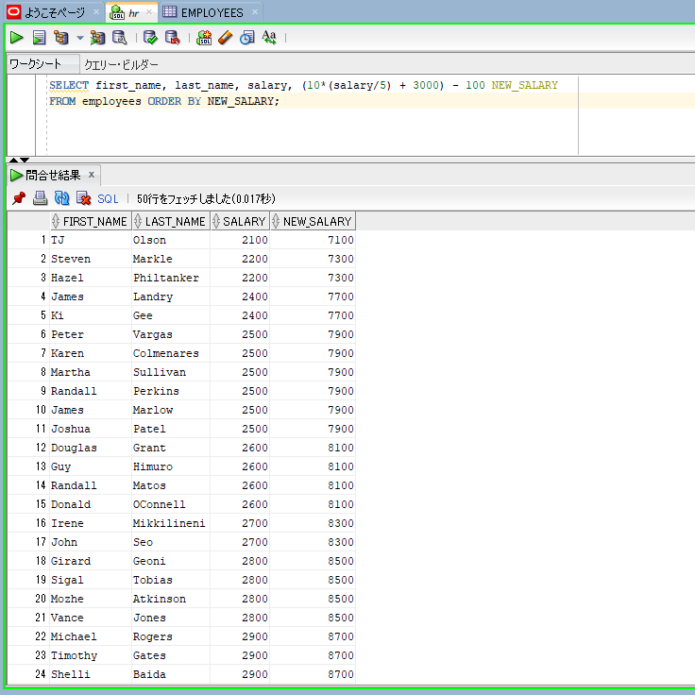

SELECT first_name, last_name, salary, (10*(salary/5) + 3000) - 100 NEW_SALARY
FROM employees ORDER BY 1;
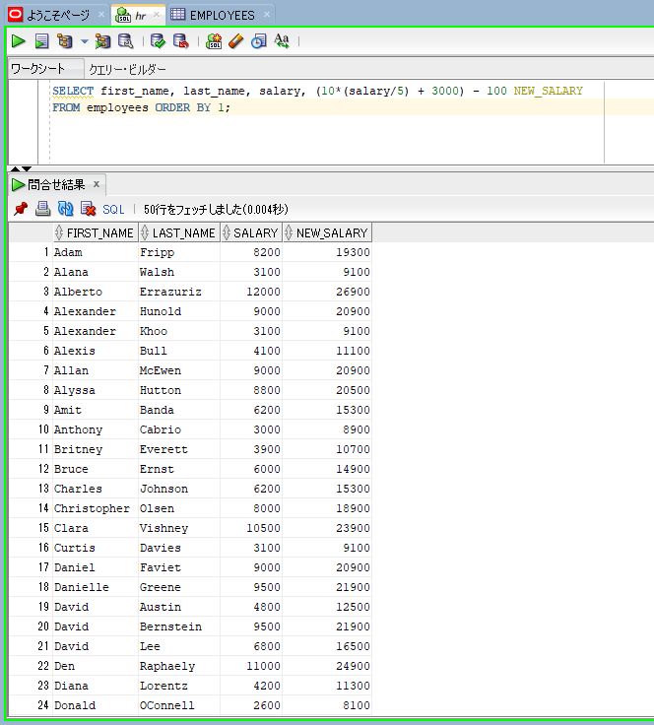

SELECT *
FROM employees ORDER BY 2;
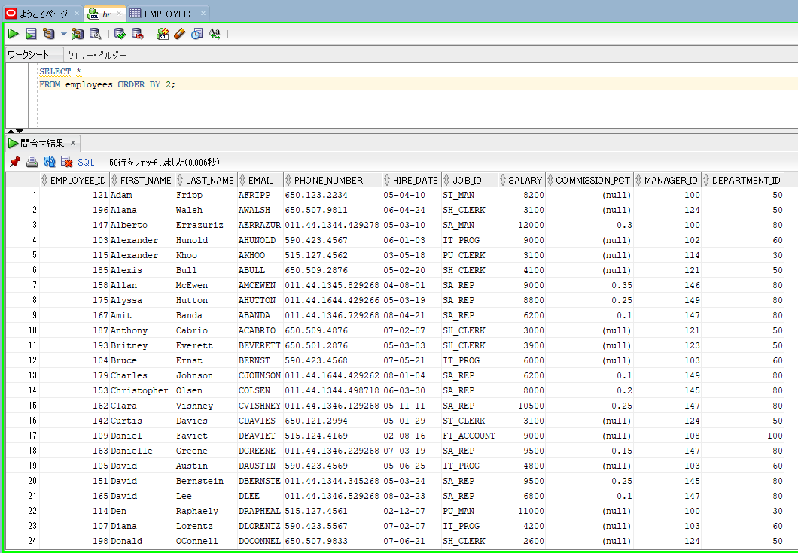

SELECT *
FROM employees ORDER BY first_name, last_name;

ASC and DESC Operators
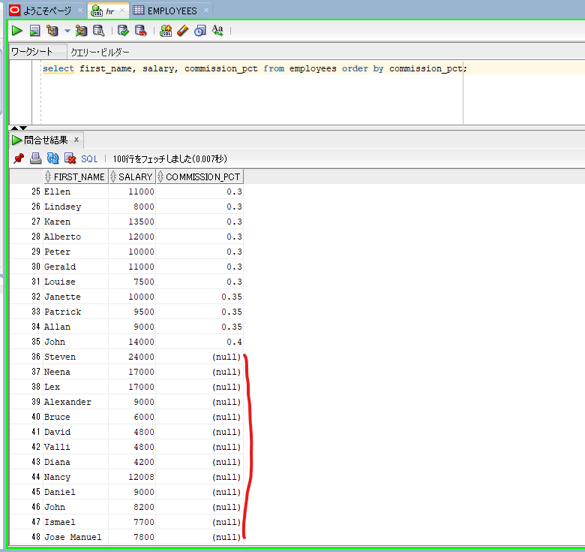
oracle
 | 1.Installing-VMware-and-VirtualBox-on-Windows
 | 2.Retrieving-Data
 | 3.RestrictingData
 | 4.SortingData
 |  | 1.ORDER+BY+Clause(Code+Samples).sql
 |  | 2.ASC+and+DESC+Operators(Code+Samples).sql | → | new

oracle\4.SortingData\2.ASC+and+DESC+Operators(Code+Samples).sql
/************* The Complete Oracle SQL Bootcamp ****************
* Author : Oracle Master Training *
* Course : The Complete Oracle SQL Bootcamp *
* Lecture : ASC and DESC Operators *
***************************************************************/

select employee_id, first_name, last_name, salary from employees order by first_name;
select employee_id, first_name, last_name, salary from employees order by first_name asc;
select employee_id, first_name, last_name, salary from employees order by first_name desc;
select employee_id, first_name, last_name, salary from employees order by first_name desc, last_name;
select employee_id, first_name, last_name, salary from employees order by first_name desc, last_name desc;
select employee_id, first_name, last_name, salary from employees order by first_name desc, salary desc;
select employee_id, first_name, last_name, salary s from employees order by first_name desc, s desc;
select employee_id, first_name, last_name, salary s from employees order by 2 desc, s desc;
select first_name, salary, commission_pct from employees order by commission_pct;

select first_name, salary, commission_pct from employees order by commission_pct;

NullsFirstAndNullsLASTOperators
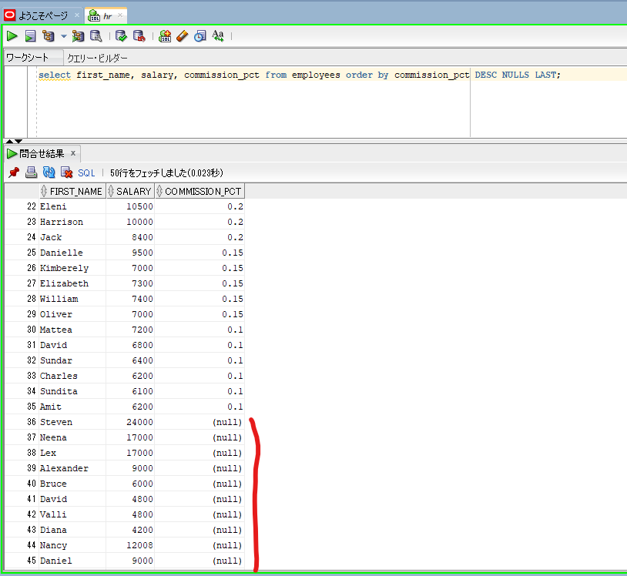
NULLS FIRST and NULLS LAST Operators

oracle
 | 1.Installing-VMware-and-VirtualBox-on-Windows
 | 2.Retrieving-Data
 | 3.RestrictingData
 | 4.SortingData
 |  | 1.ORDER+BY+Clause(Code+Samples).sql
 |  | 2.ASC+and+DESC+Operators(Code+Samples).sql
 |  | 3.NULLS+FIRST+and+NULLS+LAST+Operators(Code+Samples).sql | → | new

oracle\4.SortingData\3.NULLS+FIRST+and+NULLS+LAST+Operators(Code+Samples).sql
/************* The Complete Oracle SQL Bootcamp ****************
* Author : Oracle Master Training *
* Course : The Complete Oracle SQL Bootcamp *
* Lecture : NULLS FIRST and NULLS LAST Operators *
***************************************************************/

select first_name, salary, commission_pct from employees order by commission_pct;
select first_name, salary, commission_pct from employees order by commission_pct NULLS FIRST;
select first_name, salary, commission_pct from employees order by commission_pct ASC NULLS FIRST;
select first_name, salary, commission_pct from employees order by commission_pct DESC;
select first_name, salary, commission_pct from employees order by commission_pct DESC NULLS LAST;

select first_name, salary, commission_pct from employees order by commission_pct ASC NULLS FIRST; |  |  |  |  | → | NULLS FIRST with ASC
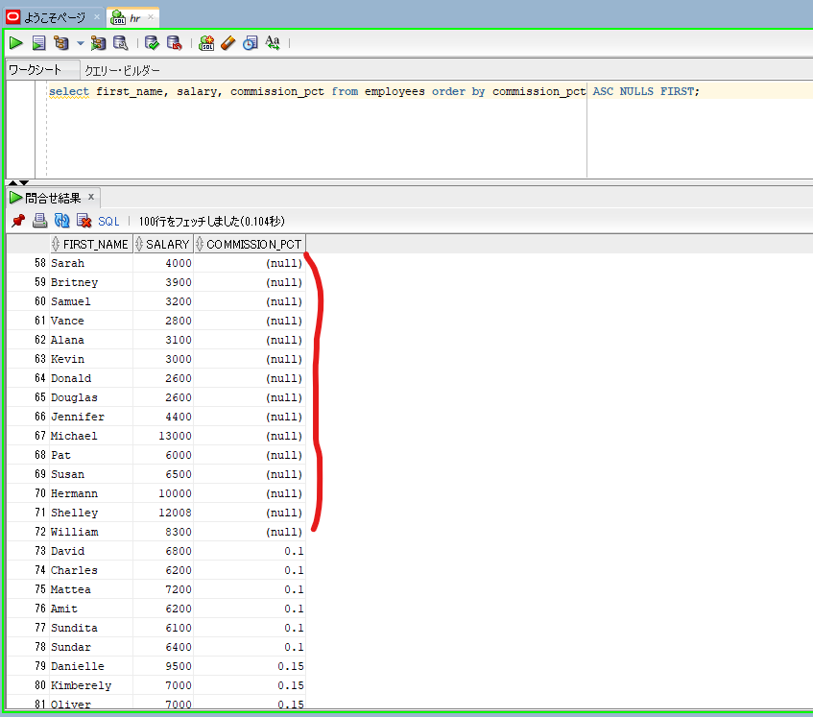

select first_name, salary, commission_pct from employees order by commission_pct DESC NULLS LAST; |  |  |  |  | → | NULLS LAST with DESC

ROWNUM & ROWID in SQL
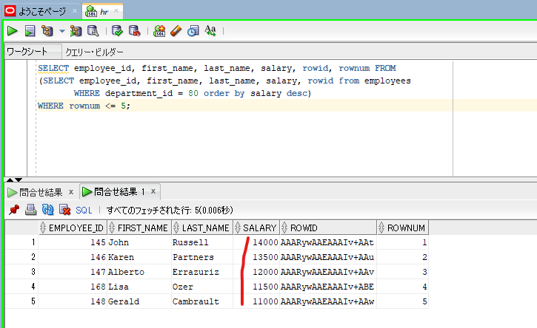
oracle
 | 1.Installing-VMware-and-VirtualBox-on-Windows
 | 2.Retrieving-Data
 | 3.RestrictingData
 | 4.SortingData
 |  | 1.ORDER+BY+Clause(Code+Samples).sql
 |  | 2.ASC+and+DESC+Operators(Code+Samples).sql
 |  | 3.NULLS+FIRST+and+NULLS+LAST+Operators(Code+Samples).sql
 |  | 4.ROWNUM+and+ROWID+in+SQL(Code+Samples).sql | → | new

oracle\4.SortingData\4.ROWNUM+and+ROWID+in+SQL(Code+Samples).sql
/************* The Complete Oracle SQL Bootcamp ****************
* Author : Oracle Master Training *
* Course : The Complete Oracle SQL Bootcamp *
* Lecture : ROWNUM and ROWID in SQL *
***************************************************************/

SELECT employee_id, first_name, last_name, salary, rowid, rownum from employees;
SELECT employee_id, first_name, last_name, salary, rowid, rownum from employees where department_id = 60;
SELECT employee_id, first_name, last_name, salary, rowid, rownum from employees where department_id = 80;
SELECT employee_id, first_name, last_name, salary, rowid, rownum from employees
WHERE department_id = 80 and rownum <= 5 order by salary desc;

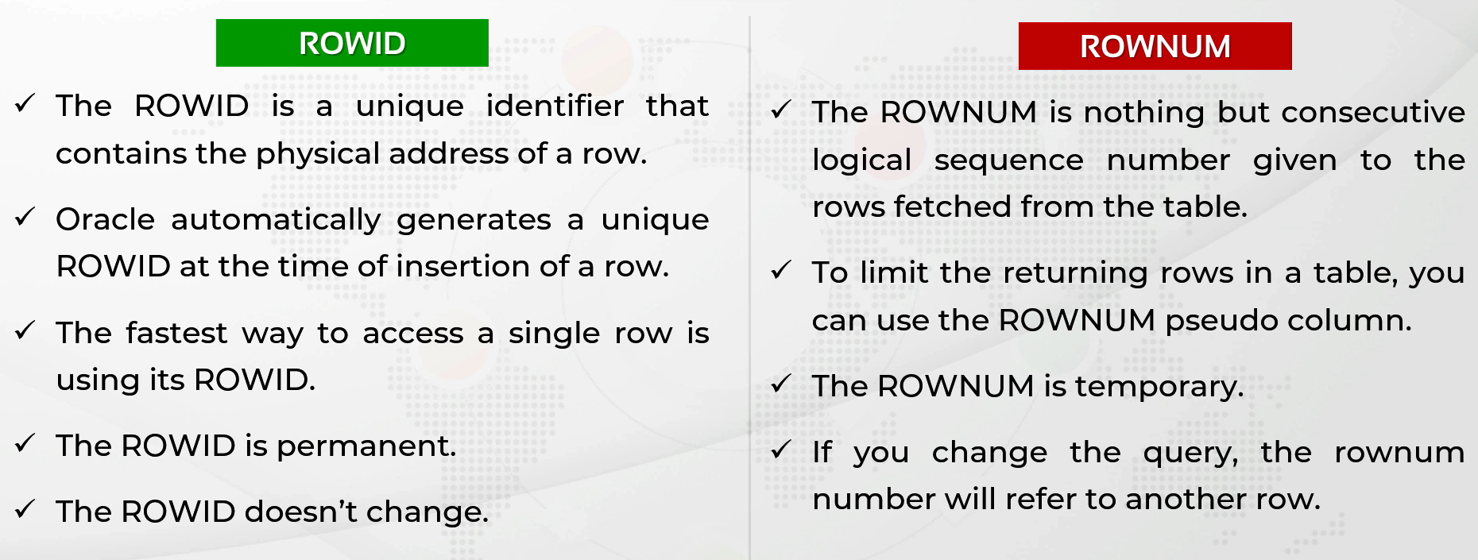

If you query that specific row maybe thousands of times a day and that row will not be
deleted, if you use its ROWID, it will provide a very nice performance gain, even better than using
an index.

SELECT employee_id, first_name, last_name, salary, rowid, rownum from employees;
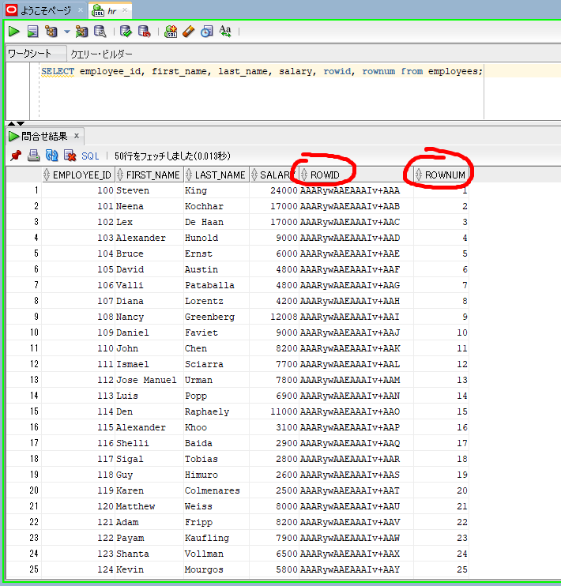

SELECT employee_id, first_name, last_name, salary, rowid, rownum from employees
WHERE department_id = 80
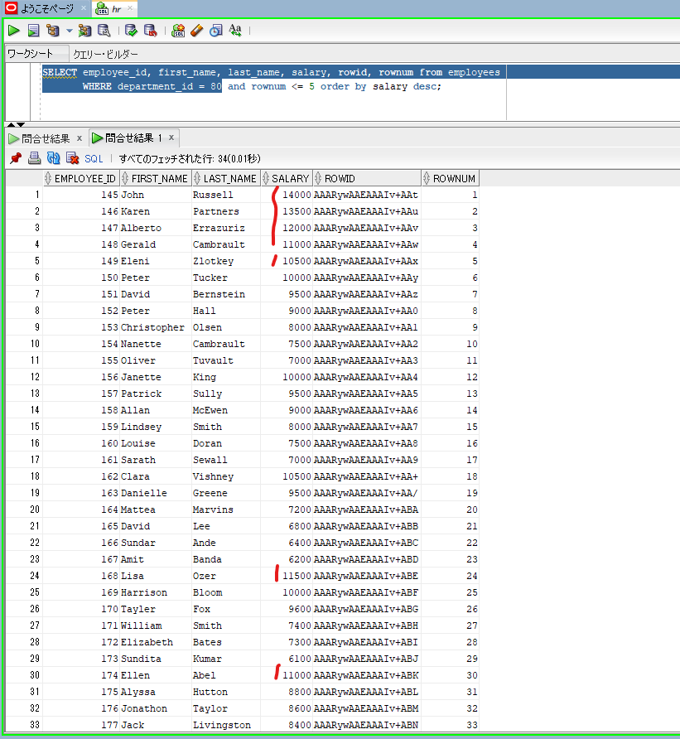

 |  |  |  |  | → | The first four rows are eleven thousand and above. But the fifth one is below eleven thousand.

 |  |  |  |  | → | there are some rows equal or above eleven thousand.

SELECT employee_id, first_name, last_name, salary, rowid, rownum from employees |  |  |  |  | → | we can use the rownum pseudocolumn to limit the returning rows.
WHERE department_id = 80 and rownum <= 5 order by salary desc;
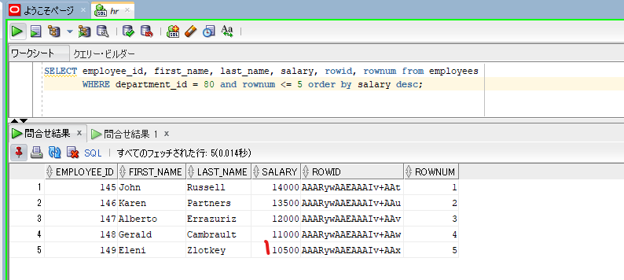

 |  |  |  |  | → | As you can see, this result is the same as the first 5 rows of the result without the order by.
 |  |  |  |  |  | And the fifth salary is below 11000.
 |  |  |  |  |  | So in this case, this is not what we want
 |  |  |  |  |  | The reason is, the rownum is calculated before all the rows are sorted.
 |  |  |  |  |  | So the order by sorts only the first 5 rows of that result now.

SELECT employee_id, first_name, last_name, salary, rowid, rownum FROM |  |  |  |  | → | we need to make the database calculate the rownum after sorting all the rows.
(SELECT employee_id, first_name, last_name, salary, rowid from employees
WHERE department_id = 80 order by salary desc)
WHERE rownum <= 5;

Oracle FETCH Clause
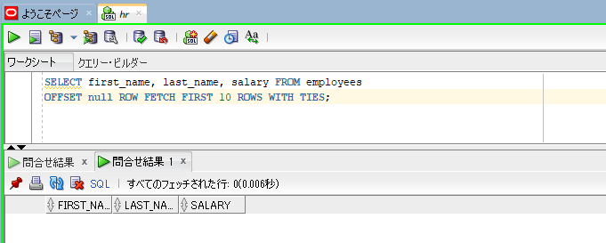
oracle
 | 1.Installing-VMware-and-VirtualBox-on-Windows
 | 2.Retrieving-Data
 | 3.RestrictingData
 | 4.SortingData
 |  | 1.ORDER+BY+Clause(Code+Samples).sql
 |  | 2.ASC+and+DESC+Operators(Code+Samples).sql
 |  | 3.NULLS+FIRST+and+NULLS+LAST+Operators(Code+Samples).sql
 |  | 4.ROWNUM+and+ROWID+in+SQL(Code+Samples).sql
 |  | 5.Oracle+FETCH+Clause(Code+Samples).sql | → | new

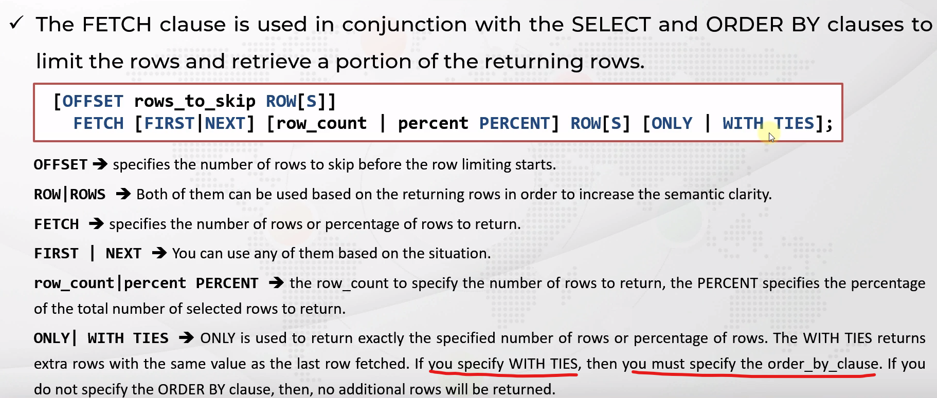

oracle\4.SortingData\5.Oracle+FETCH+Clause(Code+Samples).sql
/************* The Complete Oracle SQL Bootcamp ****************
* Author : Oracle Master Training *
* Course : The Complete Oracle SQL Bootcamp *
* Lecture : Oracle FETCH Clause *
***************************************************************/

SELECT first_name, last_name, salary FROM employees
ORDER BY salary DESC
OFFSET 1 ROW FETCH FIRST 10 ROWS ONLY;

SELECT first_name, last_name, salary FROM employees
ORDER BY salary DESC
OFFSET 1 ROW FETCH FIRST 10 ROWS WITH TIES;

SELECT first_name, last_name, salary FROM employees
OFFSET 1 ROW FETCH FIRST 10 ROWS WITH TIES;

SELECT first_name, last_name, salary FROM employees
ORDER BY salary DESC
FETCH FIRST 10 ROWS WITH TIES;

SELECT first_name, last_name, salary FROM employees
ORDER BY salary DESC
OFFSET 5 ROW;

SELECT first_name, last_name, salary FROM employees
ORDER BY salary DESC
OFFSET 1 ROWS FETCH FIRST 10 ROWS WITH TIES;

SELECT first_name, last_name, salary FROM employees
ORDER BY salary DESC
OFFSET 1 ROWS FETCH FIRST 10 ROWS WITH TIES;

SELECT first_name, last_name, salary FROM employees
ORDER BY salary DESC;
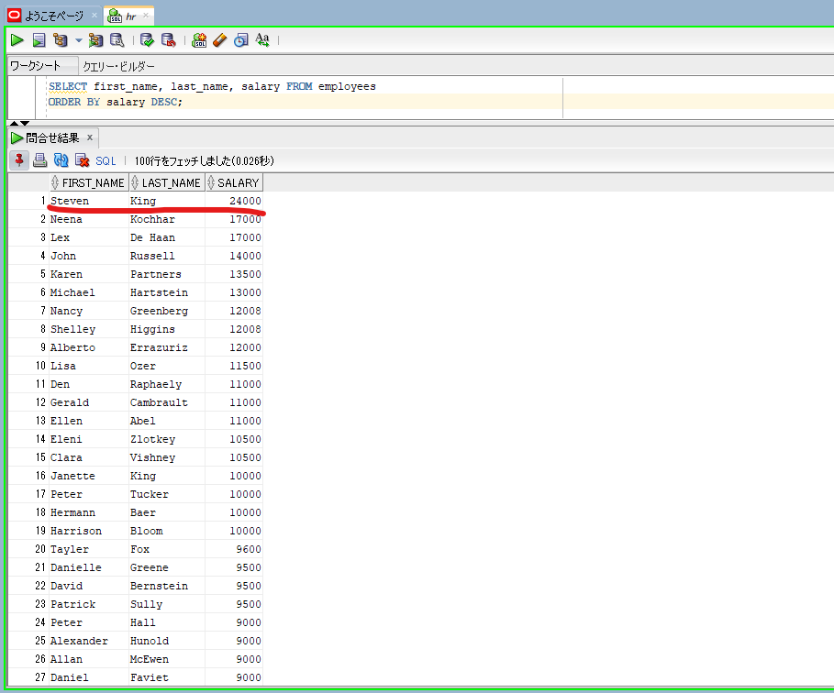

SELECT first_name, last_name, salary FROM employees
ORDER BY salary DESC
OFFSET 1 ROW FETCH FIRST 10 ROWS ONLY; |  |  |  | → | ONLY: get exact number(10) of rows that we specified
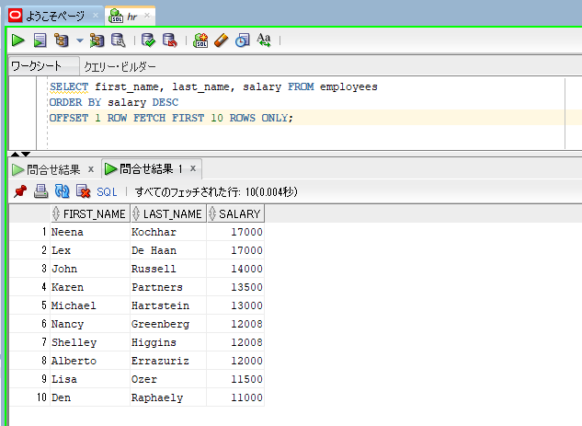
 |  |  |  |  | FIRST and NEXT is the same
 |  |  |  |  | ROW and ROWS is the same

SELECT first_name, last_name, salary FROM employees
ORDER BY salary DESC
OFFSET 1 ROW FETCH FIRST 10 ROWS WITH TIES;
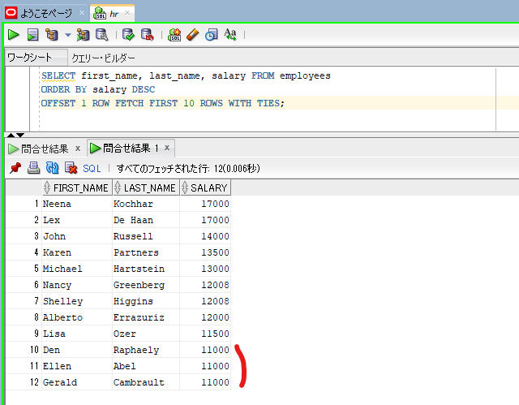

 |  |  |  | → | last row fetched has value is 11000

 |  |  |  | → | 12 rows are returned as the result. There are 2 additional employees who have the same salary as the last row fetched which is 11000 here

SELECT first_name, last_name, salary FROM employees
OFFSET 1 ROW FETCH FIRST 10 ROWS WITH TIES; |  |  |  | → | using WITH TIES but no order by so only 10 rows returned. While using WITH TIES option we need to use ORDER BY
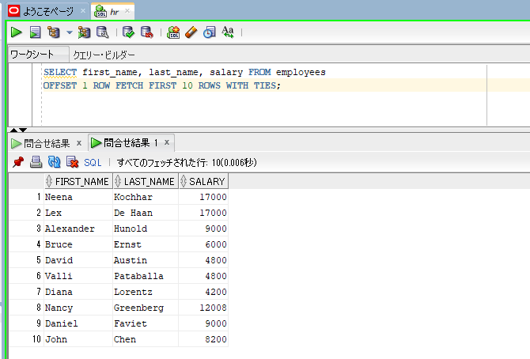

SELECT first_name, last_name, salary FROM employees
OFFSET null ROW FETCH FIRST 10 ROWS WITH TIES; |  |  |  | → | if any of these numbers are null. It will be no result

