LIKE Operator
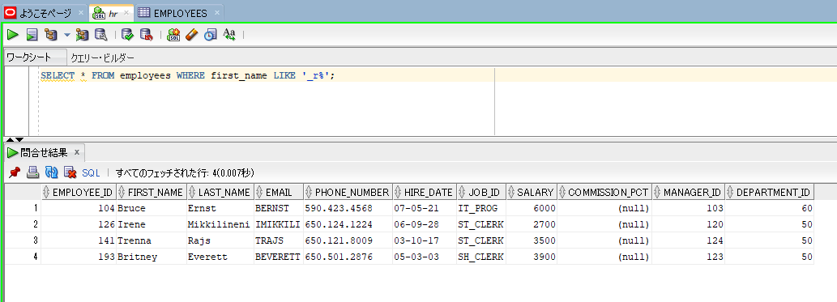
oracle
 | 1.Installing-VMware-and-VirtualBox-on-Windows
 | 2.Retrieving-Data
 | 3.RestrictingData
 |  | 1.LIKE+Operator(Code+Samples).sql | → | new

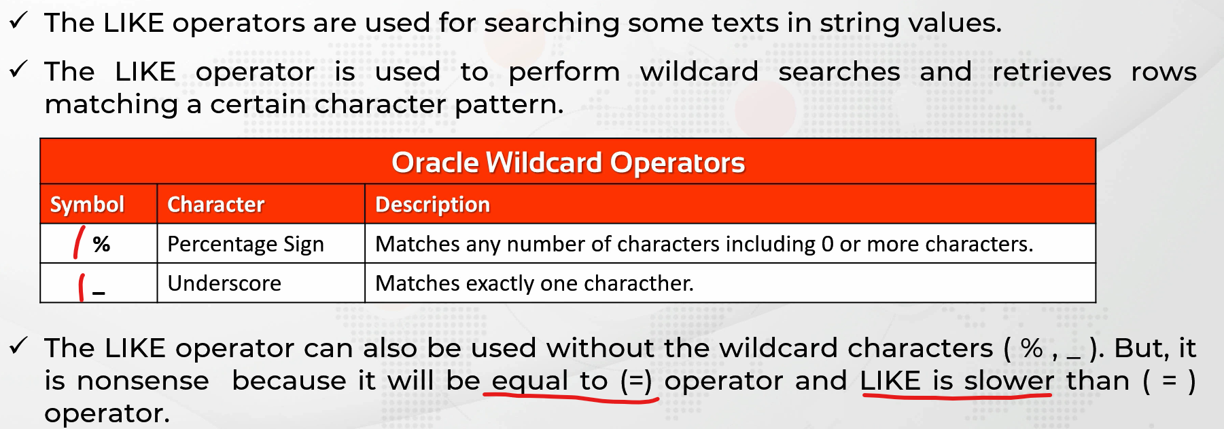

oracle\3.RestrictingData\1.LIKE+Operator(Code+Samples).sql
/************* The Complete Oracle SQL Bootcamp ****************
* Author : Oracle Master Training *
* Course : The Complete Oracle SQL Bootcamp *
* Lecture : LIKE Operator *
***************************************************************/

SELECT * FROM employees;
SELECT * FROM employees WHERE job_id = 'SA_REP';
SELECT * FROM employees WHERE job_id LIKE 'SA_REP';
SELECT * FROM employees WHERE job_id LIKE 'SA%';
SELECT * FROM employees WHERE first_name LIKE 'A%';
SELECT * FROM employees WHERE first_name LIKE '%A';
SELECT * FROM employees WHERE first_name LIKE '%a';
SELECT * FROM employees WHERE first_name LIKE '%a%';
SELECT * FROM employees WHERE first_name LIKE '_r%';

SELECT * FROM employees WHERE first_name LIKE '_r%'; |  |  |  |  | → | We don’t care the first character. It can be anything. There has to be one character but it can be anything, not important.

IS NULL Operator
oracle
 | 1.Installing-VMware-and-VirtualBox-on-Windows
 | 2.Retrieving-Data
 | 3.RestrictingData
 |  | 1.LIKE+Operator(Code+Samples).sql
 |  | 2.IS+NULL+Operator(Code+Samples).sql | → | new



oracle\3.RestrictingData\2.IS+NULL+Operator(Code+Samples).sql
/************* The Complete Oracle SQL Bootcamp ****************
* Author : Oracle Master Training *
* Course : The Complete Oracle SQL Bootcamp *
* Lecture : IS NULL Operator *
***************************************************************/

SELECT * FROM employees WHERE commission_pct = NULL;
SELECT * FROM employees WHERE commission_pct IS NULL;
SELECT * FROM employees WHERE commission_pct IS NOT NULL;

SELECT * FROM employees WHERE commission_pct = NULL; |  |  |  |  | → | We cannot perform a search by writing WHERE column_name = null.

Rules of Precedence
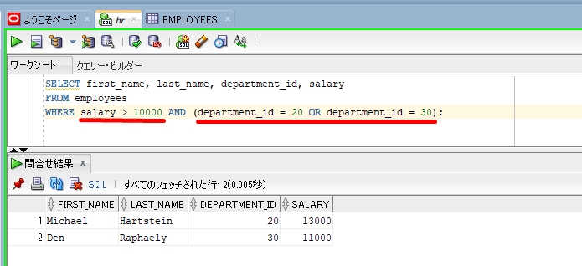
oracle
 | 1.Installing-VMware-and-VirtualBox-on-Windows
 | 2.Retrieving-Data
 | 3.RestrictingData
 |  | 1.LIKE+Operator(Code+Samples).sql
 |  | 2.IS+NULL+Operator(Code+Samples).sql
 |  | 3.Rules+of+Precedence(Code+Samples).sql | → | new

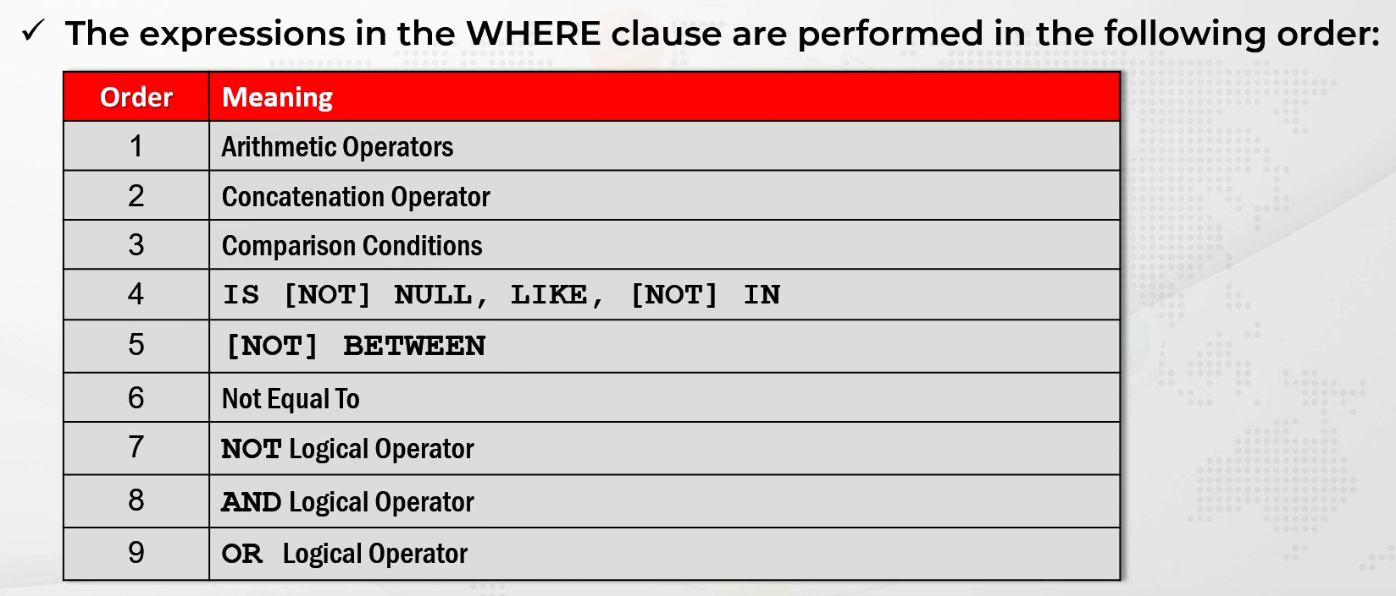

 |  |  |  |  |  |  |  |  | + - * /
 |  |  |  |  |  |  |  |  | ||

oracle\3.RestrictingData\3.Rules+of+Precedence(Code+Samples).sql
/************* The Complete Oracle SQL Bootcamp ****************
* Author : Oracle Master Training *
* Course : The Complete Oracle SQL Bootcamp *
* Lecture : Rules of Precedence *
***************************************************************/

SELECT first_name, last_name, job_id, salary FROM employees
WHERE (job_id = 'IT_PROG' or job_id = 'ST_CLERK') and salary > 5000;

SELECT first_name, last_name, job_id, salary FROM employees
WHERE job_id = 'IT_PROG' or (job_id = 'ST_CLERK' and salary > 5000);

SELECT first_name, last_name, job_id, salary FROM employees
WHERE job_id = 'IT_PROG' or job_id = 'ST_CLERK' and salary > 5000;

SELECT first_name, last_name, department_id, salary
FROM employees
WHERE salary > 10000 AND department_id = 20 OR department_id = 30;

SELECT first_name, last_name, department_id, salary
FROM employees
WHERE salary > 10000 AND (department_id = 20 OR department_id = 30);

SELECT first_name, last_name, job_id, salary FROM employees
WHERE job_id = 'IT_PROG' or job_id = 'ST_CLERK' and salary > 5000; |  |  |  |  | → | AND operation is performed first by default

SELECT first_name, last_name, job_id, salary FROM employees
WHERE job_id = 'IT_PROG' or (job_id = 'ST_CLERK' and salary > 5000);
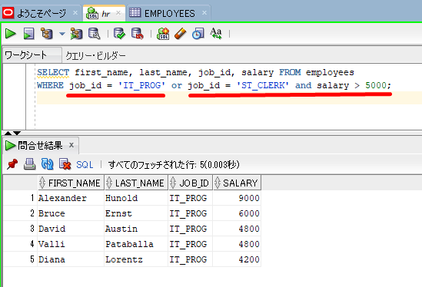

SELECT first_name, last_name, department_id, salary
FROM employees
WHERE salary > 10000 AND department_id = 20 OR department_id = 30;
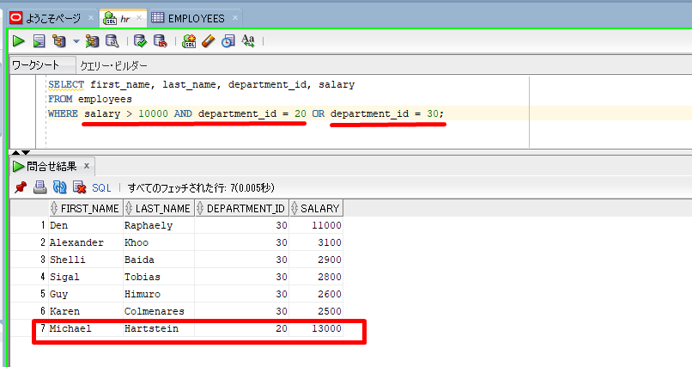

 |  |  |  |  |  |  | → | whose salary is greater than 10000 and department_id equal to 20

SELECT first_name, last_name, department_id, salary
FROM employees
WHERE salary > 10000 AND (department_id = 20 OR department_id = 30);

