postfix
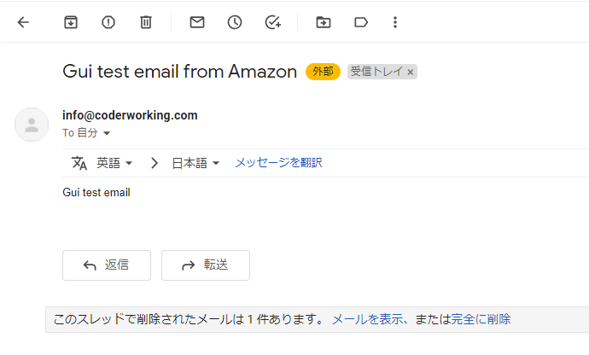
 | yum update -y
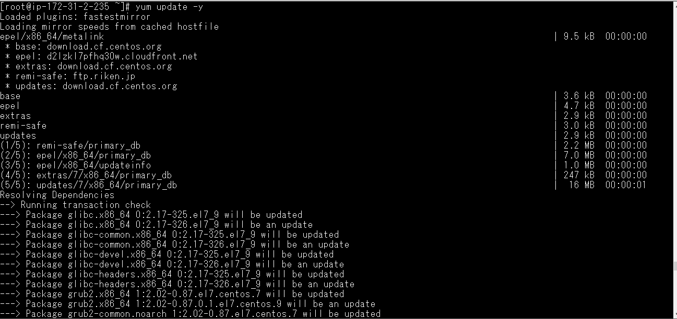

postfix install
 | yum install postfix mailx cyrus-sasl-plain cyrus-sasl-md5 -y
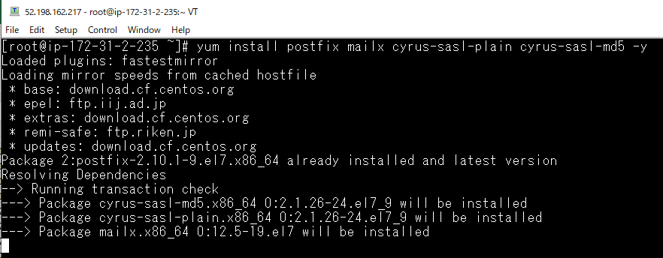

Postfix configuration
 | vi /etc/postfix/main.cf
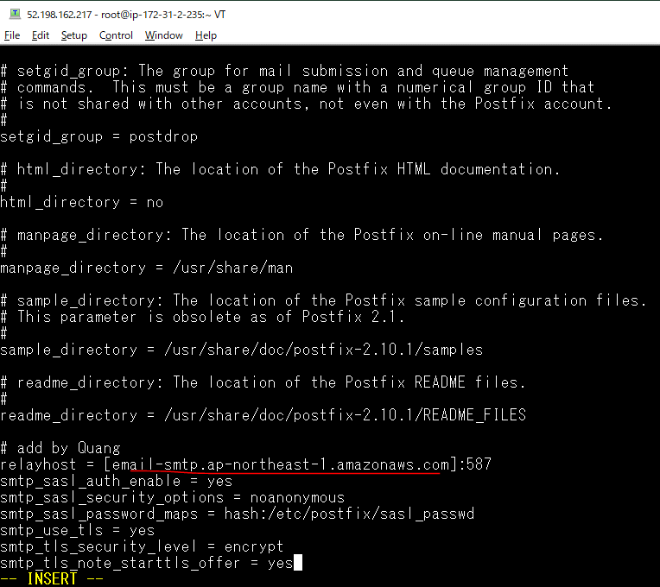

 | systemctl start postfix

 | yum install telnet -y
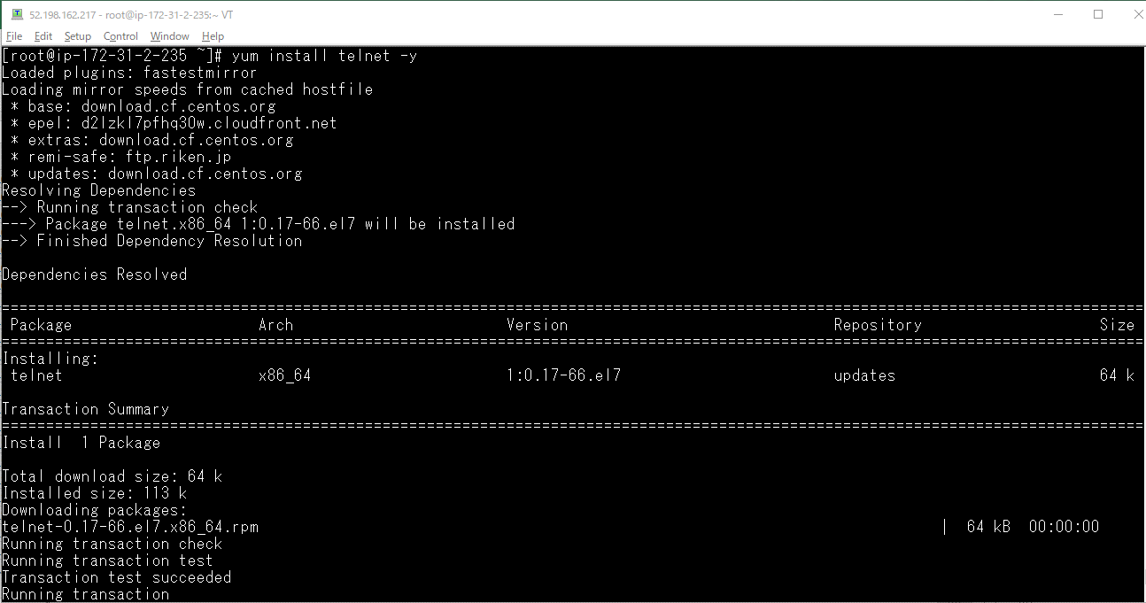

 | Check connected
 | telnet email-smtp.ap-northeast-1.amazonaws.com 587

 | vi /etc/postfix/sasl_passwd

 | postmap hash:/etc/postfix/sasl_passwd

 | chmod 600 /etc/postfix/sasl_passwd.db

 | remove /etc/postfix/sasl_passwd
 | sudo rm /etc/postfix/sasl_passwd

 | systemctl restart postfix
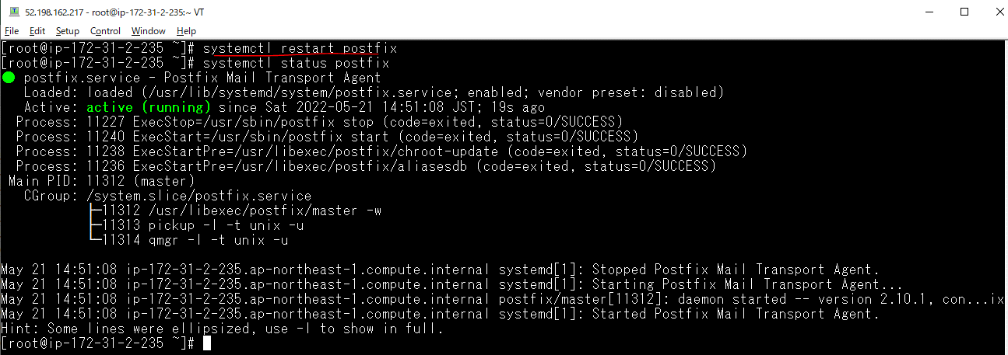

Send a test mail
 | echo "Gui test email" | mail -r info@coderworking.com -s "Gui test email from Amazon" quang-vu@dimage.co.jp

check log
 | tail -f /var/log/maillog

