aws certification manager
1. Load balancer settings
 | Mục | ALB news
 | Name | news-alb
 | Scheme | Internet-facing
 | IP address type | ipv4
 | Load balancer protocol | HTTP (80) HTTPS(443)
 | VPC | news-vpc
 | Availability Zone | ap-northeast-1c (news-1c-public) ap-northeast-1d (news-1d-public)
 | Security group | news-load-balancer

 | Target group
 | Mục | ALB news
 | Name | news-target-group
 | Target type | instance
 | Protocol | HTTP
 | Port | 80

 | Health check
 | Mục | ALB news
 | Protocol | HTTP
 | Health check path | /robots.txt
 | Healthy threshold | 5
 | Unhealthy threshold | 2
 | Timeout | 5
 | interval | 30
 | Success code | 200-399
 | Registered target | news

2. Trên từ instance đổi địa chỉ access thành ALB IP (news)
 | ssh [hostname]
 | su -
 | vi /etc/httpd/conf/httpd.conf
 | ...
 | LoadModule remoteip_module modules/mod_remoteip.so //Bỏ commentout
 | ...
 | LogFormat "%a %l %u %t \"%r\" %>s %b \"%{Referer}i\" \"%{User-Agent}i\"" combined //%h→%a
 | LogFormat "%a %l %u %t \"%r\" %>s %b" common //%h→%a
 | ...
 | RemoteIPHeader X-Forwarded-For //Thêm

 | # Restart apache
 | systemctl restart httpd

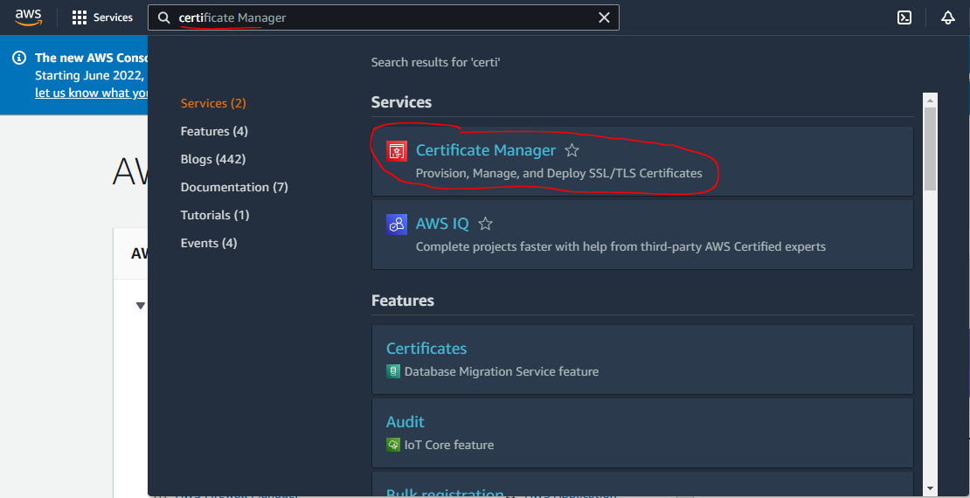

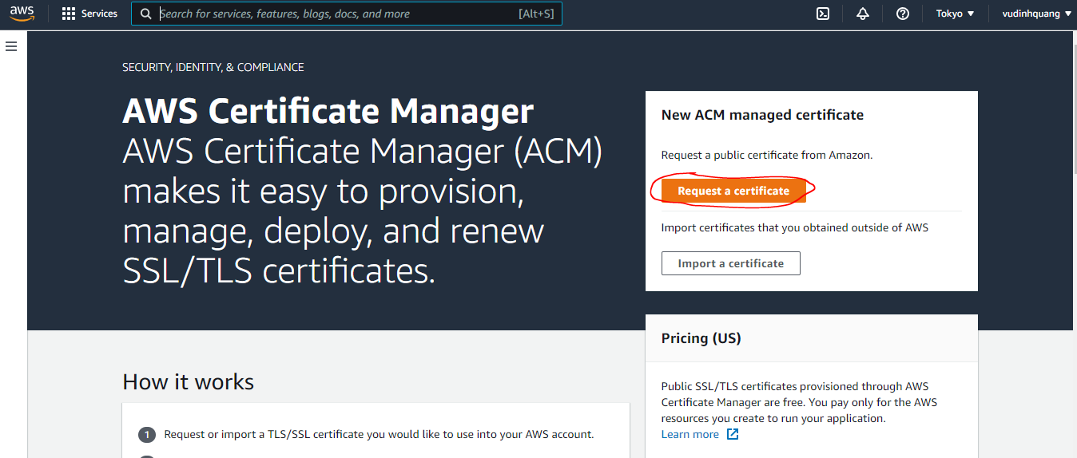

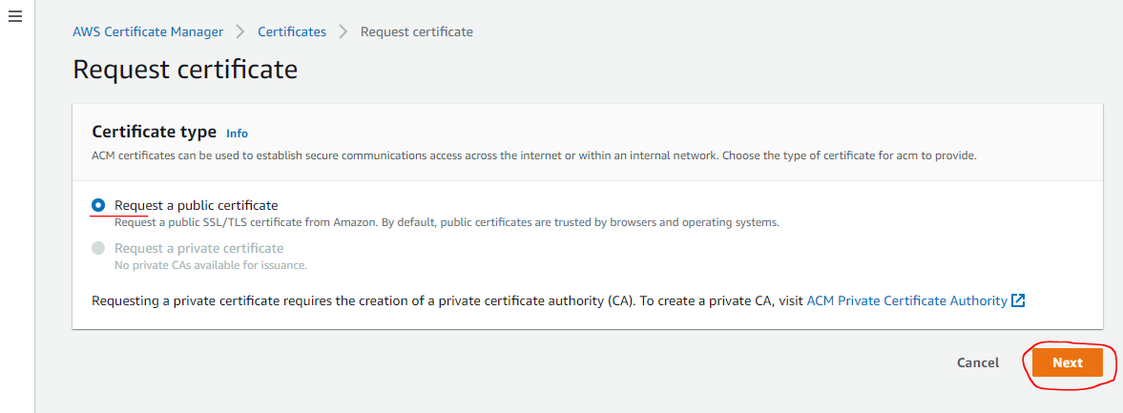

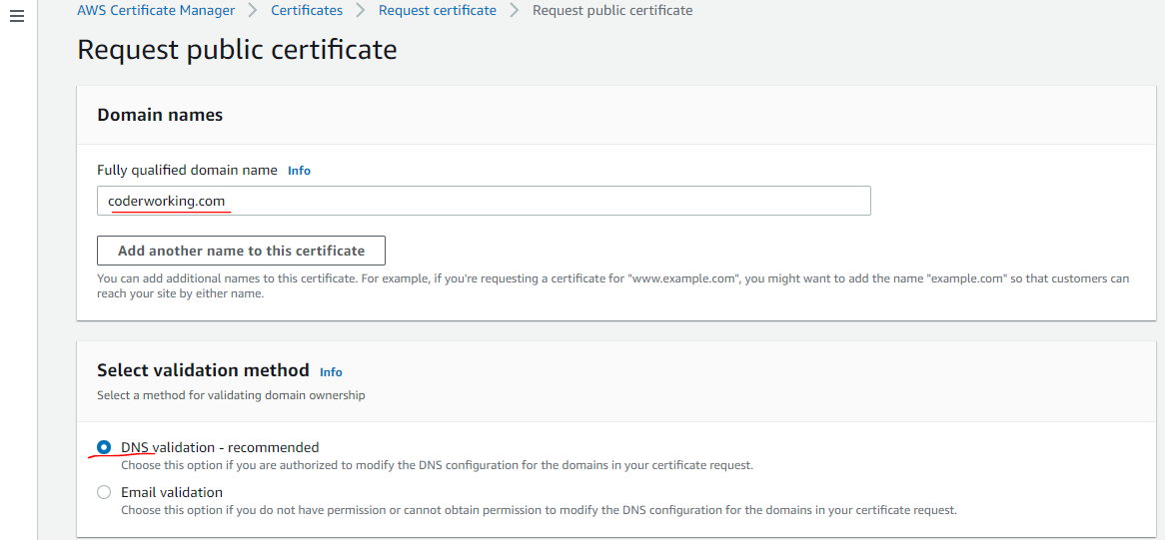

 | DNS_Configuration.csv is downloaded
 | Domain Name | Record Name | Record Type | Record Value
 | coderworking.com | _3207abb6289bf4379996ff53fb3eea99.coderworking.com. | CNAME | _c0d391f82c874e70b3828f2847db51bc.nhsllhhtvj.acm-validations.aws.
 | ↓
Add CNAME to Route 53
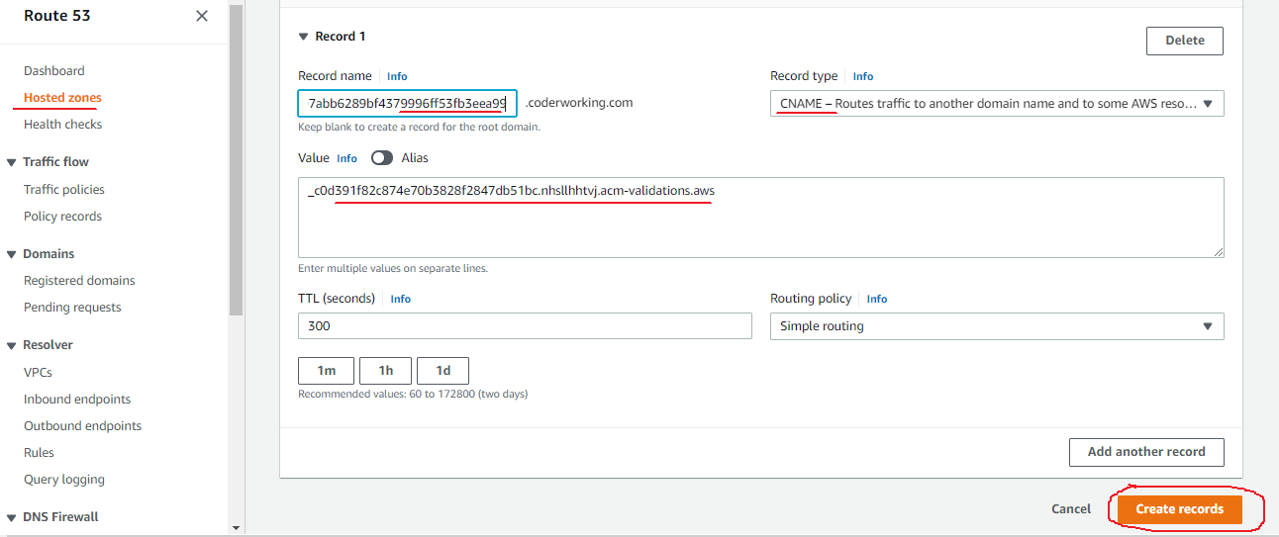

Wait some munites to Pending validation AWS Certificate Manager

Target groups
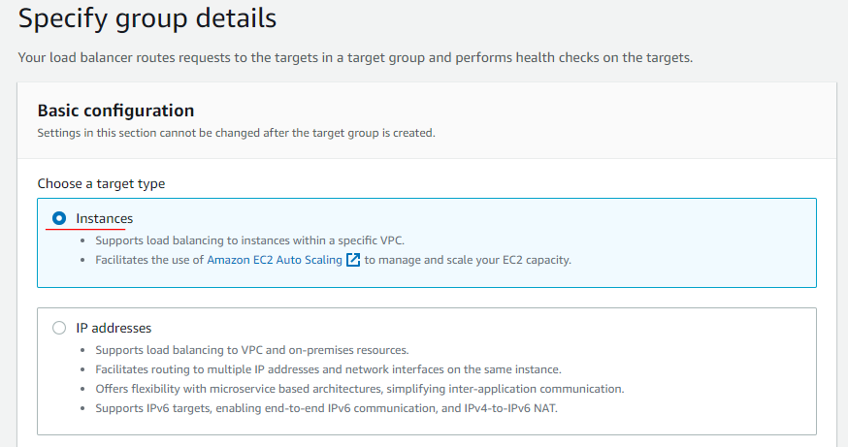
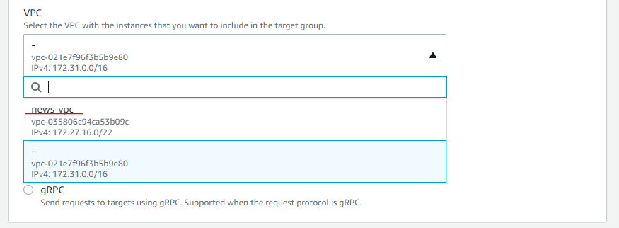
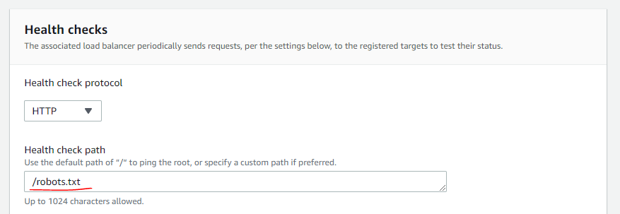
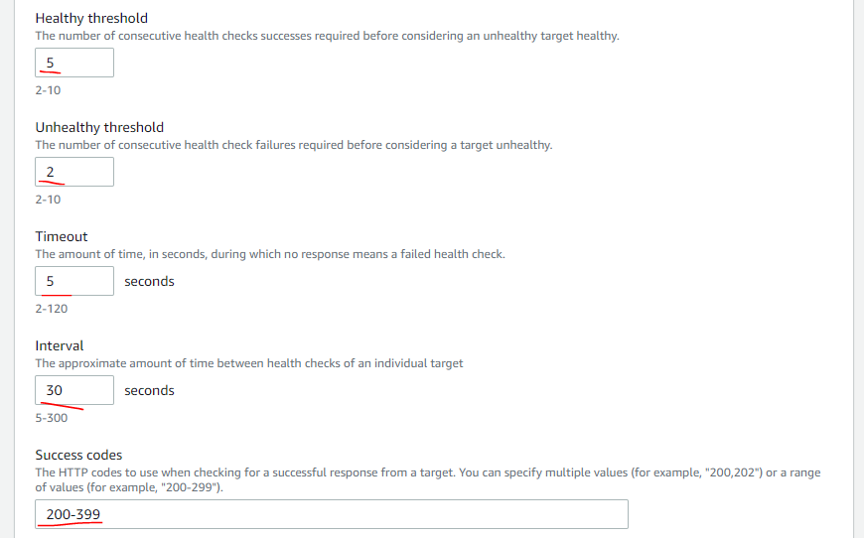
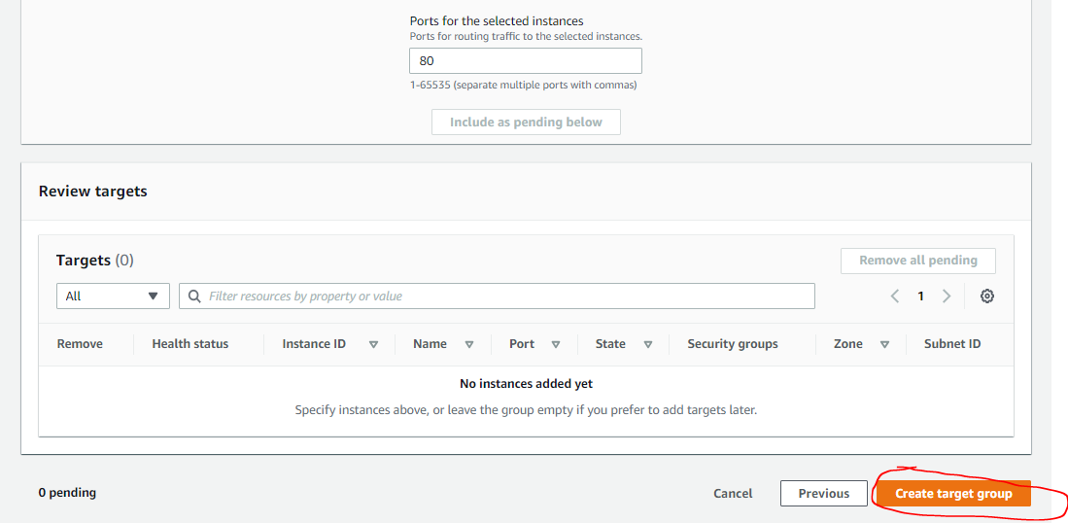
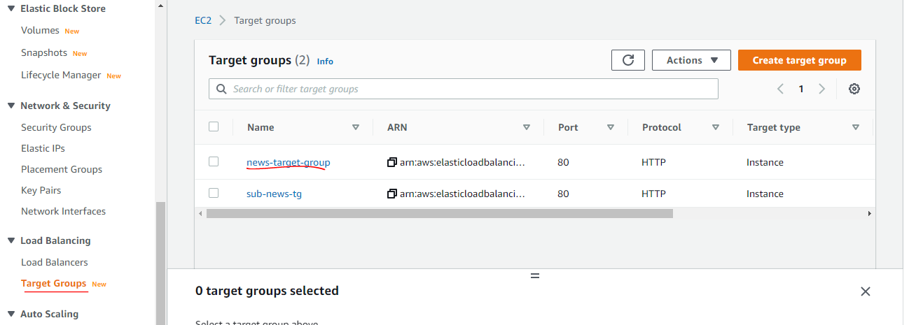
1. Load balancer settings
 | Mục | ALB news
 | Name | news-alb
 | Scheme | Internet-facing
 | IP address type | ipv4
 | Load balancer protocol | HTTP (80) HTTPS(443)
 | VPC | news-vpc
 | Availability Zone | ap-northeast-1c (news-1c-public) ap-northeast-1d (news-1d-public)
 | Security group | news-load-balancer

 | Target group
 | Mục | ALB news
 | Name | news-target-group
 | Target type | instance
 | Protocol | HTTP
 | Port | 80

 | Health check
 | Mục | ALB news
 | Protocol | HTTP
 | Health check path | /robots.txt
 | Healthy threshold | 5
 | Unhealthy threshold | 2
 | Timeout | 5
 | interval | 30
 | Success code | 200-399
 | Registered target | news

2. Trên từ instance đổi địa chỉ access thành ALB IP (news)
 | ssh [hostname]
 | su -
 | vi /etc/httpd/conf/httpd.conf
 | ...
 | LoadModule remoteip_module modules/mod_remoteip.so //Bỏ commentout
 | ...
 | LogFormat "%a %l %u %t \"%r\" %>s %b \"%{Referer}i\" \"%{User-Agent}i\"" combined //%h→%a
 | LogFormat "%a %l %u %t \"%r\" %>s %b" common //%h→%a
 | ...
 | RemoteIPHeader X-Forwarded-For //Thêm

 | # Restart apache
 | systemctl restart httpd

1. Load balancer settings(Target group)

Load balancer
1. Load balancer settings
 | Mục | ALB news
 | Name | news-alb
 | Scheme | Internet-facing
 | IP address type | ipv4
 | Load balancer protocol | HTTP (80) HTTPS(443)
 | VPC | news-vpc
 | Availability Zone | ap-northeast-1c (news-1c-public) ap-northeast-1d (news-1d-public)
 | Security group | news-load-balancer

 | Target group
 | Mục | ALB news
 | Name | news-target-group
 | Target type | instance
 | Protocol | HTTP
 | Port | 80

 | Health check
 | Mục | ALB news
 | Protocol | HTTP
 | Health check path | /robots.txt
 | Healthy threshold | 5
 | Unhealthy threshold | 2
 | Timeout | 5
 | interval | 30
 | Success code | 200-399
 | Registered target | news

2. Trên từ instance đổi địa chỉ access thành ALB IP (news)
 | ssh [hostname]
 | su -
 | vi /etc/httpd/conf/httpd.conf
 | ...
 | LoadModule remoteip_module modules/mod_remoteip.so //Bỏ commentout
 | ...
 | LogFormat "%a %l %u %t \"%r\" %>s %b \"%{Referer}i\" \"%{User-Agent}i\"" combined //%h→%a
 | LogFormat "%a %l %u %t \"%r\" %>s %b" common //%h→%a
 | ...
 | RemoteIPHeader X-Forwarded-For //Thêm

 | # Restart apache
 | systemctl restart httpd

1. Load balancer settings

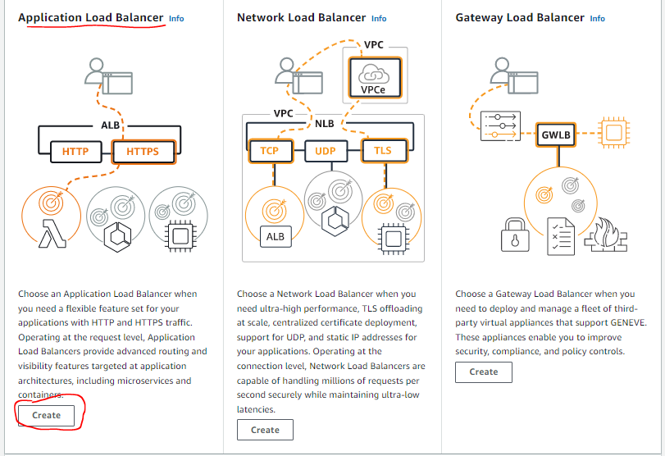

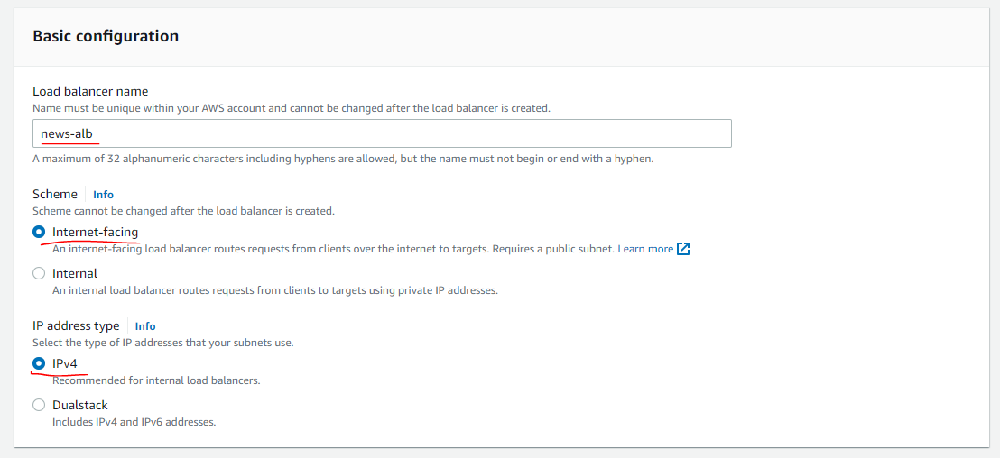

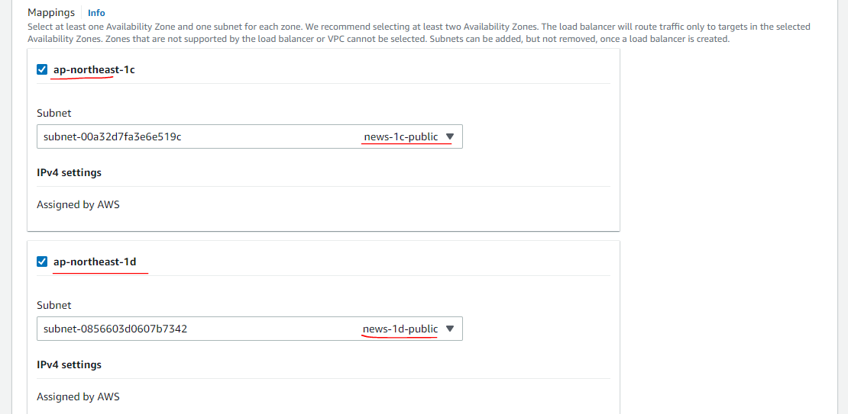

 |  |  | Now EC2 netwok using Subnet ap-northeast-1c

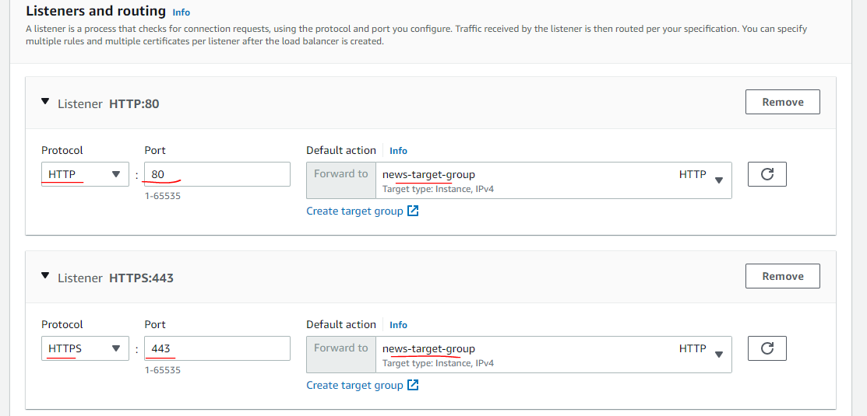

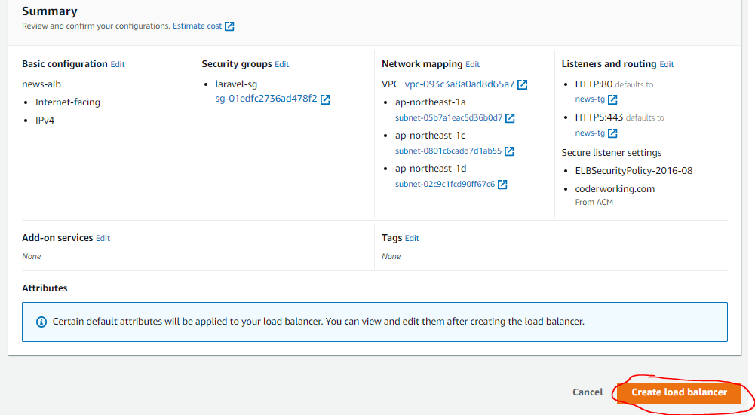

Certificate is in using

Edit A record in Route 53
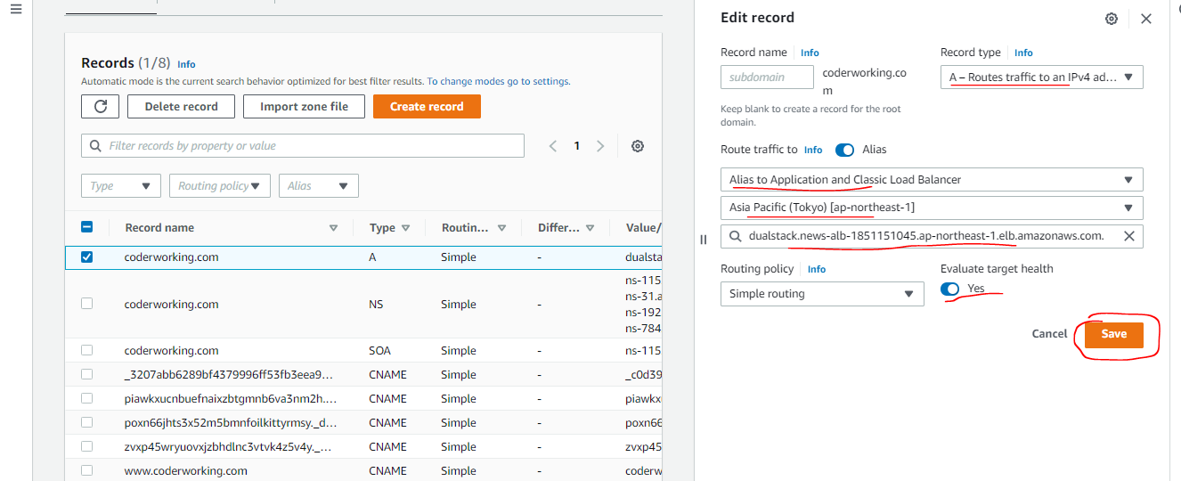

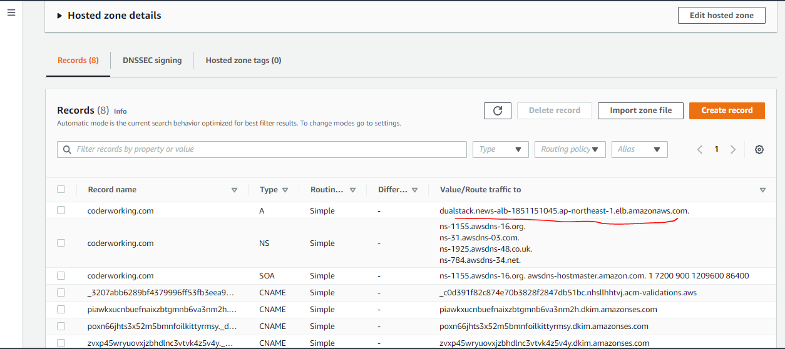

Register target
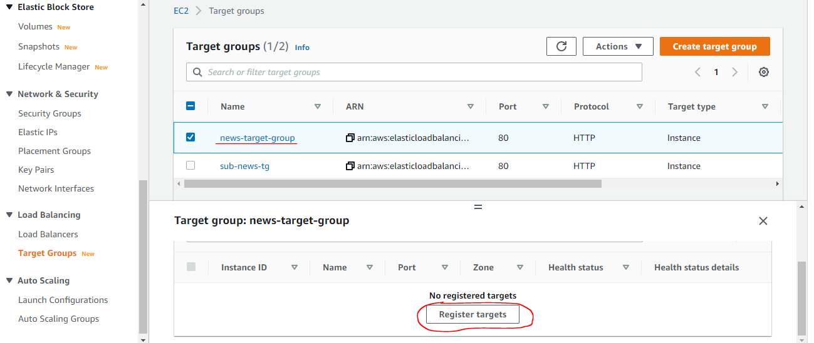

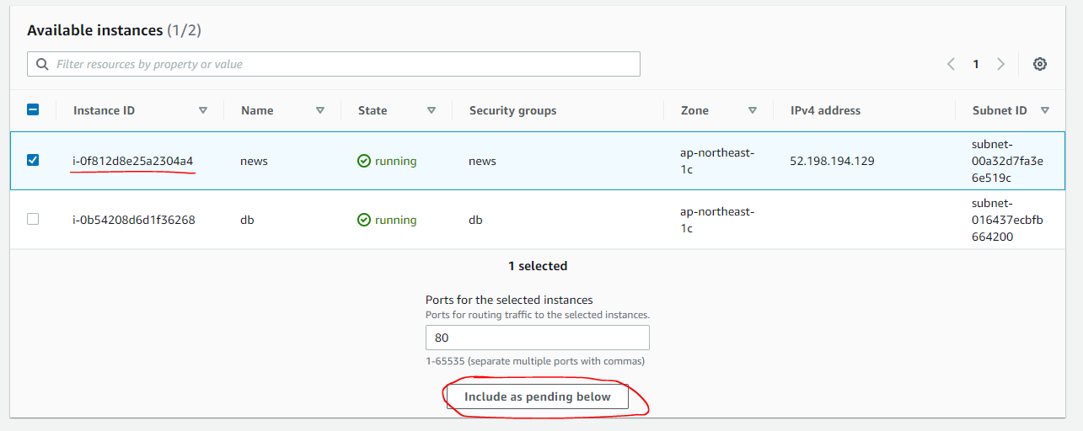

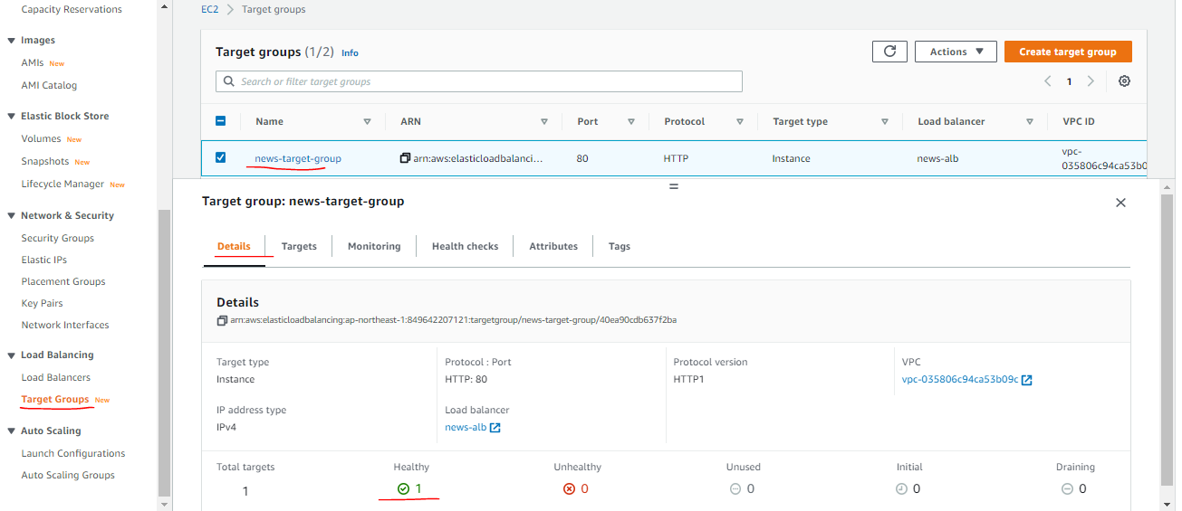

Set auto redirect to https if access http

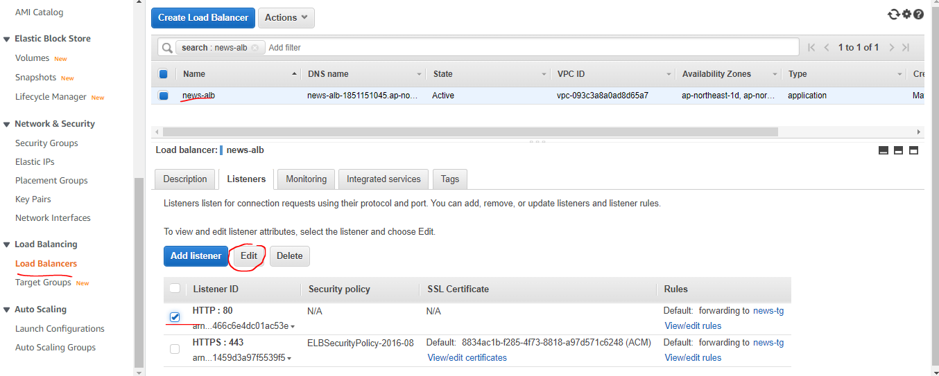

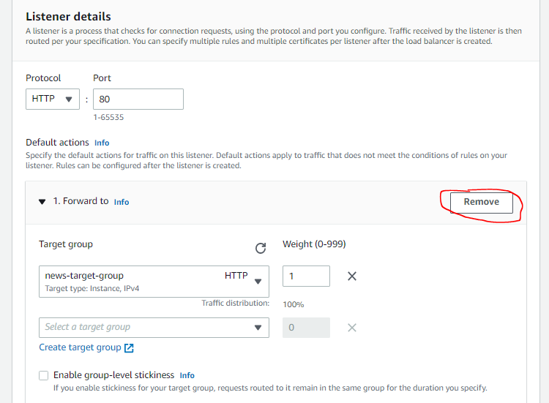

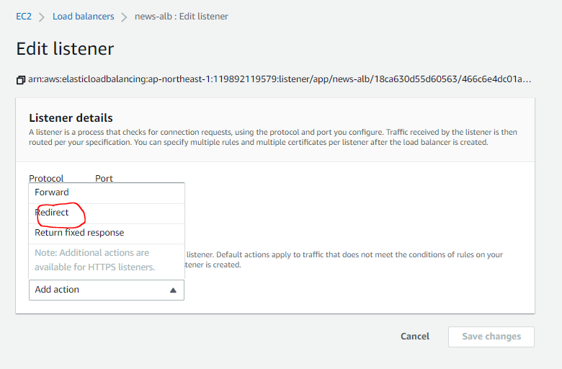

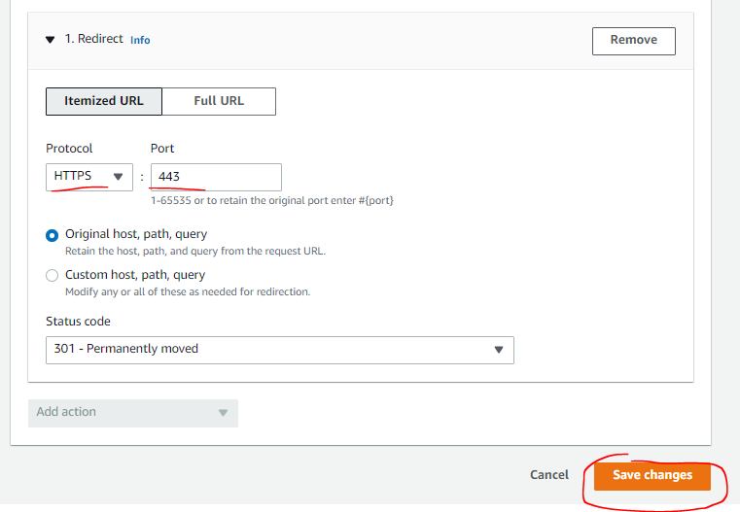

Laravel use HTTPS for all routes
app\Providers\AppServiceProvider.php

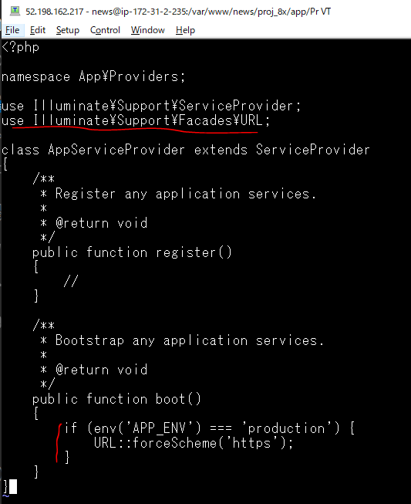

Access to coderworking.com/blog to check SSL


Check access_log, see that Load balancer ip(subnet news-1d-public: 172.27.18.0/24) is logged
 | cat /var/log/httpd/access_log
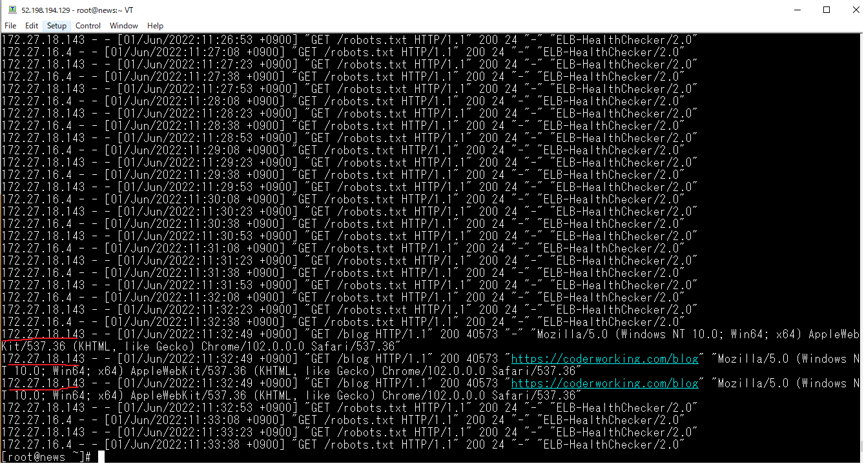

2. LB経由のサーバでクライアントIPをログに残すApacheの設定 X-Forwarded-For(news)

 | vi /etc/httpd/conf/httpd.conf
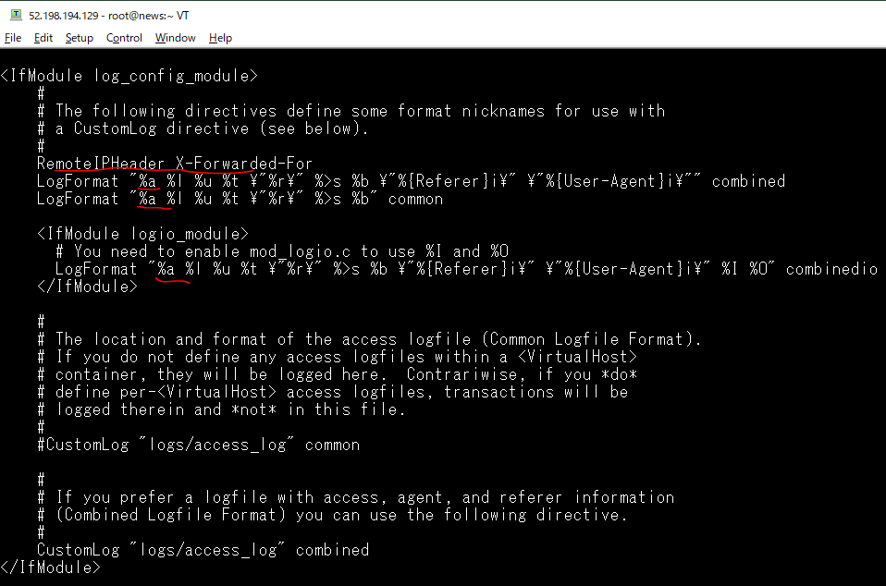

 | apachectl configtest

 | systemctl restart httpd
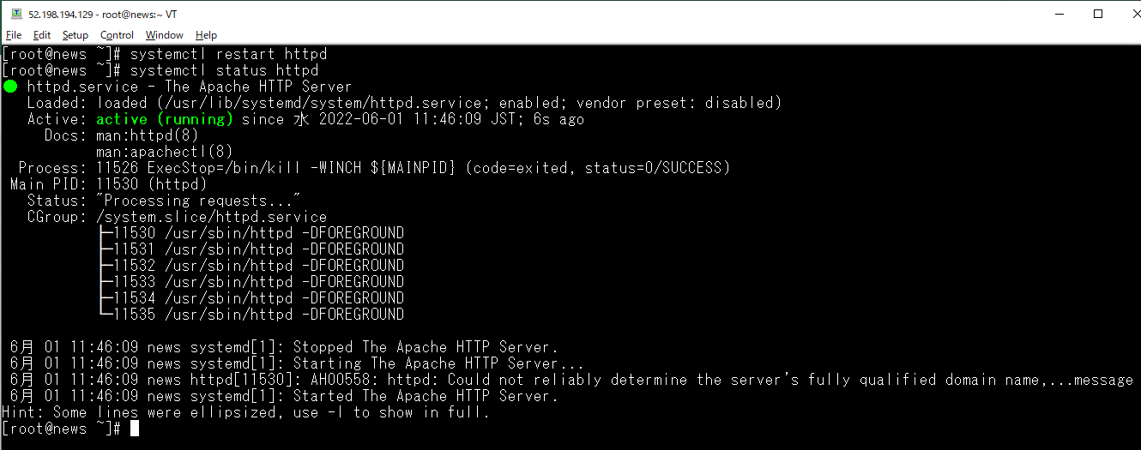

Access browser again


Check access_log, see that client ip is logged
 | cat /var/log/httpd/access_log
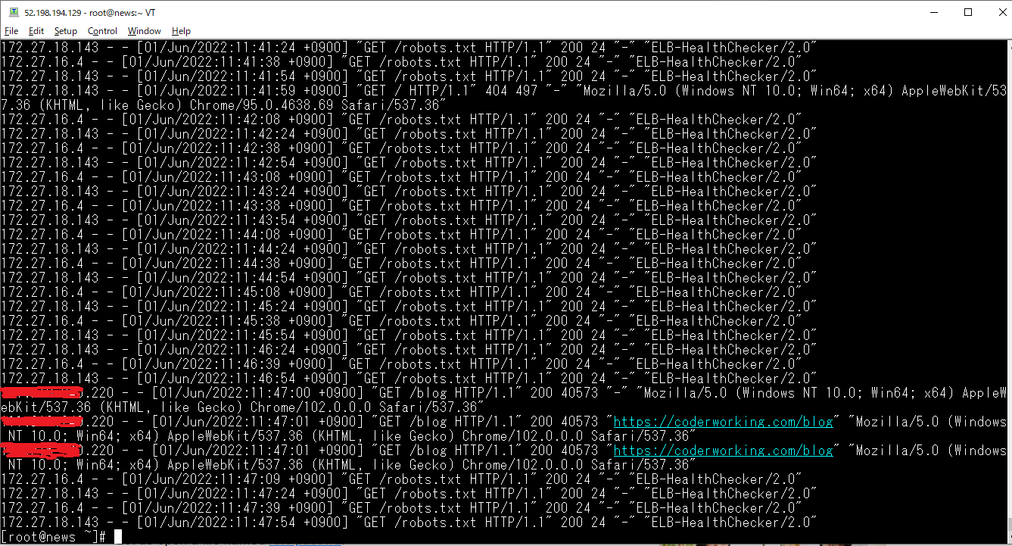

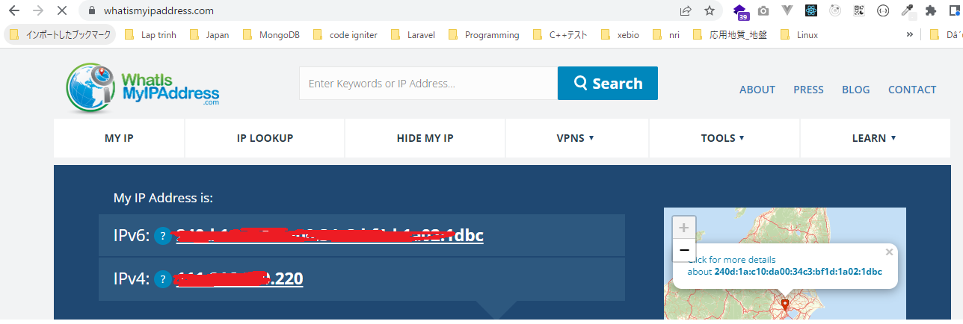
Check client who access by browser
 | https://whatismyipaddress.com/

