get
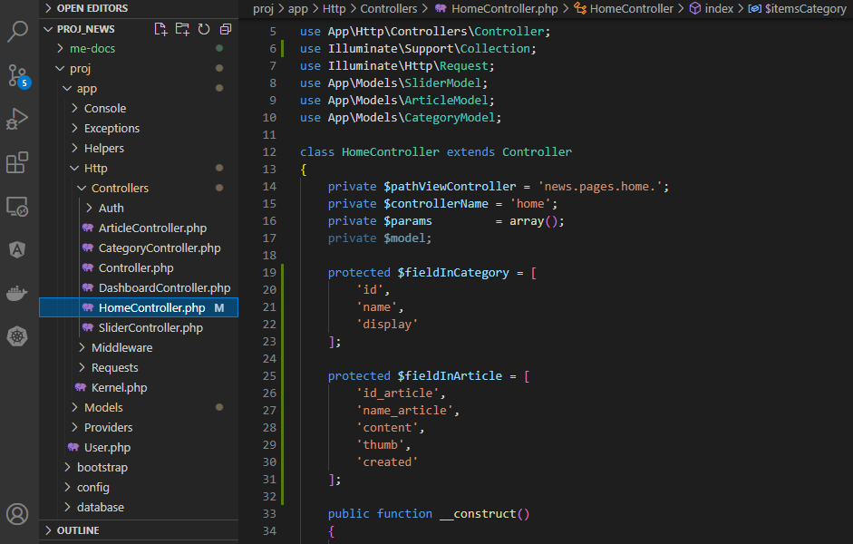
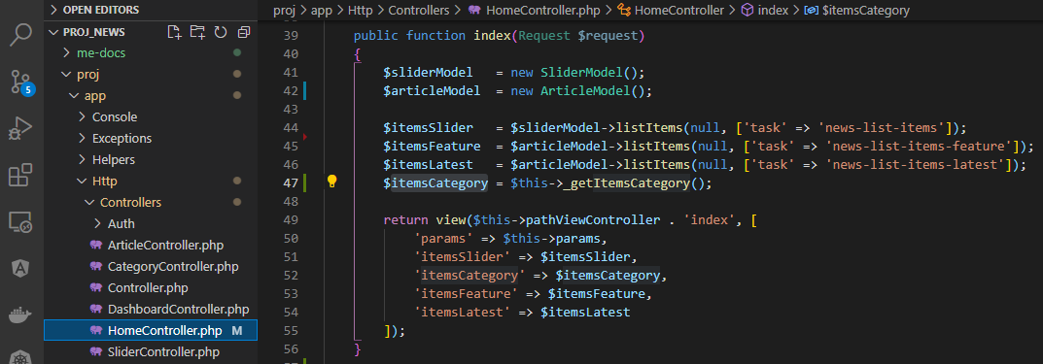
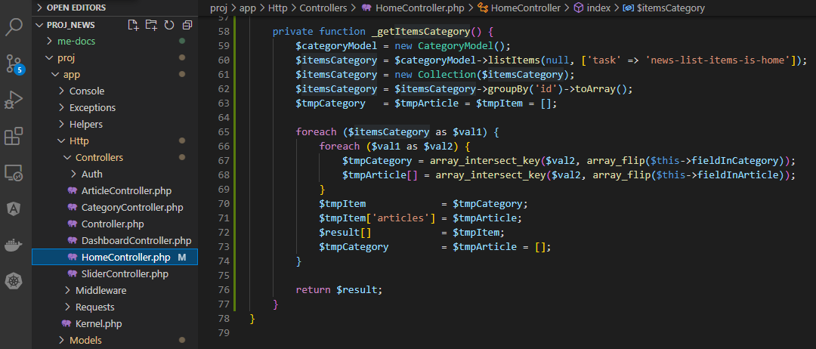
app\Models\CategoryModel.php

app\Http\Controllers\HomeController.php

show list
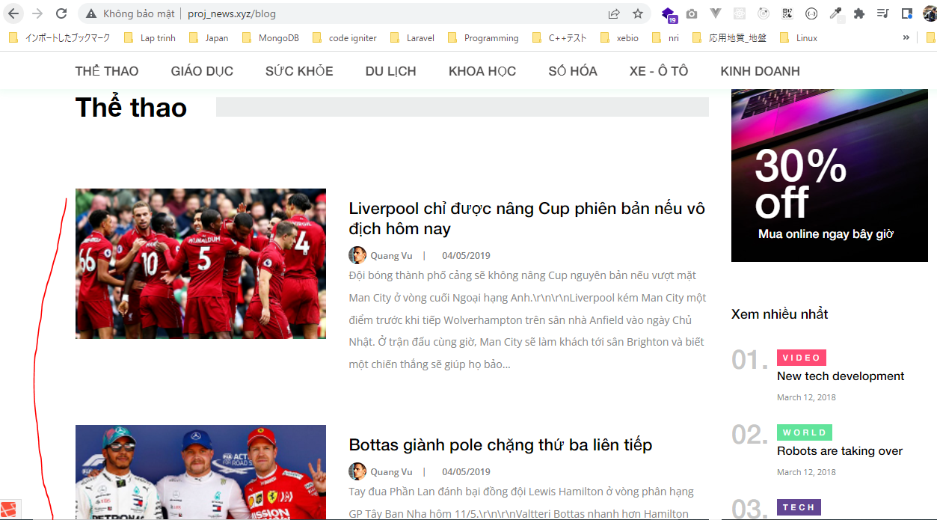
app\Http\Controllers\HomeController.php
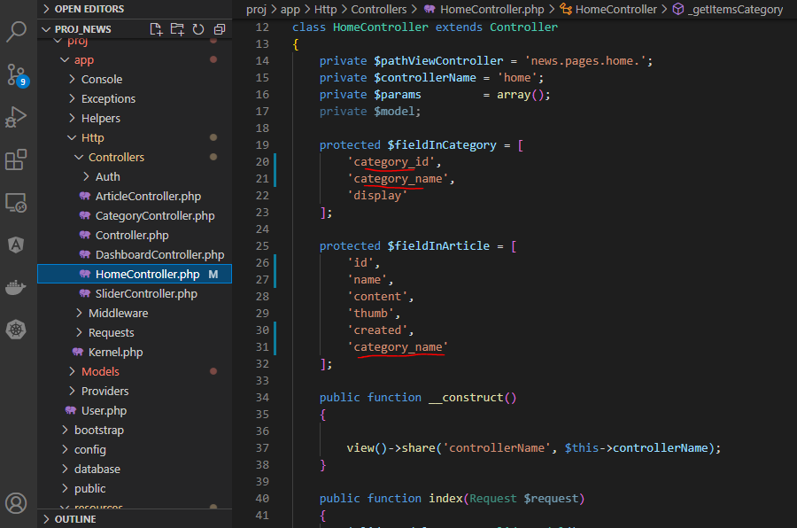

app\Models\CategoryModel.php

resources\views\news\pages\home\child-index\category_grid.blade.php

resources\views\news\pages\home\child-index\category_list.blade.php
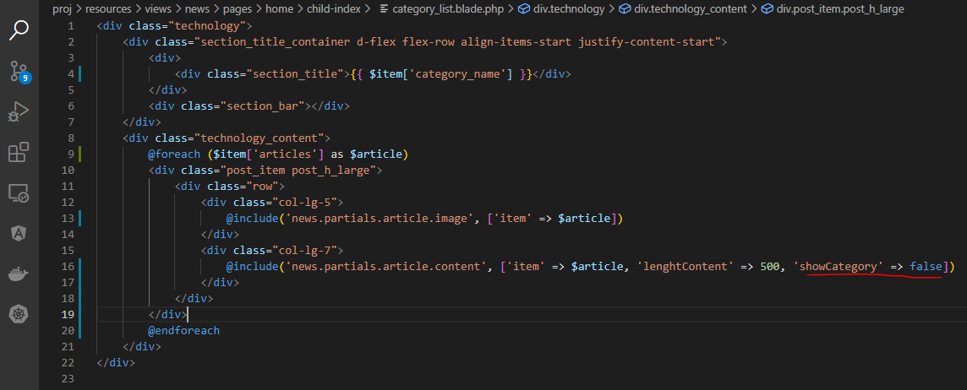

resources\views\news\block\featured.blade.php

resources\views\news\partials\article\content.blade.php

Check browser

show grid
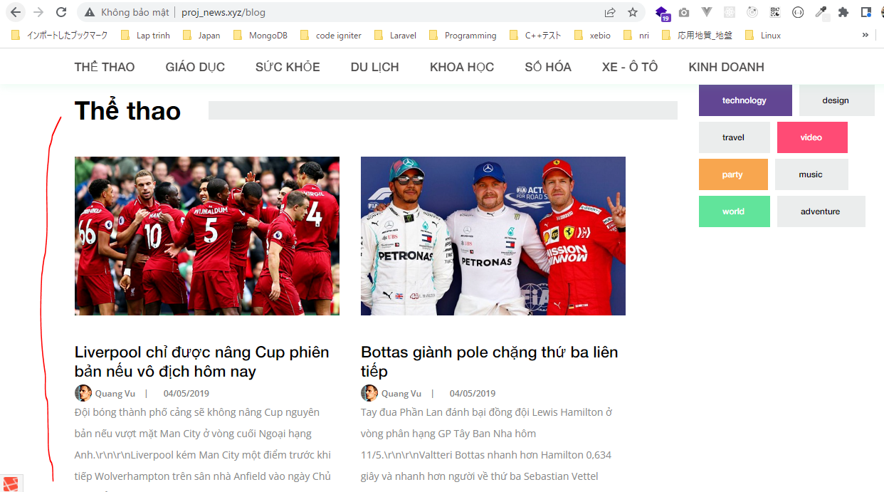
resources\views\news\pages\home\child-index\category_grid.blade.php
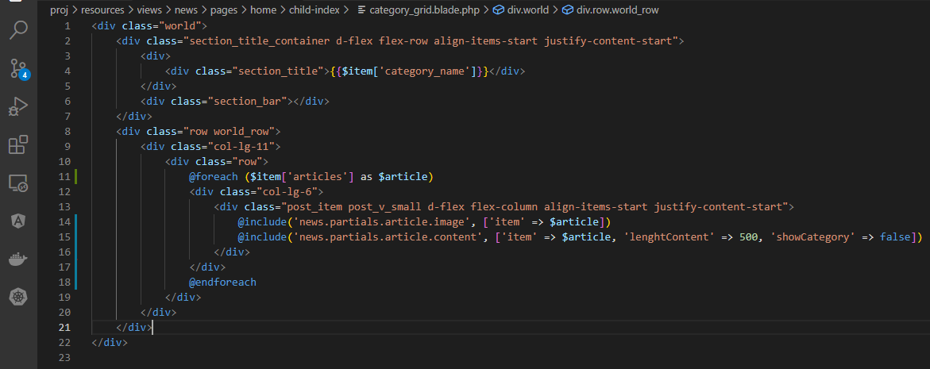

Check browser

