latest
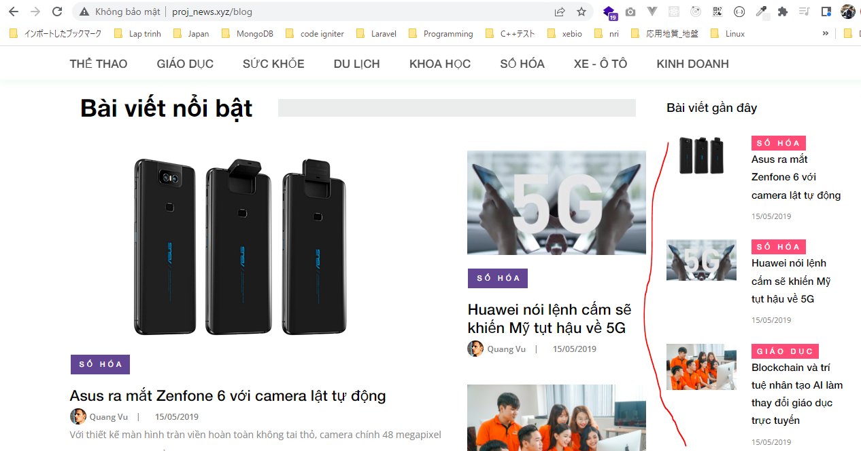
app\Http\Controllers\HomeController.php
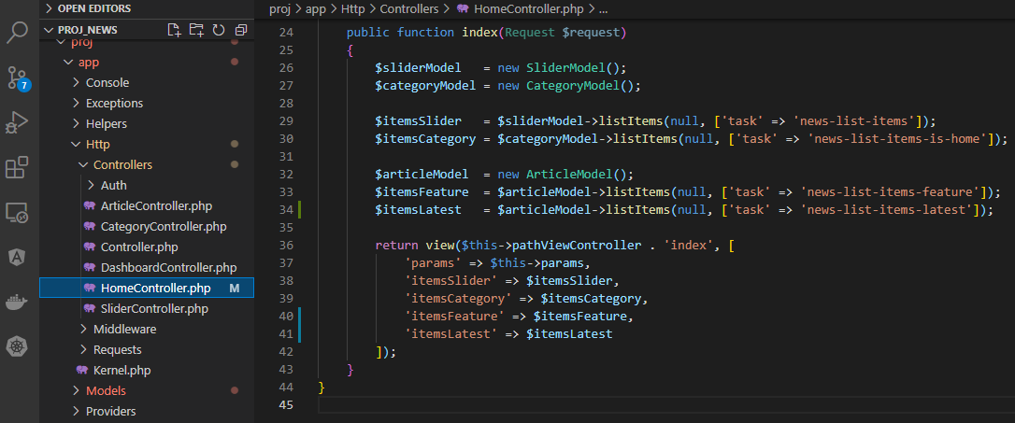

app\Models\ArticleModel.php

resources\views\news\pages\home\index.blade.php

resources\views\news\block\latest_posts.blade.php
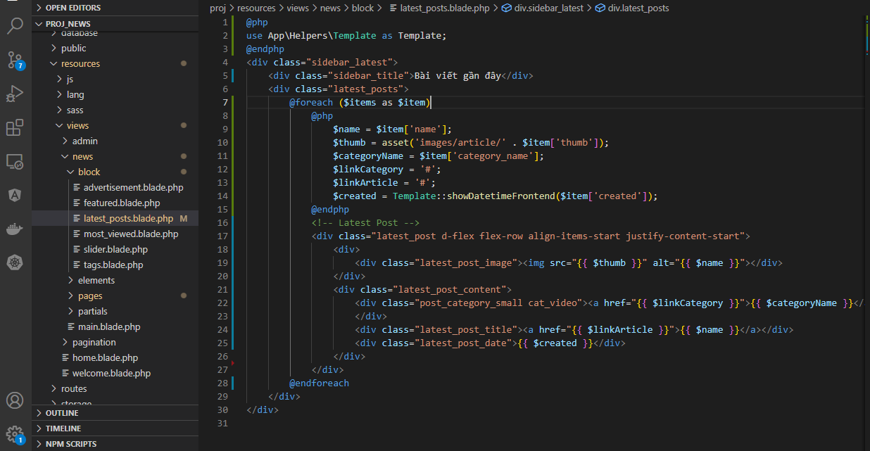

Check browser

