if else
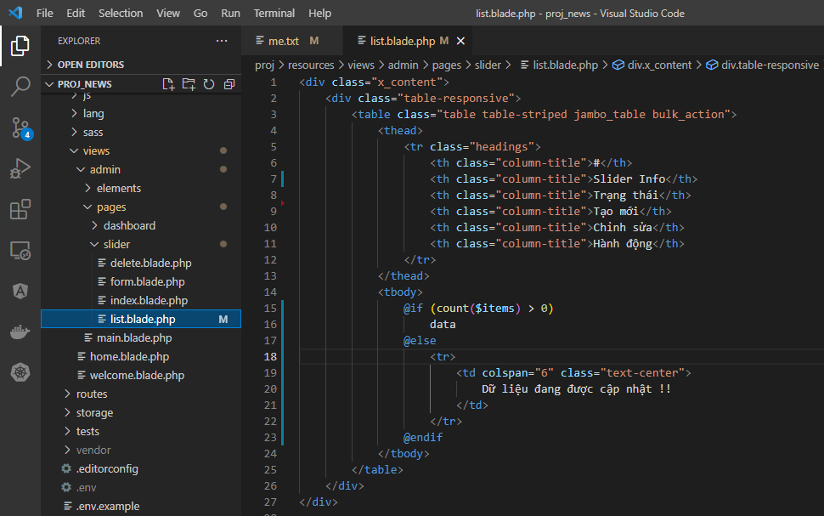
views\admin\pages\slider\list.blade.php

list_empty
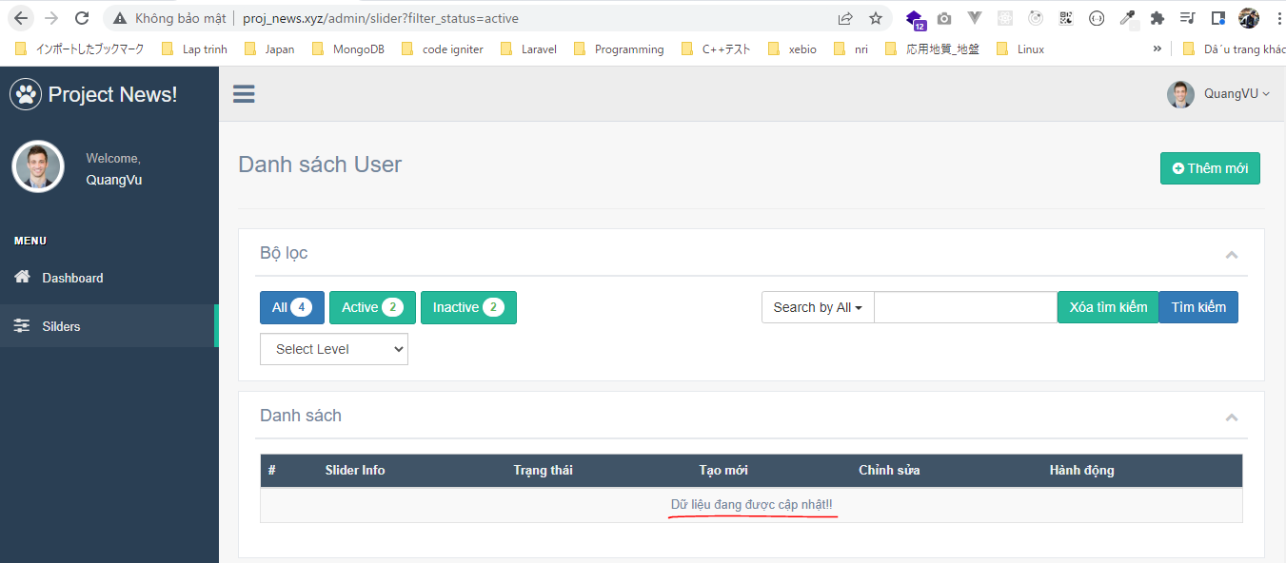
views\admin\templates\list_empty.blade.php
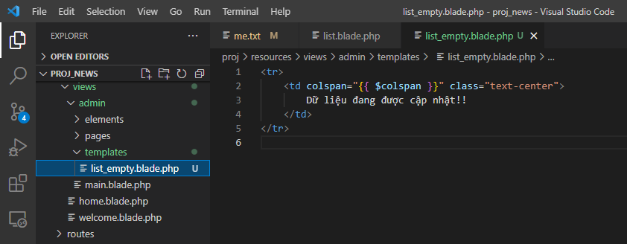

views\admin\pages\slider\list.blade.php
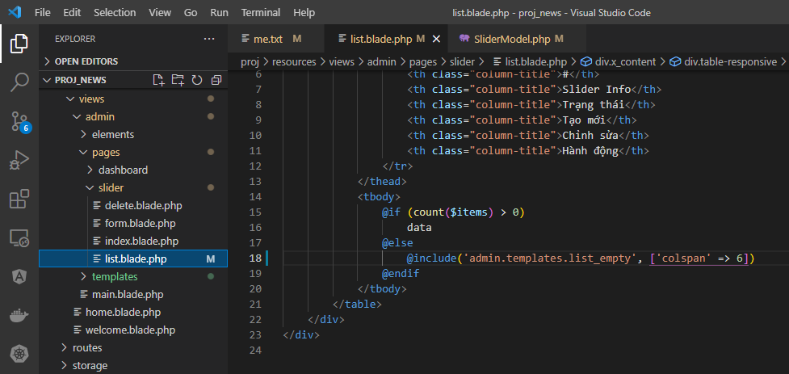

Access browser to check

foreach
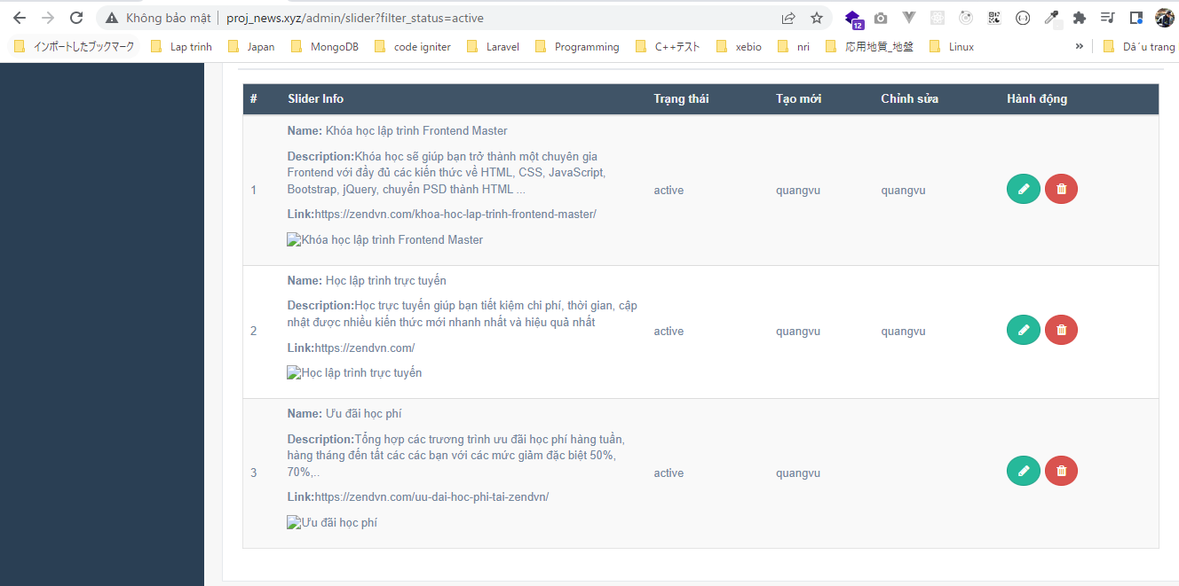
views\admin\pages\slider\list.blade.php
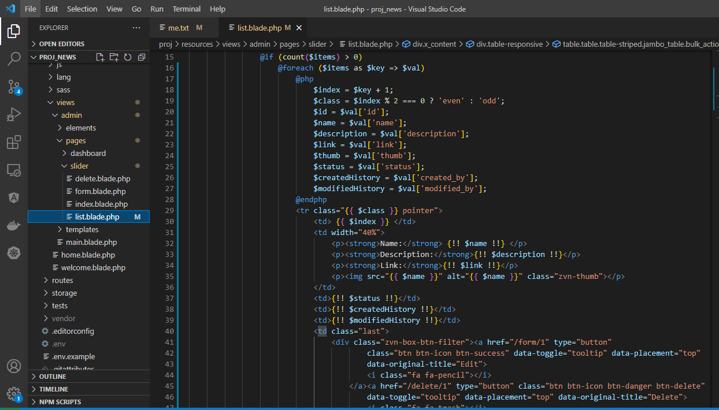

Access browser to check

showItemHistory
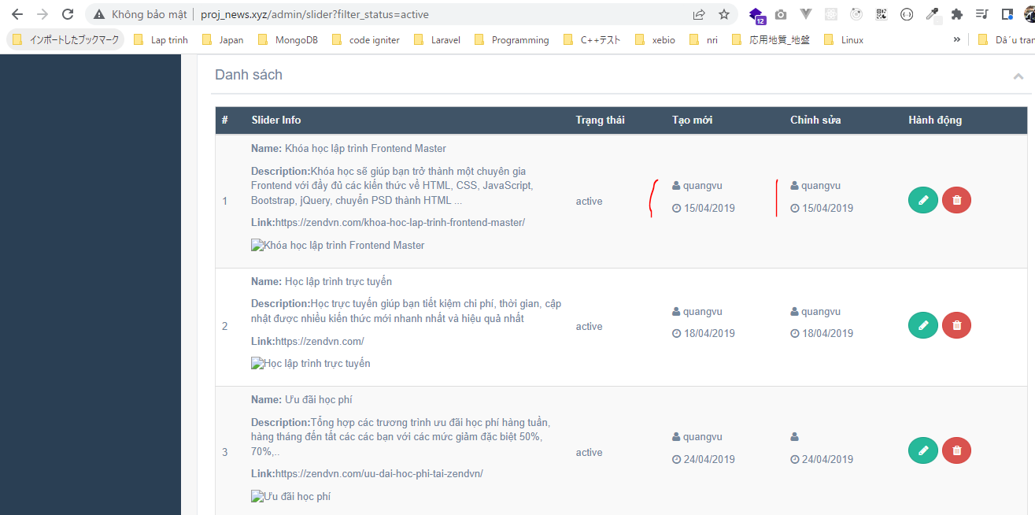
config\zvn.php
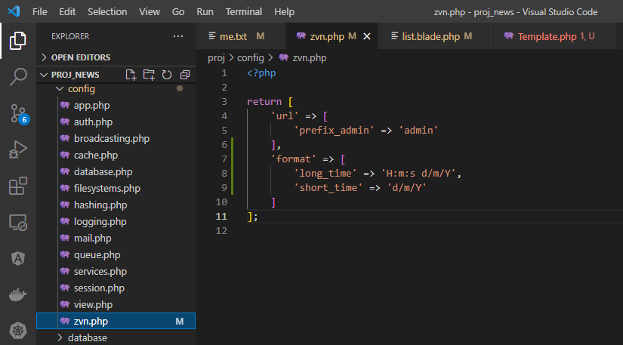

app\Helpers\Template.php

views\admin\pages\slider\list.blade.php
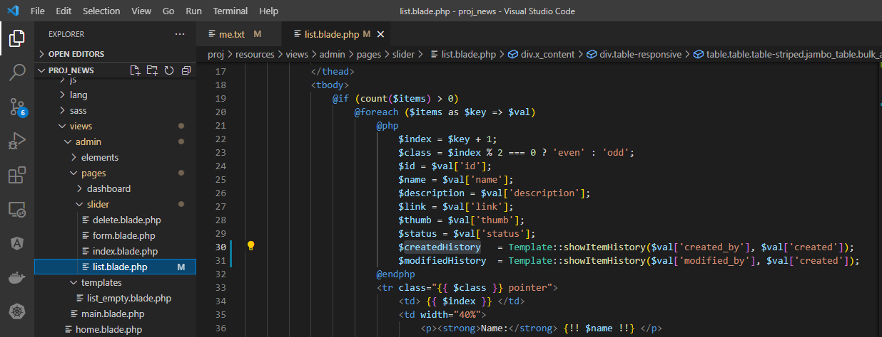

Access browser to check

showItemStatus
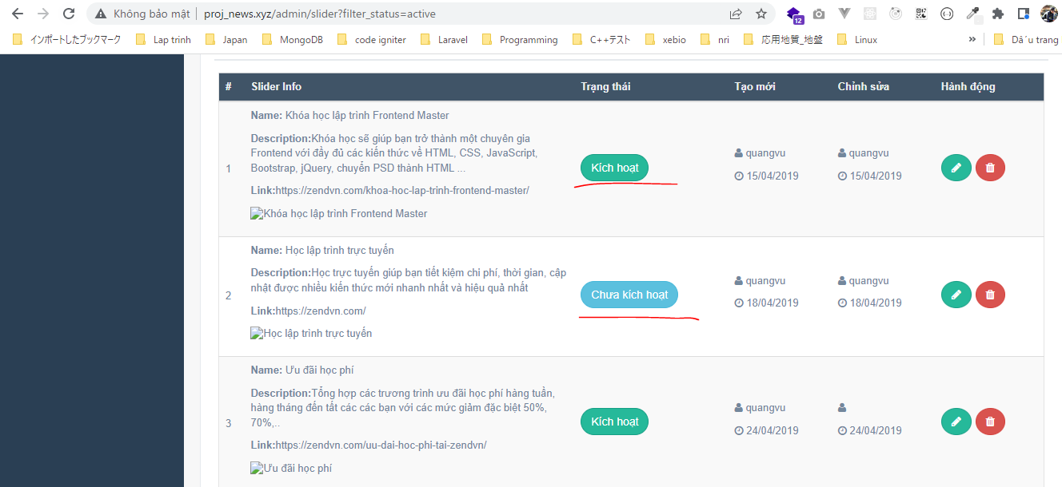
config\zvn.php
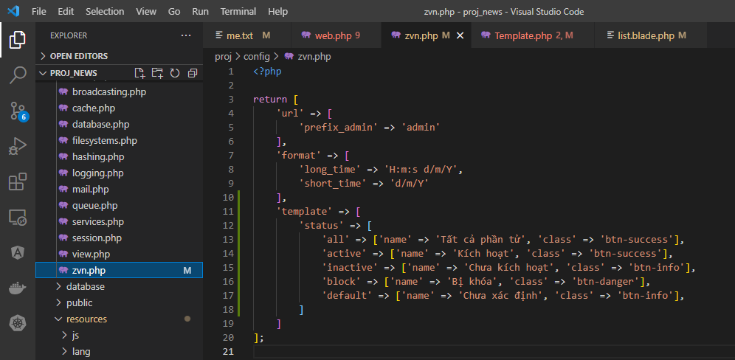

app\Helpers\Template.php
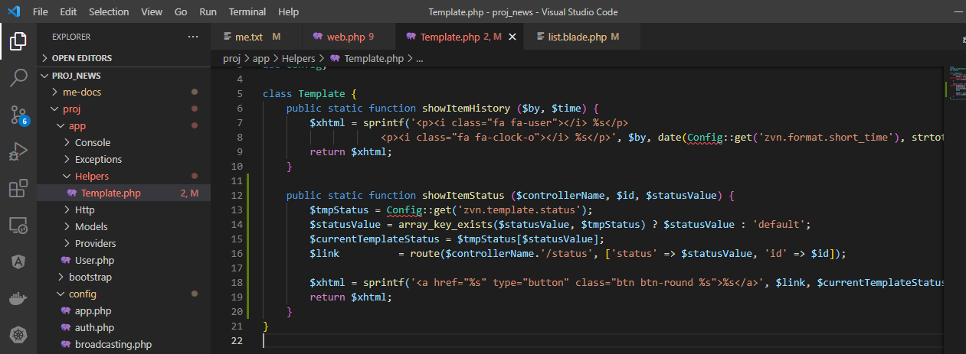

views\admin\pages\slider\list.blade.php
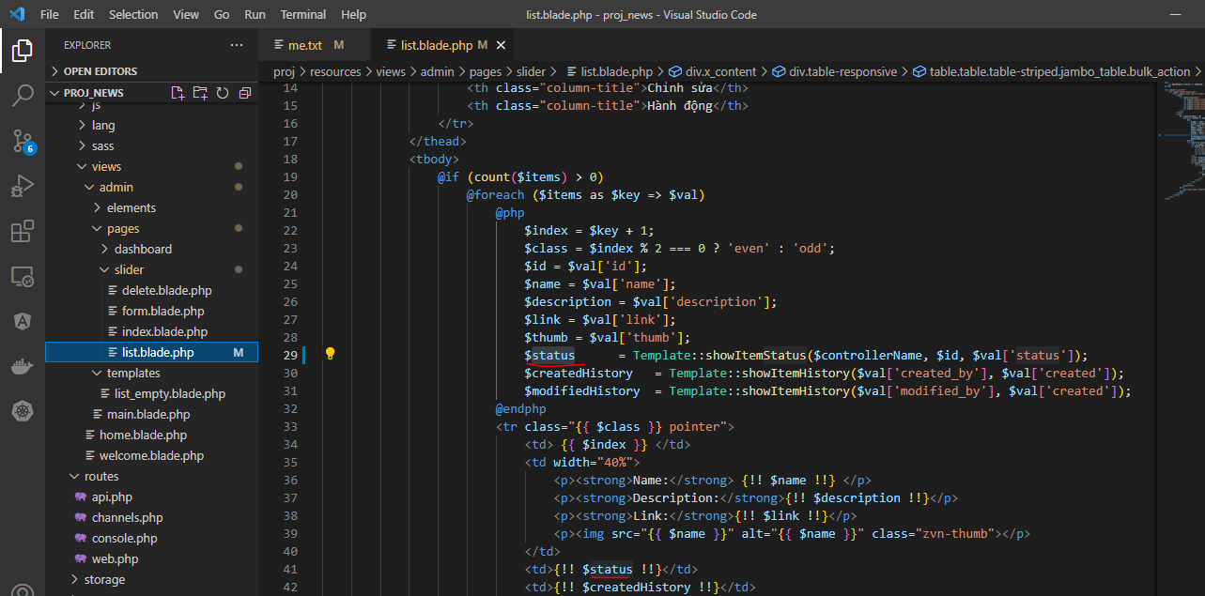

Access browser to check

