delete
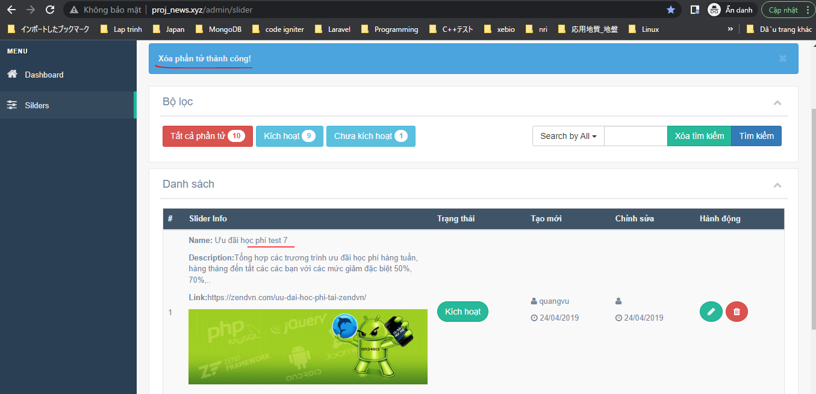
resources\lang\en\notify.php

app\Http\Controllers\SliderController.php

app\Models\SliderModel.php

Check
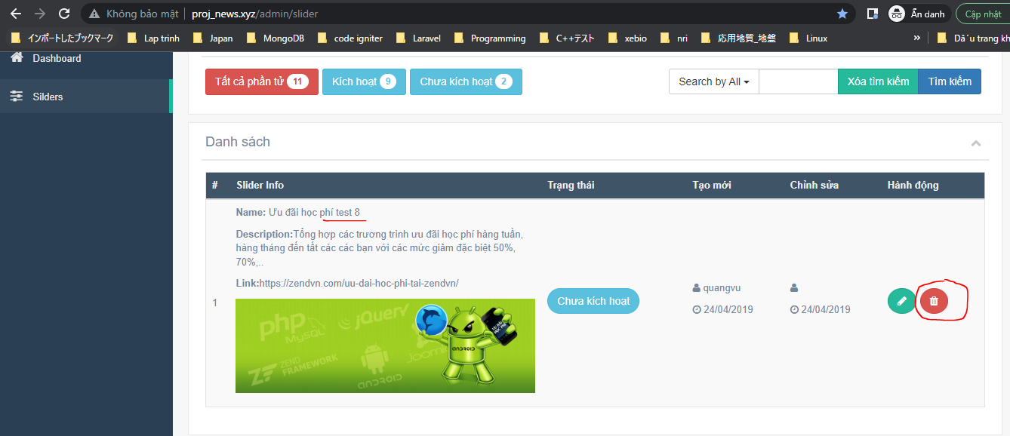

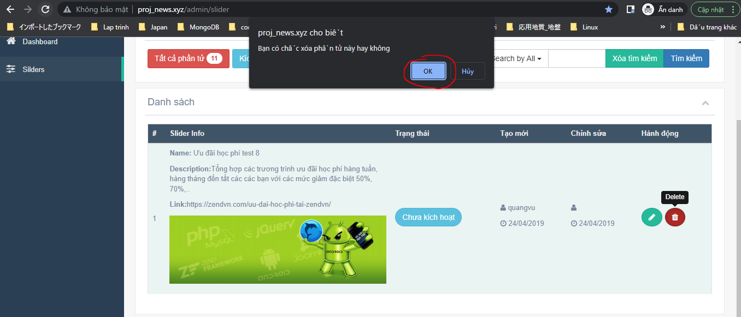

 | Result

