login template
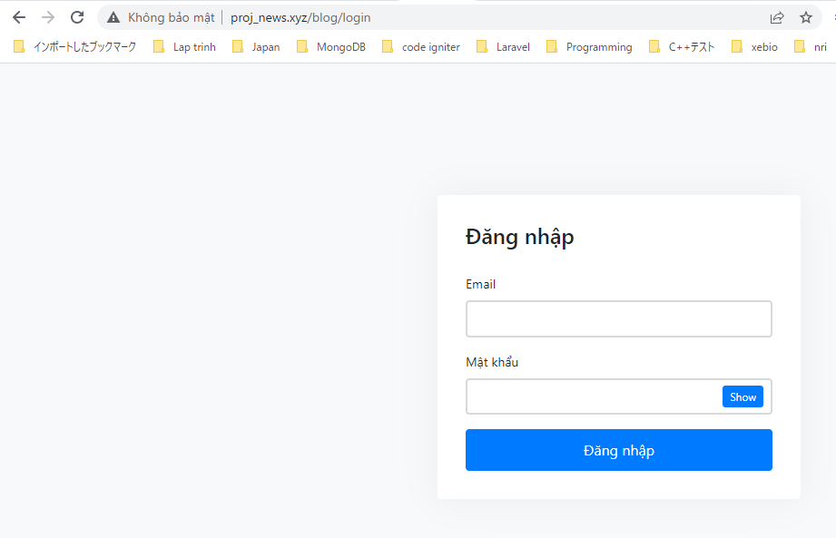
proj\routes\web.php

resources\views\news\elements\header.blade.php

resources\views\news\login.blade.php
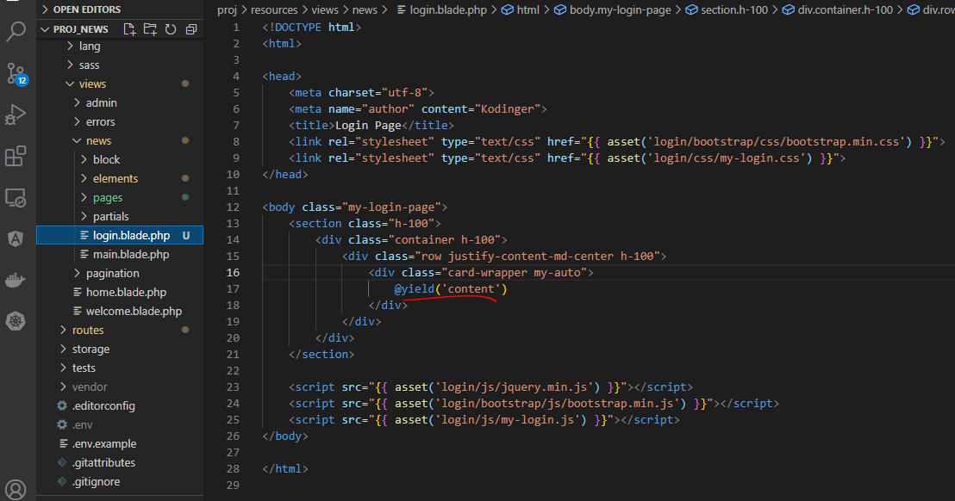

resources\views\news\pages\auth\login.blade.php
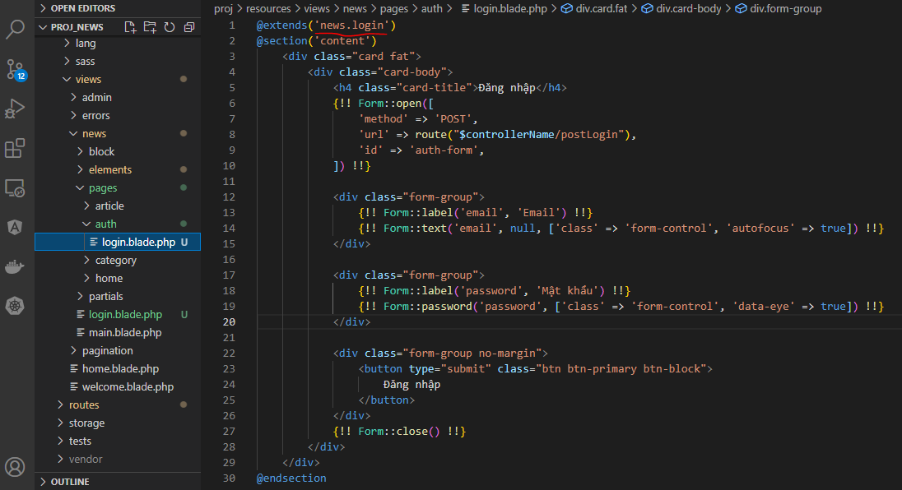

app\Http\Controllers\News\AuthController.php
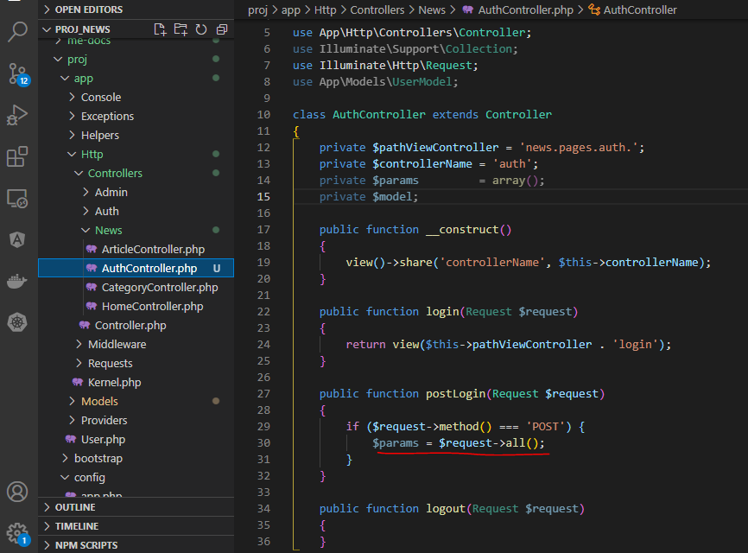

Check browser
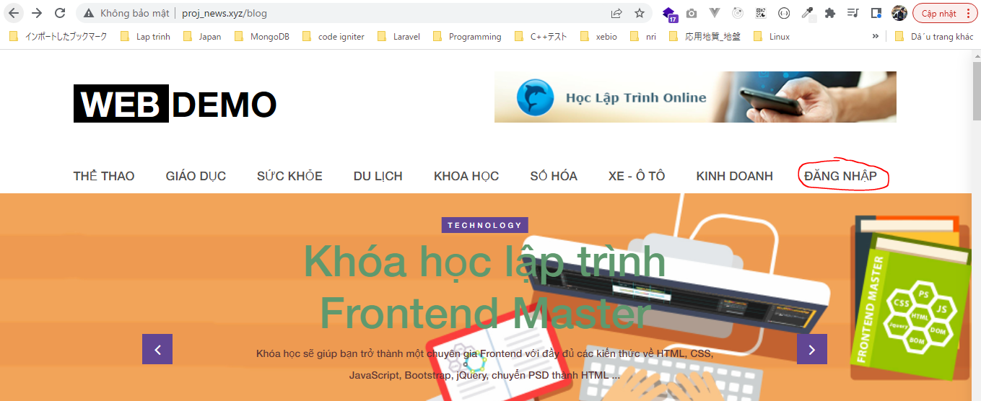

 | Result

validate
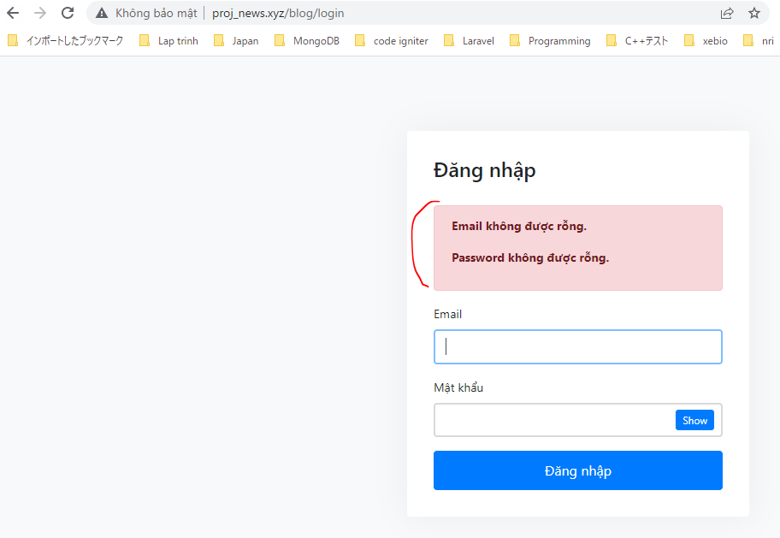
app\Http\Requests\AuthLoginRequest.php
 | Copy from UserRequest.php then edut code
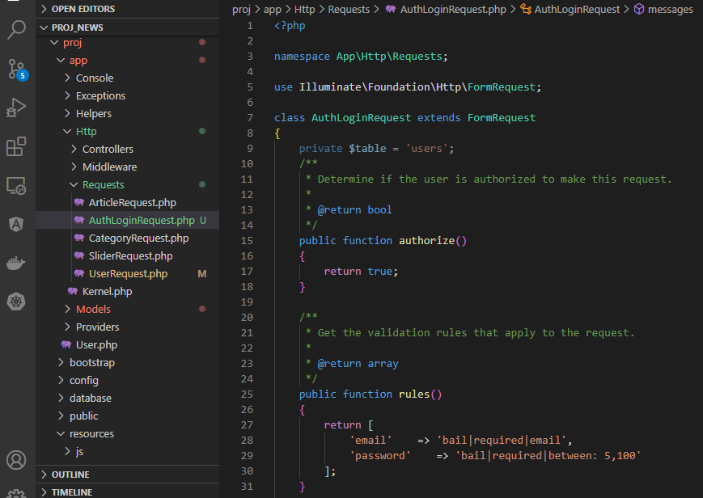

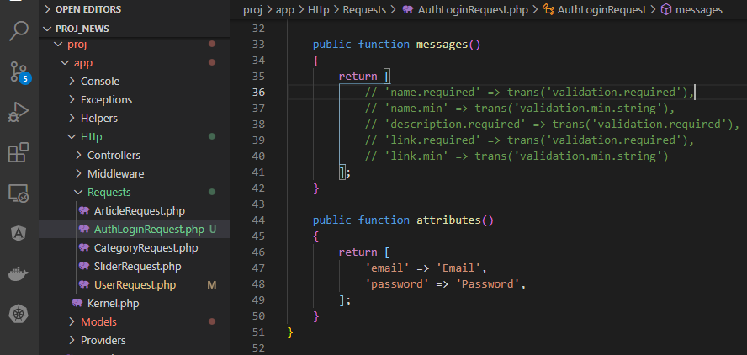

app\Http\Controllers\News\AuthController.php

resources\views\news\pages\auth\login.blade.php

resources\views\news\templates\error.blade.php

resources\views\news\templates\alert.blade.php

Check browser


 | Result

login
config\auth.php

app\User.php
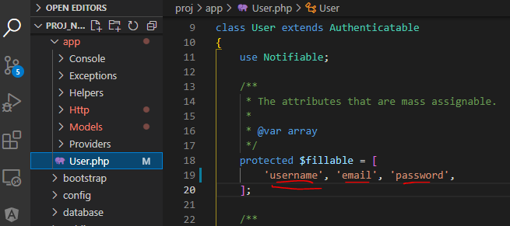

resources\lang\en\notify.php
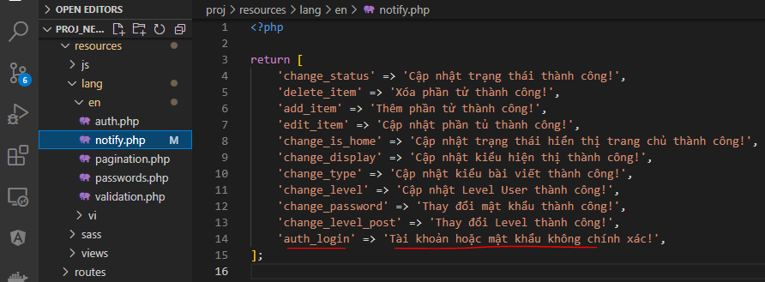

app\Http\Controllers\News\AuthController.php

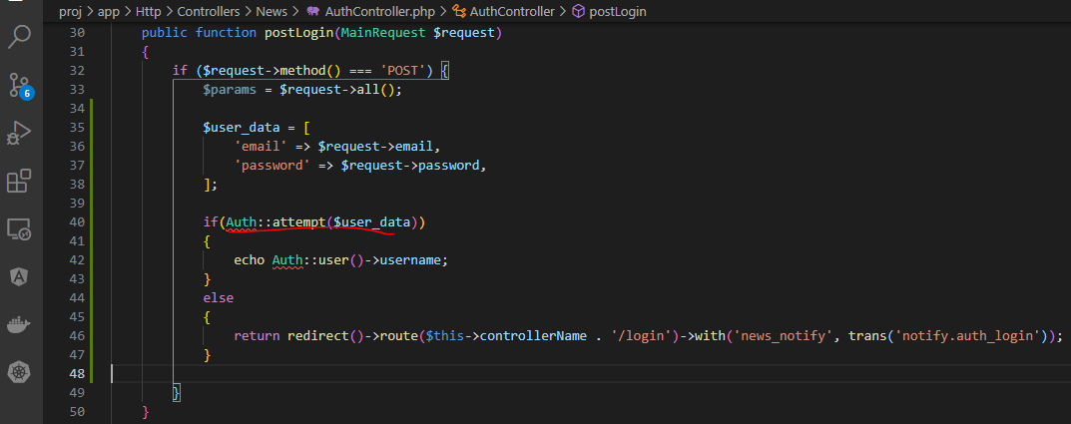

Check browser
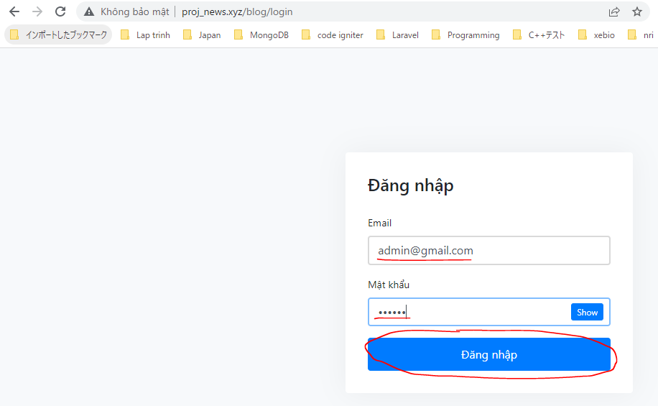

 | Result

MethodNotAllowedHttpException
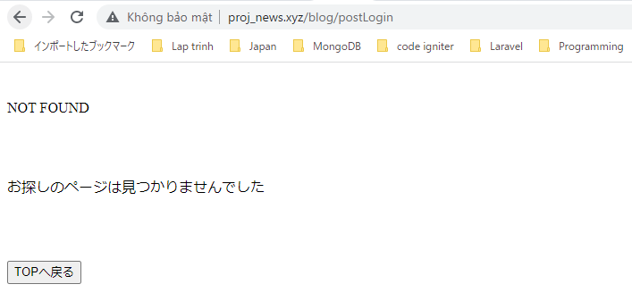
routes\web.php

Access to post method
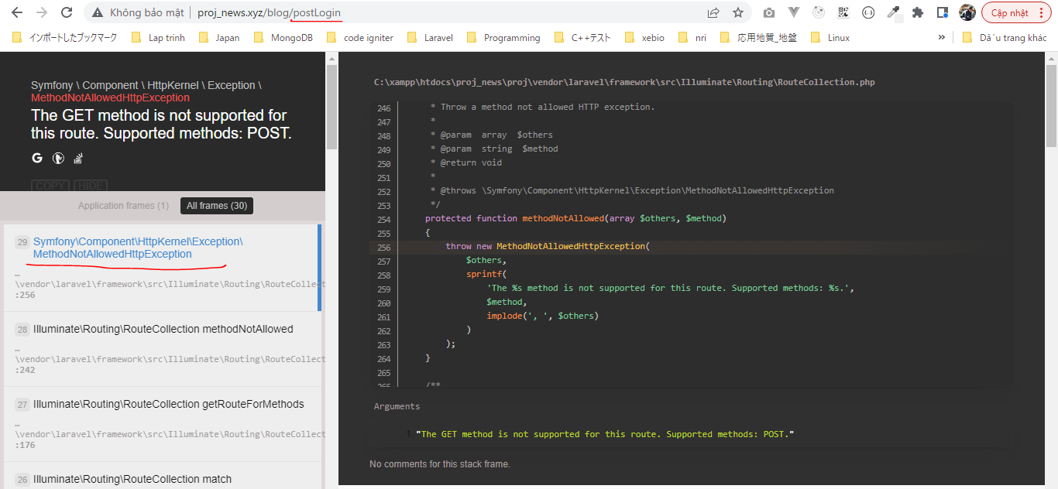

MethodNotAllowedHttpException redirect to 404
app\Exceptions\Handler.php

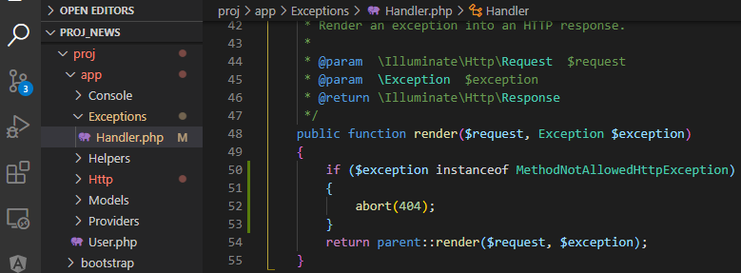

Check browser
 | Access http://proj_news.xyz/blog/postLogin

 | Result

logout
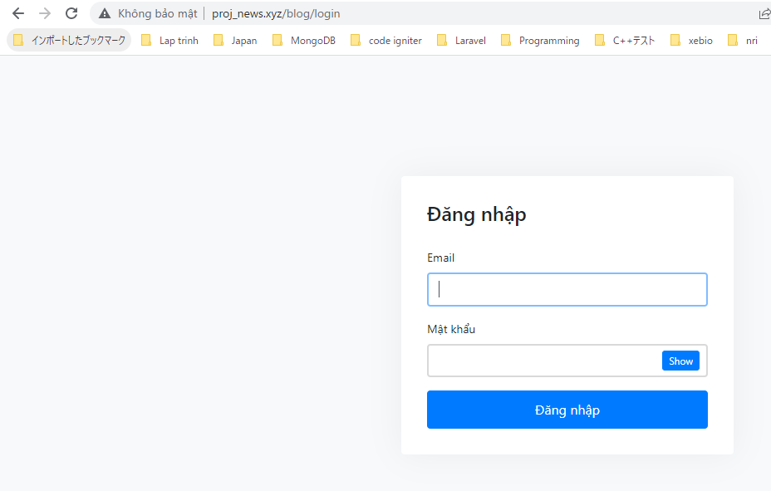
app\Http\Controllers\News\AuthController.php
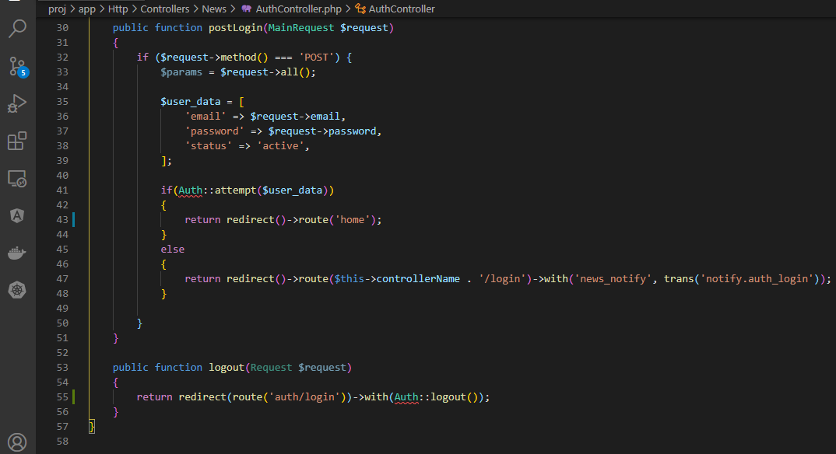

resources\views\news\elements\header.blade.php
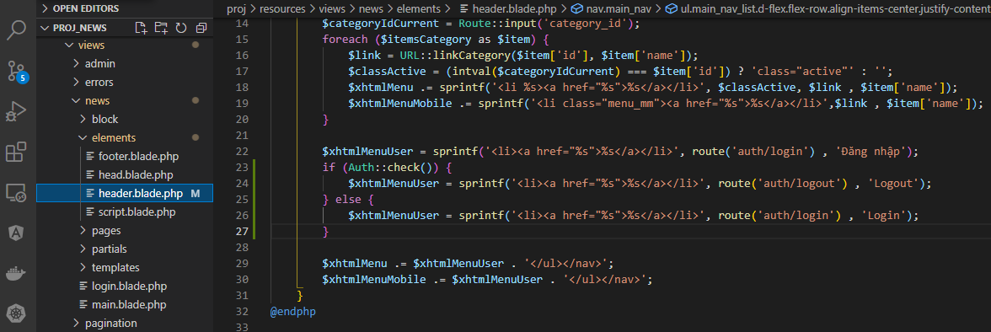

Check browser
 | login, redirected to blog page after logined
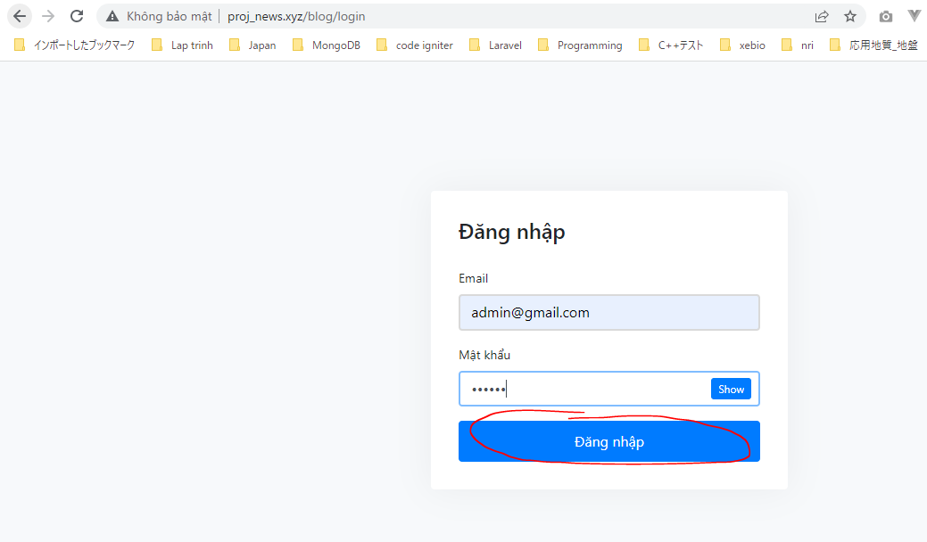

 | Click logout
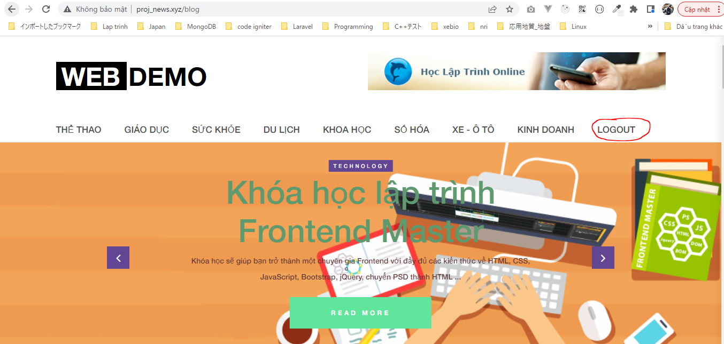

 | Result after click logout

check login
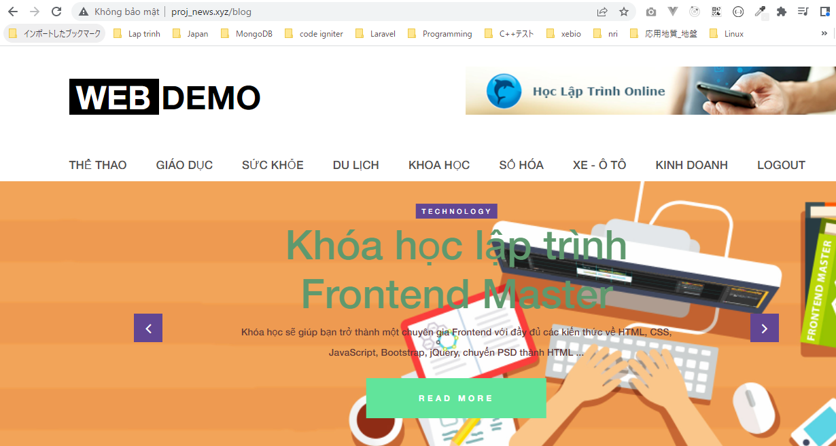
view code app\Http\Kernel.php

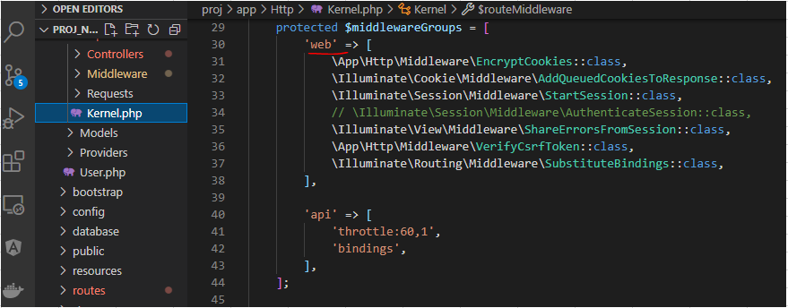

routes\web.php

app\Http\Middleware\RedirectIfAuthenticated.php

Check browser
 | Login
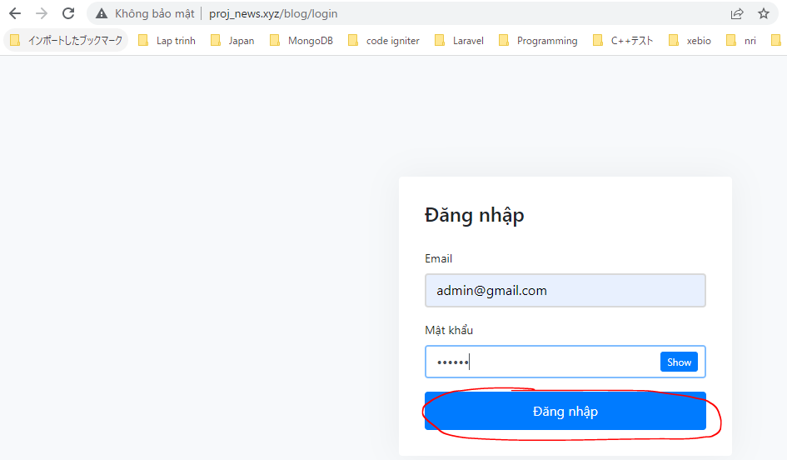

 | Access login page after logged in
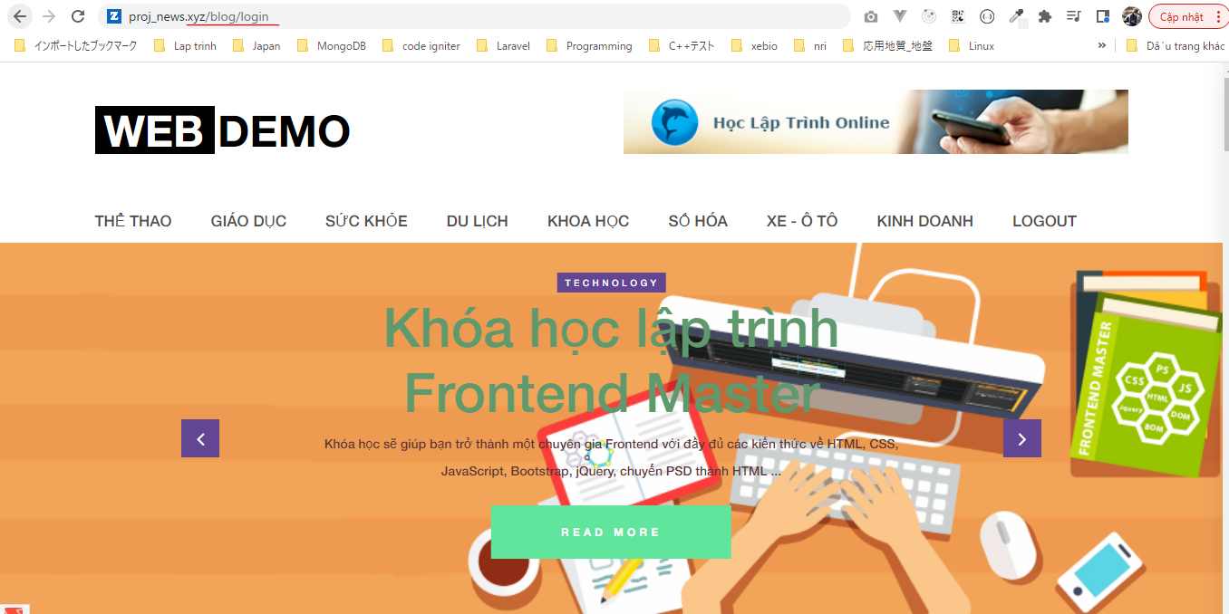

 | Result

admin area
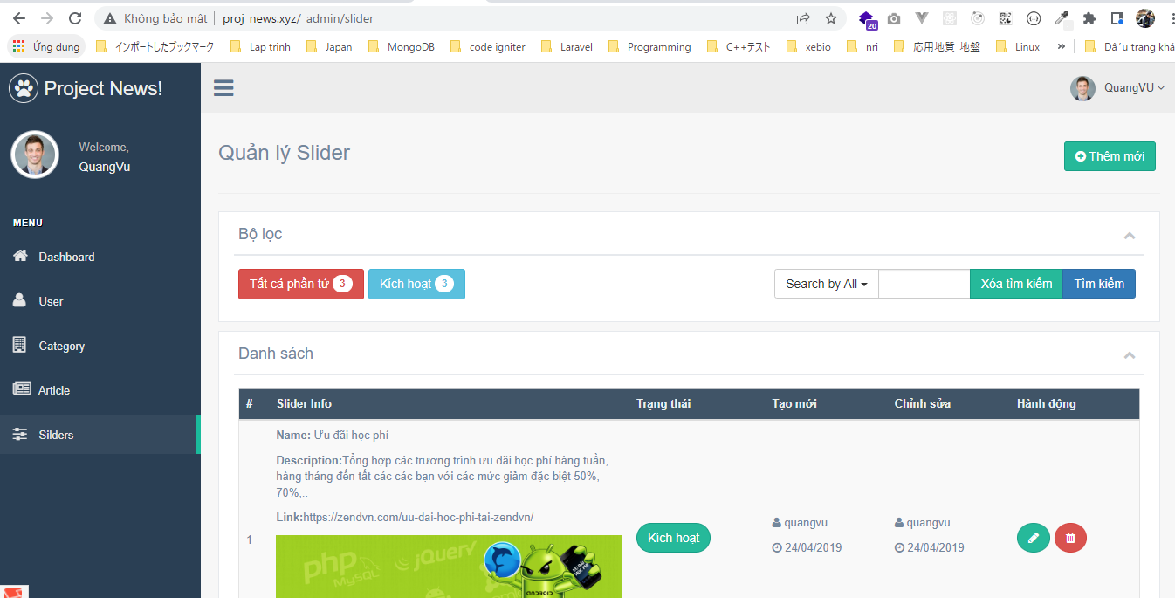
resources\views\admin\elements\top_nav.blade.php

routes\web.php

app\Http\Controllers\News\NotifyController.php
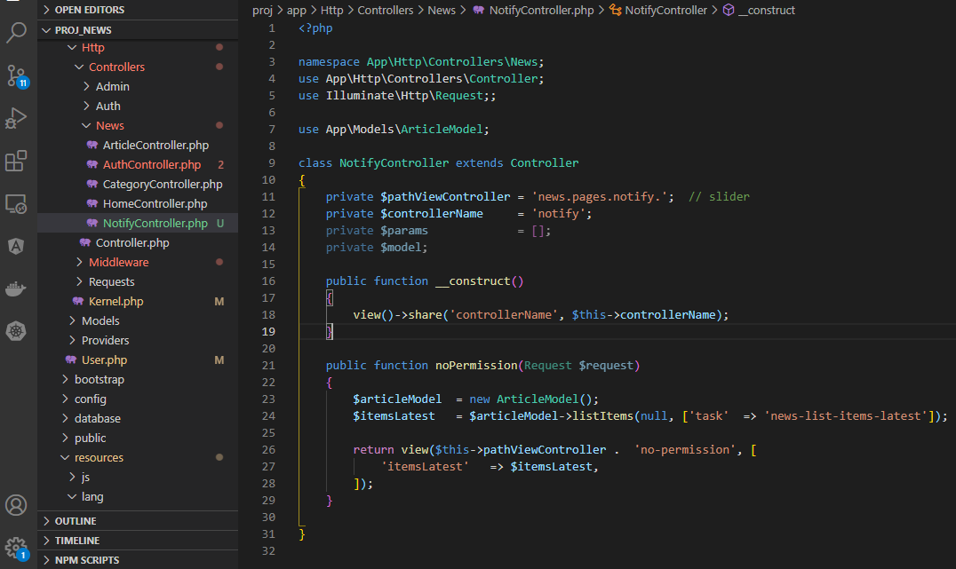

resources\views\news\pages\notify\no-permission.blade.php
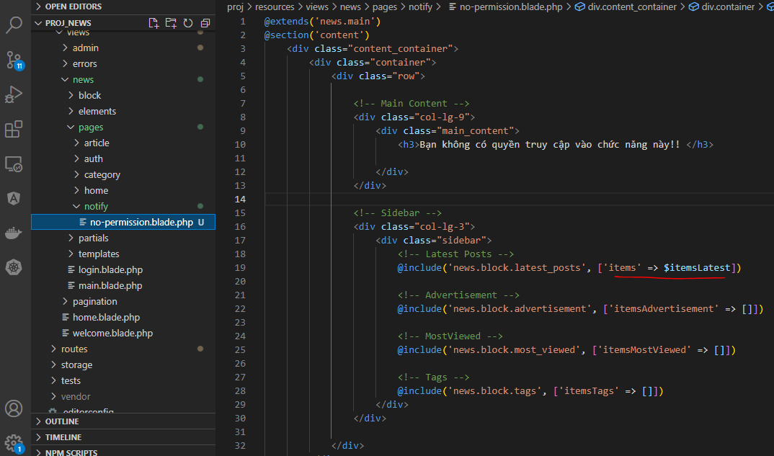

app\User.php
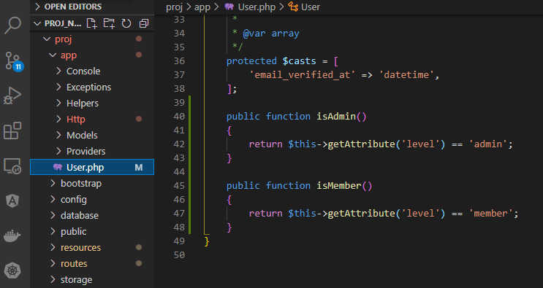

Create PermissionAdmin middleware
 | php artisan make:middleware PermissionAdmin

app\Http\Middleware\PermissionAdmin.php
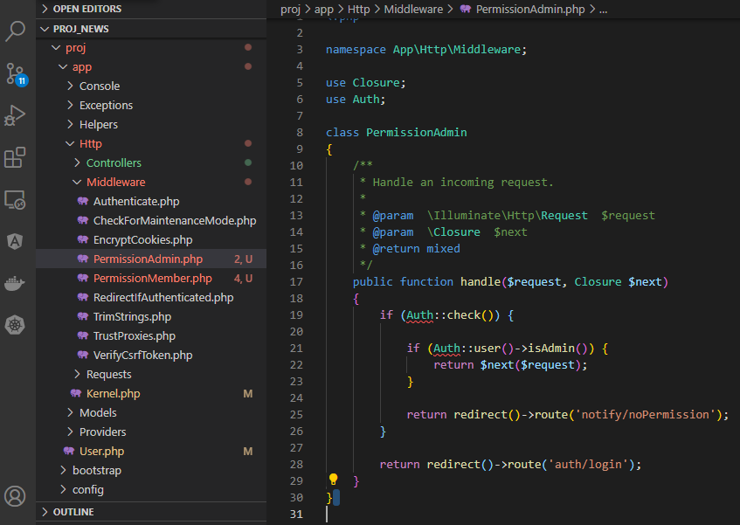

Create PermissionMember middleware
 | php artisan make:middleware PermissionMember

app\Http\Middleware\PermissionMember.php
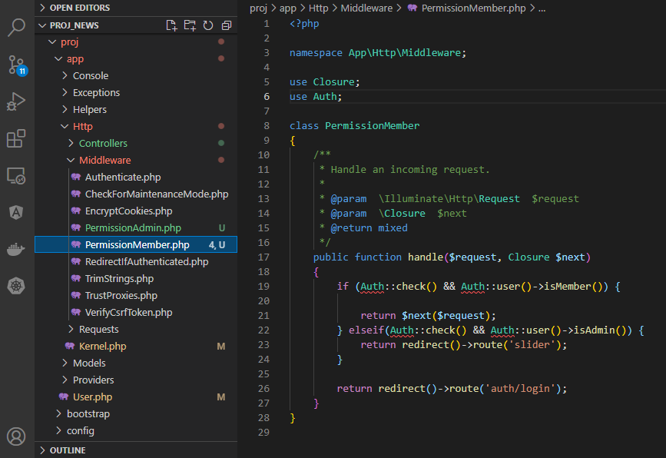

app\Http\Kernel.php

check access admin page without login
 | Access admin page without login
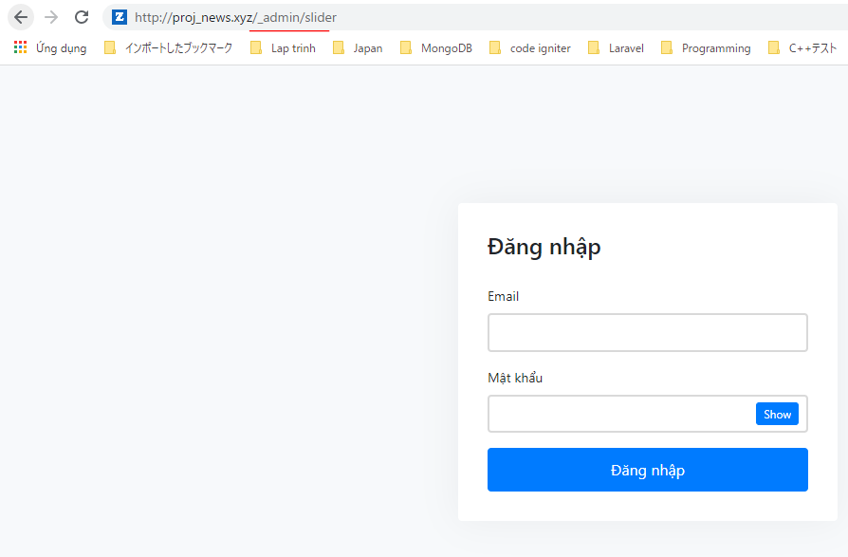

 | Result
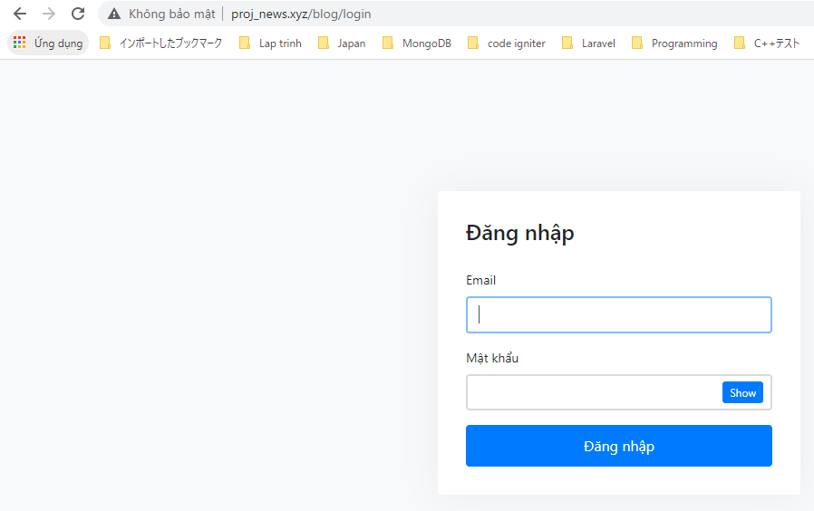

check access admin page by admin

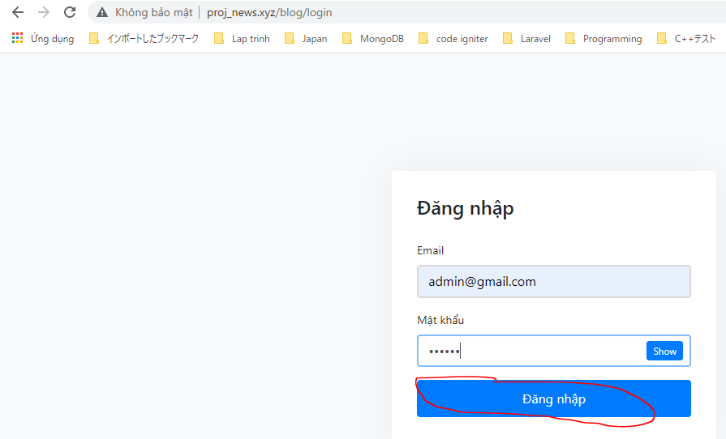

 | Access admin page
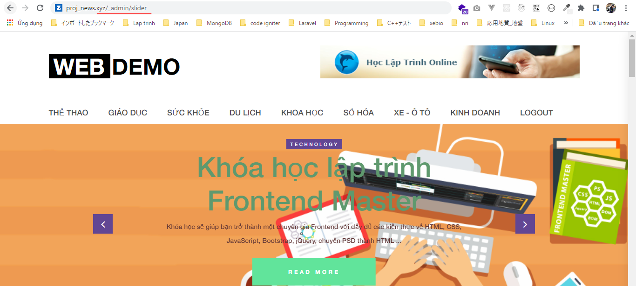

 | Result
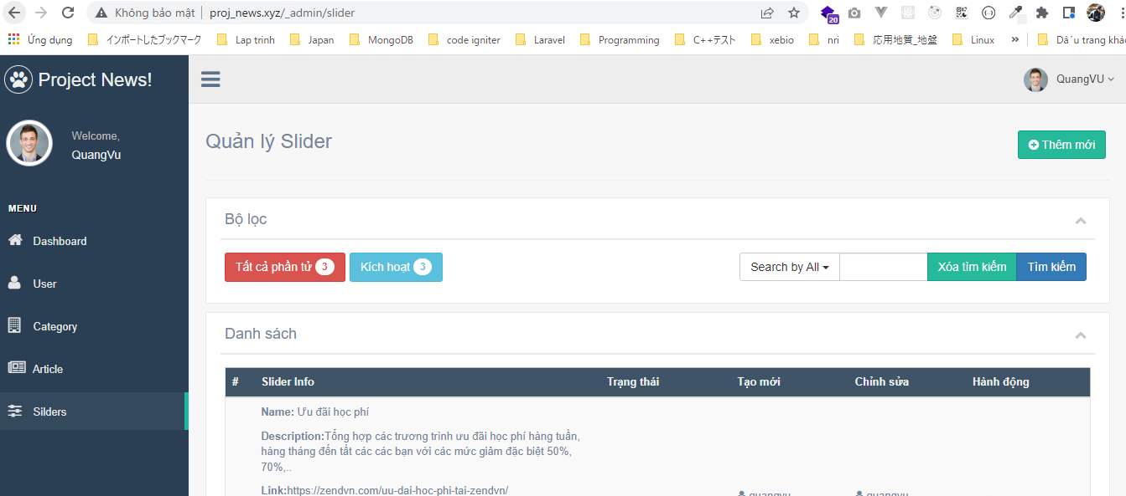

Check access no-permission page after login by admin
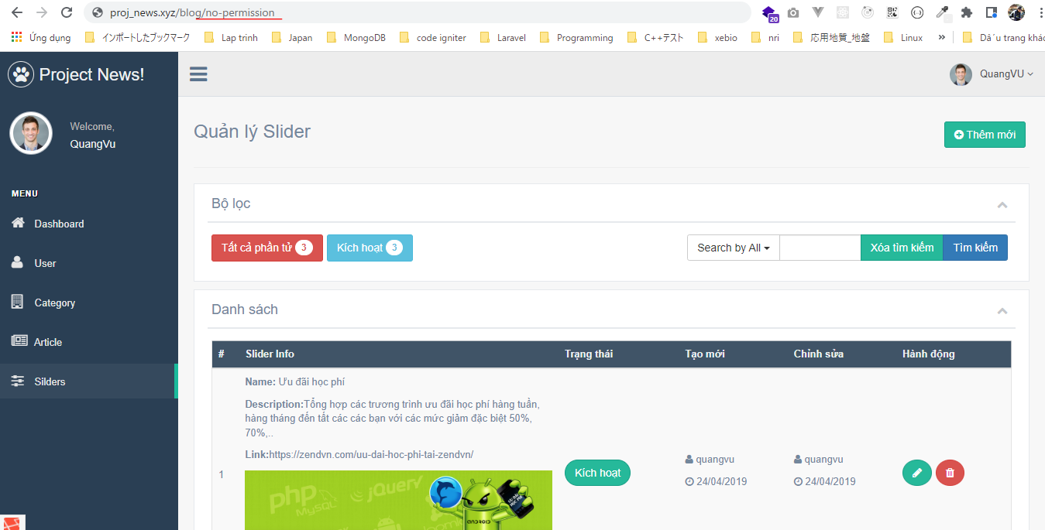

 | Result

