fix image
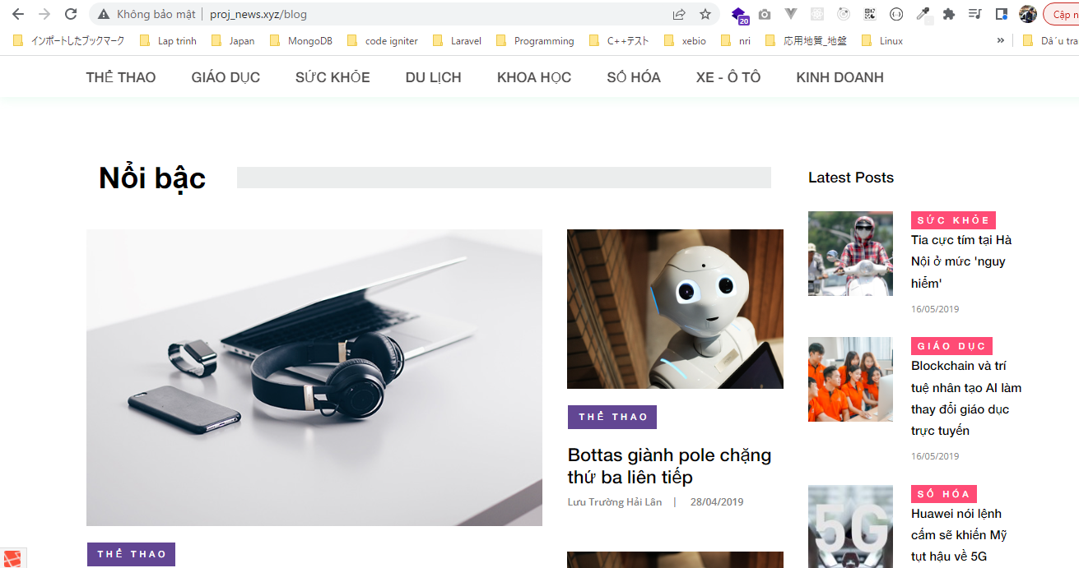
views\news\pages\home\index.blade.php
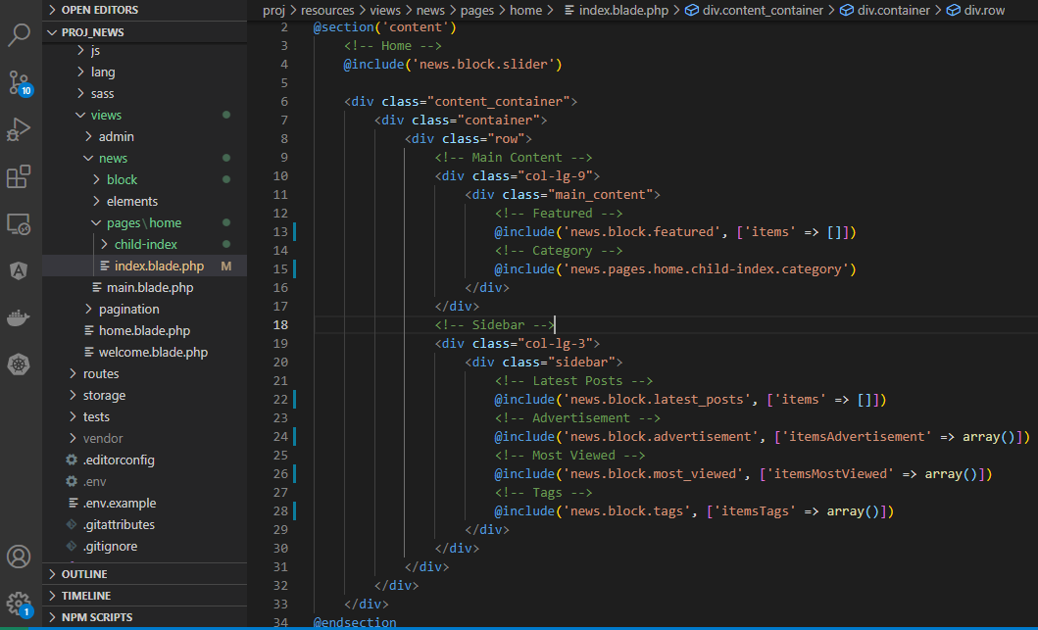

resources\views\news\block\featured.blade.php
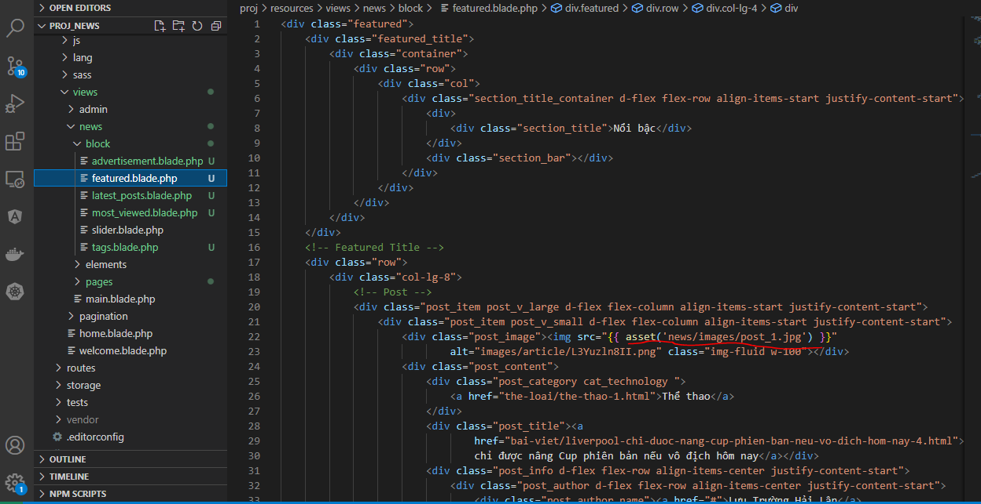

pages\home\child-index\category.blade.php
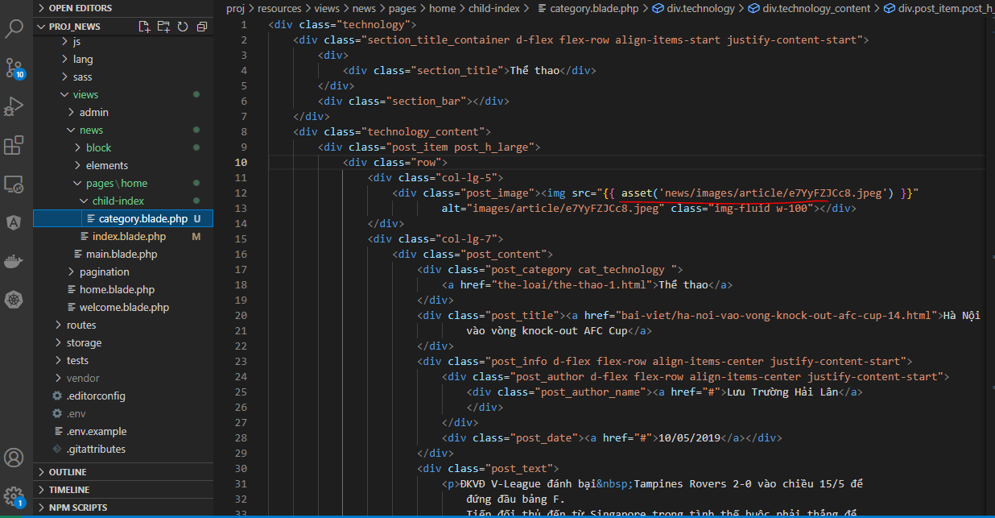

views\news\block\latest_posts.blade.php
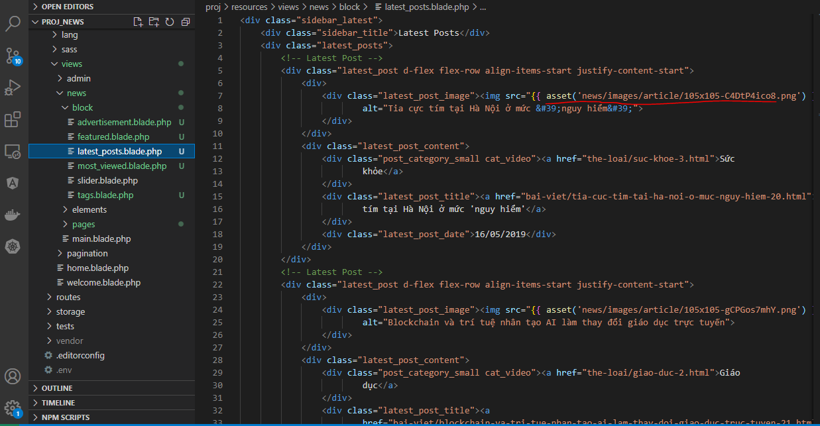

resources\views\news\block\advertisement.blade.php

resources\views\news\block\most_viewed.blade.php
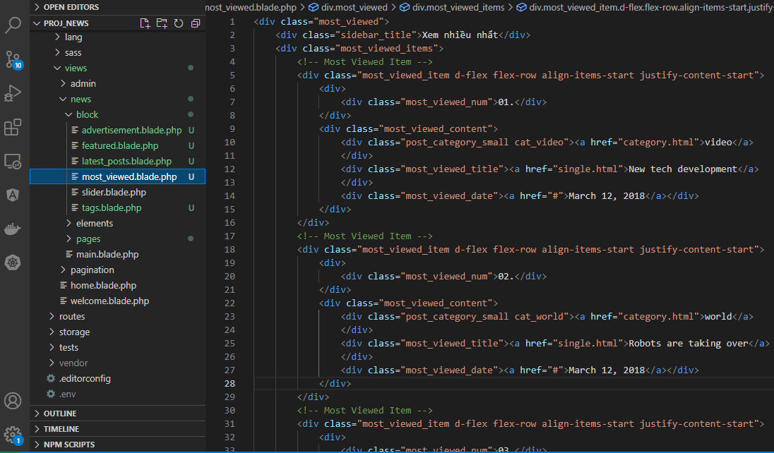

resources\views\news\block\tags.blade.php

Check browser

get category
app\Http\Controllers\HomeController.php
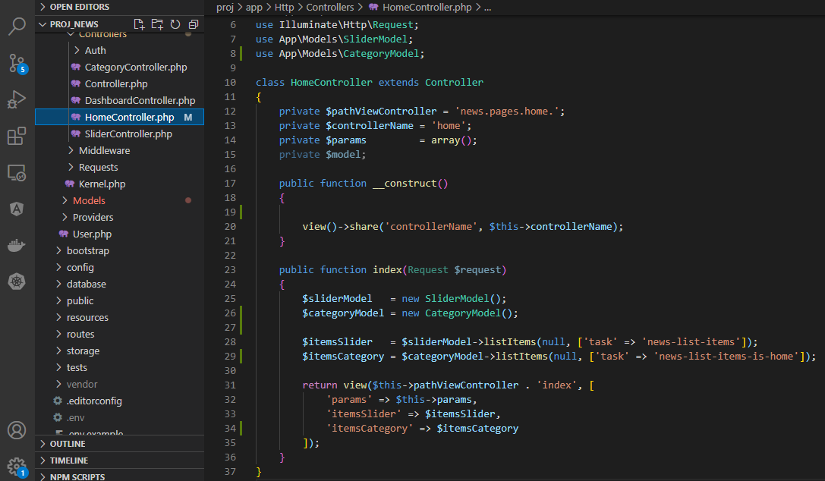

app\Models\CategoryModel.php
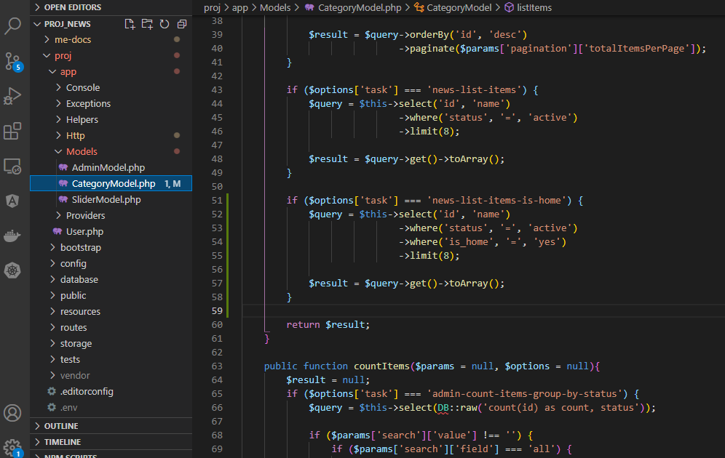

Check browser

show display
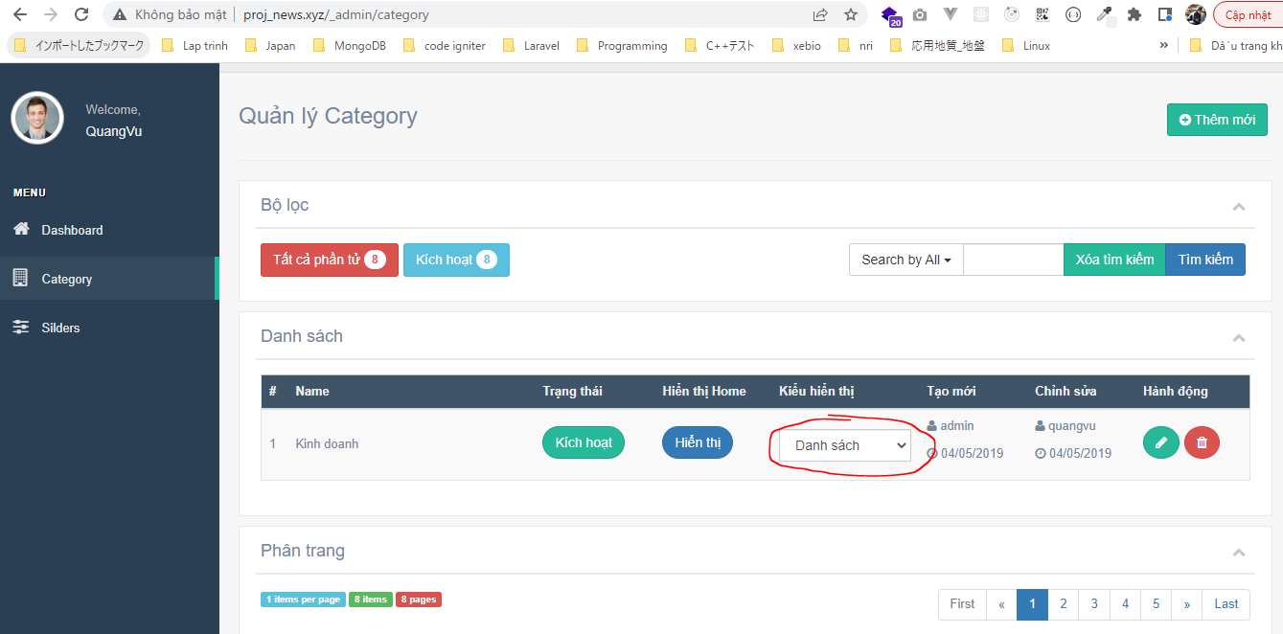
config\zvn.php

app\Helpers\Template.php

app\Models\CategoryModel.php

resources\views\admin\pages\category\list.blade.php
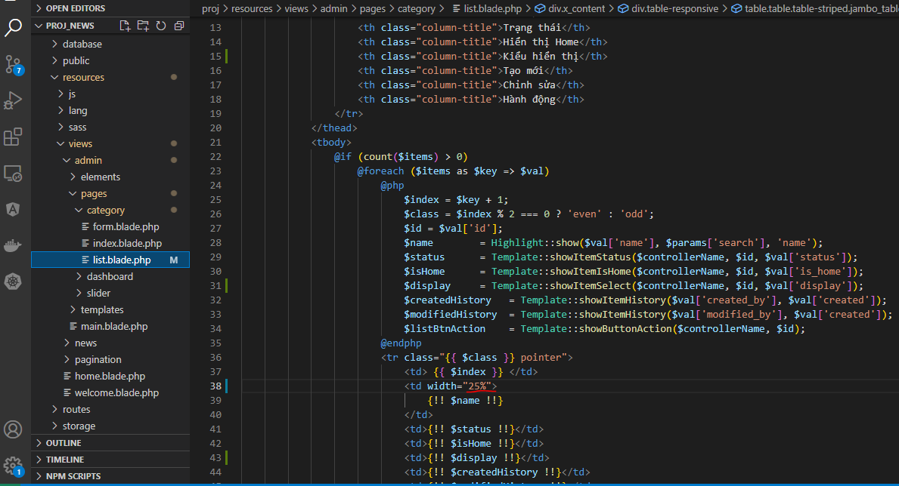

Check browser

change display
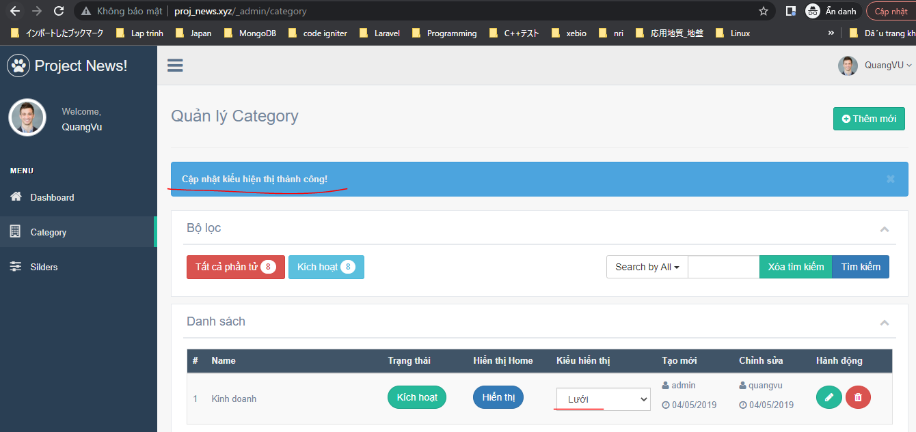
routes\web.php

app\Helpers\Template.php

resources\lang\en\notify.php

public\admin\js\my-js.js

Http\Controllers\CategoryController.php

app\Models\CategoryModel.php
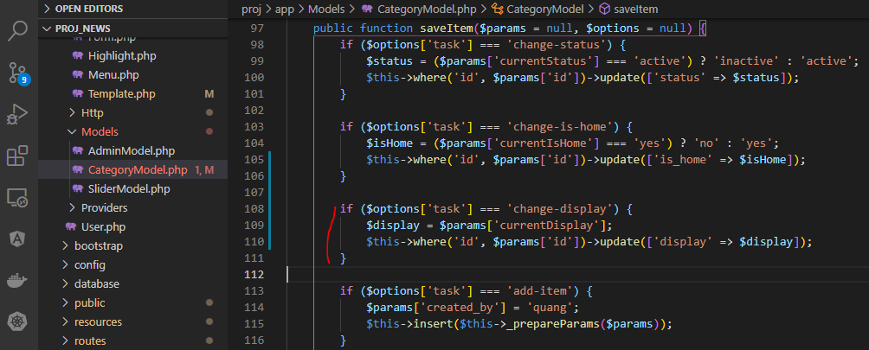

Check browser
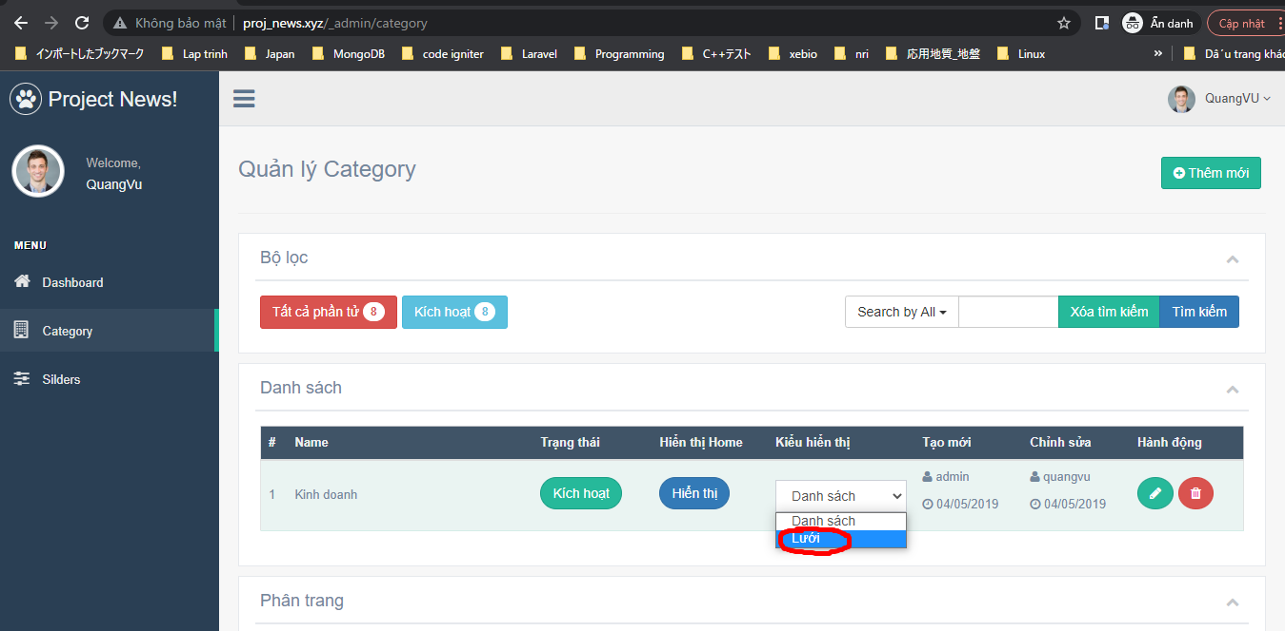

 | Result

show category
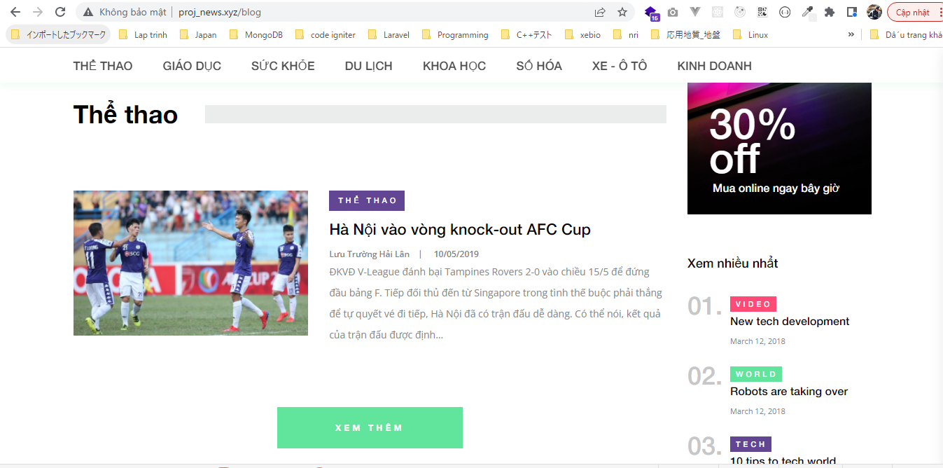
app\Models\CategoryModel.php
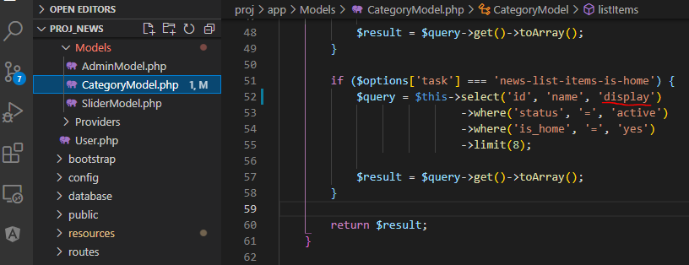

resources\views\news\pages\home\child-index\category.blade.php

views\news\pages\home\child-index\category_list.blade.php
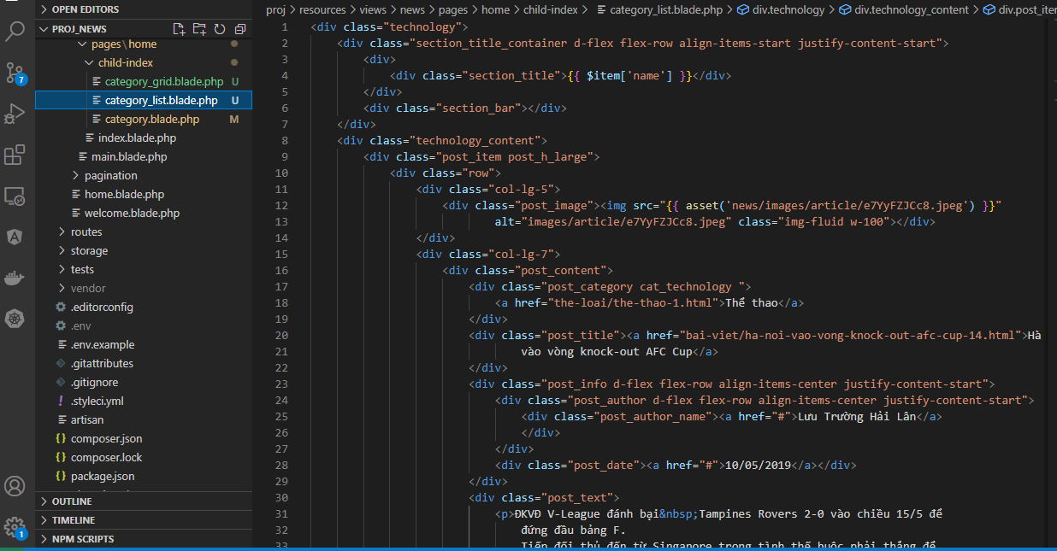

resources\views\news\pages\home\child-index\category_grid.blade.php
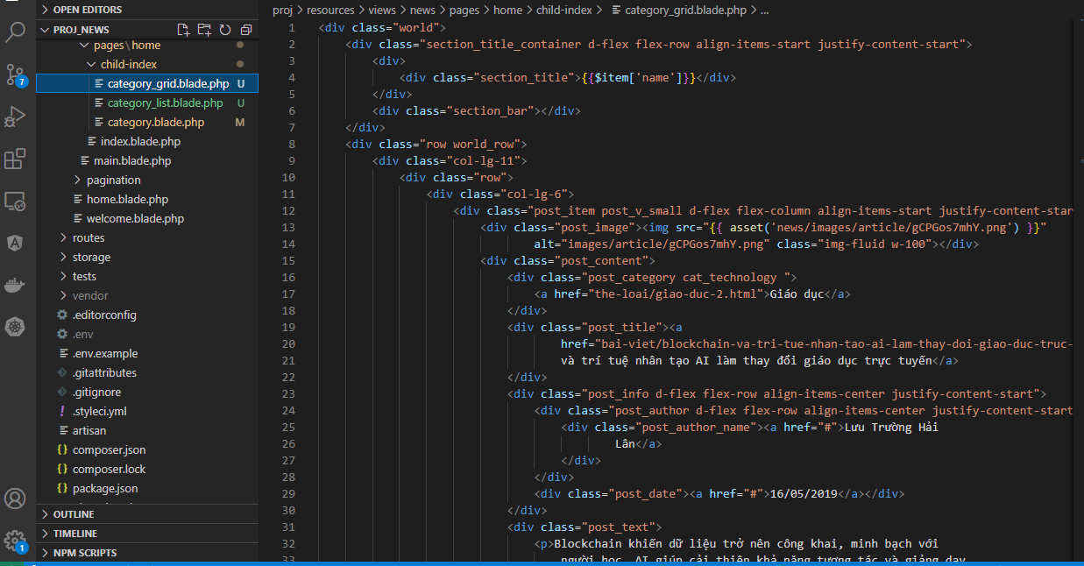

Check browser

