diagram
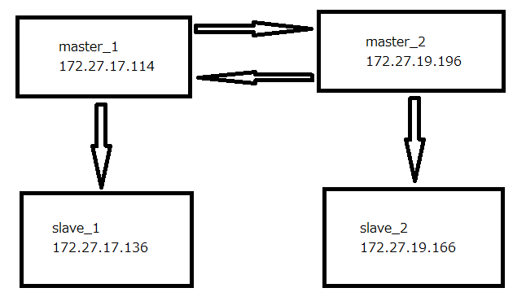

EC2(master_1)
1. Tạo EC2 Instance
 | Tại EC2 - Instance - Lauch Instance ta tạo các instance cần thiết như bảng

 | ※mục nào không được đề cập thì chọn default

 | Mục | news(màn hình) | master_1(database) | master_2(database) | slave_1(database) | slave_2(database)
 | Type
 | Volume type | SSD（gp3）
 | Network | news-vpc
 | Subnet | news-1c-public | news-1c-private | news-1d-private | news-1c-private | news-1d-private
 | IAM role
 | Storage
 | Tag Name（Name） | news | master_1 | master_2 | slave_1 | slave_2
 | Security group | news | db | db | db | db
 | Key pair | news-key

 | 3. db(Security group)
 | ■Inbound rules
 | Type | protocol | Port range | Source
 | MYSQL/Aurora | TCP | 3306 | news
 | SSH | TCP | 22 | news
 | Custom TCP | TCP | 4949 | news
 | Custom TCP | TCP | 5666 | news
 | Custom ICMP - IPv4 | Echo Request | N/A | news
 | MYSQL/Aurora | TCP | 3306 | db

 | ■Outbound rules

 | Type | protocol | Port range | Destination
 | All traffic | All | All | 0.0.0.0/0

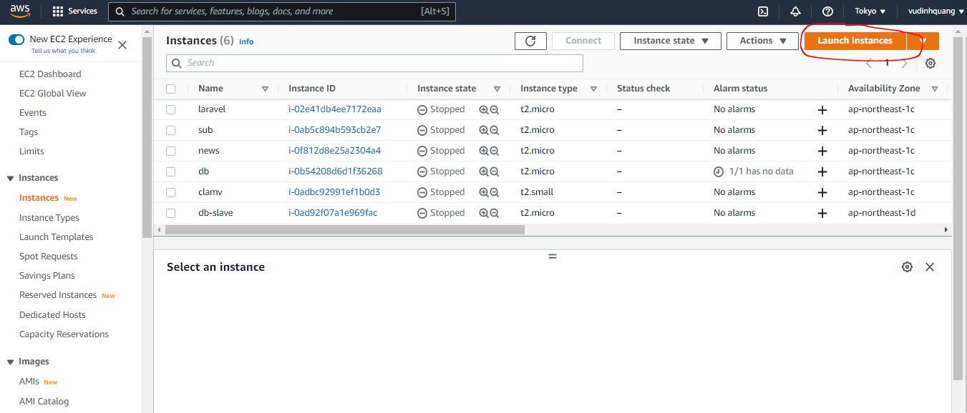

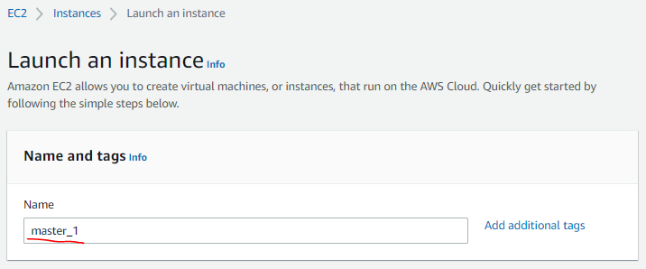

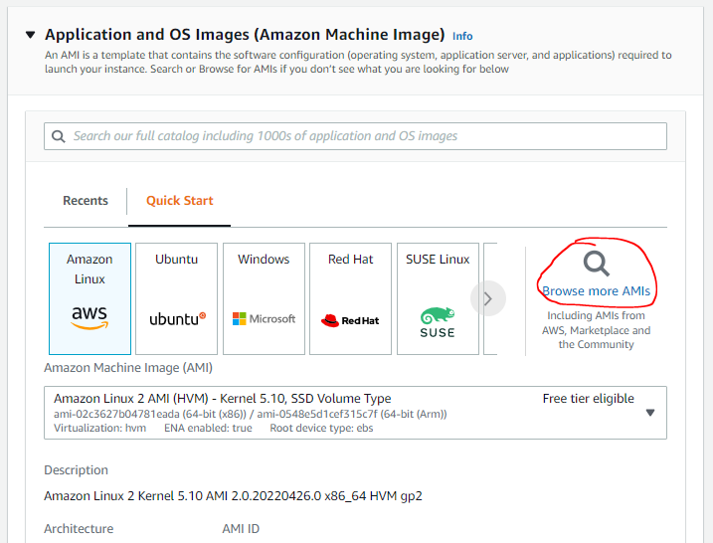

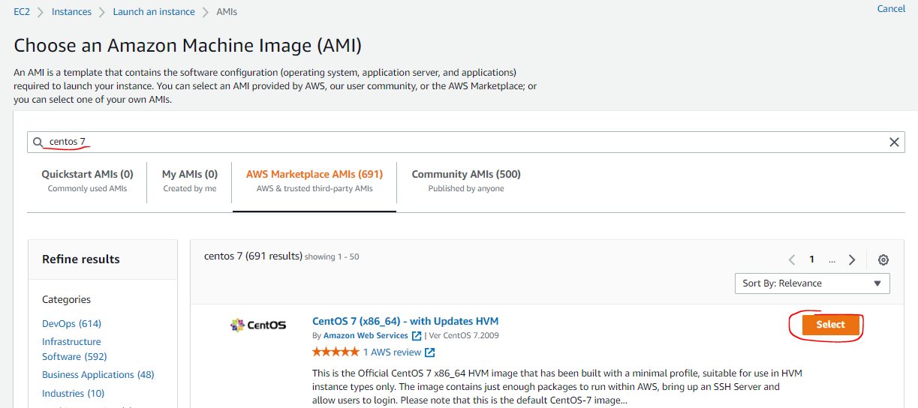

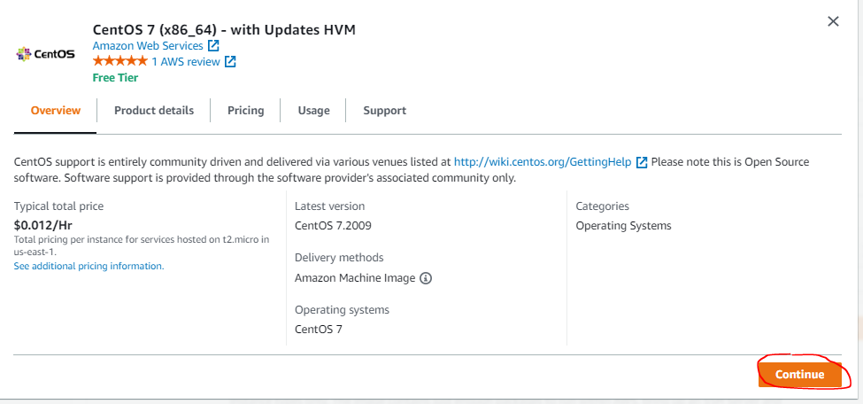

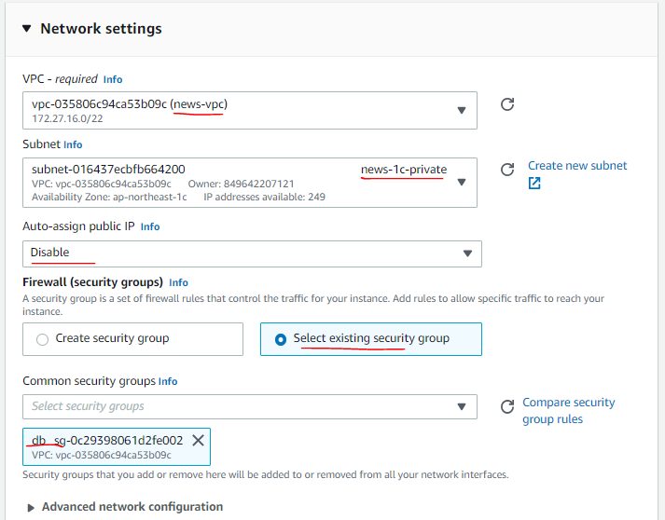

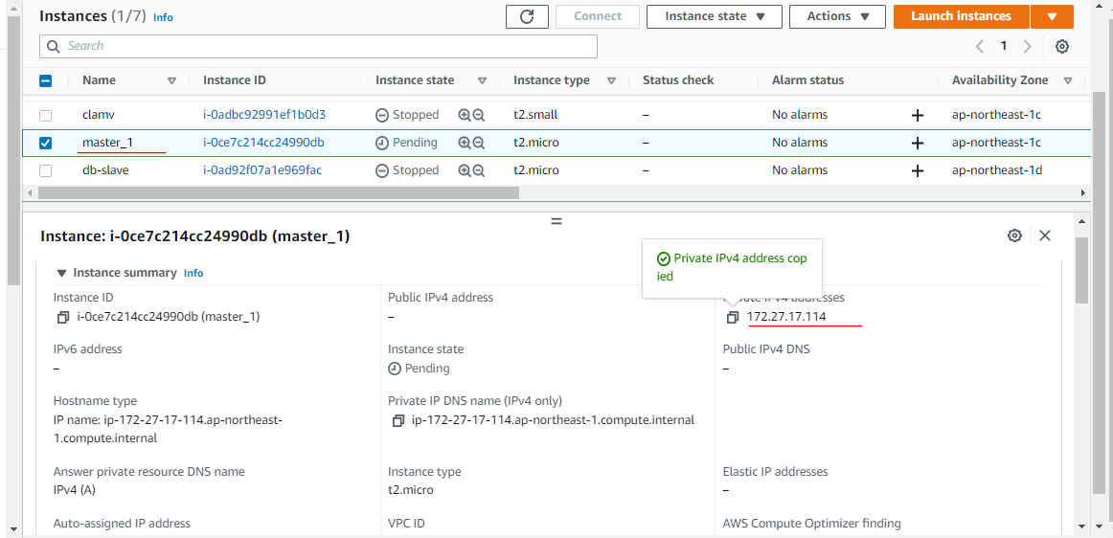

 | Check ssh from news to master_1 by master_1's private ip
 | ssh centos@172.27.17.114

3. Run command
 | sudo su -
 | 3.1 Package update
 | sudo yum update -y

 | 3.2 Timezone setting
 | timedatectl status
 | sudo timedatectl set-timezone Asia/Tokyo

 | timedatectl status
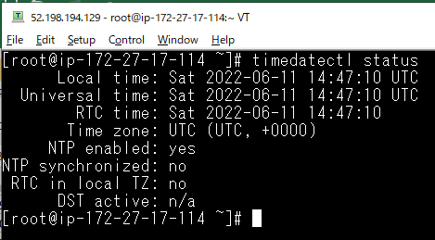

 | sudo timedatectl set-timezone Asia/Tokyo
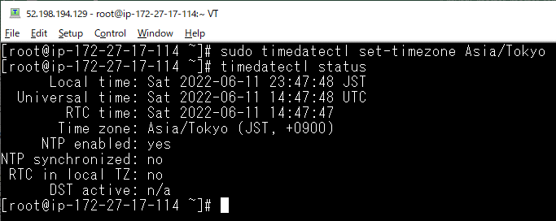

 | 3.3 Local setting
 | localectl status
 | sudo localectl set-locale LANG=ja_JP.UTF-8
 | sudo localectl set-keymap jp106

 | localectl status
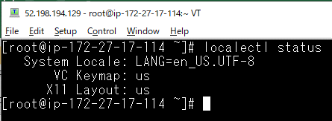

 | sudo localectl set-locale LANG=ja_JP.UTF-8
 | sudo localectl set-keymap jp106
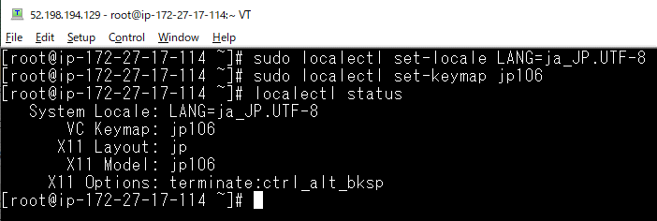

 | 3.4 Hostname setting
 | # Trường hợp là news thì thực hiện như bên dưới, các server khác tùy chỉnh cho chính xác
 | sudo hostnamectl set-hostname master_1
 | sudo vi /etc/hosts
 | ##Chỉnh sửa như bên dưới
 | 127.0.0.1 localhost localhost.localdomain localhost4 localhost4.localdomain4
 | ::1 localhost localhost.localdomain localhost6 localhost6.localdomain6
 | ↓
 | 127.0.0.1 localhost localhost.localdomain localhost4 localhost4.localdomain4 news
 | ::1 localhost localhost.localdomain localhost6 localhost6.localdomain6
 | #172.27.16.42 news
 | 172.27.17.114 master_1
 | 172.27.19.196 master_2
 | 172.27.17.136 slave_1
 | 172.27.19.166 slave_2

master_1
 | sudo hostnamectl set-hostname master_1

 | sudo vi /etc/hosts

news
 | sudo vi /etc/hosts

 | ssh from news to master_1
 | ssh master_1

 | 3.5 Cấp quyền cho centos
 | chown centos:centos /usr/local/src

EC2(master_2)
Tại EC2 - Instance - Lauch Instance ta tạo các instance cần thiết như bảng

※mục nào không được đề cập thì chọn default

Mục | news(màn hình) | master_1(database) | master_2(database) | slave_1(database) | slave_2(database)
Type
Volume type | SSD（gp3）
Network | news-vpc
Subnet | news-1c-public | news-1c-private | news-1d-private | news-1c-private | news-1d-private
IAM role
Storage
Tag Name（Name） | news | master_1 | master_2 | slave_1 | slave_2
Security group | news | db | db | db | db
Key pair | news-key

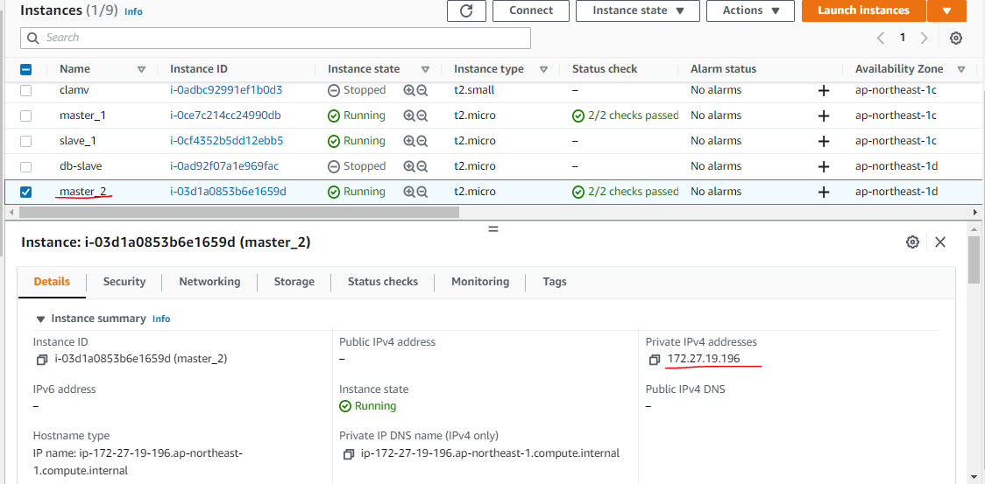

Hostname setting
# Trường hợp là news thì thực hiện như bên dưới, các server khác tùy chỉnh cho chính xác
sudo hostnamectl set-hostname master_1
sudo vi /etc/hosts
##Chỉnh sửa như bên dưới
127.0.0.1 localhost localhost.localdomain localhost4 localhost4.localdomain4
::1 localhost localhost.localdomain localhost6 localhost6.localdomain6
↓
127.0.0.1 localhost localhost.localdomain localhost4 localhost4.localdomain4 news
::1 localhost localhost.localdomain localhost6 localhost6.localdomain6
#172.27.16.42 news
172.27.17.114 master_1
172.27.19.196 master_2
172.27.17.136 slave_1
172.27.19.166 slave_2

EC2(slave_1)
Tại EC2 - Instance - Lauch Instance ta tạo các instance cần thiết như bảng

※mục nào không được đề cập thì chọn default

Mục | news(màn hình) | master_1(database) | master_2(database) | slave_1(database) | slave_2(database)
Type
Volume type | SSD（gp3）
Network | news-vpc
Subnet | news-1c-public | news-1c-private | news-1d-private | news-1c-private | news-1d-private
IAM role
Storage
Tag Name（Name） | news | master_1 | master_2 | slave_1 | slave_2
Security group | news | db | db | db | db
Key pair | news-key

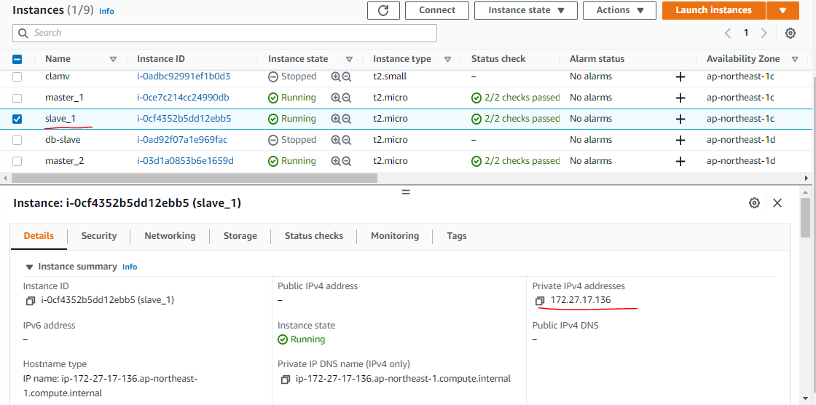

Hostname setting
# Trường hợp là news thì thực hiện như bên dưới, các server khác tùy chỉnh cho chính xác
sudo hostnamectl set-hostname master_1
sudo vi /etc/hosts
##Chỉnh sửa như bên dưới
127.0.0.1 localhost localhost.localdomain localhost4 localhost4.localdomain4
::1 localhost localhost.localdomain localhost6 localhost6.localdomain6
↓
127.0.0.1 localhost localhost.localdomain localhost4 localhost4.localdomain4 news
::1 localhost localhost.localdomain localhost6 localhost6.localdomain6
#172.27.16.42 news
172.27.17.114 master_1
172.27.19.196 master_2
172.27.17.136 slave_1
172.27.19.166 slave_2

EC2(slave_2)
Tại EC2 - Instance - Lauch Instance ta tạo các instance cần thiết như bảng

※mục nào không được đề cập thì chọn default

Mục | news(màn hình) | master_1(database) | master_2(database) | slave_1(database) | slave_2(database)
Type
Volume type | SSD（gp3）
Network | news-vpc
Subnet | news-1c-public | news-1c-private | news-1d-private | news-1c-private | news-1d-private
IAM role
Storage
Tag Name（Name） | news | master_1 | master_2 | slave_1 | slave_2
Security group | news | db | db | db | db
Key pair | news-key

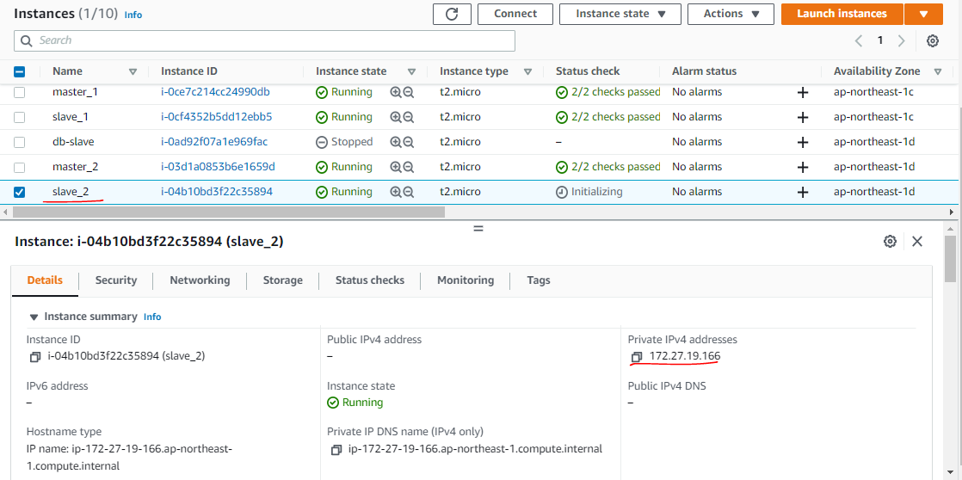

Hostname setting
# Trường hợp là news thì thực hiện như bên dưới, các server khác tùy chỉnh cho chính xác
sudo hostnamectl set-hostname master_1
sudo vi /etc/hosts
##Chỉnh sửa như bên dưới
127.0.0.1 localhost localhost.localdomain localhost4 localhost4.localdomain4
::1 localhost localhost.localdomain localhost6 localhost6.localdomain6
↓
127.0.0.1 localhost localhost.localdomain localhost4 localhost4.localdomain4 news
::1 localhost localhost.localdomain localhost6 localhost6.localdomain6
#172.27.16.42 news
172.27.17.114 master_1
172.27.19.196 master_2
172.27.17.136 slave_1
172.27.19.166 slave_2

MySQL (master_1,2,slave_1,2)
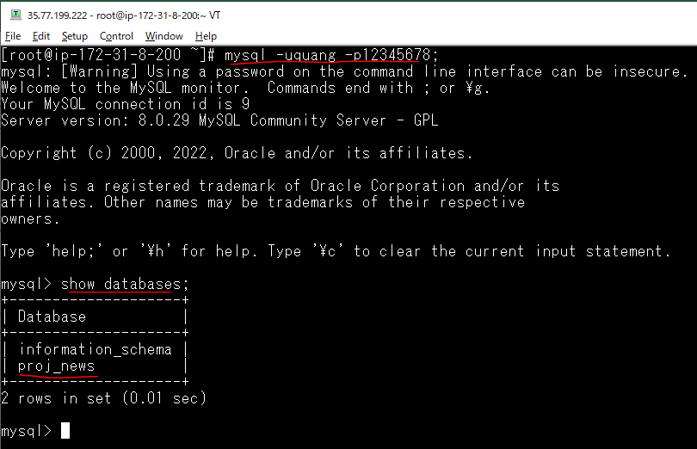
 | master_1 | master_2 | slave_1 | slave_2
 | 8.0.29 | 8.0.29 | 8.0.29 | 8.0.29

https://stackoverflow.com/questions/70993613/unable-to-install-mysql-on-centos7
Step 1: Remove previous installed packages and clear cache
 | yum list installed | grep mysql

 | yum remove mysql80-community-release.noarch

 | yum clean all --verbose
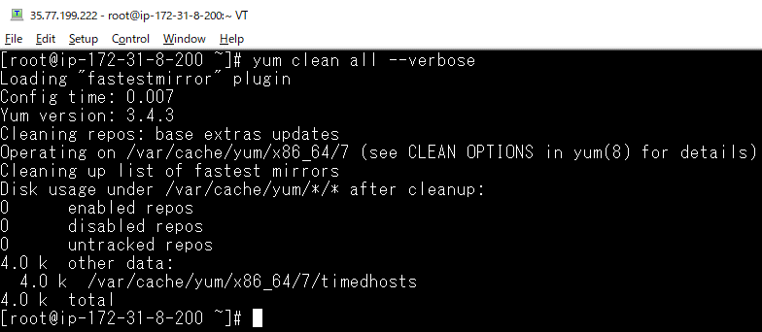

 | rm -R /var/cache/yum/x86_64/7/mysql*

 | yum update -y

Step 2: Setup Yum Repository
 | rpm -Uvh https://repo.mysql.com/mysql80-community-release-el7-3.noarch.rpm

Step 3: disable all repositories in mysql repo file
 | sed -i 's/enabled=1/enabled=0/' /etc/yum.repos.d/mysql-community.repo

Step 4: Install MySQL Community Server
 | yum --enablerepo=mysql80-community install mysql-community-server
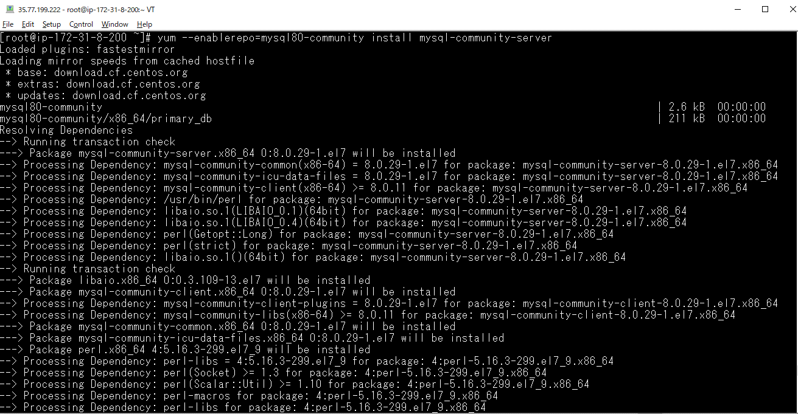

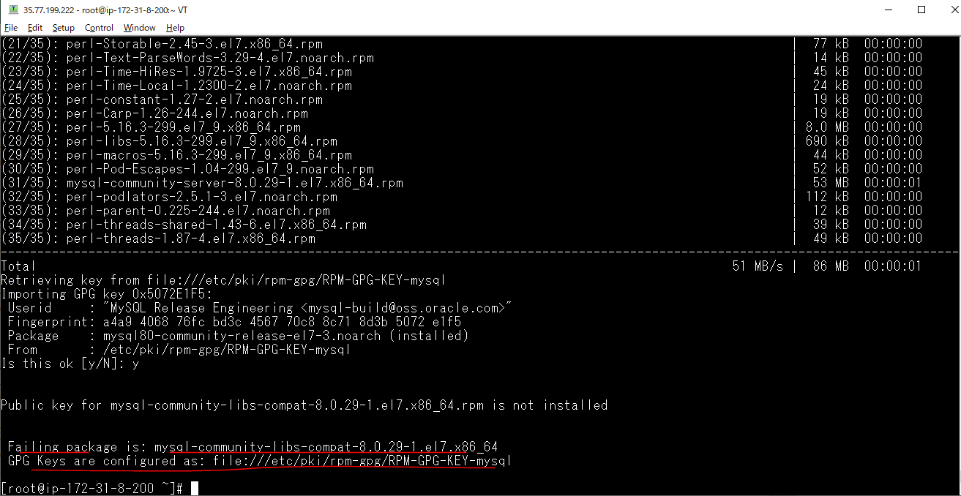

Step 5: import the new GPG key
 | rpm --import https://repo.mysql.com/RPM-GPG-KEY-mysql-2022

Step 6: Re-run STEP #3 Install MySQL Community Server
 | yum --enablerepo=mysql80-community install mysql-community-server
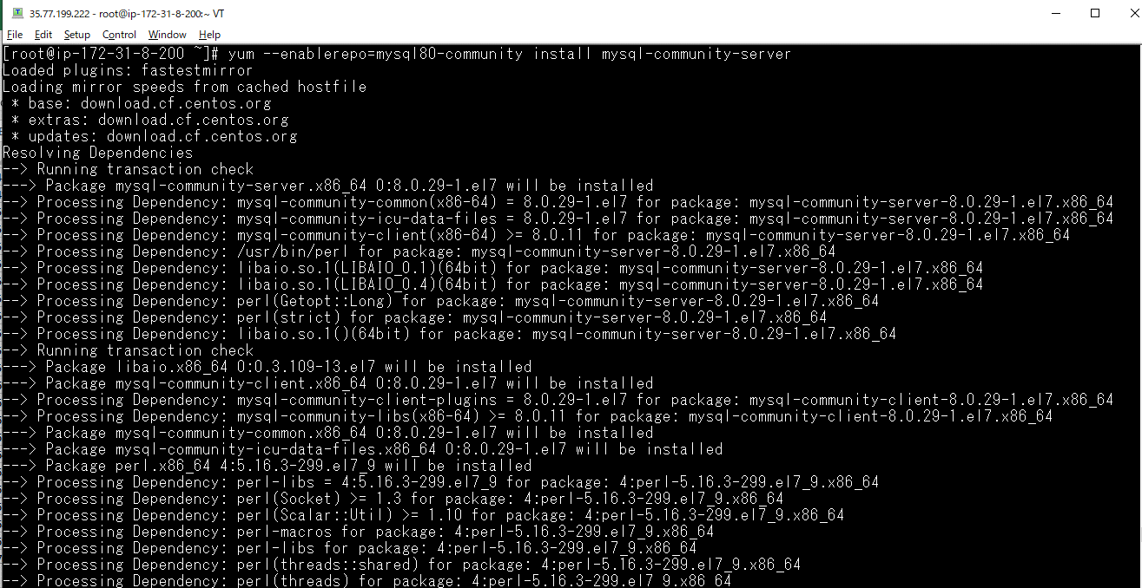

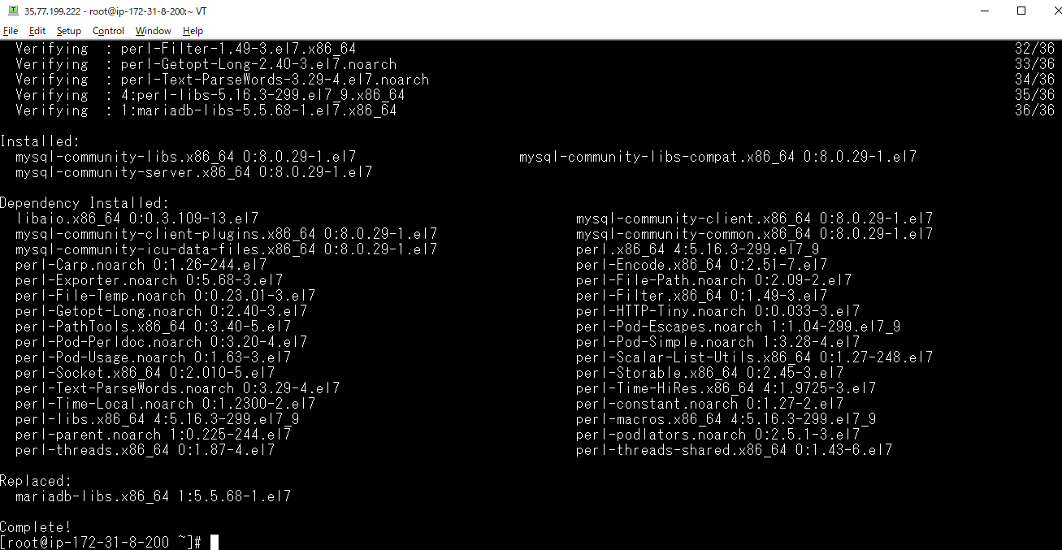

Step 7: test

Step 8: Double check that no errors when running yum update
 | sudo yum update
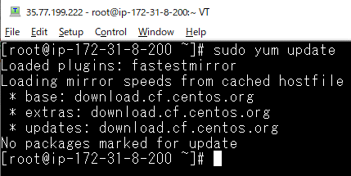

 | Confirm by starting it manually, checking status
 | systemctl start mysqld

 | systemctl status mysqld
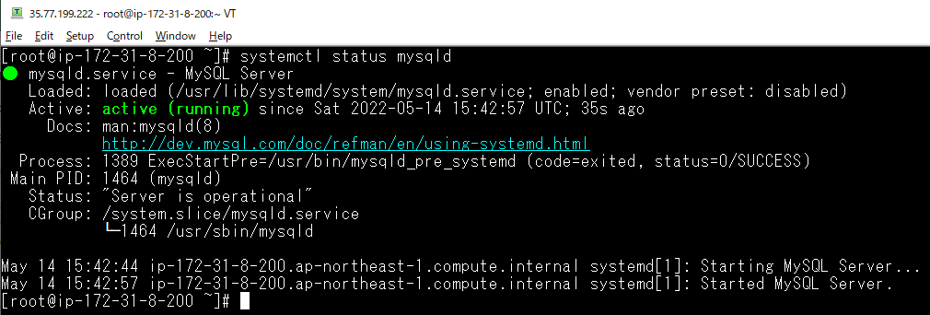

 | systemctl enable mysqld

Get temporary password
 | sudo grep 'temporary password' /var/log/mysqld.log
 | temporary pwd: c(t?&<rNn6:h

Mysql Server Initial Configuration
 | mysql_secure_installation
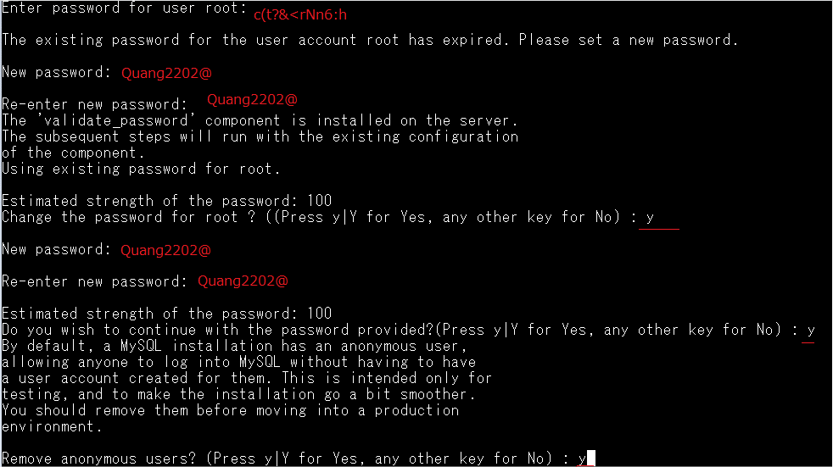

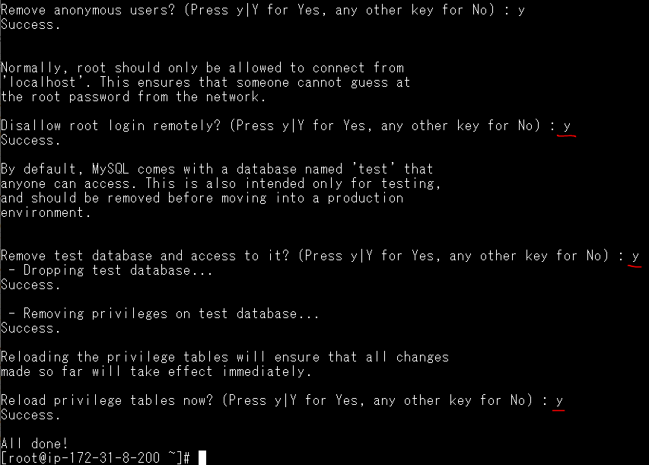

Config Mysql(ko lm với mysql 5.7)
 | vi /etc/my.cnf
 | validate_password.policy=LOW
 | validate_password.length=7
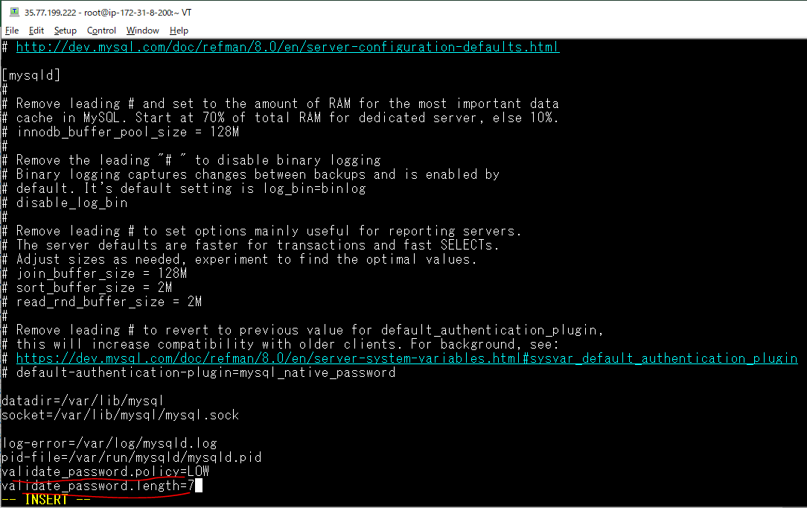

Restart mysql
 | systemctl restart mysqld

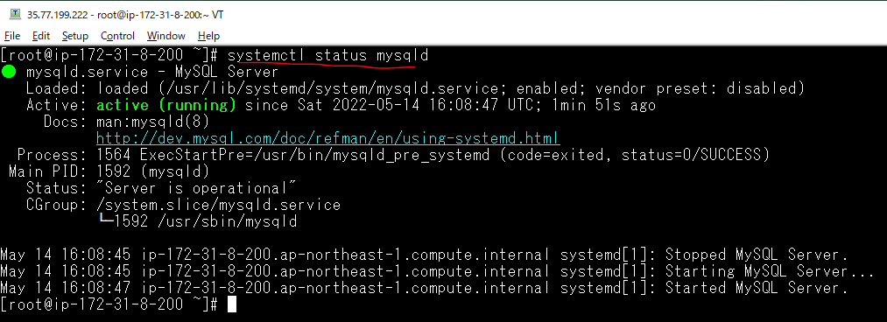

Login mysql
 | mysql -uroot -p
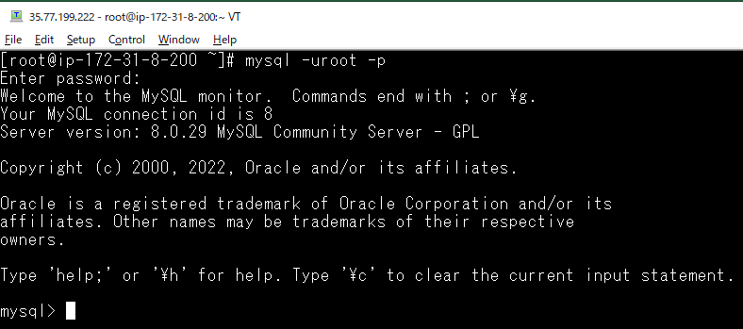

Create Database
 | show databases;
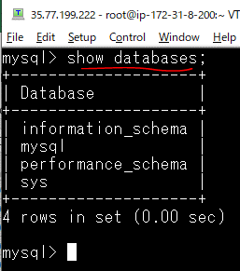

 | create database proj_news;
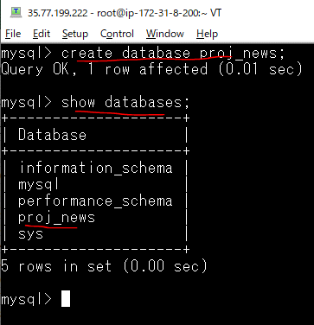

Create Local User
 | CREATE USER 'quang'@'localhost' IDENTIFIED BY '12345678';
 | CREATE USER 'quang'@'localhost' IDENTIFIED WITH mysql_native_password BY '12345678';
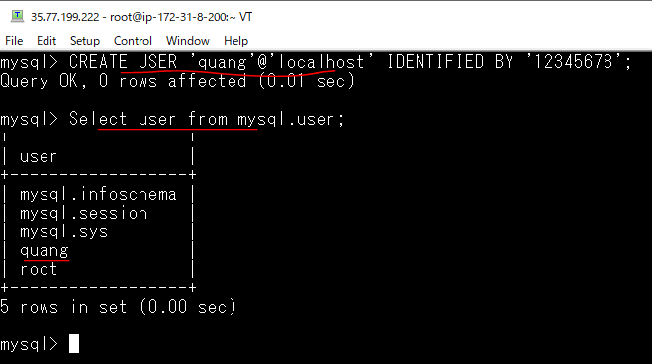

Gán quyền truy xuất vào Database Mysql web cho user quang
 | GRANT ALL ON proj_news.* TO 'quang'@'localhost' WITH GRANT OPTION;
 | FLUSH PRIVILEGES;

Check quyền truy xuất vào Database Mysql web by user quang
 | mysql -uquang -p12345678;

user mysql
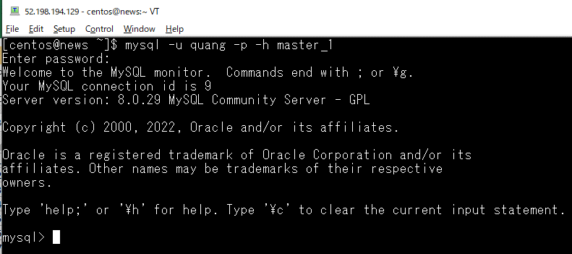
 | master_1 | master_2 | slave_1 | slave_2
 | quang/12345678 | quang/12345678 | quang/12345678 | quang/12345678

 | mysql -u quang -p -h xxxx
 | Can connect mysql from news server to master_1, master_2, slave_1, slave_2
 | master_1, master_2, slave_1, slave_2 can connect mysql together

 | ssh master_1
 | mysql -u root -p
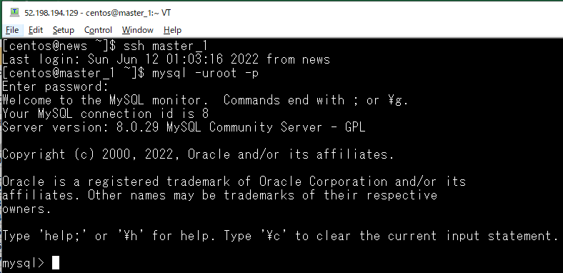

Create quang user
 | CREATE USER 'quang'@'%' IDENTIFIED WITH mysql_native_password BY '12345678';
 | GRANT ALL PRIVILEGES ON *.* TO 'quang'@'%' WITH GRANT OPTION;
 | FLUSH PRIVILEGES;

Check connect mysql from news server with quang user
 | mysql -u quang -p -h db_slave

Mysql Replication
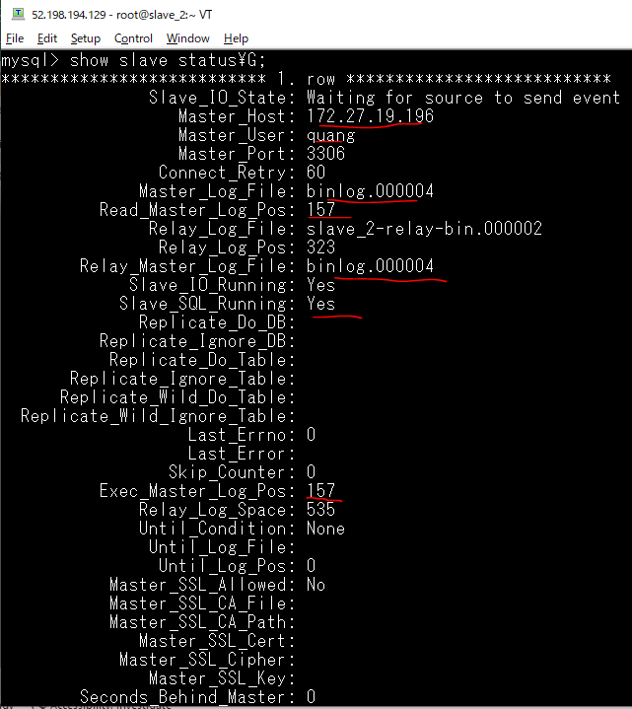
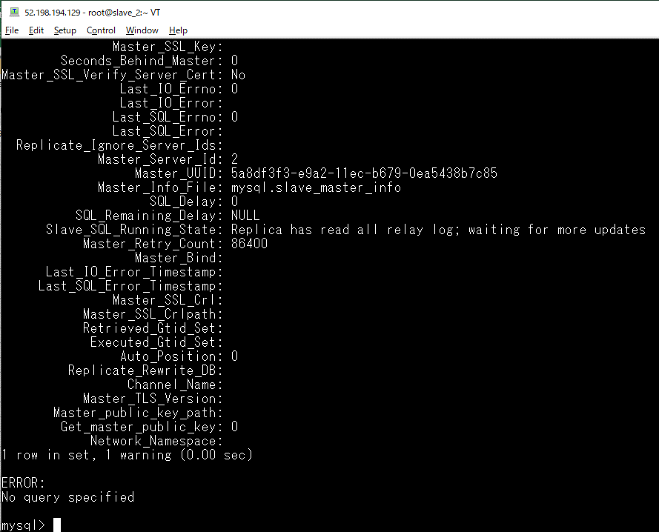
Step 1: Configure the master_1 Server

 | cp /etc/my.cnf /etc/my.cnf_bkp_20200612

 | check log_bin path
 | ls -la /var/lib/mysql
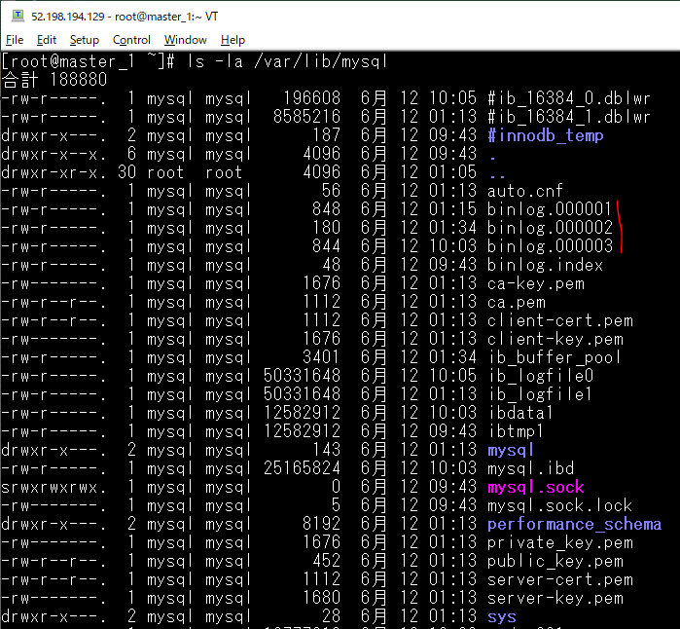

 | SELECT * FROM performance_schema.global_variables WHERE VARIABLE_NAME IN ('log_bin','log_bin_basename','log_bin_index','log_slave_updates', 'server_id');
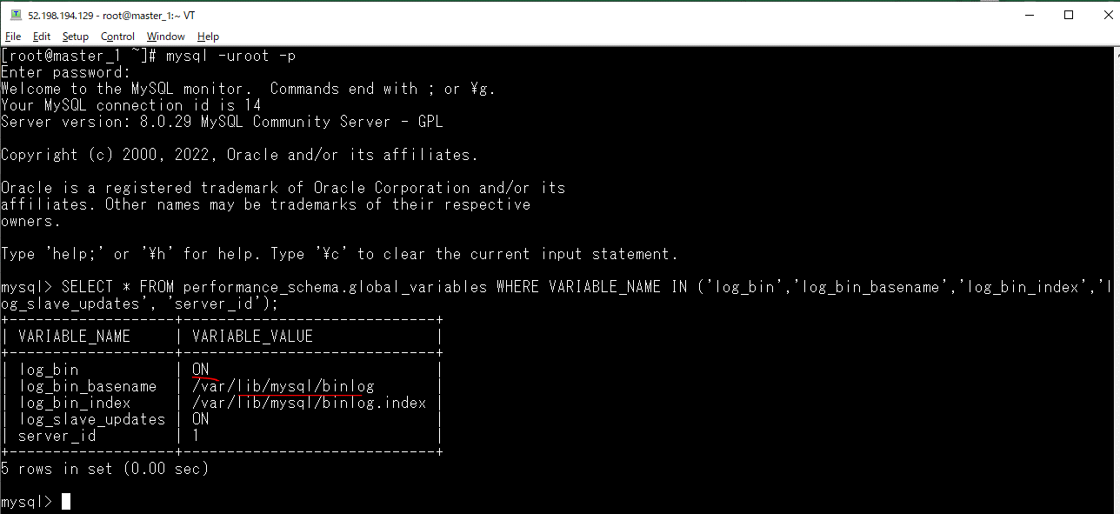

 | vi /etc/my.cnf
 | server-id = 1
 | log_bin = /var/lib/mysql/binlog
 | bind-address = 172.27.17.114
 | log-slave-updates

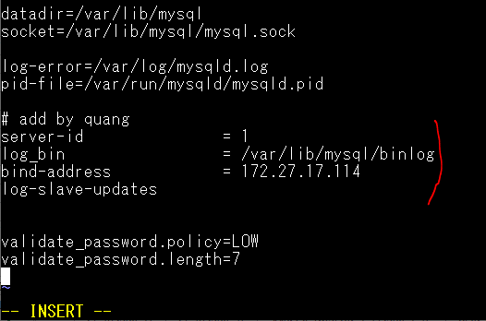

 | systemctl restart mysqld
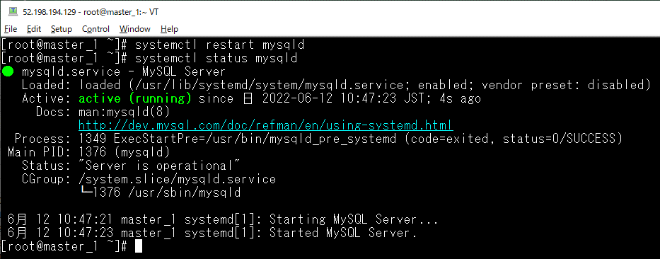

 | SHOW MASTER STATUS\G

 | *************************** 1. row ***************************
 | File: binlog.000005
 | Position: 157
 | Binlog_Do_DB:
 | Binlog_Ignore_DB:
 | Executed_Gtid_Set:
 | 1 row in set (0.00 sec)
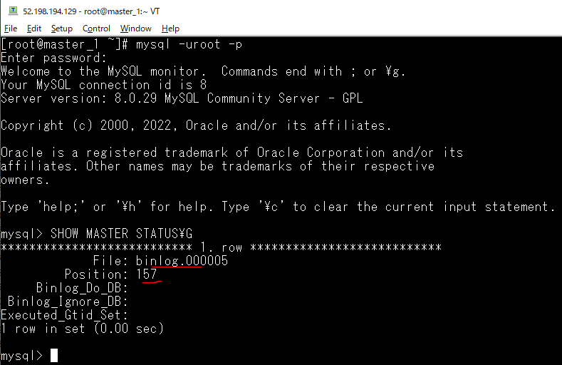

Step 2: Configure the master_2 Server
 | cp /etc/my.cnf /etc/my.cnf_bkp_20200612

 | vi /etc/my.cnf
 | server-id = 2
 | log_bin = /var/lib/mysql/binlog
 | bind-address = 172.27.19.196
 | log-slave-updates
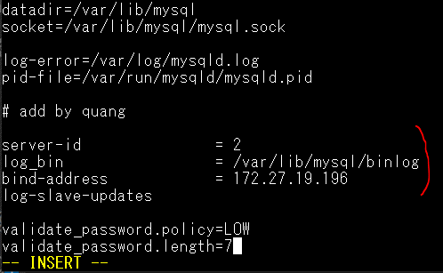

 | systemctl restart mysqld
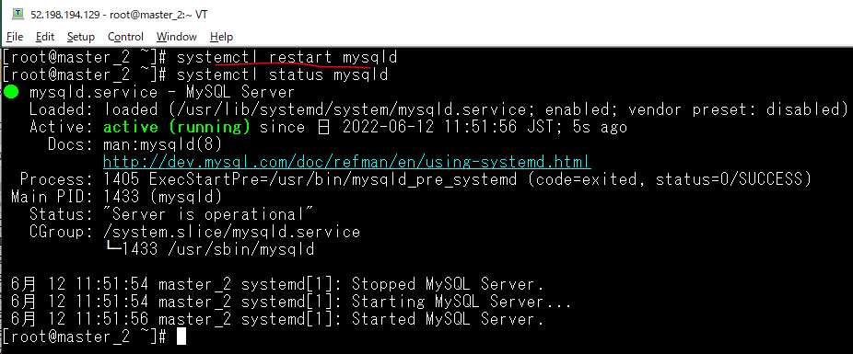

 | SHOW MASTER STATUS\G

 | *************************** 1. row ***************************
 | File: binlog.000004
 | Position: 157
 | Binlog_Do_DB:
 | Binlog_Ignore_DB:
 | Executed_Gtid_Set:
 | 1 row in set (0.00 sec)
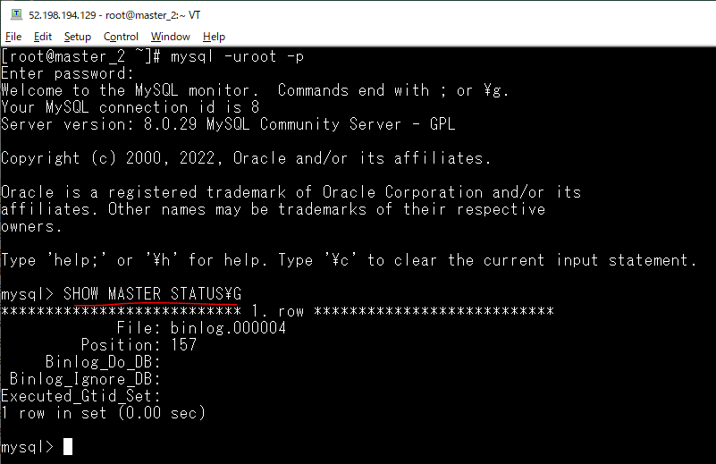

Step 3: Configure the parameters for master_1 to connect to master server(master_2)

 | mysql -uroot -p
 | STOP SLAVE;
 | CHANGE MASTER TO
 | MASTER_HOST='172.27.19.196',
 | MASTER_USER='quang',
 | MASTER_PASSWORD='12345678',
 | MASTER_LOG_FILE='binlog.000004',
 | MASTER_LOG_POS=157;

 | mysql -uroot -p
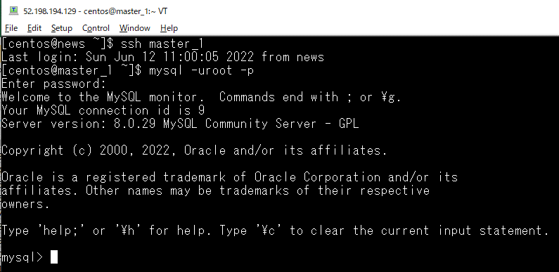

 | STOP SLAVE;

 | CHANGE MASTER TO
 | MASTER_HOST='172.27.19.196',
 | MASTER_USER='quang',
 | MASTER_PASSWORD='12345678',
 | MASTER_LOG_FILE='binlog.000004',
 | MASTER_LOG_POS=157;
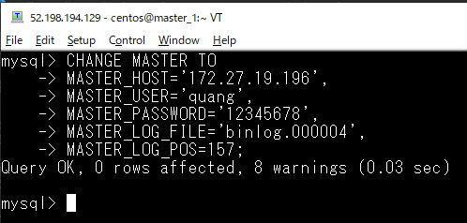

 | start slave;

 | show slave status\G;
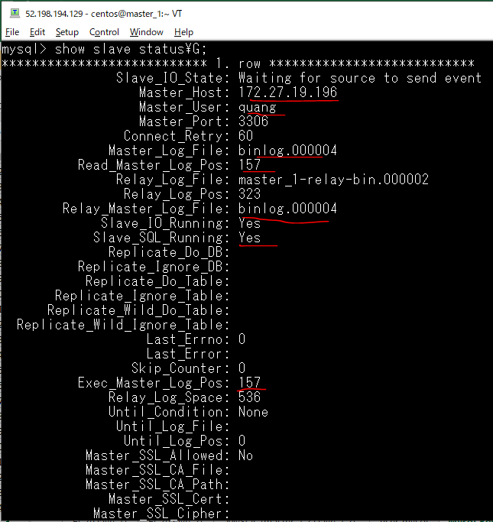

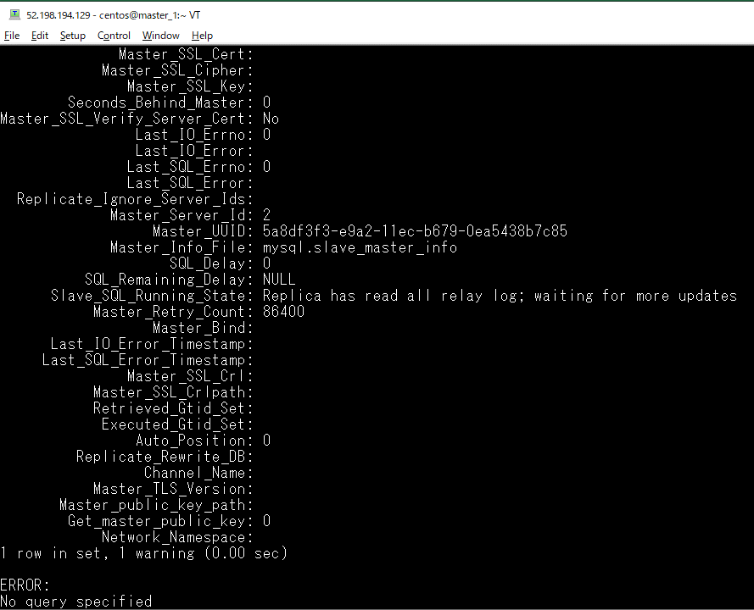

 | Check error(db_slave) on other terminal. Không có lỗi xảy ra và câu lệnh đã thực hiện thành công
 | tail -10 /var/log/mysqld.log

Step 4: Configure the parameters for master_2 to connect to master server(master_1)

 | mysql -uroot -p
 | STOP SLAVE;
 | CHANGE MASTER TO
 | MASTER_HOST='172.27.17.114',
 | MASTER_USER='quang',
 | MASTER_PASSWORD='12345678',
 | MASTER_LOG_FILE='binlog.000005',
 | MASTER_LOG_POS=157;

 | mysql -uroot -p
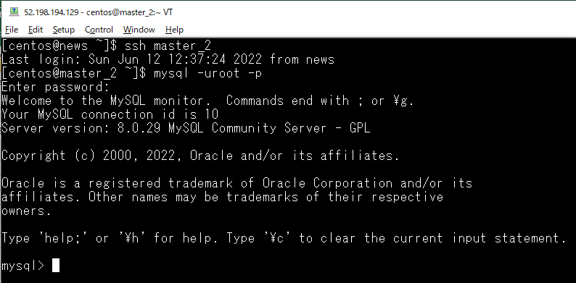

 | STOP SLAVE;

 | CHANGE MASTER TO
 | MASTER_HOST='172.27.17.114',
 | MASTER_USER='quang',
 | MASTER_PASSWORD='12345678',
 | MASTER_LOG_FILE='binlog.000005',
 | MASTER_LOG_POS=157;
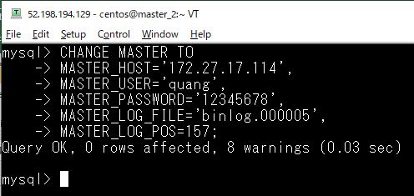

 | start slave;

 | show slave status\G;
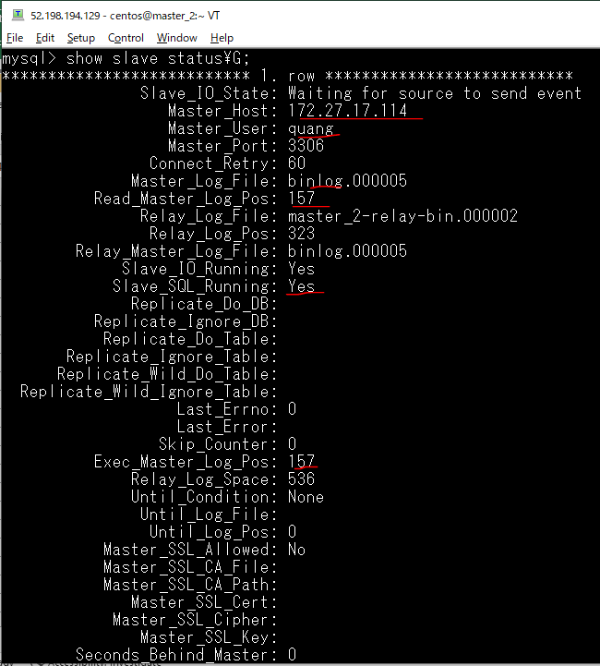



Step 5: Configure the slave_1 Server
 | cp /etc/my.cnf /etc/my.cnf_bkp_20200612

 | vi /etc/my.cnf
 | server-id = 3
 | log_bin = /var/lib/mysql/binlog
 | bind-address = 172.27.17.136


 | systemctl restart mysqld


Step 6: Configure the parameters for slave_1 server to connect to the master_1 server.

 | mysql -uroot -p
 | STOP SLAVE;
 | CHANGE MASTER TO
 | MASTER_HOST='172.27.17.114',
 | MASTER_USER='quang',
 | MASTER_PASSWORD='12345678',
 | MASTER_LOG_FILE='binlog.000005',
 | MASTER_LOG_POS=157;

 | mysql -uroot -p


 | STOP SLAVE;

 | CHANGE MASTER TO
 | MASTER_HOST='172.27.17.114',
 | MASTER_USER='quang',
 | MASTER_PASSWORD='12345678',
 | MASTER_LOG_FILE='binlog.000005',
 | MASTER_LOG_POS=157;


 | start slave;

 | show slave status\G;




Step 7 Configure the slave_2 Server
 | cp /etc/my.cnf /etc/my.cnf_bkp_20200612

 | vi /etc/my.cnf
 | server-id = 4
 | log_bin = /var/lib/mysql/binlog
 | bind-address = 172.27.19.166


 | systemctl restart mysqld


Step 8: Configure the parameters for slave_2 server to connect to the master_2 server.
 | mysql -uroot -p
 | STOP SLAVE;
 | CHANGE MASTER TO
 | MASTER_HOST='172.27.19.196',
 | MASTER_USER='quang',
 | MASTER_PASSWORD='12345678',
 | MASTER_LOG_FILE='binlog.000004',
 | MASTER_LOG_POS=157;

 | mysql -uroot -p


 | STOP SLAVE;

 | CHANGE MASTER TO
 | MASTER_HOST='172.27.19.196',
 | MASTER_USER='quang',
 | MASTER_PASSWORD='12345678',
 | MASTER_LOG_FILE='binlog.000004',
 | MASTER_LOG_POS=157;


 | start slave;

 | show slave status\G;

proj_news database

master_1 server
 | mysql -uquang -p


 | create database proj_news;


master_2: check proj_news databases is created
 | mysql -uquang -p


 | show databases;


slave_1: check proj_news databases is created
 | mysql -uquang -p


 | show databases;


slave_2: check proj_news databases is created
 | mysql -uquang -p


 | show databases;

Release


https://linuxtut.com/en/1ebaeaea9eb897c5c6b4/
Clone the Laravel source code
 | Move to the directory to place
 | cd /var/www/news/

 | Clone source


 | git clone https://github.com/vudinhquang/proj_news.git .



 | Remove cgi-bin and html
 | rm -r html
 | rm -r cgi-bin


Set to work (Apache, Laravel)
 | vi /etc/httpd/conf/httpd.conf


 | Apache restart

Laravel settings
 | composer install




 | Clear cache for config and route
 | php artisan config:cache
 | php artisan route:cache
 | php artisan config:clear


 | Change permissions
 | chmod 777 storage -R
 | chmod 777 bootstrap -R

 | Confirmation


 | .env settings
 | cp .env.example .env
 | vi .env


 | Create a key and clear the cache
 | php artisan key:generate
 | php artisan config:clear

migration
 | php artisan migrate


 | Fix error



 | Migate again
 | php artisan migrate


 | php artisan db:seed


 | php artisan db:seed --class=ArticleTableSeeder

 | php artisan db:seed --class=CategoryTableSeeder

 | php artisan db:seed --class=RssSeeder


 | php artisan db:seed --class=SliderTableSeeder

 | php artisan db:seed --class=UserTableSeeder

Check db(master_1) database




Check db(master_2) database is also created




Check db(slave_1) database is also created




Check db(slave_2) database is also created

