Sheet1
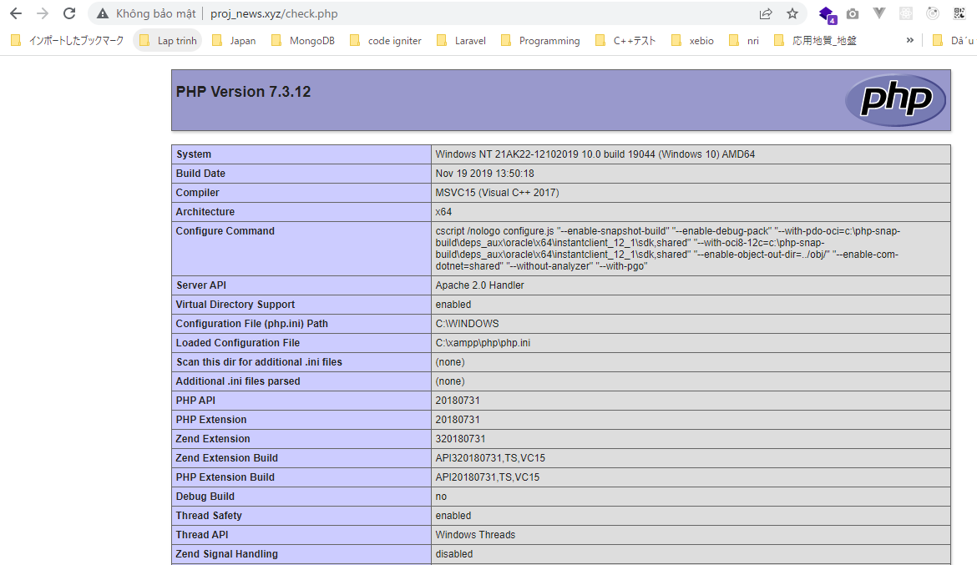
C:\xampp\apache\conf\extra\httpd-vhosts.conf
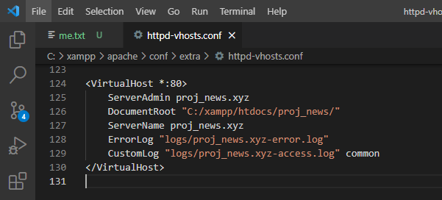

 | <VirtualHost *:80>
 | ServerAdmin proj_news.xyz
 | DocumentRoot "C:/xampp/htdocs/proj_news/"
 | ServerName proj_news.xyz
 | ErrorLog "logs/proj_news.xyz-error.log"
 | CustomLog "logs/proj_news.xyz-access.log" common
 | </VirtualHost>

C:\Windows\System32\drivers\etc\hosts
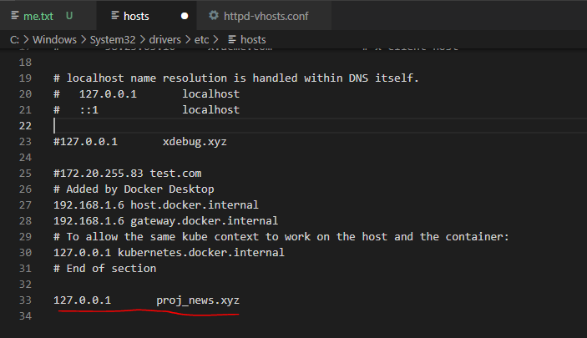

 |  | 127.0.0.1 proj_news.xyz

Restart Xammp and access url: http://proj_news.xyz/
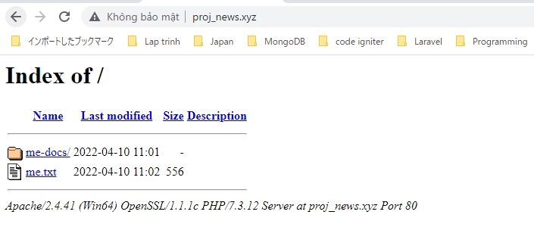

check.php
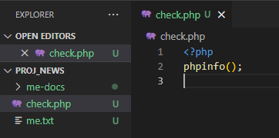

Access check.php by url

