show featured
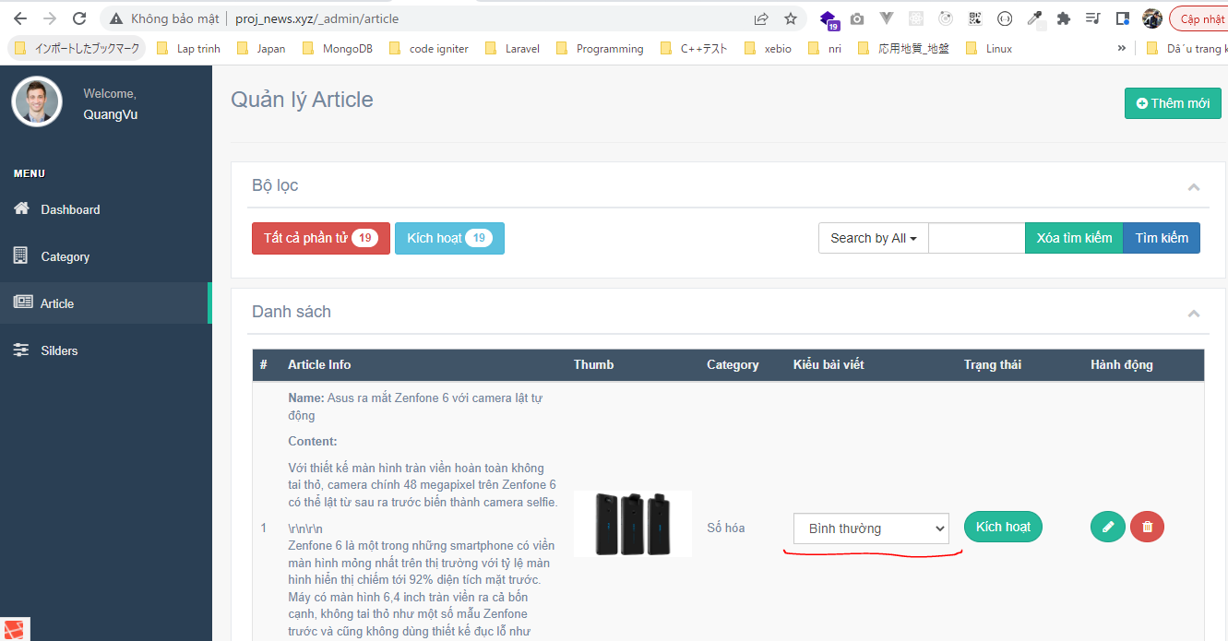
resources\views\admin\pages\article\list.blade.php
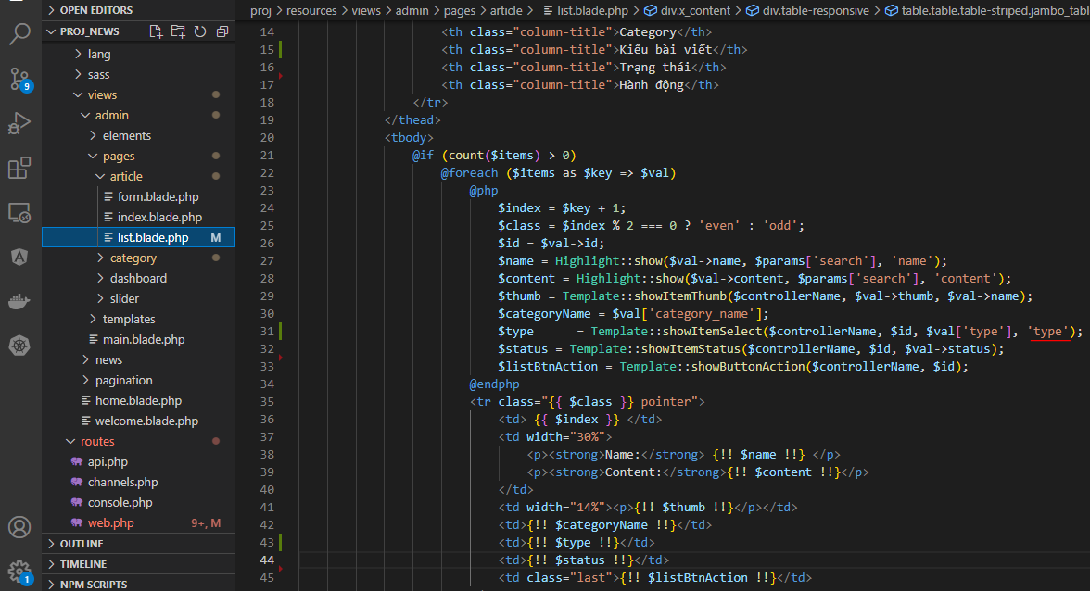

resources\views\admin\pages\category\list.blade.php

config\zvn.php

app\Helpers\Template.php

routes\web.php

app\Models\ArticleModel.php

Check browser

change featured
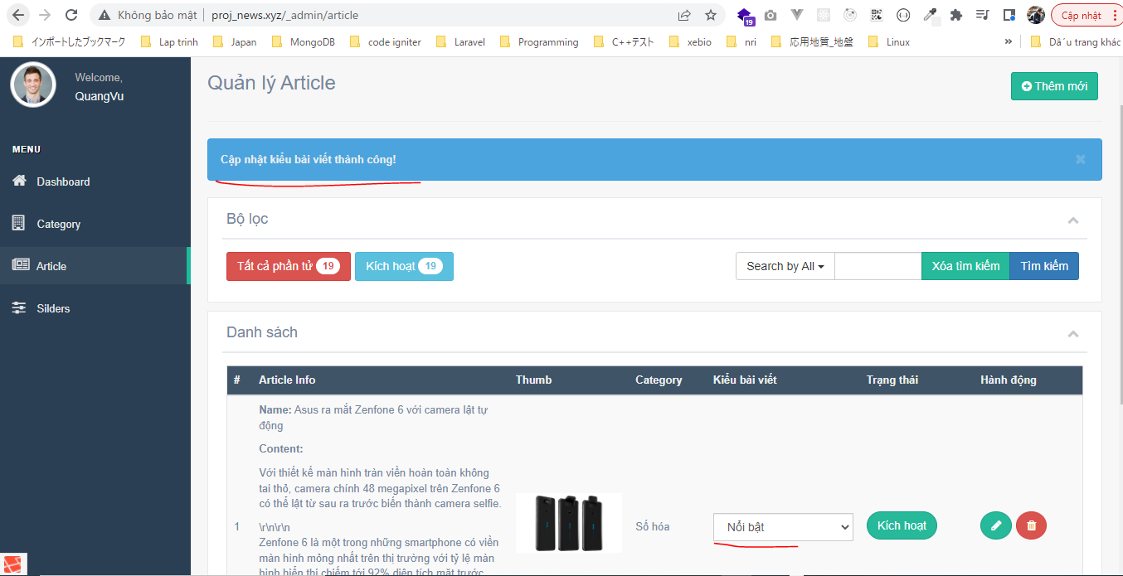
resources\lang\en\notify.php

app\Http\Controllers\ArticleController.php

app\Models\ArticleModel.php

Check browser
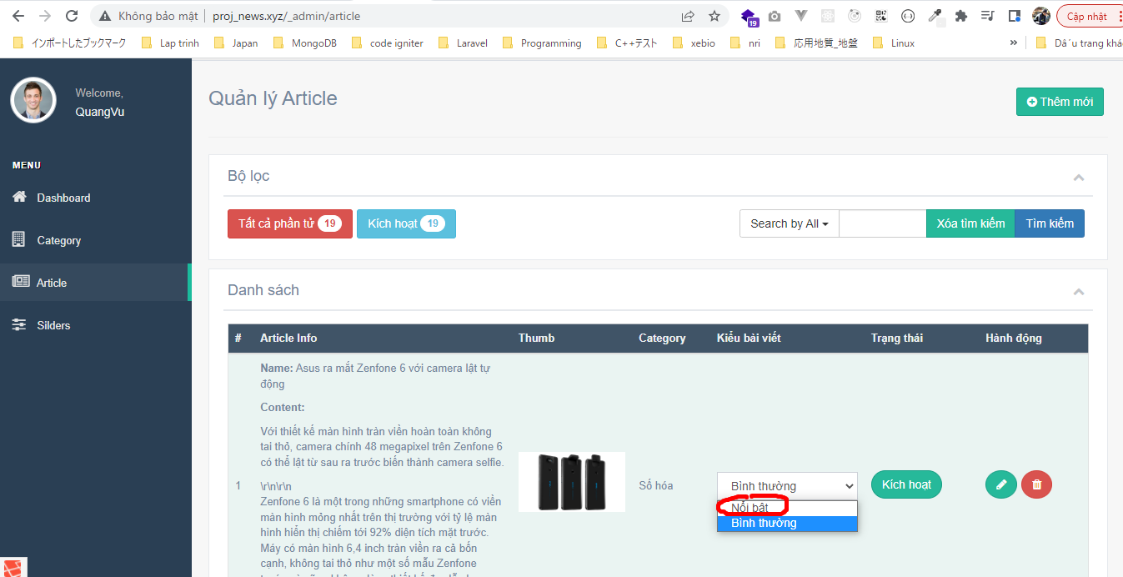

 | Result

get featured
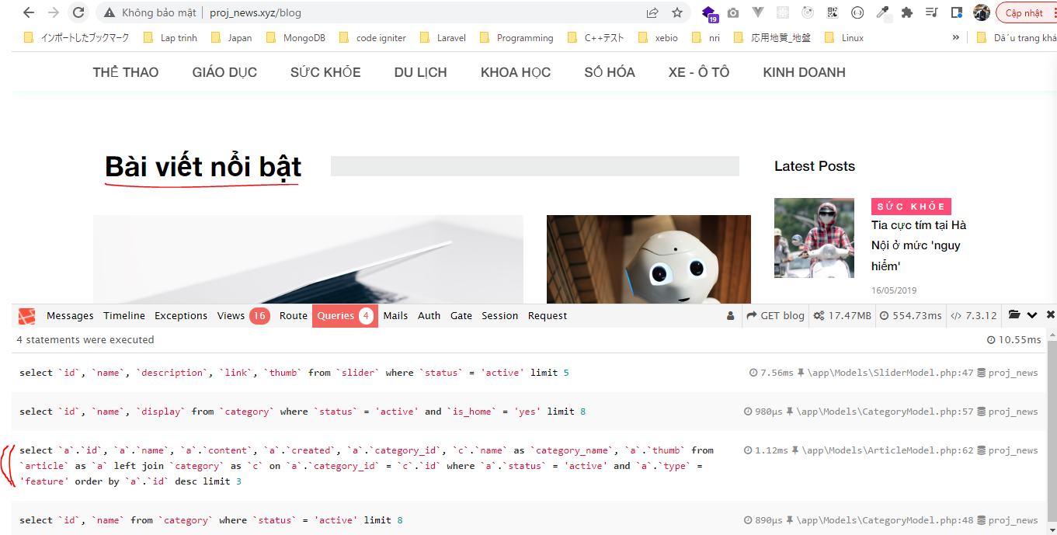
app\Http\Controllers\HomeController.php
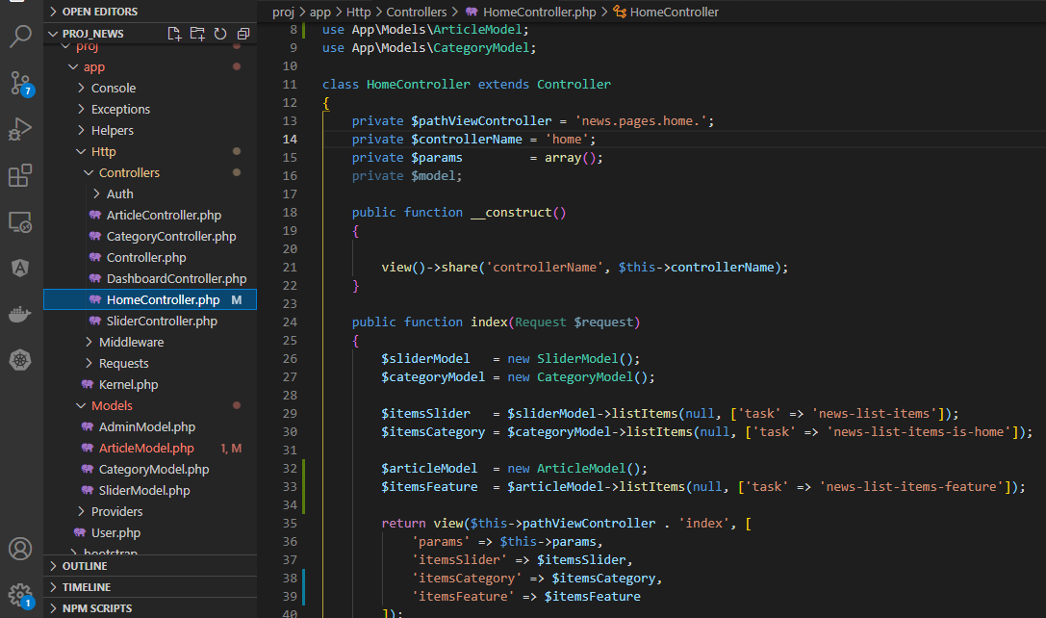

app\Models\ArticleModel.php
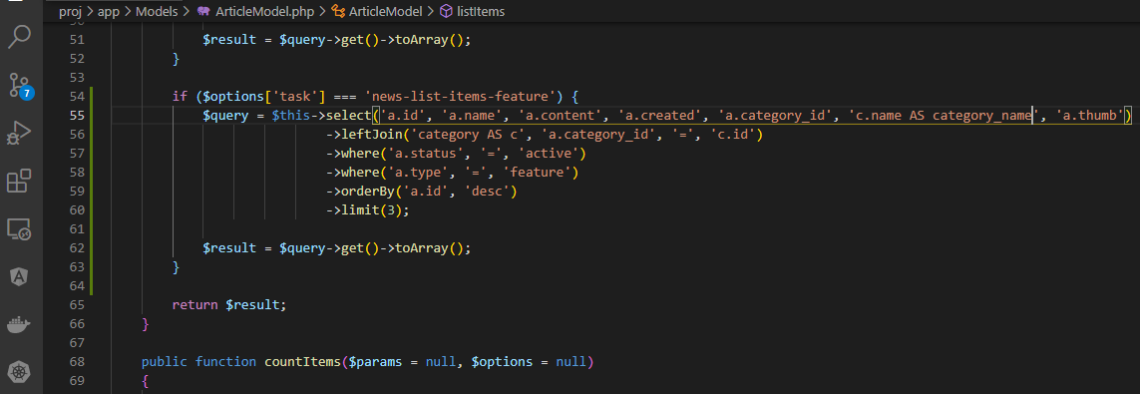

resources\views\news\pages\home\index.blade.php

views\news\block\featured.blade.php

Check browser

featured left
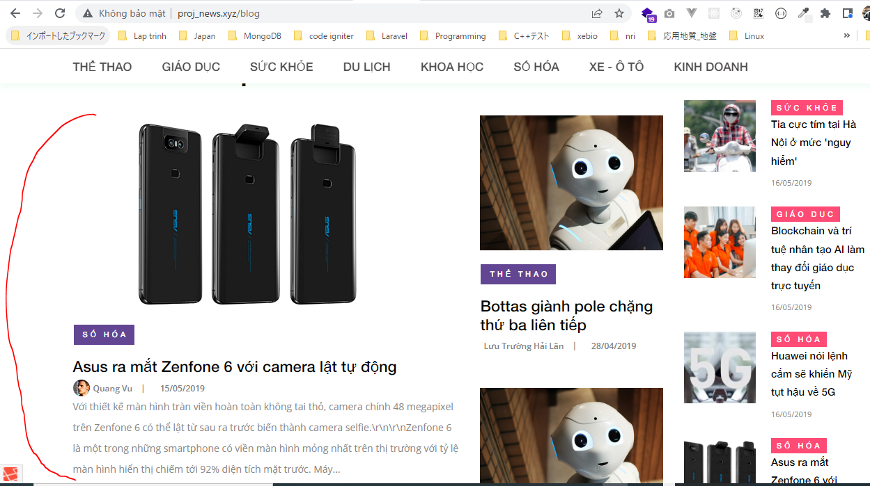
views\news\block\featured.blade.php

public\news\css\main_styles.css

app\Helpers\Template.php

resources\views\news\partials\article\image.blade.php

resources\views\news\partials\article\content.blade.php
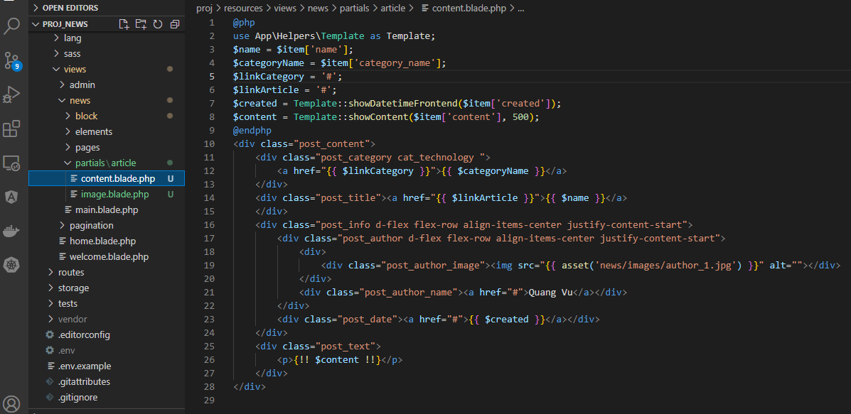

Check browser

featured right
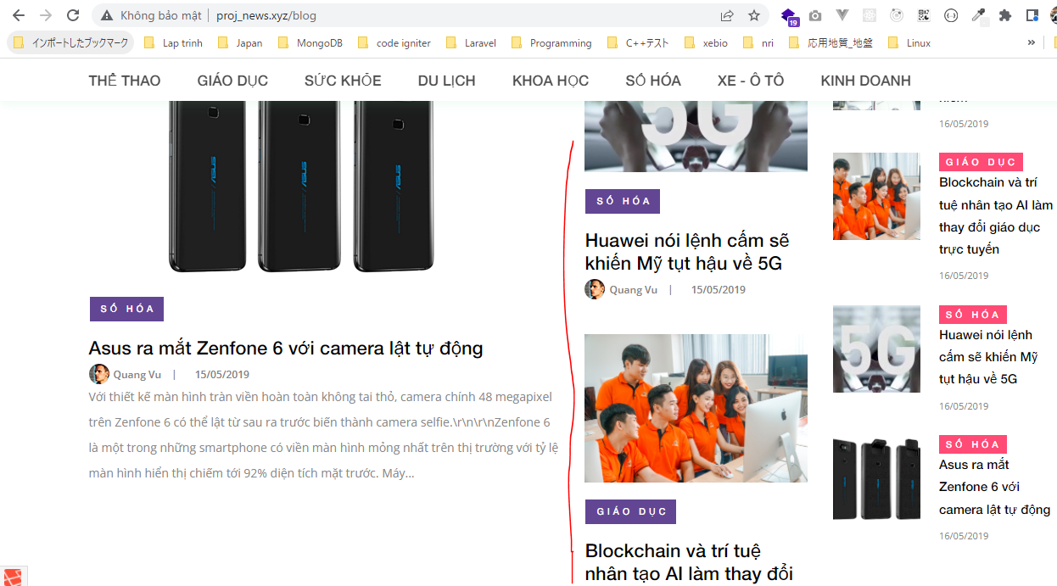
resources\views\news\block\featured.blade.php

resources\views\news\partials\article\content.blade.php
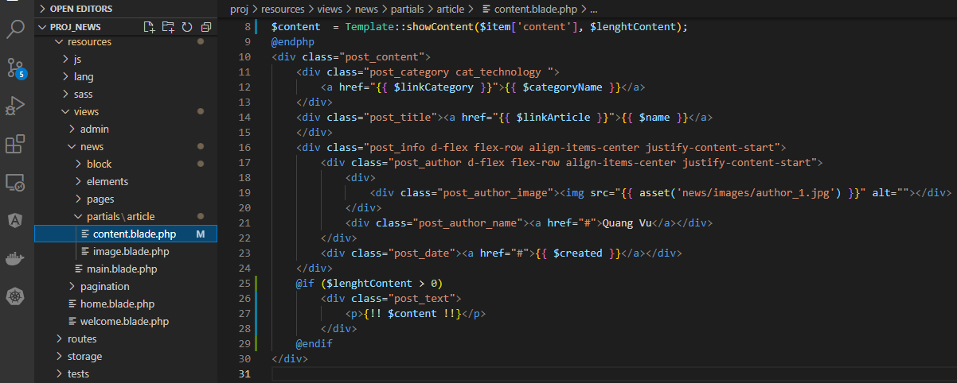

Check browser

