database
Make rss migration
 | php artisan make:migration create_rss_table

database\migrations\2022_05_10_142417_create_rss_table.php
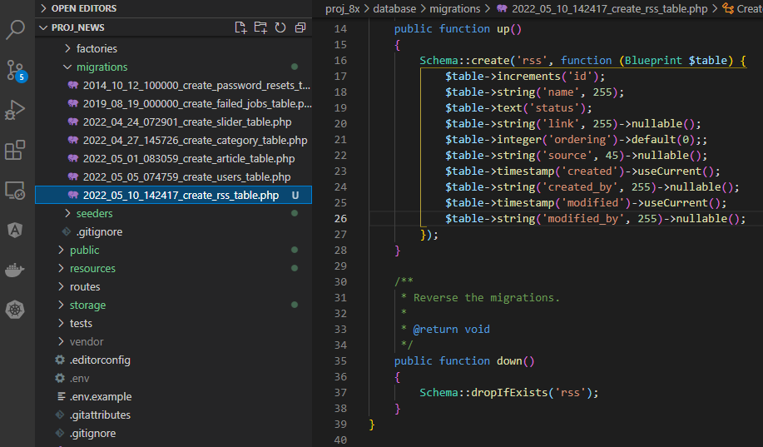

Make rss seeder
 | php artisan make:seeder RssSeeder

database\seeders\RssSeeder.php
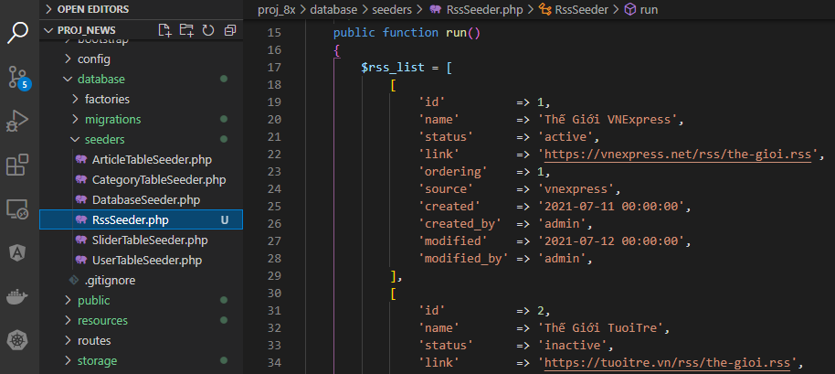

 | php artisan migrate

 | php artisan db:seed --class=RssSeeder

Check database

RSS Admin
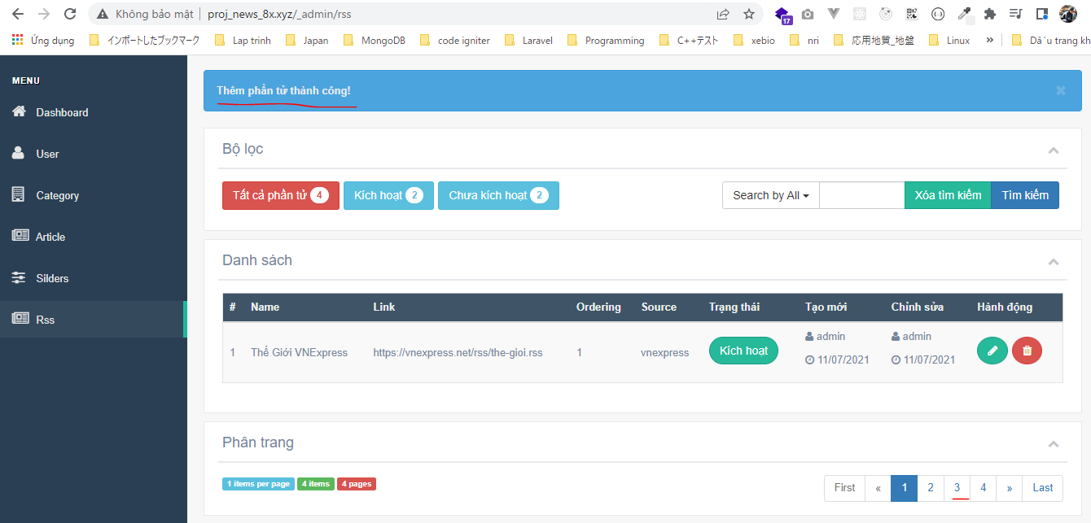
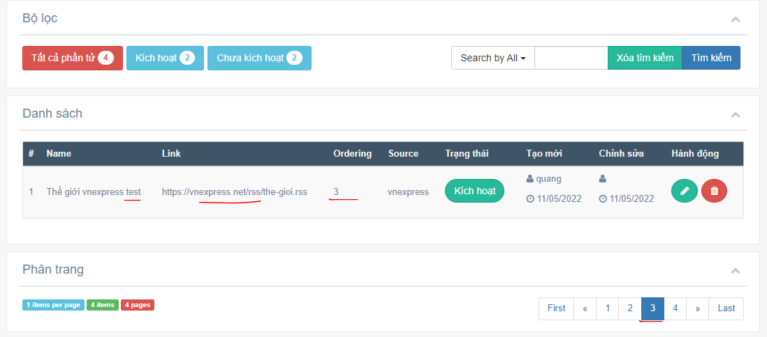
routes\web.php

app\Http\Controllers\Admin\RssController.php Copy from SliderController then edit code
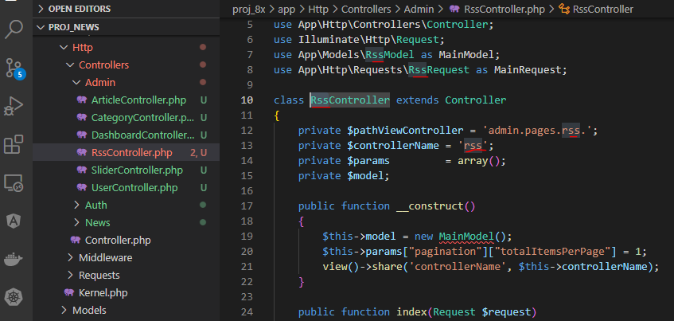

app\Models\RssModel.php Copy from SliderModel then edit code
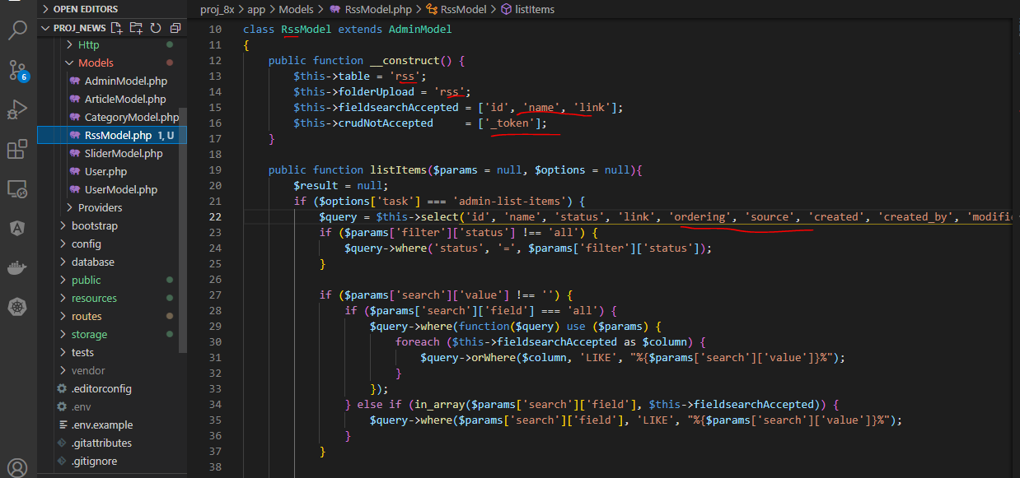

 | getItem method bỏ 'get-thumb'

 | saveItem method bỏ thumb
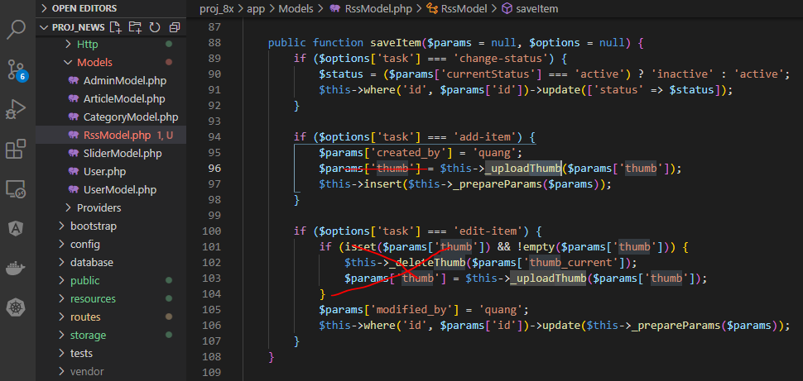

 | deleteItem method bỏ thumb

 | listItems method 'admin-list-items'

app\Http\Requests\RssRequest.php Copy From SliderRequest then edit code

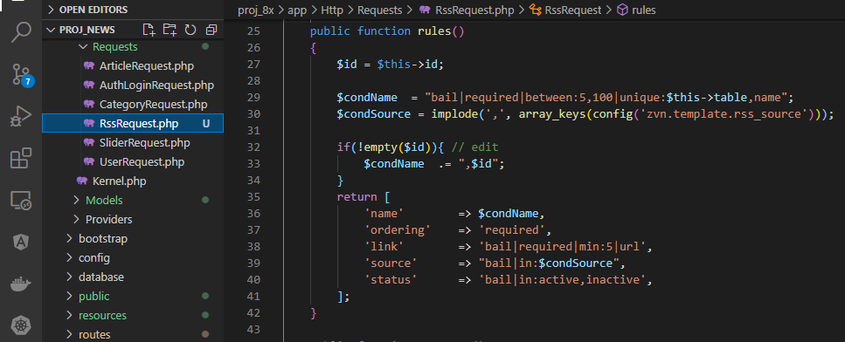

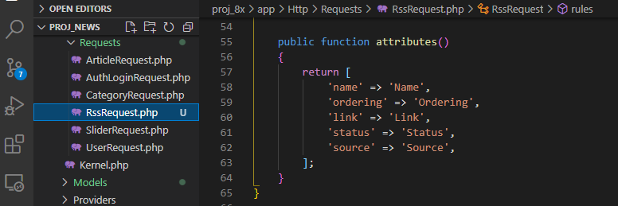

resources\views\admin\pages\rss Copy from slider then edit code
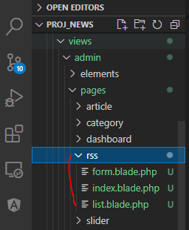

resources\views\admin\pages\rss\index.blade.php

resources\views\admin\pages\rss\list.blade.php
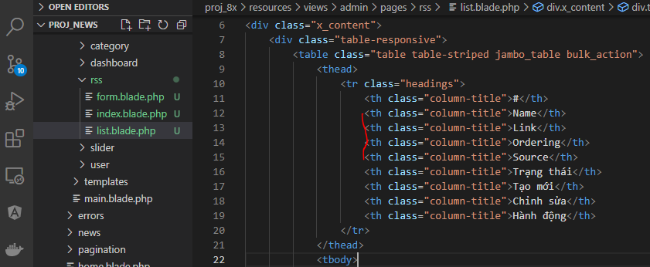

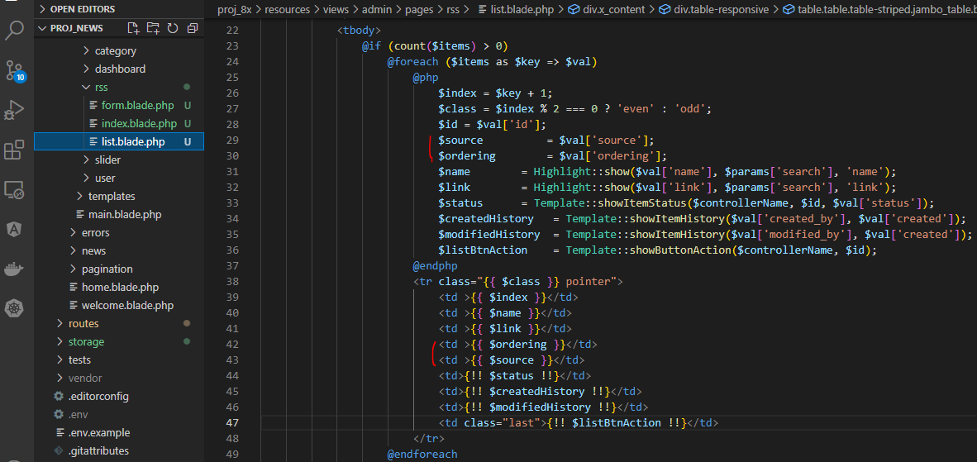

resources\views\admin\elements\sidebar_menu.blade.php

config\zvn.php

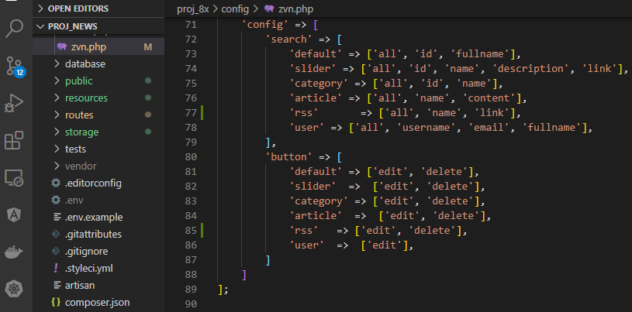

resources\views\admin\pages\rss\form.blade.php

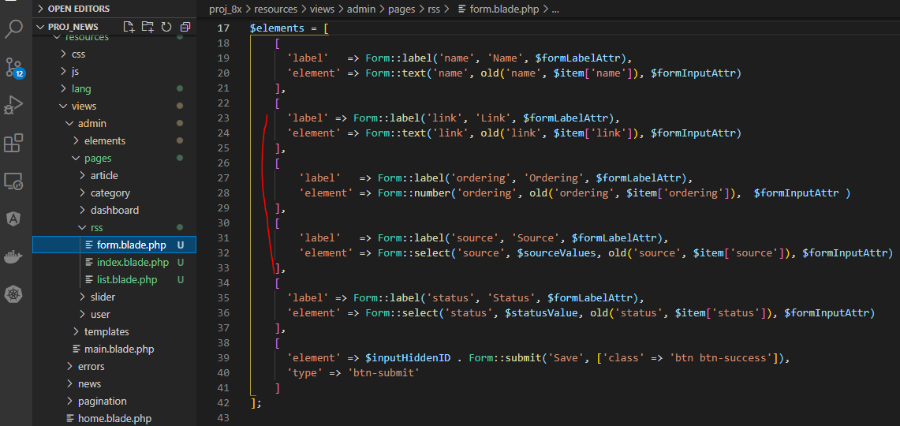

Check browser
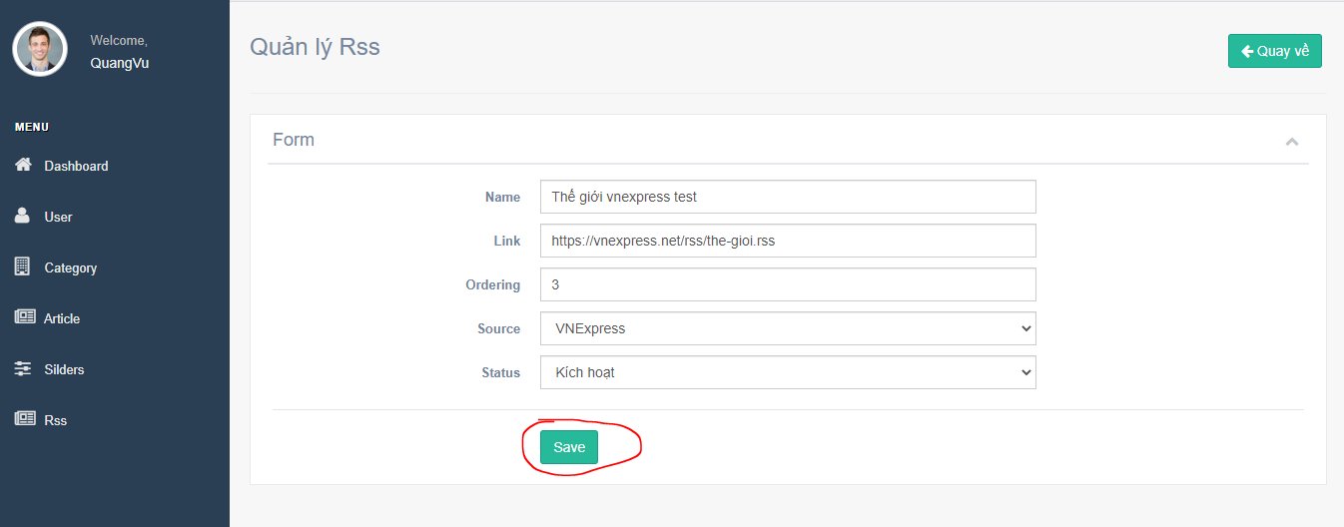

 | Result

