database
Make rss migration
 | php artisan make:migration create_rss_table

database\migrations\2022_05_10_142417_create_rss_table.php
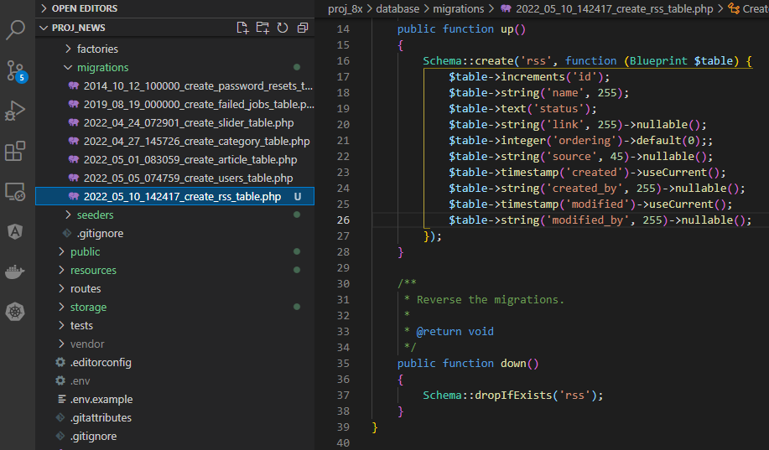

Make rss seeder
 | php artisan make:seeder RssSeeder

database\seeders\RssSeeder.php
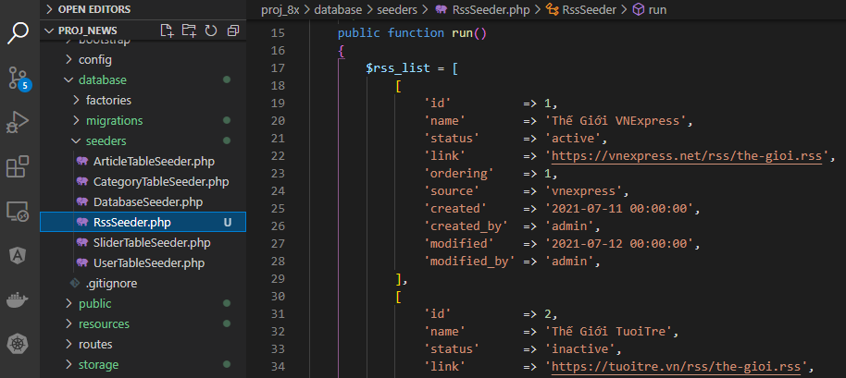

 | php artisan migrate

 | php artisan db:seed --class=RssSeeder

Check database

