clone article
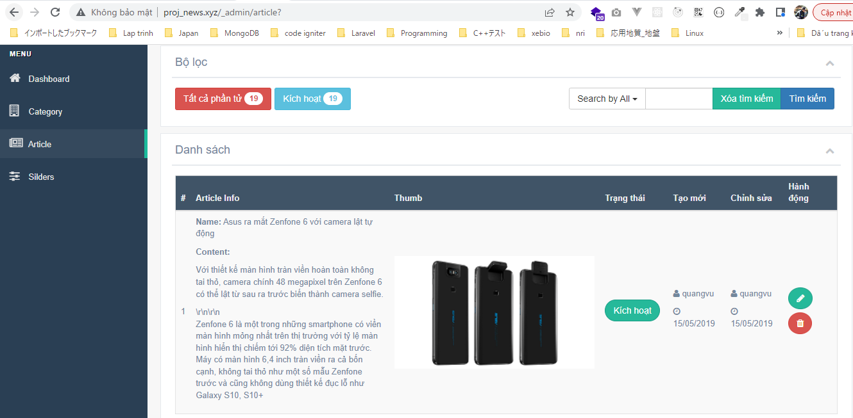
resources\views\admin\elements\sidebar_menu.blade.php

routes\web.php

config\zvn.php

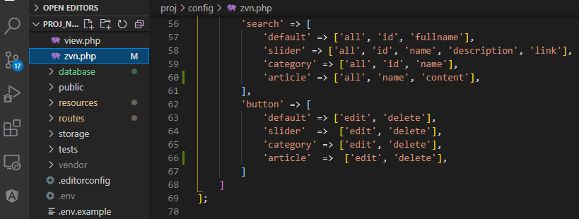

resources\views\admin\elements\script.blade.php

Http\Controllers\ArticleController.php
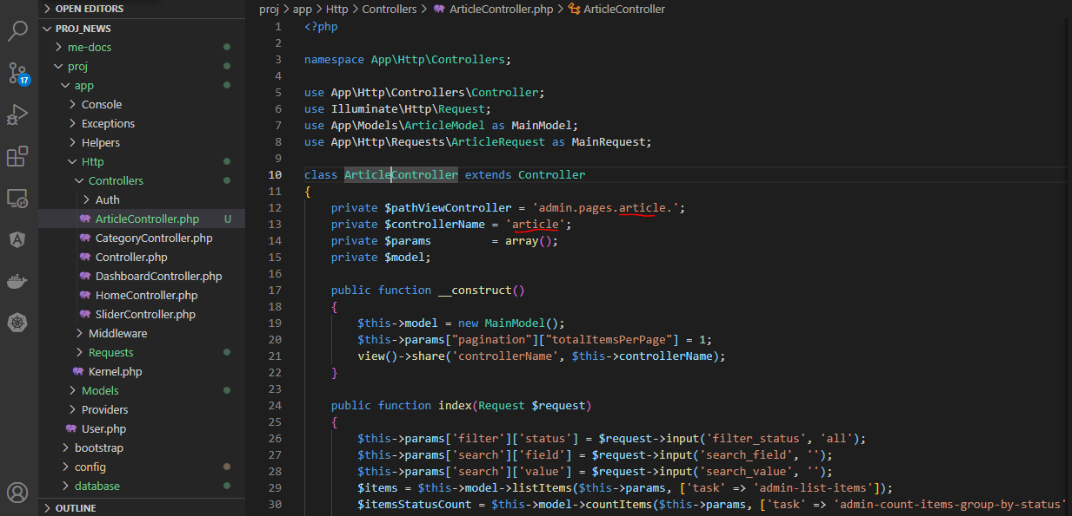

app\Http\Requests\ArticleRequest.php

app\Models\ArticleModel.php

resources\views\admin\pages\article
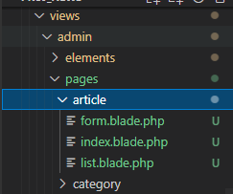

public\images\article
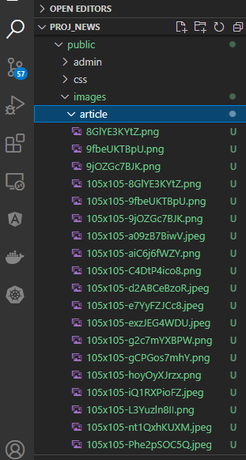

Check browser

selectbox category
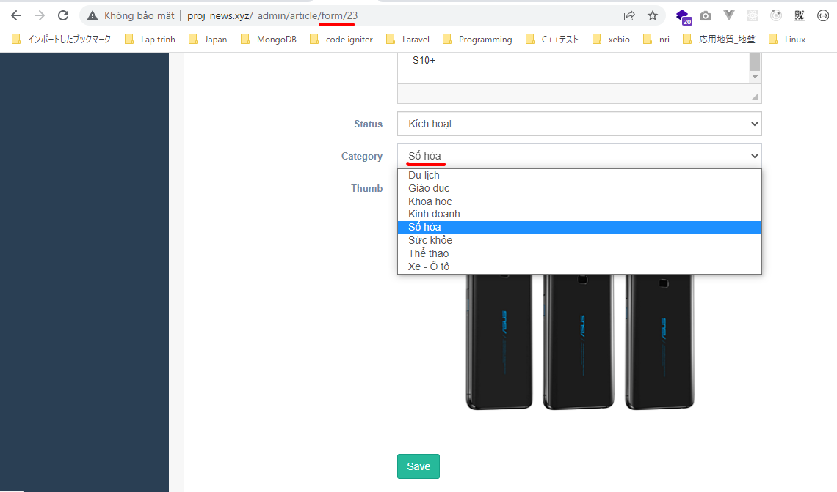
app\Models\ArticleModel.php

app\Models\CategoryModel.php
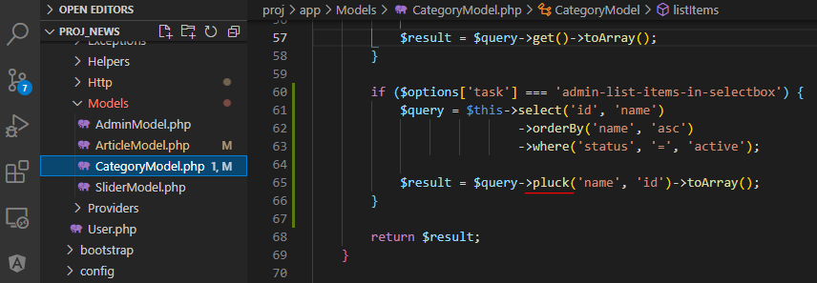

app\Http\Controllers\ArticleController.php

resources\views\admin\pages\article\form.blade.php

Check browser

show category
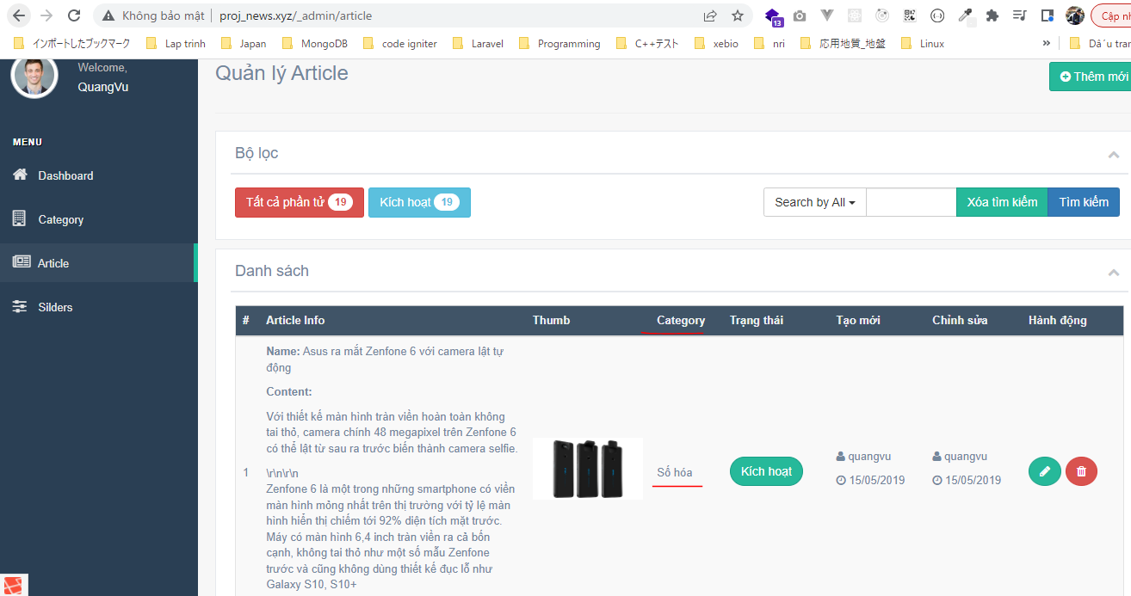
app\Models\ArticleModel.php
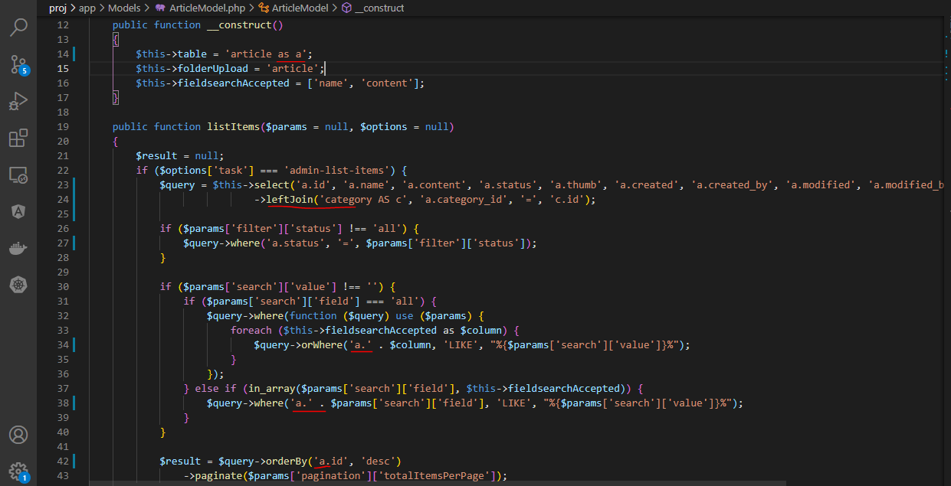

views\admin\pages\article\list.blade.php
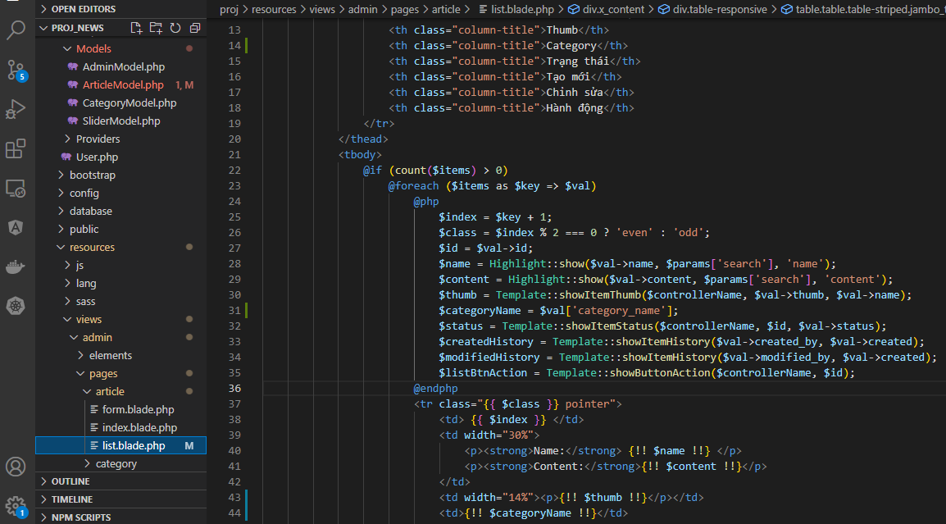

Check browser

