Sheet1
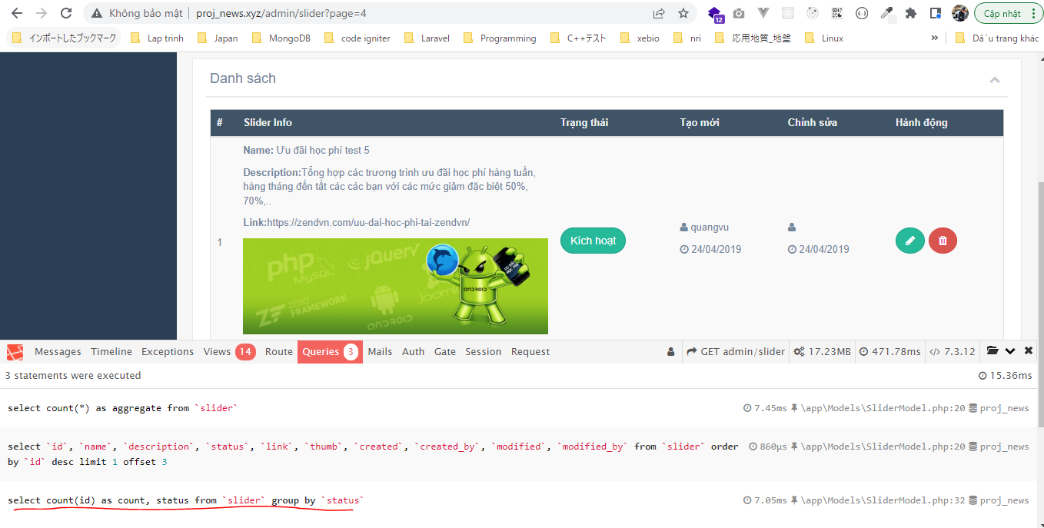
Bỏ Select Level
 | views\admin\pages\slider\index.blade.php
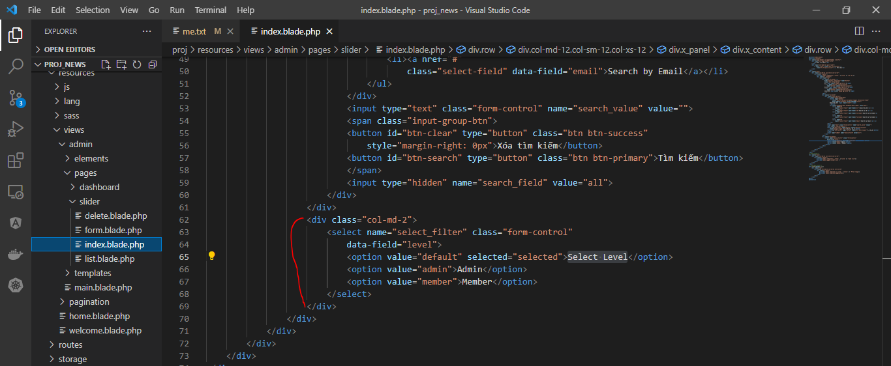

Models\SliderModel.php
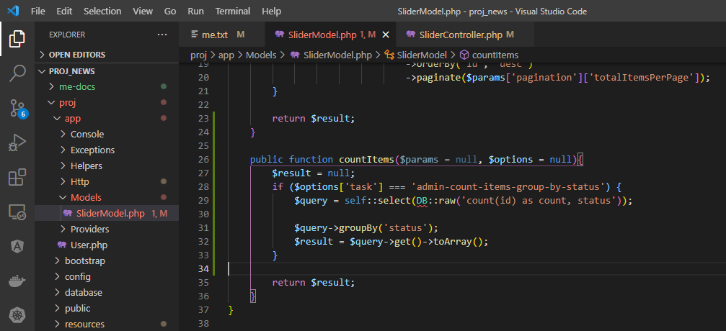

Controllers\SliderController.php
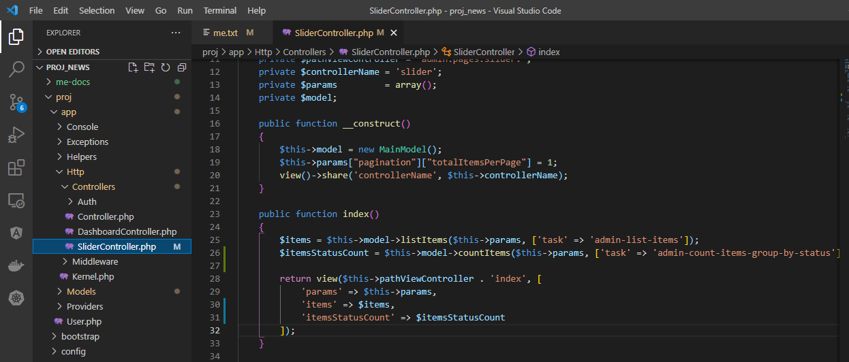

Access url to check

