template
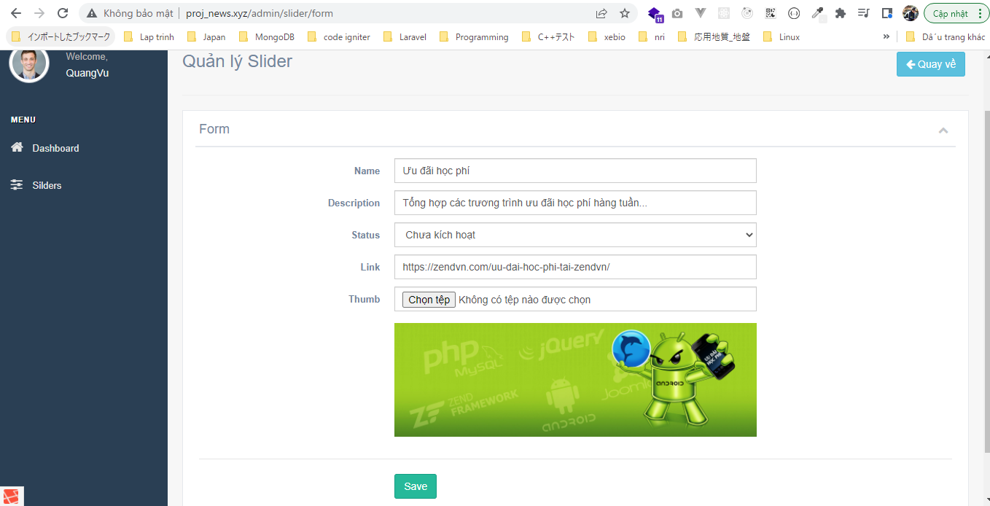
Controllers\SliderController.php

views\admin\pages\slider\index.blade.php

views\admin\pages\slider\form.blade.php
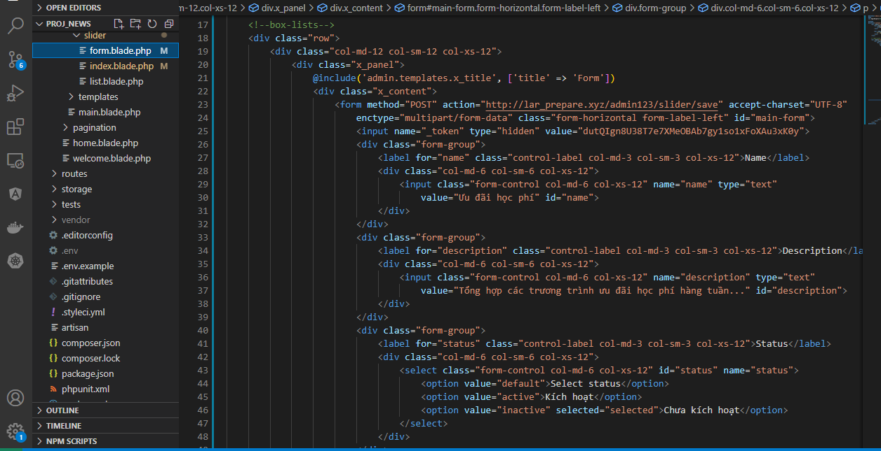

Check Browser

