config
config\zvn.php
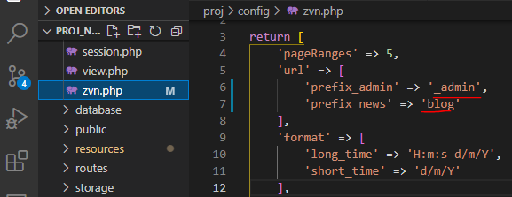

proj\public
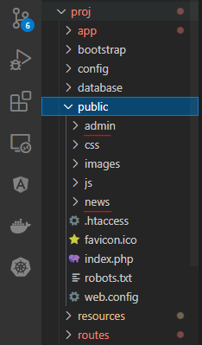

 | Giá trị của prefix_admin và prefix_news được config trong file config/zvn.php phải khác với các các giá trị tên folder admin và news nằm trong thư
 | mục public

namespace
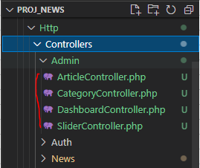

Error
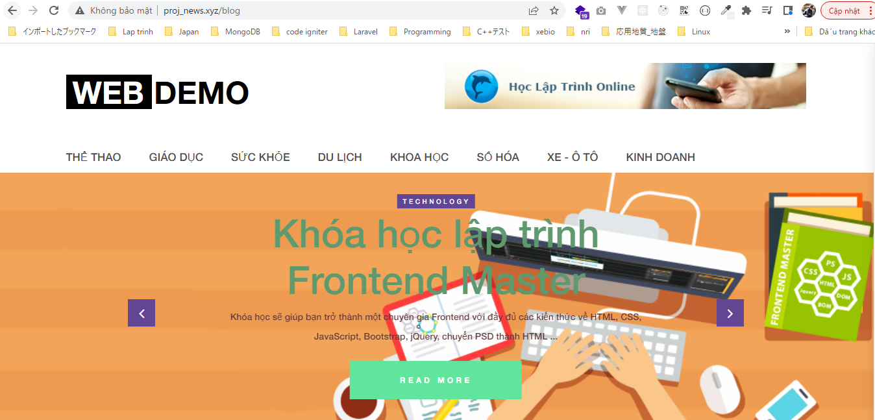
list code
 | vendor\laravel\framework\src\Illuminate\Foundation\Exceptions\views
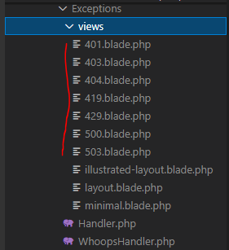

Customize 404
 | resources\views\errors\404.blade.php

Check browser
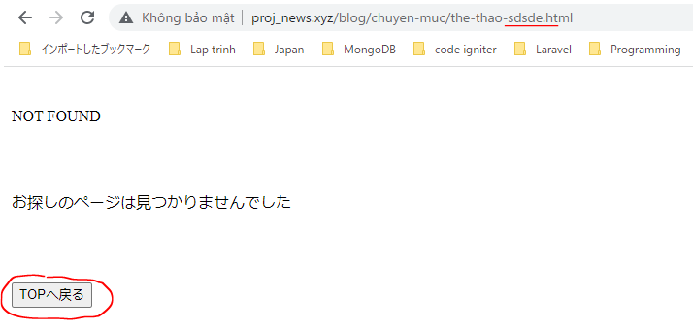

 | Result

login
config\auth.php

app\User.php
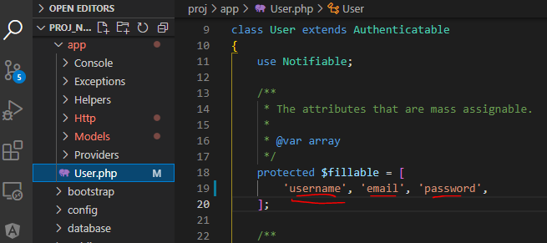

resources\lang\en\notify.php
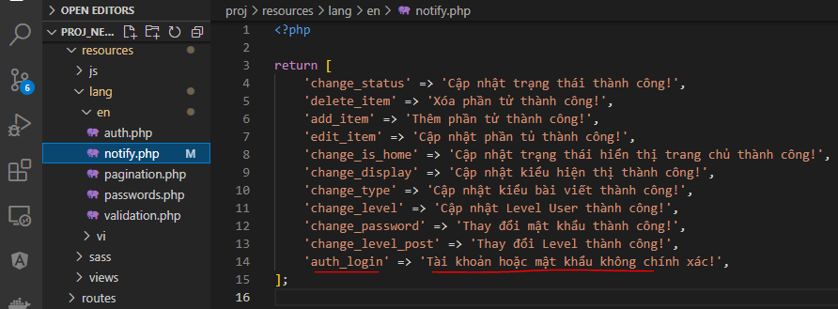

app\Http\Controllers\News\AuthController.php

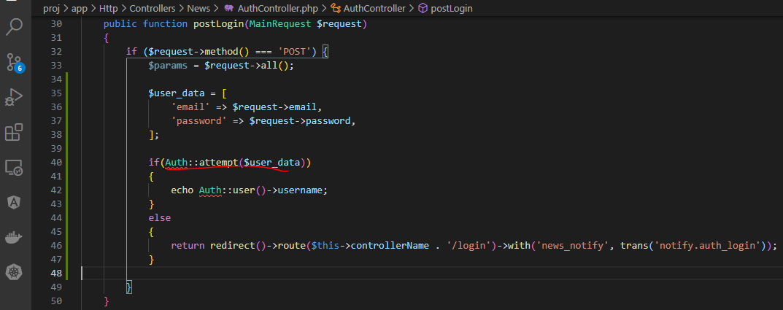

Check browser
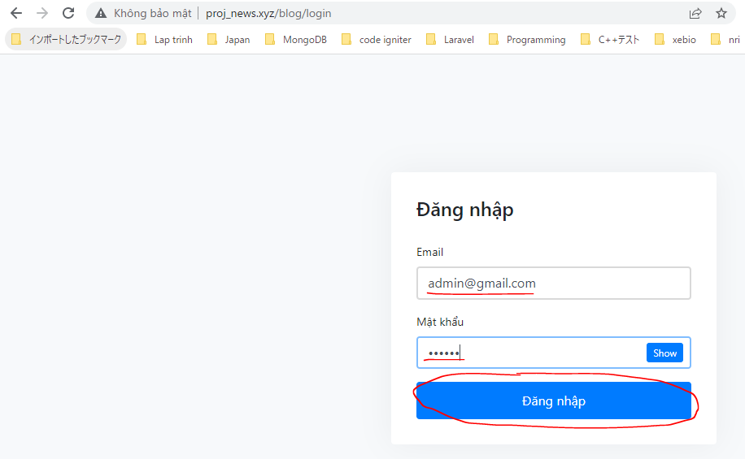

 | Result

MethodNotAllowedHttpException
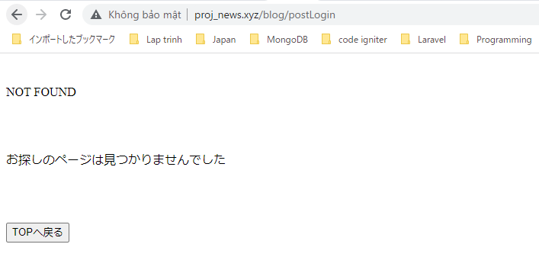
routes\web.php

Access to post method
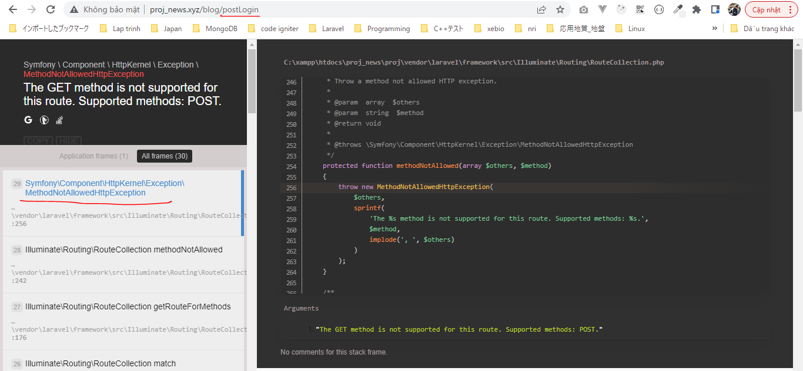

MethodNotAllowedHttpException redirect to 404
app\Exceptions\Handler.php

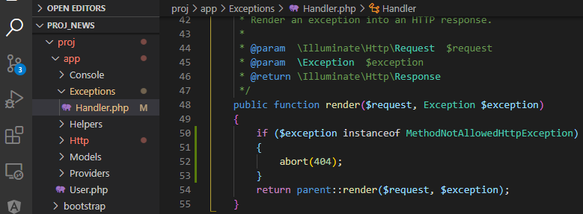

Check browser
 | Access http://proj_news.xyz/blog/postLogin

 | Result

check login

view code app\Http\Kernel.php

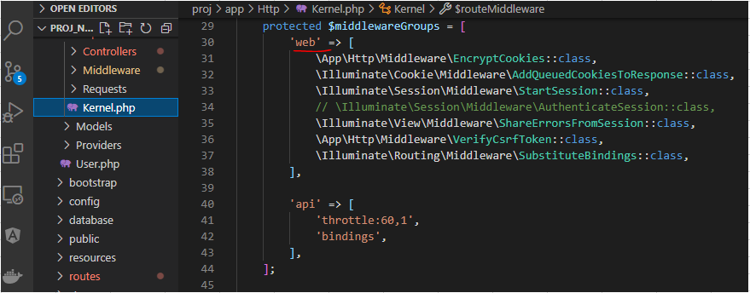

routes\web.php

app\Http\Middleware\RedirectIfAuthenticated.php

Check browser
 | Login
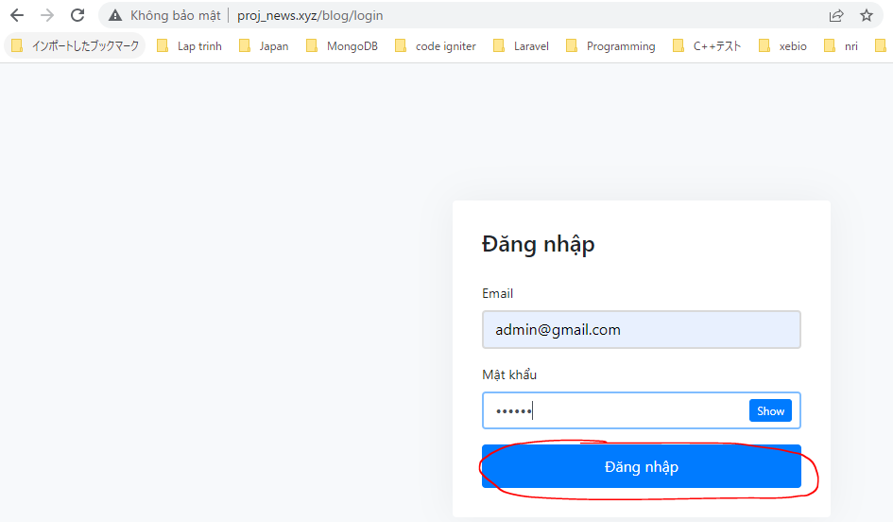

 | Access login page after logged in
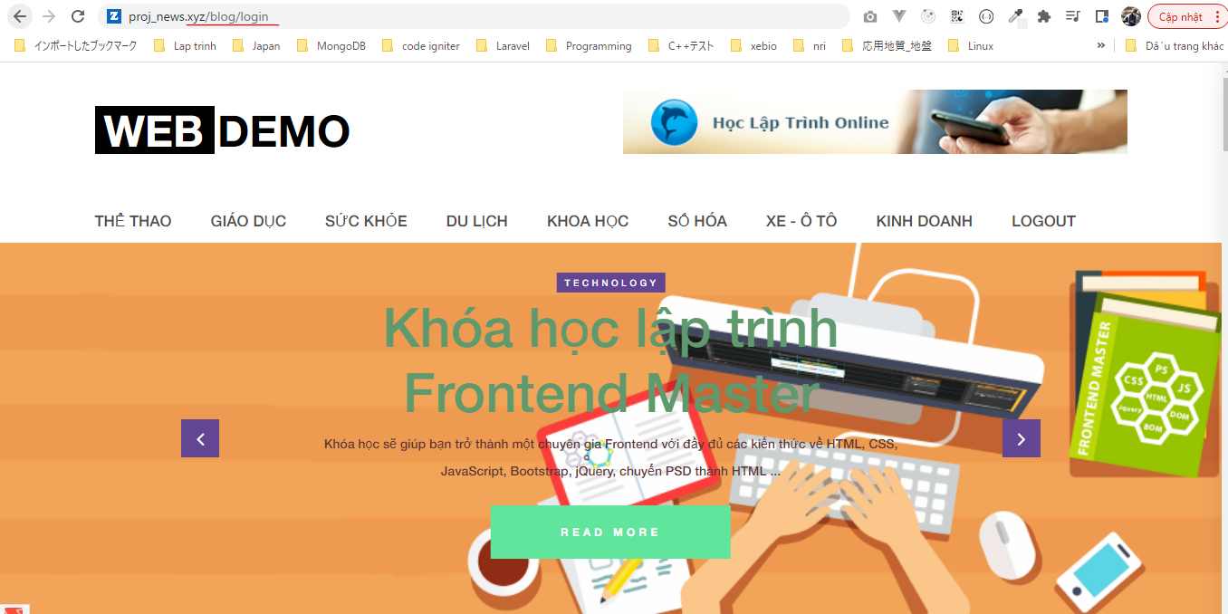

 | Result

Github Fixed using Token
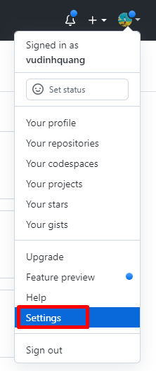

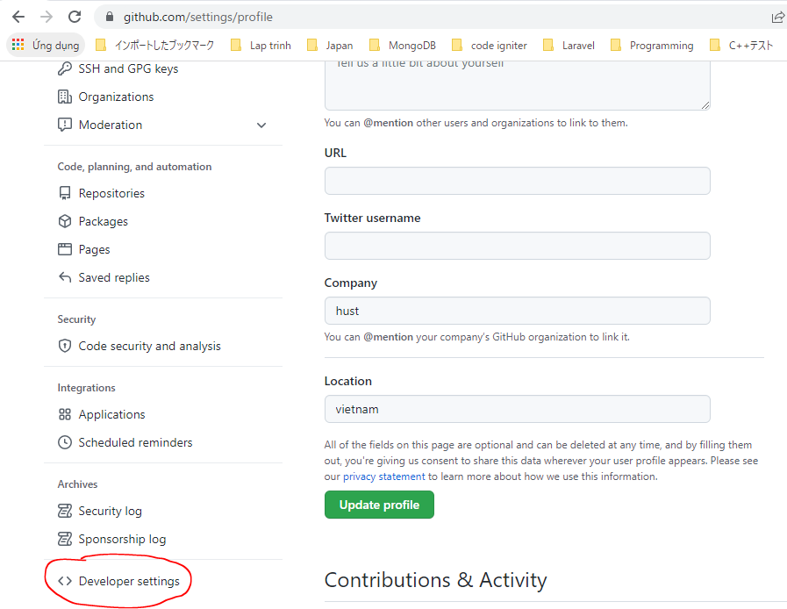

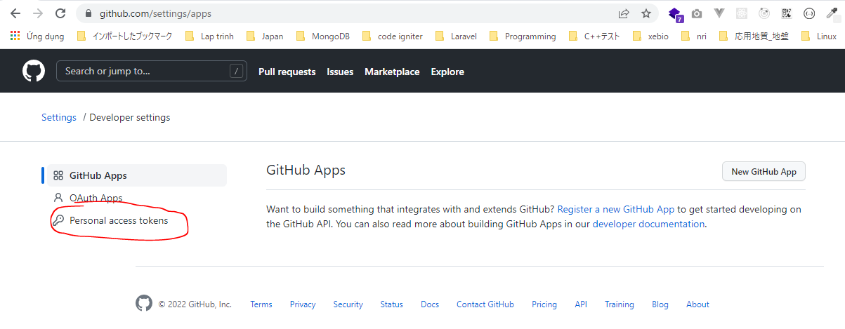

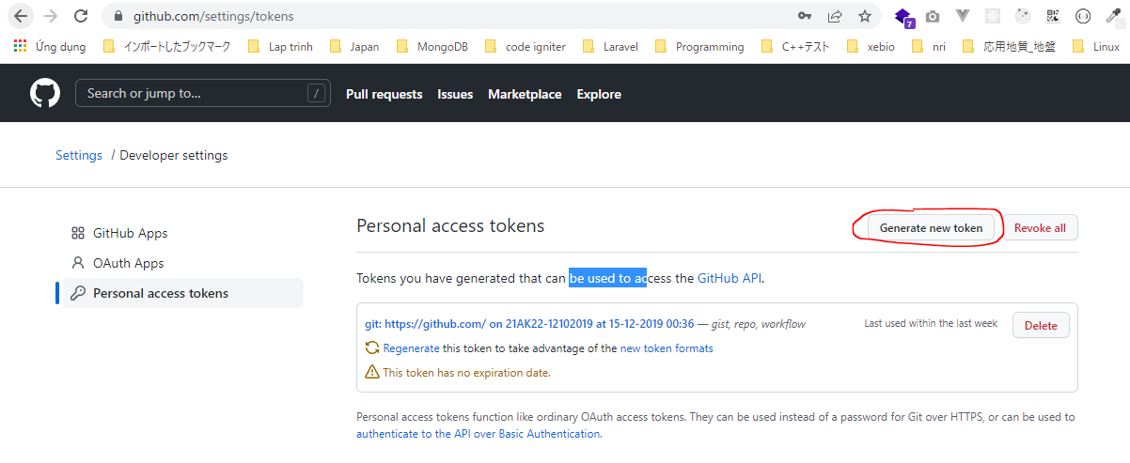

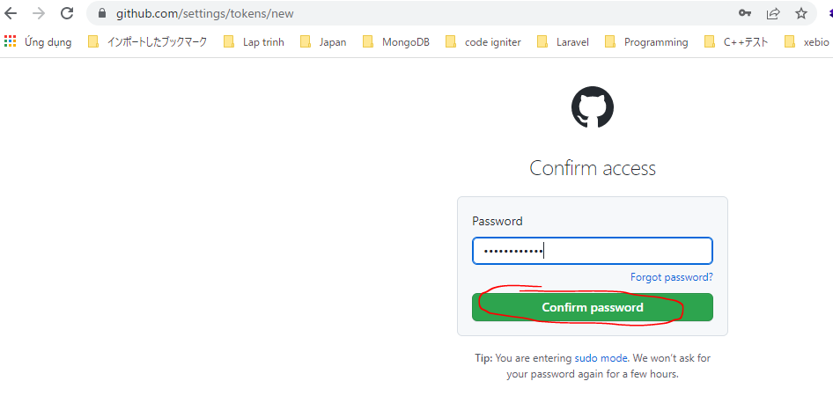

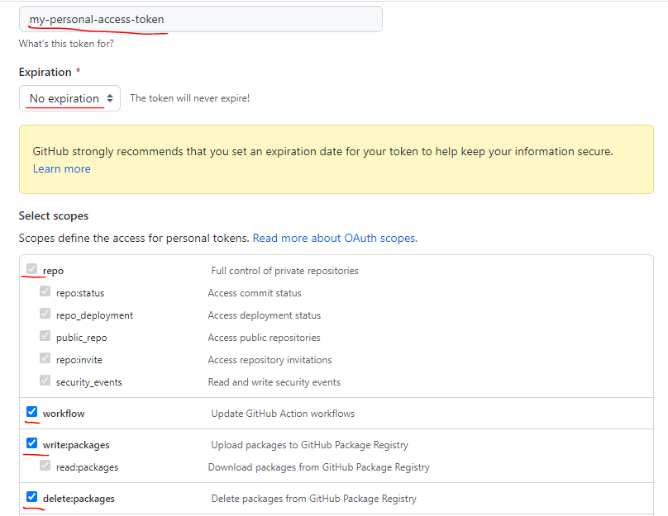

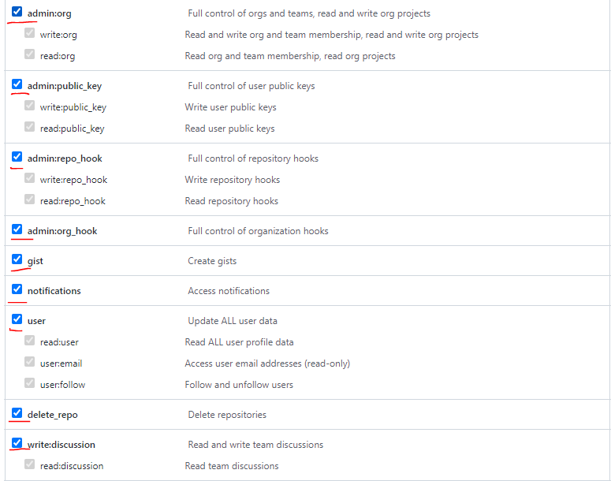

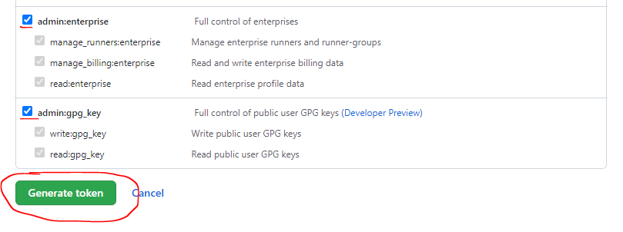

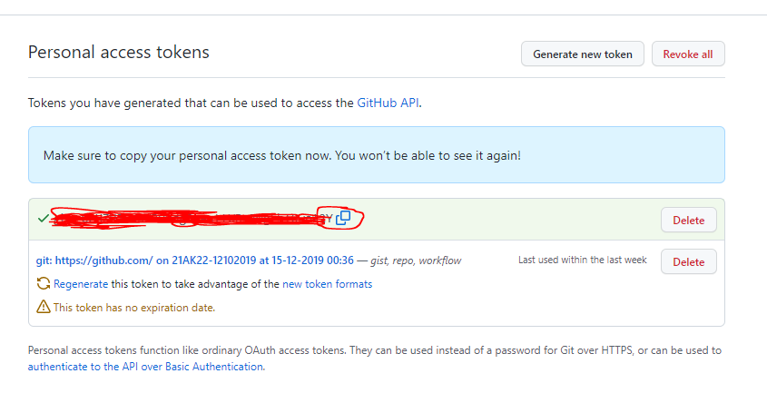

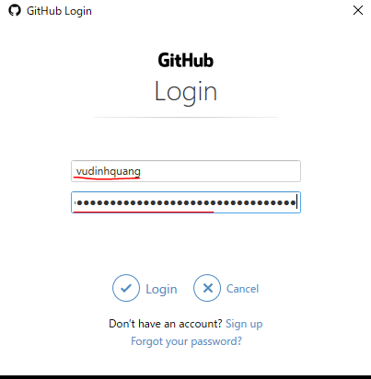

 | paste Personal access tokens

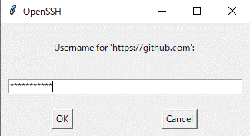

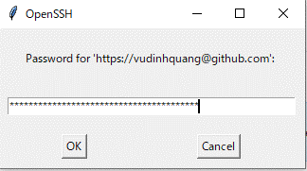

paste Personal access tokens

dd vs print_r function
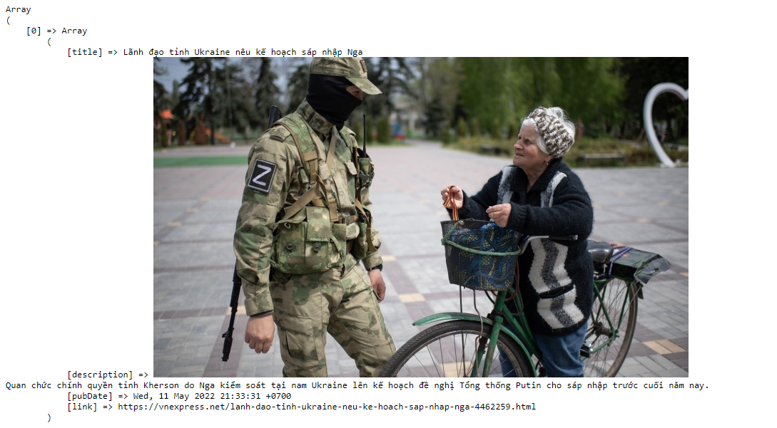
dd($data)

echo "<pre>";
print_r($data);
echo "</pre>";

repos
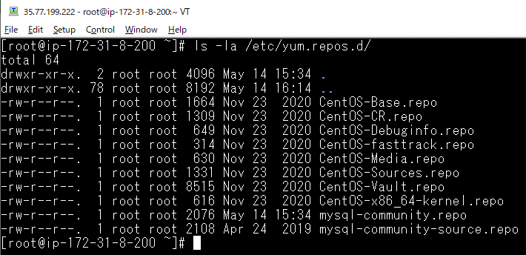
repos
 | ls -la /etc/yum.repos.d/

