showAreaSearch
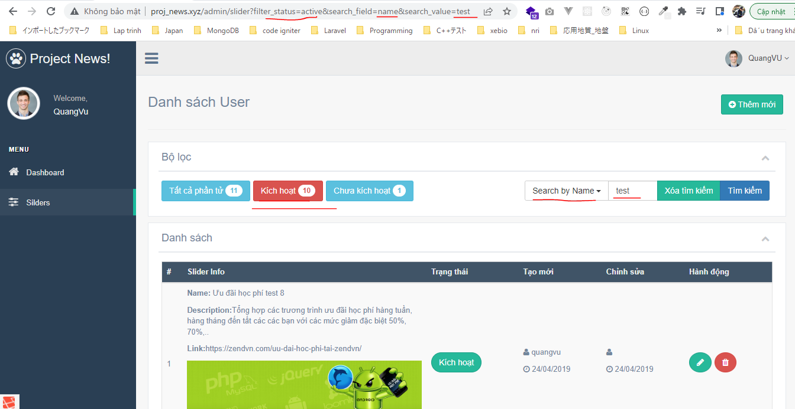
config\zvn.php
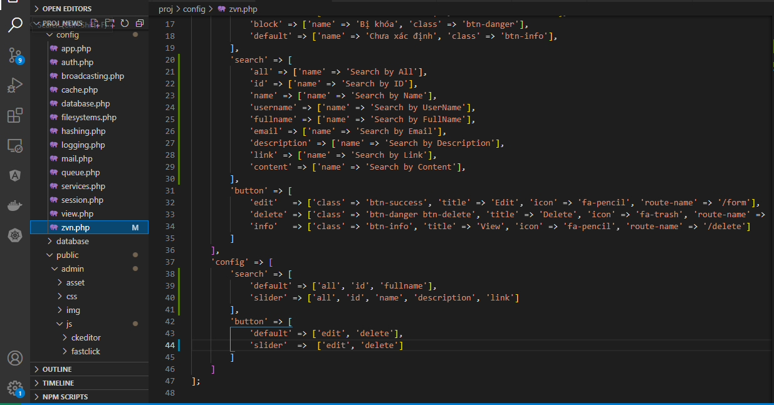

public\admin\js\my-js.js
 | search_field

public\admin\js\my-js.js
 | btnSearch event
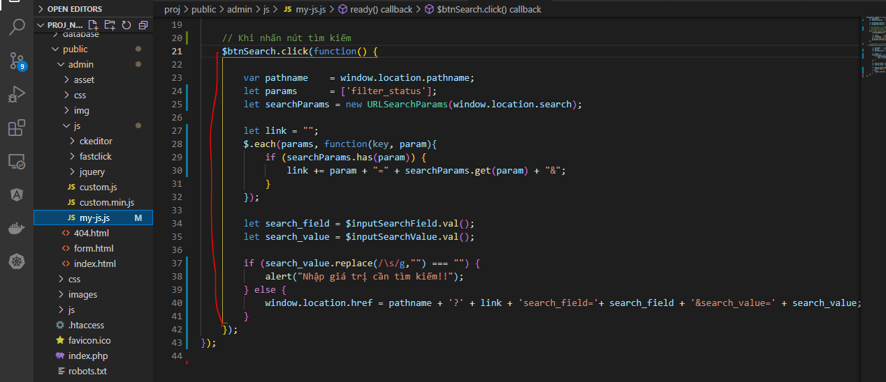

views\admin\elements\script.blade.php
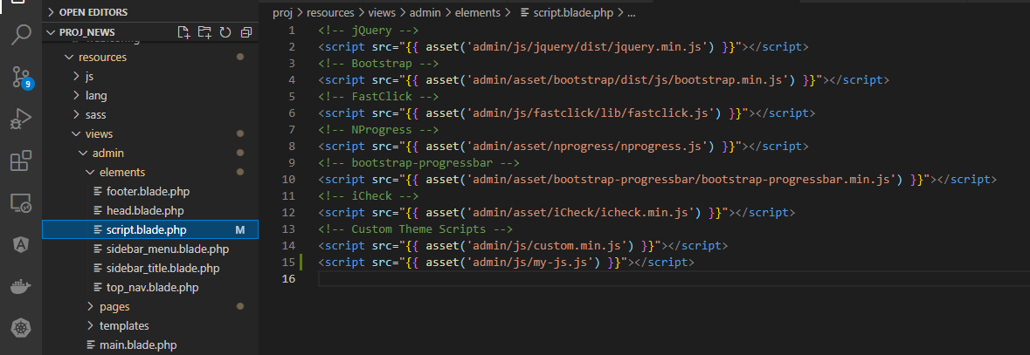

Controllers\SliderController.php
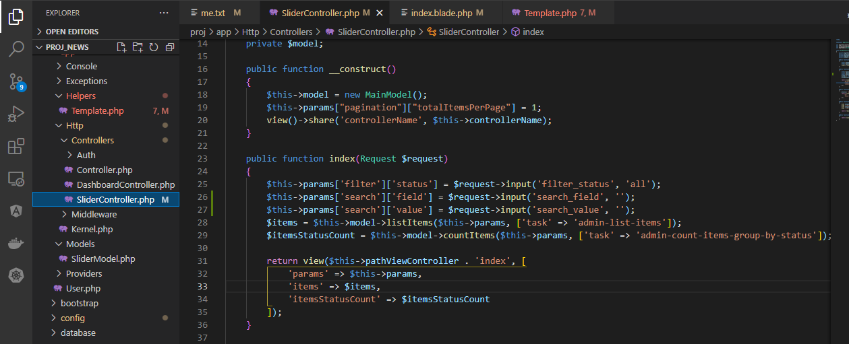

views\admin\pages\slider\index.blade.php
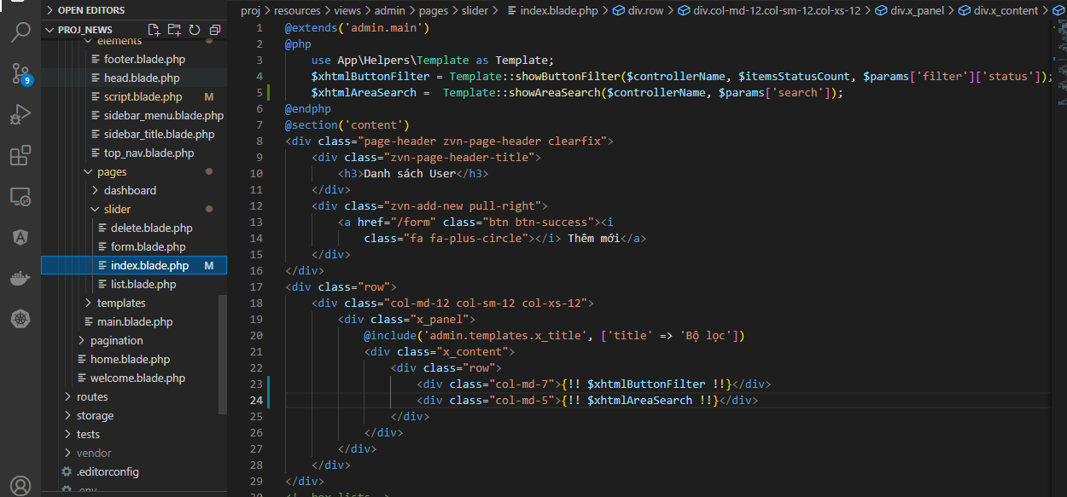

app\Helpers\Template.php
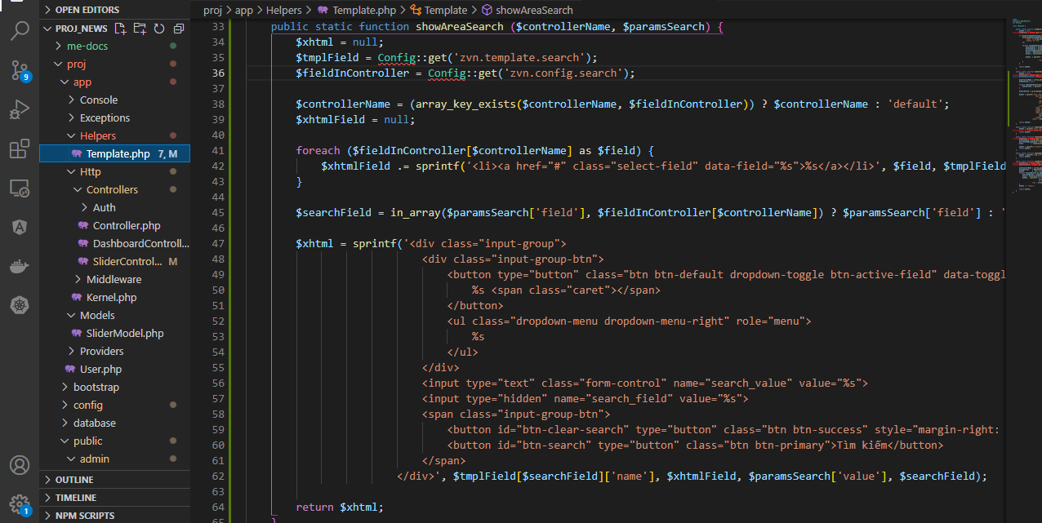

Check on browser

search by field
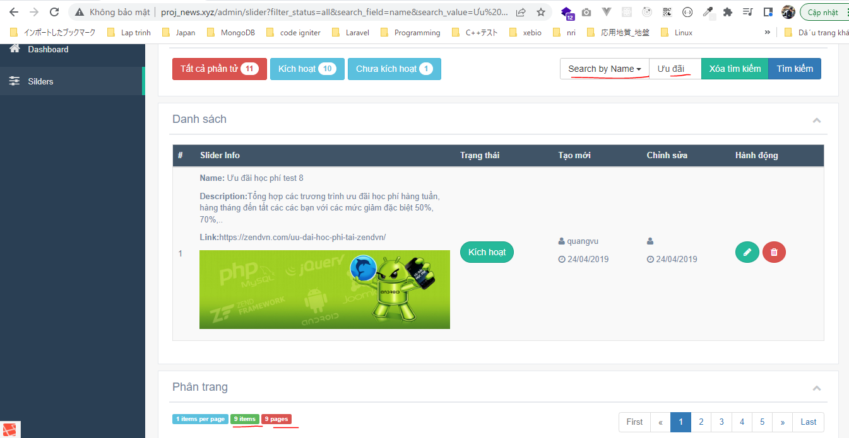
app\Models\SliderModel.php
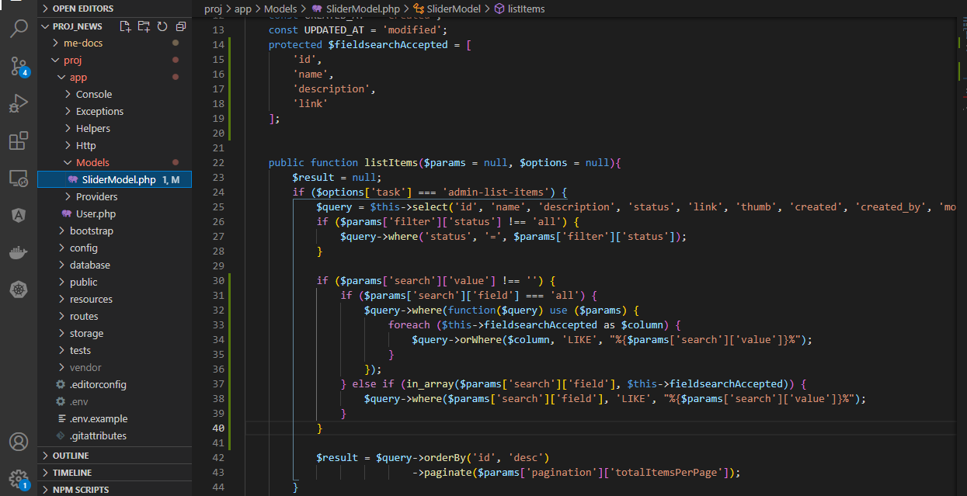

Access url to check
 | Search by All
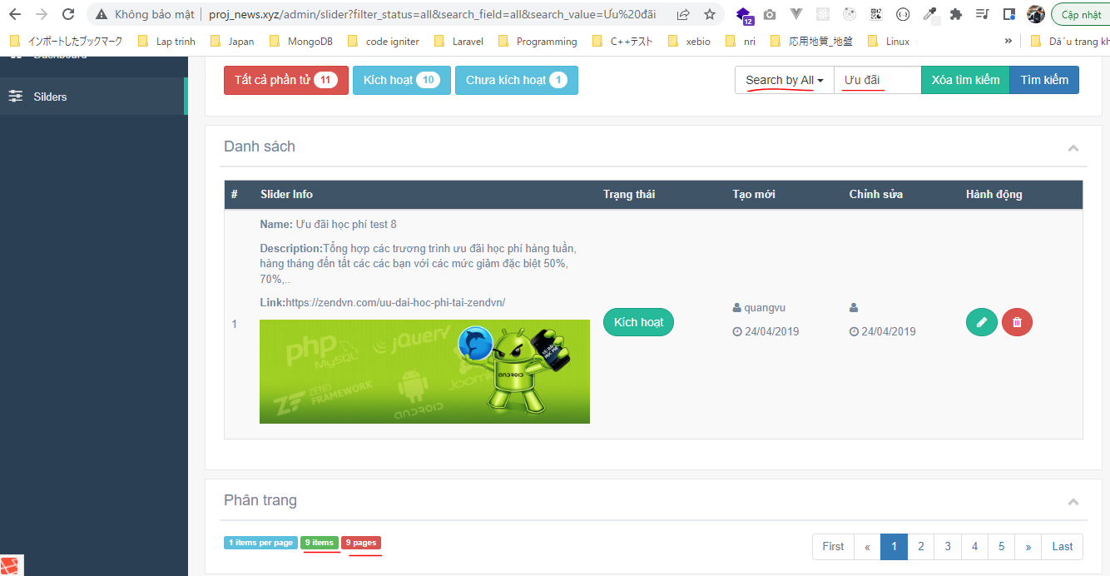

 | Search by Name

search and filter
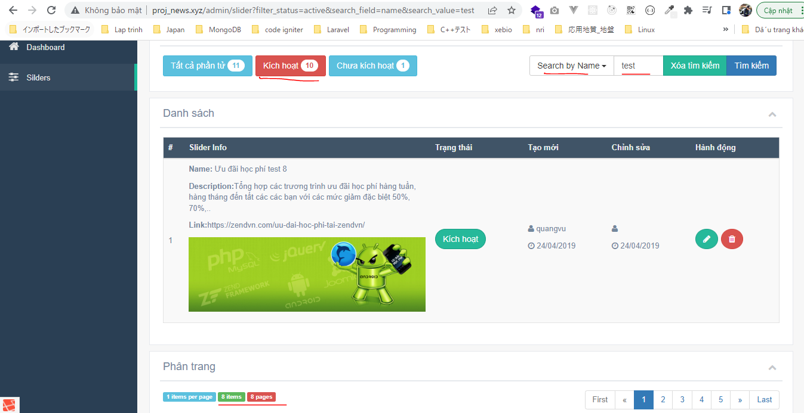
Check

btnClearSearch event
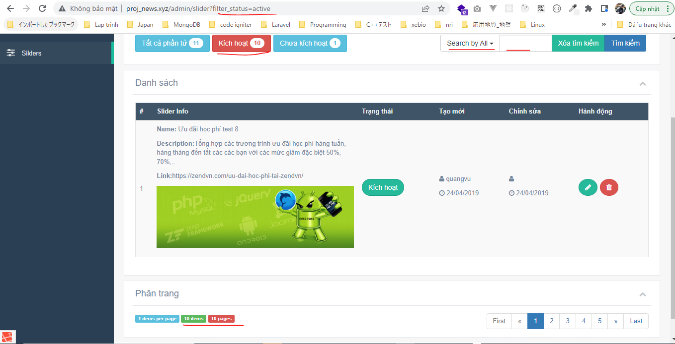
public\admin\js\my-js.js
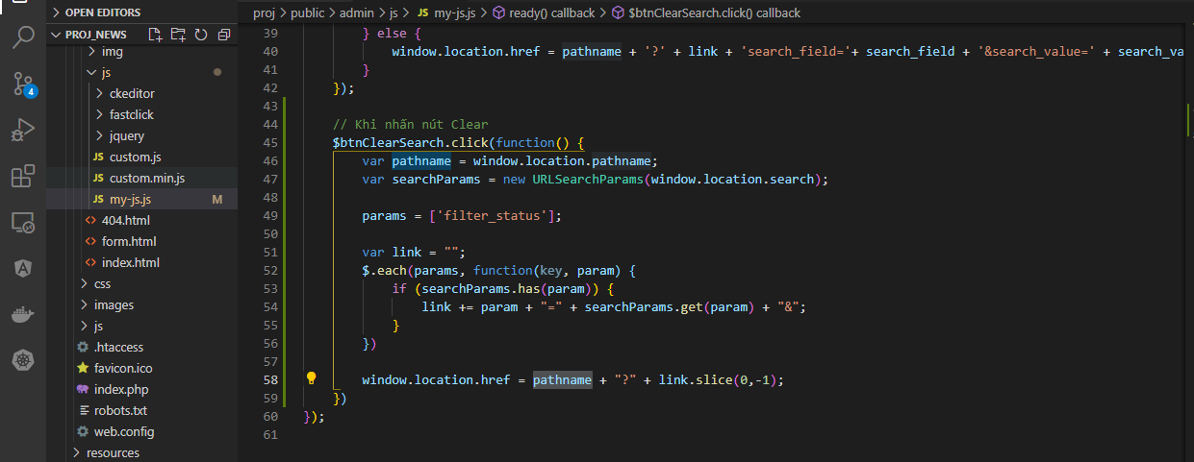

Check on browser
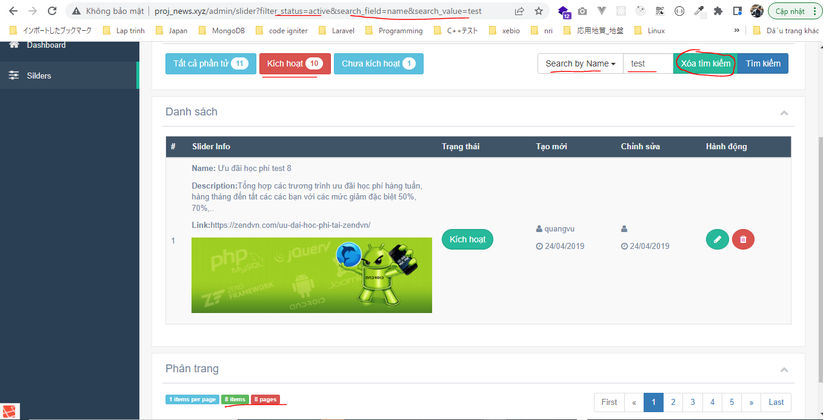

 | Result after click btnClearSearch

countByStatus
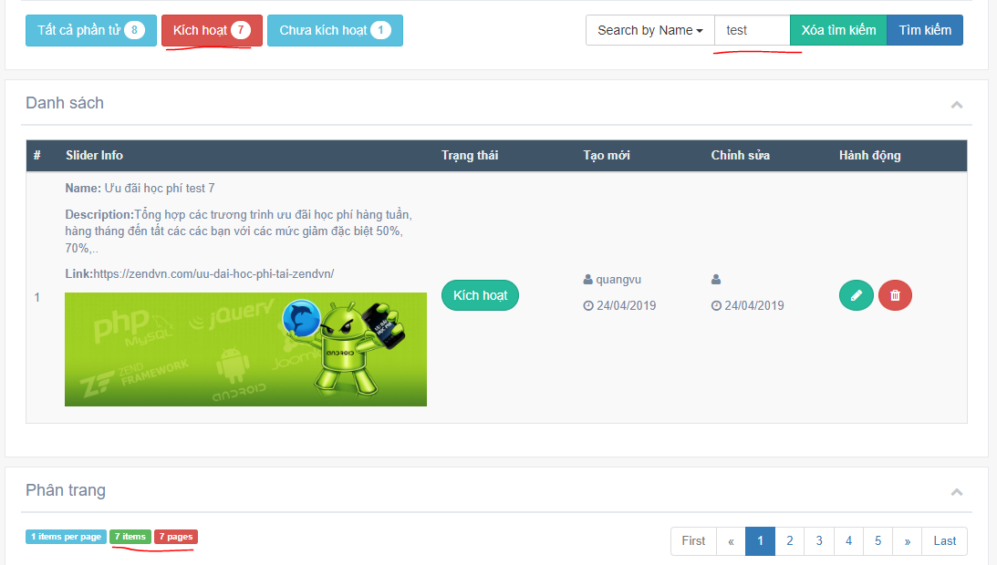
app\Models\SliderModel.php
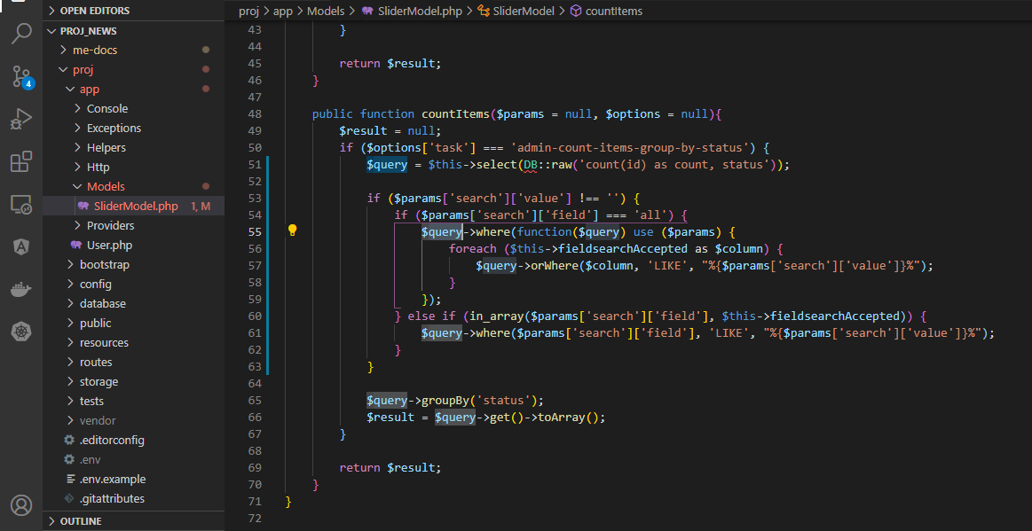

Access browser to check

search filter pagination
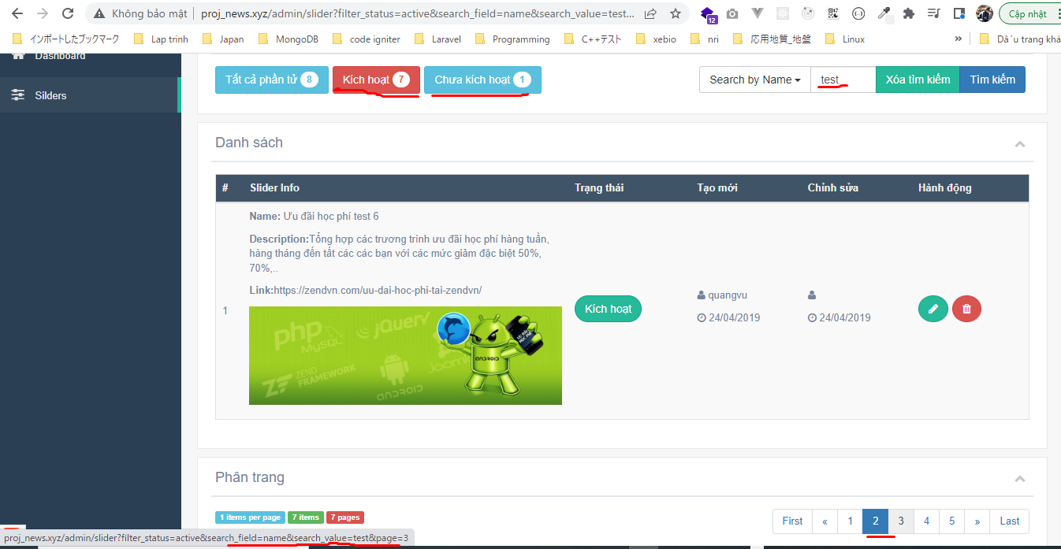
views\admin\pages\slider\index.blade.php

app\Helpers\Template.php
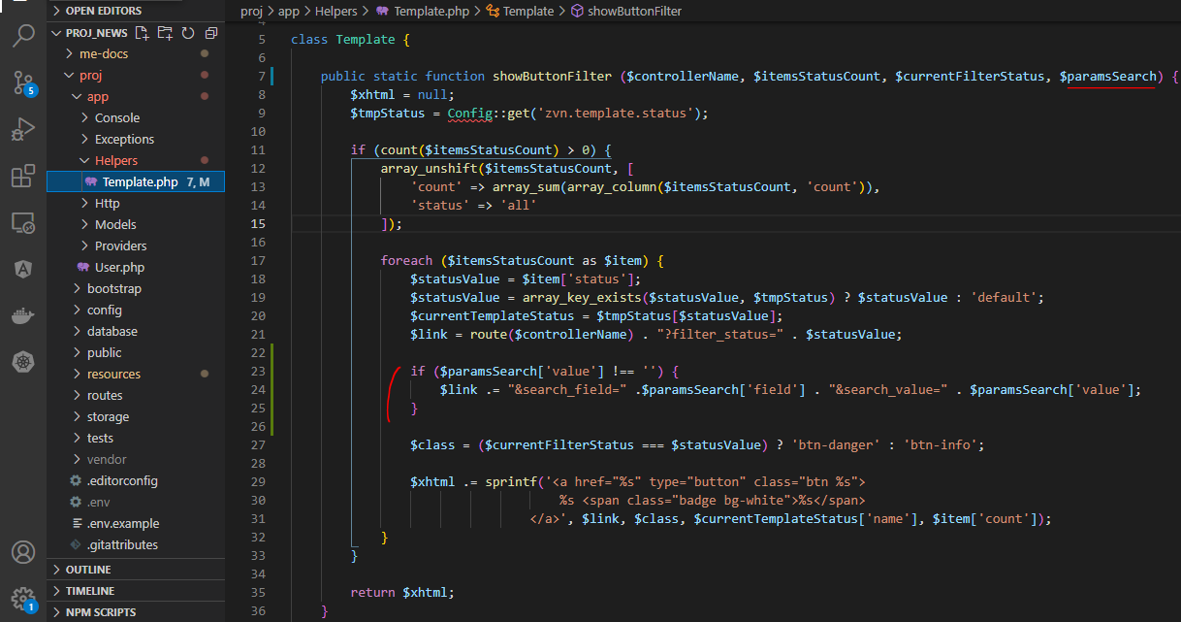

resources\views\admin\templates\pagination.blade.php

Check

Highlight
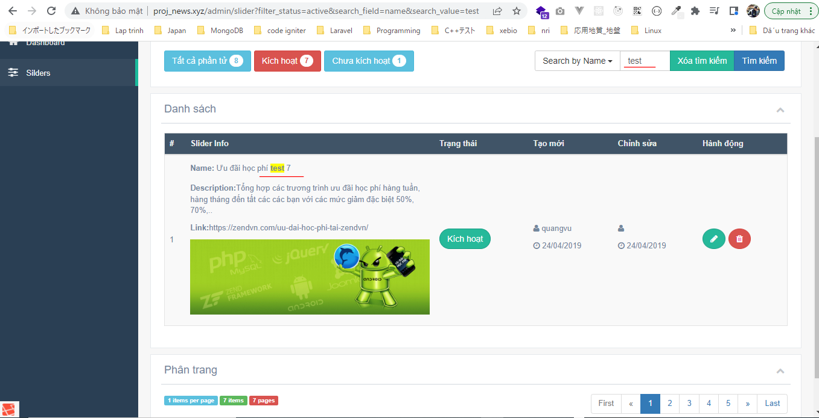
resources\views\admin\pages\slider\list.blade.php
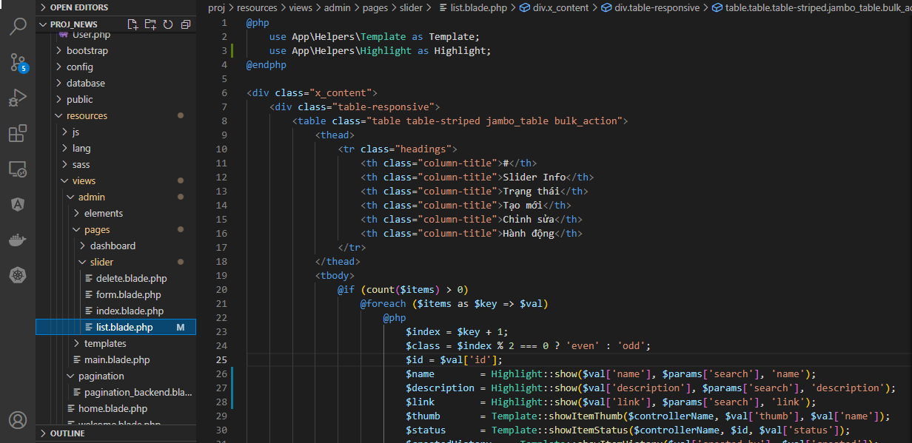

app\Helpers\Highlight.php

Check

