template
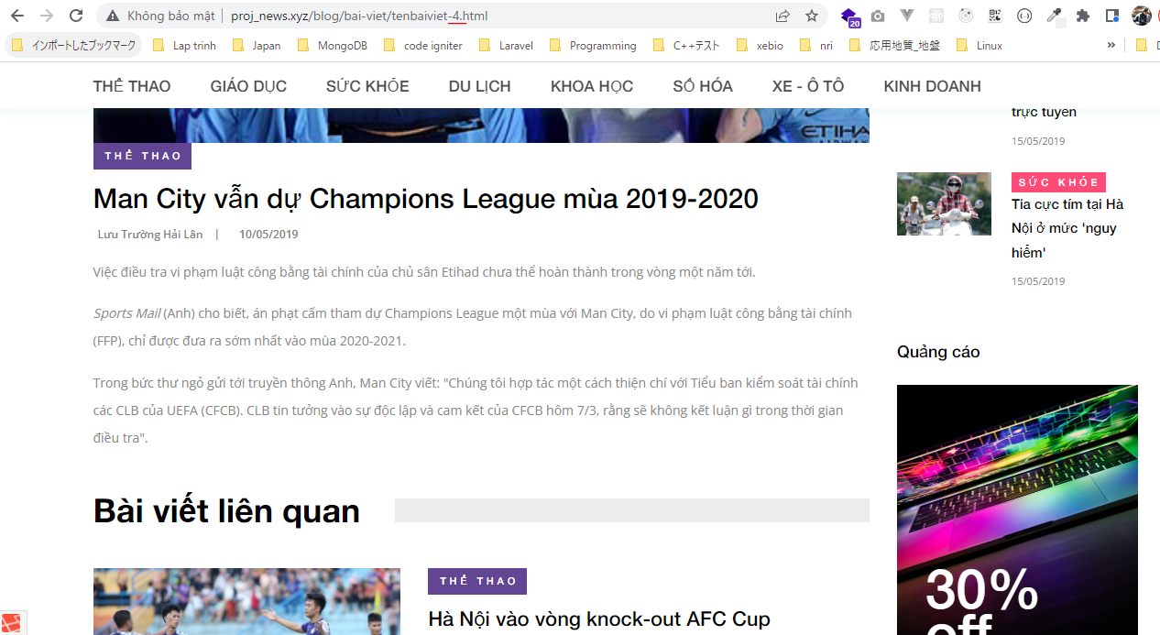
routes\web.php

app\Http\Controllers\News\ArticleController.php
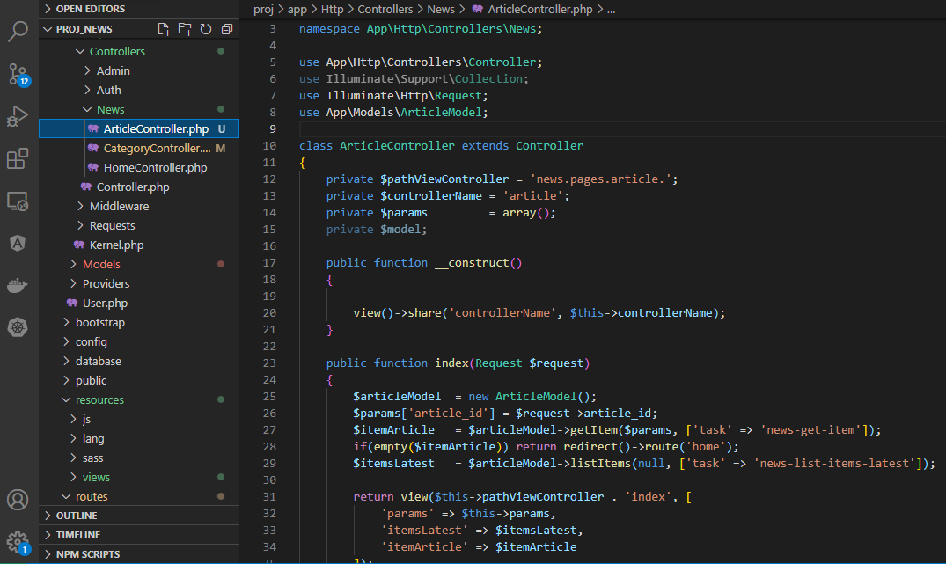

app\Models\ArticleModel.php
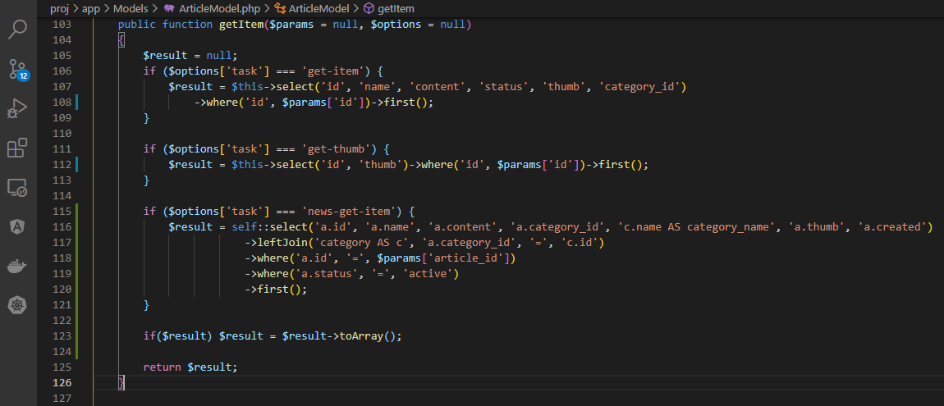

article copy from category
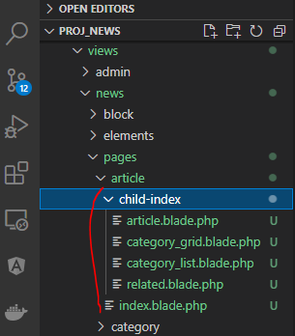

views\news\pages\article\index.blade.php
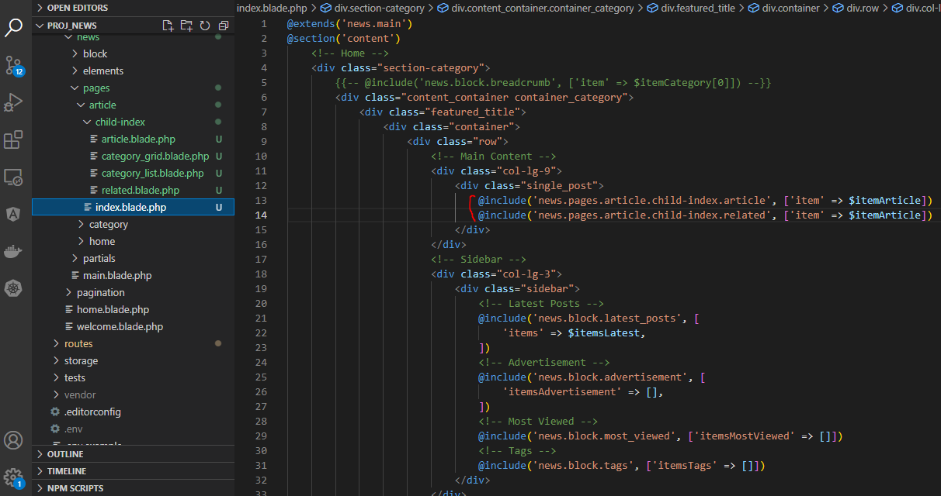

views\news\pages\article\child-index\article.blade.php
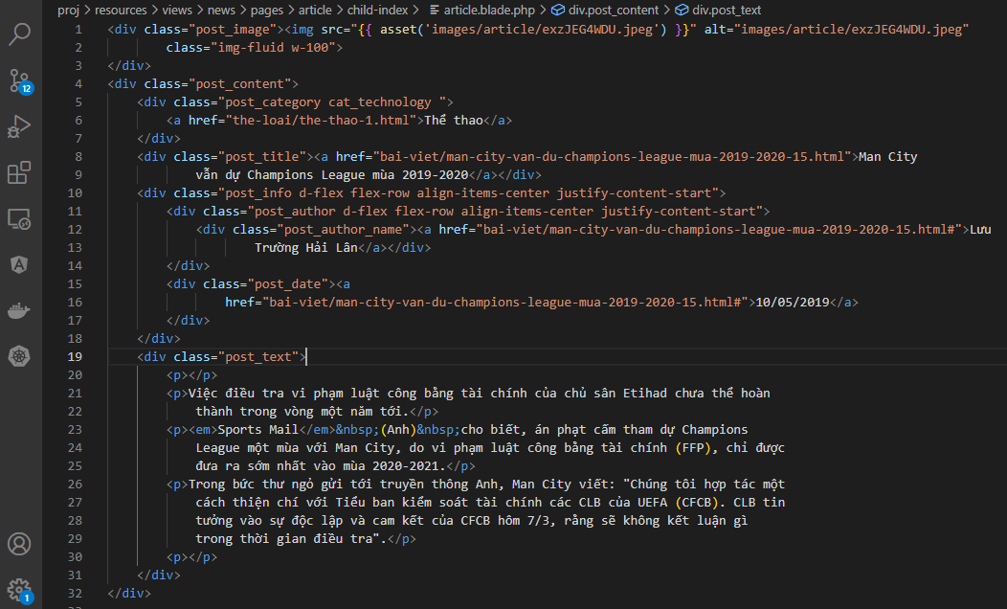

views\news\pages\article\child-index\related.blade.php
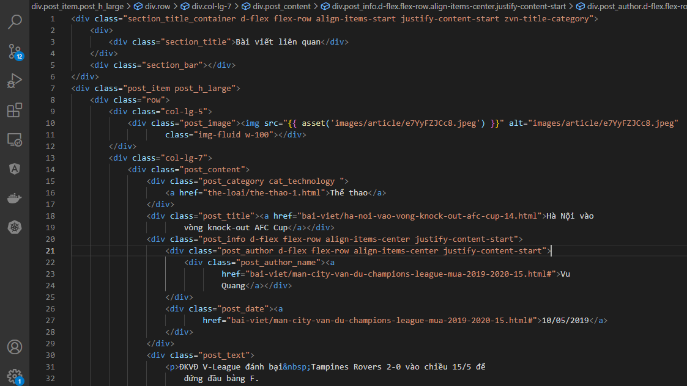

Check browser

link article
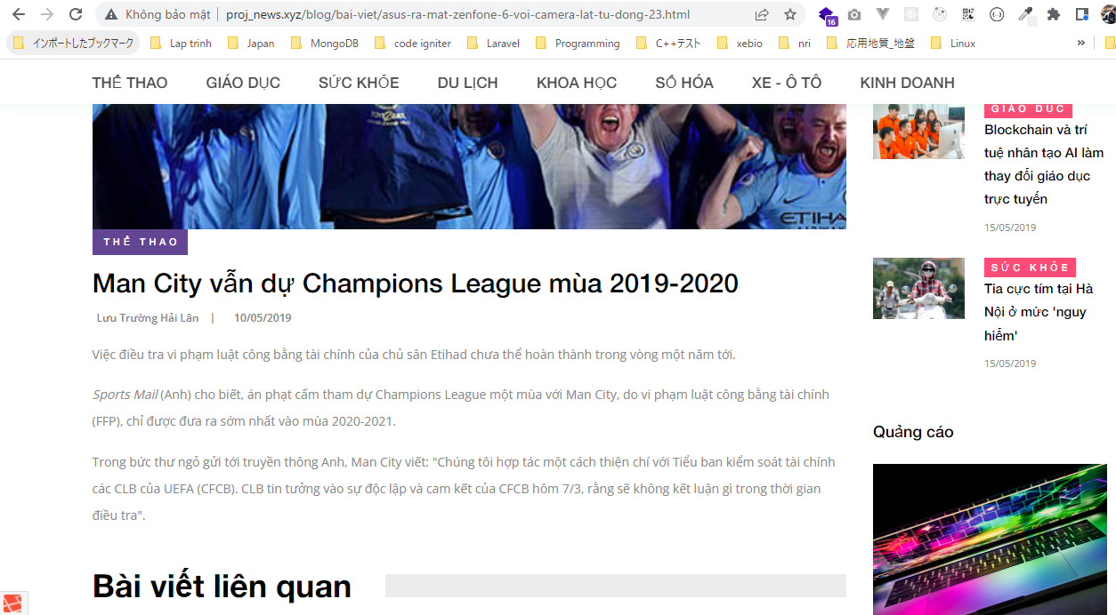
app\Helpers\URL.php

resources\views\news\partials\article\content.blade.php

resources\views\news\block\latest_posts.blade.php

Check browser
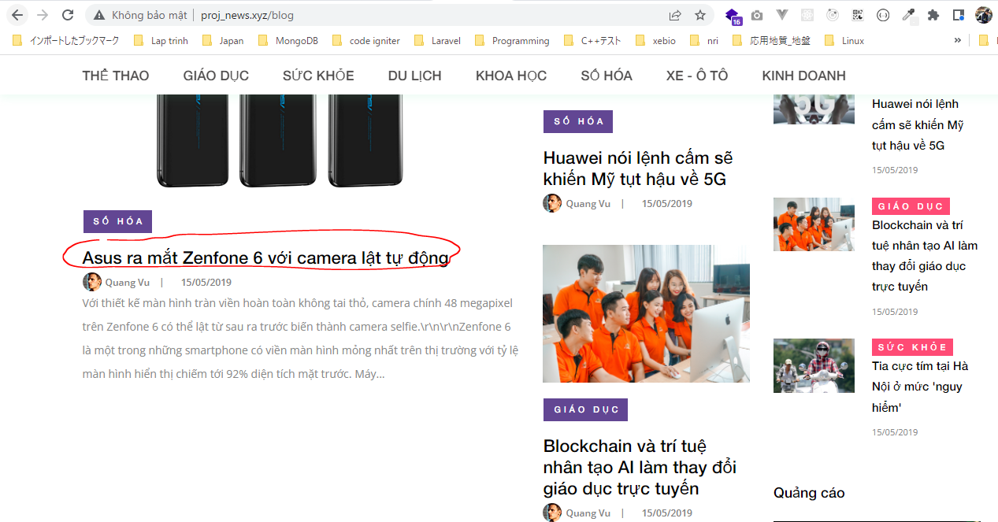

 | Result

breadcrumb

resources\views\news\pages\article\index.blade.php

resources\views\news\block\breadcrumb_article.blade.php
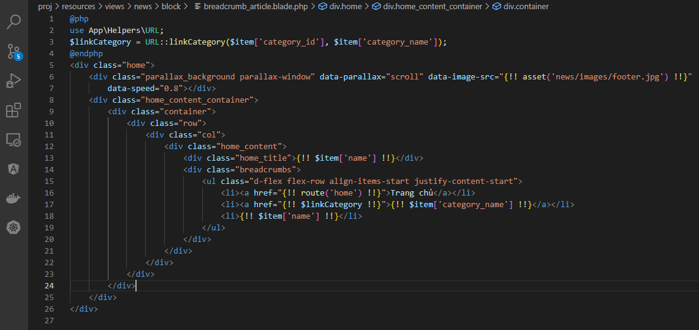

Check browser


 | Result

show article
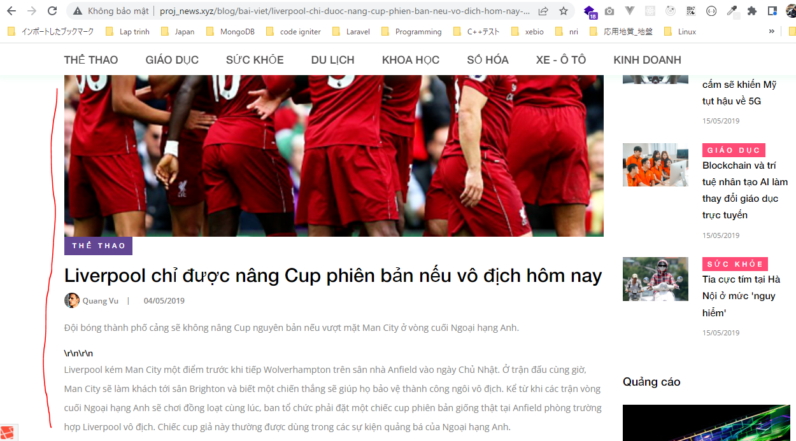
resources\views\news\pages\article\child-index\article.blade.php

resources\views\news\partials\article\content.blade.php
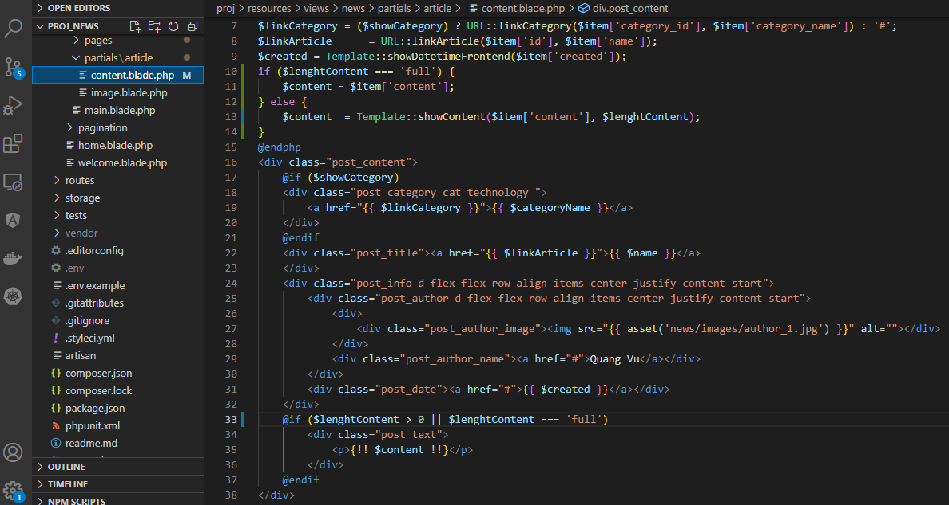

Check browser

