Sheet1
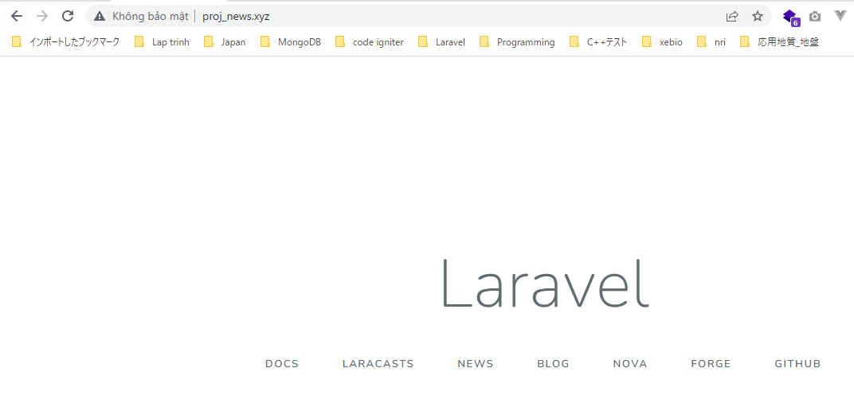
install project in proj folder using laravel 5.8

VirtualHost
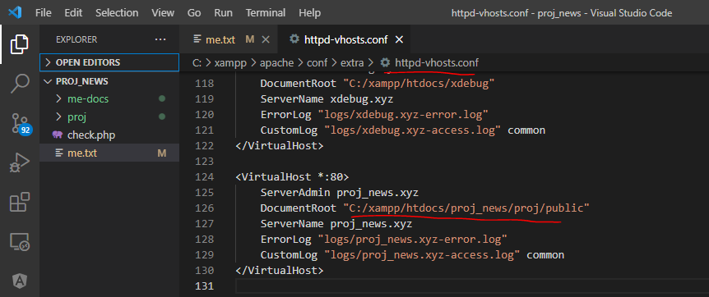

Restart Xammp and access url to check laravel installed successfully

