Sheet1
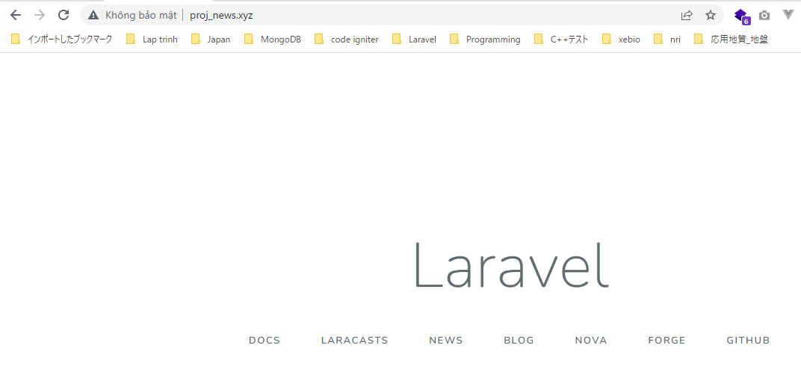
install project in proj folder

VirtualHost
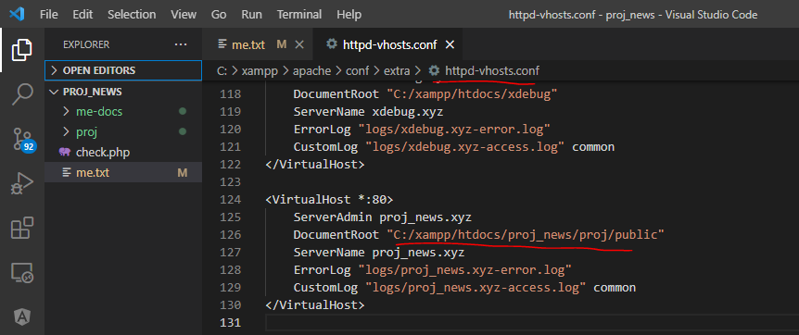

Restart Xammp and access url to check laravel installed successfully

