install
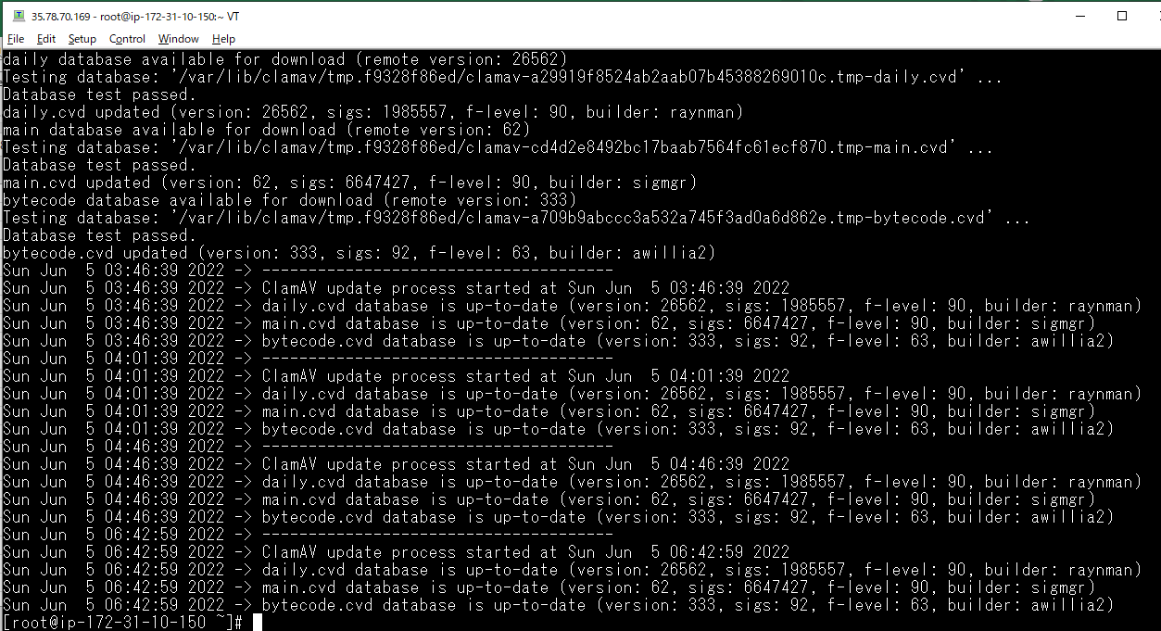
Lưu ý: Ở phần cài này cmake và clamav đều được cài với version cao nhất. Version của cmake là 3.23.2, clamav là 0.105.0

wget
 | sudo yum install wget
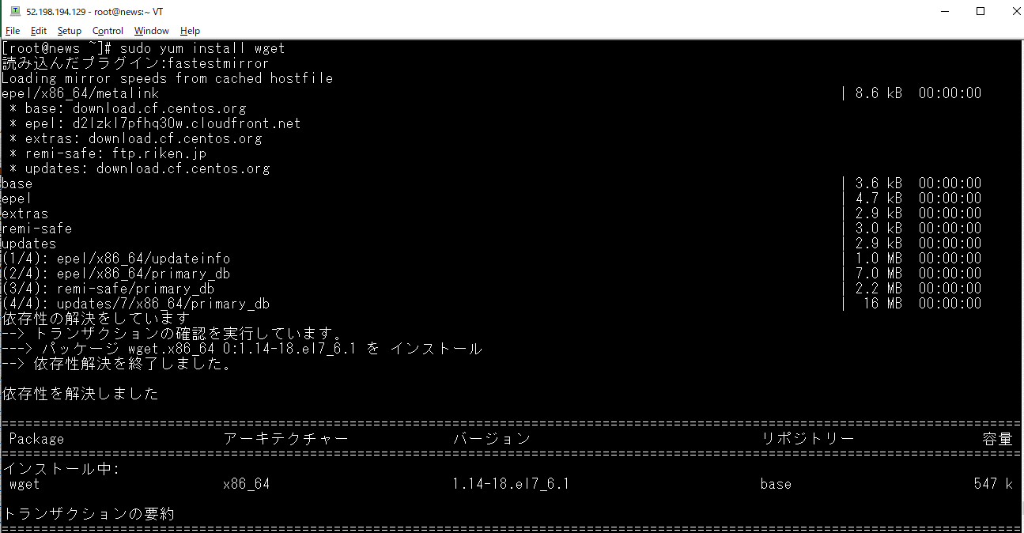

Step 1: Check Cmake
 | cmake --version

 | If don't have install.
 | wget https://cmake.org/files/v3.22/cmake-3.22.1.tar.gz | wget https://cmake.org/files/v3.23/cmake-3.23.2.tar.gz
 | tar zxvf cmake-3.*
 | cd cmake-3.*
 | ./bootstrap --prefix=/usr/local
 | make -j$(nproc)
 | make install

 | wget https://cmake.org/files/v3.22/cmake-3.22.1.tar.gz | wget https://cmake.org/files/v3.23/cmake-3.23.2.tar.gz

 | tar zxvf cmake-3.*
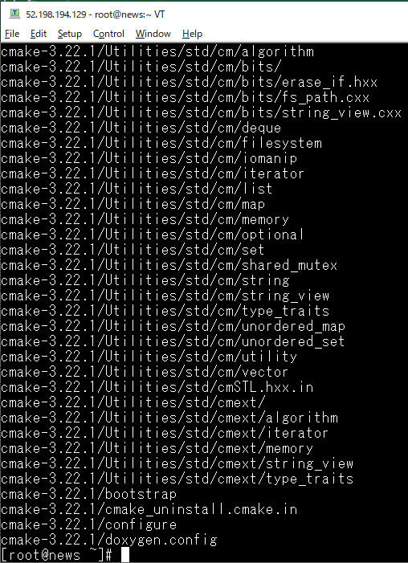

 | cd cmake-3.*
 | ./bootstrap --prefix=/usr/local | Ở bước này có thể có lỗi xảy ra nên có thể thực hiện lệnh yum install -y gcc gcc-c++ trước
 |  | Ngoài ra có thể có lỗi liên quan đến OpenSSL, khắc phục tham khảo ở sheet "may be some error"
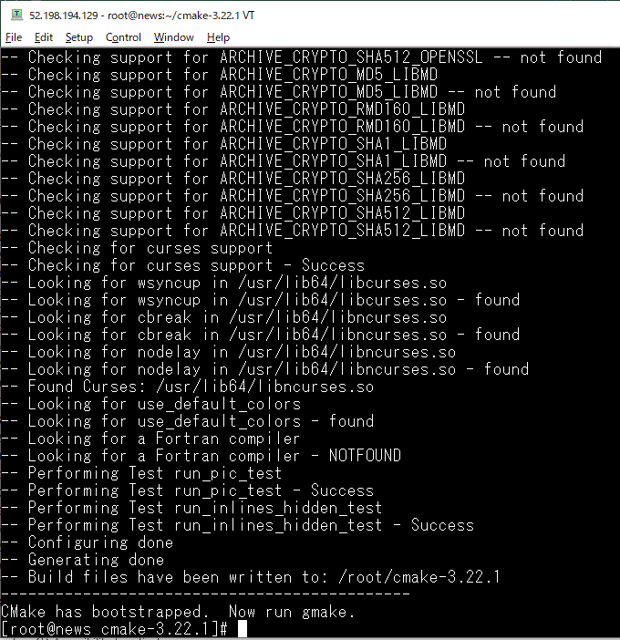

 | make -j$(nproc)
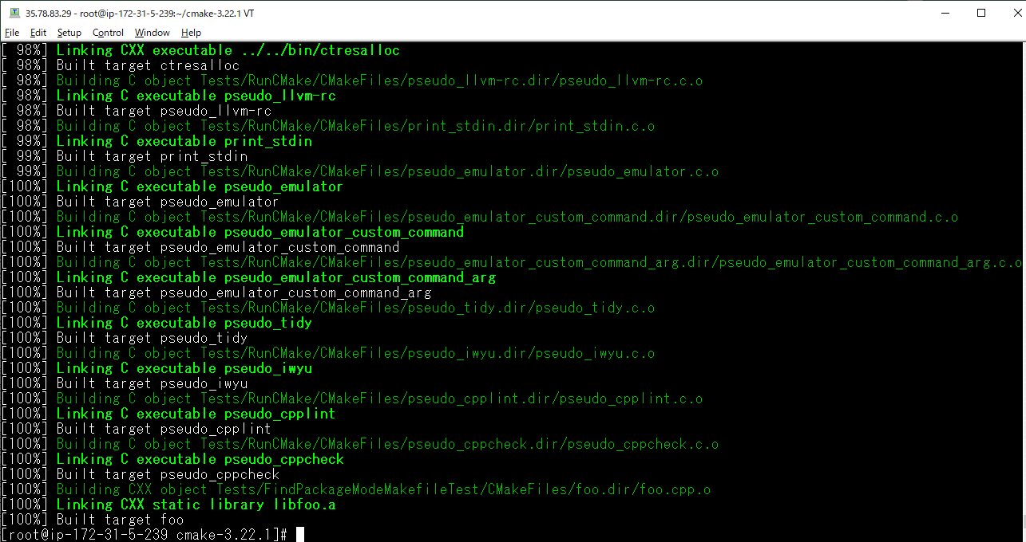

 | make install
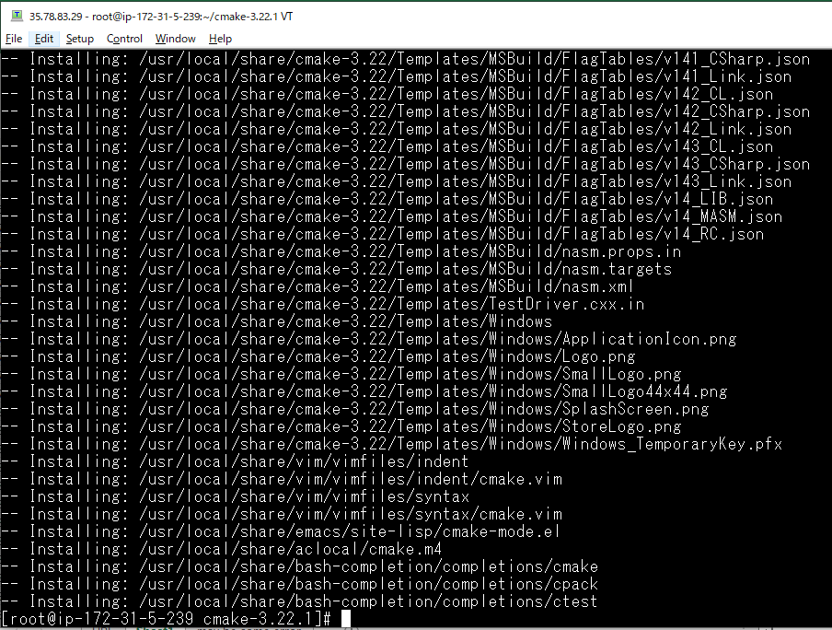

 | cmake --version

Step 2: Install ClamAV
 | https://docs.clamav.net/manual/Installing/Installing-from-source-Unix.html#ubuntu--debian

 | sudo su
 | # install tools
 | yum install -y gcc gcc-c++ make python3 python3-pip valgrind
 | # install clamav dependencies
 | yum install -y bzip2-devel check-devel json-c-devel libcurl-devel libxml2-devel \
 | ncurses-devel openssl-devel pcre2-devel sendmail-devel zlib-devel

 | yum install -y gcc gcc-c++ make python3 python3-pip valgrind
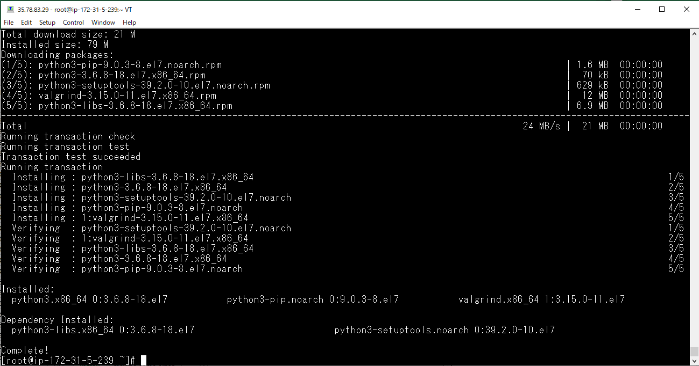

 | yum install -y bzip2-devel check-devel json-c-devel libcurl-devel libxml2-devel \
 | ncurses-devel openssl-devel pcre2-devel sendmail-devel zlib-devel
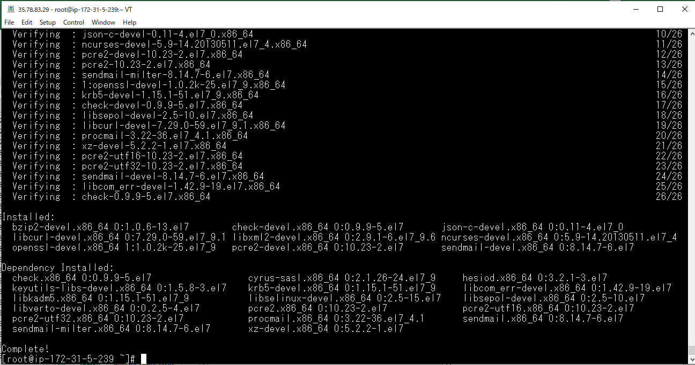

Step 3: Download the source from the clamav.net downloads page.
 | https://www.clamav.net/downloads
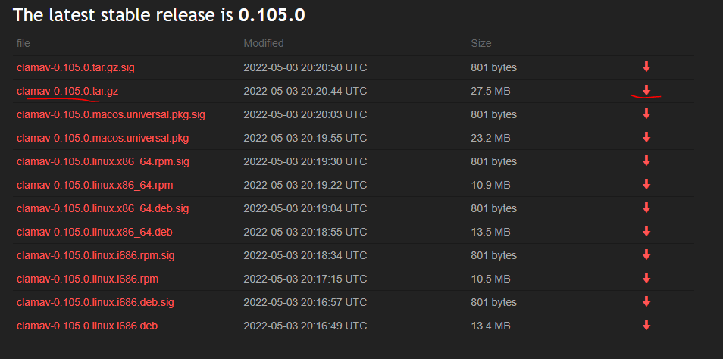

 | wget https://www.clamav.net/downloads/production/clamav-0.105.0.tar.gz
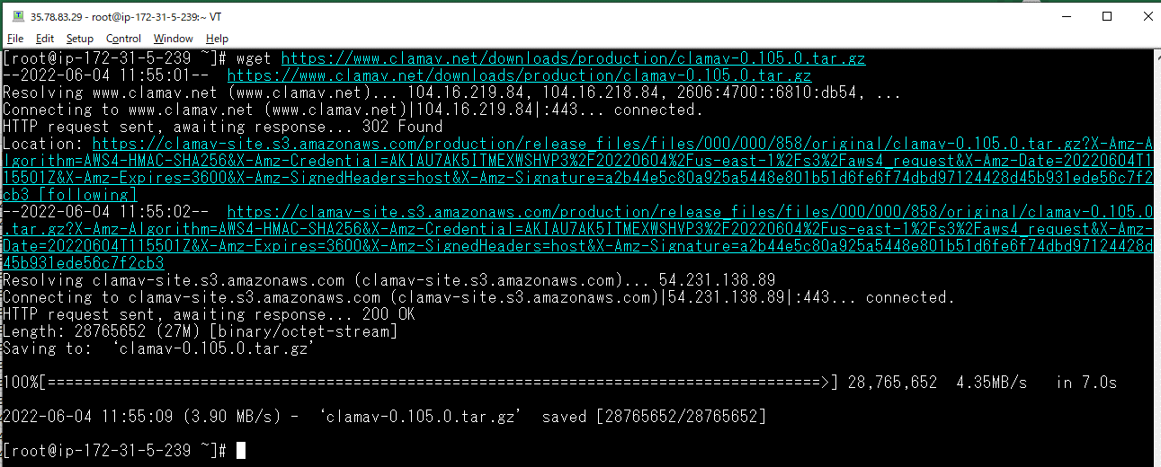

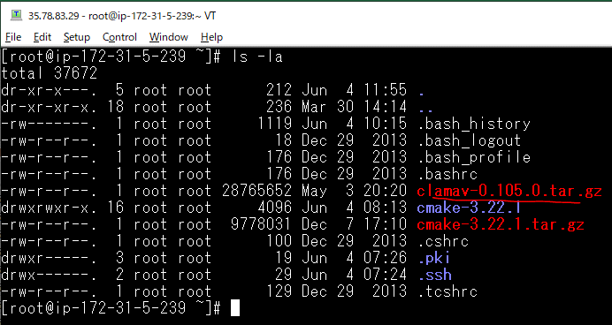

Step 4: Extract the archive
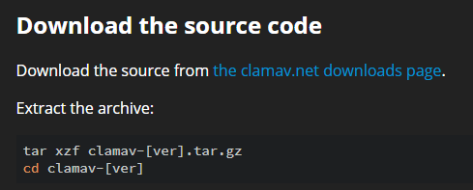

 | tar xzf clamav-*.tar.gz
 | cd clamav-0.105.0

Step 5: Build ClamAV
 | mkdir build && cd build cmake .. \ -D CMAKE_INSTALL_PREFIX=/usr \ -D CMAKE_INSTALL_LIBDIR=lib \ -D APP_CONFIG_DIRECTORY=/etc/clamav \ -D DATABASE_DIRECTORY=/var/lib/clamav \ -D ENABLE_JSON_SHARED=OFF cmake --build . ctest sudo cmake --build . --target install

 | mkdir build && cd build

 | cmake .. \ -D CMAKE_INSTALL_PREFIX=/usr \ -D CMAKE_INSTALL_LIBDIR=lib \ -D APP_CONFIG_DIRECTORY=/etc/clamav \ -D DATABASE_DIRECTORY=/var/lib/clamav \ -D ENABLE_JSON_SHARED=OFF

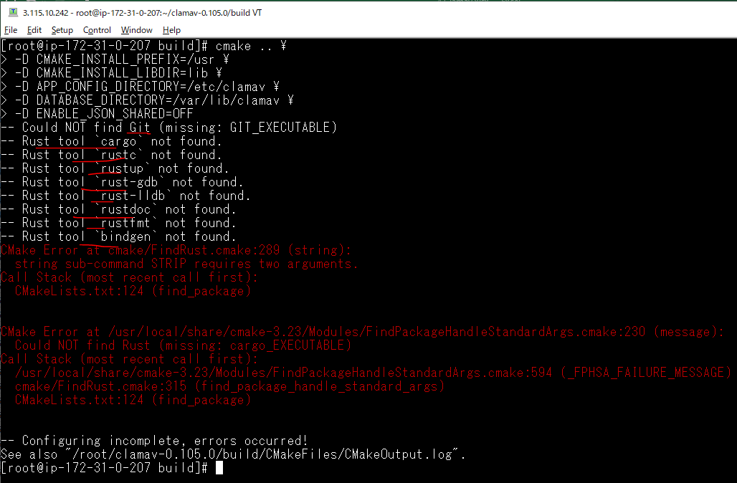

Fix error
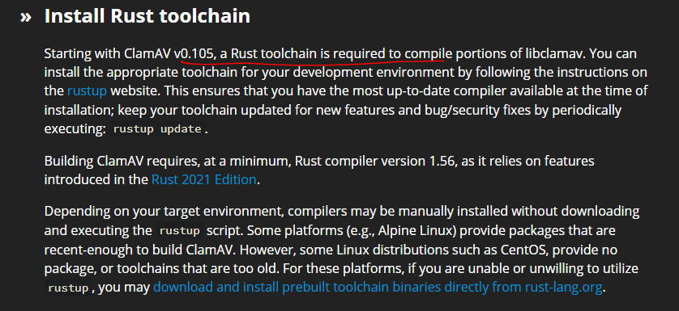

 | curl --proto '=https' --tlsv1.2 -sSf https://sh.rustup.rs | sh
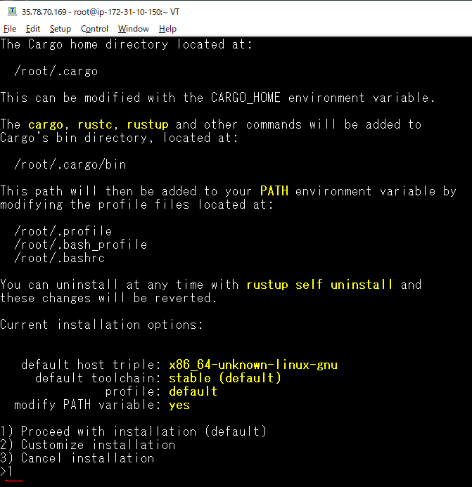

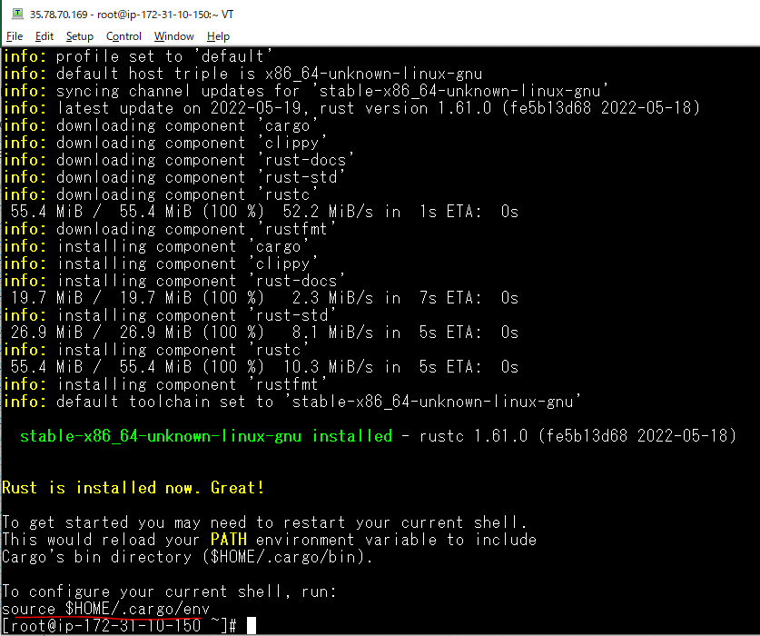

 | source $HOME/.cargo/env

 | rustc --version

Build ClamAV again
 | cmake .. \ -D CMAKE_INSTALL_PREFIX=/usr \ -D CMAKE_INSTALL_LIBDIR=lib \ -D APP_CONFIG_DIRECTORY=/etc/clamav \ -D DATABASE_DIRECTORY=/var/lib/clamav \ -D ENABLE_JSON_SHARED=OFF

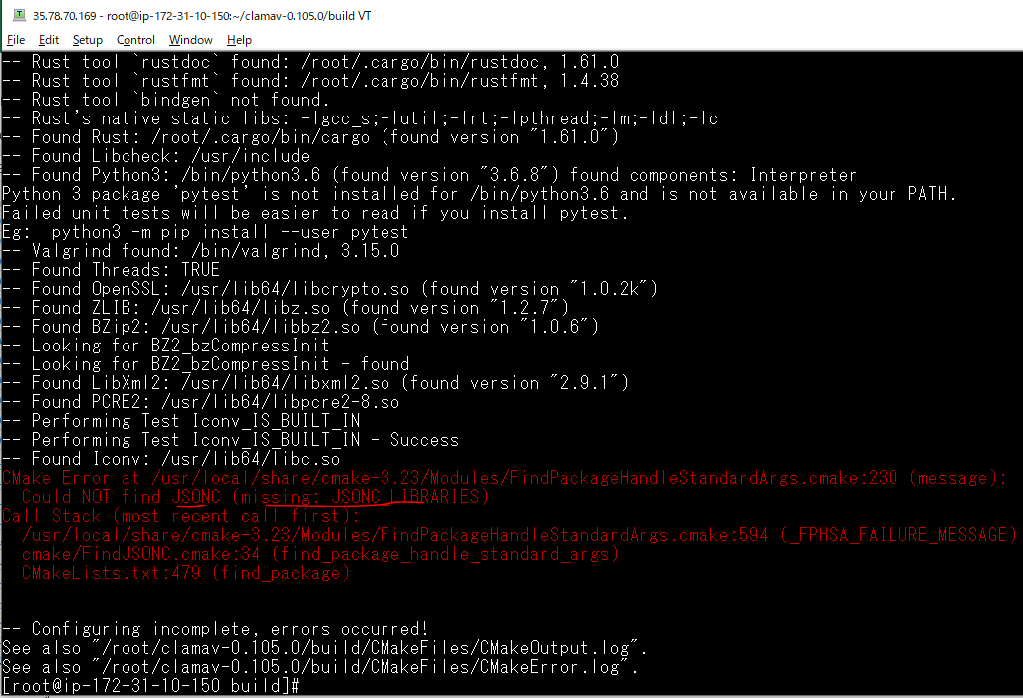

fix error
 | http://www.gctv.ne.jp/~yokota/clamav/cmake/

 | 1. Download JSON-C
 | curl -LO https://s3.amazonaws.com/json-c_releases/releases/json-c-0.16.tar.gz

 | tar xzf json-c-0.16.tar.gz

 | 2. Configure and Generate JSON-C
 | cd json-c-0.16
 | mkdir build
 | cd build
 | cmake -D CMAKE_INSTALL_PREFIX=/usr/local/json-c ..
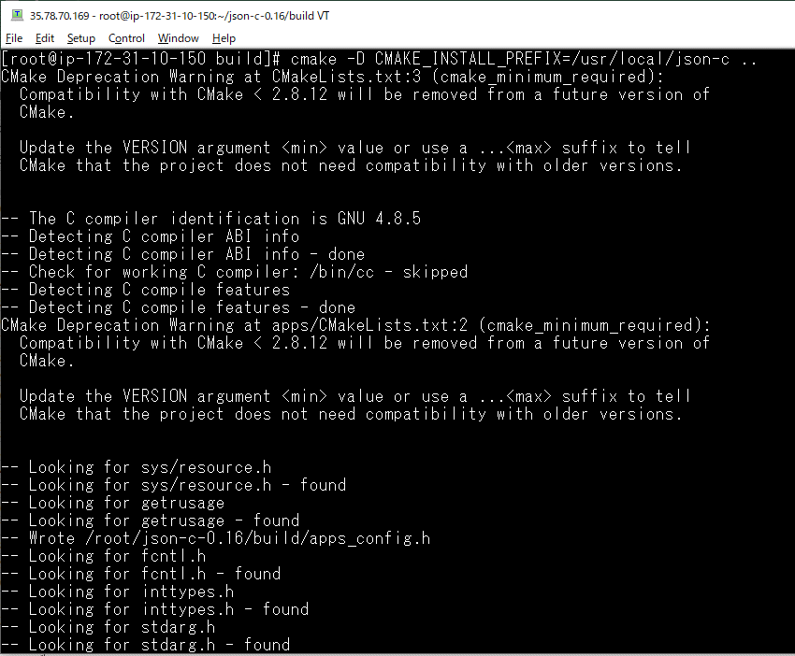

 | 3. Compile and install JSON-C
 | make && make test
 | sudo make install
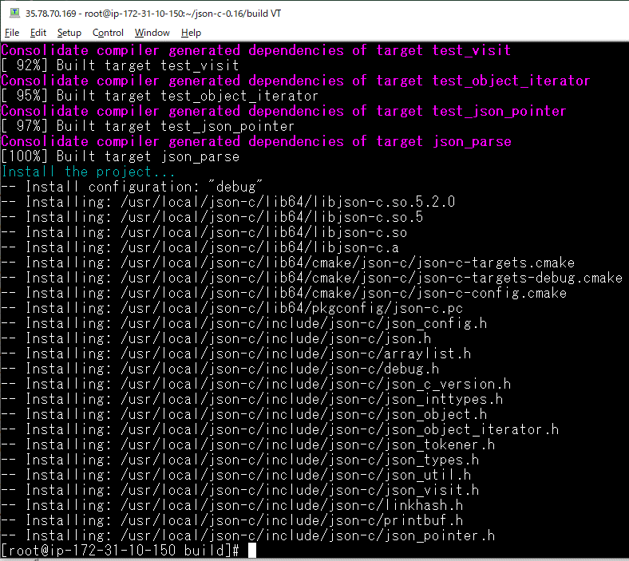

 | 4. Create Symbolic Link
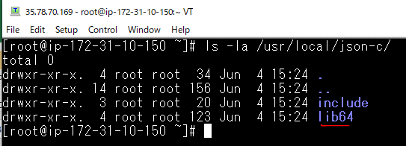

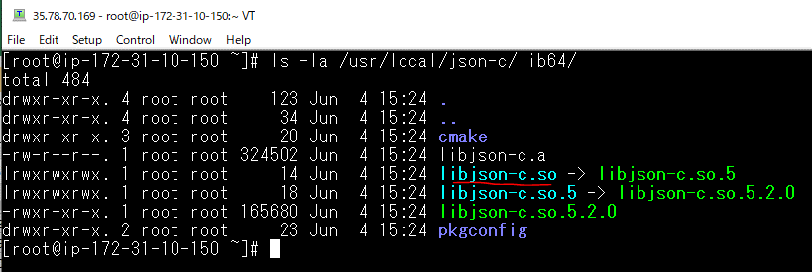

 | sudo ln -s /usr/local/json-c/lib64/libjson-c.so /usr/local/lib/

Build ClamAV again
 | cmake .. \ -D CMAKE_INSTALL_PREFIX=/usr \ -D CMAKE_INSTALL_LIBDIR=lib \ -D APP_CONFIG_DIRECTORY=/etc/clamav \ -D DATABASE_DIRECTORY=/var/lib/clamav \ -D JSONC_LIBRARY=/usr/local/json-c/lib64/libjson-c.so \ -D JSONC_INCLUDE_DIR=/usr/local/json-c/include/json-c/ \ -D ENABLE_JSON_SHARED=OFF

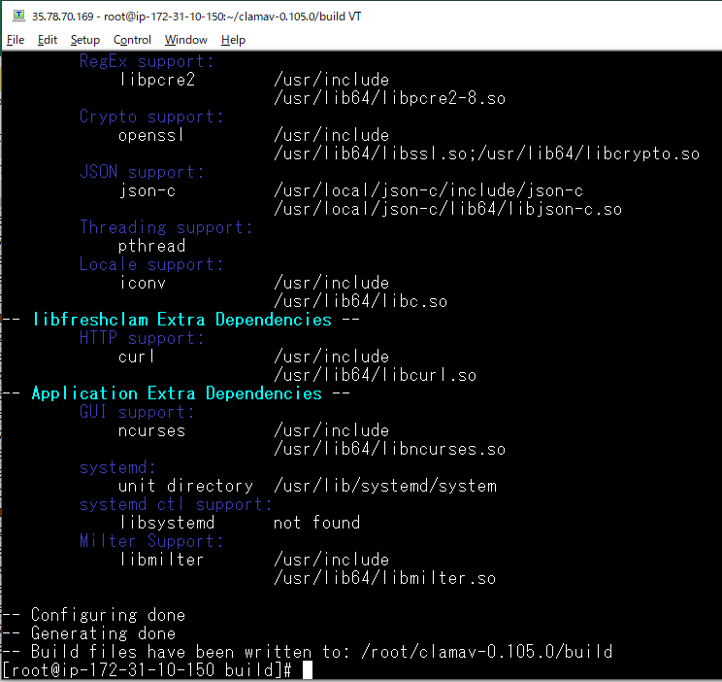

 | cmake --build .
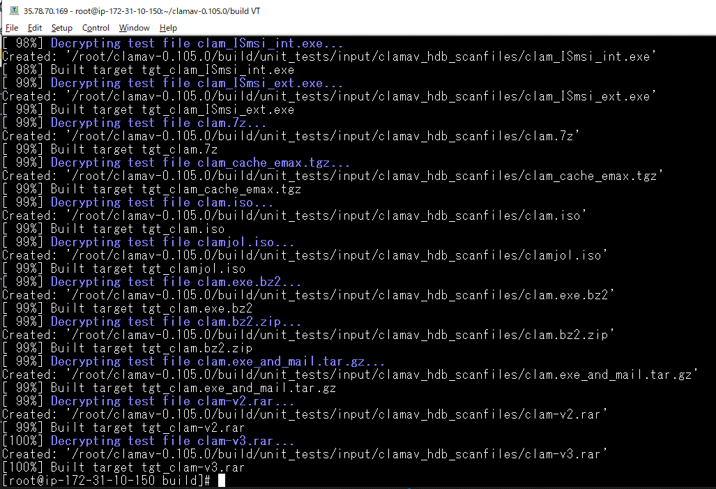

 | ctest
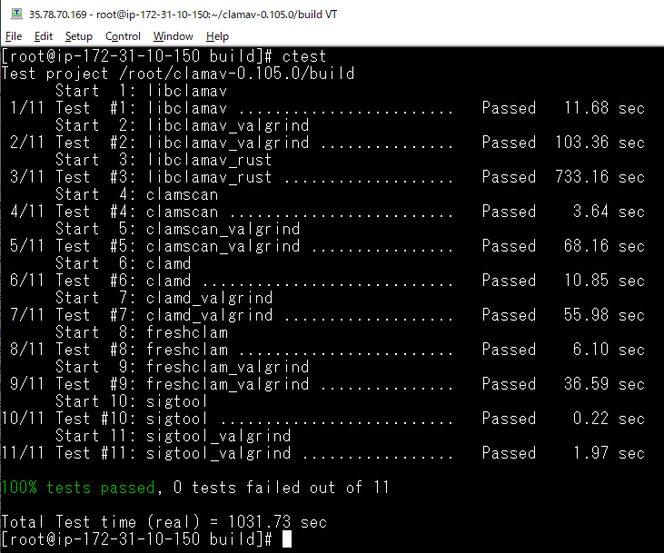

 | cmake --build . --target install
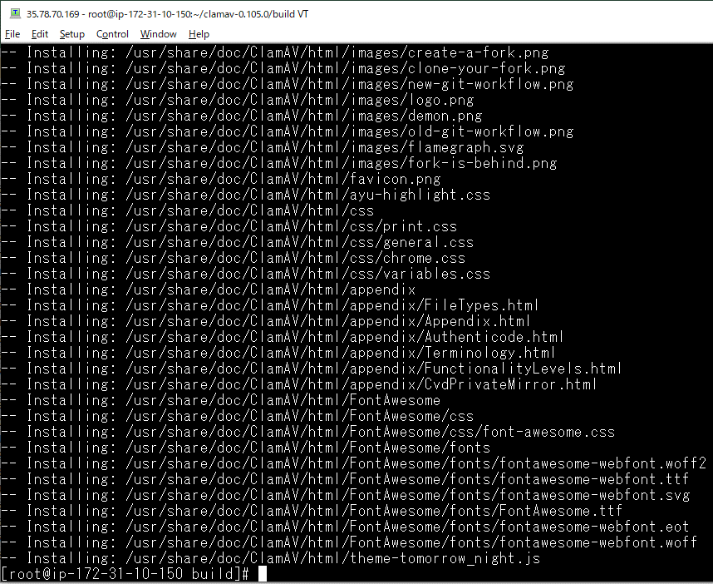

Step 6-1: Users and on user privileges
 | groupadd clamav useradd -g clamav -s /bin/false -c "Clam Antivirus" clamav sudo chown -R clamav:clamav /var/lib/clamav

 | groupadd clamav
 | useradd -g clamav -s /bin/false -c "Clam Antivirus" clamav

 | sudo chown -R clamav:clamav /var/lib/clamav

 | passwd clamav

 |  |  | pwd: 12345678

 | reboot

Step 6-2: Configuration
 | cd /etc/clamav cp freshclam.conf.sample freshclam.conf cp clamd.conf.sample clamd.conf cp clamav-milter.conf.sample clamav-milter.conf

 | cd /etc/clamav
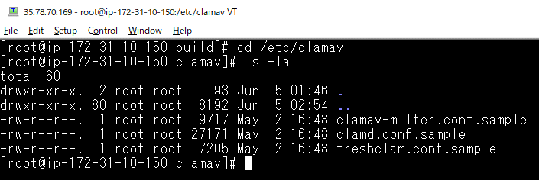

 | cp freshclam.conf.sample freshclam.conf
 | cp clamd.conf.sample clamd.conf
 | cp clamav-milter.conf.sample clamav-milter.conf

freshclam.conf
 | freshclam

 | sudo ln -s /usr/local/json-c/lib64/libjson-c.so.5 /usr/local/lib/

 | freshclam(again)

 | touch /var/log/freshclam.log
 | chmod 600 /var/log/freshclam.log
 | chown clamav /var/log/freshclam.log

 | vi freshclam.conf
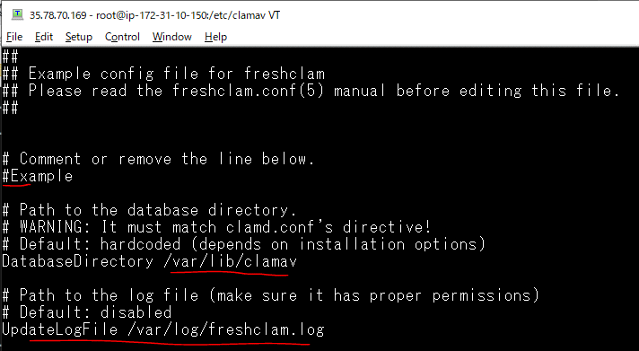

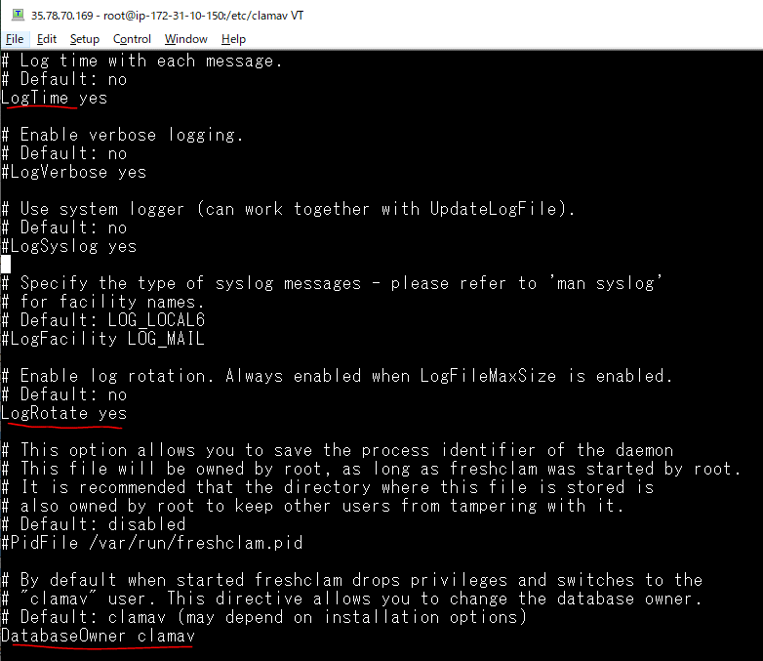

 | freshclam(again)
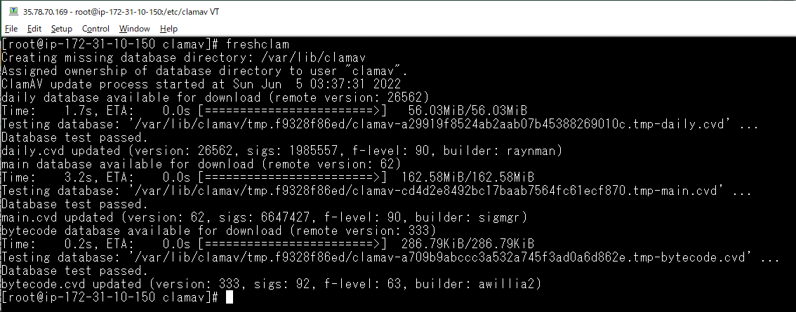

clamd.conf
 | vi clamd.conf
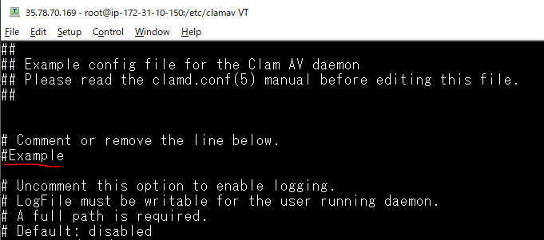

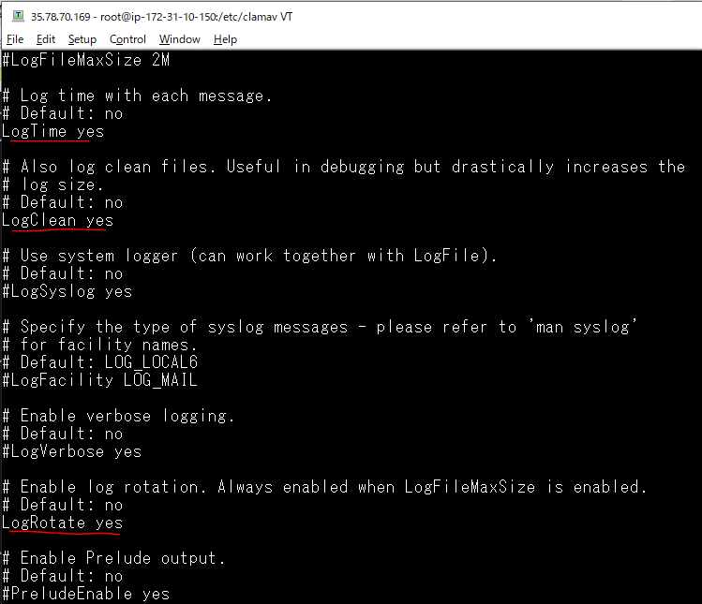

clamav-milter.conf
 | vi clamav-milter.conf
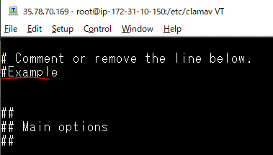

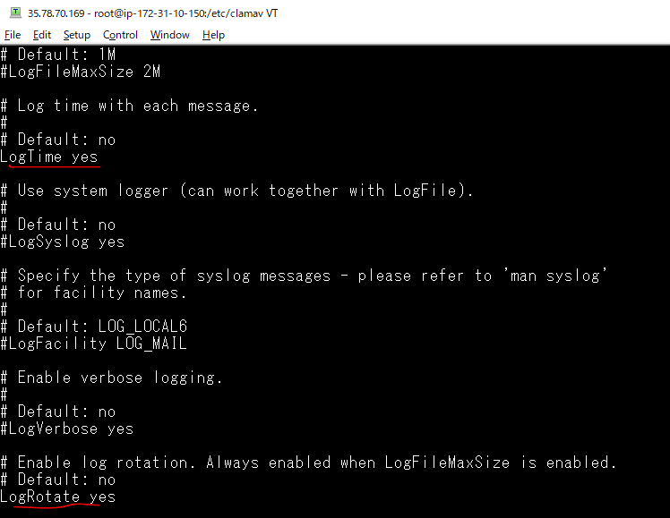

Step 7: Config SELinux for ClamAV
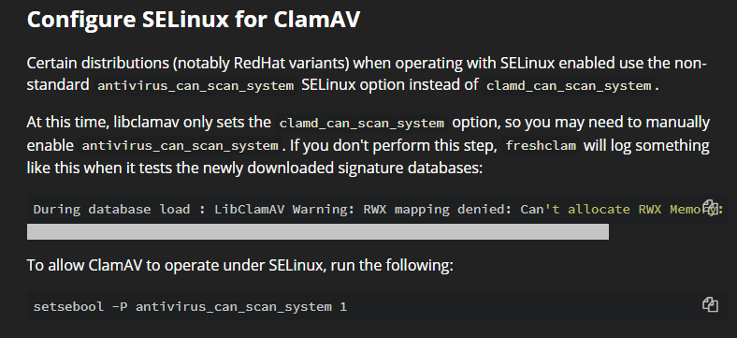

 | ①Trường hợp server chạy với SELinux enabled
 | Check antivirus can scan on the system
 | ```
 | sestatus
 | getsebool -a | grep virus
 | ```

 | If antivirus_can_scan_system off please run command bellow
 | ```
 | setsebool -P antivirus_can_scan_system 1
 | ```

 | sestatus
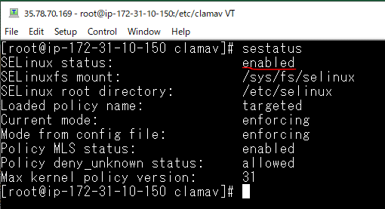

 | getsebool -a | grep virus

 | To allow ClamAV to operate under SELinux, run the following:
 | setsebool -P antivirus_can_scan_system 1

 | ②Server chạy với SELinux disabbled
 | getenforce

 | disable selinux centos 7
 | vi /etc/selinux/config
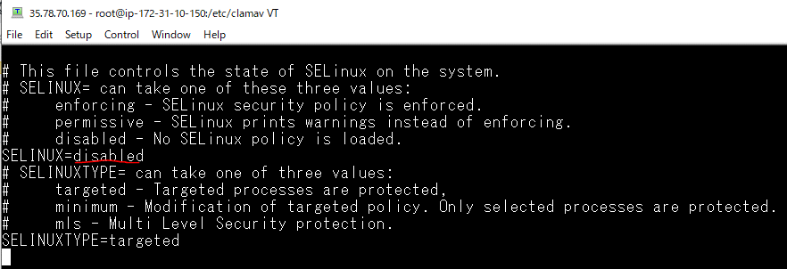

 | reboot

 | Check SELinux disabbled
 | sestatus

Step 8: Check version
 | clamd -V

Step 9: Update antivirut database
 | freshclam

Step 10: Set crontab
 | ```
 | sudo su
 | vi /root/clamav.sh
 | ```

 | Push bellow content to clamv.sh

 | ```
 | #!/bin/bash
 | freshclam //update antivirus database
 | mkdir -p /var/log/clamav
 | clamscan -i -r / >> /var/log/clamav/clamavscan.log
 | ```

 | Change mode execute for clamav

 | ```
 | chmod +x /root/clamav.sh
 | ```

 | Setting crontab

 | ```
 | crontab -e
 | ```

 | Push bellow content to crontab

 | ```
 | 0 1 * * 0 /root/clamav.sh
 | ```

 | sudo su -
 | vi /root/clamav.sh

 | chmod +x /root/clamav.sh

 | crontab -e

 | crontab -l

Finsh

 | date
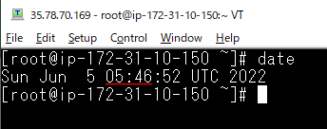

Kiểm tra clamav bằng cách chạy bash bằng tay
 | /root/clamav.sh
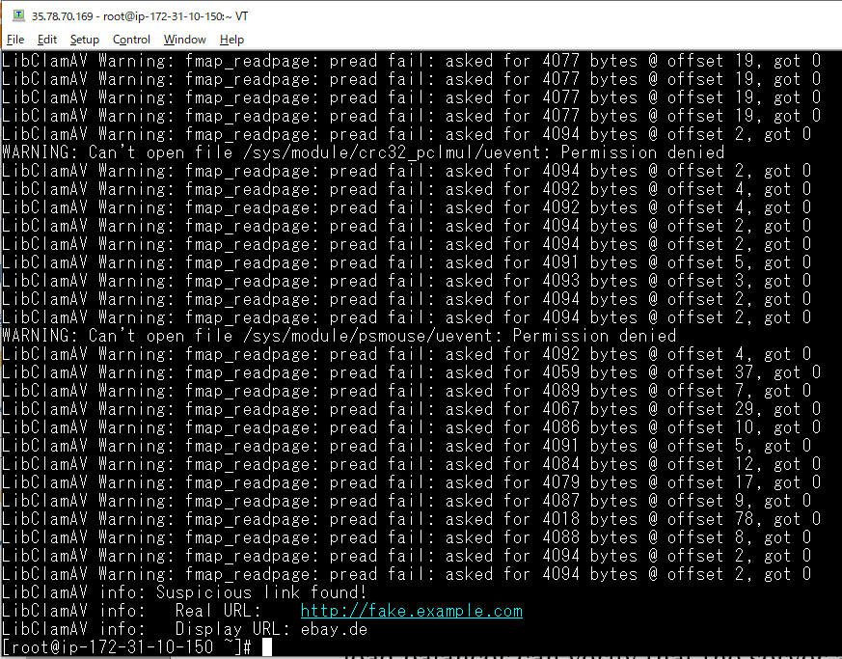

 | cat /var/log/clamav/clamavscan.log
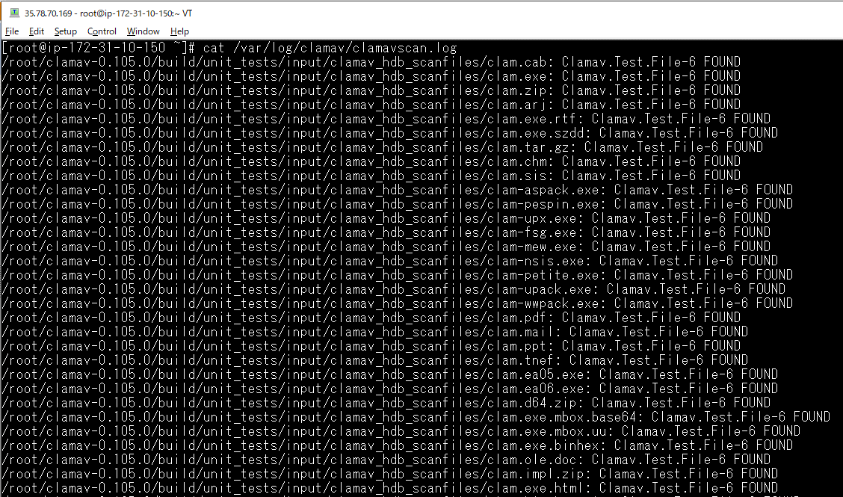

 | ウィルス定義ファイル 更新
 | cat /var/log/freshclam.log

install OpenSSL if not having
Requirements
 | yum -y update yum install -y make gcc perl-core pcre-devel wget zlib-devel wget https://ftp.openssl.org/source/openssl-1.1.1k.tar.gz

 | yum -y update
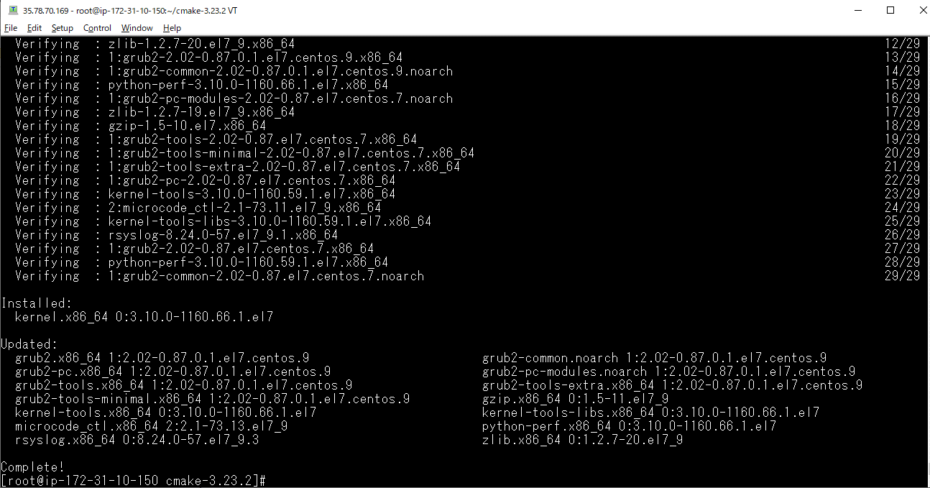

 | yum install -y make gcc perl-core pcre-devel wget zlib-devel
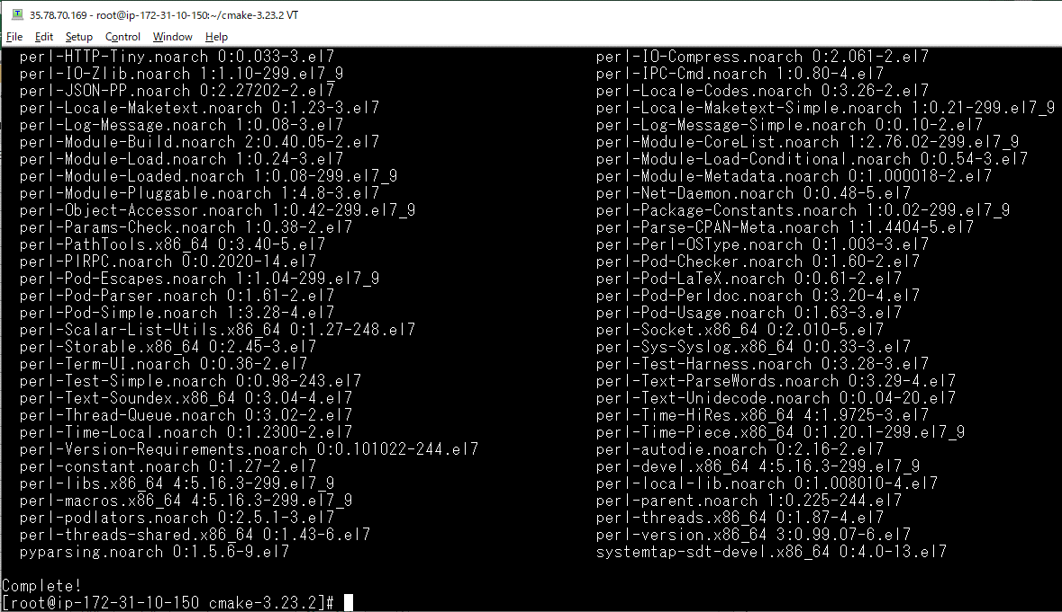

 | wget https://ftp.openssl.org/source/openssl-1.1.1k.tar.gz

wget https://ftp.openssl.org/source/openssl-1.1.1k.tar.gz
 | tar -xzvf openssl-1.1.1k.tar.gz cd openssl-1.1.1k ./config --prefix=/usr --openssldir=/etc/ssl --libdir=lib no-shared zlib-dynamic make make test make install

 | tar -xzvf openssl-1.1.1k.tar.gz
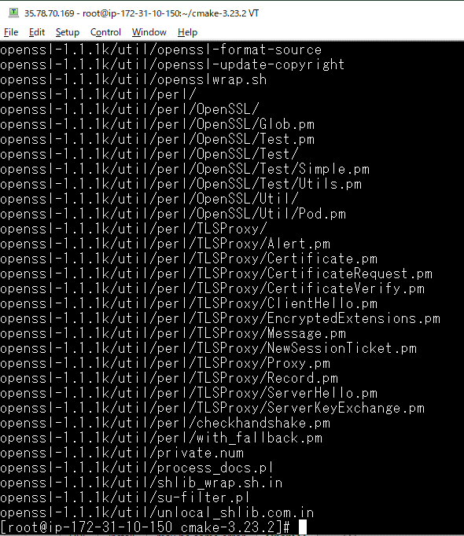

 | cd openssl-1.1.1k
 | ./config --prefix=/usr --openssldir=/etc/ssl --libdir=lib no-shared zlib-dynamic
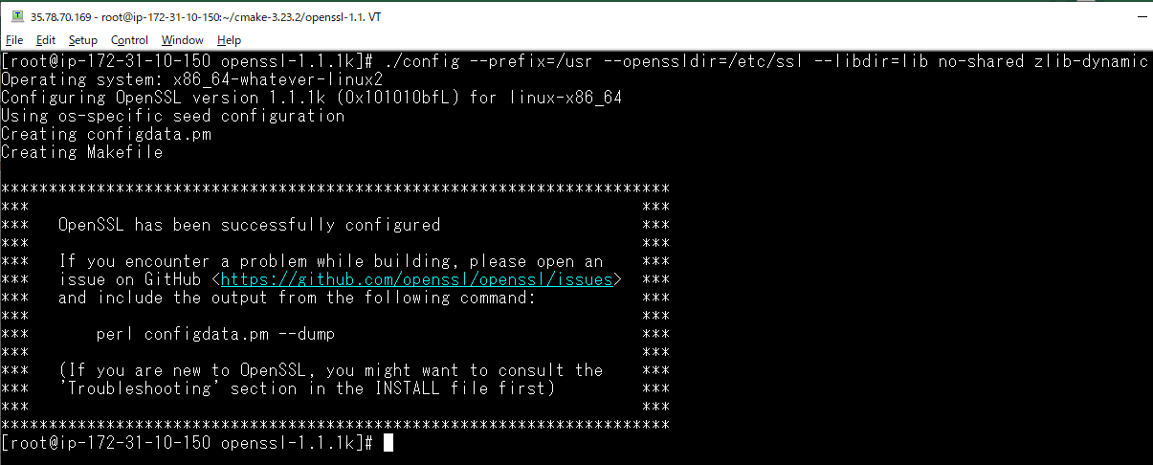

 | make
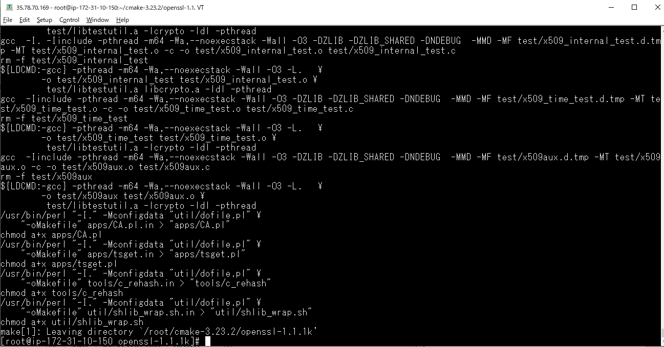

 | make test
 | make install
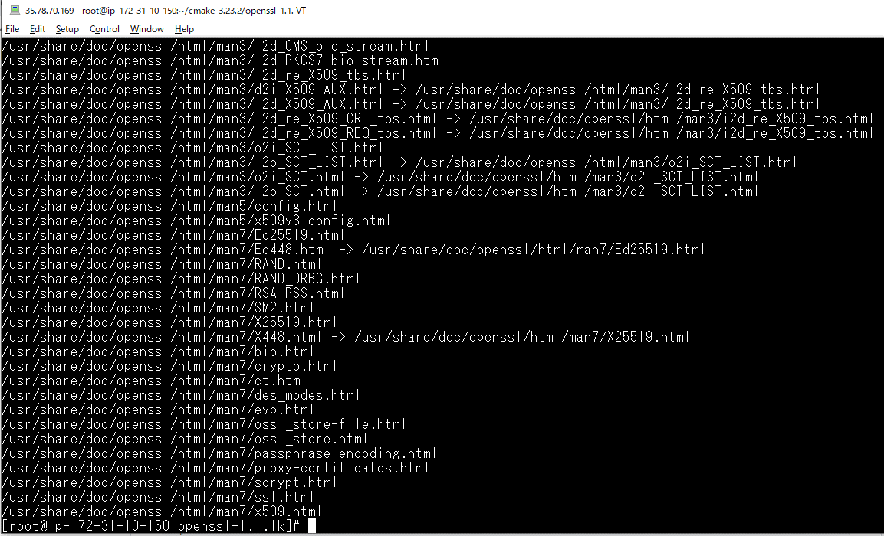

Export library path
 | vi /etc/profile.d/openssl.sh export LD_LIBRARY_PATH=/usr/local/lib:/usr/local/lib64 source /etc/profile.d/openssl.sh

 | vi /etc/profile.d/openssl.sh

 | source /etc/profile.d/openssl.sh

Verify the OpenSSL version
 | openssl version

