if else
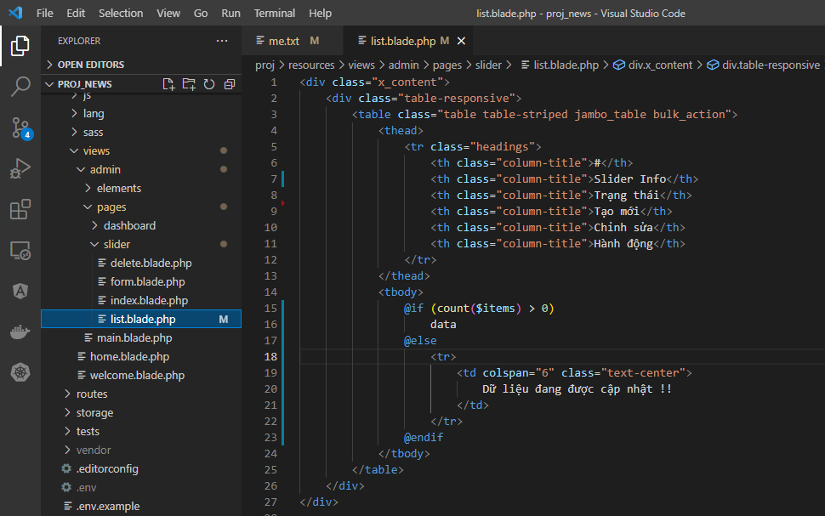
views\admin\pages\slider\list.blade.php

list_empty
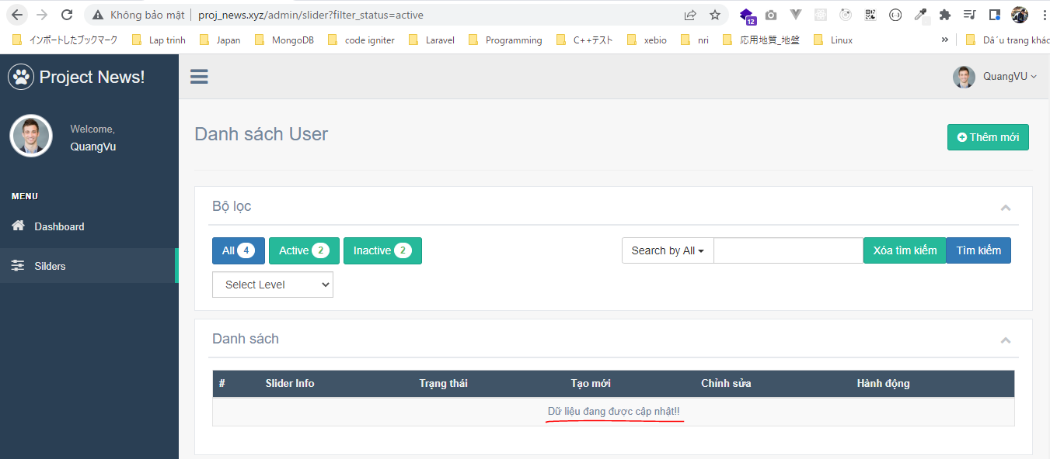
views\admin\templates\list_empty.blade.php
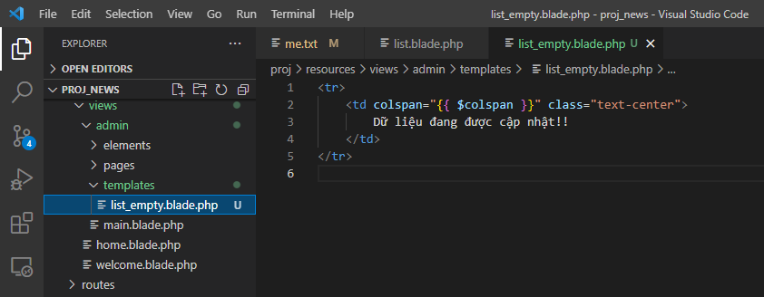

views\admin\pages\slider\list.blade.php
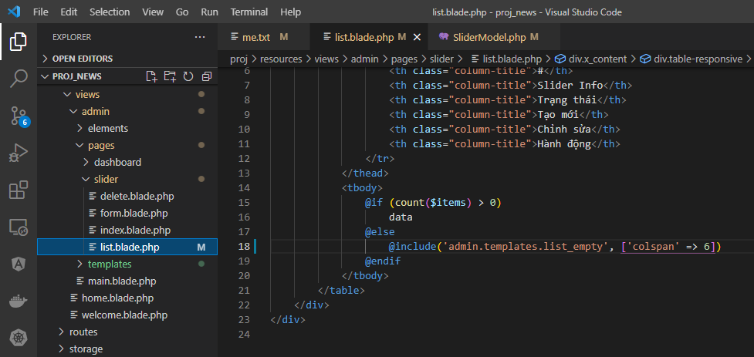

Access browser to check

foreach
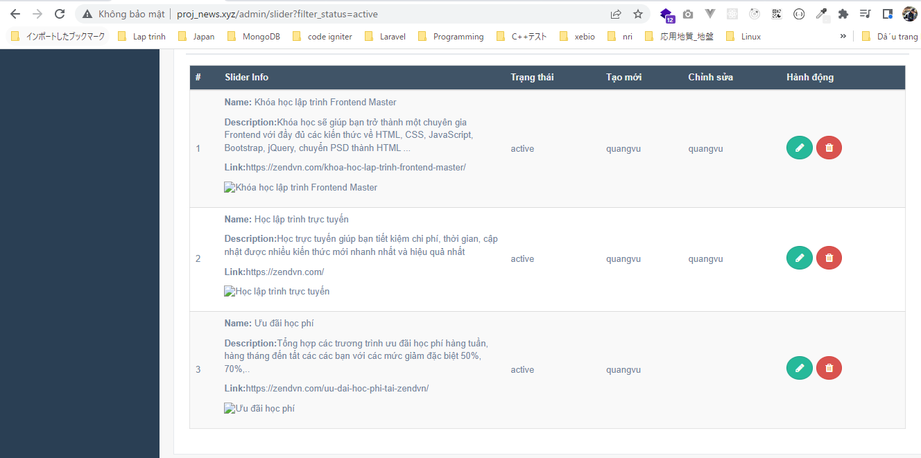
views\admin\pages\slider\list.blade.php
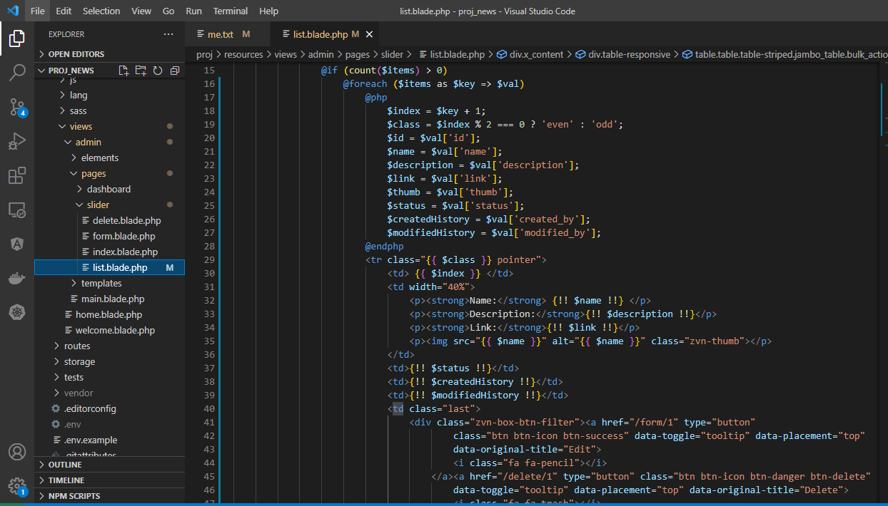

Access browser to check

showItemHistory
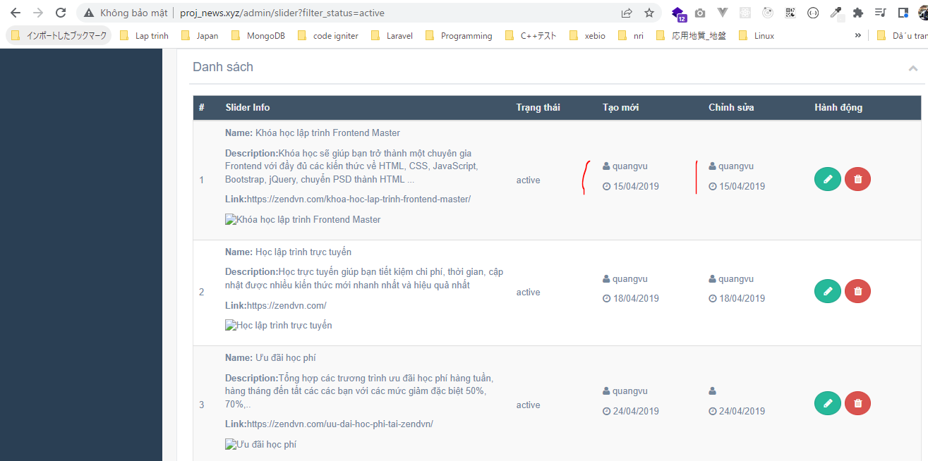
config\zvn.php
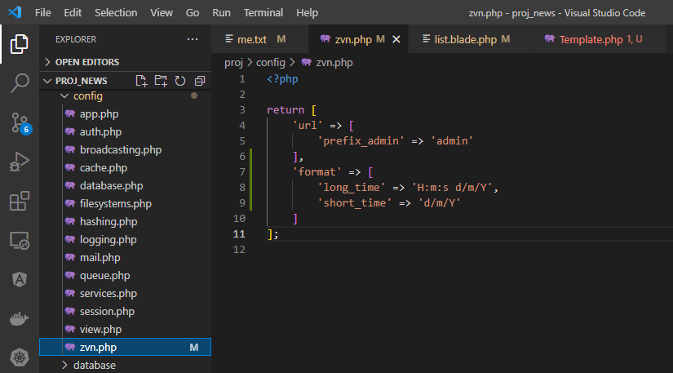

app\Helpers\Template.php

views\admin\pages\slider\list.blade.php
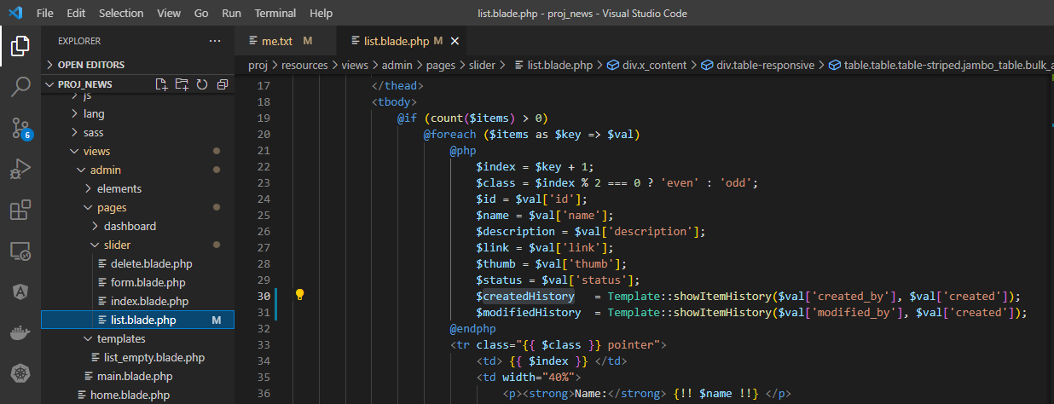

Access browser to check

showItemStatus
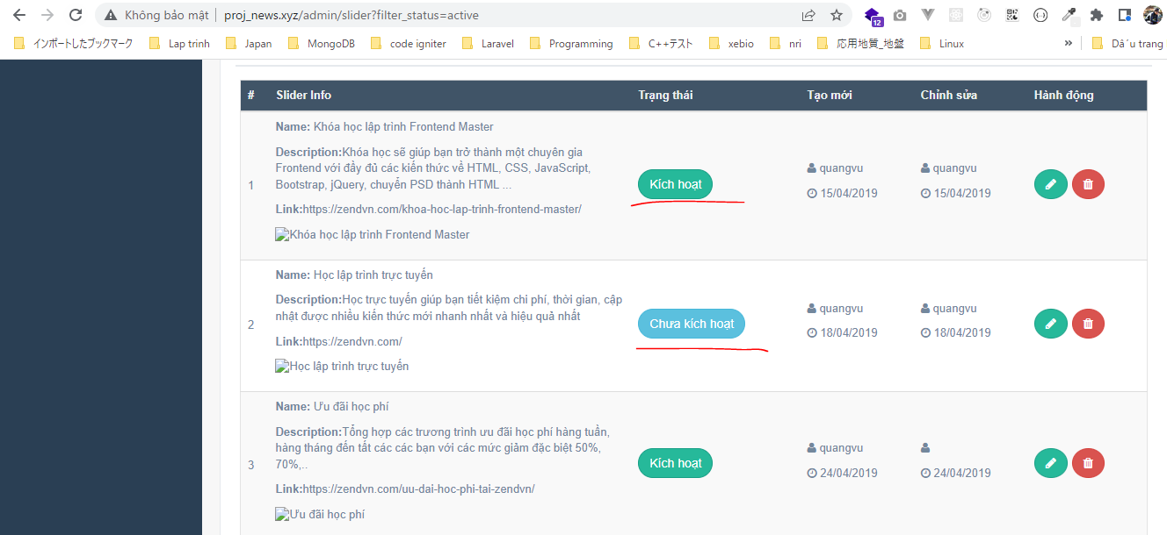
config\zvn.php
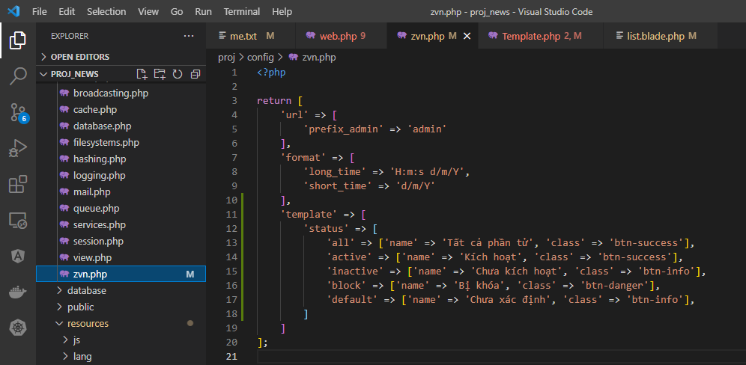

app\Helpers\Template.php
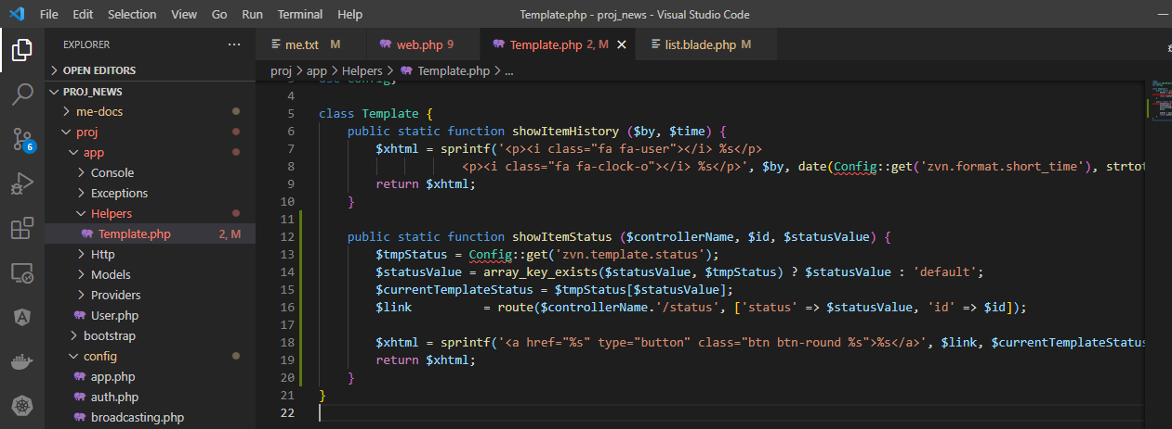

views\admin\pages\slider\list.blade.php
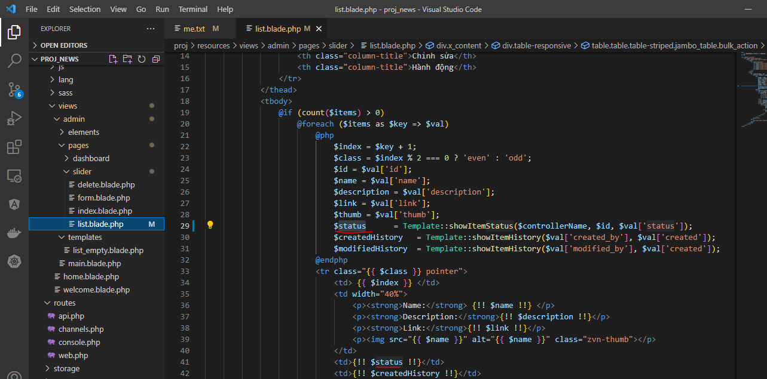

Access browser to check

showItemThumb
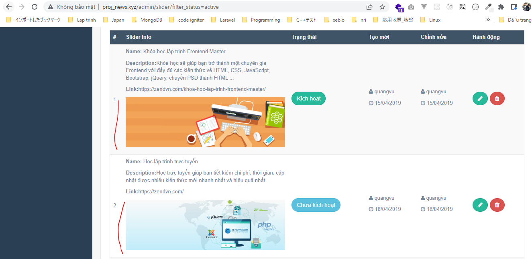
app\Helpers\Template.php

resources\views\admin\pages\slider\list.blade.php
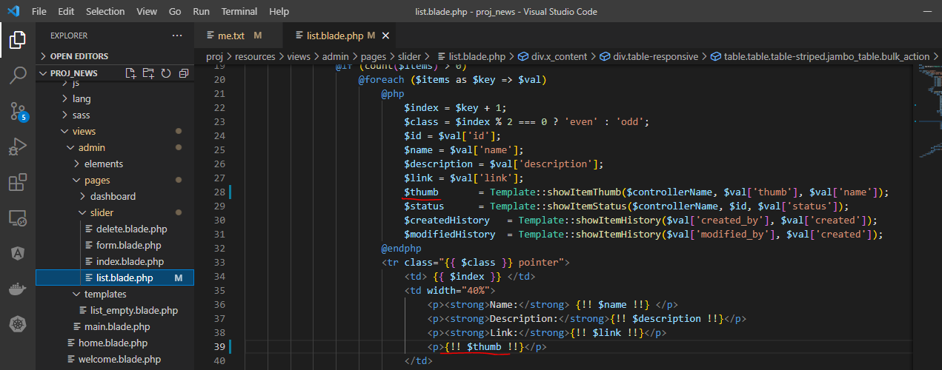

Access browser to check

showButtonAction
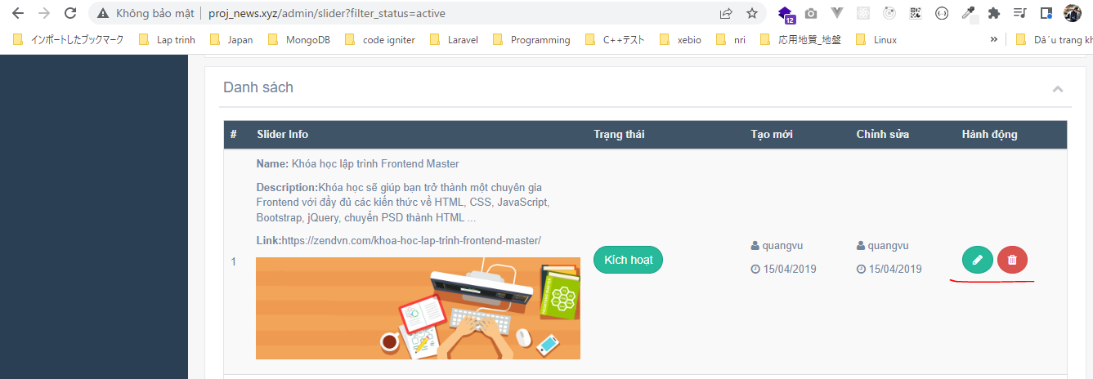
config\zvn.php
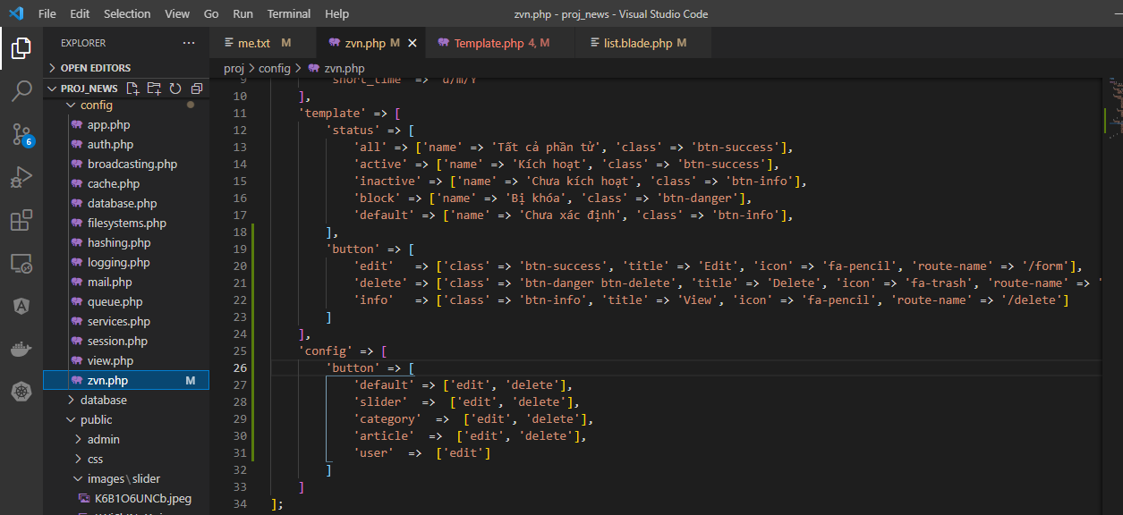

app\Helpers\Template.php
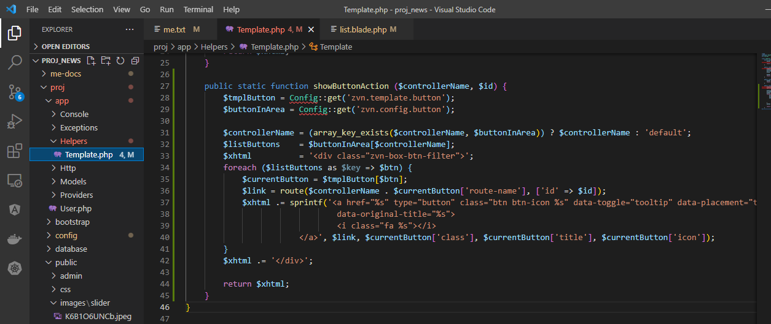

views\admin\pages\slider\list.blade.php
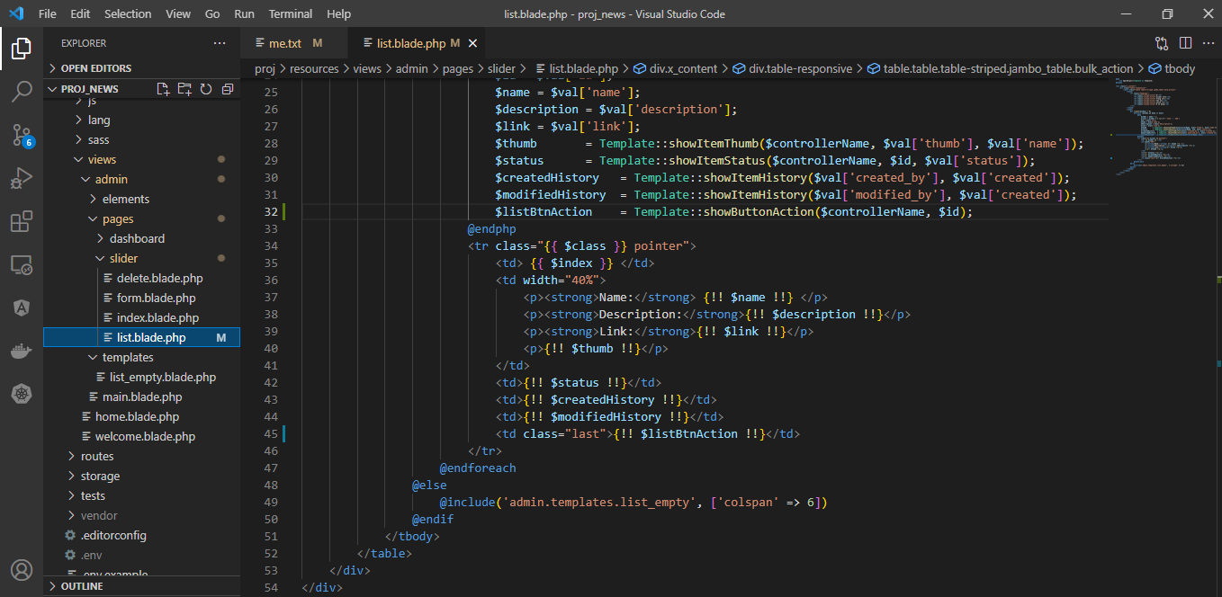

Access url to check

x_title
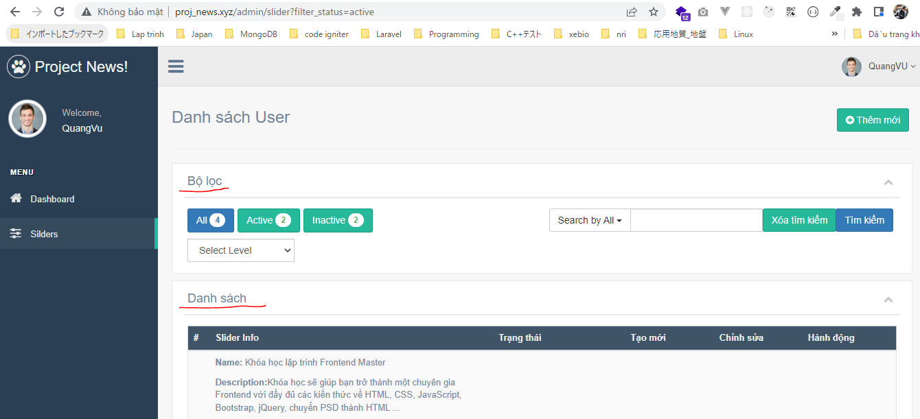
views\admin\templates\x_title.blade.php

views\admin\pages\slider\index.blade.php
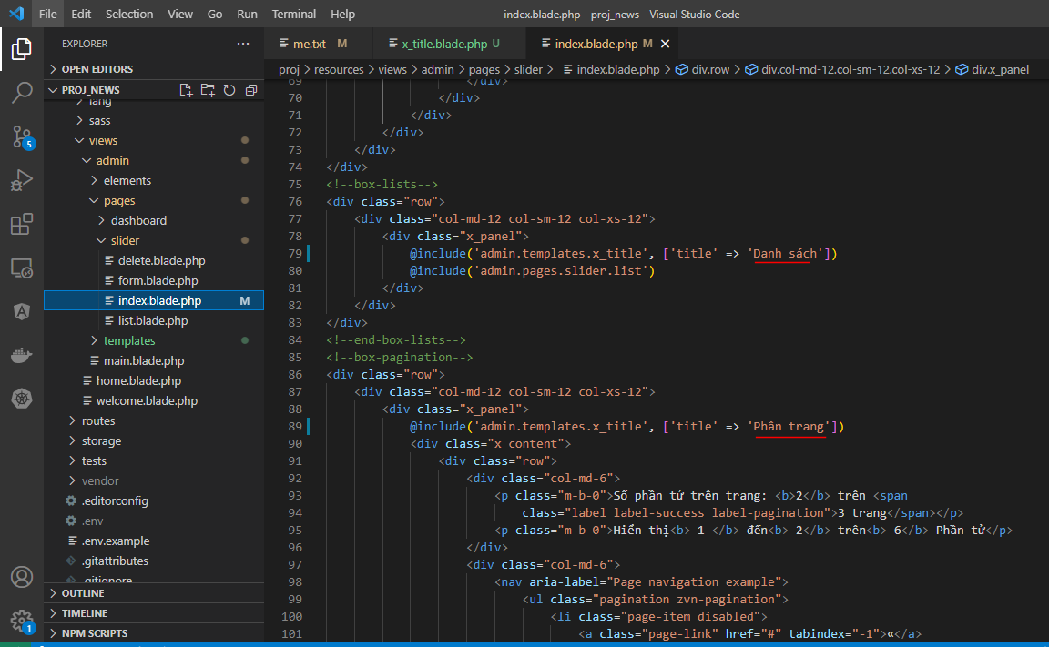

Access url to check

