diagram
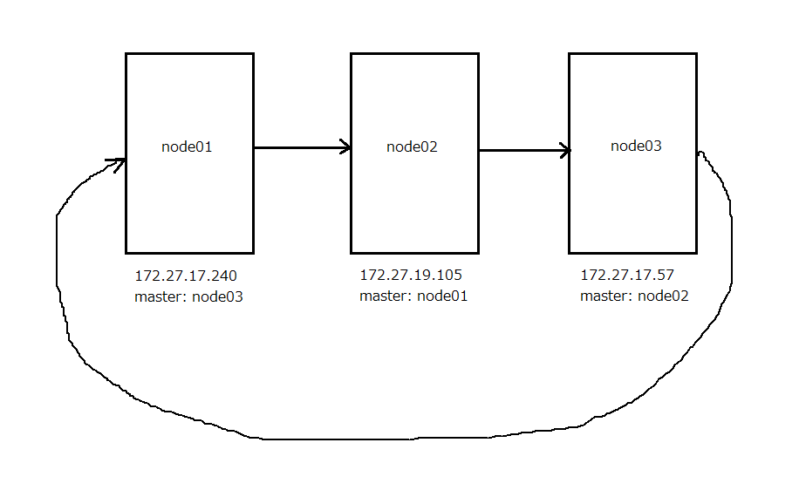

EC2(node01)
1. Tạo EC2 Instance
 | Tại EC2 - Instance - Lauch Instance ta tạo các instance cần thiết như bảng

 | ※mục nào không được đề cập thì chọn default
 | Mục | news(màn hình) | node01(database) | node02(database) | node03(database)
 | Type
 | Volume type | SSD（gp3）
 | Network | news-vpc
 | Subnet | news-1c-public | news-1c-private | news-1d-private | news-1c-private
 | IAM role
 | Storage
 | Tag Name（Name） | news | node01 | node02 | node03
 | Security group | news | db | db | db
 | Key pair | news-key

 | 3. db(Security group)
 | ■Inbound rules
 | Type | protocol | Port range | Source
 | MYSQL/Aurora | TCP | 3306 | news
 | SSH | TCP | 22 | news
 | Custom TCP | TCP | 4949 | news
 | Custom TCP | TCP | 5666 | news
 | Custom ICMP - IPv4 | Echo Request | N/A | news
 | MYSQL/Aurora | TCP | 3306 | db

 | ■Outbound rules

 | Type | protocol | Port range | Destination
 | All traffic | All | All | 0.0.0.0/0

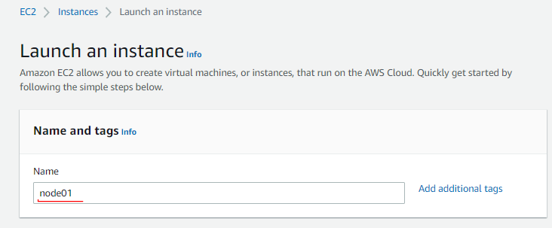

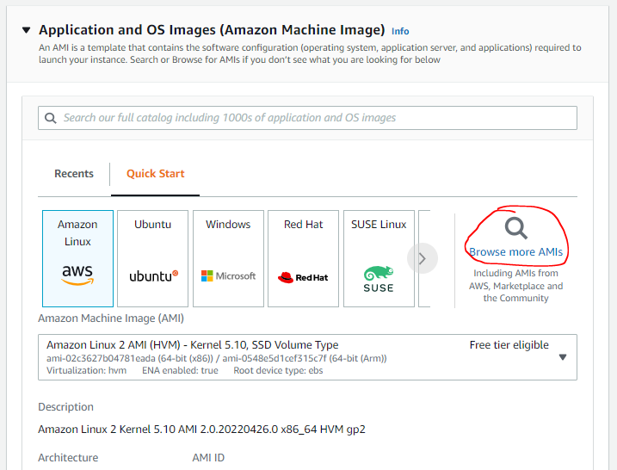

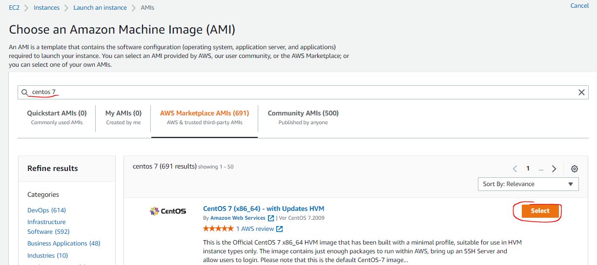

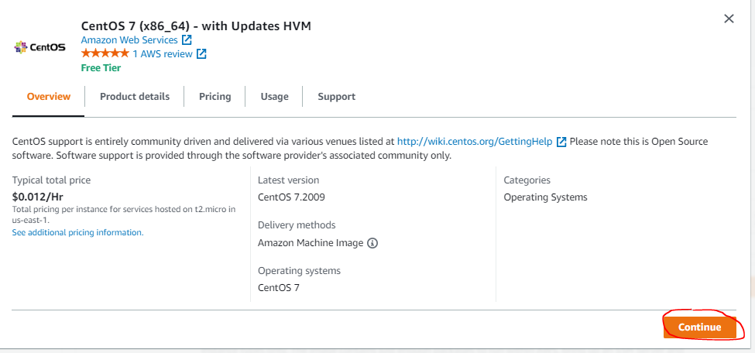

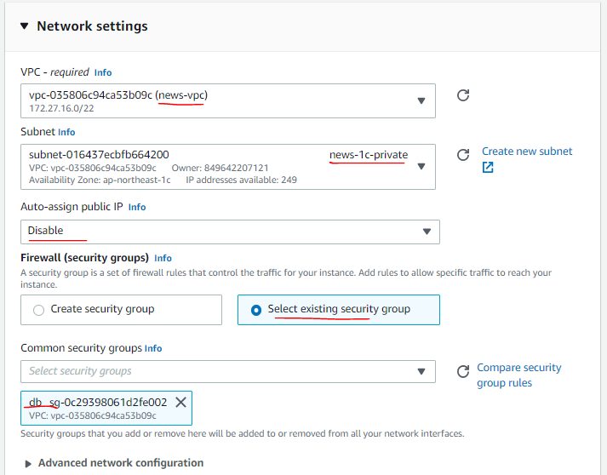

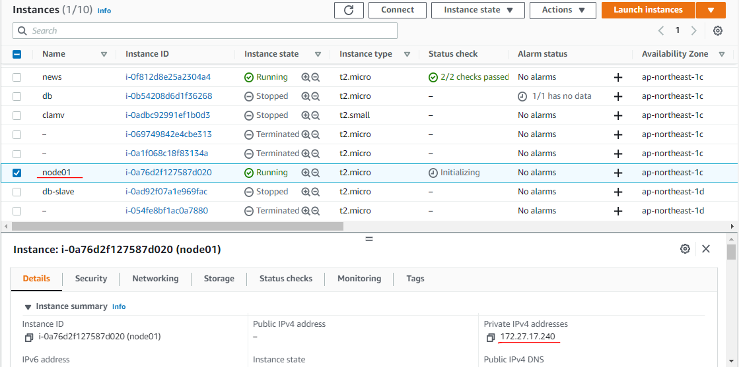

 | Check ssh from news to master_1 by master_1's private ip
 | ssh centos@172.27.17.240

3. Run command
 | sudo su -
 | 3.1 Package update
 | sudo yum update -y

 | 3.2 Timezone setting
 | timedatectl status
 | sudo timedatectl set-timezone Asia/Tokyo

 | timedatectl status
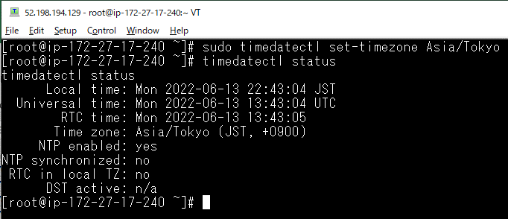

 | sudo timedatectl set-timezone Asia/Tokyo
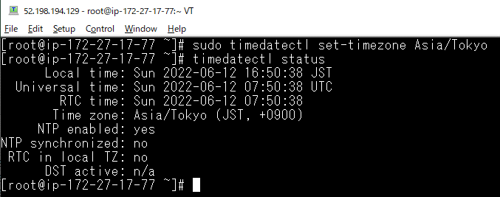

 | 3.3 Local setting
 | localectl status
 | sudo localectl set-locale LANG=ja_JP.UTF-8
 | sudo localectl set-keymap jp106

 | localectl status
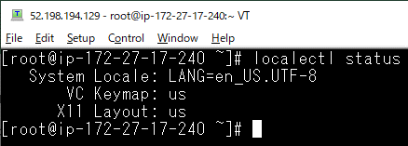

 | sudo localectl set-locale LANG=ja_JP.UTF-8
 | sudo localectl set-keymap jp106
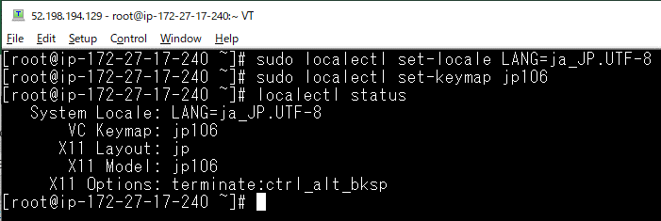

 | 3.4 Hostname setting
 | # Trường hợp là news thì thực hiện như bên dưới, các server khác tùy chỉnh cho chính xác
 | sudo hostnamectl set-hostname node01
 | sudo vi /etc/hosts
 | ##Chỉnh sửa như bên dưới
 | 127.0.0.1 localhost localhost.localdomain localhost4 localhost4.localdomain4
 | ::1 localhost localhost.localdomain localhost6 localhost6.localdomain6
 | ↓
 | 127.0.0.1 localhost localhost.localdomain localhost4 localhost4.localdomain4 news
 | ::1 localhost localhost.localdomain localhost6 localhost6.localdomain6
 | #172.27.16.42 news
 | 172.27.17.240 node01
 | 172.27.19.105 node02
 | 172.27.17.57 node03

node01
 | sudo hostnamectl set-hostname node01

 | sudo vi /etc/hosts

news
 | sudo vi /etc/hosts

 | ssh from news to node01
 | ssh node01

 | 3.5 Cấp quyền cho centos
 | chown centos:centos /usr/local/src

EC2(node02)
1. Tạo EC2 Instance
 | Tại EC2 - Instance - Lauch Instance ta tạo các instance cần thiết như bảng

 | ※mục nào không được đề cập thì chọn default
 | Mục | news(màn hình) | node01(database) | node02(database) | node03(database)
 | Type
 | Volume type | SSD（gp3）
 | Network | news-vpc
 | Subnet | news-1c-public | news-1c-private | news-1d-private | news-1c-private
 | IAM role
 | Storage
 | Tag Name（Name） | news | node01 | node02 | node03
 | Security group | news | db | db | db
 | Key pair | news-key

 | 3. db(Security group)
 | ■Inbound rules
 | Type | protocol | Port range | Source
 | MYSQL/Aurora | TCP | 3306 | news
 | SSH | TCP | 22 | news
 | Custom TCP | TCP | 4949 | news
 | Custom TCP | TCP | 5666 | news
 | Custom ICMP - IPv4 | Echo Request | N/A | news
 | MYSQL/Aurora | TCP | 3306 | db

 | ■Outbound rules

 | Type | protocol | Port range | Destination
 | All traffic | All | All | 0.0.0.0/0

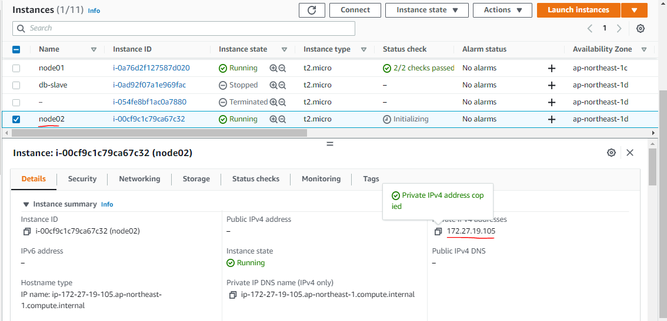

 | # Trường hợp là news thì thực hiện như bên dưới, các server khác tùy chỉnh cho chính xác
 | sudo hostnamectl set-hostname node01
 | sudo vi /etc/hosts
 | ##Chỉnh sửa như bên dưới
 | 127.0.0.1 localhost localhost.localdomain localhost4 localhost4.localdomain4
 | ::1 localhost localhost.localdomain localhost6 localhost6.localdomain6
 | ↓
 | 127.0.0.1 localhost localhost.localdomain localhost4 localhost4.localdomain4 news
 | ::1 localhost localhost.localdomain localhost6 localhost6.localdomain6
 | #172.27.16.42 news
 | 172.27.17.240 node01
 | 172.27.19.105 node02
 | 172.27.17.57 node03

EC2(node3)
1. Tạo EC2 Instance
 | Tại EC2 - Instance - Lauch Instance ta tạo các instance cần thiết như bảng

 | ※mục nào không được đề cập thì chọn default
 | Mục | news(màn hình) | node01(database) | node02(database) | node03(database)
 | Type
 | Volume type | SSD（gp3）
 | Network | news-vpc
 | Subnet | news-1c-public | news-1c-private | news-1d-private | news-1c-private
 | IAM role
 | Storage
 | Tag Name（Name） | news | node01 | node02 | node03
 | Security group | news | db | db | db
 | Key pair | news-key

 | 3. db(Security group)
 | ■Inbound rules
 | Type | protocol | Port range | Source
 | MYSQL/Aurora | TCP | 3306 | news
 | SSH | TCP | 22 | news
 | Custom TCP | TCP | 4949 | news
 | Custom TCP | TCP | 5666 | news
 | Custom ICMP - IPv4 | Echo Request | N/A | news
 | MYSQL/Aurora | TCP | 3306 | db

 | ■Outbound rules

 | Type | protocol | Port range | Destination
 | All traffic | All | All | 0.0.0.0/0

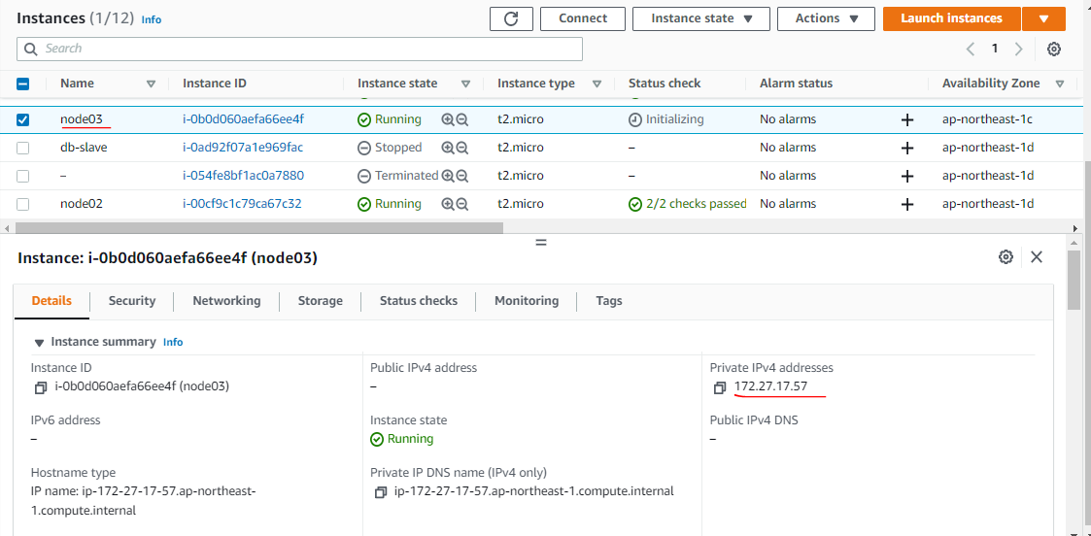

 | # Trường hợp là news thì thực hiện như bên dưới, các server khác tùy chỉnh cho chính xác
 | sudo hostnamectl set-hostname node01
 | sudo vi /etc/hosts
 | ##Chỉnh sửa như bên dưới
 | 127.0.0.1 localhost localhost.localdomain localhost4 localhost4.localdomain4
 | ::1 localhost localhost.localdomain localhost6 localhost6.localdomain6
 | ↓
 | 127.0.0.1 localhost localhost.localdomain localhost4 localhost4.localdomain4 news
 | ::1 localhost localhost.localdomain localhost6 localhost6.localdomain6
 | #172.27.16.42 news
 | 172.27.17.240 node01
 | 172.27.19.105 node02
 | 172.27.17.57 node03

MySQL (node01,02,03)
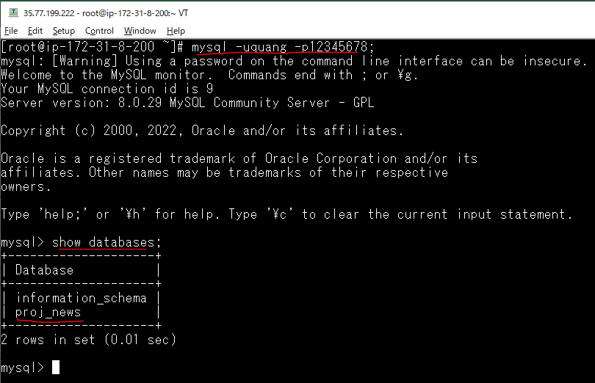
 | node01 | node02 | node03
 | 8.0.29 | 8.0.29 | 8.0.29

https://stackoverflow.com/questions/70993613/unable-to-install-mysql-on-centos7
Step 1: Remove previous installed packages and clear cache
 | yum list installed | grep mysql

 | yum remove mysql80-community-release.noarch

 | yum clean all --verbose
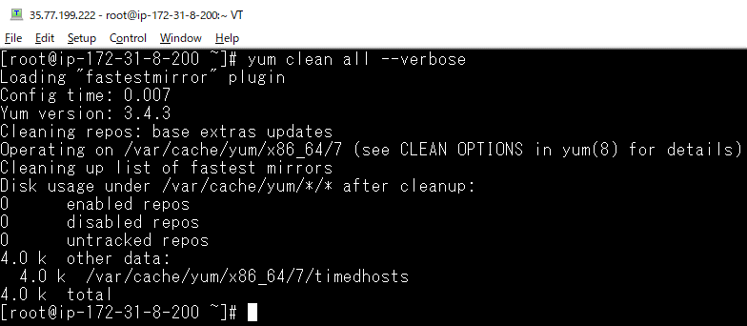

 | rm -R /var/cache/yum/x86_64/7/mysql*

 | yum update -y

Step 2: Setup Yum Repository
 | rpm -Uvh https://repo.mysql.com/mysql80-community-release-el7-3.noarch.rpm

Step 3: disable all repositories in mysql repo file
 | sed -i 's/enabled=1/enabled=0/' /etc/yum.repos.d/mysql-community.repo

Step 4: Install MySQL Community Server
 | yum --enablerepo=mysql80-community install mysql-community-server
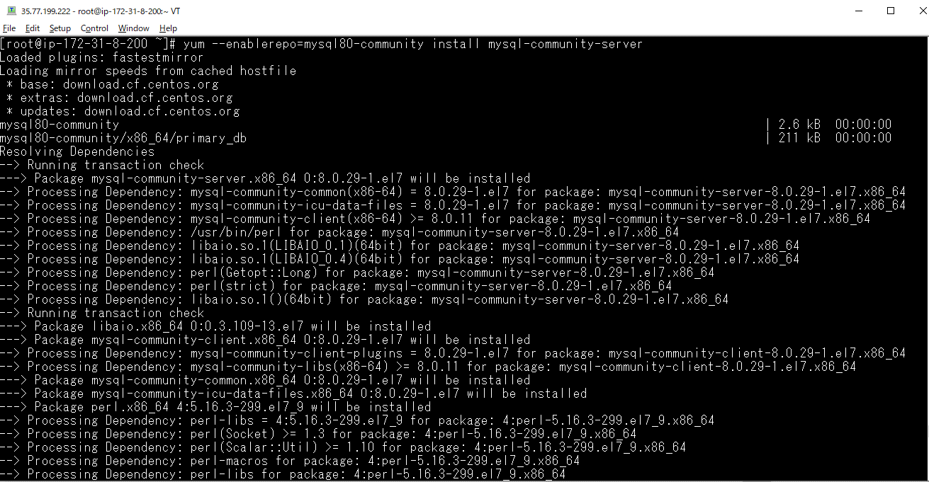

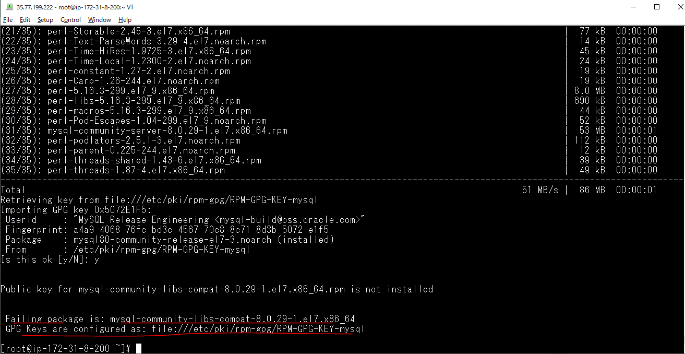

Step 5: import the new GPG key
 | rpm --import https://repo.mysql.com/RPM-GPG-KEY-mysql-2022

Step 6: Re-run STEP #3 Install MySQL Community Server
 | yum --enablerepo=mysql80-community install mysql-community-server
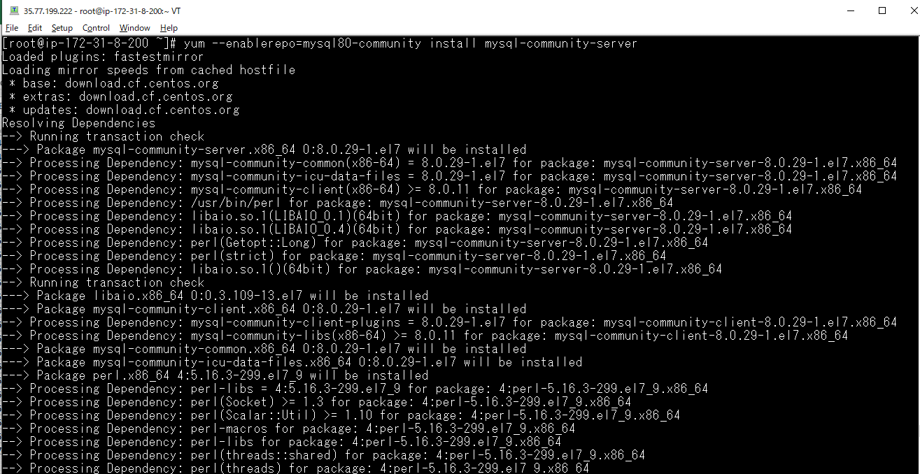

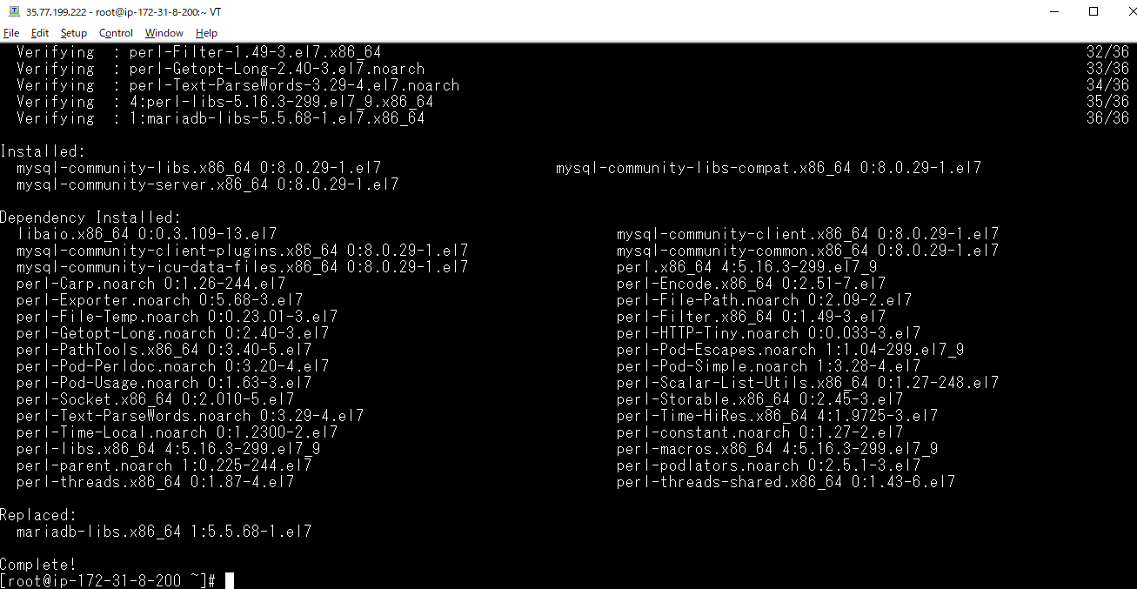

Step 7: test
 | mysql -V

Step 8: Double check that no errors when running yum update
 | sudo yum update
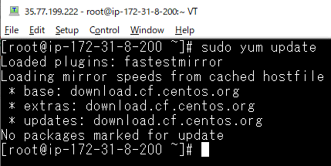

 | Confirm by starting it manually, checking status
 | systemctl start mysqld

 | systemctl status mysqld
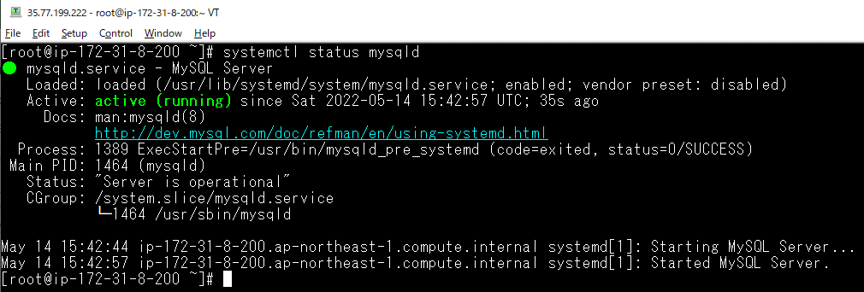

 | systemctl enable mysqld

Get temporary password
 | sudo grep 'temporary password' /var/log/mysqld.log
 | temporary pwd: c(t?&<rNn6:h

Mysql Server Initial Configuration
 | mysql_secure_installation
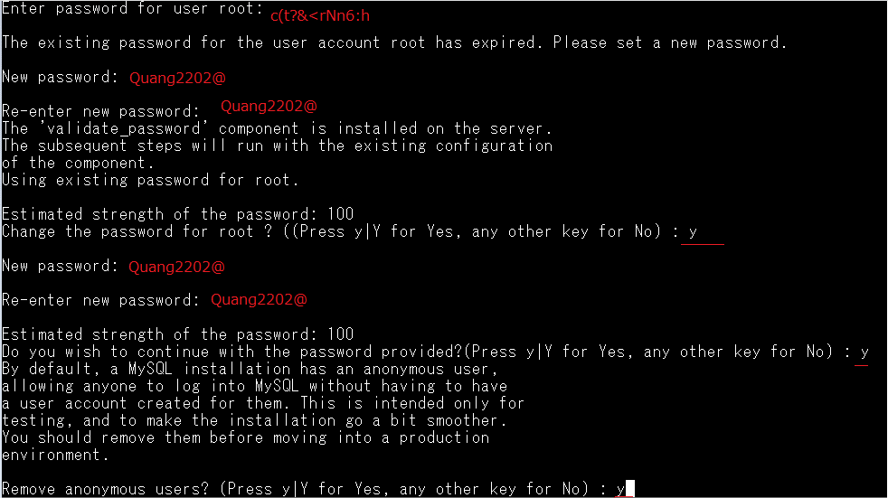

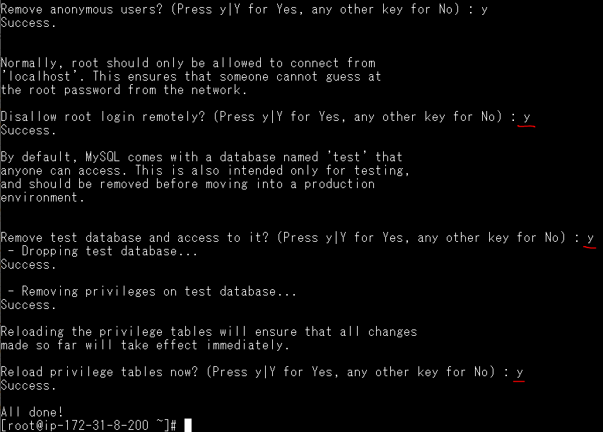

Config Mysql(ko lm với mysql 5.7)
 | vi /etc/my.cnf
 | validate_password.policy=LOW
 | validate_password.length=7
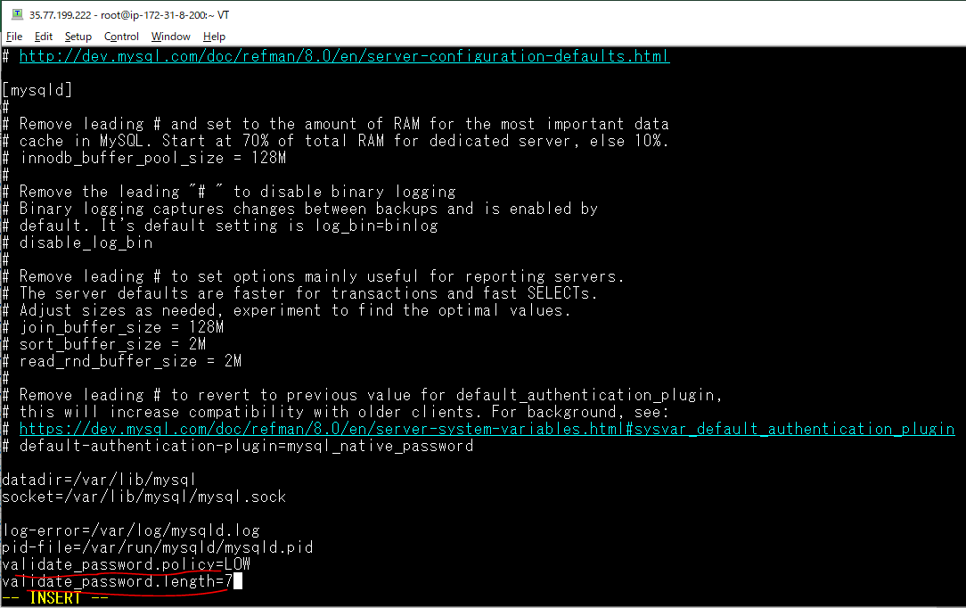

Restart mysql
 | systemctl restart mysqld

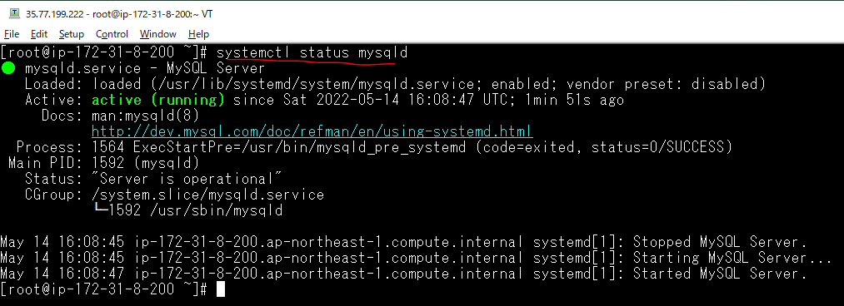

Login mysql
 | mysql -uroot -p
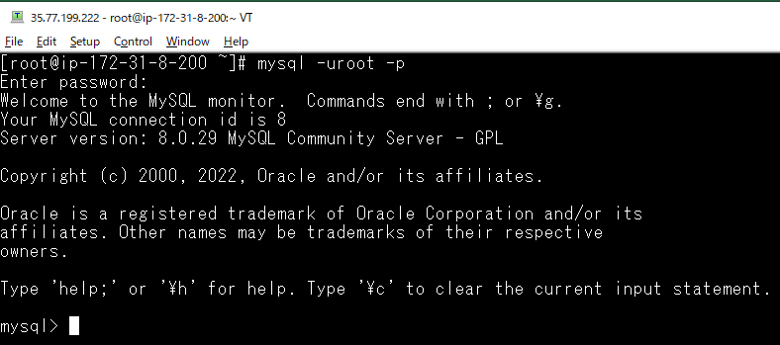

Create Database
 | show databases;
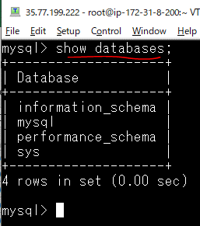

 | create database proj_news;
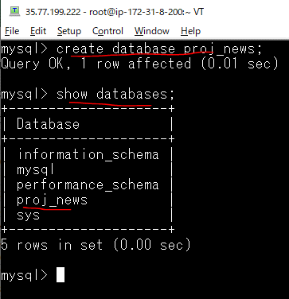

Create Local User
 | CREATE USER 'quang'@'localhost' IDENTIFIED BY '12345678';
 | CREATE USER 'quang'@'localhost' IDENTIFIED WITH mysql_native_password BY '12345678';
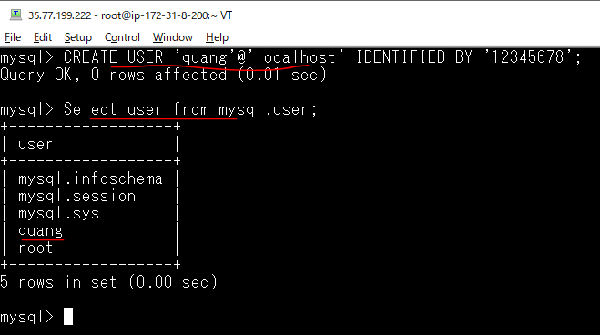

Gán quyền truy xuất vào Database Mysql web cho user quang
 | GRANT ALL ON proj_news.* TO 'quang'@'localhost' WITH GRANT OPTION;
 | FLUSH PRIVILEGES;

Check quyền truy xuất vào Database Mysql web by user quang
 | mysql -uquang -p12345678;

user mysql
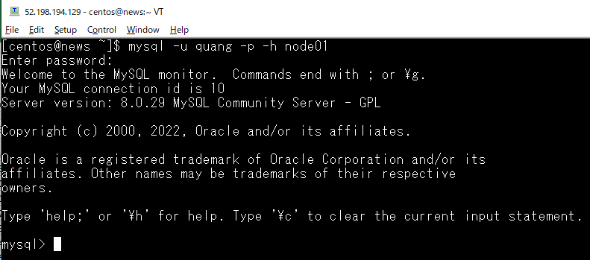
 | node01 | node02 | node03
 | quang/12345678 | quang/12345678 | quang/12345678

 | mysql -u quang -p -h xxxx
 | Can connect mysql from news server to node01, node02, node03
 | node01, node02, node03 can connect mysql together

 | ssh node01
 | mysql -u root -p
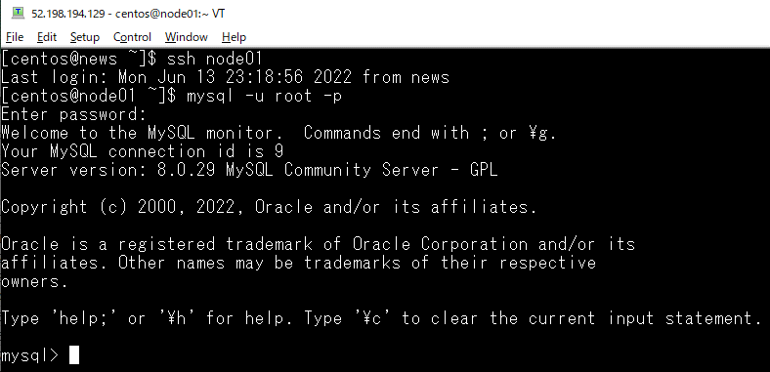

Create quang user
 | CREATE USER 'quang'@'%' IDENTIFIED WITH mysql_native_password BY '12345678';
 | GRANT ALL PRIVILEGES ON *.* TO 'quang'@'%' WITH GRANT OPTION;
 | FLUSH PRIVILEGES;

Check connect mysql from news server with quang user
 | mysql -u quang -p -h node01

Mysql Replication
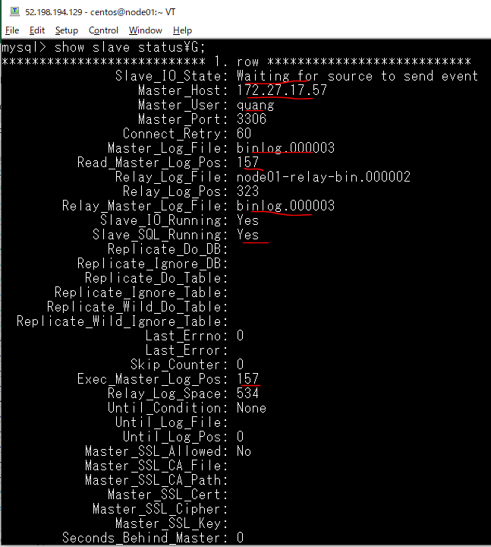
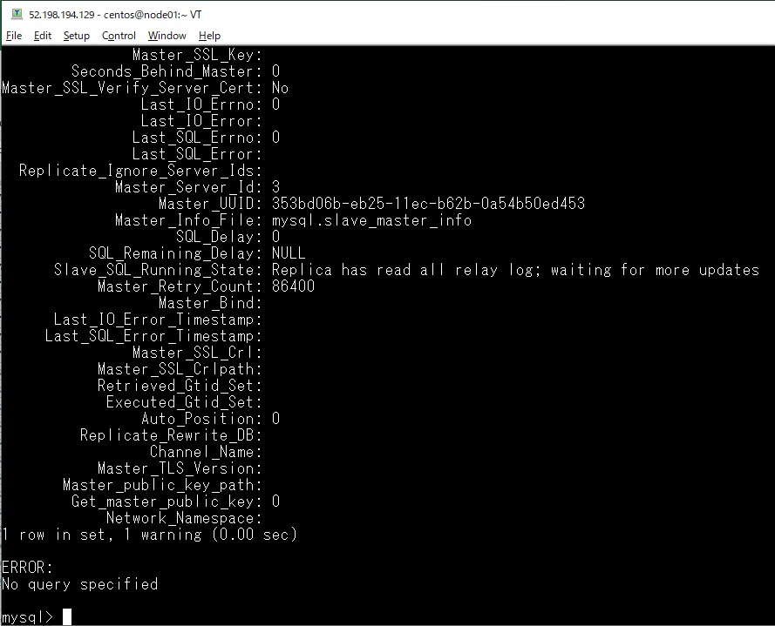
Step 1: Configure the node01 Server
 | cp /etc/my.cnf /etc/my.cnf_bkp_20200612

 | check log_bin path
 | ls -la /var/lib/mysql
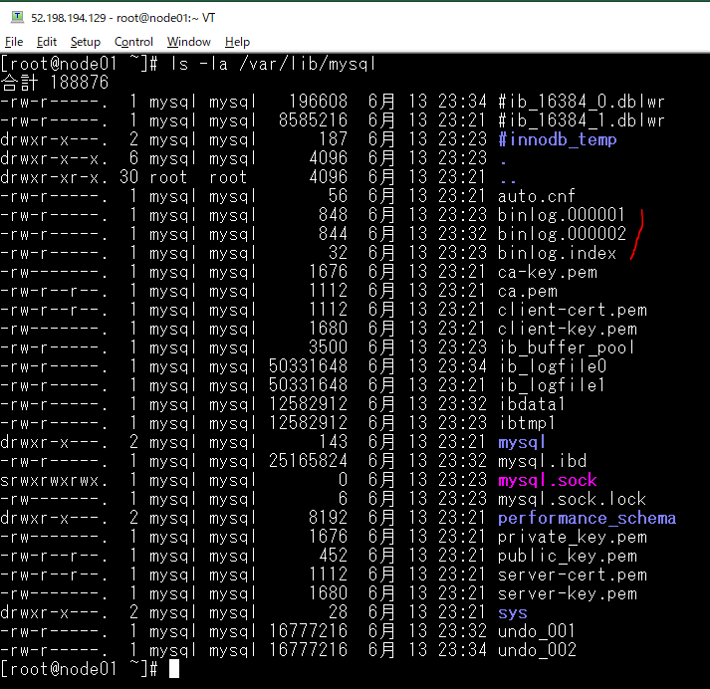

 | SELECT * FROM performance_schema.global_variables WHERE VARIABLE_NAME IN ('log_bin','log_bin_basename','log_bin_index','log_slave_updates', 'server_id');
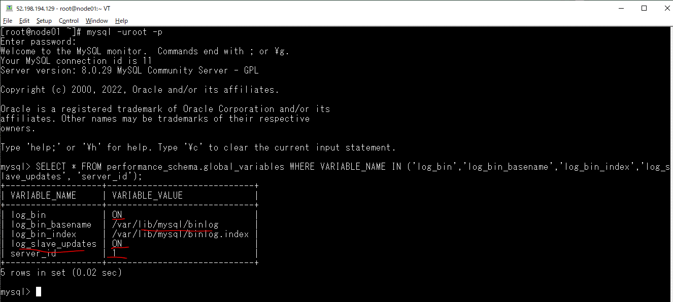

 | vi /etc/my.cnf
 | server-id = 1
 | log_bin = /var/lib/mysql/binlog
 | bind-address = 172.27.17.240
 | log-slave-updates
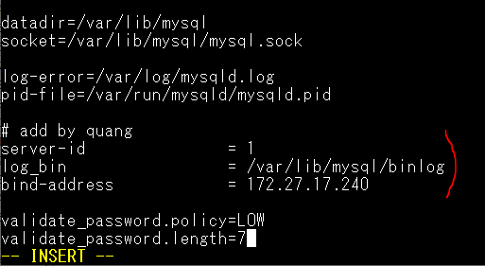

 | systemctl restart mysqld
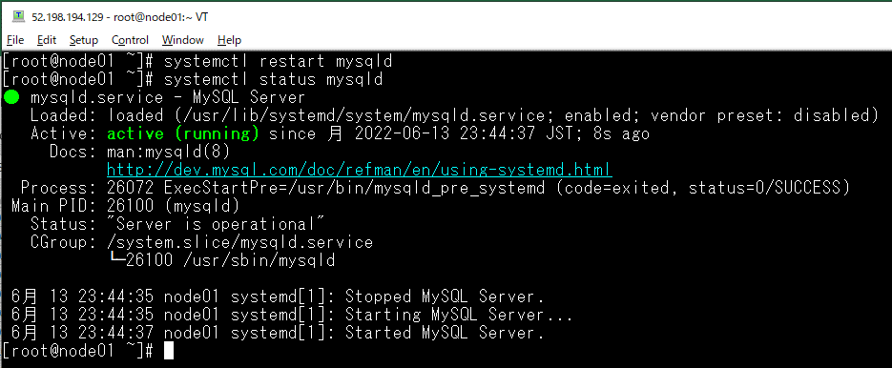

 | SHOW MASTER STATUS\G
 | *************************** 1. row ***************************
 | File: binlog.000003
 | Position: 157
 | Binlog_Do_DB:
 | Binlog_Ignore_DB:
 | Executed_Gtid_Set:
 | 1 row in set (0.00 sec)
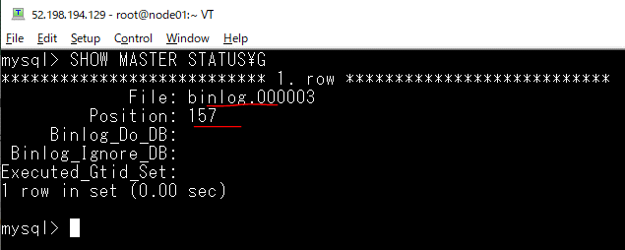

Step 2: Configure the node02 Server
 | cp /etc/my.cnf /etc/my.cnf_bkp_20200612

 | vi /etc/my.cnf
 | server-id = 2
 | log_bin = /var/lib/mysql/binlog
 | bind-address = 172.27.19.105
 | log-slave-updates

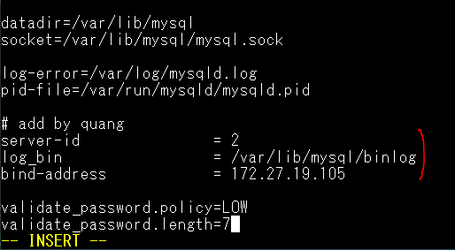

 | systemctl restart mysqld
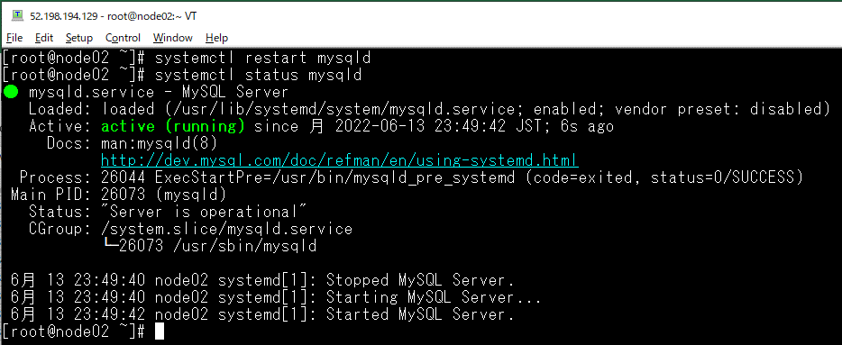

 | SHOW MASTER STATUS\G
 | *************************** 1. row ***************************
 | File: binlog.000003
 | Position: 157
 | Binlog_Do_DB:
 | Binlog_Ignore_DB:
 | Executed_Gtid_Set:
 | 1 row in set (0.00 sec)
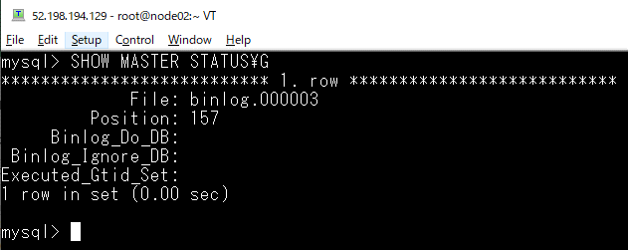

Step 3: Configure the node03 Server
 | cp /etc/my.cnf /etc/my.cnf_bkp_20200612

 | vi /etc/my.cnf
 | server-id = 3
 | log_bin = /var/lib/mysql/binlog
 | bind-address = 172.27.17.182
 | log-slave-updates

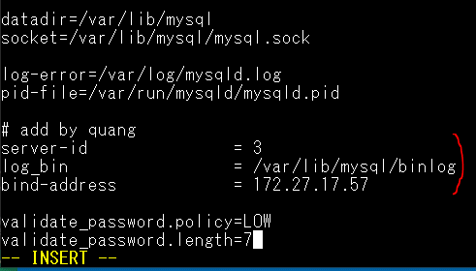

 | systemctl restart mysqld
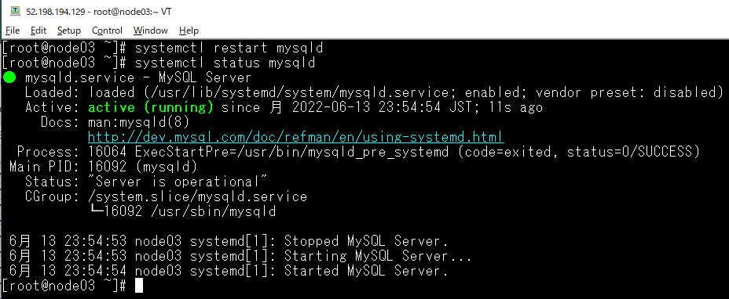

 | SHOW MASTER STATUS\G
 | *************************** 1. row ***************************
 | File: binlog.000003
 | Position: 157
 | Binlog_Do_DB:
 | Binlog_Ignore_DB:
 | Executed_Gtid_Set:
 | 1 row in set (0.00 sec)
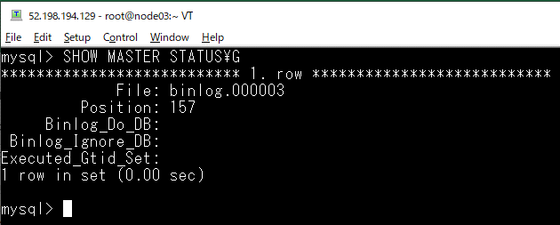

Step 4: node01 is master of node02

 | mysql -uroot -p
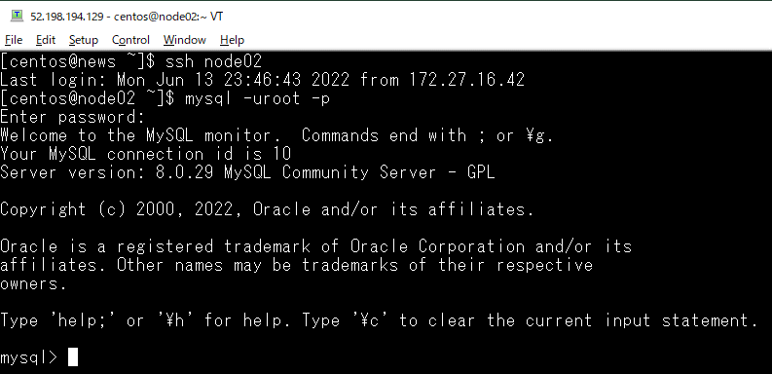

 | STOP SLAVE;

 | connect to node01
 | CHANGE MASTER TO
 | MASTER_HOST='172.27.17.240',
 | MASTER_USER='quang',
 | MASTER_PASSWORD='12345678',
 | MASTER_LOG_FILE='binlog.000003',
 | MASTER_LOG_POS=157;

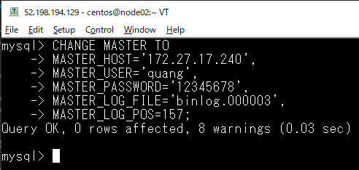

 | start slave;

 | show slave status\G;
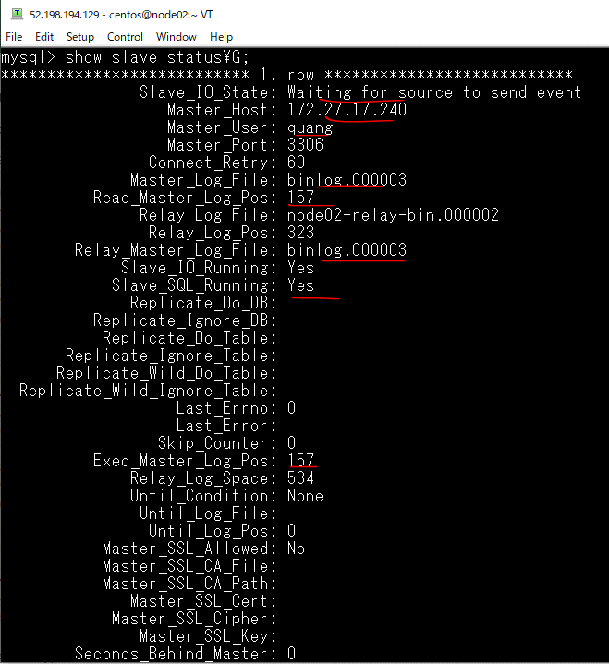

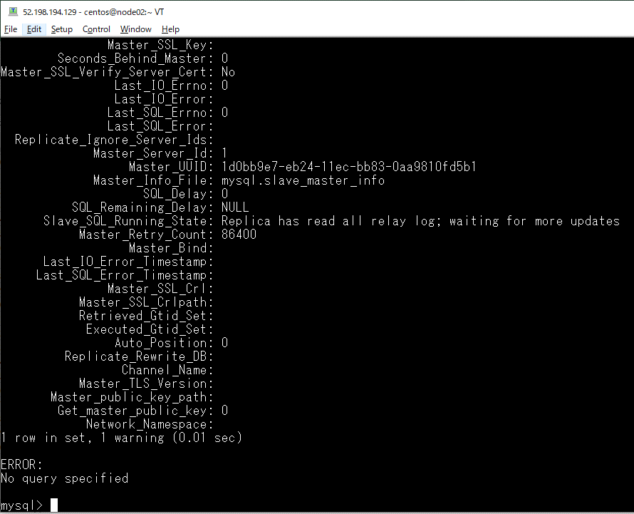

Step 5: node02 is master of node03
 | mysql -uroot -p
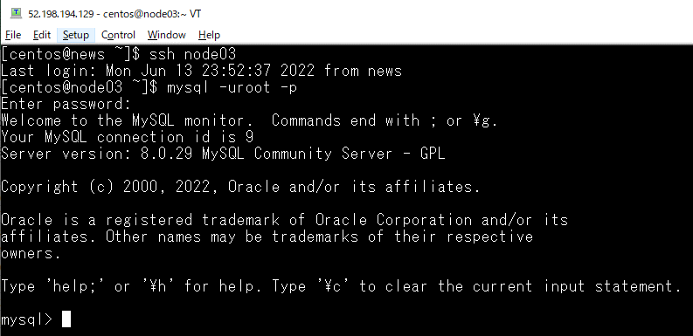

 | STOP SLAVE;

 | connect to node02
 | CHANGE MASTER TO
 | MASTER_HOST='172.27.19.105',
 | MASTER_USER='quang',
 | MASTER_PASSWORD='12345678',
 | MASTER_LOG_FILE='binlog.000003',
 | MASTER_LOG_POS=157;
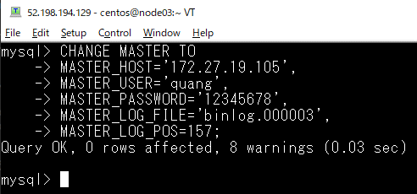

 | start slave;

 | show slave status\G;




Step 6: node03 is master of node01
 | mysql -uroot -p


 | STOP SLAVE;

 | CHANGE MASTER TO
 | MASTER_HOST='172.27.17.57',
 | MASTER_USER='quang',
 | MASTER_PASSWORD='12345678',
 | MASTER_LOG_FILE='binlog.000003',
 | MASTER_LOG_POS=157;


 | start slave;

 | show slave status\G;

database

node01 server


 | CREATE DATABASE IF NOT EXISTS `world` /*!40100 DEFAULT CHARACTER SET latin1 */;
 | USE `world`;

 | DROP TABLE IF EXISTS `city`;
 | /*!40101 SET @saved_cs_client = @@character_set_client */;
 | /*!40101 SET character_set_client = utf8 */;
 | CREATE TABLE `city` (
 | `id` int(11) NOT NULL,
 | `name` char(35) DEFAULT NULL,
 | `population` int(11) DEFAULT NULL,
 | `density` int(11) DEFAULT NULL
 | ) ENGINE=InnoDB AUTO_INCREMENT=6 DEFAULT CHARSET=latin1;



 | INSERT INTO `city` VALUES (1, "New York", 18713220, 10715),
 | (2, "Los Angeles", 12750807, 3276),
 | (3, "Chicago", 8604203, 4574);




node02 server


 | Check have wold database, city table in world and have data in city table inserted by node01 server
 | id | name | population | density
 | 1 | New York | 18713220 | 10715
 | 2 | Los Angeles | 12750807 | 3276
 | 3 | Chicago | 8604203 | 4574


node03 server


 | Check have wold database, city table in world and have data in city table inserted by node01 server
 | id | name | population | density
 | 1 | New York | 18713220 | 10715
 | 2 | Los Angeles | 12750807 | 3276
 | 3 | Chicago | 8604203 | 4574



insert data by node02
 | INSERT INTO `city` VALUES (4, "Miami", 6445545, 5019);




node01 check having data inserted by node02


node03 check having data inserted by node02


insert data by node03
 | INSERT INTO `city` VALUES (5, "Dallas", 5743938, 1526);




node01 check having data inserted by node03


node02 check having data inserted by node03

