notifyjs
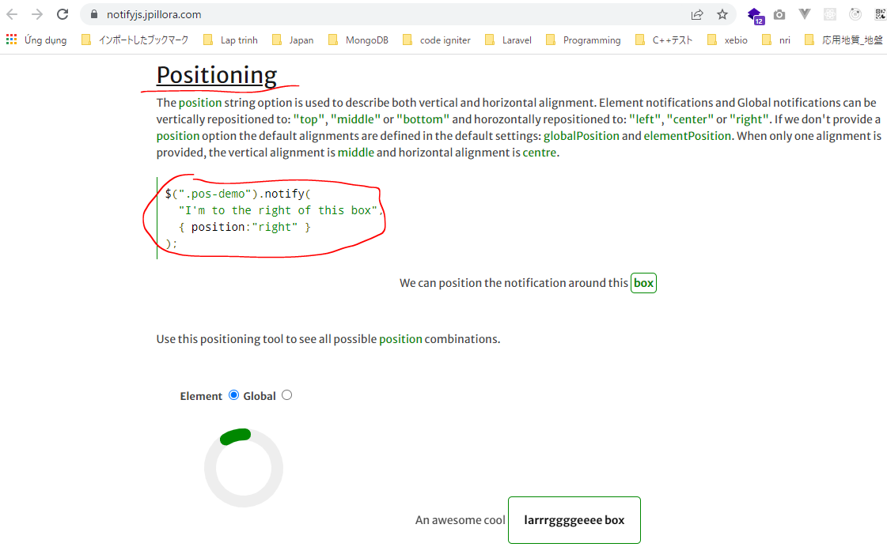
 | https://notifyjs.jpillora.com/
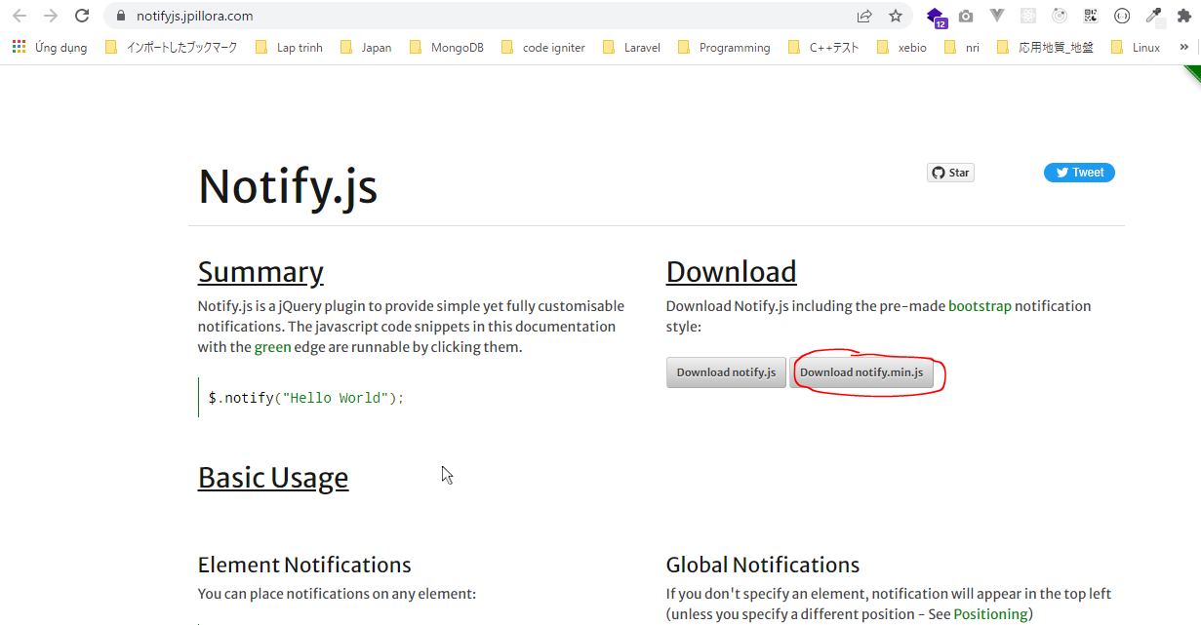

 | Copy and paste to public\admin\js
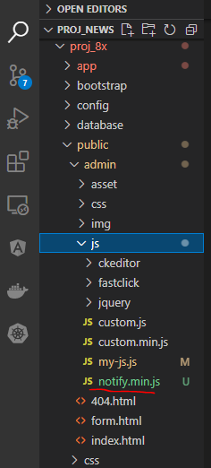

resources\views\admin\elements\script.blade.php
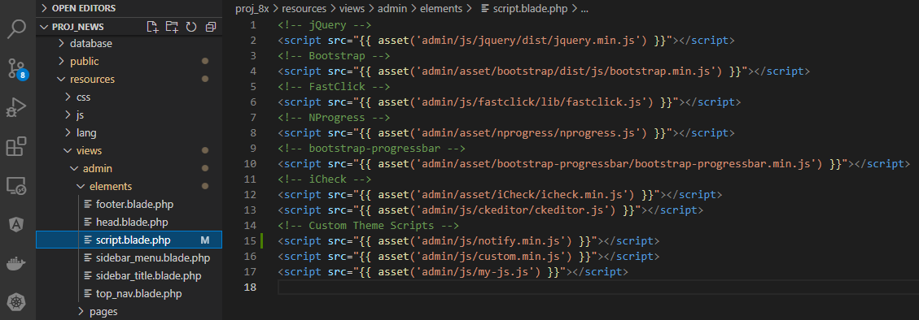

Cách dùng

Ajax Status
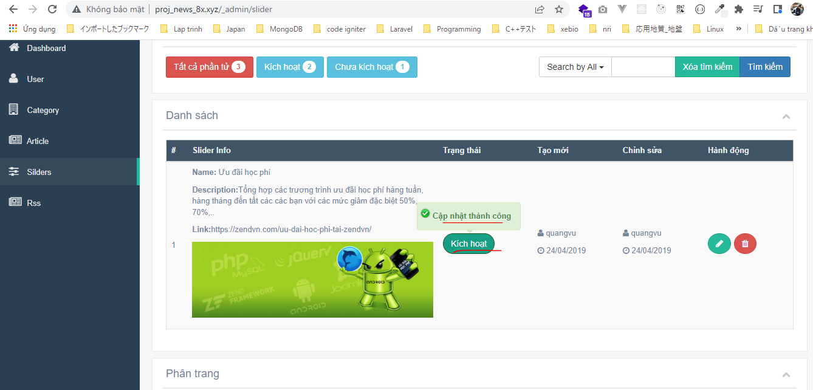
app\Helpers\Template.php

app\Http\Controllers\Admin\SliderController.php
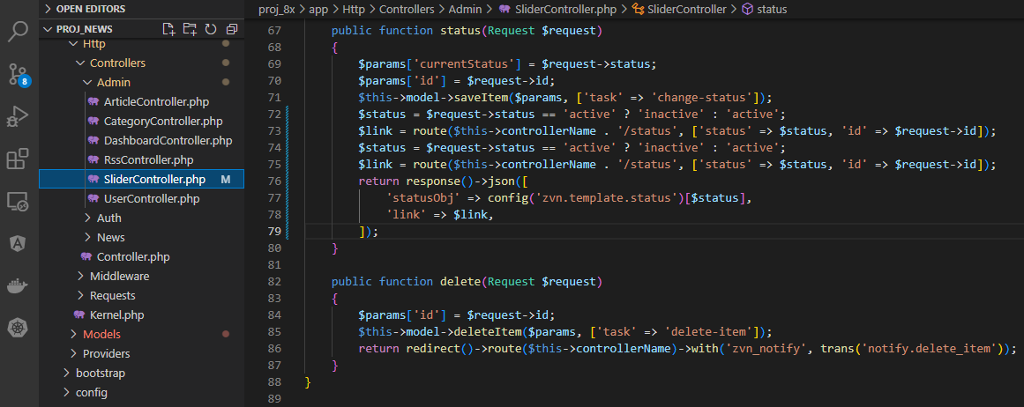

Tương tự ở các Controller khác
 | app\Http\Controllers\Admin\CategoryController.php

 | app\Http\Controllers\Admin\ArticleController.php

 | app\Http\Controllers\Admin\RssController.php

 | app\Http\Controllers\Admin\RssController.php

public\admin\js\my-js.js
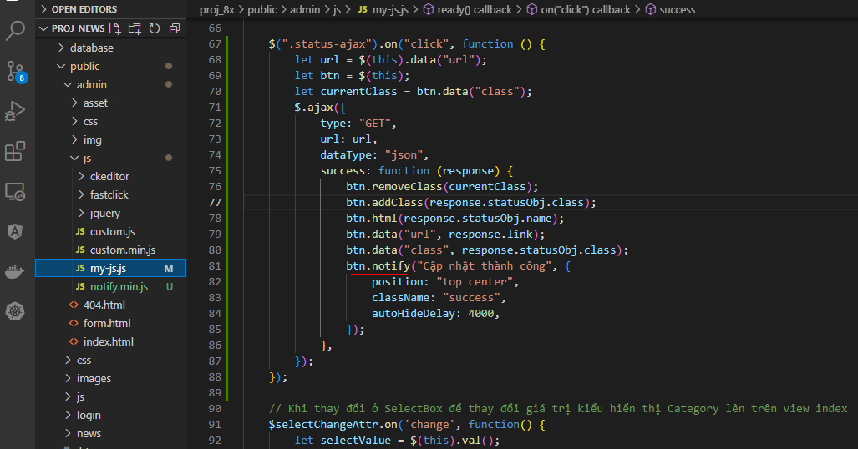

Check browser
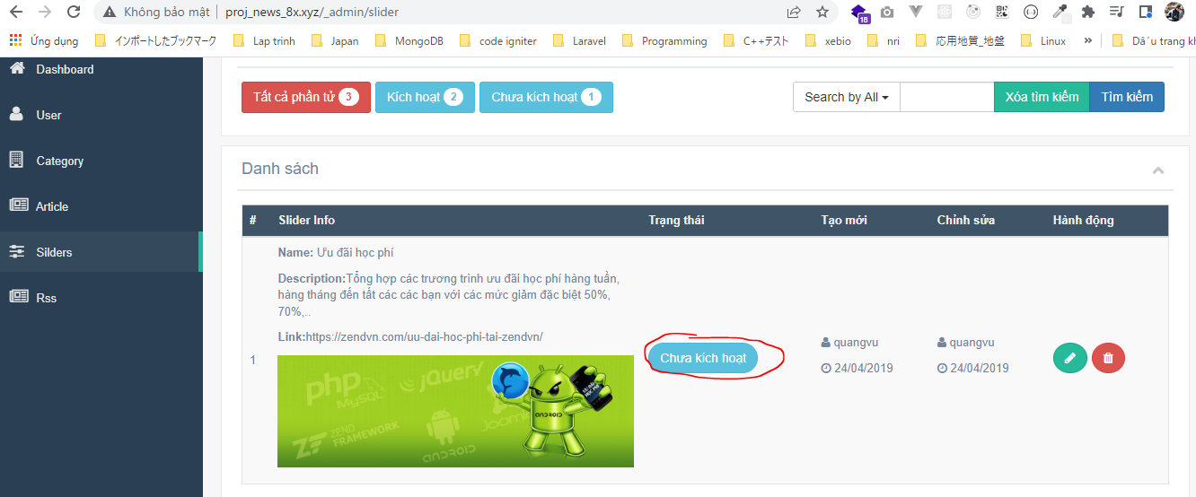

 | Result

Ajax Is Home
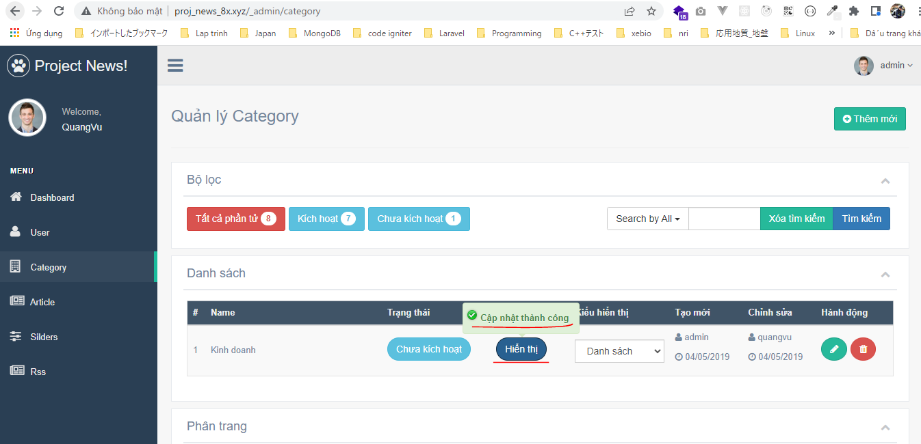
app\Helpers\Template.php

app\Http\Controllers\Admin\CategoryController.php

public\admin\js\my-js.js
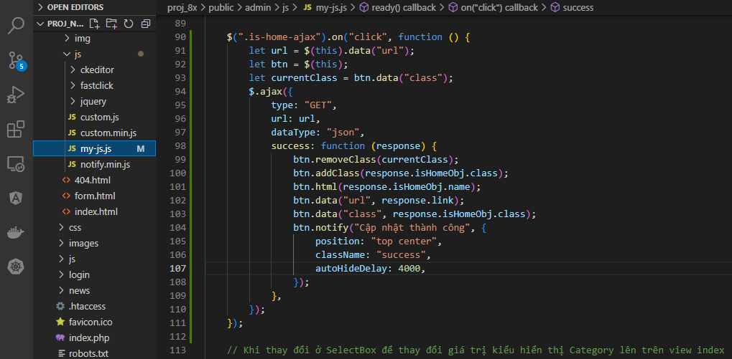

Check browser
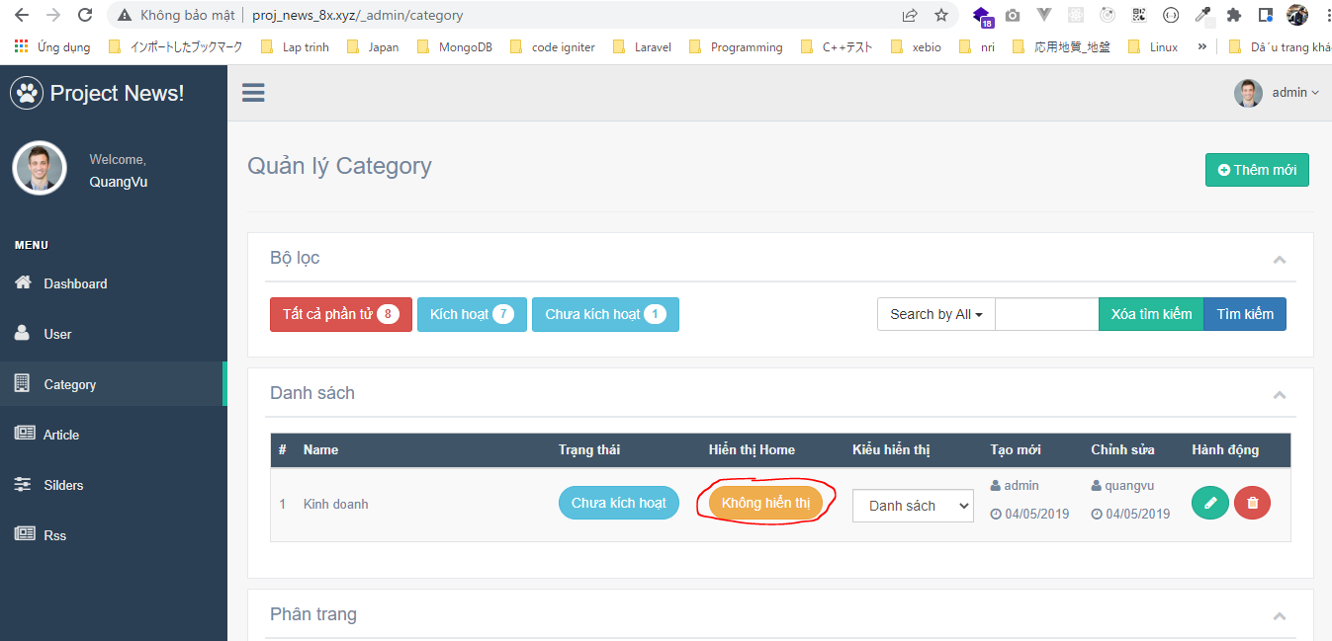

 | Result

Ajax Selectbox
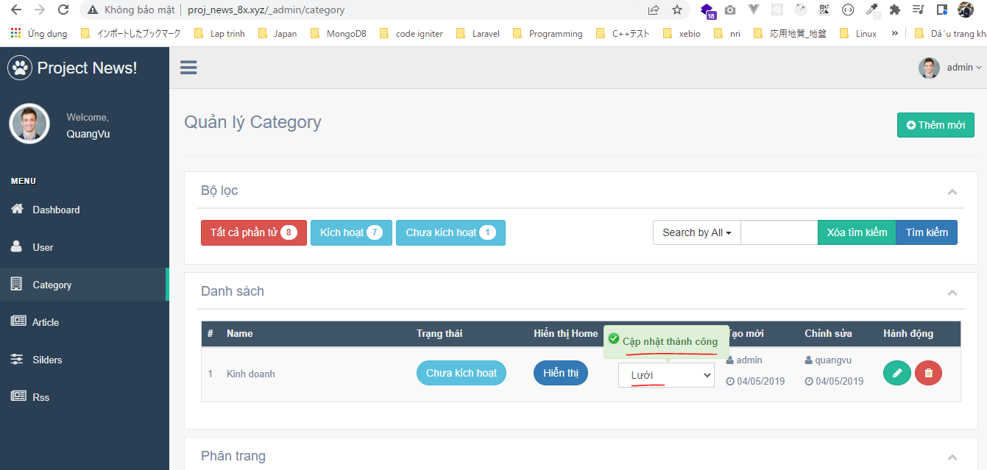
app\Http\Controllers\Admin\CategoryController.php

app\Http\Controllers\Admin\ArticleController.php

public\admin\js\my-js.js
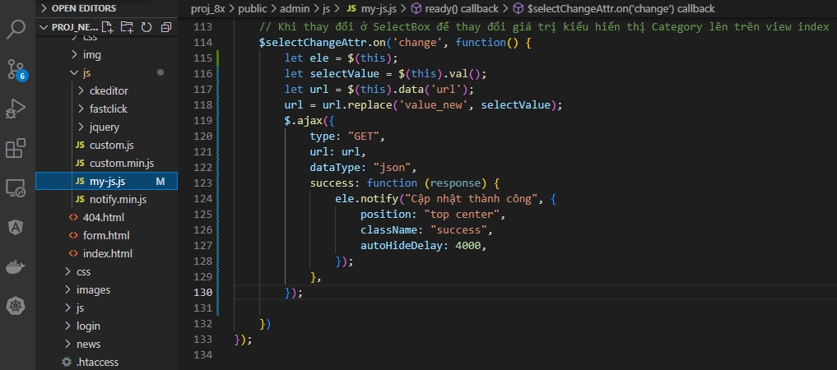

Check browser
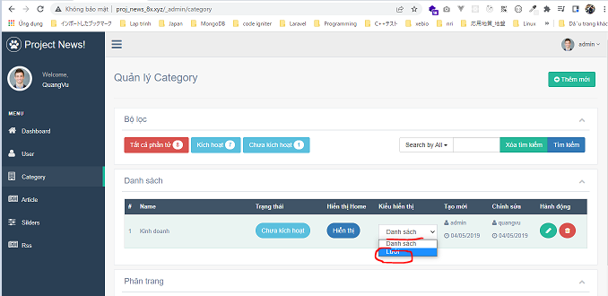

 | Result

