image
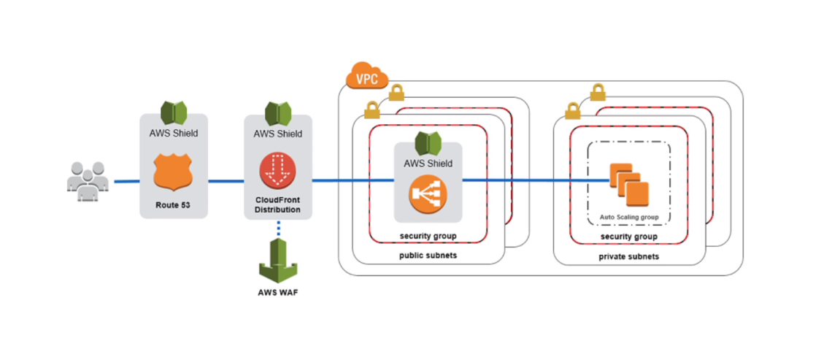

waf
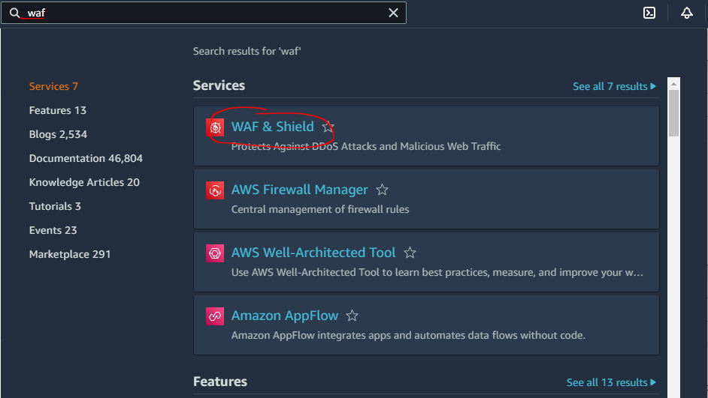
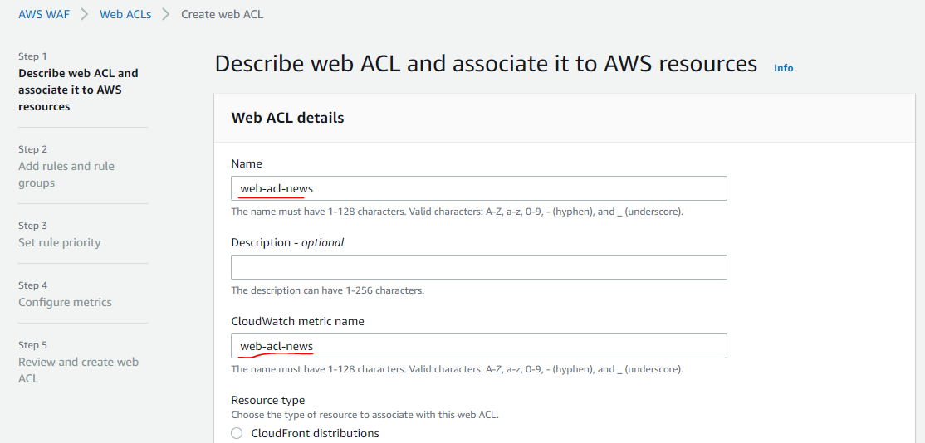
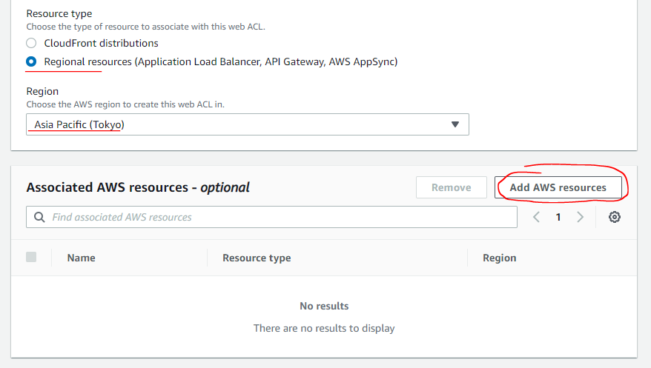
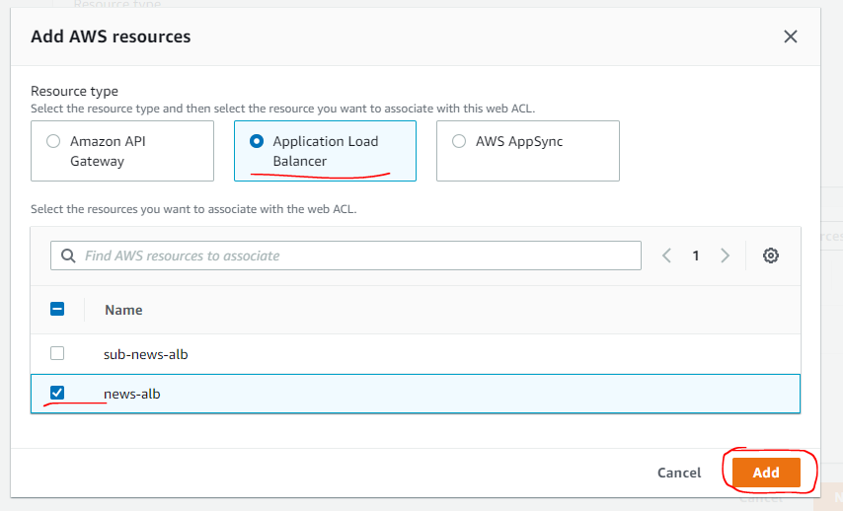
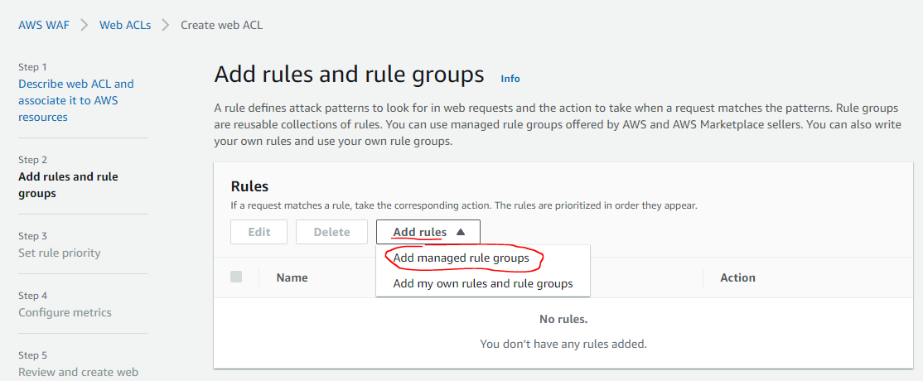
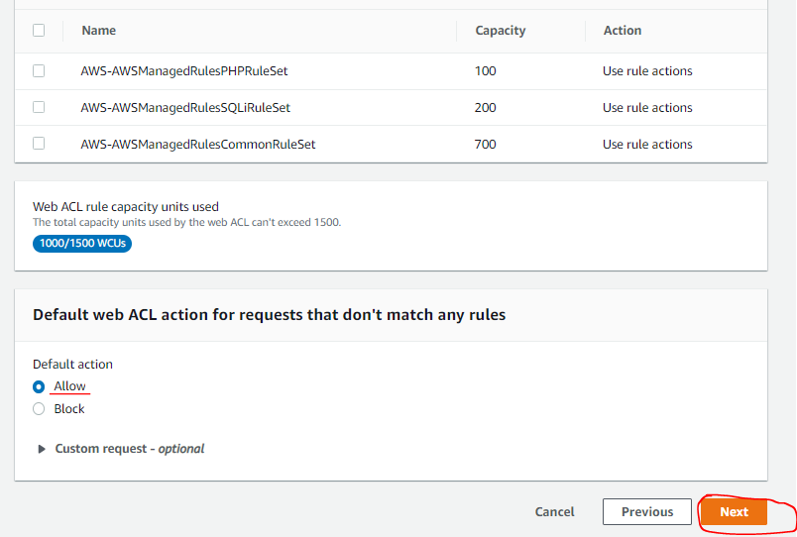
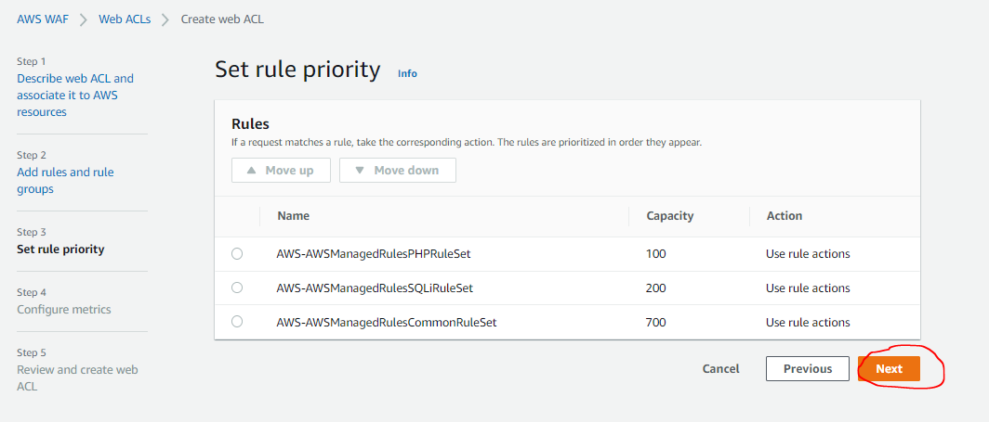
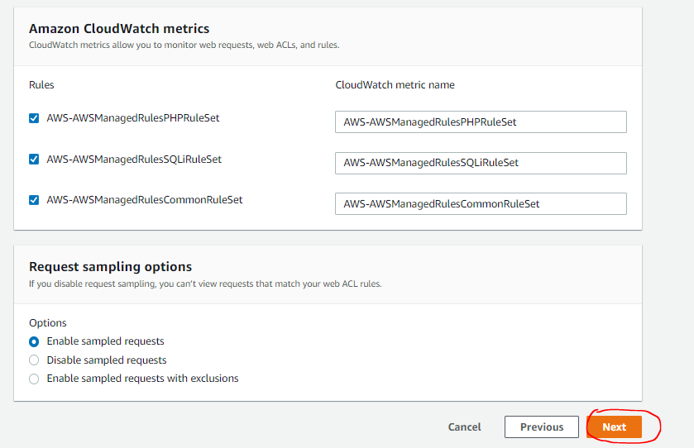
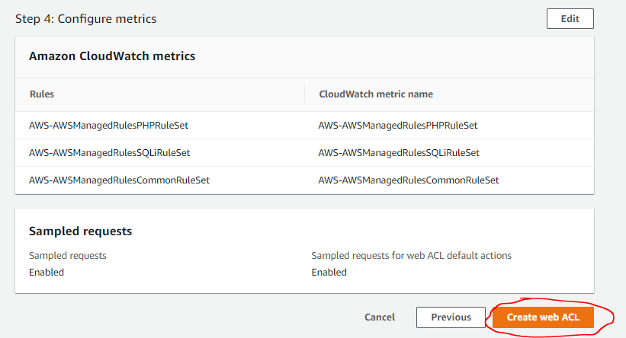
 | Cost: 'https://aws.amazon.com/waf/pricing/
 | Resource Type | Price
 | Web ACL | $5.00 per month (prorated hourly)
 | Rule | $1.00 per month (prorated hourly)
 | Request | $0.60 per 1 million requests

Setup ACL
 | Rules | Description | Apply | Attack type
 | AWS-AWSManagedRulesPHPRuleSet | Contains rules that block request patterns associated with exploiting vulnerabilities specific to the use of the PHP, including injection of unsafe PHP functions. This can help prevent exploits that allow an attacker to remotely execute code or commands. | OK | Remote file inclusion/Command Attack | PHP application
 | AWS-AWSManagedRulesSQLiRuleSet | Contains rules that allow you to block request patterns associated with exploitation of SQL databases, like SQL injection attacks. This can help prevent remote injection of unauthorized queries. | OK | SQL Injection | SQL database
 | AWS-AWSManagedRulesCommonRuleSet | Contains rules that are generally applicable to web applications. This provides protection against exploitation of a wide range of vulnerabilities, including those described in OWASP publications. | OK | XPath injection/Format string attack/XSS/XML | Core rule set

検知状況の確認方法
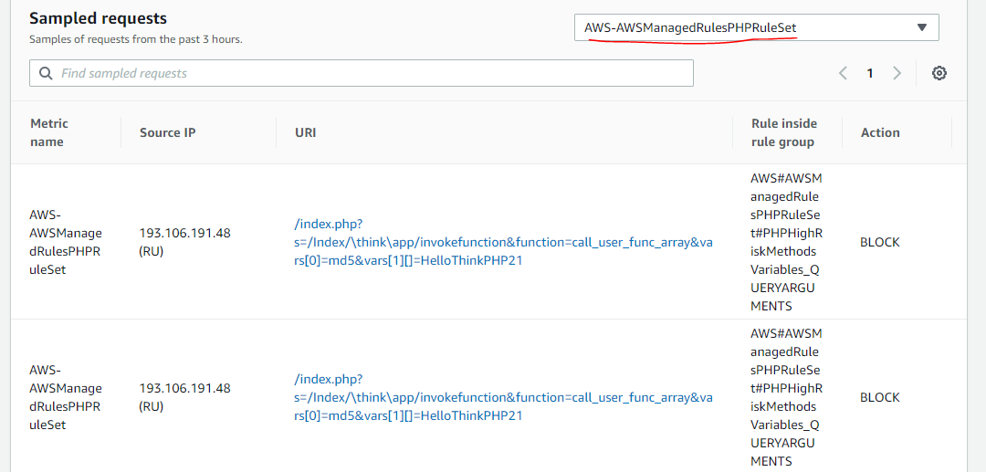
検知状況の確認方法
 | 参考URL: https://www.wafcharm.com/blog/about-aws-waf-attack-state-jp/

検知状況をグラフで見ることができます。

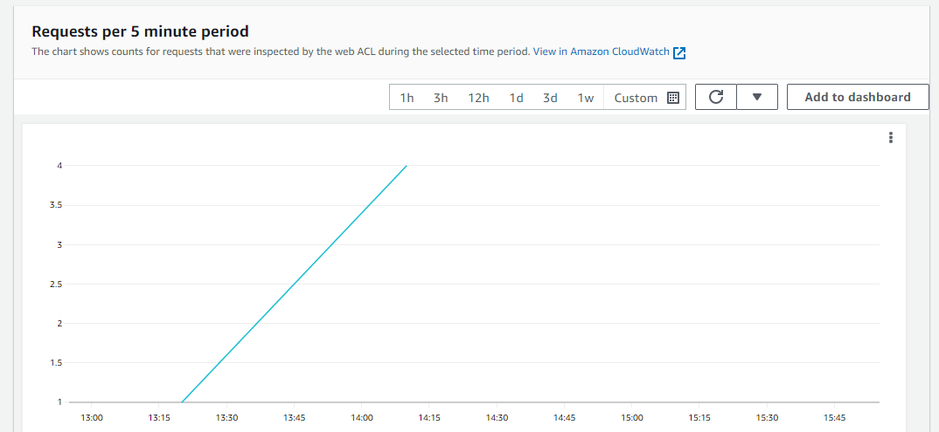

Ruleを絞った検知ログの検索結果が表示されます

