login template
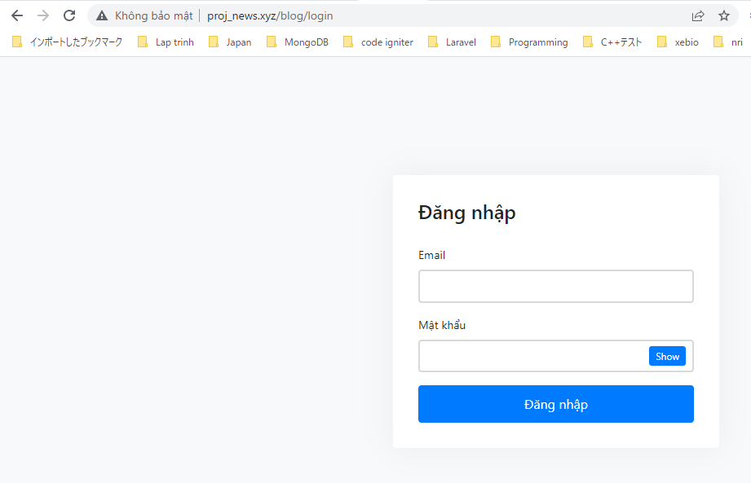
proj\routes\web.php

resources\views\news\elements\header.blade.php

resources\views\news\login.blade.php
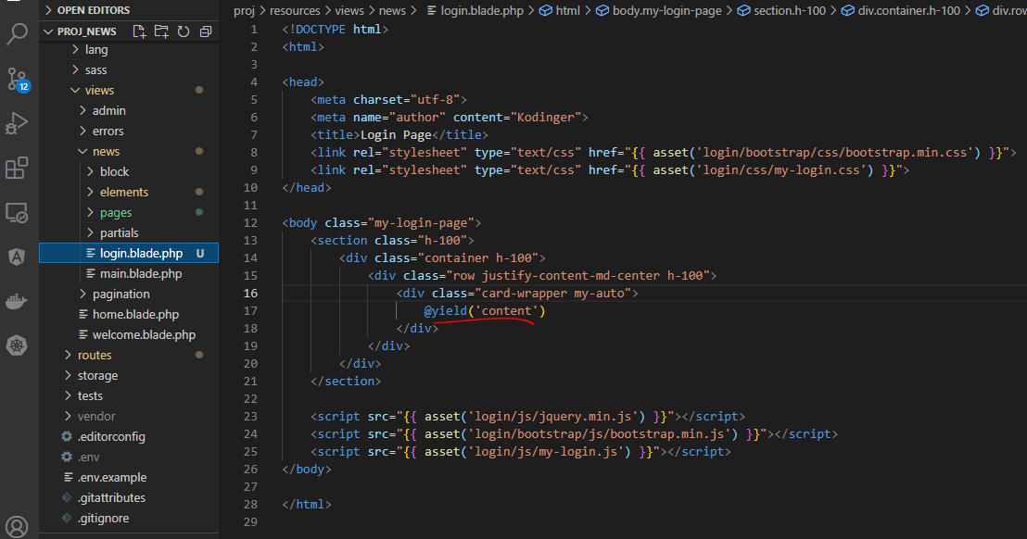

resources\views\news\pages\auth\login.blade.php
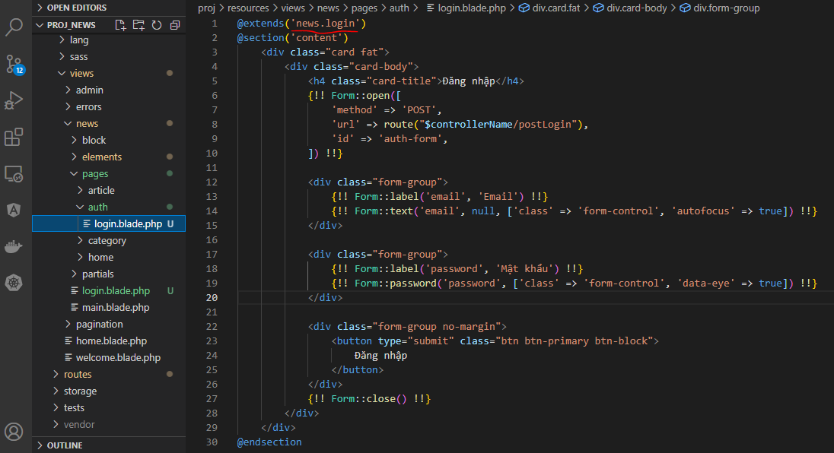

app\Http\Controllers\News\AuthController.php
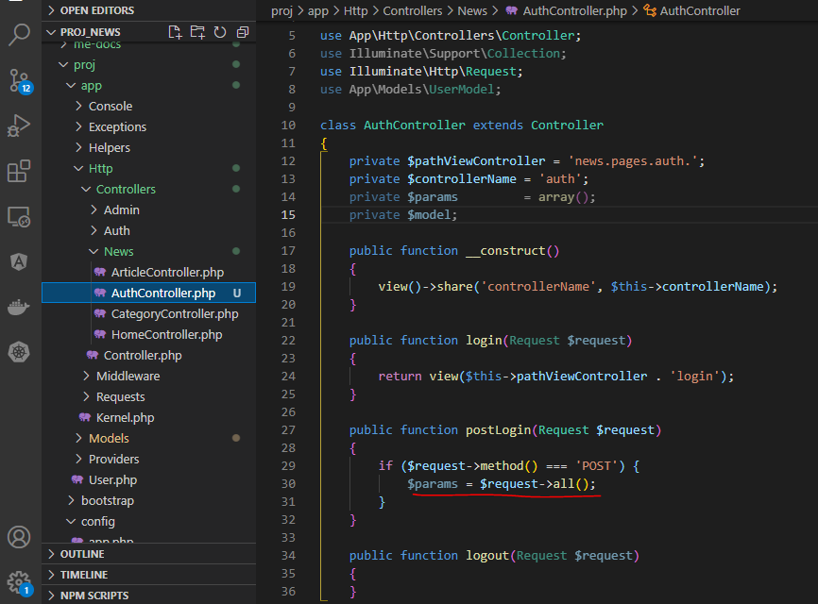

Check browser
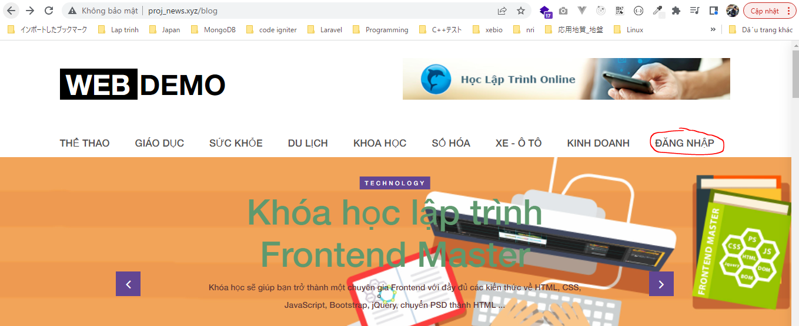

 | Result

