if else
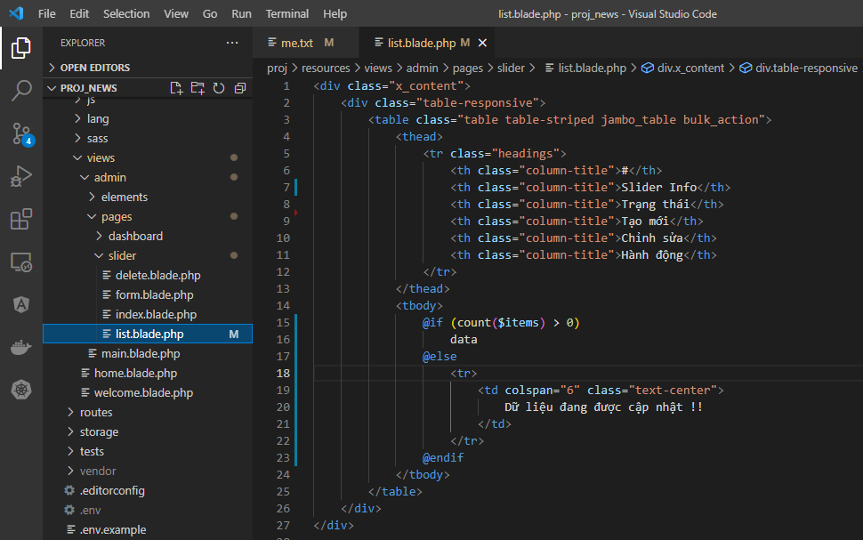
views\admin\pages\slider\list.blade.php

