list
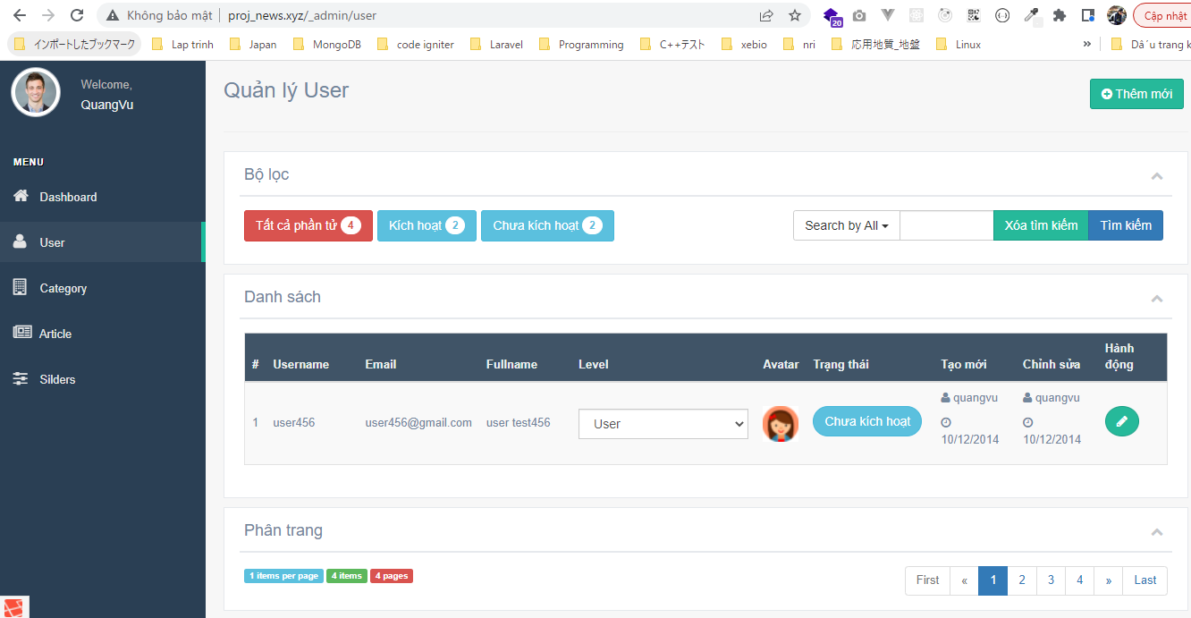
routes\web.php

resources\views\admin\elements\sidebar_menu.blade.php

resources\lang\en\notify.php

app\Http\Controllers\Admin\UserController.php
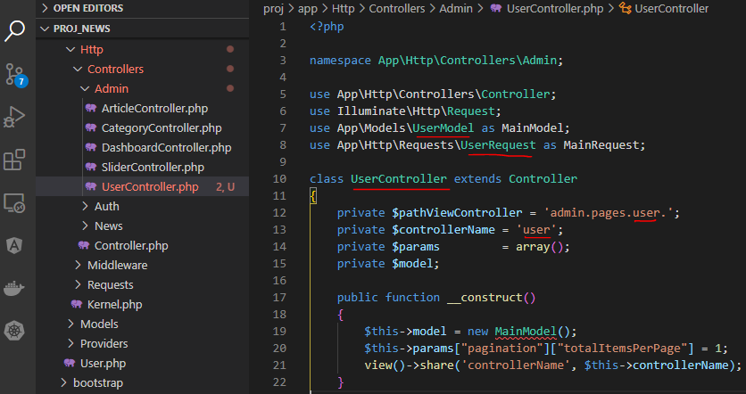

app\Models\UserModel.php

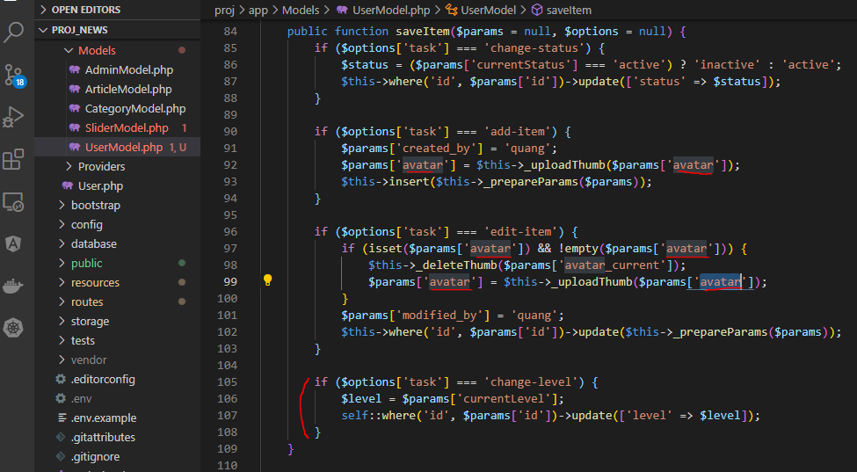

app\Http\Requests\UserRequest.php

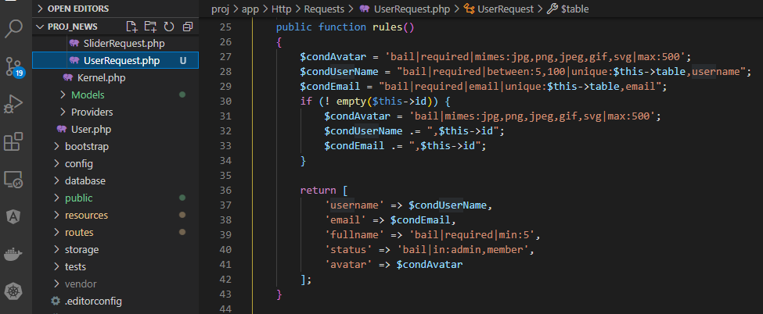

Copy from slider
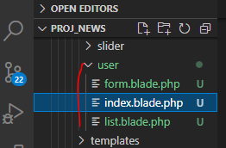

resources\views\admin\pages\user\index.blade.php

config\zvn.php

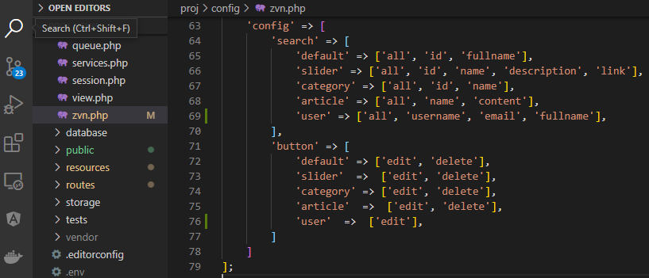

Copy images
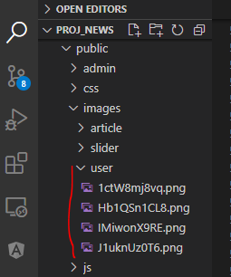

resources\views\admin\pages\user\list.blade.php

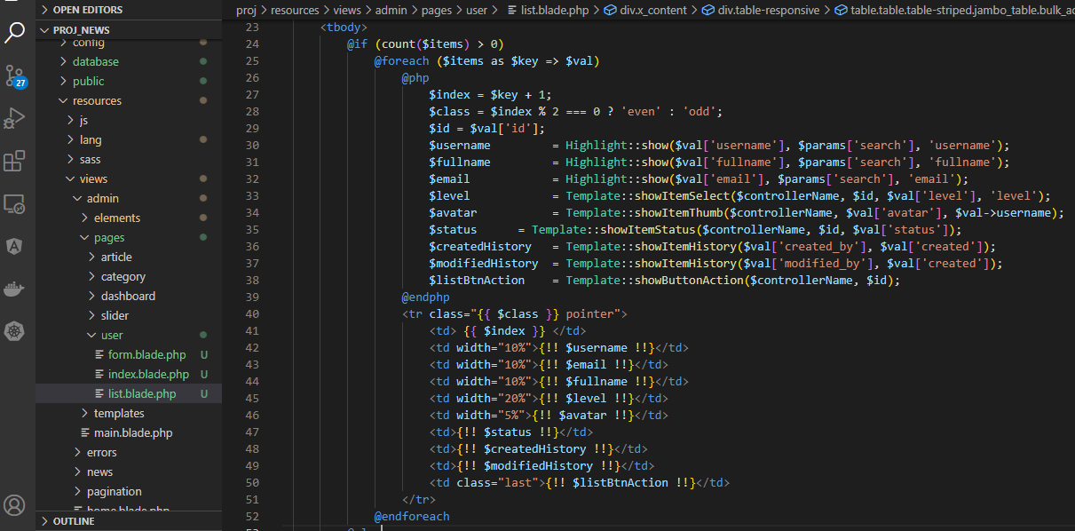

Check browser

form add
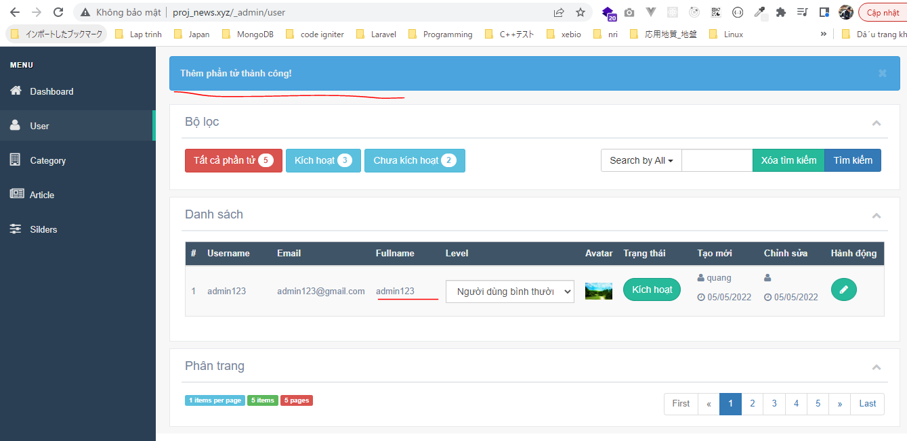
config\zvn.php

app\Helpers\Form.php

resources\views\admin\pages\user\form.blade.php
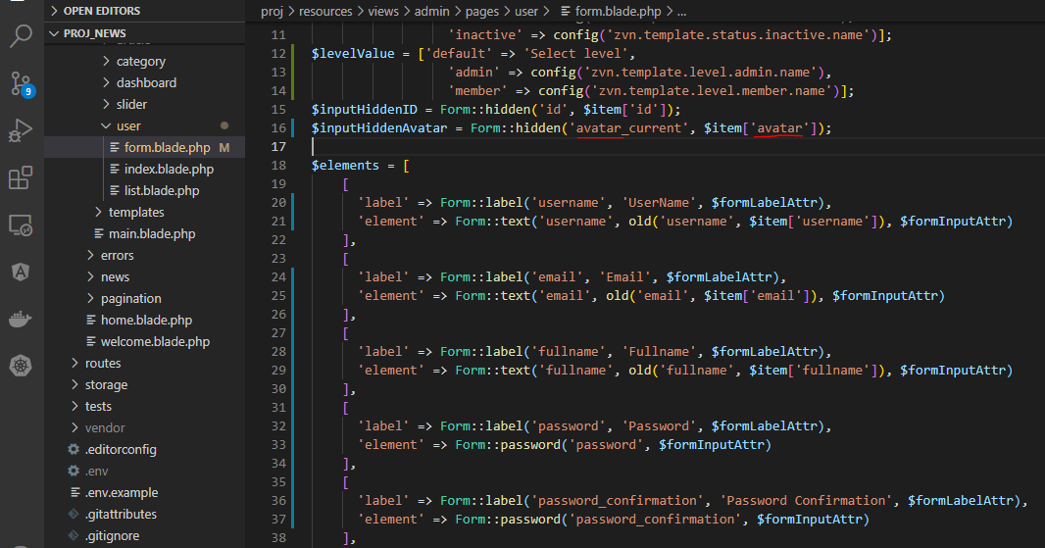

resources\lang\en\validation.php

app\Http\Requests\UserRequest.php
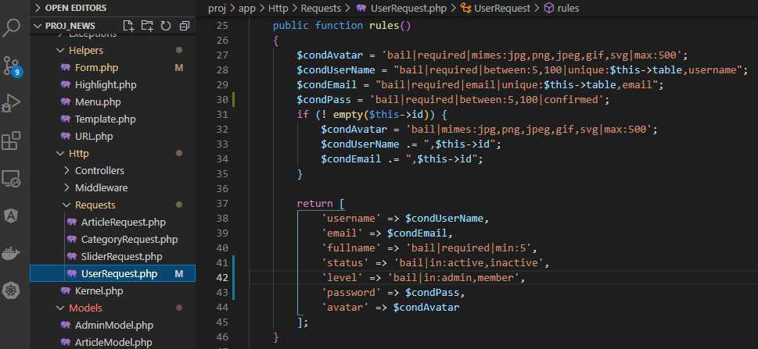

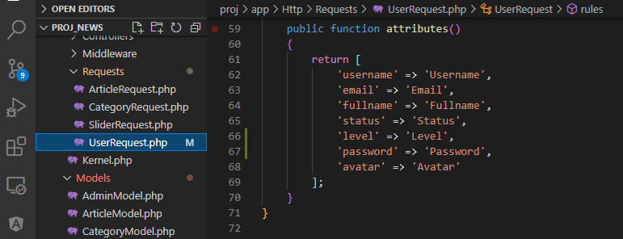

app\Models\UserModel.php

Check browser
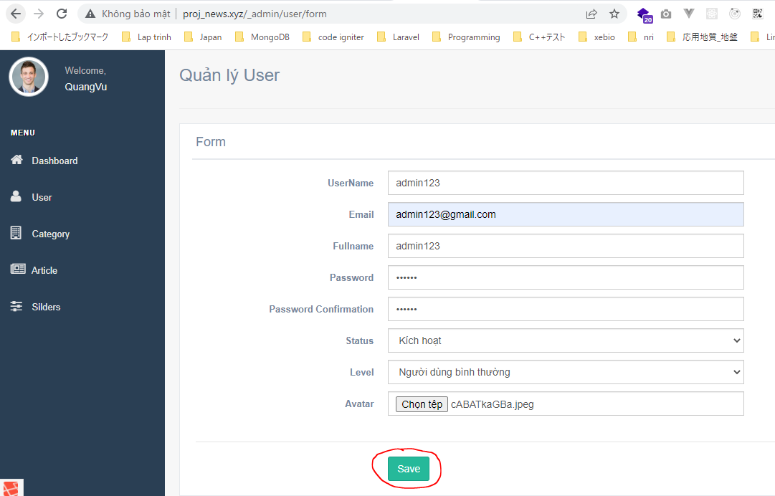

 | Result

form info
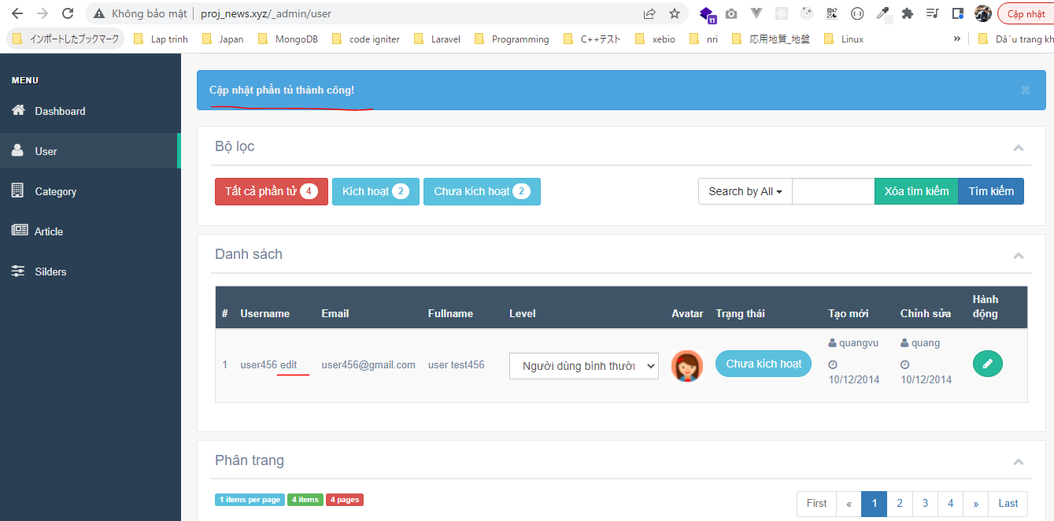
resources\views\admin\pages\user\form_add.blade.php
 | Copy from form.blade.php then edit code
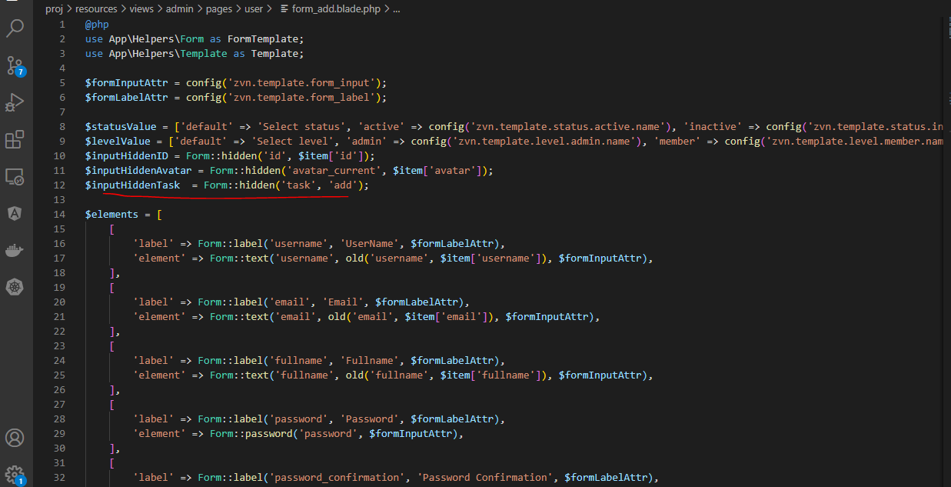

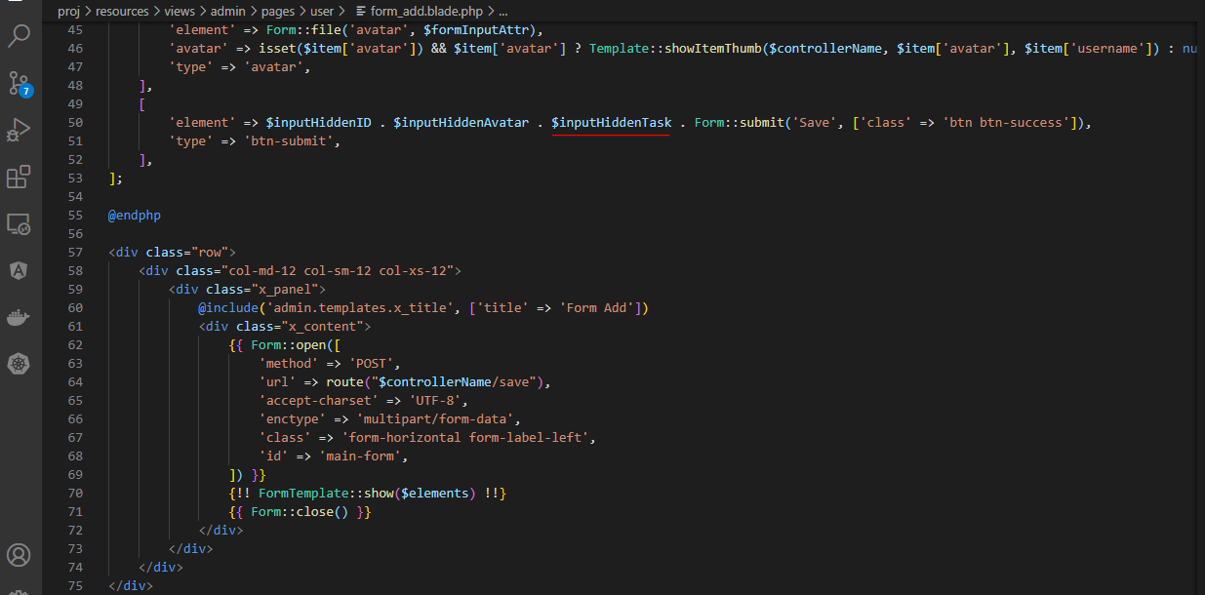

resources\views\admin\pages\user\form_info.blade.php
 | Copy from form_add.blade.php then edit code
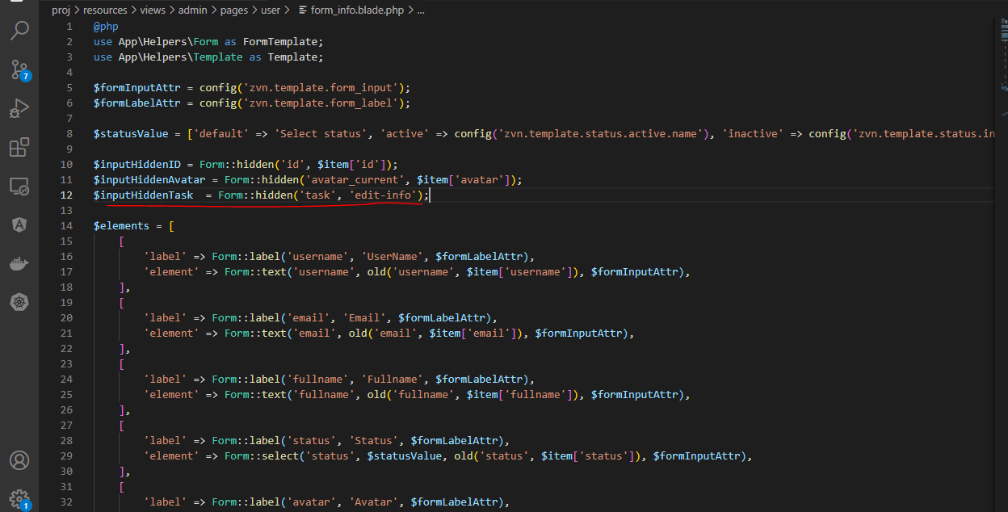

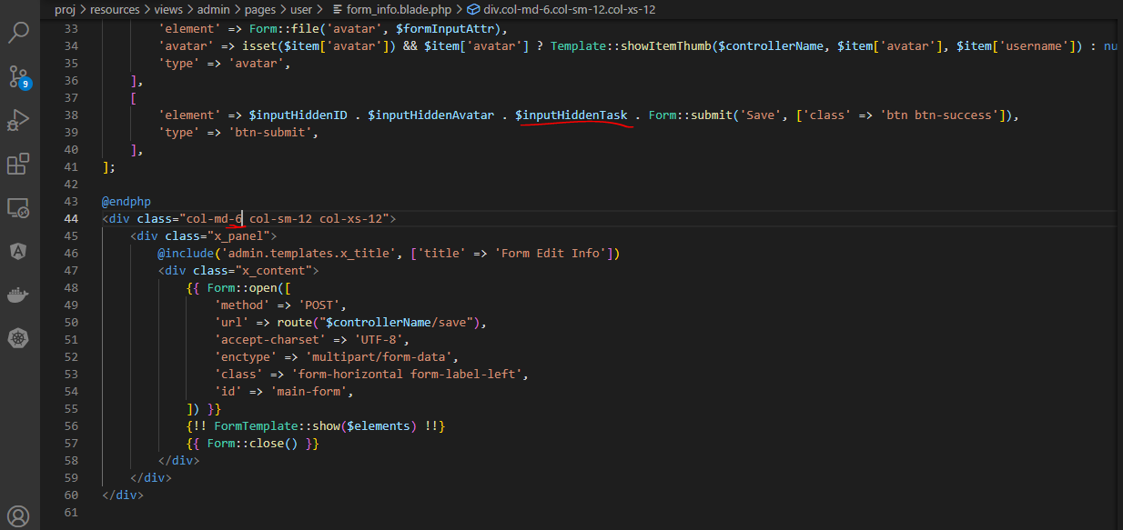

resources\views\admin\pages\user\form.blade.php
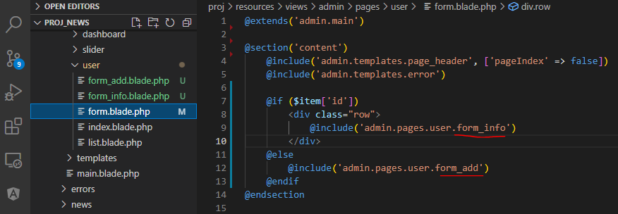

app\Models\UserModel.php

app\Http\Requests\UserRequest.php
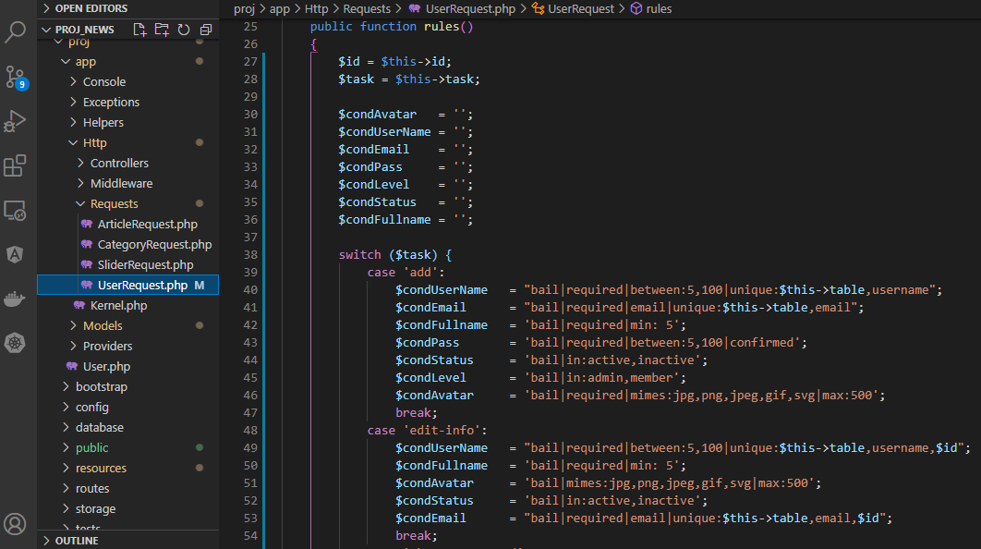

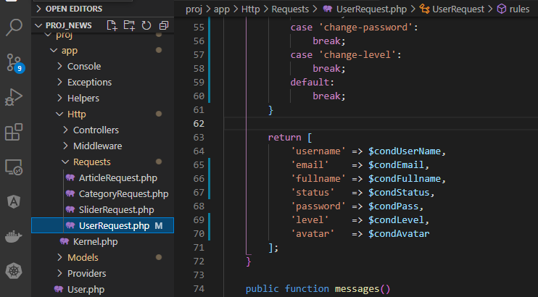

Check browser
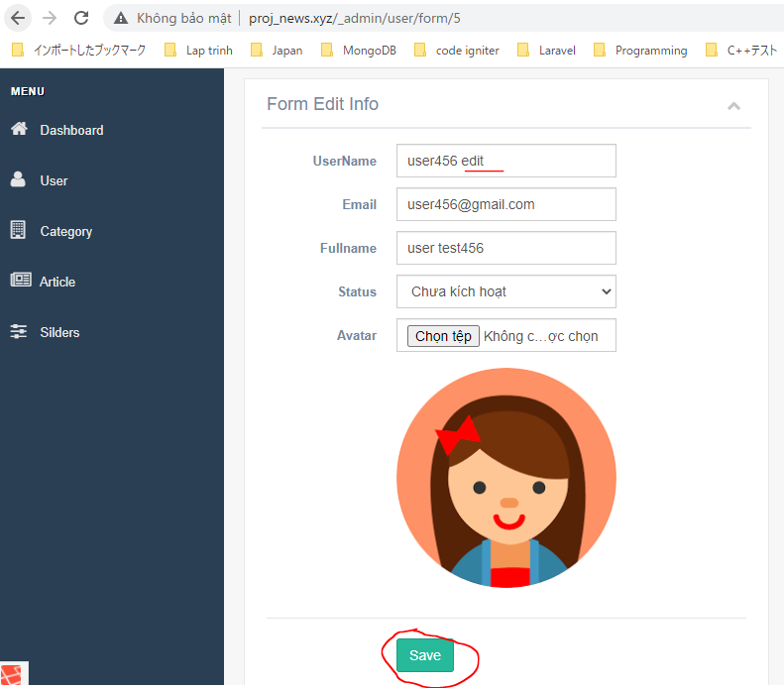

 | Result

form change password
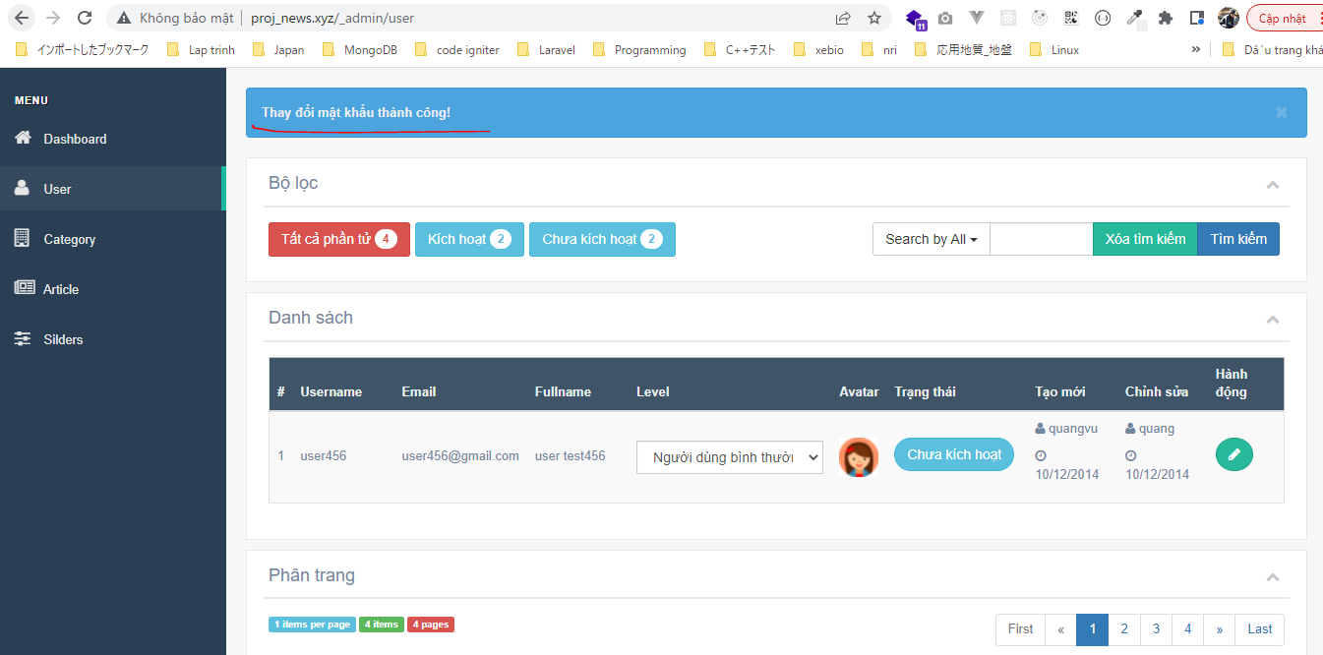
resources\views\admin\pages\user\form_change_password.blade.php
 | Copy from form_add.blade.php then edit code
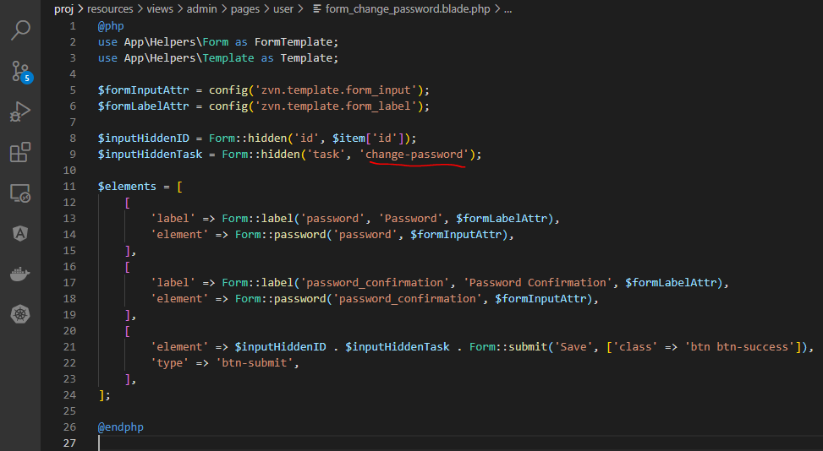

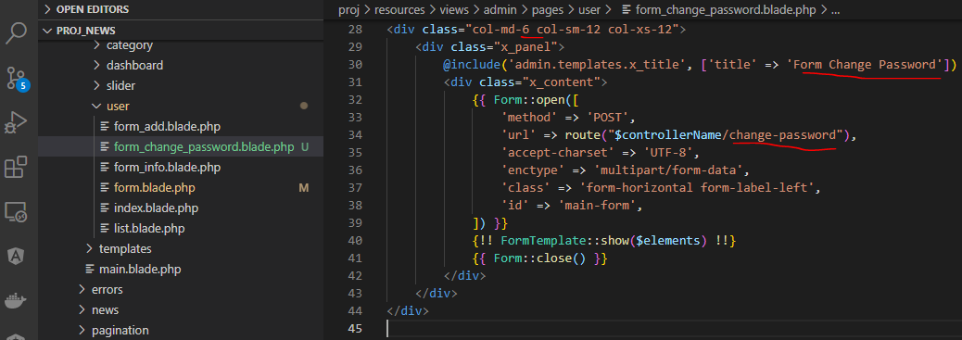

resources\views\admin\pages\user\form.blade.php
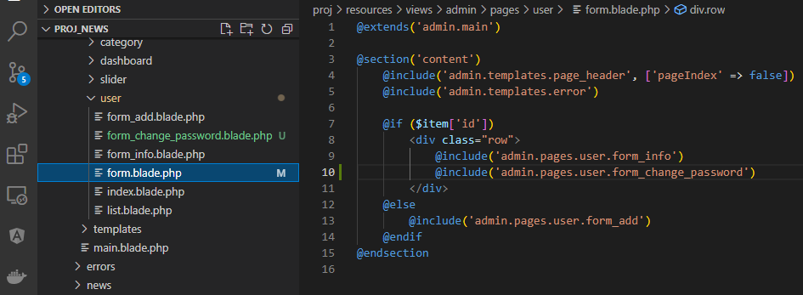

routes\web.php

resources\lang\en\notify.php

app\Http\Controllers\Admin\UserController.php

app\Models\UserModel.php

app\Http\Requests\UserRequest.php

Check browser
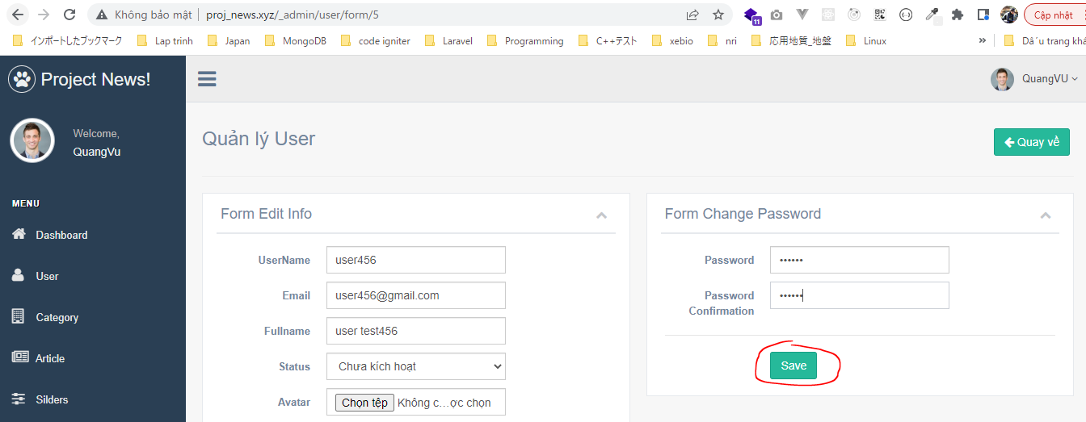

 | Result

form change level
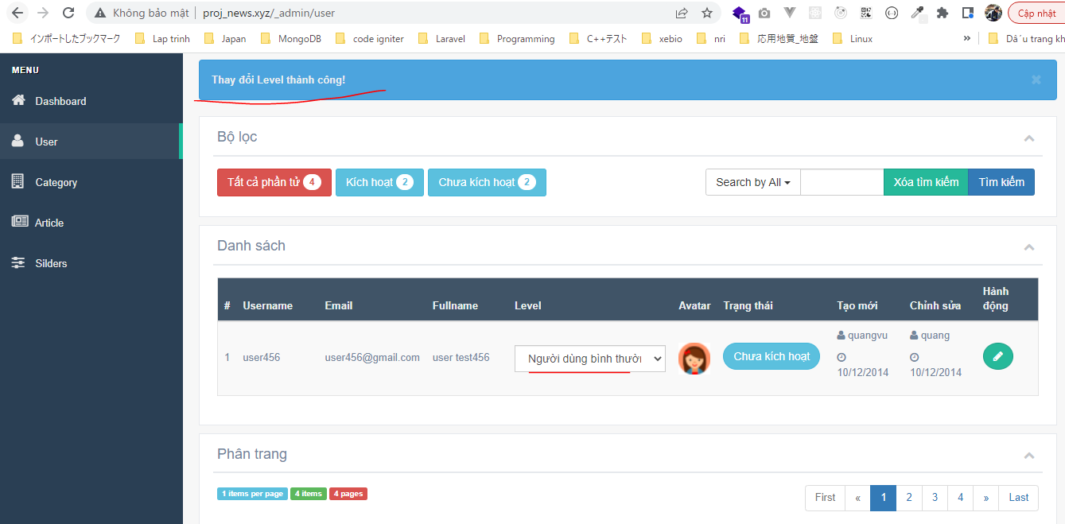
config\zvn.php

app\Helpers\Form.php

resources\views\admin\pages\user\form_change_level.blade.php
 | Copy from form_change_password.blade.php then edit code
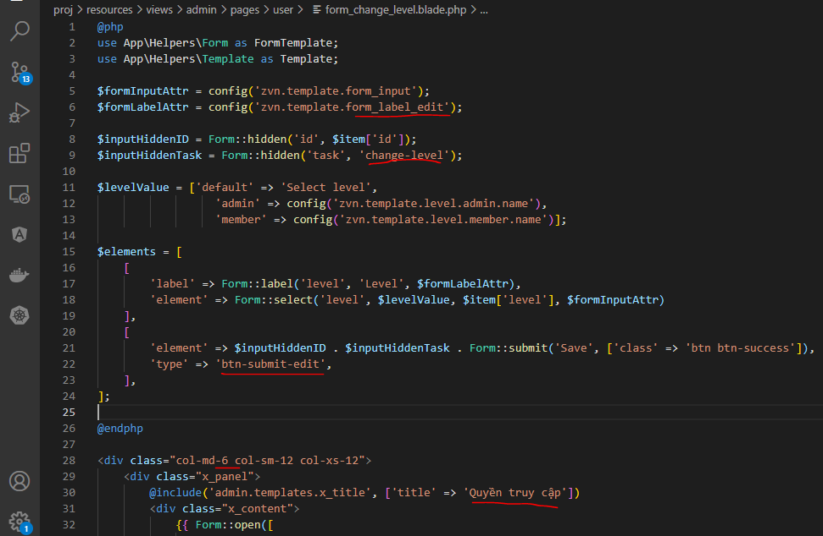

resources\views\admin\pages\user\form.blade.php
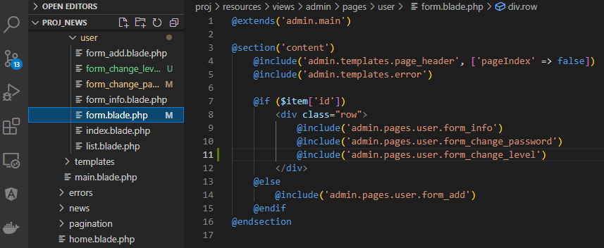

routes\web.php

resources\lang\en\notify.php

resources\views\admin\pages\user\form_change_password.blade.php
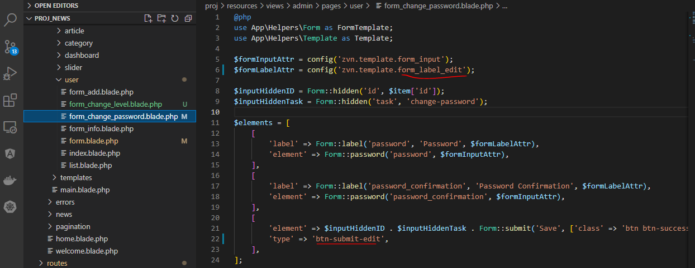

app\Http\Controllers\Admin\UserController.php

app\Http\Requests\UserRequest.php

app\Models\UserModel.php

Check browser
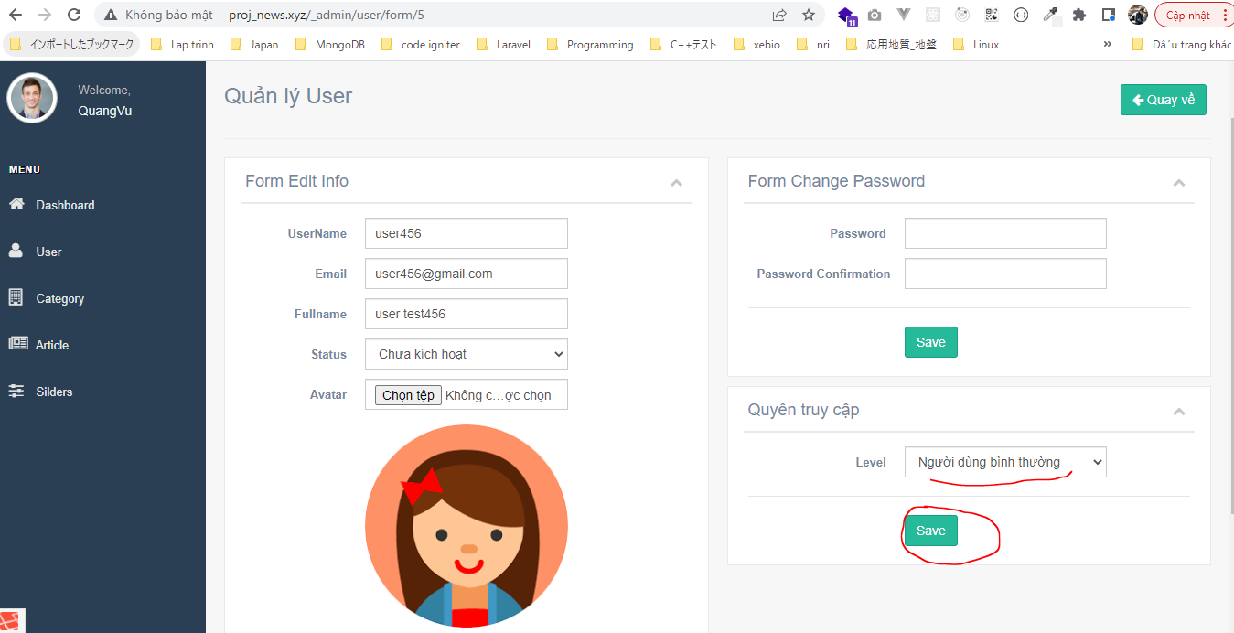

 | Result

