related
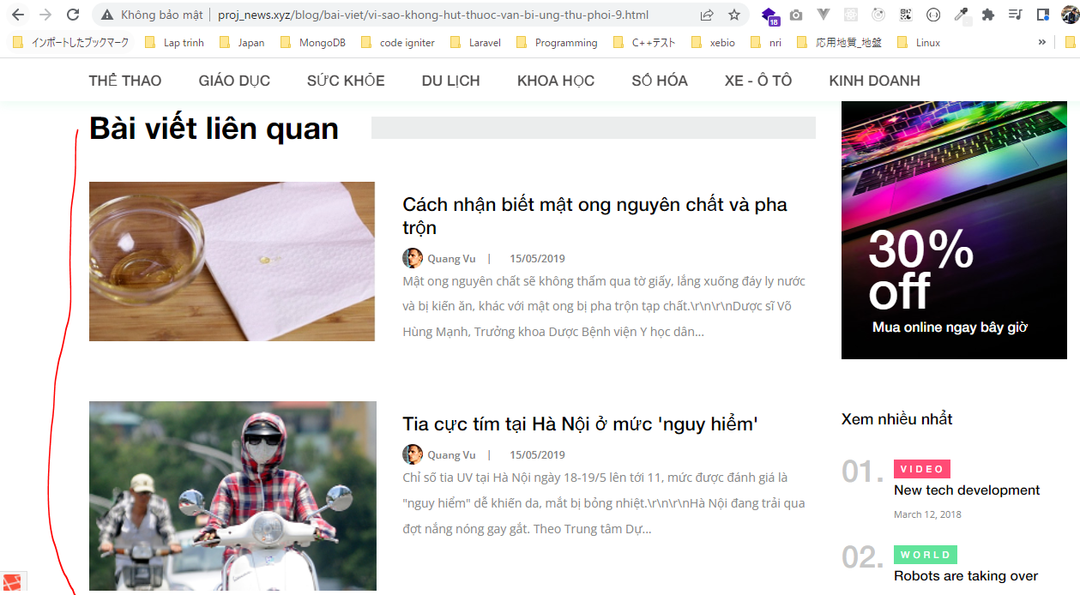
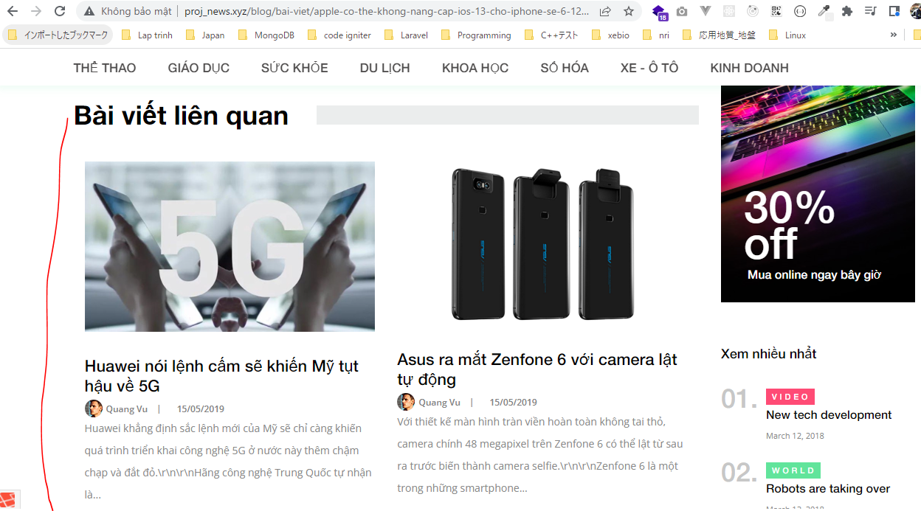
app\Http\Controllers\News\ArticleController.php

app\Models\ArticleModel.php
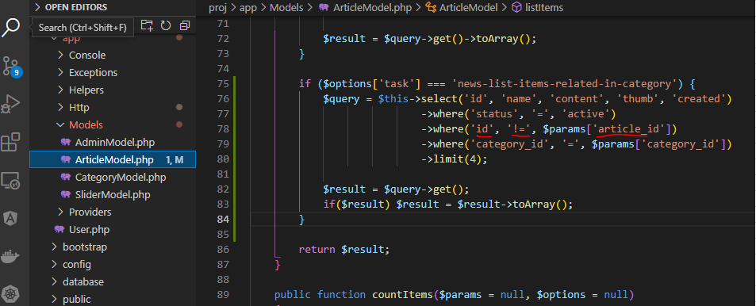

resources\views\news\pages\article\child-index\related.blade.php

resources\views\news\pages\article\child-index\category_list.blade.php
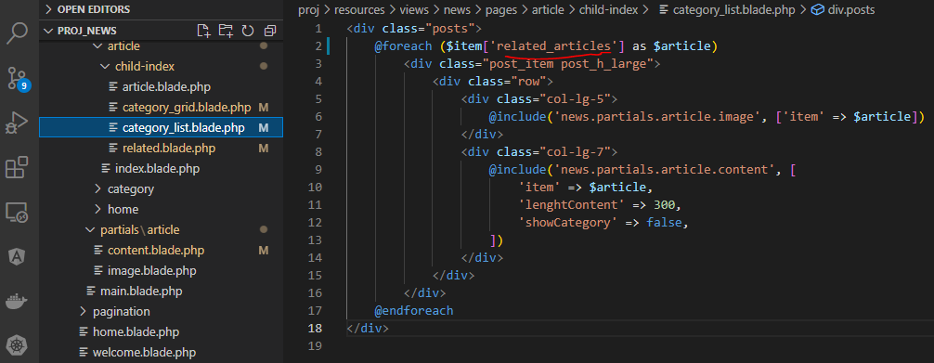

resources\views\news\pages\article\child-index\category_grid.blade.php

resources\views\news\partials\article\content.blade.php

Check browser

