Create Centos 7 on EC2
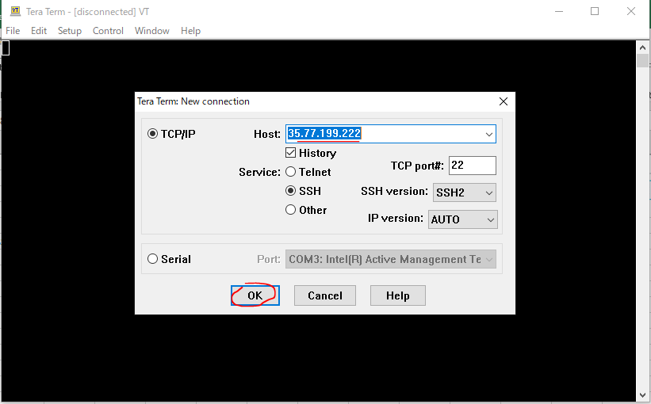
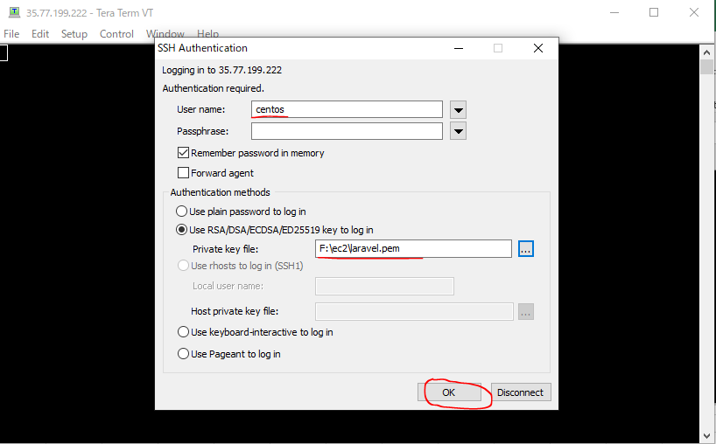
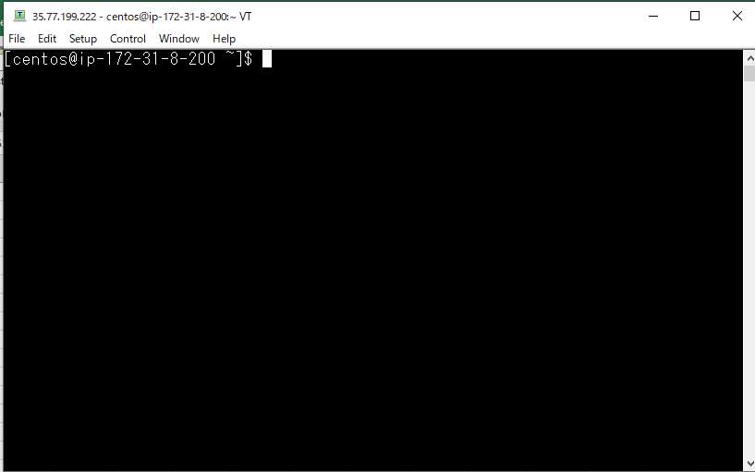
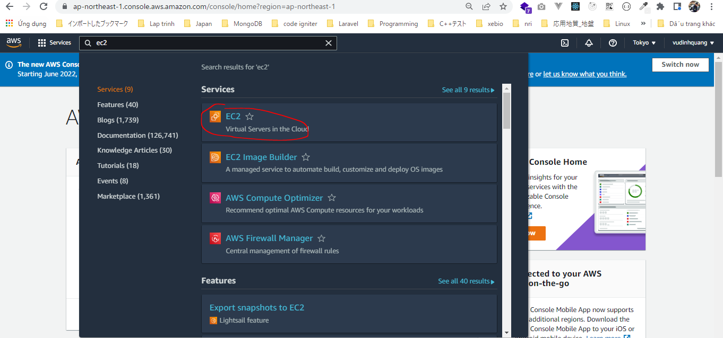

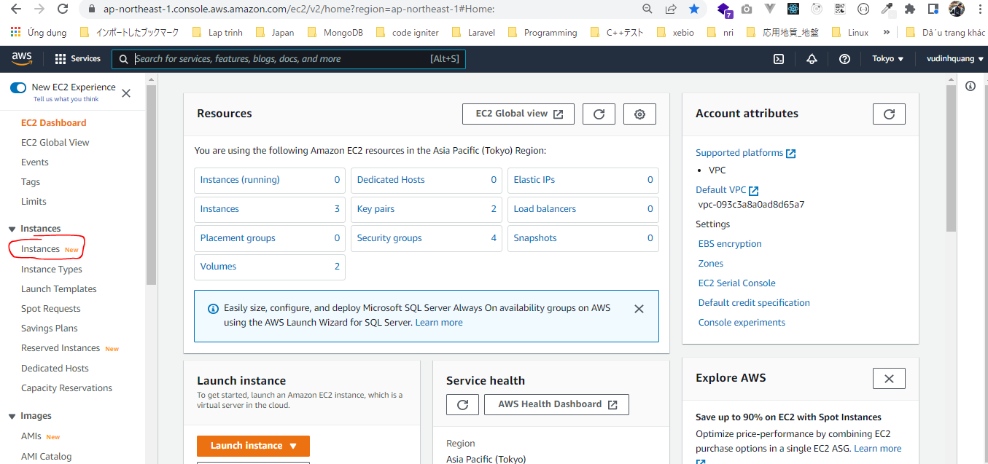

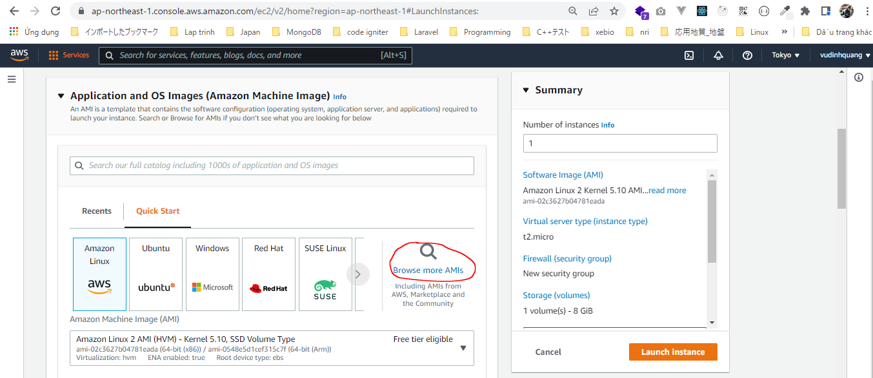

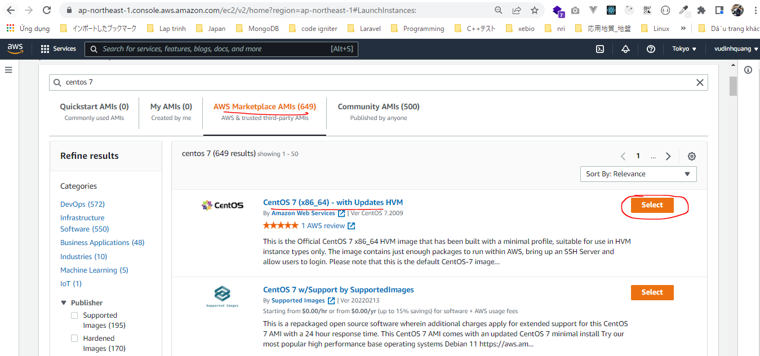

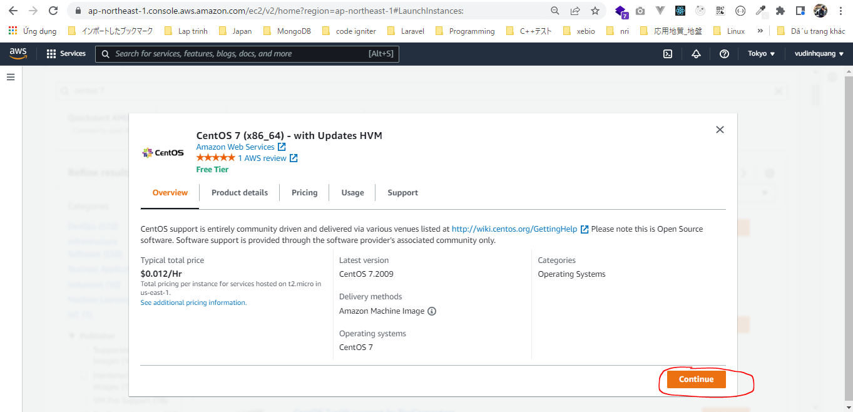

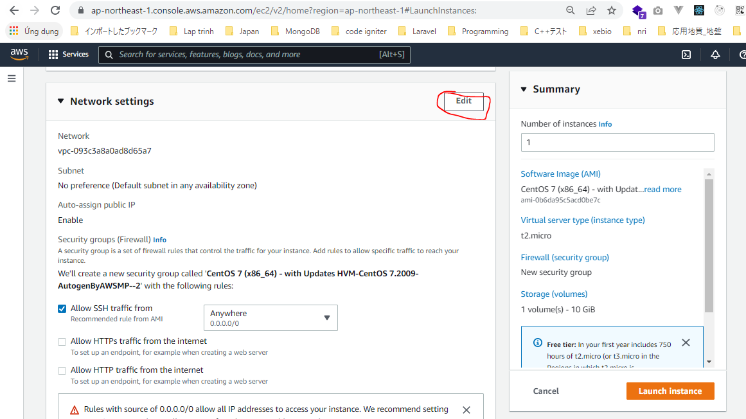

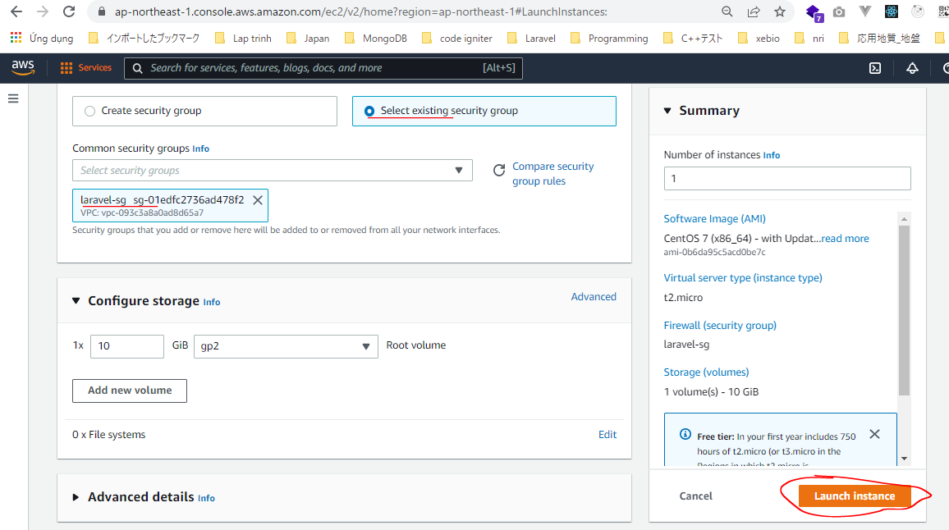

 | Check laravel-sg Security Group
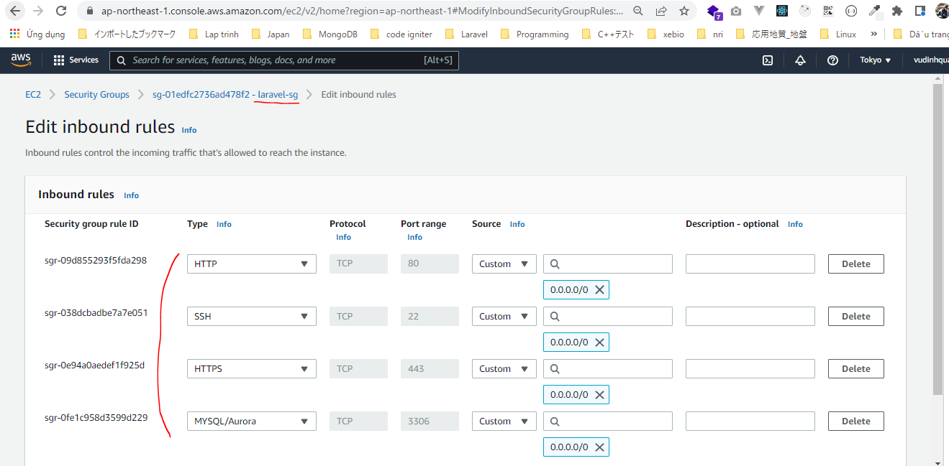

SSH

Apache
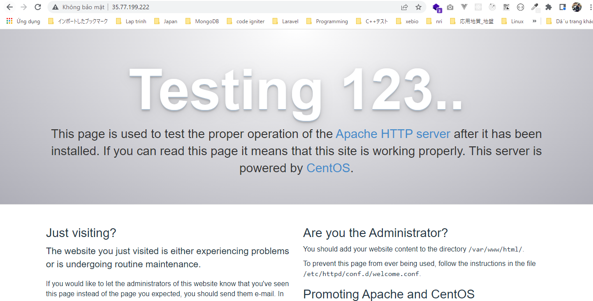
https://linuxtut.com/en/1ebaeaea9eb897c5c6b4/
Update all packages
 | yum update
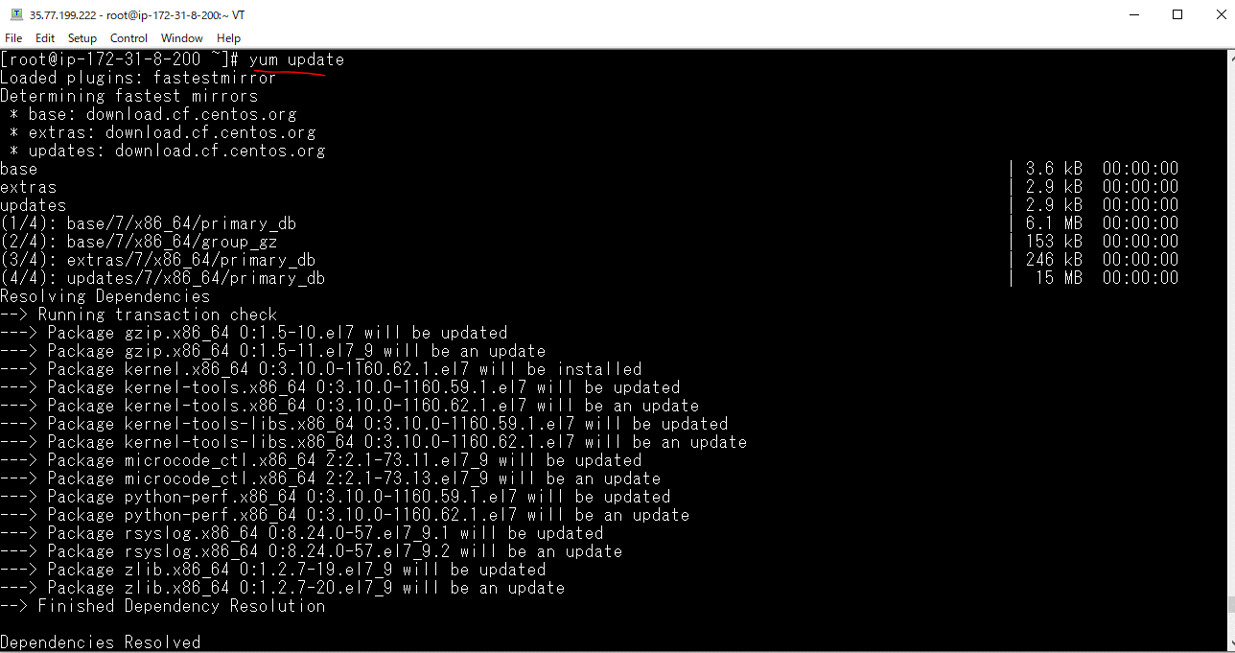

Reboot
 | Some processes need to be restarted, so restart them.
 | reboot

Apache installation
 | yum install httpd
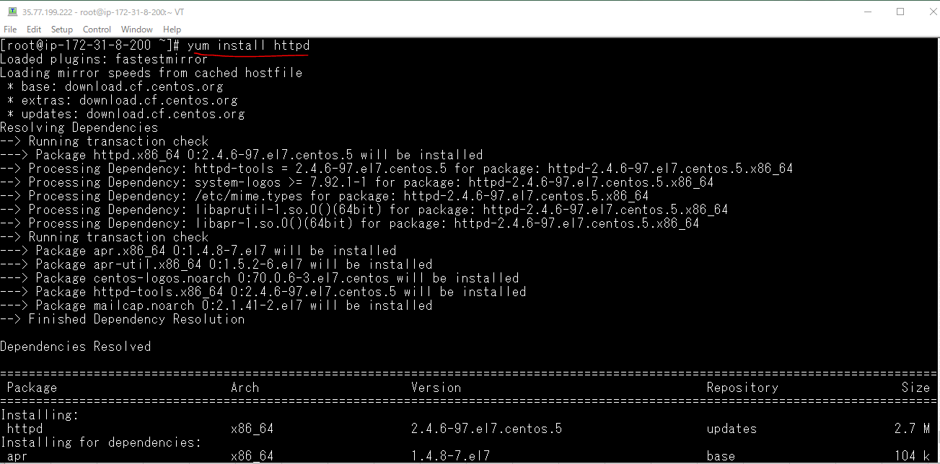

Apache startup
 | systemctl start httpd

Apache autostart settings
 | systemctl enable httpd

Apache status check
 | systemctl status httpd
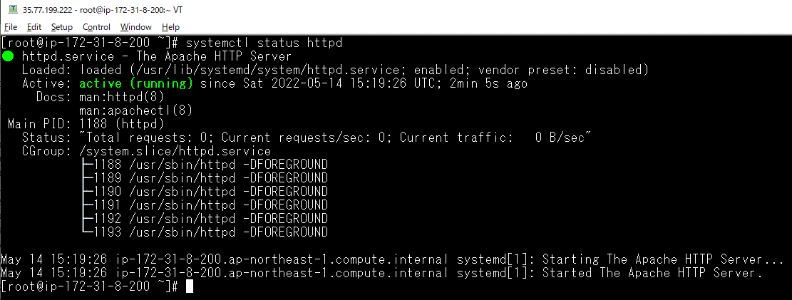

Check browser

MySQL on CENTOS7
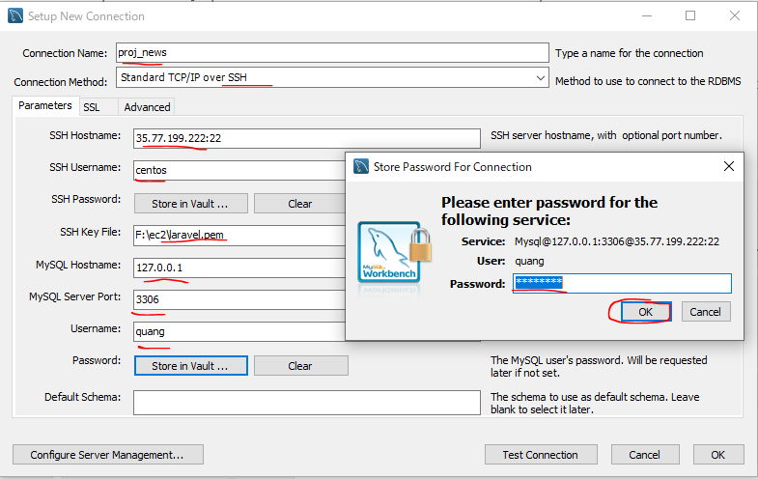
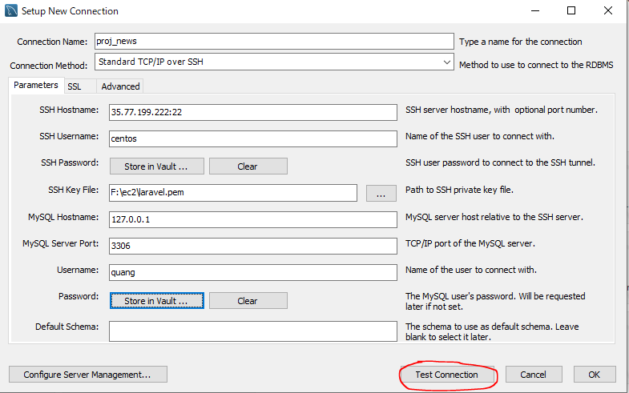
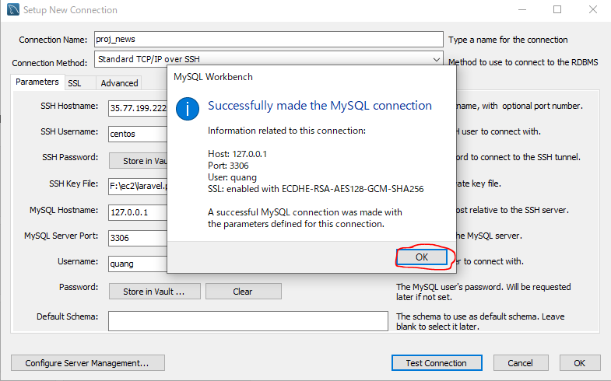
https://stackoverflow.com/questions/70993613/unable-to-install-mysql-on-centos7
Step 1: Remove previous installed packages and clear cache
 | yum list installed | grep mysql

 | yum remove mysql80-community-release.noarch

 | yum clean all --verbose
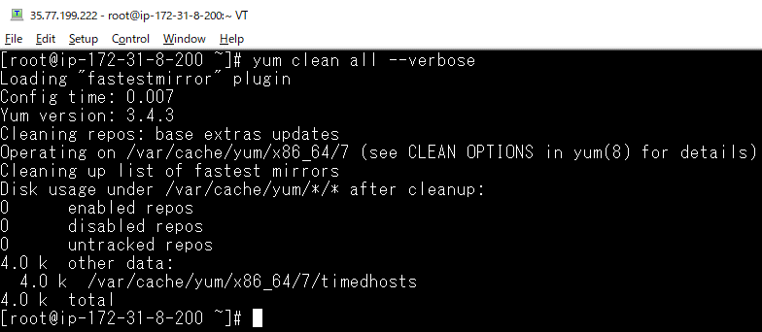

 | rm -R /var/cache/yum/x86_64/7/mysql*

 | yum update -y

Step 2: Setup Yum Repository
 | rpm -Uvh https://repo.mysql.com/mysql80-community-release-el7-3.noarch.rpm

Step 3: disable all repositories in mysql repo file
 | sed -i 's/enabled=1/enabled=0/' /etc/yum.repos.d/mysql-community.repo

Step 4: Install MySQL Community Server
 | yum --enablerepo=mysql80-community install mysql-community-server
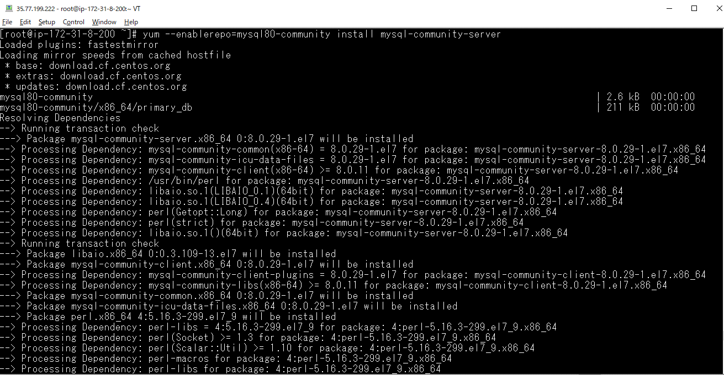

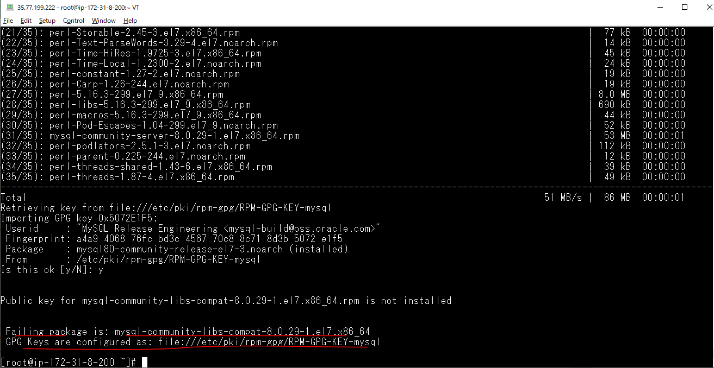

Step 5: import the new GPG key
 | rpm --import https://repo.mysql.com/RPM-GPG-KEY-mysql-2022

Step 6: Re-run STEP #3 Install MySQL Community Server
 | yum --enablerepo=mysql80-community install mysql-community-server
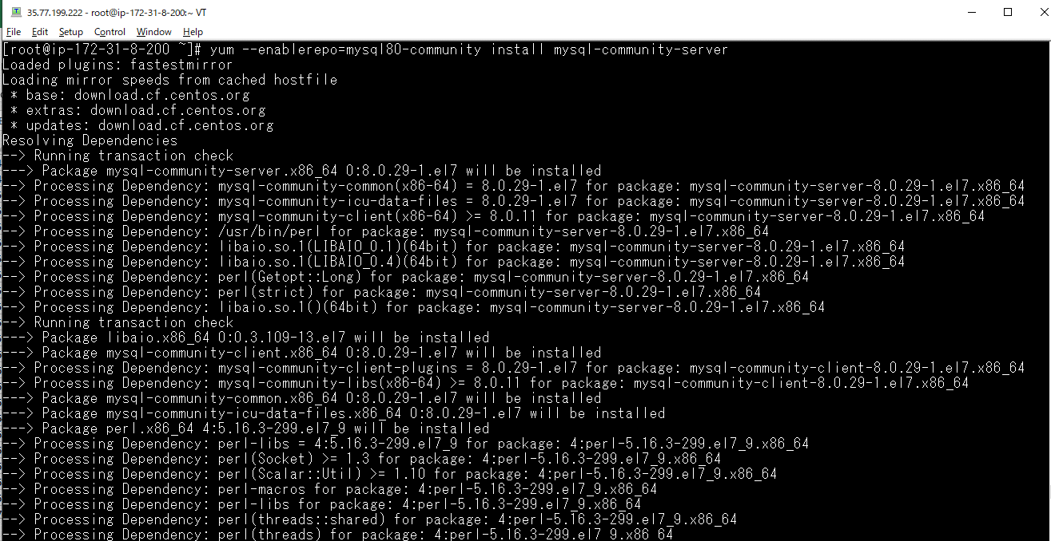

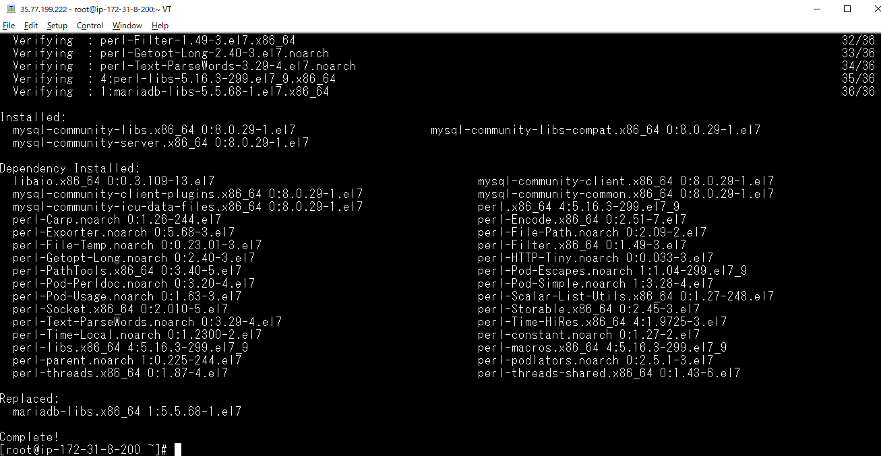

Step 7: test

Step 8: Double check that no errors when running yum update
 | sudo yum update
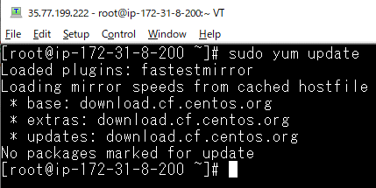

 | Confirm by starting it manually, checking status
 | systemctl start mysqld

 | systemctl status mysqld
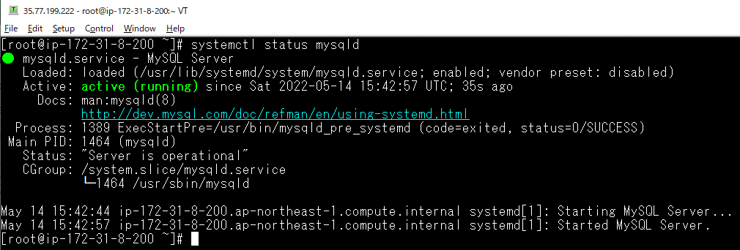

 | systemctl enable mysqld

Get temporary password
 | sudo grep 'temporary password' /var/log/mysqld.log
 | temporary pwd: c(t?&<rNn6:h

Mysql Server Initial Configuration
 | mysql_secure_installation
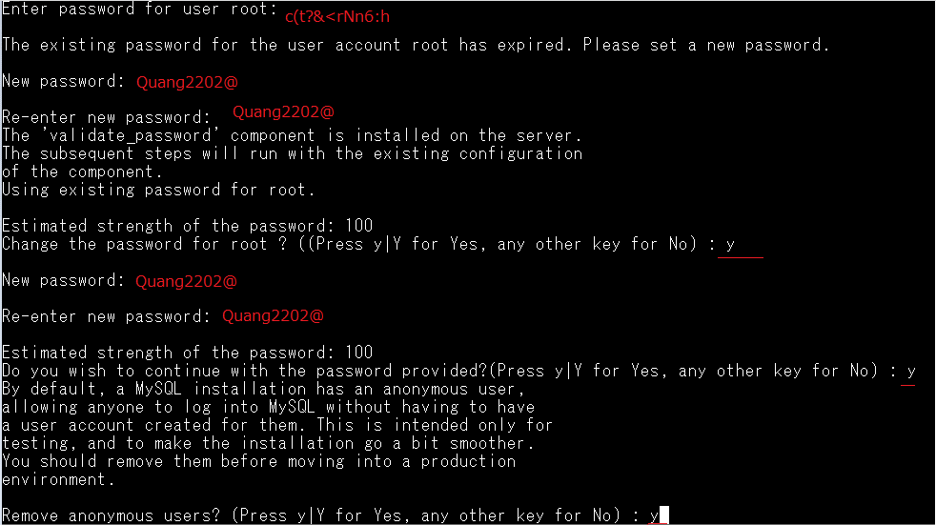

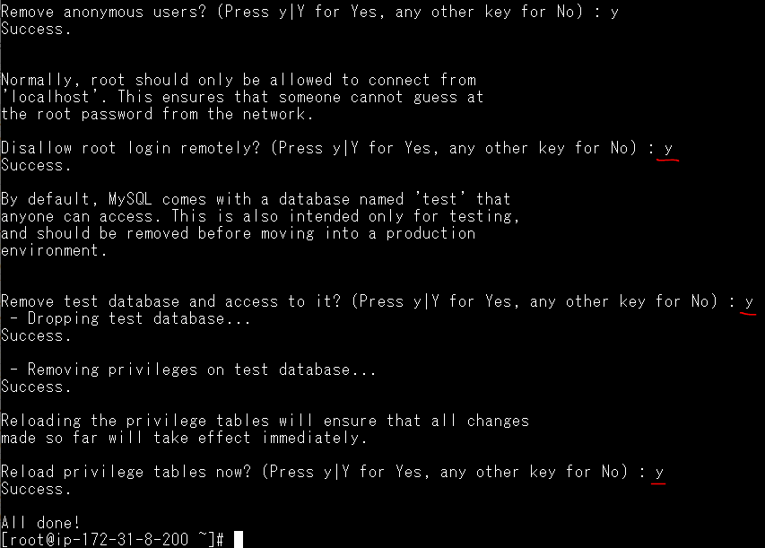

Config Mysql(ko lm với mysql 5.7)
 | vi /etc/my.cnf
 | validate_password.policy=LOW
 | validate_password.length=7
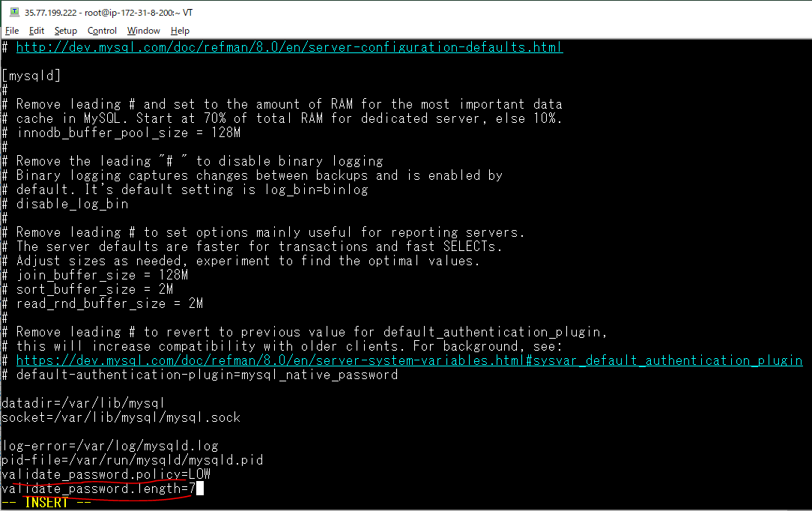

Restart mysql
 | systemctl restart mysqld

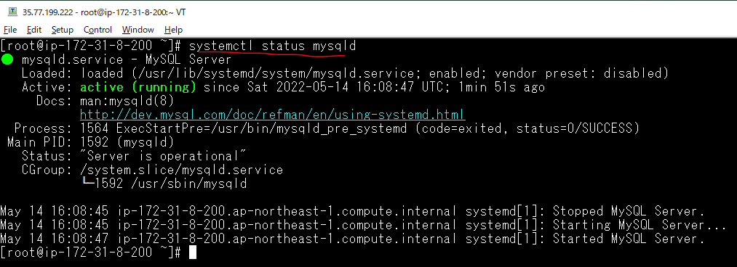

Login mysql
 | mysql -uroot -p
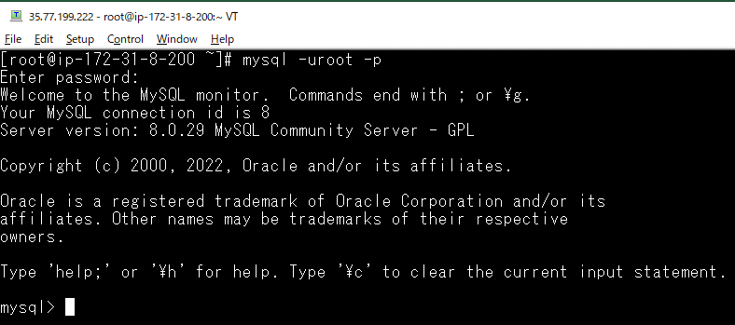

Create Database
 | show databases;
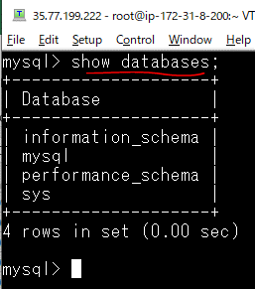

 | create database proj_news;
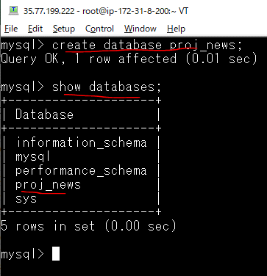

Create Local User
 | CREATE USER 'quang'@'localhost' IDENTIFIED BY '12345678';
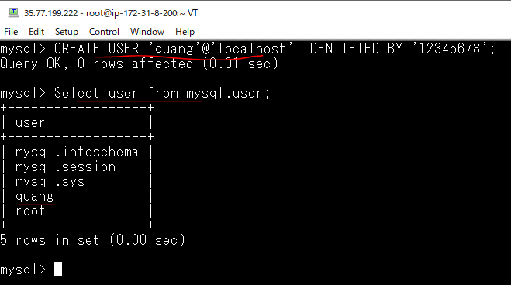

Gán quyền truy xuất vào Database Mysql web cho user quang
 | GRANT ALL ON proj_news.* TO 'quang'@'localhost' WITH GRANT OPTION;
 | FLUSH PRIVILEGES;

Check quyền truy xuất vào Database Mysql web by user quang
 | mysql -uquang -p12345678;
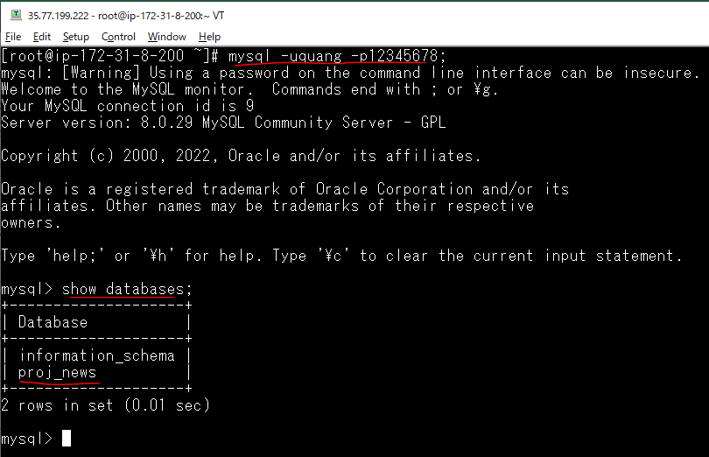

Check connect by workbench

PHP7.3
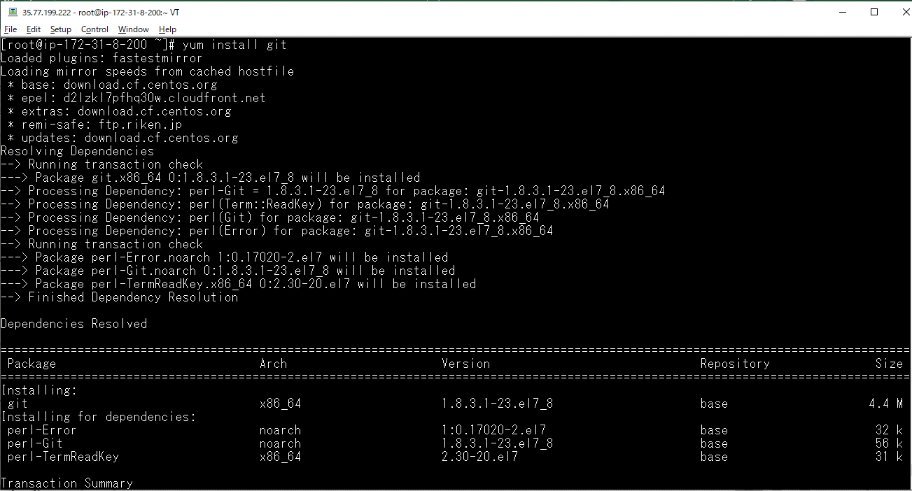
https://www.suzu6.net/posts/152-centos7-php-73/
Có thể tham khảo: https://linuxtut.com/en/1ebaeaea9eb897c5c6b4/
現在のPHPバージョンを確認
 | rpm -qa | grep php
 | php -v

 | インストール済みのPHPを削除する場合はyum remove php-*です。

EPELリポジトリを追加
 | sudo yum install epel-release
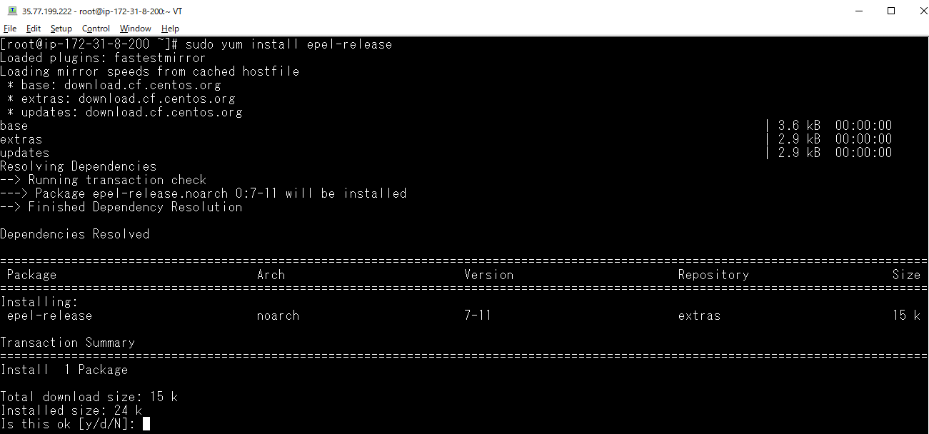

 | sudo yum update
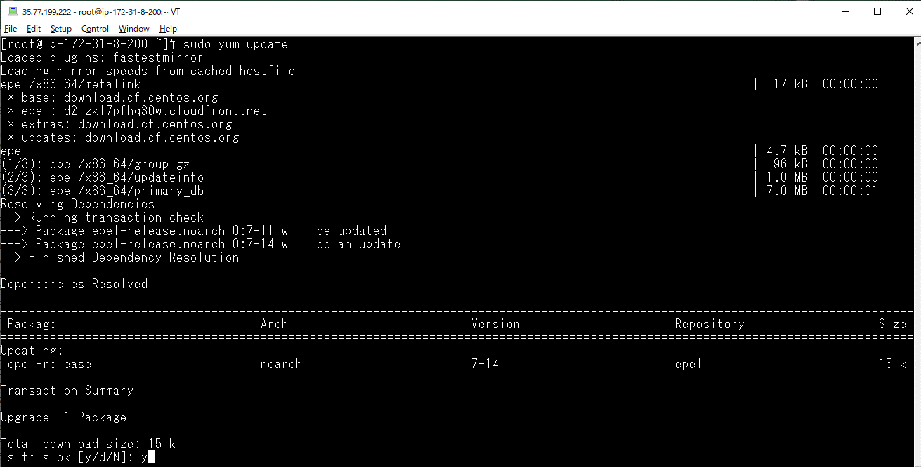

Remiリポジトリを追加
 | sudo yum -y install http://rpms.famillecollet.com/enterprise/remi-release-7.rpm
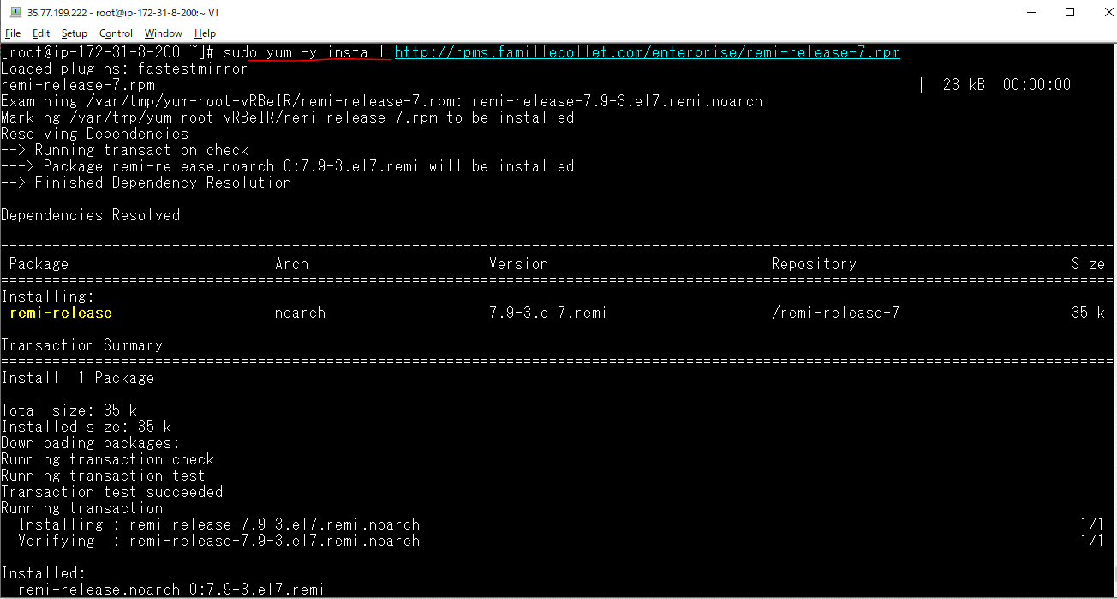

 | sudo yum update

リポジトリのリストを確認
 | sudo yum repolist

PHP7.xをインストールする
 | yum install php php-cli php-common php-devel php-gd php-mbstring php-mysqlnd php-pecl-mysql php-pdo php-xml php-pecl-memcache --enablerepo=remi-php73
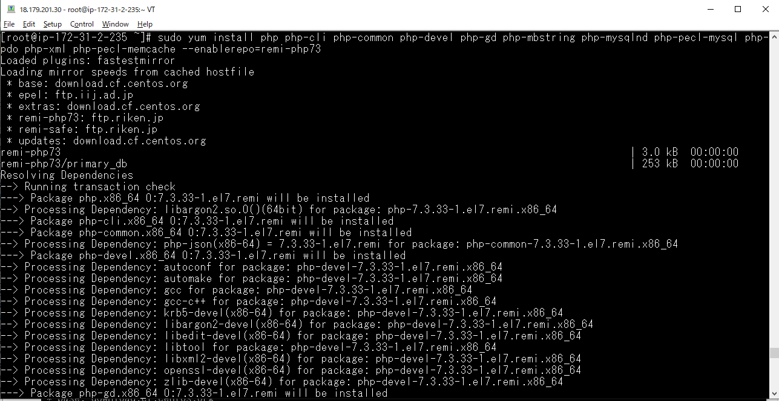

 | sudo yum install --enablerepo=remi-php73 php-zip
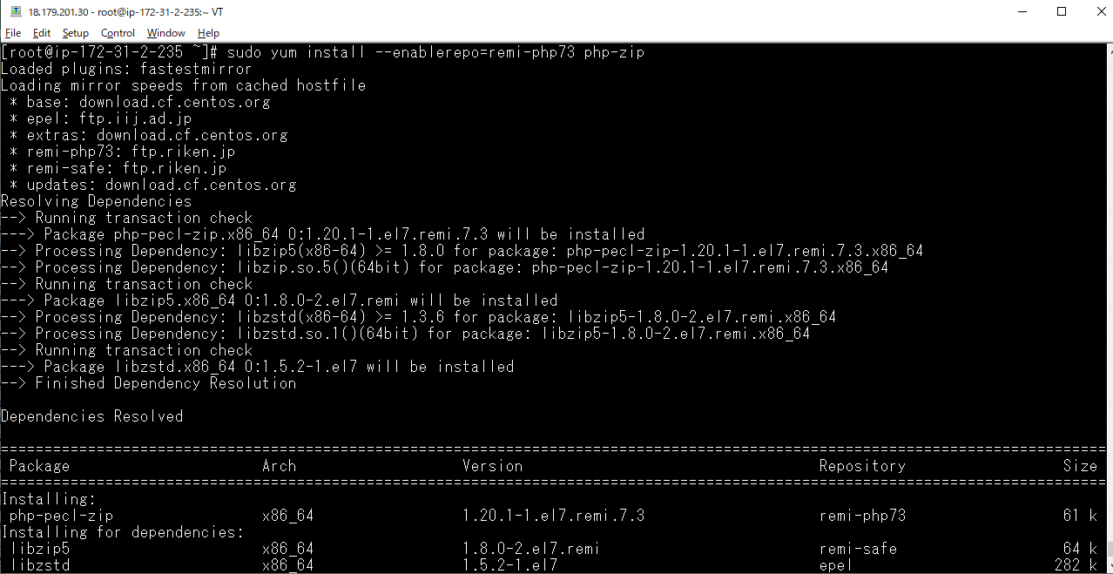

確認する
 | php -v

Git
 | yum install git

Change OS settings
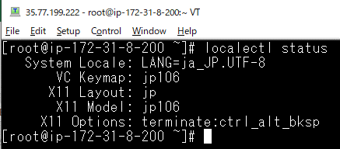
https://linuxtut.com/en/1ebaeaea9eb897c5c6b4/
SELinux outage
 | getenforce

 | vi /etc/selinux/config

 | Reboot
 | reboot

 | Make sure it is disabled
 | getenforce

Time zone change
 | timedatectl status
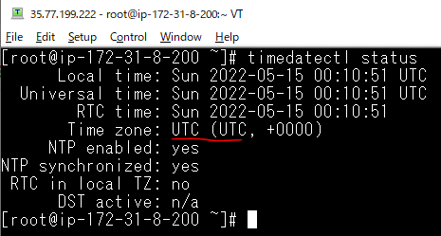

 | Set Asia / Tokyo in time zone
 | timedatectl set-timezone Asia/Tokyo

 | Check if the tom zone has changed
 | timedatectl status
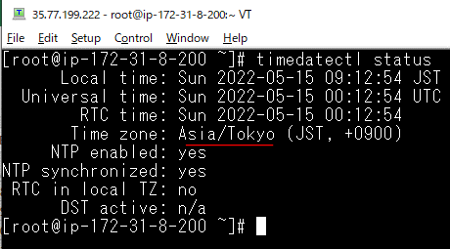

Locale change
 | Check current locale settings
 | localectl status
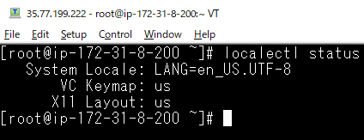

 | Locale change
 | localectl set-locale LANG=ja_JP.UTF-8

 | Set to Japanese 106 keyboard
 | localectl set-keymap jp106

 | Confirm the change of locale
 | localectl status

composer installation
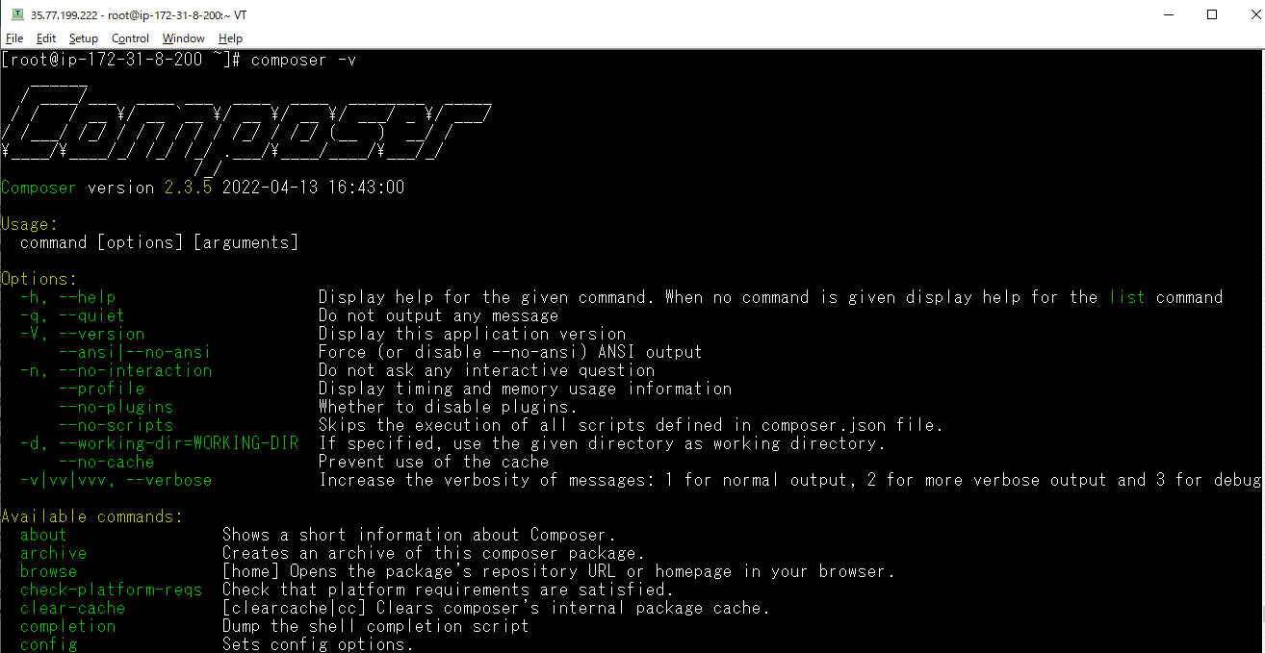
https://linuxtut.com/en/1ebaeaea9eb897c5c6b4/
Download composer-setup.php by running copy with the php command
 | php -r "copy('https://getcomposer.org/installer', 'composer-setup.php');"
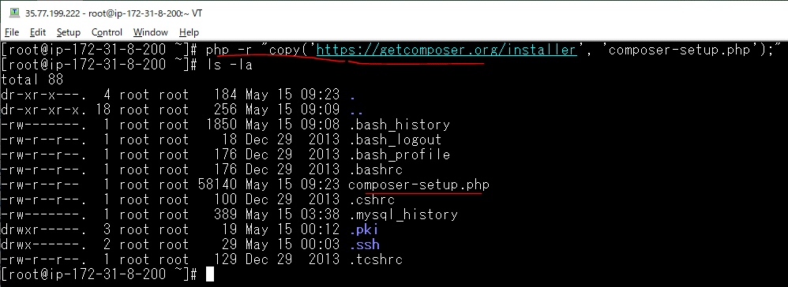

Execute the downloaded composer-setup.php to create an executable file (phar) of Composer
 | php composer-setup.php

Remove the installer
 | php -r "unlink('composer-setup.php');"

Moved for global use
 | mv composer.phar /usr/local/bin/composer

Make sure composer is working
 | composer -v

user
add news group
 | mkdir /var/www/news

 | groupadd -g 333 news | gid=333

 | cat /etc/group
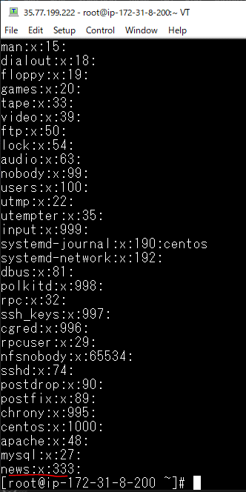

add admage user |  |  | UID(-u)=333
 | useradd -d /var/www/news -m -g 333 -u 333 -s /bin/bash news |  | HOME_DIR(-d)=/var/www/news
 |  |  | SHELL(-s)=/bin/bash
 |  |  | create-home(-m): Create the user's home directory if it does not exist
 |  |  | gid(-g)=333
 |  |  | UID(-u)= 333

 | cat /etc/passwd
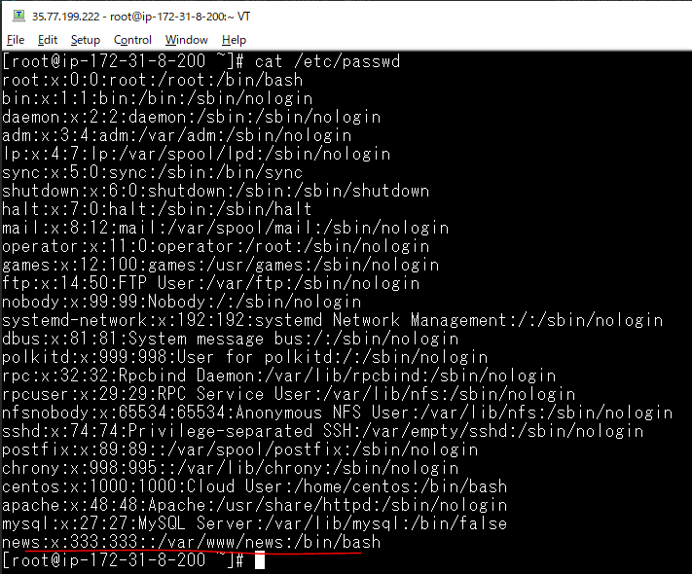

set news password
 | passwd news

 | chown -R news:news /var/www/news/

 | su - news

 | ## hostname không hiển thị thì thực hiện như sau
 | vi ~/.bashrc
 | # .bashrc

 | # Source global definitions
 | if [ -f /etc/bashrc ]; then
 | . /etc/bashrc
 | fi

 | # Uncomment the following line if you don't like systemctl's auto-paging feature:
 | # export SYSTEMD_PAGER=

 | # User specific aliases and functions

 | vi ~/.profile
 | if [ -s ~/.bashrc ]; then
 | source ~/.bashrc;
 | fi

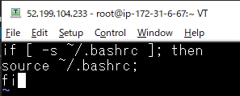

 | . ~/.profile

Release
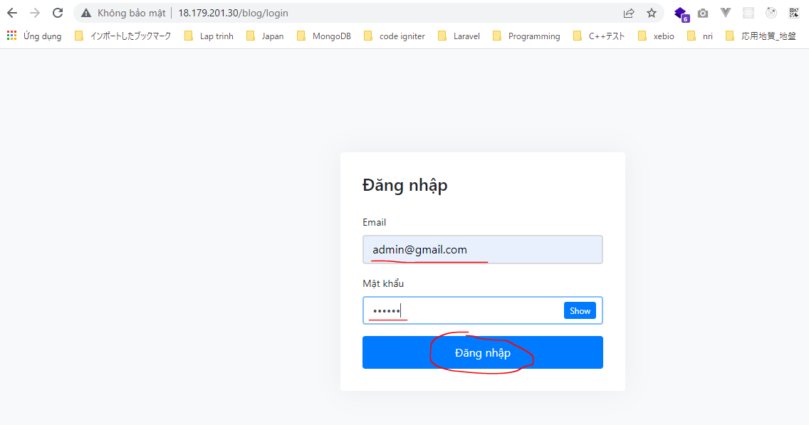


https://linuxtut.com/en/1ebaeaea9eb897c5c6b4/
Clone the Laravel source code
 | Move to the directory to place
 | cd /var/www/news/

 | Clone source


 | git clone https://github.com/vudinhquang/proj_news.git .



 | Remove cgi-bin and html
 | rm -r html
 | rm -r cgi-bin


Set to work (Apache, Laravel)
 | vi /etc/httpd/conf/httpd.conf


 | Apache restart

Laravel settings
 | composer install




 | Clear cache for config and route
 | php artisan config:cache
 | php artisan route:cache
 | php artisan config:clear


 | Change permissions
 | chmod 777 storage -R
 | chmod 777 bootstrap -R

 | Confirmation


 | .env settings
 | cp .env.example .env
 | vi .env


 | Create a key and clear the cache
 | php artisan key:generate
 | php artisan config:clear

migration
 | php artisan migrate


 | Fix error



 | Migate again
 | php artisan migrate


 | php artisan db:seed


 | php artisan db:seed --class=ArticleTableSeeder

 | php artisan db:seed --class=CategoryTableSeeder

 | php artisan db:seed --class=RssSeeder


 | php artisan db:seed --class=SliderTableSeeder

 | php artisan db:seed --class=UserTableSeeder

Check database


Check browser

