split pagination
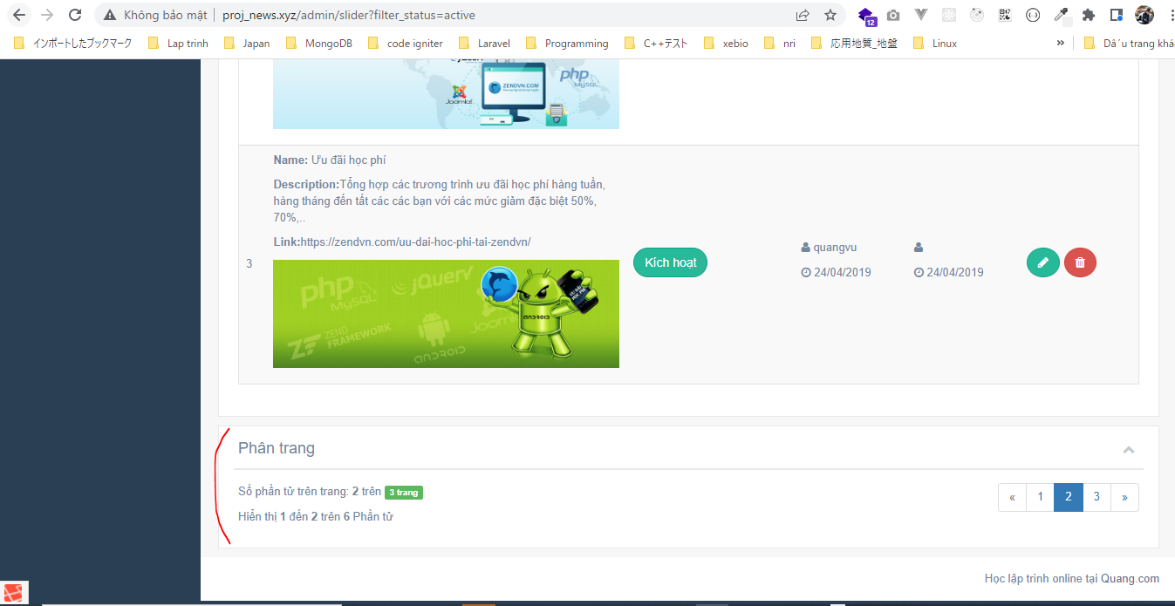
views\admin\templates\pagination.blade.php
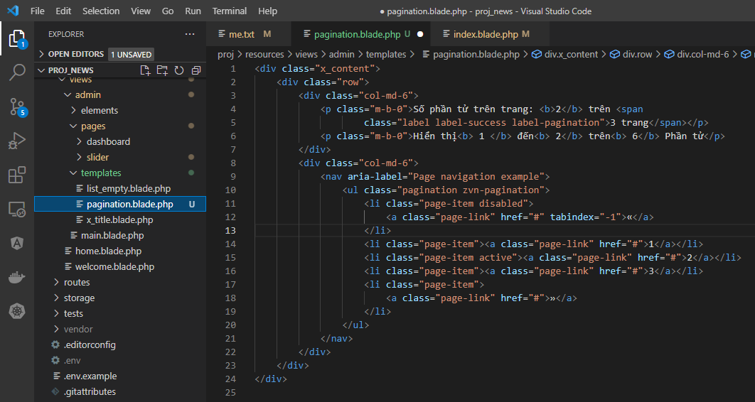

views\admin\pages\slider\index.blade.php
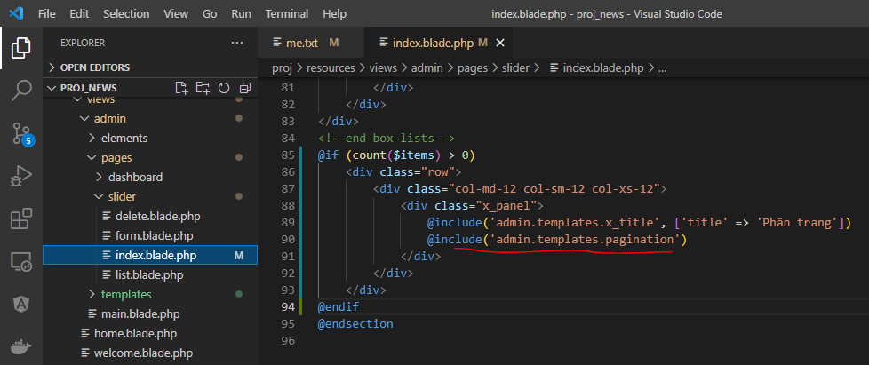

Access url to check

paginate
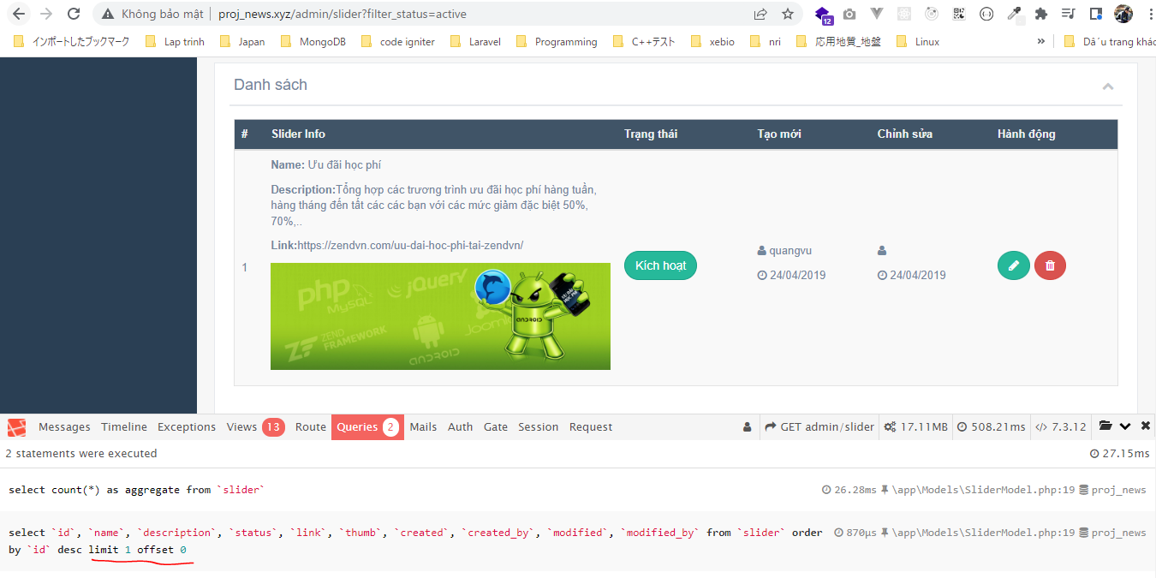
Controllers\SliderController.php
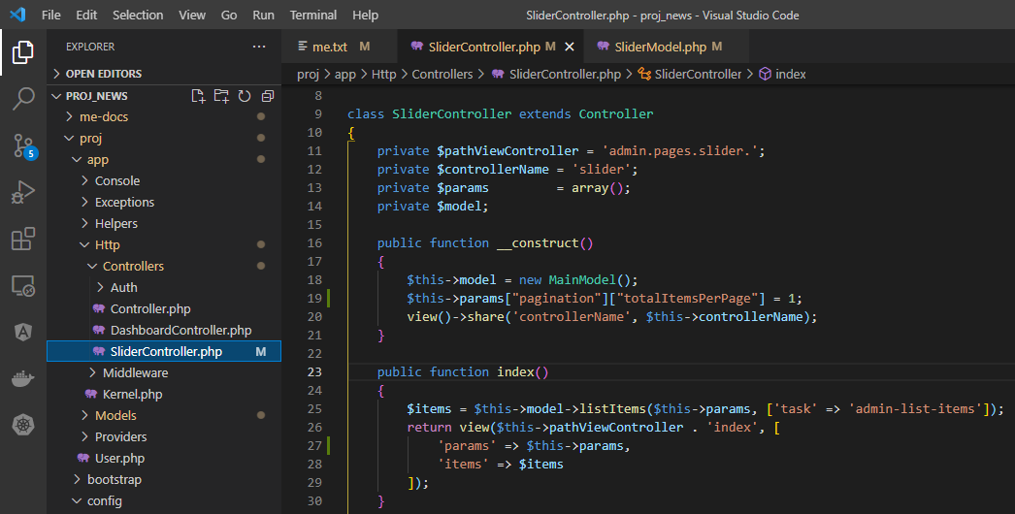

Models\SliderModel.php
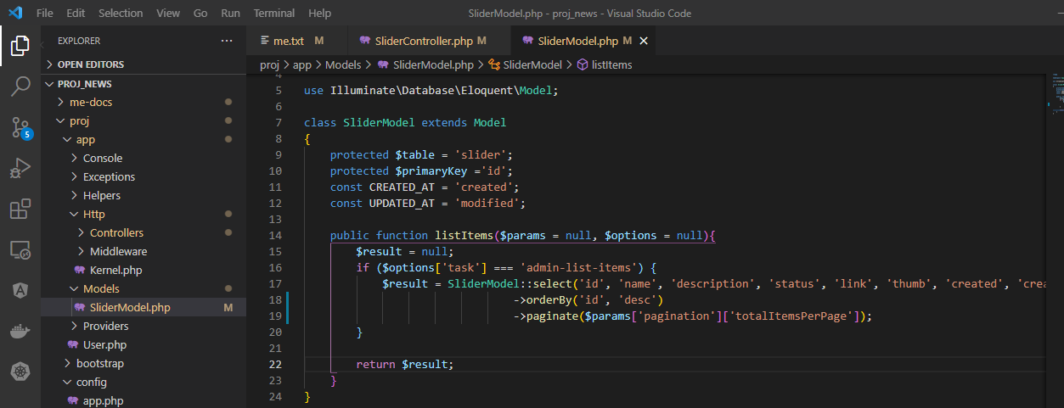

Access browser to check

custom view
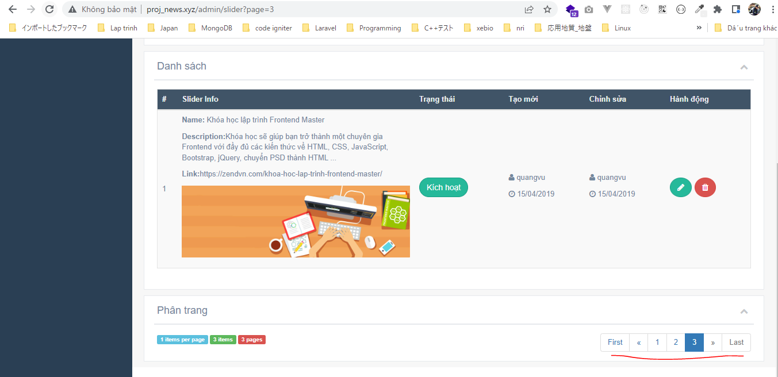
views\pagination\pagination_backend.blade.php
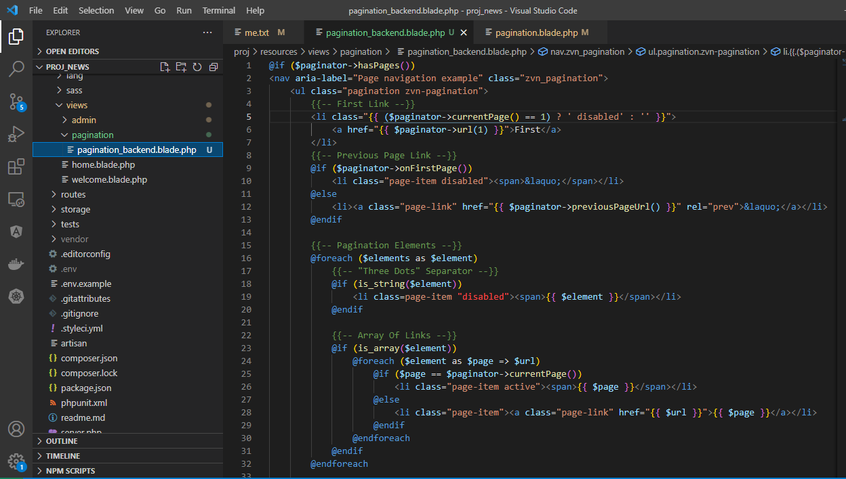

views\admin\templates\pagination.blade.php

Access browser to check

fix pagination
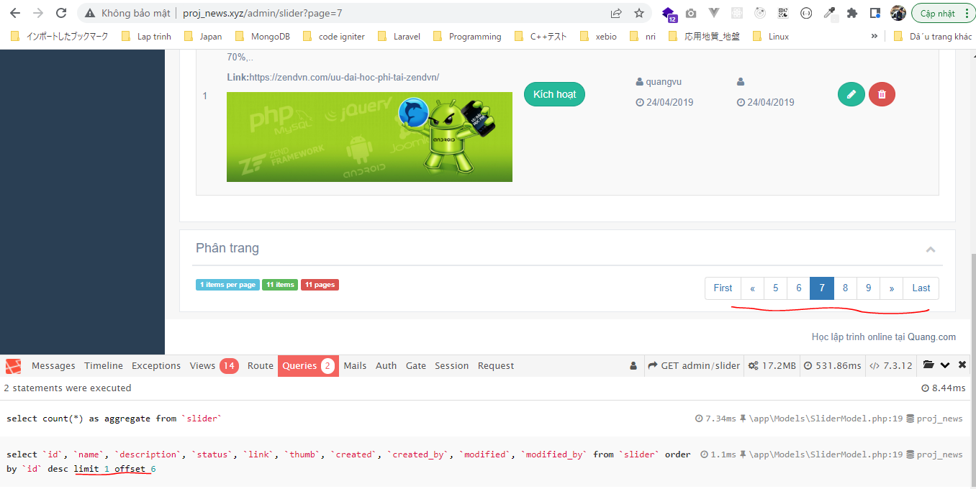
Add test data

config\zvn.php
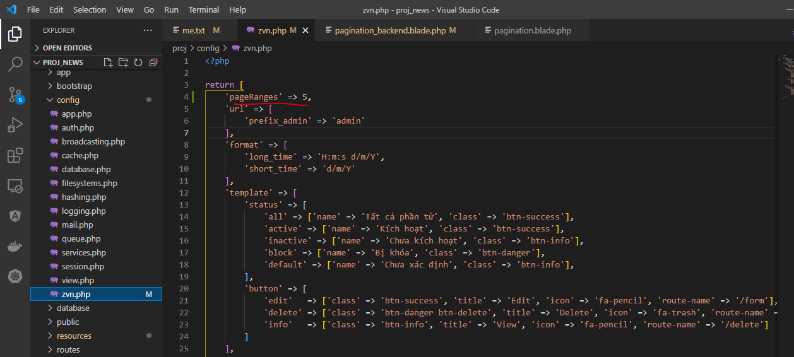

views\pagination\pagination_backend.blade.php
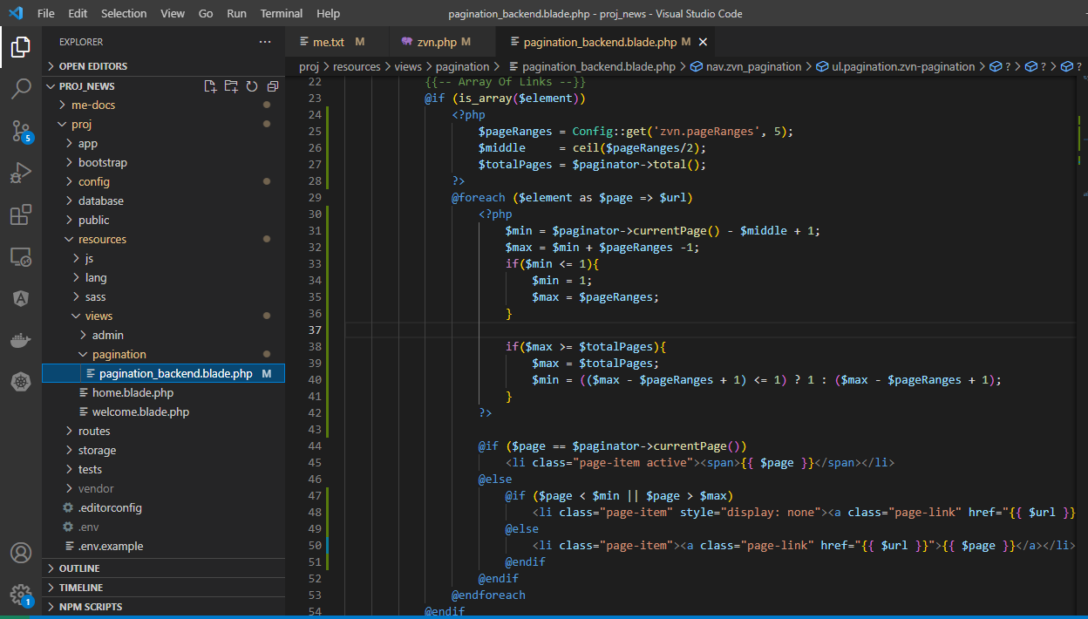

Access browser to check

