show isHome
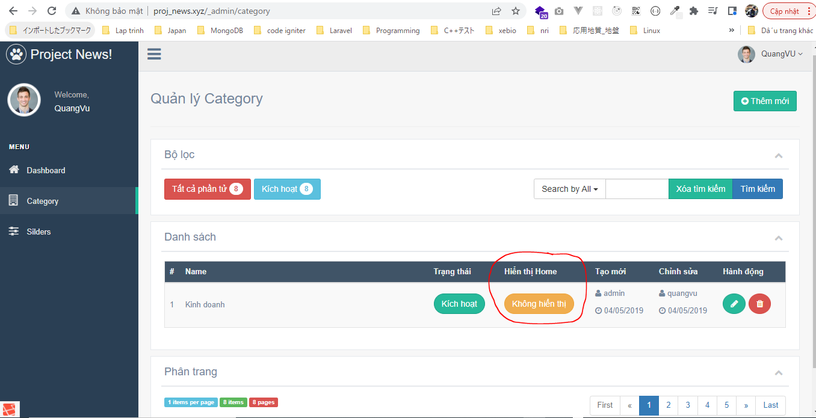
app\Models\CategoryModel.php

app\Helpers\Template.php

views\admin\pages\category\list.blade.php
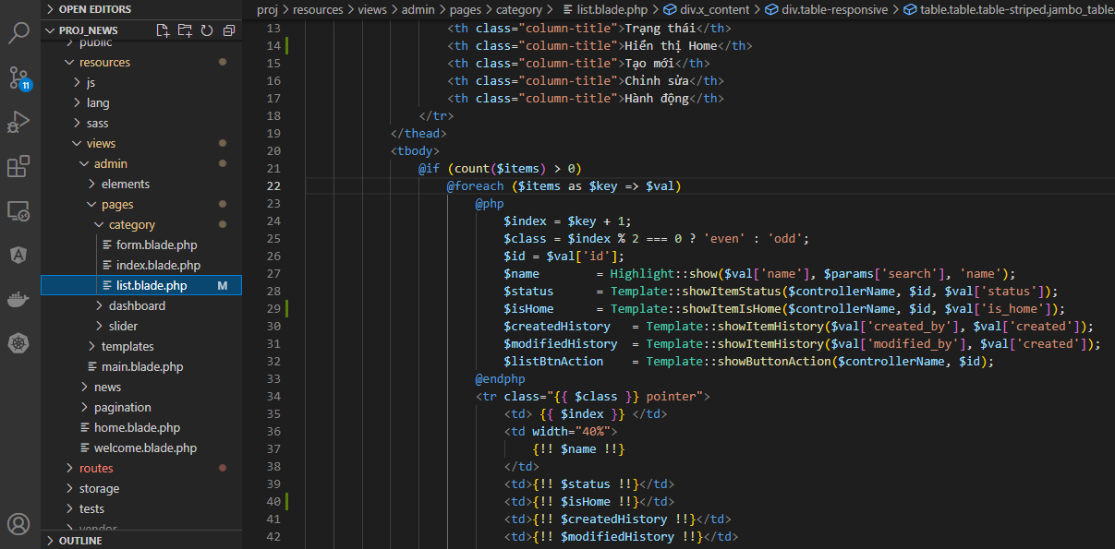

config\zvn.php
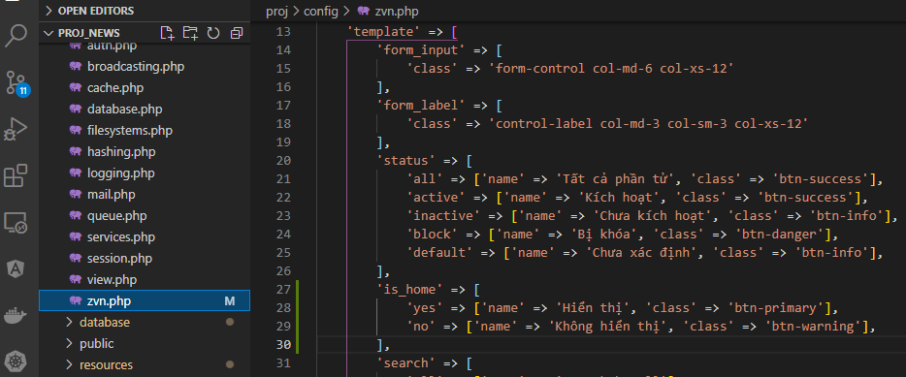

routes\web.php

Check browser

change isHome
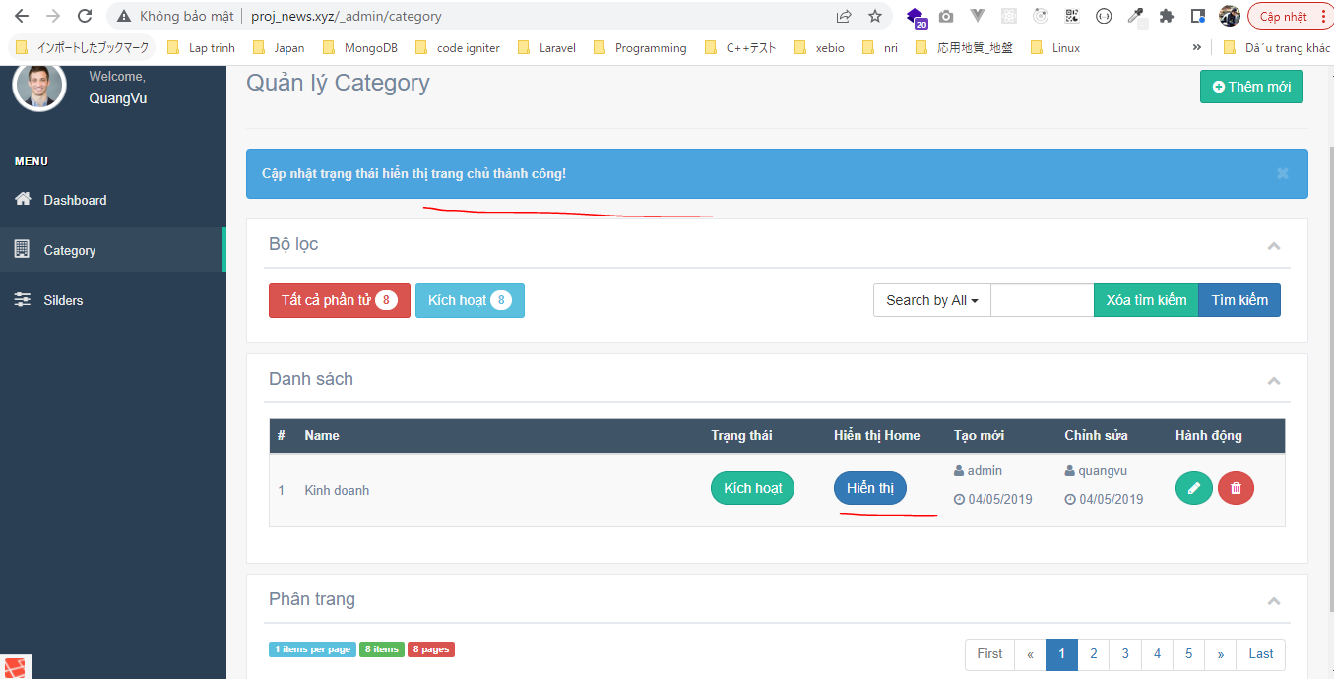
Http\Controllers\CategoryController.php

Models\CategoryModel.php

resources\lang\en\notify.php

Check browser
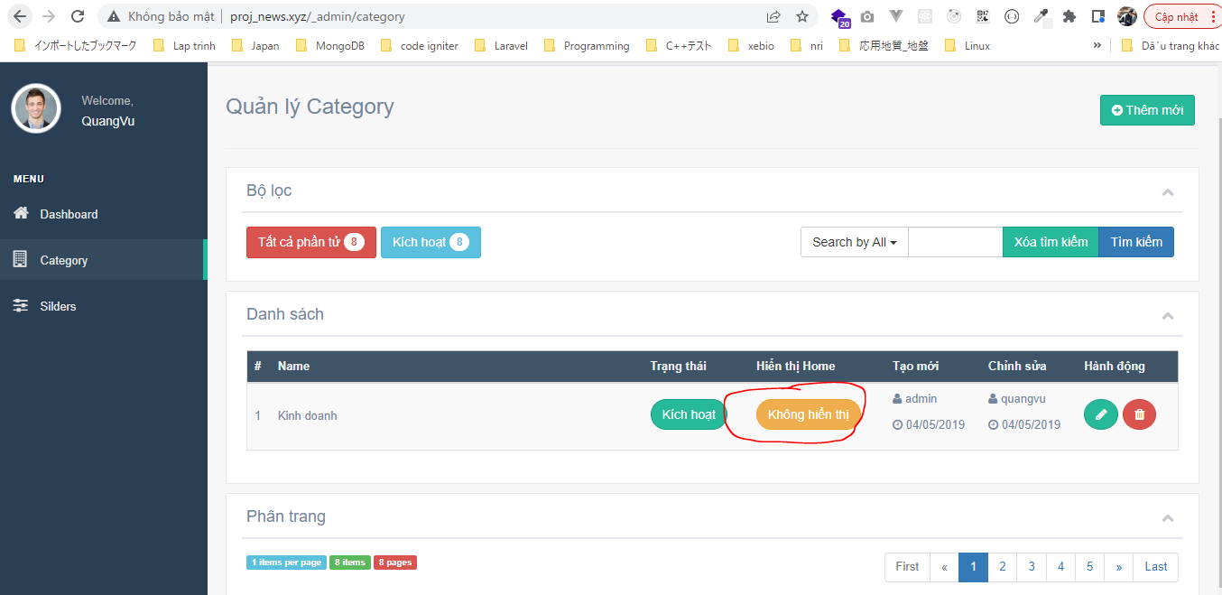

 | Result

