template
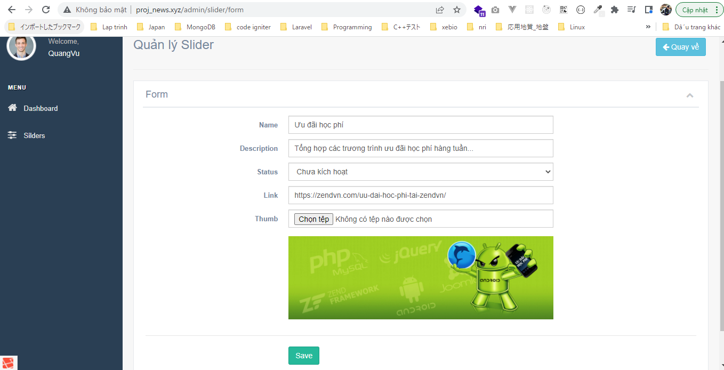
Controllers\SliderController.php

views\admin\pages\slider\index.blade.php

views\admin\pages\slider\form.blade.php
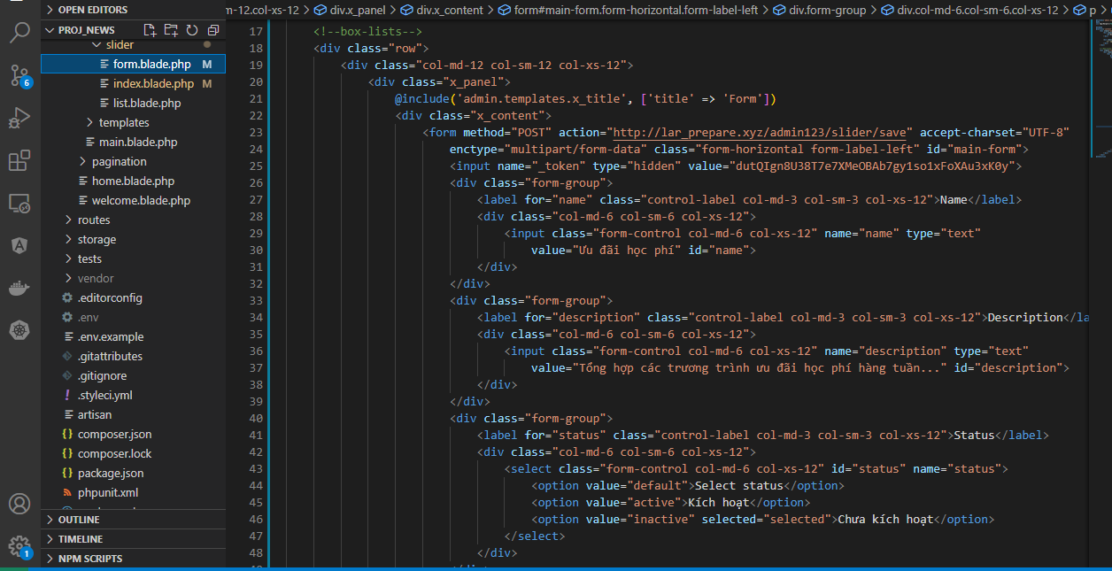

Check Browser

page header
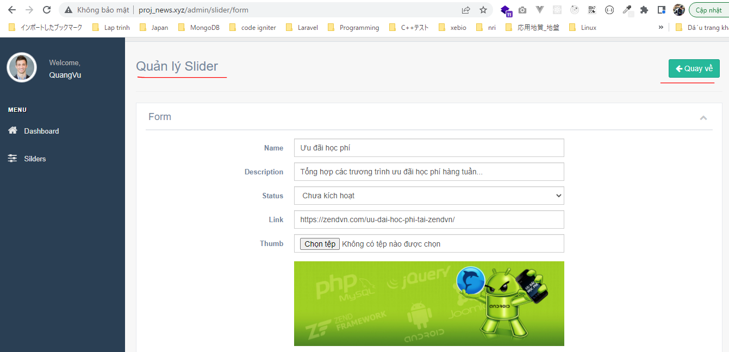
views\admin\templates\page_header.blade.php

views\admin\pages\slider\index.blade.php
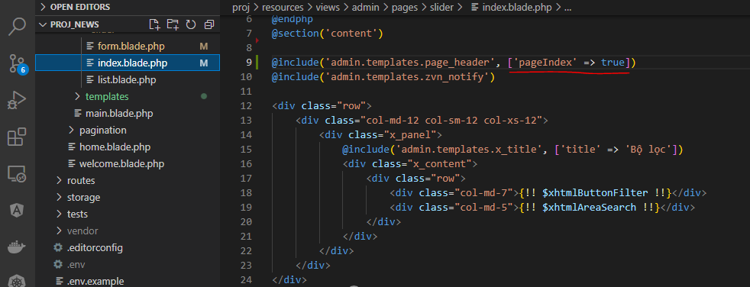

resources\views\admin\pages\slider\form.blade.php

Check browser
 | index
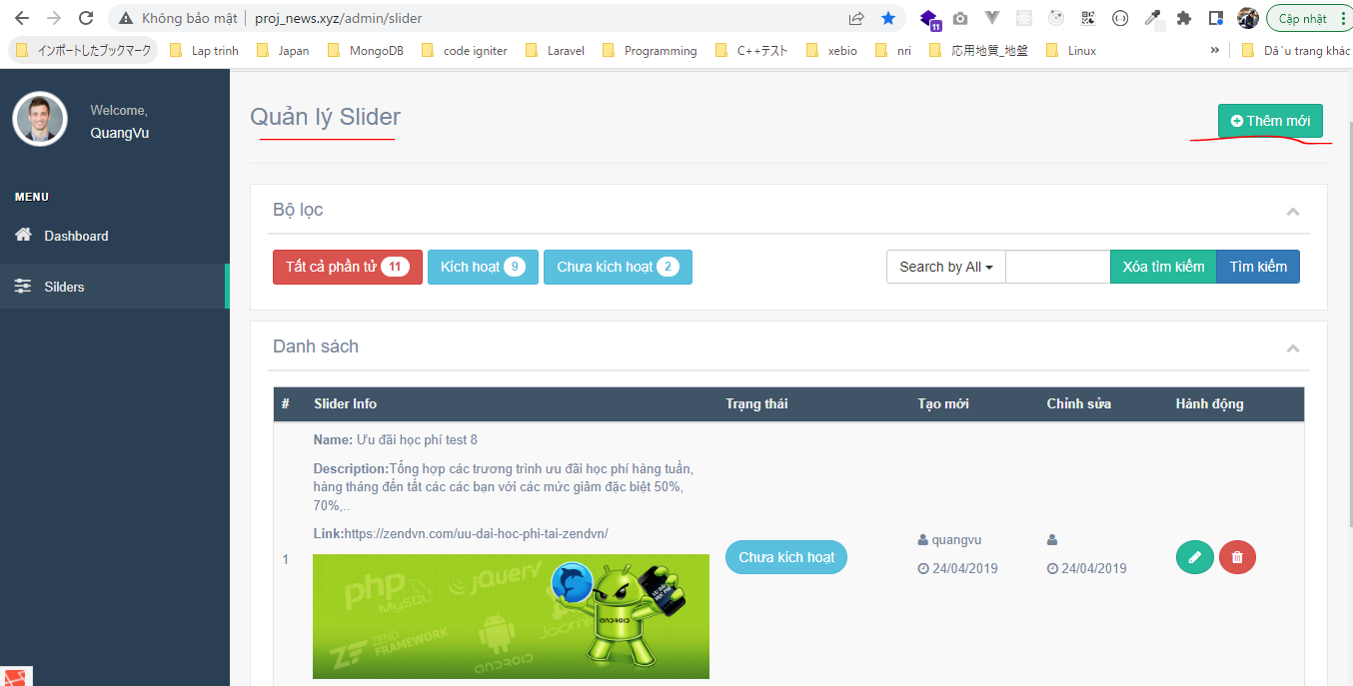

 | form

getItem
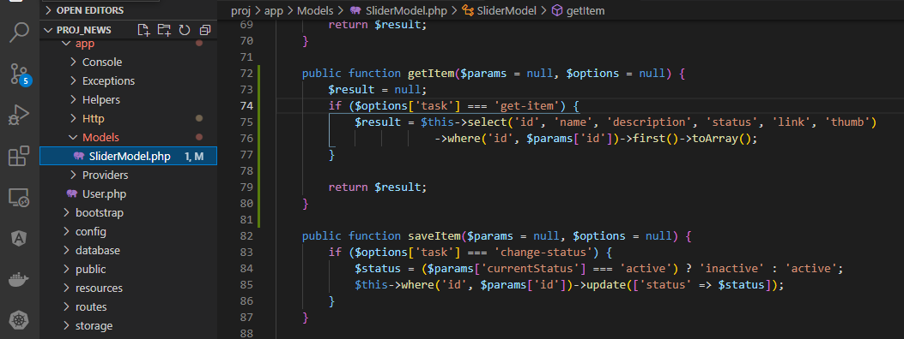
Controllers\SliderController.php

Models\SliderModel.php

collective
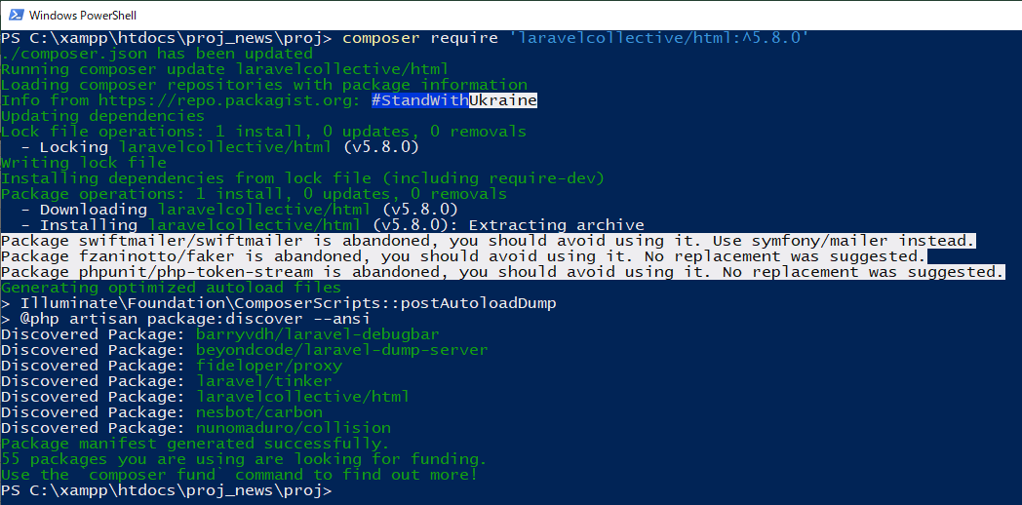
URL
 | https://laravelcollective.com/docs/5.8/html
Installation để tạo html
 | composer require 'laravelcollective/html:^5.8.0'

Better Align
Install and setting
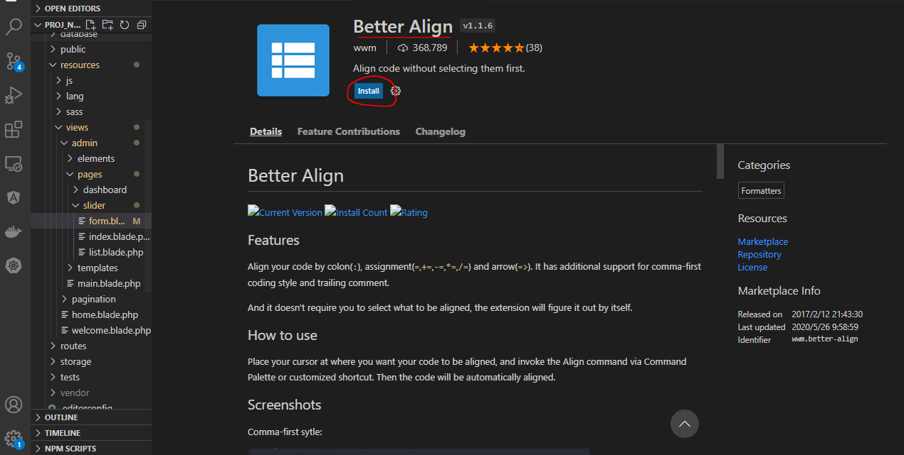

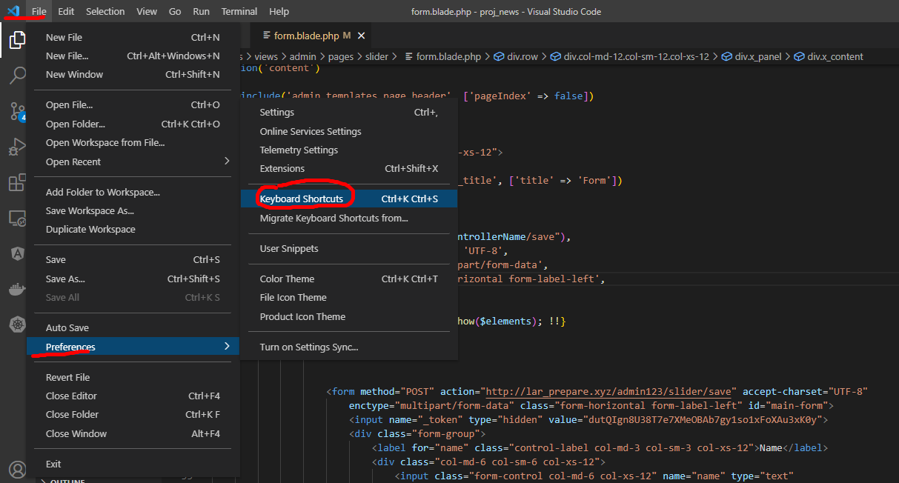

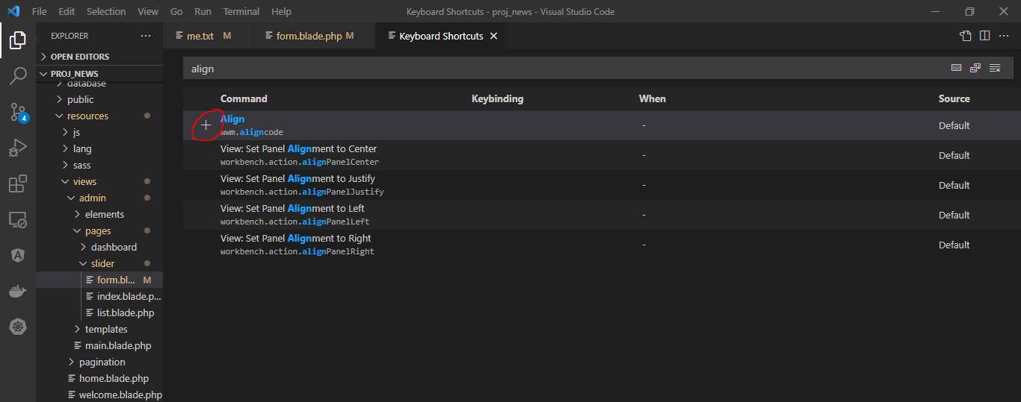

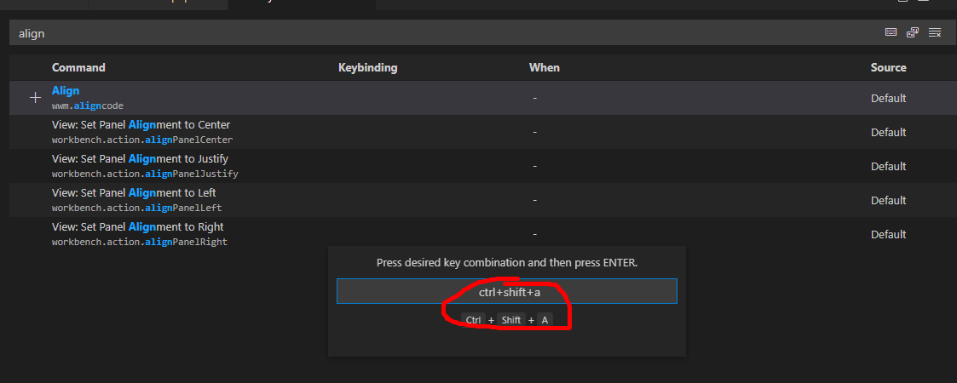

Check

 | Ctrl+Shift+A

name description
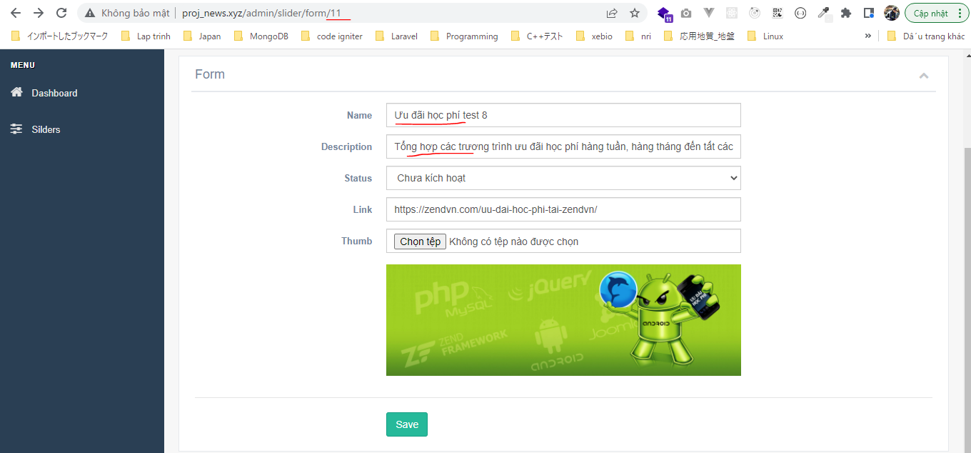
routes\web.php

app\Http\Controllers\SliderController.php

resources\views\admin\pages\slider\form.blade.php
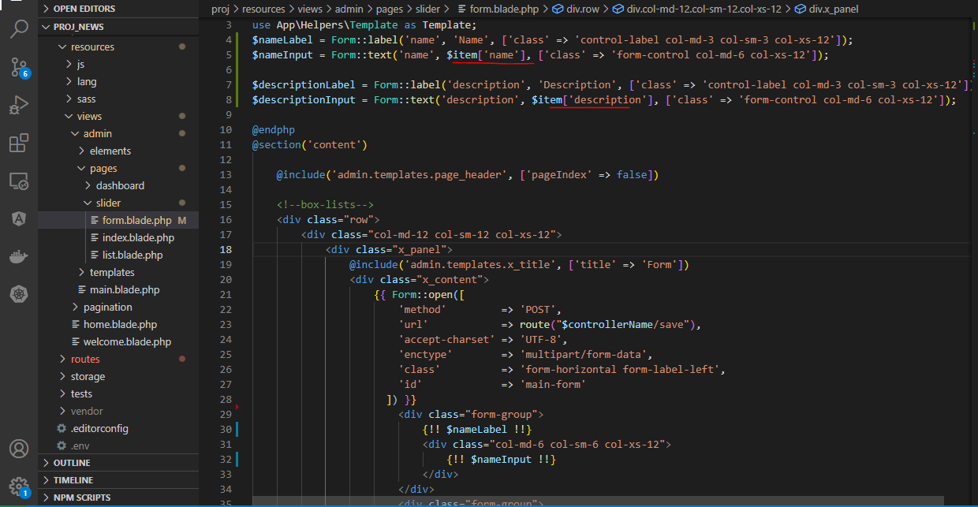

Check browser

FormTemplate
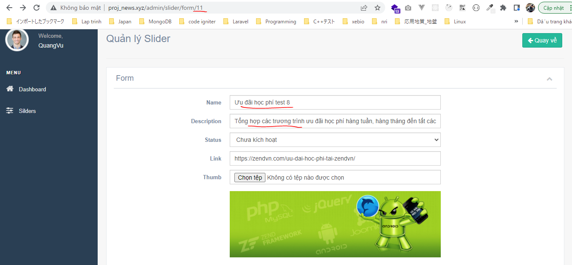
config\zvn.php
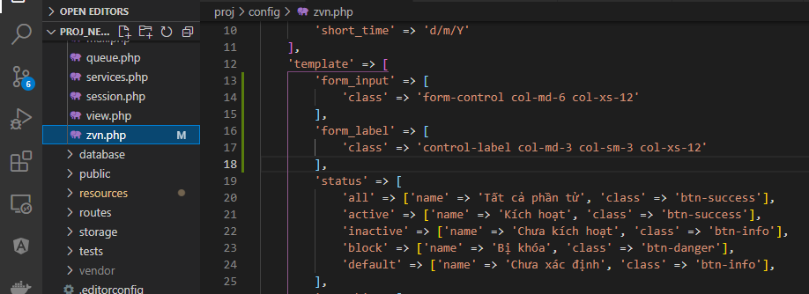

views\admin\pages\slider\form.blade.php
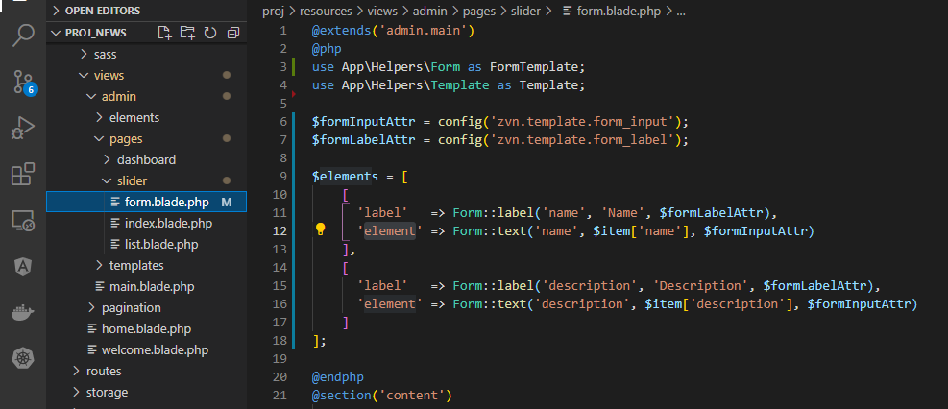

app\Helpers\Form.php
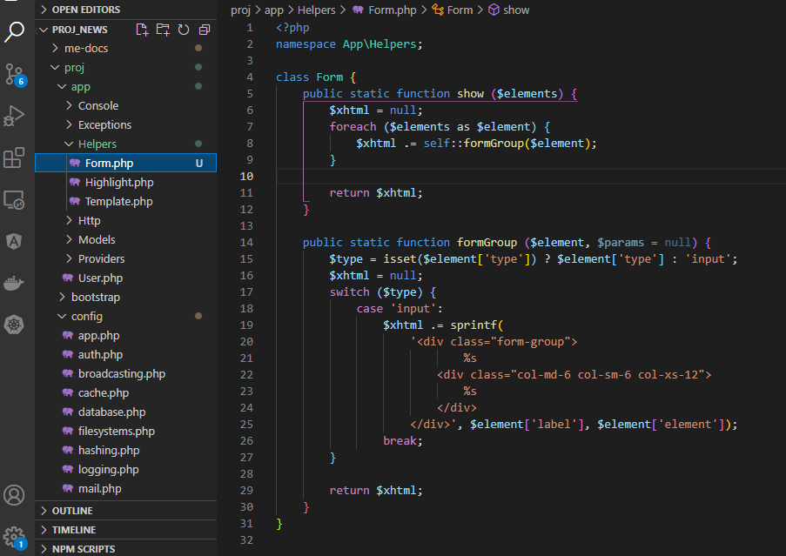

Check on browser

select button
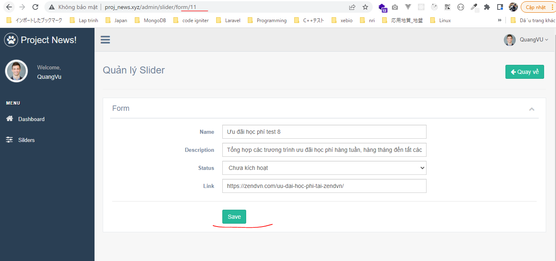
views\admin\pages\slider\form.blade.php
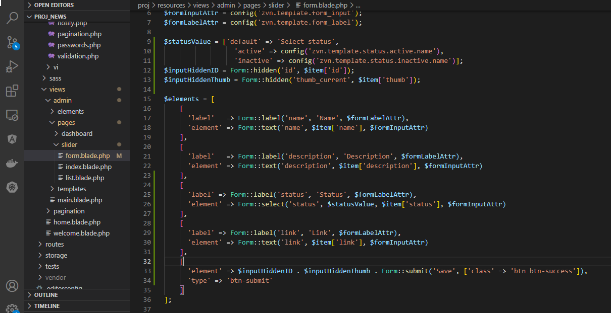

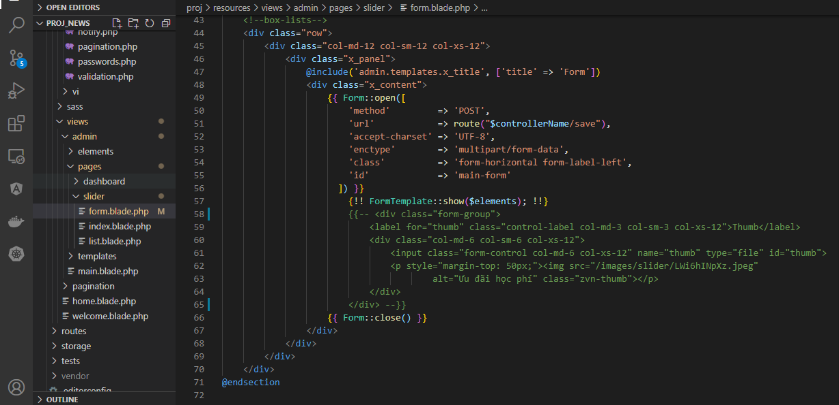

app\Helpers\Form.php
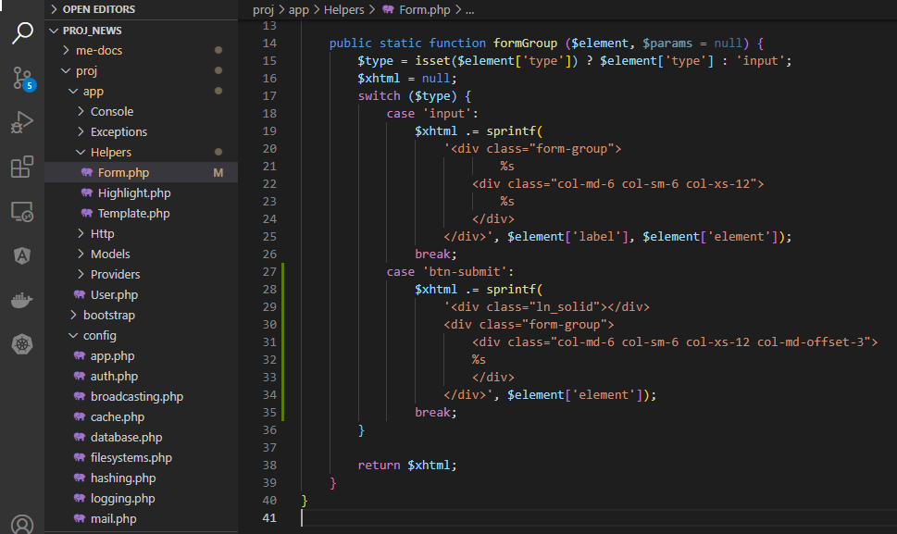

Check browser

thumb
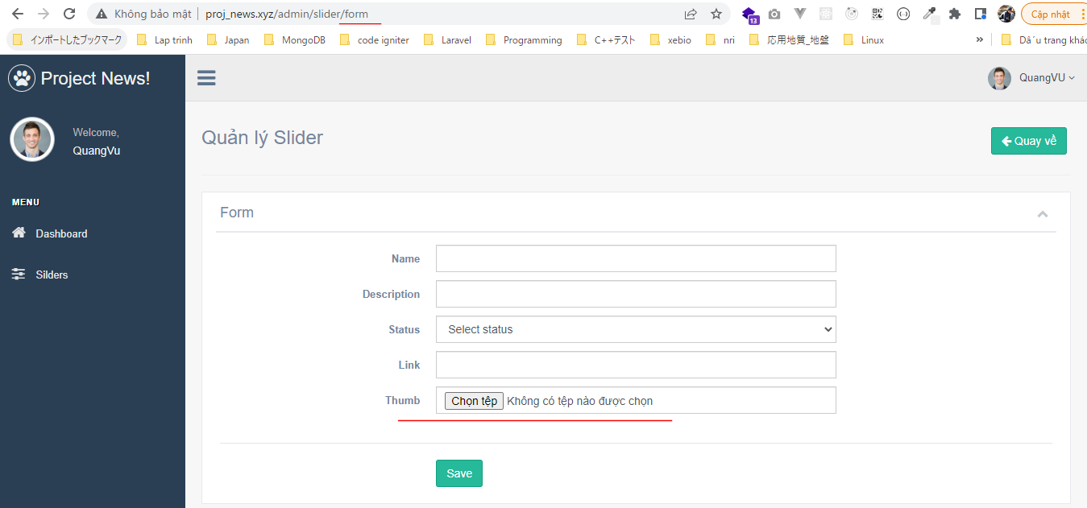
views\admin\pages\slider\form.blade.php

app\Helpers\Form.php
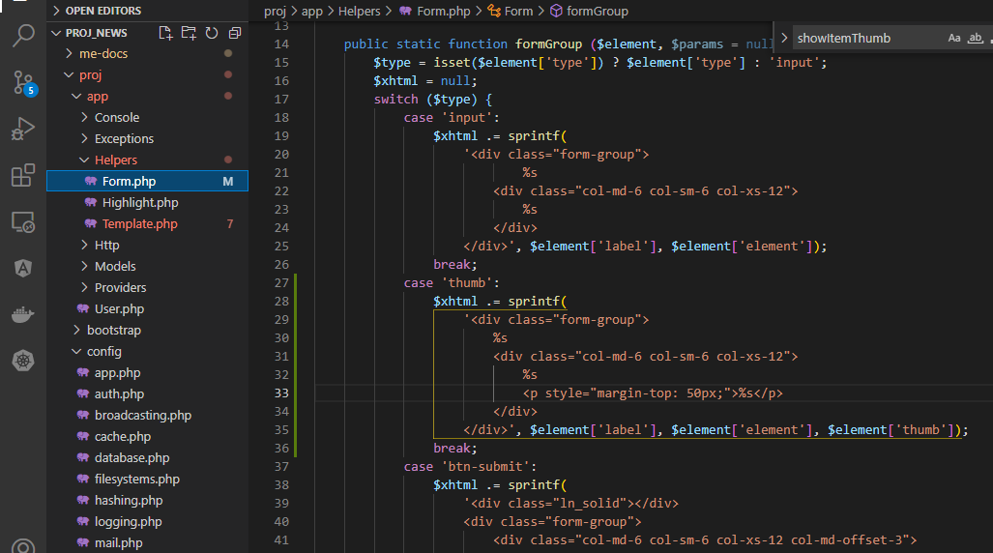

Check browser
 | Edit
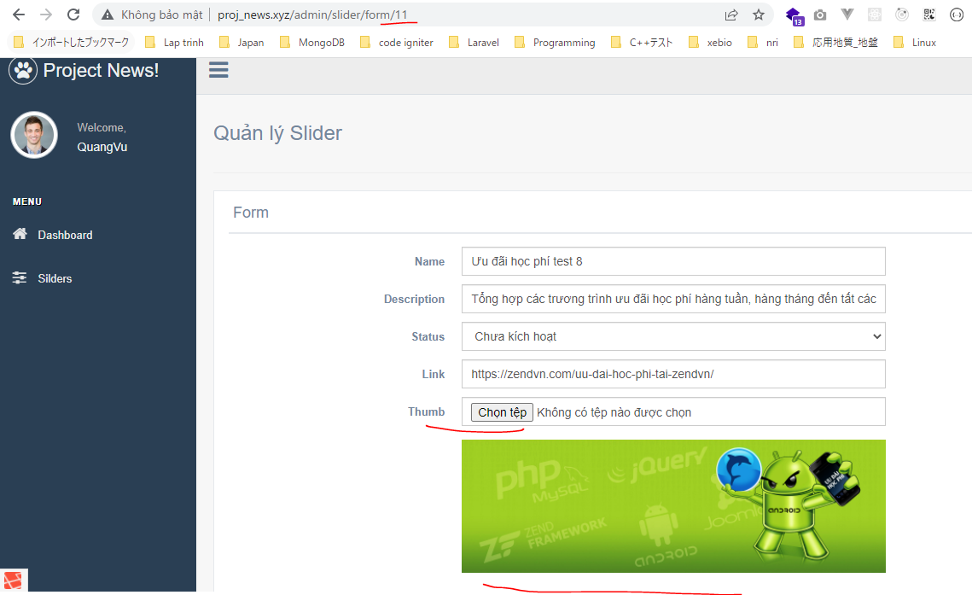

 | Add

