split pagination
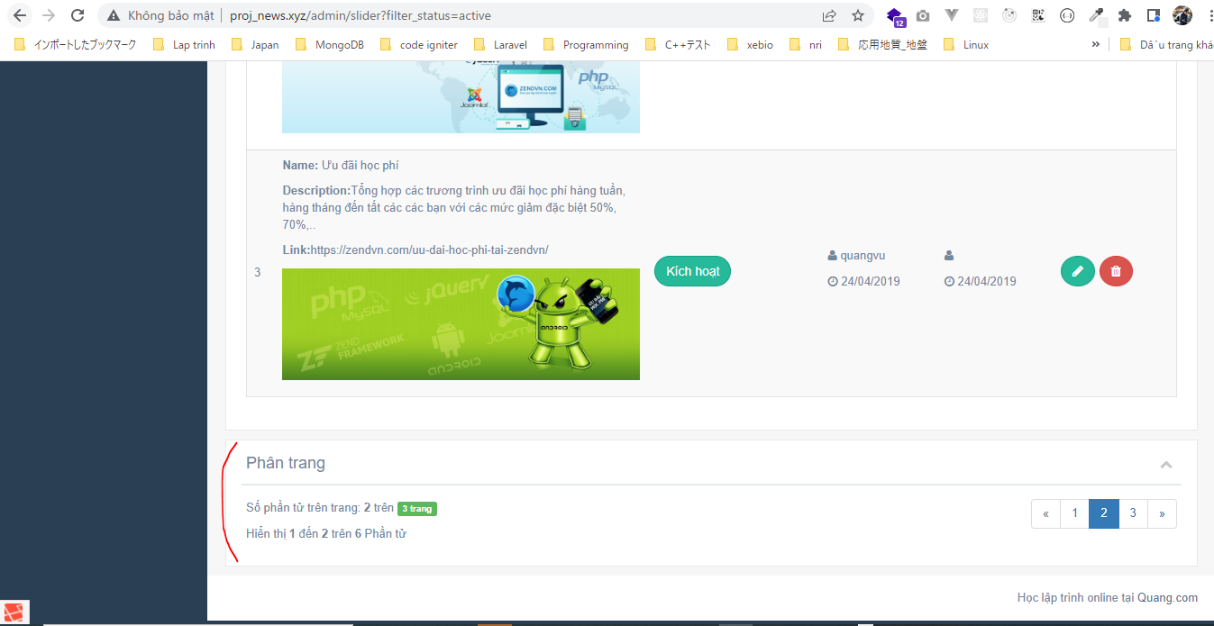
views\admin\templates\pagination.blade.php
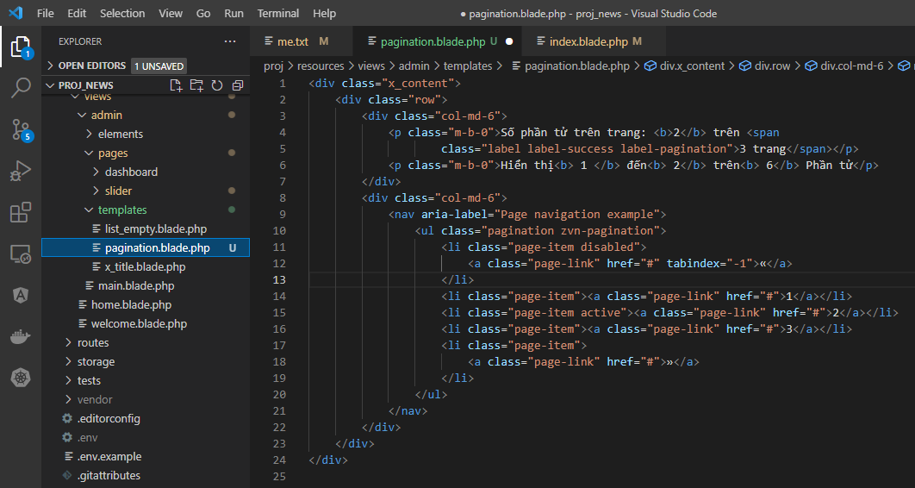

views\admin\pages\slider\index.blade.php
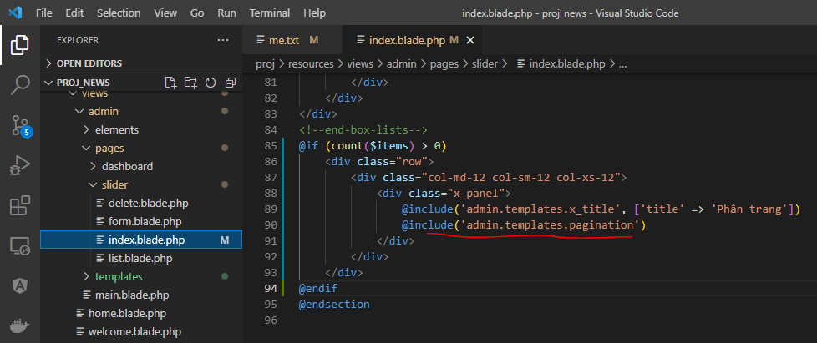

Access url to check

