Upgrading To 8.0
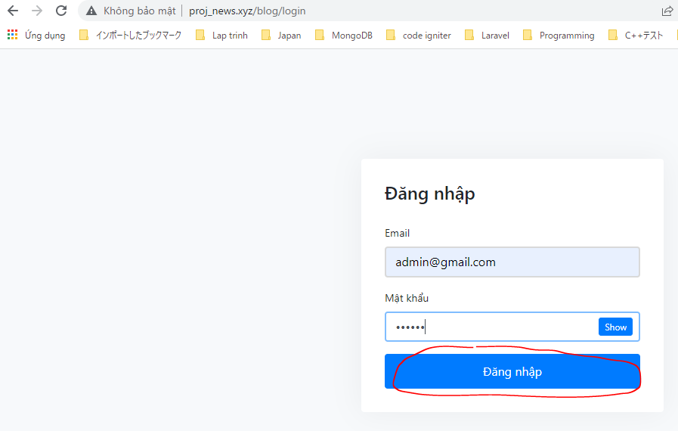
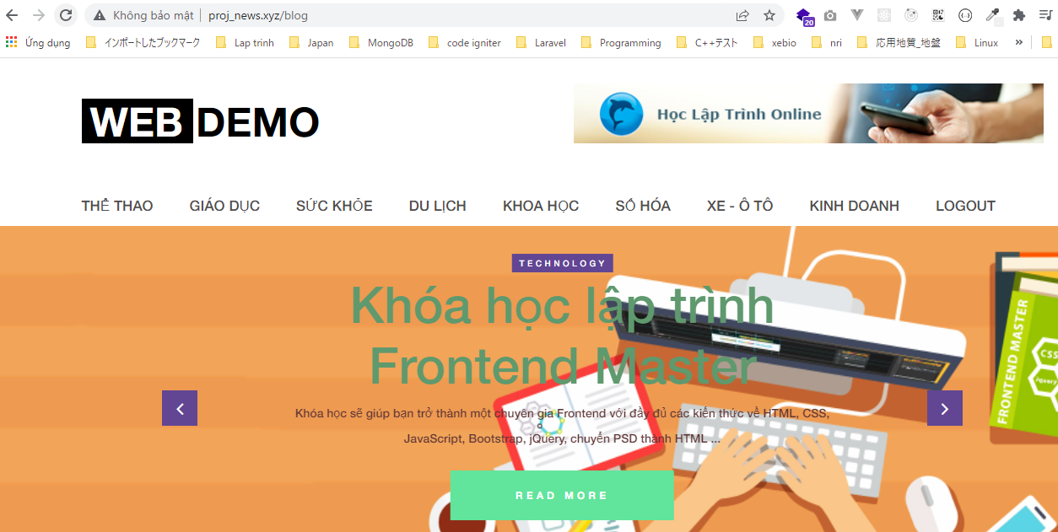
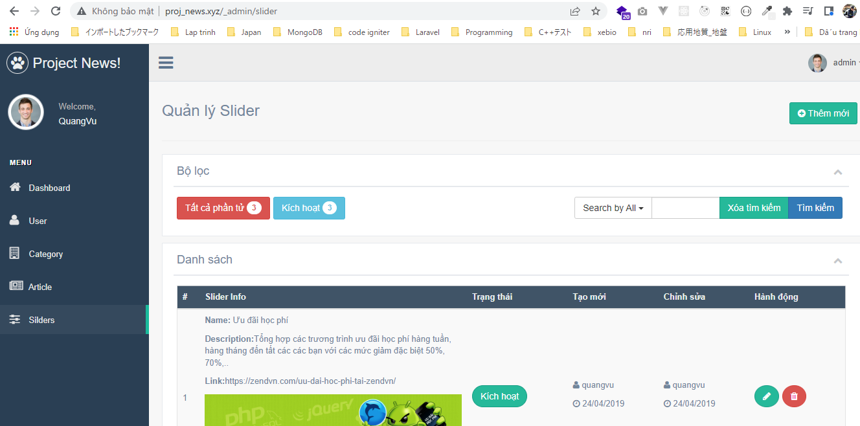
Updating Dependencies
 | https://laravel.com/docs/7.x/upgrade

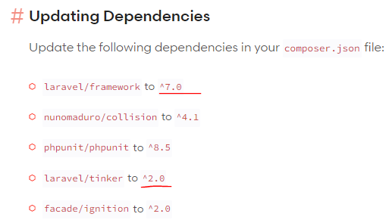

 | https://laravel.com/docs/8.x/upgrade#upgrade-8.0
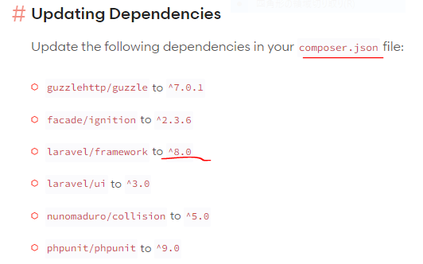

 | composer.json
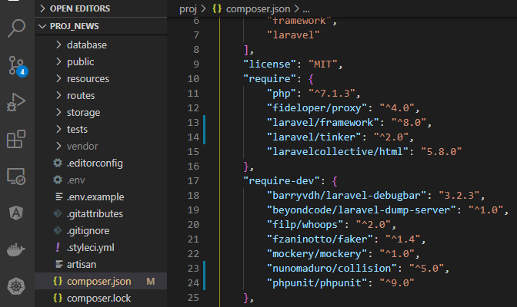

composer update

composer.json
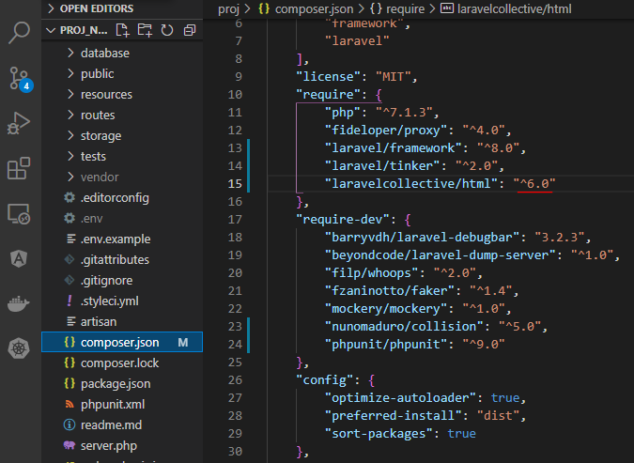

composer update
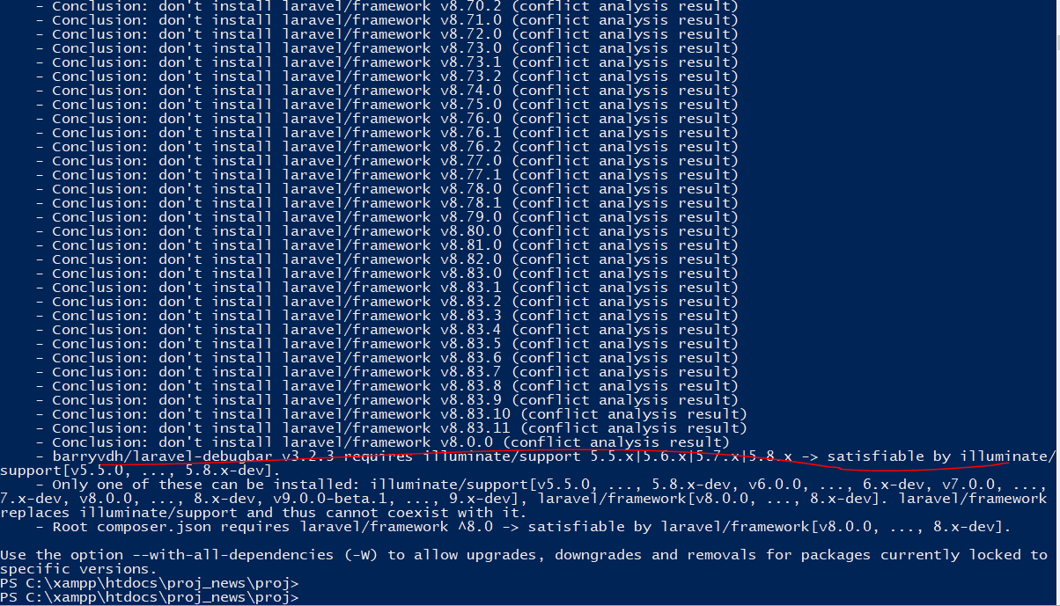

composer.json
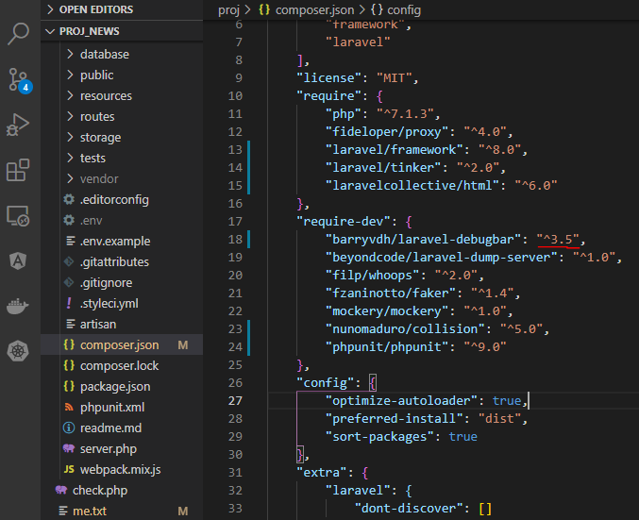

composer update
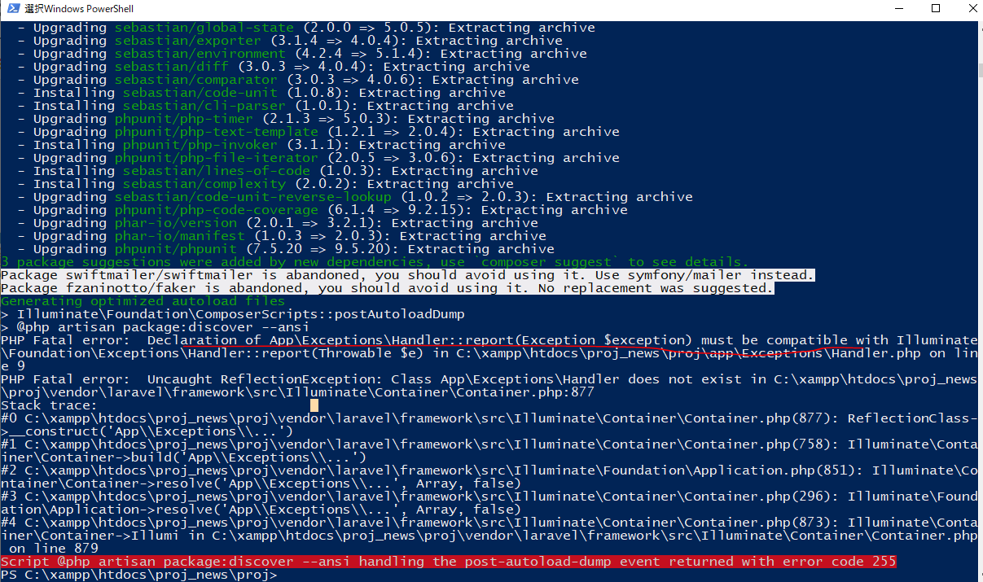

 | https://stackoverflow.com/questions/60670862/laravel-error-declaration-of-app-exceptions-handlerreportthrowable-exception
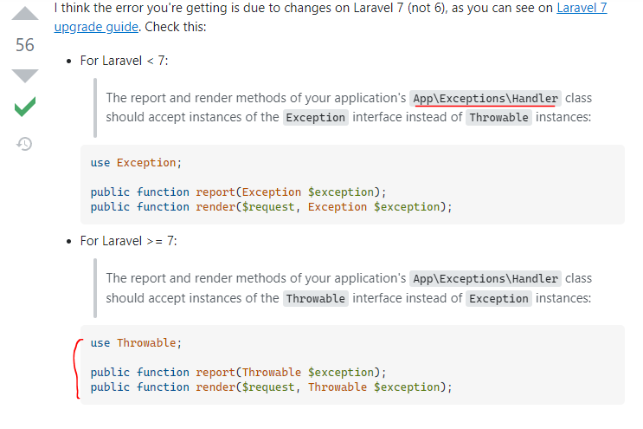

app\Exceptions\Handler.php

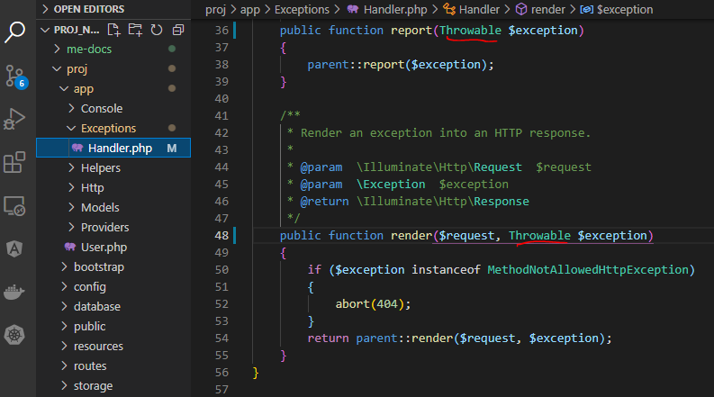

composer update
 | update successful
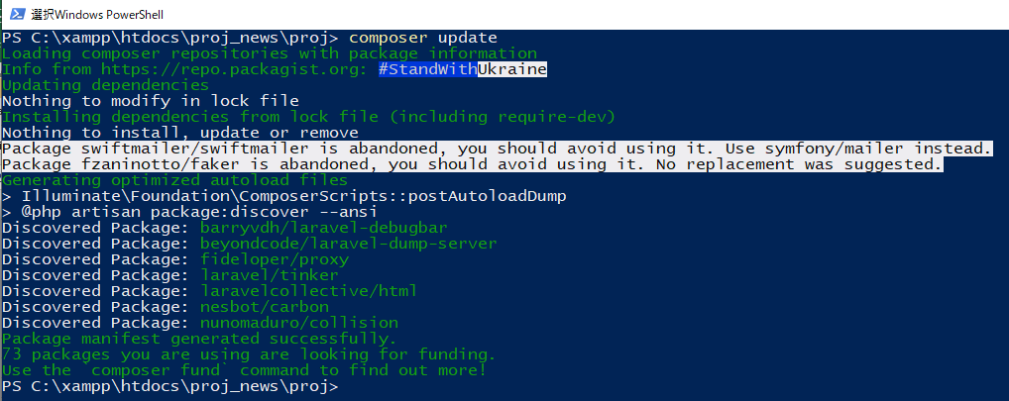

Check browser

install 8.x và copy source

Install Laravel
 | composer create-project laravel/laravel:^8.0 .
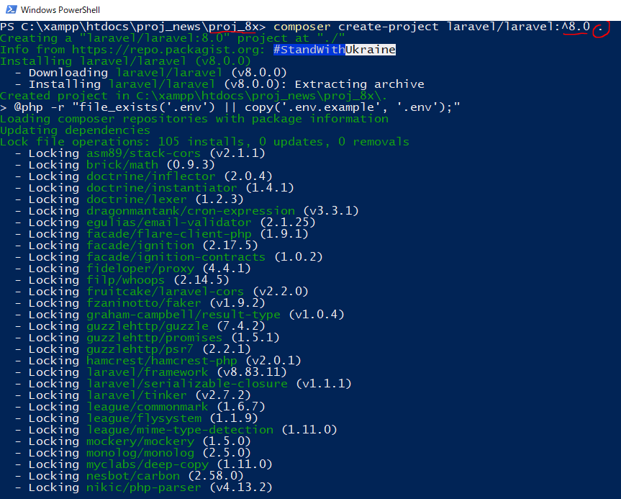

.env
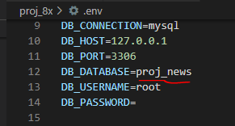

Install debugbar
 | composer require barryvdh/laravel-debugbar --dev
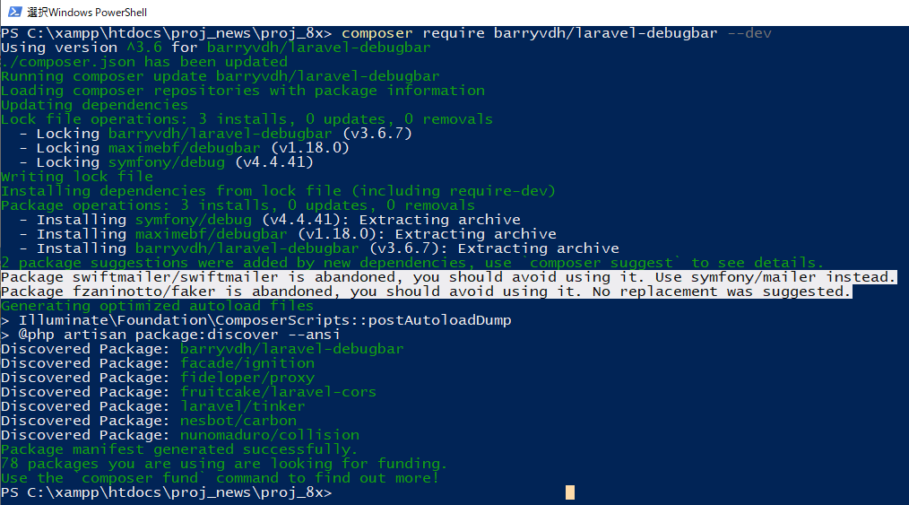

Install laravelcollective
 | composer require laravelcollective/html
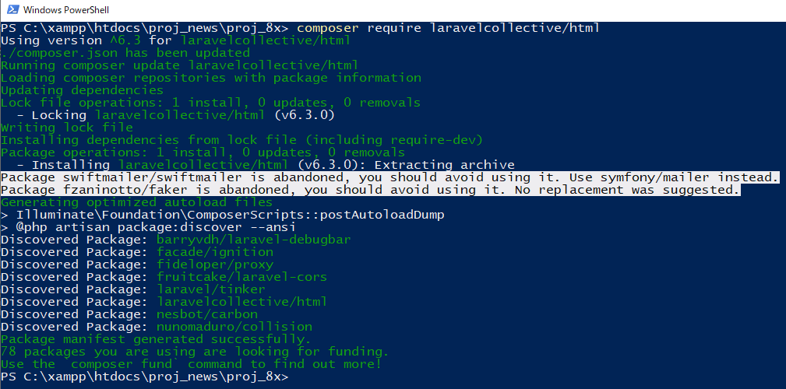

Check Laravel version

Copy Helpers
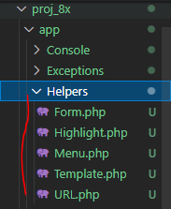

Copy Controller
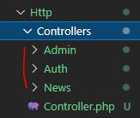

Coppy Middleware
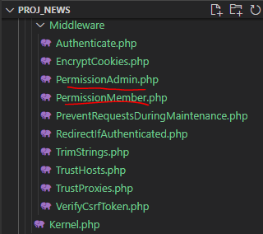

Copy Requests folder
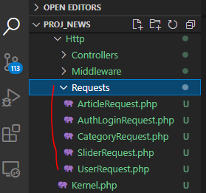

Copy Model
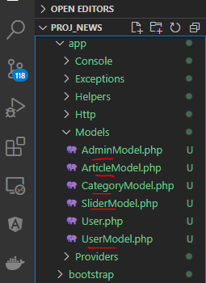

Edit User.php
 | app\User.php

Copy config\zvn.php
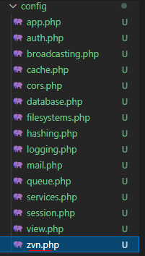

Copy public
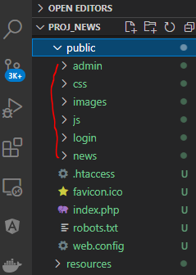

Copy all file in resources\views
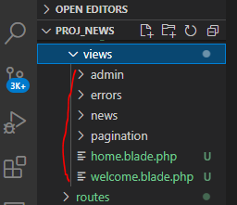

Copy routes\web.php
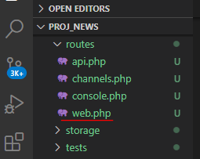

xampp\apache\conf\extra\httpd-vhosts.conf
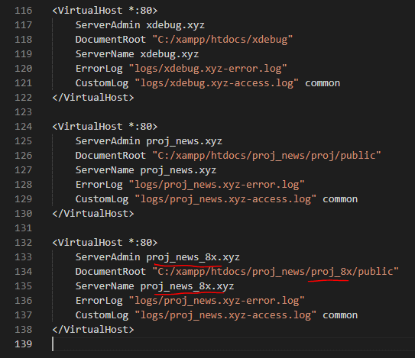

C:\Windows\System32\drivers\etc\hosts

 |  | Cú pháp khai báo route của Laravel 8 khác nên sẽ phát sinh lỗi
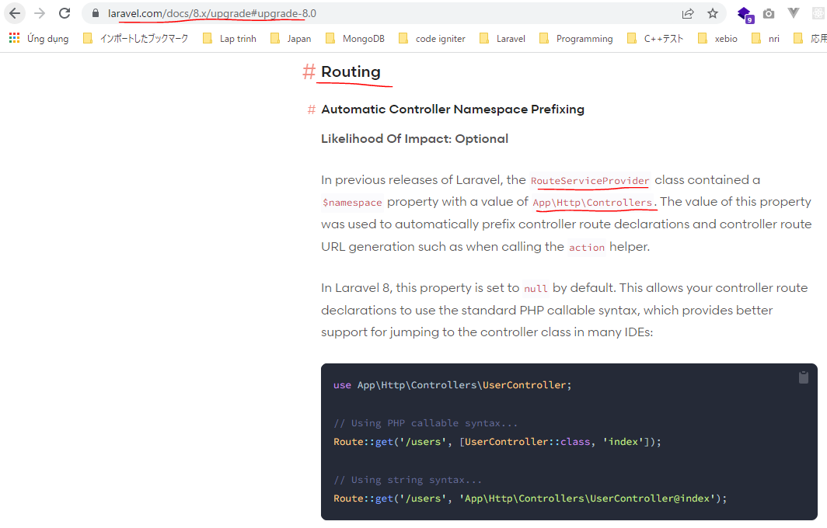
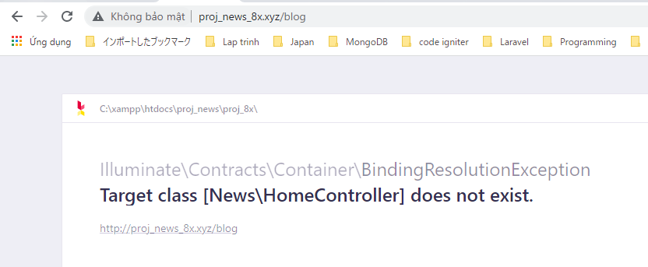

 | app\Providers\RouteServiceProvider.php

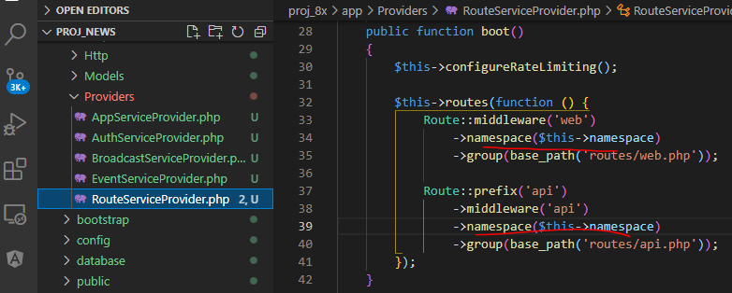

app\Http\Kernel.php

config\filesystems.php
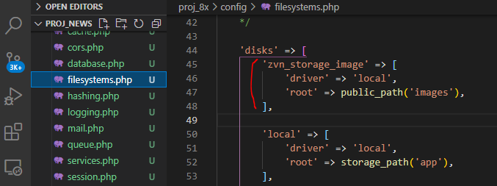

Copy resources\lang\en\notify.php
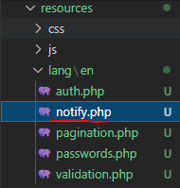

edit resources\lang\en\validation.php
Using WinMerge
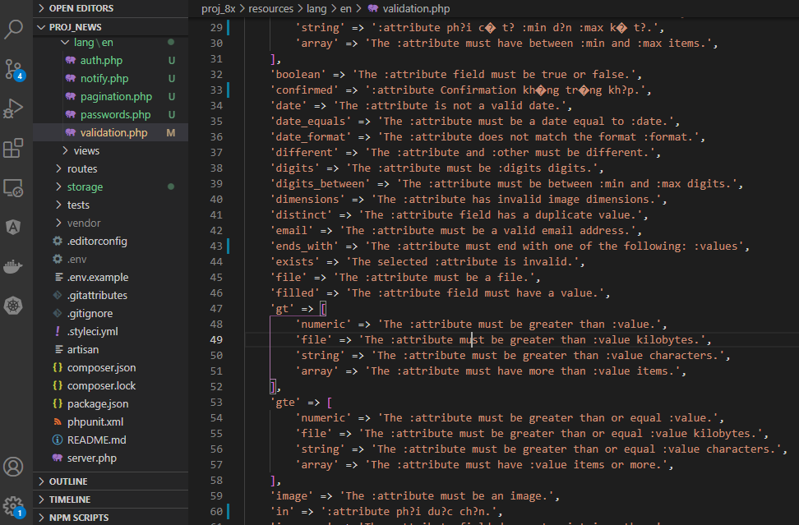

Copy database\migrations
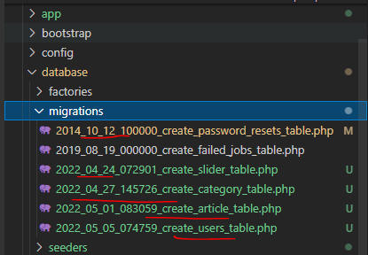

Copy database\seeders
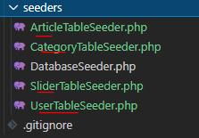

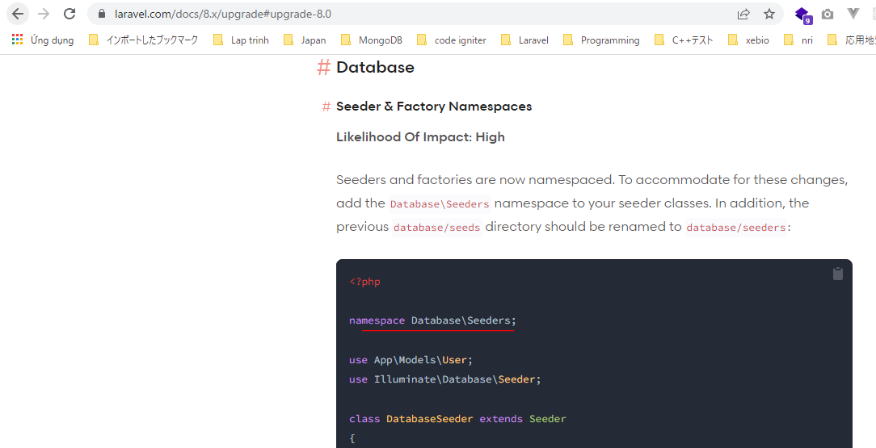
Add namespace
 | database\seeders\ArticleTableSeeder.php |  | Laravel 8
 | database\seeders\CategoryTableSeeder.php
 | database\seeders\SliderTableSeeder.php
 | database\seeders\UserTableSeeder.php
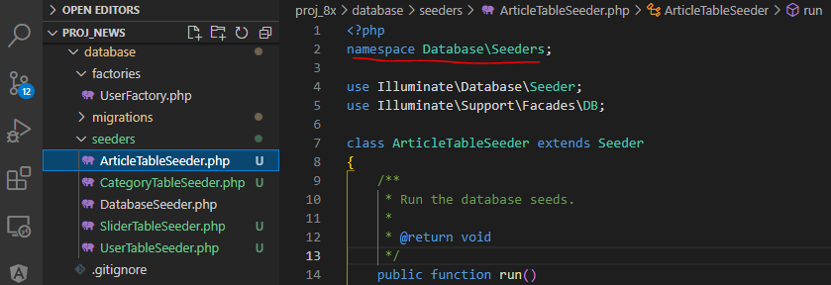

Check browser
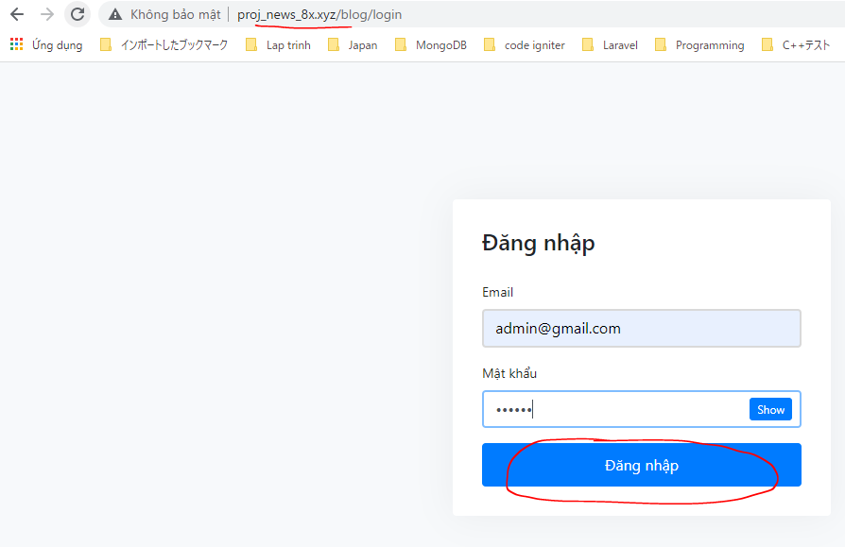

 | Result
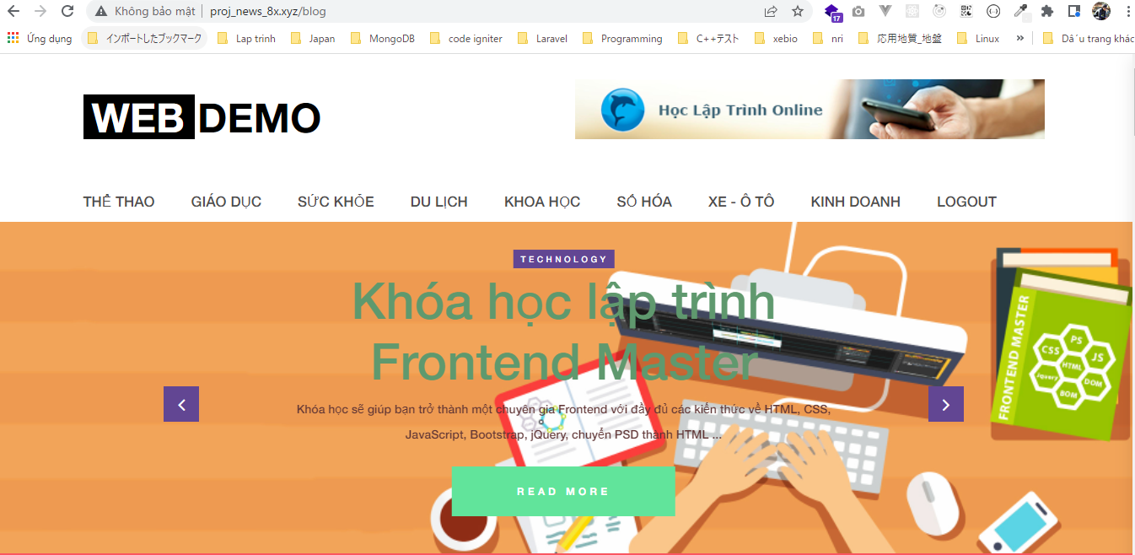

 | Admin

