template
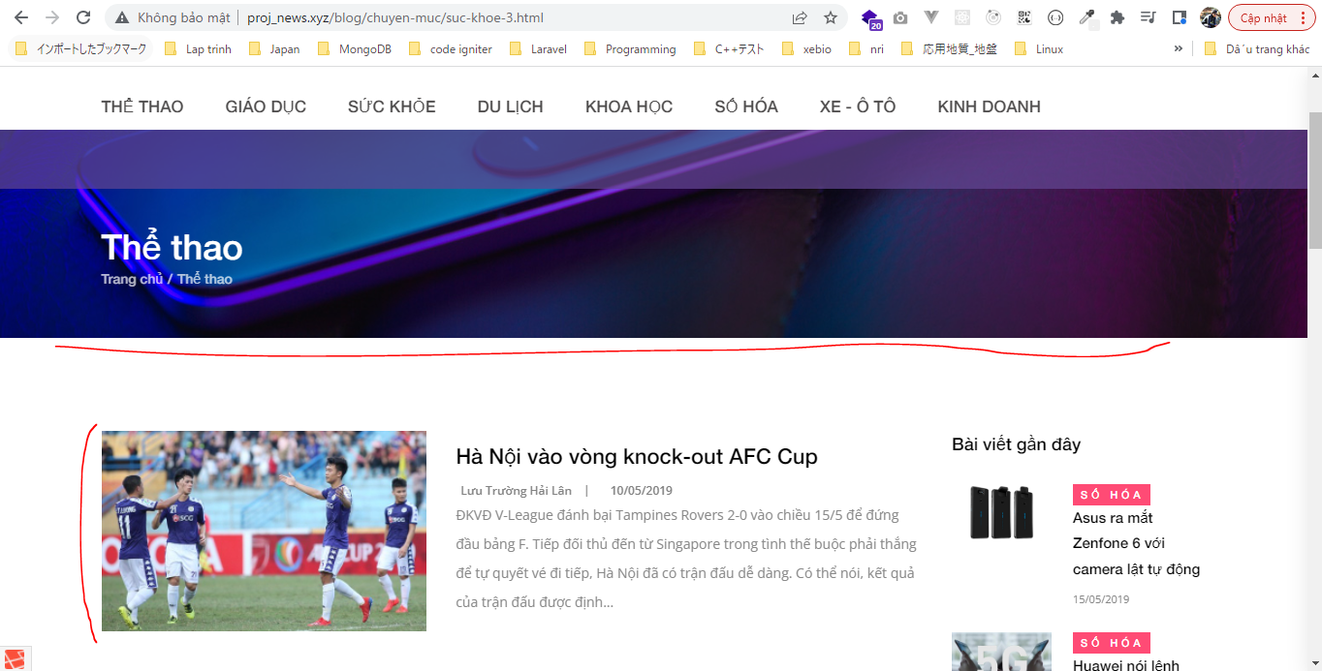
routes\web.php
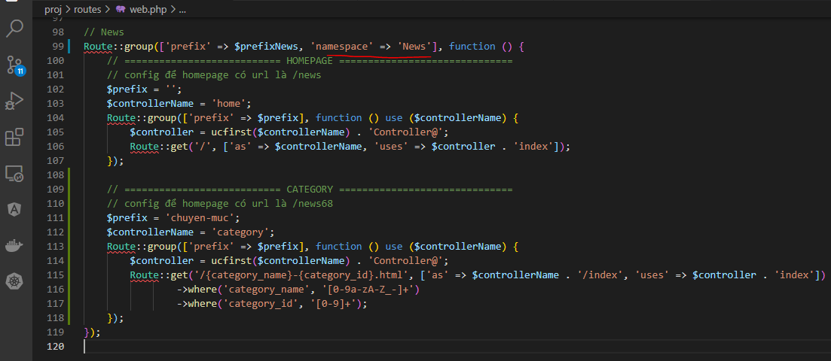

app\Http\Controllers\News\CategoryController.php
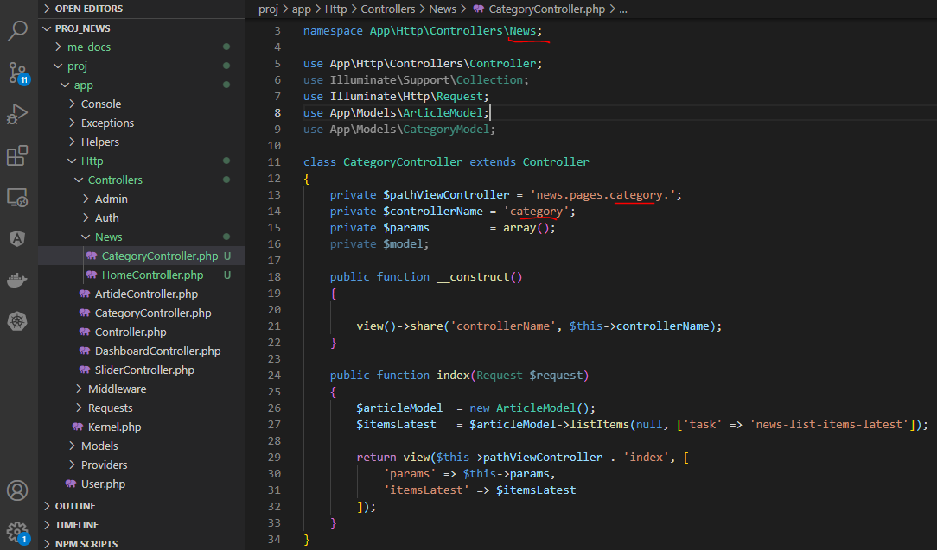

resources\views\news\pages\category\index.blade.php
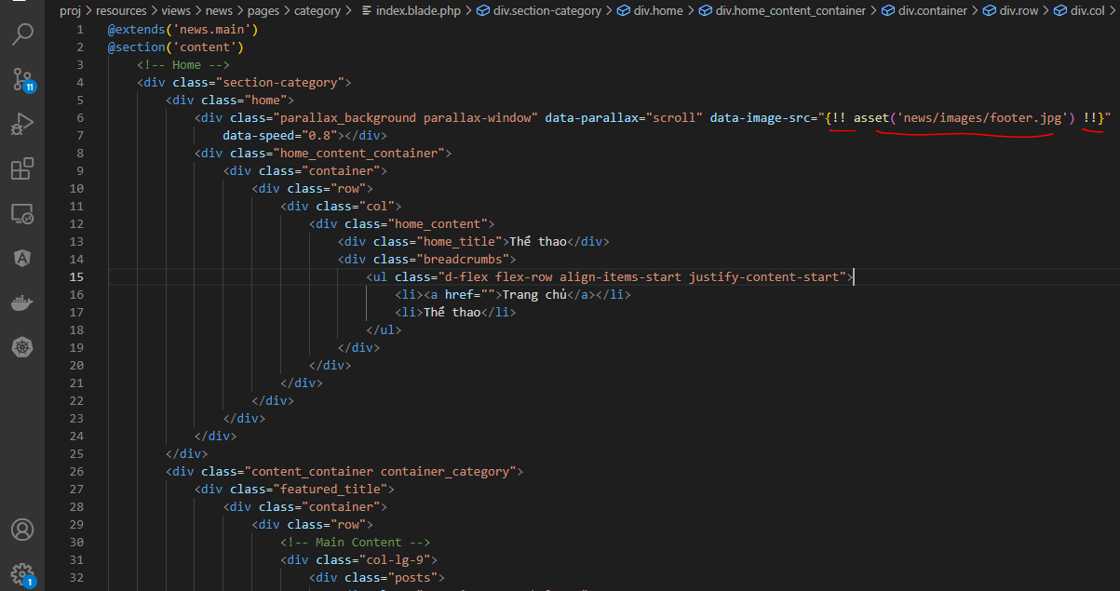

Copy from home
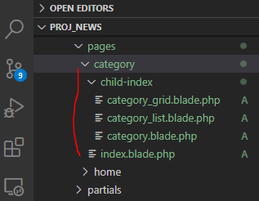

Check browser

link category
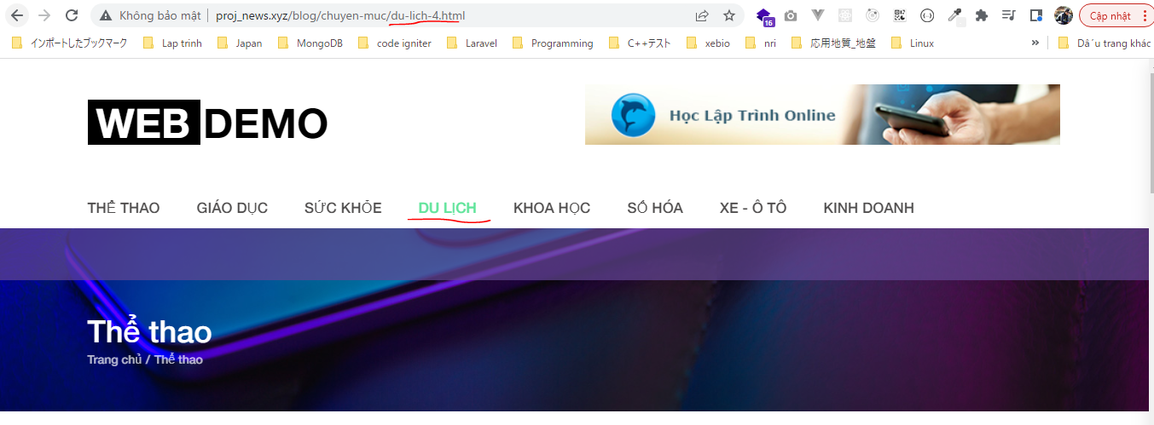
resources\views\news\elements\header.blade.php
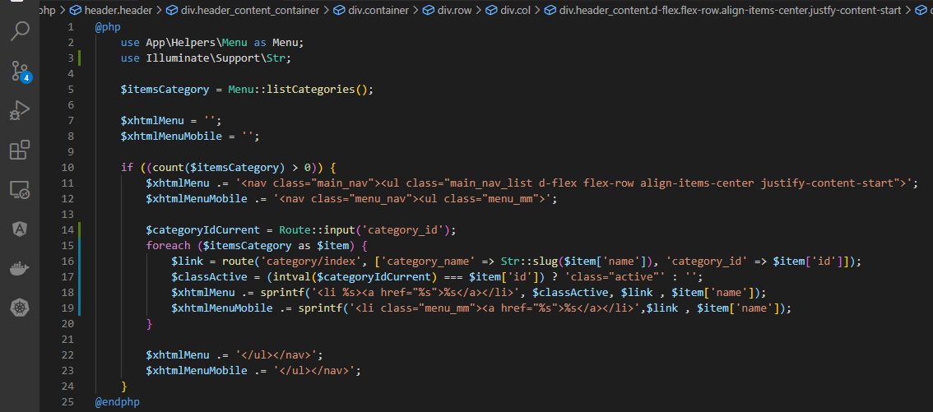

Check browser

show articles
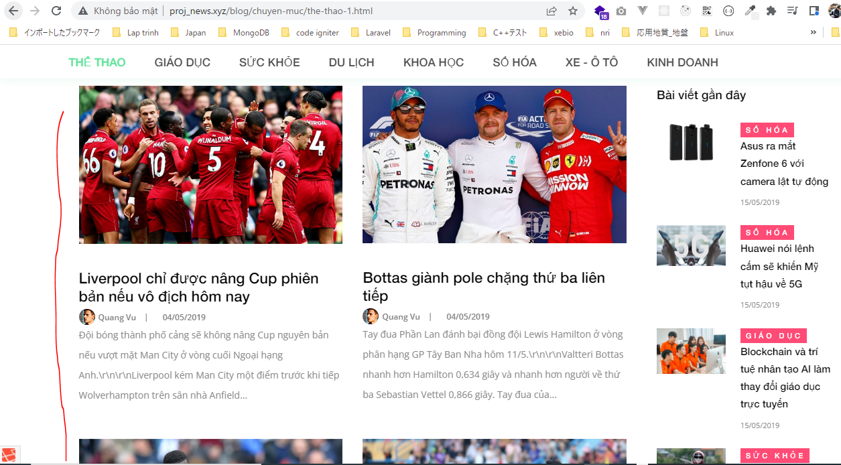
app\Http\Controllers\News\CategoryController.php
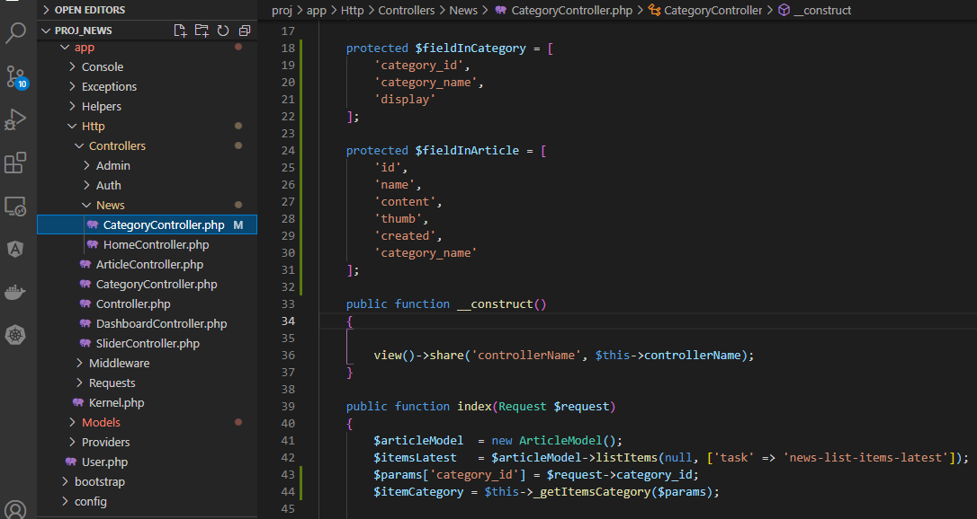

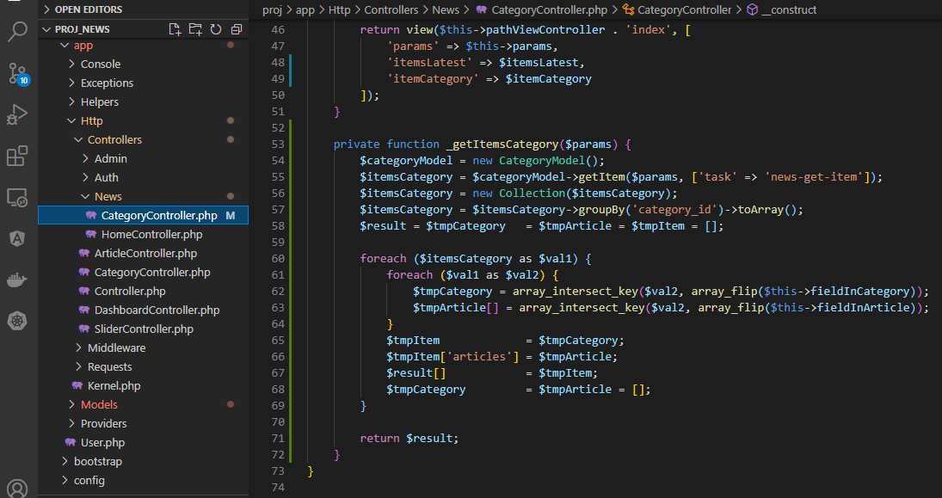

app\Models\CategoryModel.php

resources\views\news\pages\category\index.blade.php

resources\views\news\pages\category\child-index\category.blade.php

resources\views\news\pages\category\child-index\category_list.blade.php
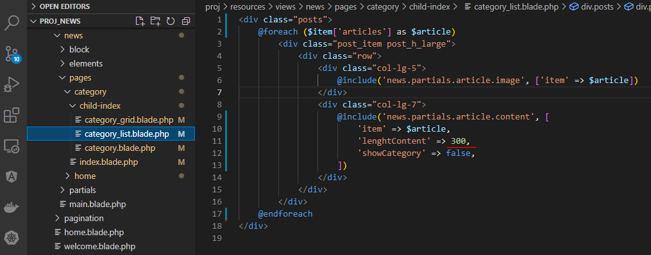

resources\views\news\pages\category\child-index\category_grid.blade.php

resources\views\news\pages\home\child-index\category_grid.blade.php

Check browser

breadcrumb
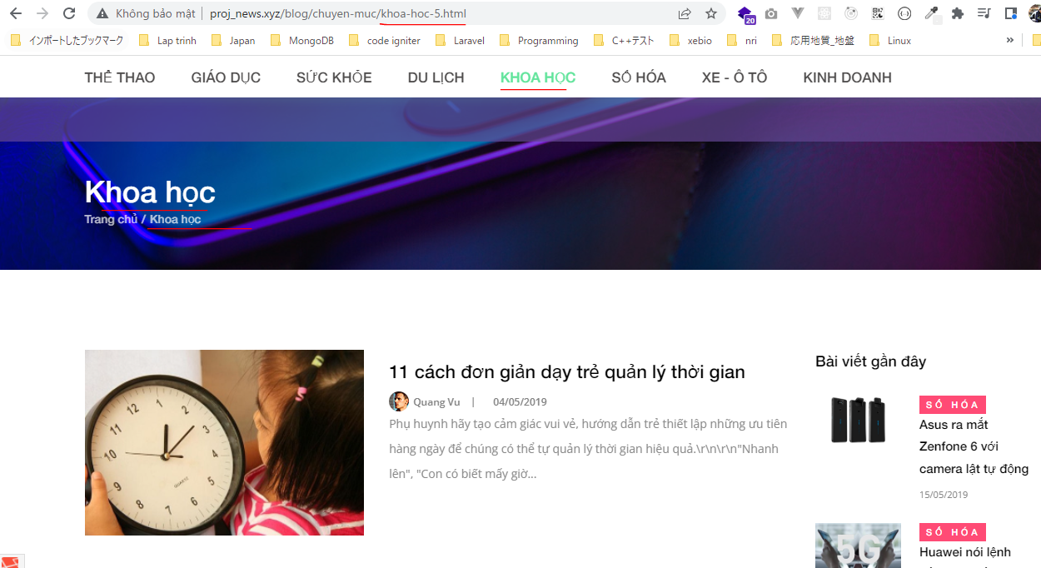
resources\views\news\pages\category\index.blade.php

resources\views\news\block\breadcrumb.blade.php
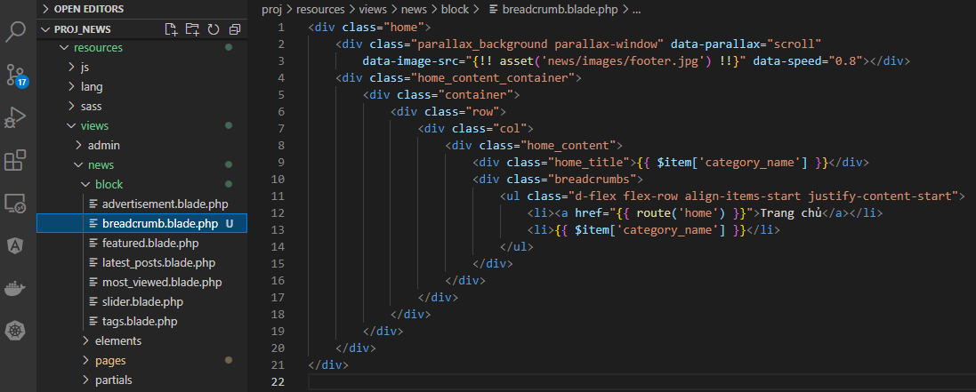

app\Models\CategoryModel.php

app\Http\Controllers\News\CategoryController.php
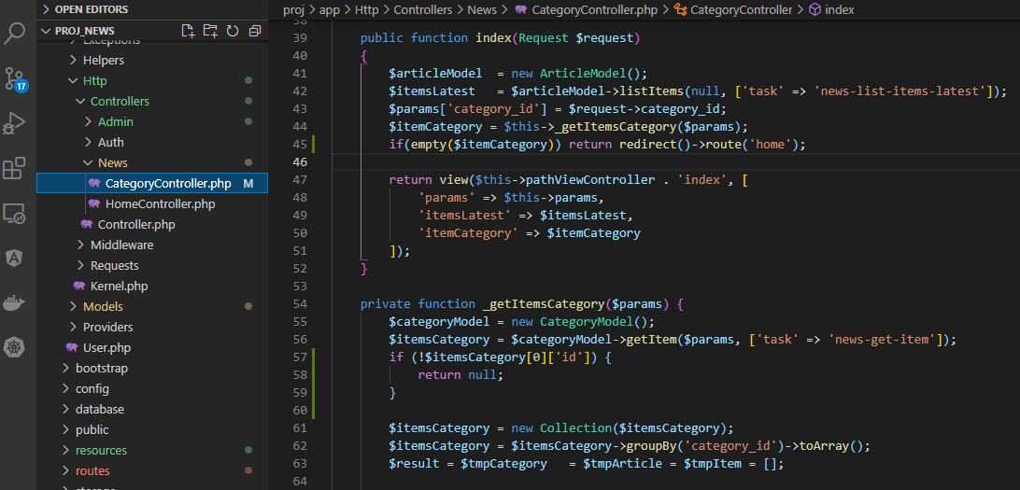

namespace
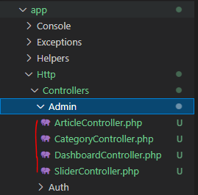

Check browser

