get request JSON data
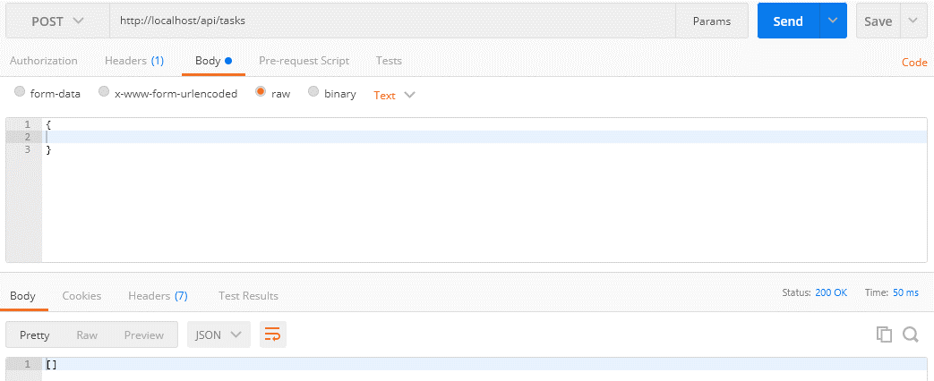
 | Get the data from the request as JSON
 | Thông thường đối với web thì mình có form và phương thức POST thì khi đó để nhận được data từ form thì mình dùng biến $_POST
 | Nhưng chủ yếu api nhận input là dạng JSON nên khi đó ko thể nhận data từ biến $_POST được mà phải lấy data trực tiếp từ request body api bằng cách dùng php://input và file_get_contents

 | php://input
 | https://www.php.net/manual/en/wrappers.php.php
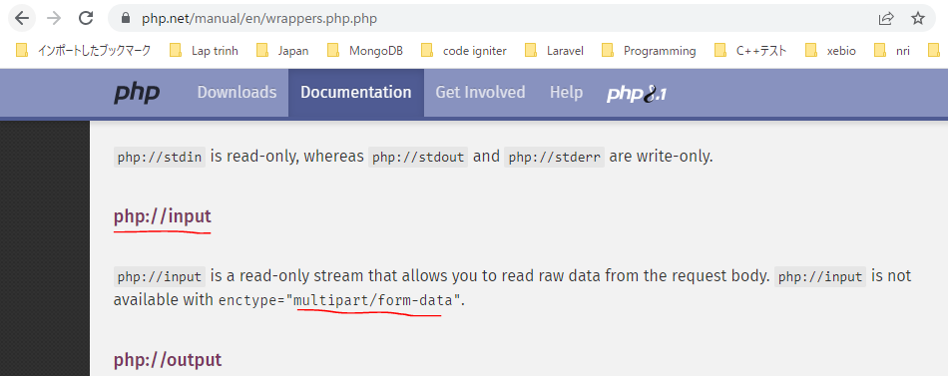

構成
 | rest-api-php
 |  | 1.api-basics
 |  | 2.http-basics
 |  | 3.rest-and-restful-apis
 |  |  | 1.access-a-restful-api
 |  |  |  | gists.php
 |  |  |  | index.php
 |  |  | 2.guzzlehttp
 |  |  | 3.use-an-sdk
 |  |  | 4.create-a-restful-api
 |  |  |  | api
 |  |  |  |  | .htaccess
 |  |  |  |  | index.php
 |  |  |  | src
 |  |  |  |  | Database.php
 |  |  |  |  | ErrorHandler.php
 |  |  |  |  | TaskController.php |  | → | code
 |  |  |  |  | TaskGateway.php
 |  |  |  | vendor
 |  |  |  | .env
 |  |  |  | composer.json
 |  |  |  | create_database.sql
 |  |  |  | create_task_table.sql
 |  |  |  | insert_task_table.sql

rest-api-php\4.create-a-restful-api\src\TaskController.php
 | <?php

 | class TaskController
 | {
 | private $gateway;

 | public function __construct(TaskGateway $gateway)
 | {
 | $this->gateway = $gateway;
 | }

 | public function processRequest(string $method, ?string $id): void
 | {
 | if ($id === null) {

 | if ($method == "GET") {

 | echo json_encode($this->gateway->getAll());
 | } elseif ($method == "POST") {

 | $data = (array) json_decode(file_get_contents("php://input"), true); |  |  |  |  | → | Dùng ép kiểu đưa về dạng array để khi body request lên là json rỗng thì $data sẽ là mảng rỗng []

 | echo json_encode($data);
 | } else {

 | $this->respondMethodNotAllowed("GET, POST");
 | }
 | } else {

 | $task = $this->gateway->get($id);

 | if ($task === []) {

 | $this->respondNotFound($id);
 | return;
 | }

 | switch ($method) {

 | case "GET":
 | echo json_encode($task);
 | break;

 | case "PATCH":
 | echo json_encode("update $id");
 | break;

 | case "DELETE":
 | echo json_encode("delete $id");
 | break;

 | default:
 | $this->respondMethodNotAllowed("GET, PATCH, DELETE");
 | }
 | }
 | }

 | private function respondMethodNotAllowed(string $allowed_methods): void
 | {
 | http_response_code(405);
 | header("Allow: $allowed_methods");
 | }

 | private function respondNotFound(string $id): void
 | {
 | http_response_code(404);
 | echo json_encode(["message" => "Task with ID $id not found"]);
 | }
 | }

Check by call api

 | mrthod: POST
 | api enpoint: http://localhost/api/tasks
 | body: | {
 |  |  | name: "A new task",
 |  |  | priority: 3
 |  | }
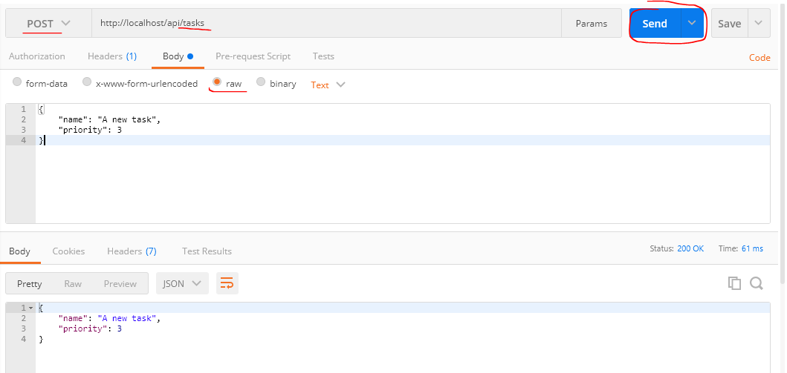

 | Trường hợp body gửi đi rỗng

Insert a record 201 status code
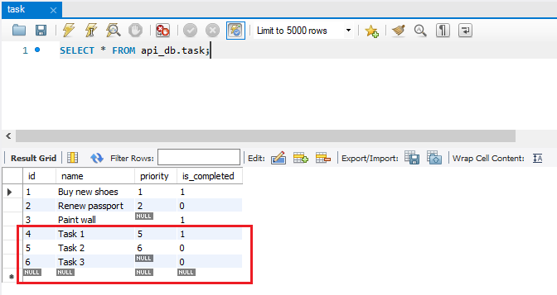
 | Insert a record into the database and respond with a 201 status code
 | Khi insert data thành công thì api trả về status là 201

 | 201 Created
 | https://developer.mozilla.org/en-US/docs/Web/HTTP/Status/201
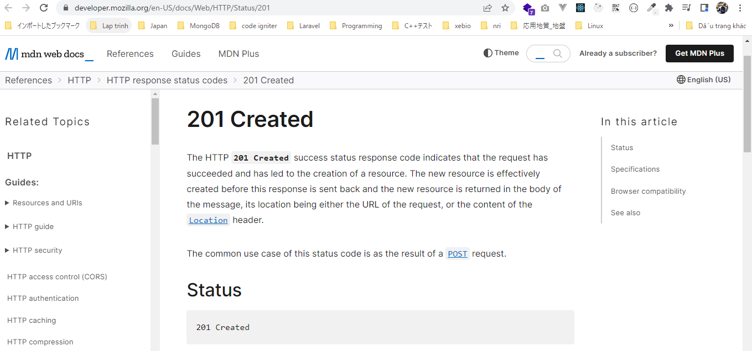

構成
 | rest-api-php
 |  | 1.api-basics
 |  | 2.http-basics
 |  | 3.rest-and-restful-apis
 |  |  | 1.access-a-restful-api
 |  |  |  | gists.php
 |  |  |  | index.php
 |  |  | 2.guzzlehttp
 |  |  | 3.use-an-sdk
 |  |  | 4.create-a-restful-api
 |  |  |  | api
 |  |  |  |  | .htaccess
 |  |  |  |  | index.php
 |  |  |  | src
 |  |  |  |  | Database.php
 |  |  |  |  | ErrorHandler.php
 |  |  |  |  | TaskController.php |  | → | code
 |  |  |  |  | TaskGateway.php |  | → | code
 |  |  |  | vendor
 |  |  |  | .env
 |  |  |  | composer.json
 |  |  |  | create_database.sql
 |  |  |  | create_task_table.sql
 |  |  |  | insert_task_table.sql

rest-api-php\4.create-a-restful-api\src\TaskGateway.php
 | <?php

 | class TaskGateway
 | {
 | private $conn;

 | public function __construct(Database $database)
 | {
 | $this->conn = $database->getConnection();
 | }

 | public function getAll(): array
 | {
 | $sql = "SELECT *
 | FROM task
 | ORDER BY name";

 | $stmt = $this->conn->query($sql);

 | $data = [];

 | while ($row = $stmt->fetch(PDO::FETCH_ASSOC)) {

 | $row['is_completed'] = (bool) $row['is_completed'];

 | $data[] = $row;
 | }

 | return $data;
 | }

 | public function get(string $id): array
 | {
 | $sql = "SELECT *
 | FROM task
 | WHERE id = :id";

 | $stmt = $this->conn->prepare($sql);

 | $stmt->bindValue(":id", $id, PDO::PARAM_INT);

 | $stmt->execute();

 | $data = $stmt->fetch(PDO::FETCH_ASSOC);

 | if ($data !== false) {

 | $data['is_completed'] = (bool) $data['is_completed'];
 | } else {
 | return [];
 | }

 | return $data;
 | }

 | public function create(array $data): string
 | {
 | $sql = "INSERT INTO task (name, priority, is_completed)
 | VALUES (:name, :priority, :is_completed)";

 | $stmt = $this->conn->prepare($sql);

 | $stmt->bindValue(":name", $data["name"], PDO::PARAM_STR);

 | if (empty($data["priority"])) {

 | $stmt->bindValue(":priority", null, PDO::PARAM_NULL);
 | } else {

 | $stmt->bindValue(":priority", $data["priority"], PDO::PARAM_INT);
 | }

 | $stmt->bindValue(
 | ":is_completed",
 | $data["is_completed"] ?? false,
 | PDO::PARAM_BOOL
 | );

 | $stmt->execute();

 | return $this->conn->lastInsertId();
 | }
 | }

rest-api-php\4.create-a-restful-api\src\TaskController.php
 | <?php

 | class TaskController
 | {
 | private $gateway;

 | public function __construct(TaskGateway $gateway)
 | {
 | $this->gateway = $gateway;
 | }

 | public function processRequest(string $method, ?string $id): void
 | {
 | if ($id === null) {

 | if ($method == "GET") {

 | echo json_encode($this->gateway->getAll());
 | } elseif ($method == "POST") {

 | $data = (array) json_decode(file_get_contents("php://input"), true);

 | $id = $this->gateway->create($data);

 | $this->respondCreated($id);
 | } else {

 | $this->respondMethodNotAllowed("GET, POST");
 | }
 | } else {

 | $task = $this->gateway->get($id);

 | if ($task === []) {

 | $this->respondNotFound($id);
 | return;
 | }

 | switch ($method) {

 | case "GET":
 | echo json_encode($task);
 | break;

 | case "PATCH":
 | echo json_encode("update $id");
 | break;

 | case "DELETE":
 | echo json_encode("delete $id");
 | break;

 | default:
 | $this->respondMethodNotAllowed("GET, PATCH, DELETE");
 | }
 | }
 | }

 | private function respondMethodNotAllowed(string $allowed_methods): void
 | {
 | http_response_code(405);
 | header("Allow: $allowed_methods");
 | }

 | private function respondNotFound(string $id): void
 | {
 | http_response_code(404);
 | echo json_encode(["message" => "Task with ID $id not found"]);
 | }

 | private function respondCreated(string $id): void
 | {
 | http_response_code(201); |  |  |  |  | → | Khi insert data thành công thì api trả về status là 201
 | echo json_encode(["message" => "Task created", "id" => $id]);
 | }
 | }

Check by call api

 | mrthod: POST
 | api enpoint: http://localhost/api/tasks

 |  | body: | {
 |  |  |  | name: "Task 1",
 |  |  |  | priority: 5,
 |  |  |  | is_completed: true
 |  |  | }
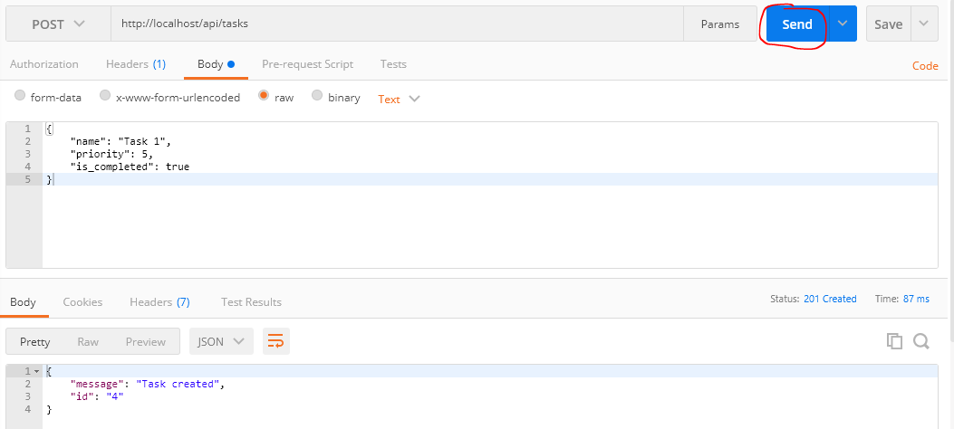

 |  | body: | {
 |  |  |  | name: "Task 2",
 |  |  |  | priority: 6
 |  |  | }

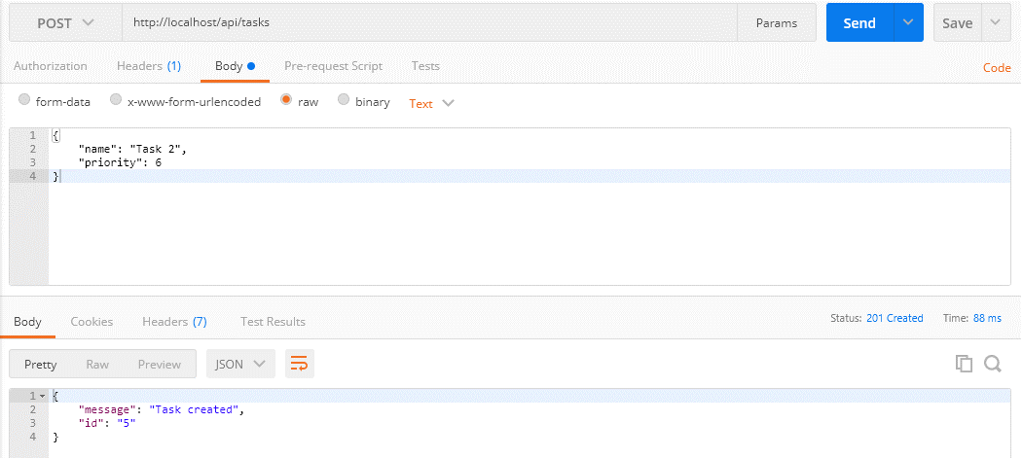

 |  | body: | {
 |  |  |  | name: "Task 3"
 |  |  | }



Check DB

