get the HTTP status code
 | Response codes: get the HTTP status code
 | Weather API để lấy thông tin thời tiết ở 1 vùng nào đó

Weather API
https://openweathermap.org/api
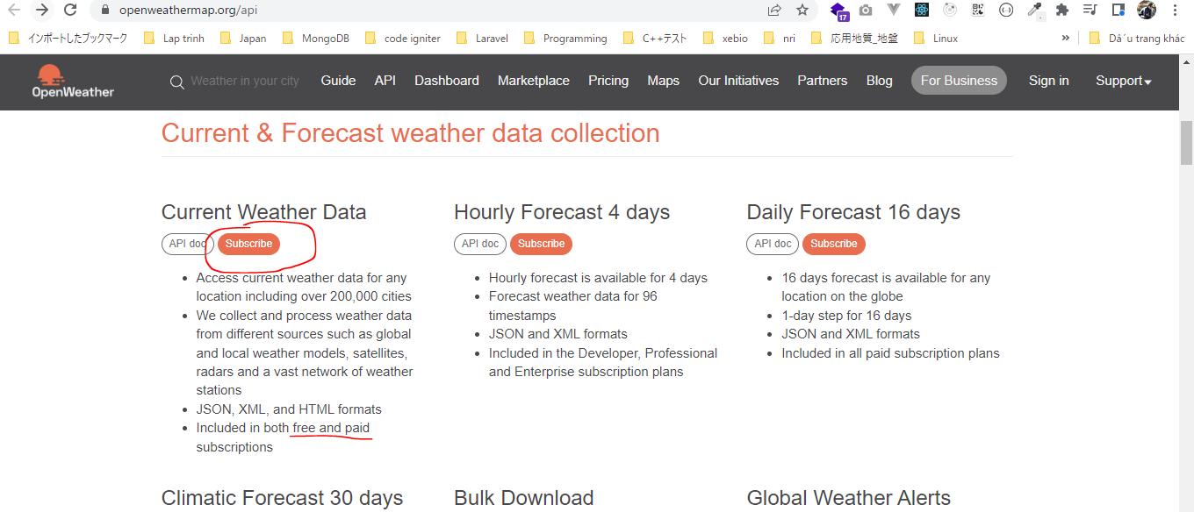

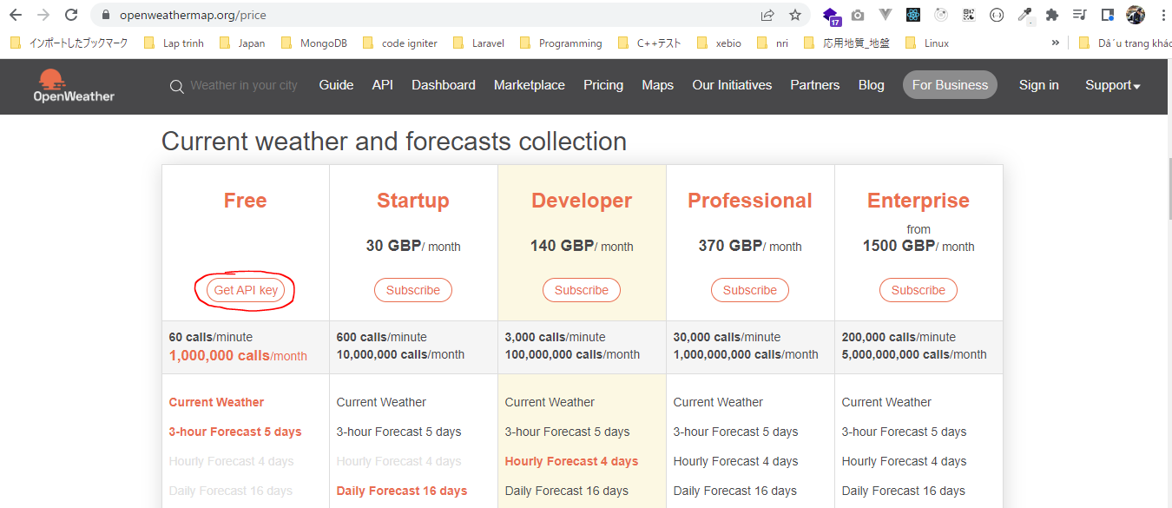

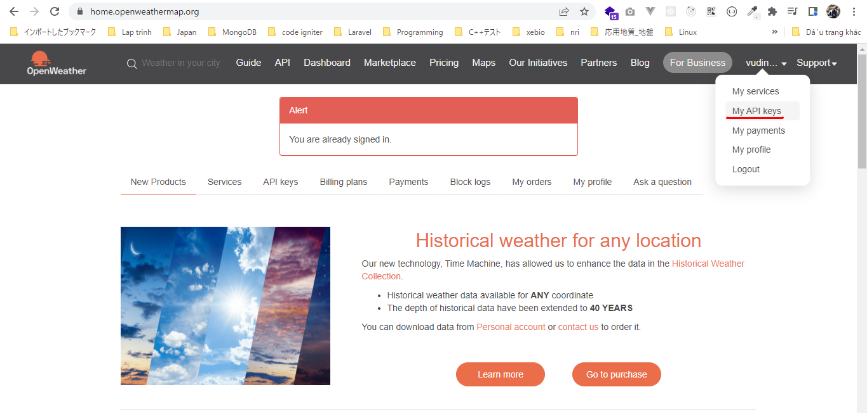

構成
 | rest-api-php
 |  | 1.api-basics
 |  |  | 1.make-an-api-call
 |  |  | 2.decode-api-results
 |  |  | 3.use-api-data-in-a-web-application
 |  | 2.http-basics
 |  |  | 1.Use-cURL-instead-of-file_get_contents-to-make-an-API-request
 |  |  | 2.response-codes
 |  |  |  | index.php | → | code

rest-api-php\2.requests-responses-and-using-cURL\2.response-codes\index.php
 | <?php

 | $ch = curl_init();

 | curl_setopt_array($ch, [
 | CURLOPT_URL => "https://api.openweathermap.org/data/2.5/weather?q=London&appid=XXXXXX",
 | CURLOPT_RETURNTRANSFER => true |  |  |  |  | → | Kết quả return về string(json)
 | ]);

 | $response = curl_exec($ch);

 | $status_code = curl_getinfo($ch, CURLINFO_HTTP_CODE);

 | curl_close($ch);

 | echo $status_code, "</br>";

 | echo $response;

Check browser

 | Sử dụng key đúng
 | http://localhost/rest-api-php/2.http-basics/2.response-codes/index.php

 | Sử dụng key sai
 | http://localhost/rest-api-php/2.http-basics/2.response-codes/index.php

Request headers
 | Request headers: add meta data about the request
 | https://en.wikipedia.org/wiki/List_of_HTTP_header_fields#Request_fields

Unsplash

 | Có 2 cách để Authorization là dùng HTTP Authorization header hoặc query parameter
 | phải gửi key api thì mới lấy được data Unsplash
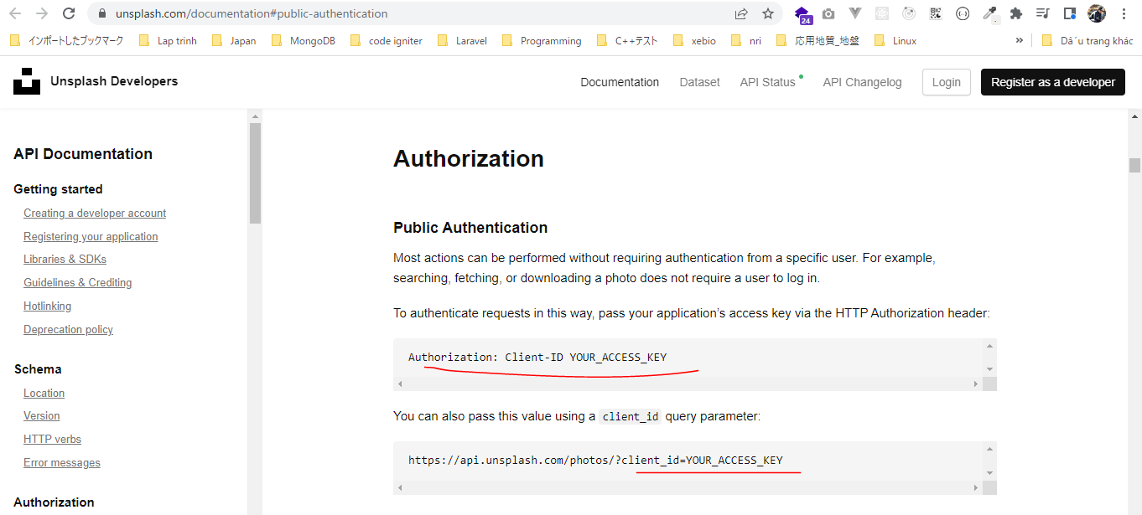

 | developers
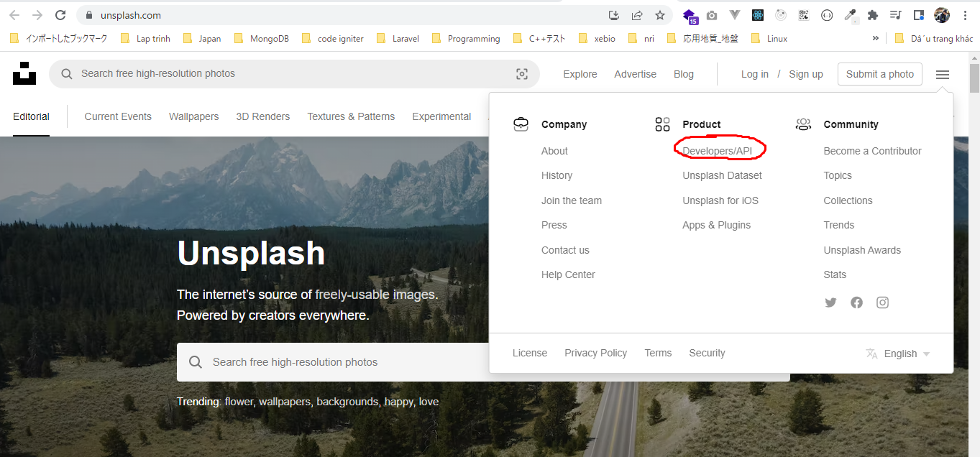

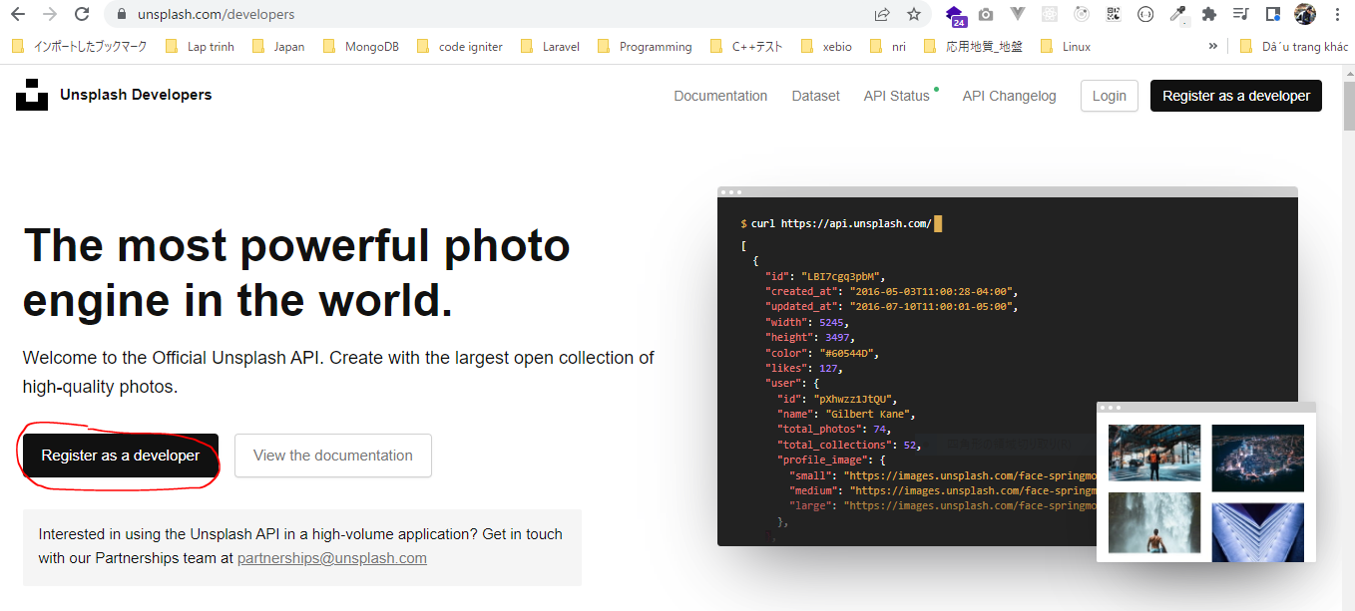

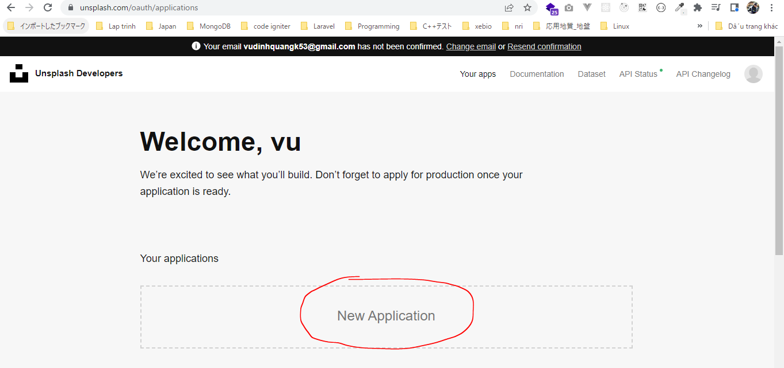

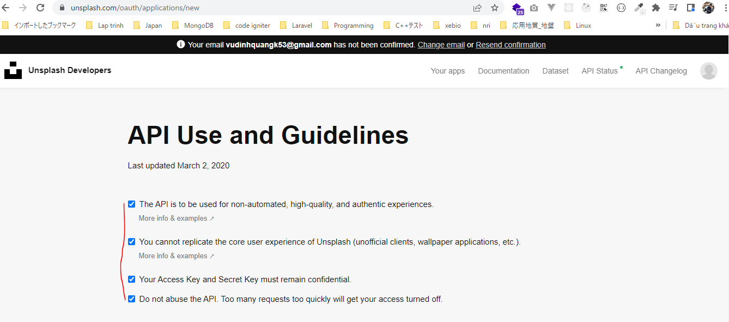

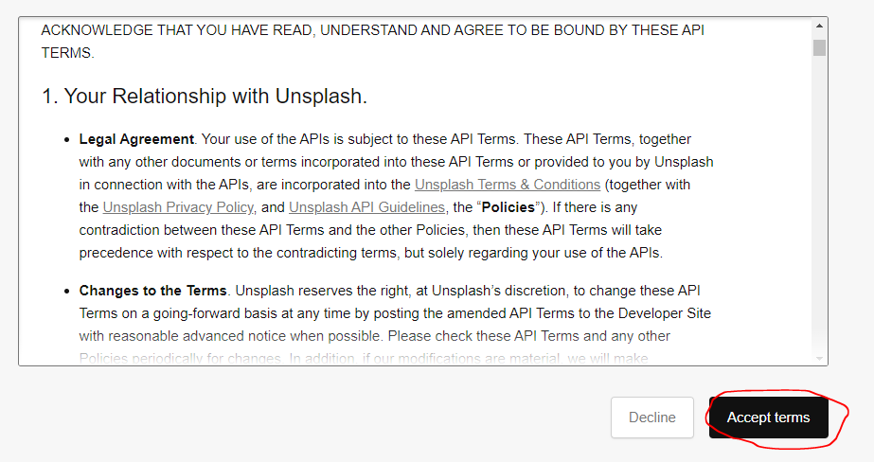

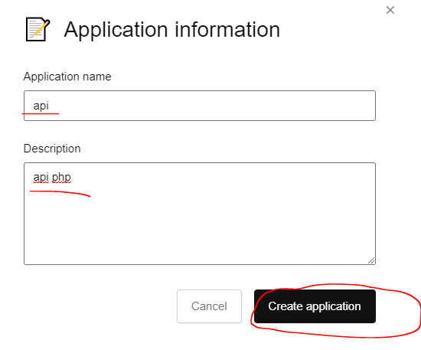

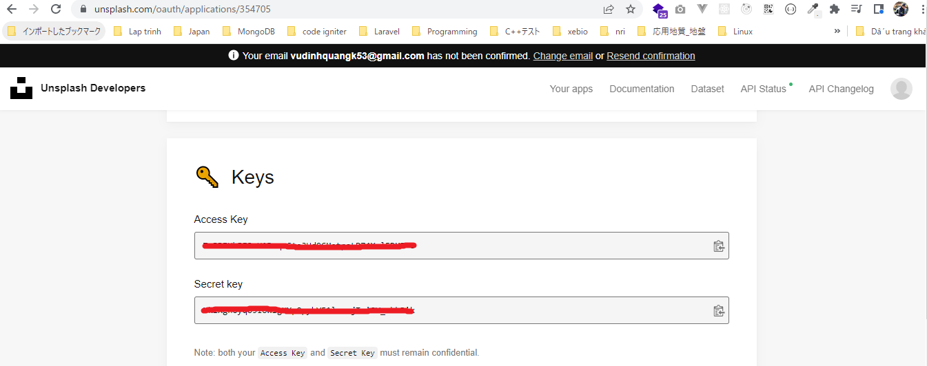

構成
 | rest-api-php
 |  | 1.api-basics
 |  |  | 1.make-an-api-call
 |  |  | 2.decode-api-results
 |  |  | 3.use-api-data-in-a-web-application
 |  | 2.http-basics
 |  |  | 1.Use-cURL-instead-of-file_get_contents-to-make-an-API-request
 |  |  | 2.get-the-http-status-code
 |  |  | 3.response-headers
 |  |  |  | index.php |  | → | code

rest-api-php\2.requests-responses-and-using-cURL\3.response-headers\index.php
 | <?php

 | $ch = curl_init();

 | $headers = [
 | "Authorization: Client-ID YOUR_ACCESS_KEY"
 | ];

 | curl_setopt_array($ch, [
 | CURLOPT_URL => "https://api.unsplash.com/photos/random",
 | CURLOPT_RETURNTRANSFER => true, |  |  |  | → | Kết quả return về string(json)
 | CURLOPT_HTTPHEADER => $headers
 | ]);

 | $response = curl_exec($ch);

 | $status_code = curl_getinfo($ch, CURLINFO_HTTP_CODE);

 | curl_close($ch);

 | echo $status_code, "</br>";

 | echo $response, "\n";

Check broser

 | Sử dụng key đúng
 | http://localhost/rest-api-php/2.http-basics/3.response-headers/index.php
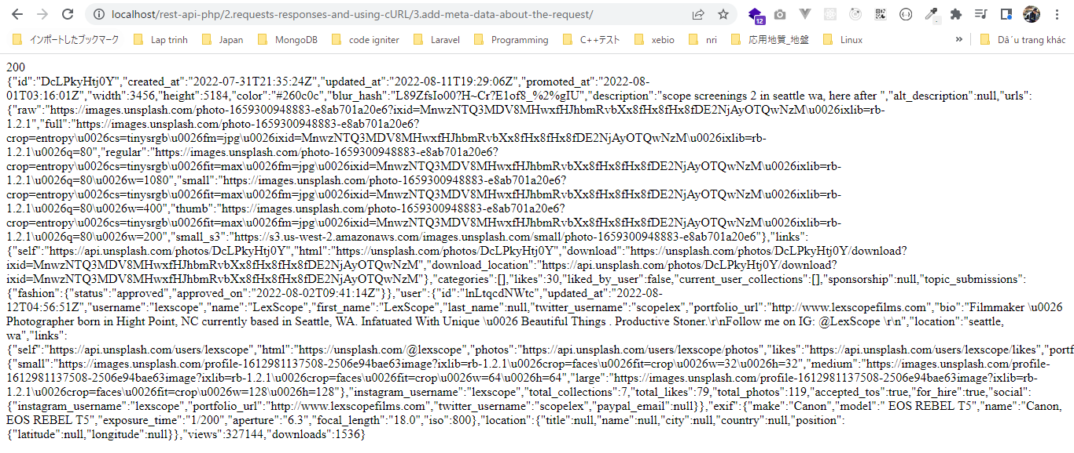

 | Sử dụng key sai
 | http://localhost/rest-api-php/2.http-basics/3.response-headers/index.php

Response headers
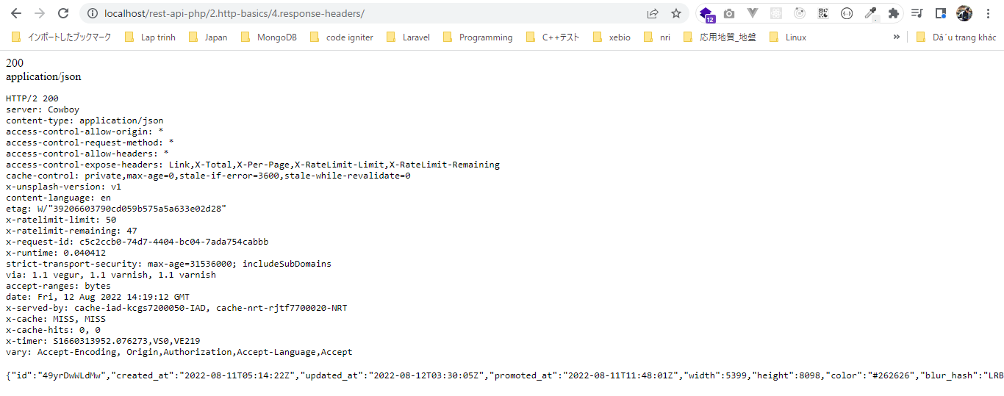
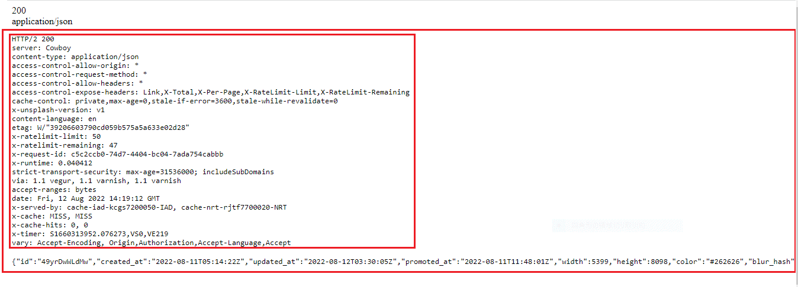
 | Response headers: read meta data about the response
 | https://en.wikipedia.org/wiki/List_of_HTTP_header_fields#Response_fields

Unsplash

 | Có 2 cách để Authorization là dùng HTTP Authorization header hoặc query parameter
 | phải gửi key api thì mới lấy được data Unsplash

 | developers

構成
 | rest-api-php
 |  | 1.api-basics
 |  |  | 1.make-an-api-call
 |  |  | 2.decode-api-results
 |  |  | 3.use-api-data-in-a-web-application
 |  | 2.http-basics
 |  |  | 1.Use-cURL-instead-of-file_get_contents-to-make-an-API-request
 |  |  | 2.get-the-http-status-code
 |  |  | 3.response-headers
 |  |  | 4.response-headers
 |  |  |  | index.php |  |  | → | code

rest-api-php\2.requests-responses-and-using-cURL\4.response-headers\index.php
 | <?php

 | $ch = curl_init();

 | $headers = [
 | "Authorization: Client-ID XXXXX"
 | ];

 | curl_setopt_array($ch, [
 | CURLOPT_URL => "https://api.unsplash.com/photos/random",
 | CURLOPT_RETURNTRANSFER => true,
 | CURLOPT_HTTPHEADER => $headers,
 | CURLOPT_HEADER => true |  |  |  | → | Để xem tất cả các thông tin headers trả về từ kết quả api
 | ]);

 | $response = curl_exec($ch);

 | $status_code = curl_getinfo($ch, CURLINFO_HTTP_CODE); |  |  |  | → | https://www.php.net/manual/en/function.curl-getinfo.php

 | $content_type = curl_getinfo($ch, CURLINFO_CONTENT_TYPE);

 | curl_close($ch);

 | echo $status_code, "</br>";
 | echo $content_type, "</br>";

 | echo "<pre>";
 | print_r($response);
 | echo "</pre>";

Check broser

 | http://localhost/rest-api-php/2.http-basics/4.response-headers/

