Create a new database
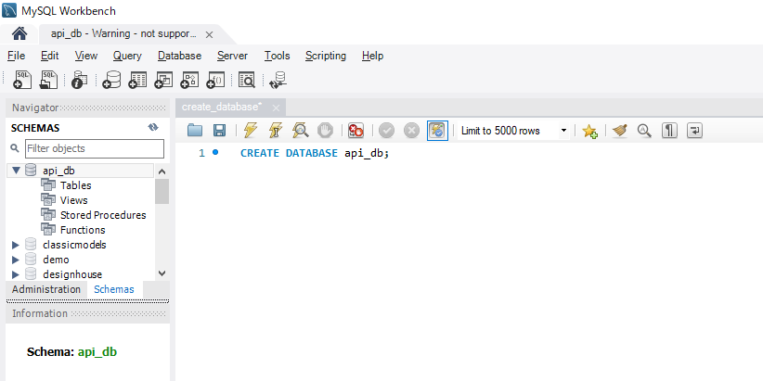
構成
 | rest-api-php
 |  | 1.api-basics
 |  | 2.http-basics
 |  | 3.rest-and-restful-apis
 |  |  | 1.access-a-restful-api
 |  |  |  | gists.php
 |  |  |  | index.php
 |  |  | 2.guzzlehttp
 |  |  | 3.use-an-sdk
 |  |  | 4.create-a-restful-api
 |  |  |  | api
 |  |  |  |  | .htaccess
 |  |  |  |  | index.php
 |  |  |  | src
 |  |  |  |  | ErrorHandler.php
 |  |  |  |  | TaskController.php
 |  |  |  | vendor
 |  |  |  | composer.json
 |  |  |  | create_database.sql

rest-api-php\4.create-a-restful-api\create_database.sql
 | CREATE DATABASE api_db;

Create a table to storeResource
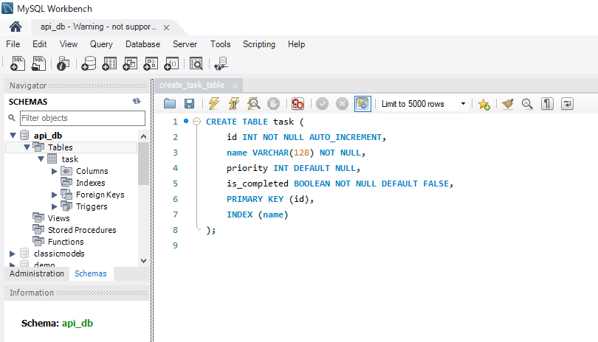
 | Create a table to store resource data

構成
 | rest-api-php
 |  | 1.api-basics
 |  | 2.http-basics
 |  | 3.rest-and-restful-apis
 |  |  | 1.access-a-restful-api
 |  |  |  | gists.php
 |  |  |  | index.php
 |  |  | 2.guzzlehttp
 |  |  | 3.use-an-sdk
 |  |  | 4.create-a-restful-api
 |  |  |  | api
 |  |  |  |  | .htaccess
 |  |  |  |  | index.php
 |  |  |  | src
 |  |  |  |  | ErrorHandler.php
 |  |  |  |  | TaskController.php
 |  |  |  | vendor
 |  |  |  | composer.json
 |  |  |  | create_database.sql
 |  |  |  | create_task_table.sql

rest-api-php\4.create-a-restful-api\create_task_table.sql
 | CREATE TABLE task (
 | id INT NOT NULL AUTO_INCREMENT,
 | name VARCHAR(128) NOT NULL,
 | priority INT DEFAULT NULL,
 | is_completed BOOLEAN NOT NULL DEFAULT FALSE,
 | PRIMARY KEY (id),
 | INDEX (name)
 | );

